Sheet1
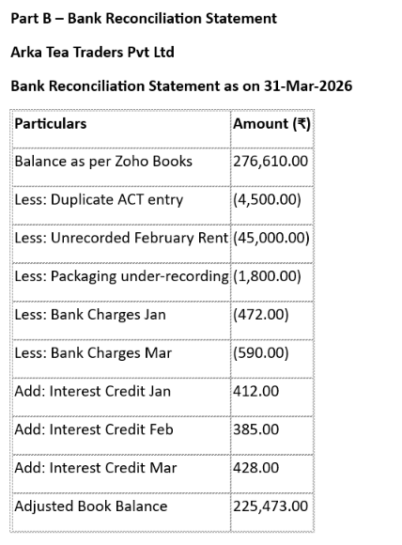
Part B – Bank Reconciliation Statement

Arka Tea Traders Pvt Ltd

Bank Reconciliation Statement as on 31-Mar-2026

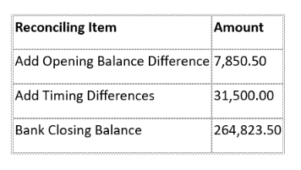
Particulars | Amount (₹) | Reconciling Item | Amount
Balance as per Zoho Books | 276,610.00 | Add Opening Balance Difference | 7,850.50
Less: Duplicate ACT entry | -4,500.00 | Add Timing Differences | 31,500.00
Less: Unrecorded February Rent | -45,000.00 | Bank Closing Balance | 264,823.50
Less: Packaging under-recording | -1,800.00
Less: Bank Charges Jan | -472
Less: Bank Charges Mar | -590
Add: Interest Credit Jan | 412
Add: Interest Credit Feb | 385
Add: Interest Credit Mar | 428
Adjusted Book Balance | 225,473.00

