basic
model reference image | TECHNICAL DETAILS & SIZES | description | status | color pattern
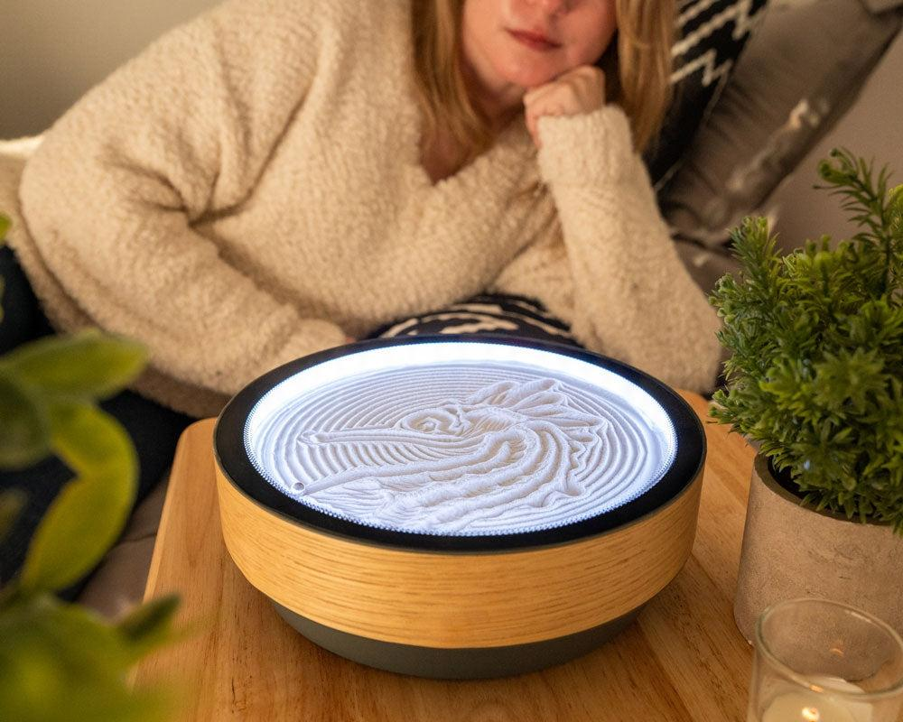 | 1ft DESKTOP MODEL Diameter: 1ft / 30cm Design: A refined, compact drum silhouette with a warm natural wood finish—designed specifically for close-up viewing and personal focus. Aura Glow: A brilliant halo of white light that illuminates the sandbed, highlighting every ridge and shadow of the evolving artwork. Surface: Protected by nearly invisible tempered glass to keep the sand pristine while maintaining a functional tabletop surface. | The Desktop Kinetic Sand Garden Intimate, architectural, and deeply calming. This 1-foot model is the ultimate tabletop sanctuary, designed to bring the meditative power of kinetic art to your desk, nightstand, or bookshelf. Featuring a beautiful natural wood wrap and a contrasting base, it uses a silent magnetic drive to compose intricate patterns that evolve throughout your day. |  | 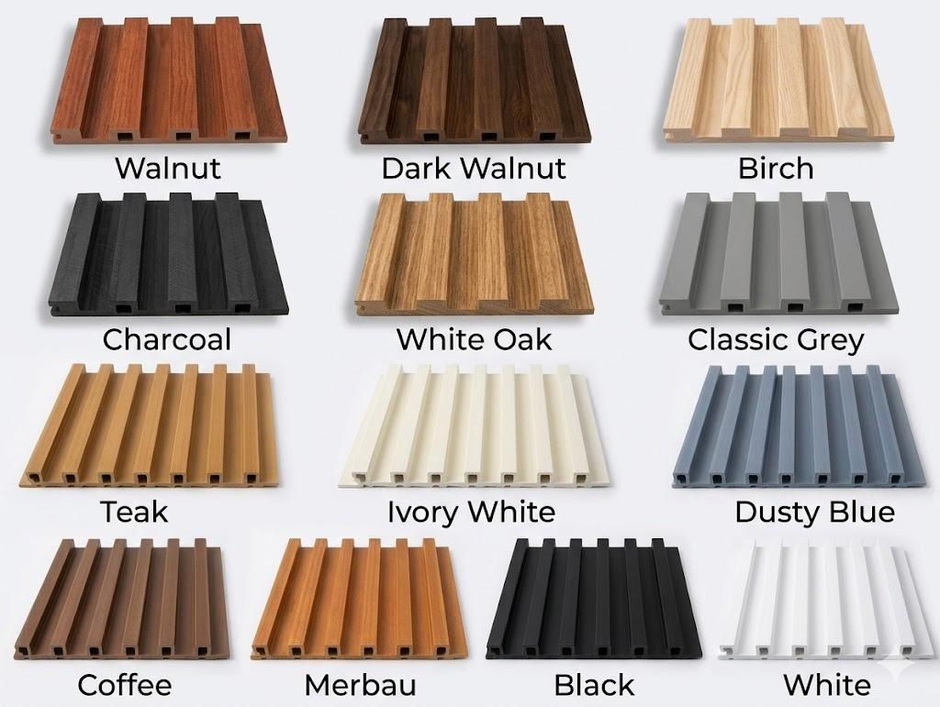
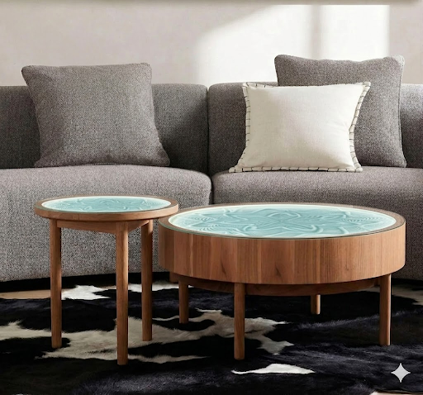 | 2ft SIDE TABLE MODEL Diameter: 2ft / 60cm Design: A high-profile, slender-legged accent table that fits perfectly in corners or beside seating. Aura Glow: Soft integrated lighting to create a soothing nighttime atmosphere. 3ft COFFEE TABLE MODEL Diameter: 3ft / 90cm Design: A substantial, deep-frame drum silhouette supported by minimalist legs for a modern centerpiece. Canvas: A wide, expansive sandbed for high-detail, complex geometric art. | The Minimalist Oak Kinetic Sand Table Timeless design meets meditative technology. This model features a clean, natural oak veneer and elegant slender legs, creating a light and airy feel. Beneath the tempered glass, a silent magnetic sphere weaves intricate patterns in the sand, while a soft cyan ambient glow illuminates every detail, turning your living space into a sanctuary of calm.
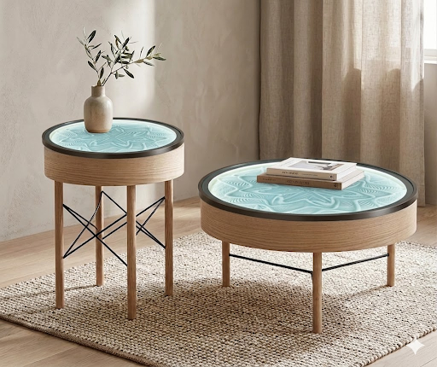 | 2ft SIDE TABLE MODEL Diameter: 2ft / 60cm Design: An elevated, high-profile silhouette featuring an intricate cross-wire pedestal base. Placement: A perfect statement piece for entryways or beside a lounge chair. 3ft COFFEE TABLE MODEL Diameter: 3ft / 90cm Design: A broad, low-profile drum supported by a minimalist H-frame wire base. Canvas: An expansive surface area designed for high-detail, mesmerizing geometric motion. | The Eames-Inspired Kinetic Sand Table Architectural elegance meets the art of relaxation. This design features a warm natural oak grain body supported by a sophisticated black wire-brace base, drawing inspiration from mid-century modern classics. Beneath the tempered glass, a silent magnetic drive weaves intricate patterns into the sand, illuminated by a calming aqua-blue aura.
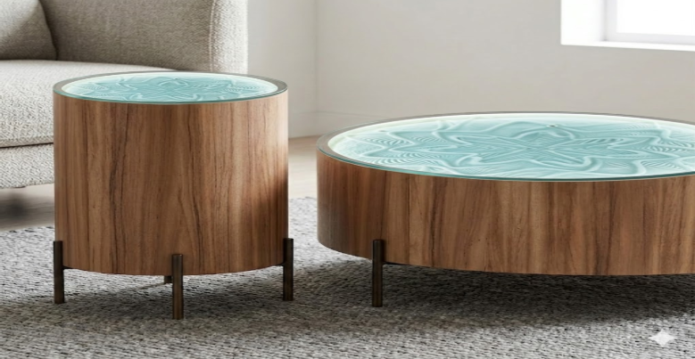 | 2ft SIDE TABLE MODEL Diameter: 2ft / 60cm Design: A tall, slender drum profile that brings moving art to bedside or accent spaces. Aura Glow: Integrated LED lighting that highlights the texture and depth of the sandbed. 3ft COFFEE TABLE MODEL Diameter: 3ft / 90cm Design: A grand, low-profile centerpiece designed as a captivating focal point for living rooms. Motion: Expansive edge-to-edge drawing area for large-scale, complex patterns. | The Walnut Drum Kinetic Sand Table A fusion of warmth and precision. This model features a rich natural walnut grain with a smooth, continuous silhouette. Supported by minimalist bronze-finish legs, it houses a silent magnetic drive that weaves intricate, ever-changing patterns into the sand. The soft teal ambient glow creates a serene, high-contrast display beneath the protective tempered glass.
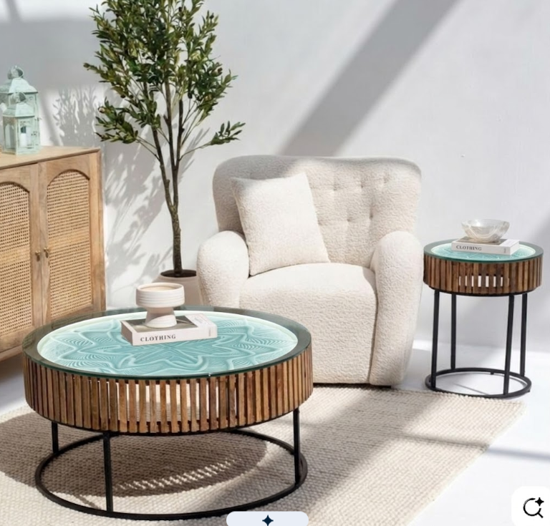 | 2ft SIDE TABLE MODEL Diameter: 2ft / 60cm Design: A tall, slender drum profile that brings moving art to bedside or accent spaces. Aura Glow: Integrated LED lighting that highlights the texture and depth of the sandbed. 3ft COFFEE TABLE MODEL Diameter: 3ft / 90cm Design: A grand, low-profile centerpiece designed as a captivating focal point for living rooms. Motion: Expansive edge-to-edge drawing area for large-scale, complex patterns. | The Walnut Drum Kinetic Sand Table A fusion of warmth and precision. This model features a rich natural walnut grain with a smooth, continuous silhouette. Supported by minimalist bronze-finish legs, it houses a silent magnetic drive that weaves intricate, ever-changing patterns into the sand. The soft teal ambient glow creates a serene, high-contrast display beneath the protective tempered glass.
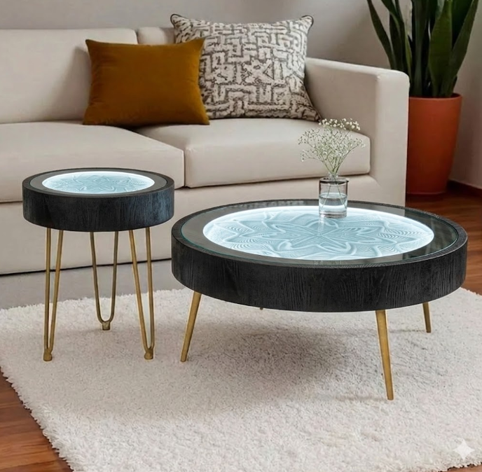 | 2ft SIDE TABLE MODEL Diameter: 2ft / 60cm Design: A tall, slender profile with classic gold hairpin legs, perfect for bedside or accent placement. Aura Glow: Integrated LED lighting that creates a mesmerizing nighttime centerpiece. 3ft COFFEE TABLE MODEL Diameter: 3ft / 90cm Design: A grand, low-profile centerpiece with a substantial presence, designed to be the focal point of a room. Motion: Large-scale canvas for expansive, high-detail geometric art. | The Midnight Gold Kinetic Sand Table A striking study in contrast and sophisticated motion. This design features a deep black-tinted oak frame paired with elegant brushed gold hairpin legs. Beneath the tempered glass, a silent magnetic sphere creates complex, luminous patterns in the sand, while an icy-blue ambient light adds a modern, high-tech glow to your living space.
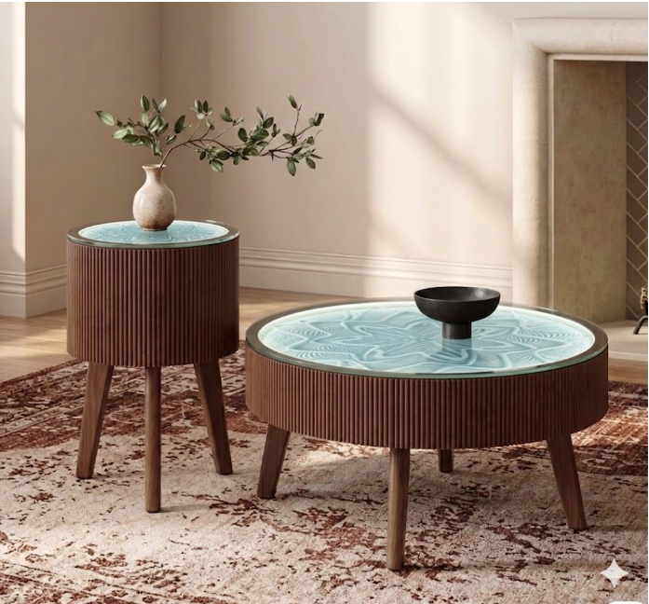 | 2ft Side Table Model 2ft Side Table Model A tall, sophisticated pedestal profile designed to bring moving art to intimate spaces. Diameter: 2ft (60cm) Design: Elevated drum with vertical fluting and tapered wooden legs. Placement: Perfect for bedside, accent, or entryway placement. 3ft Coffee Table Model A grand, low-profile centerpiece offering a vast canvas for intricate sand patterns. Diameter: 3ft (90cm) Design: Broad fluted body with an expansive drawing surface. Motion: Optimized for large-scale, high-detail geometric motion. | The Fluted Kinetic Sand Table Set Elevate your home with a living masterpiece that blends architectural texture with the art of motion. This design features a signature hand-crafted fluted wood exterior in a rich walnut finish, supported by elegant tapered legs. Beneath the protective tempered glass, a silent magnetic drive guides a steel sphere to weave endless geometric patterns, turning any room into a serene gallery.
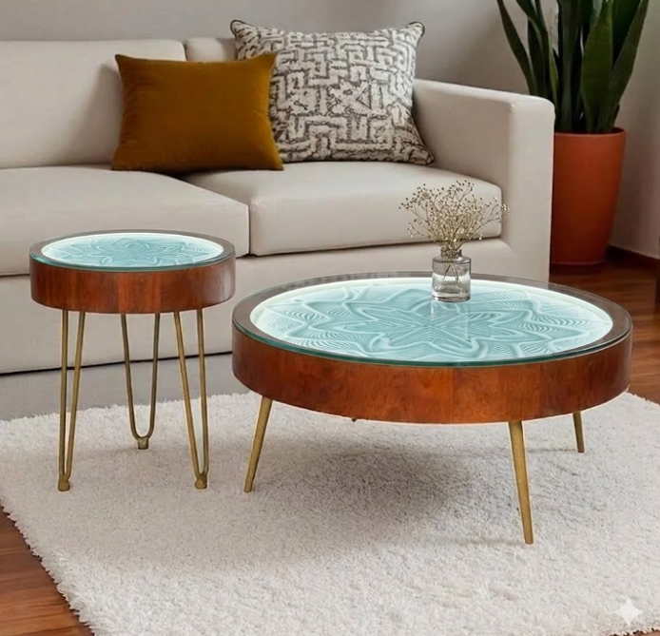 | 2ft SIDE TABLE MODEL Diameter: 2ft / 60cm Design: A tall, slender profile featuring a triple-rod hairpin base, perfect for bedside or sofa-side placement. Aura Glow: Integrated LED lighting that creates a mesmerizing, luminous centerpiece. 3ft COFFEE TABLE MODEL Diameter: 3ft / 90cm Design: A grand, low-profile drum with a broad canvas for expansive and highly detailed sand art. Legs: Angled brass-finish tapered legs for a balanced and stable modern silhouette. | The Hairpin Kinetic Sand Table Set Modern mid-century aesthetics meet meditative technology. This model features a rich warm wood-grain drum paired with elegant brass-finish hairpin legs. Beneath the tempered glass, a silent magnetic drive guides a steel sphere through fine sand, while a soft cyan ambient glow illuminates the intricate geometric patterns as they form.
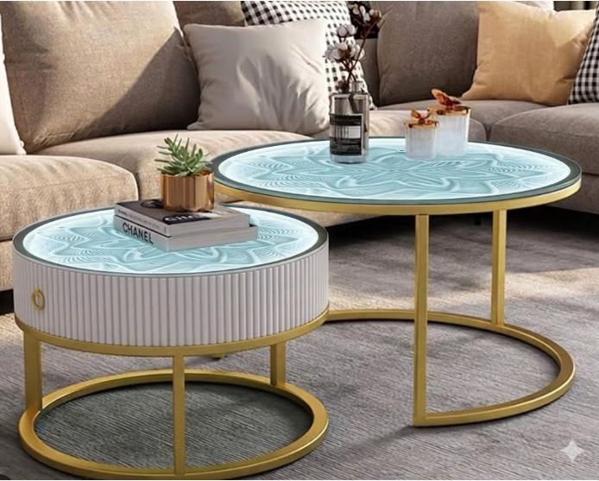 | 2ft SIDE TABLE MODEL Diameter: 2ft / 60cm Design: A sophisticated, high-profile fluted drum with an integrated gold pull-handle for a luxurious touch. Aura Glow: Full-surface LED illumination that highlights every detail of the kinetic sand art. 3ft COFFEE TABLE MODEL Diameter: 3ft / 90cm Design: An expansive, open-frame nesting table designed to pair perfectly with the side table or stand alone as a bold centerpiece. Surface: A massive canvas for high-detail, large-scale geometric patterns. | The Fluted Nesting Kinetic Sand Table Architectural texture meets modern luxury. This set features a striking cream fluted drum and a minimalist glass-top companion, both supported by elegant brushed gold circular frames. Beneath the surface, a silent magnetic sphere weaves intricate patterns in fine sand, illuminated by a calming aqua-blue glow that transforms your living room into a sanctuary of light and motion.

premium
model reference image | TECHNICAL DETAILS & SIZES | description | status | color pattern
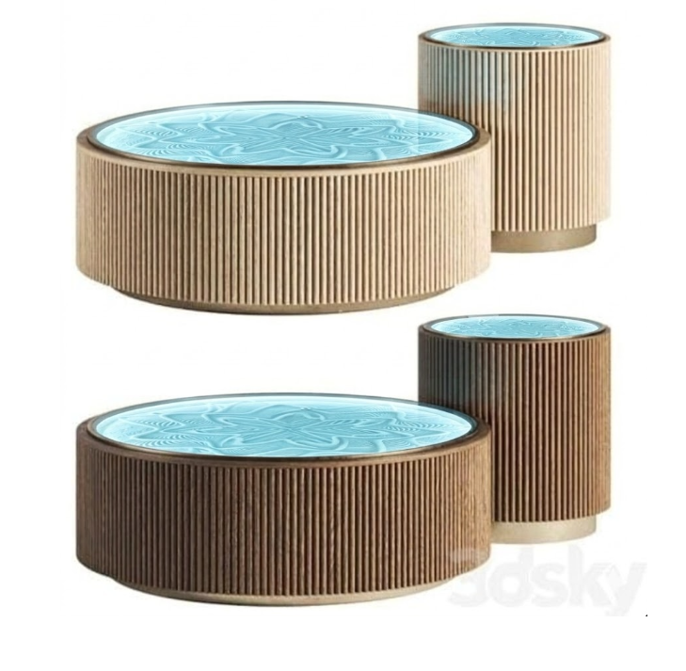 | 2ft SIDE TABLE MODEL Diameter: 24” / 60cm Design: A tall, slender profile perfect for bedside or accent placement. Features: Integrated RGB lighting and fluted wood finish. 3ft COFFEE TABLE MODEL Diameter: 36” / 90cm Design: A low-profile, expansive canvas designed as a living room centerpiece. Features: Large-scale pattern display with edge-to-edge magnetic precision. | A sculptural centerpiece that blends tactile design with hypnotic motion. Featuring a signature fluted wood exterior, this table uses a silent magnetic drive to draw intricate geometric patterns in fine sand. Protected by a tempered glass top and enhanced by customizable LED lighting, it is an ever-changing study in rhythm and texture.
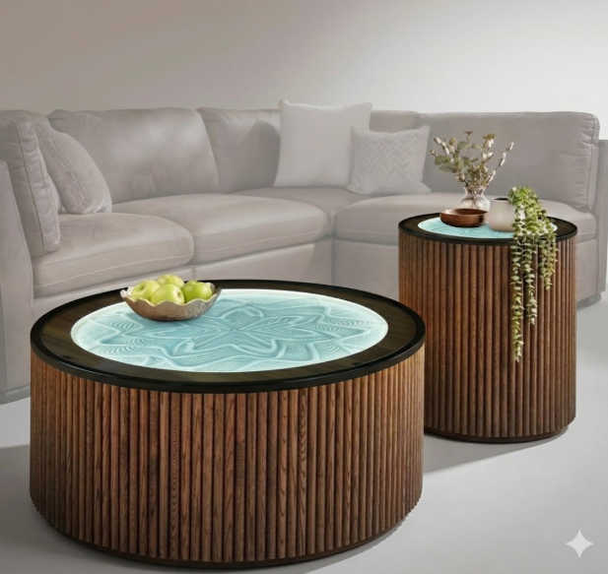 | 2ft SIDE TABLE MODEL Diameter: 24” / 60cm Proportions: A taller, slender profile perfect for bedside or accent placement. Lighting: Integrated RGB LEDs for an ambient, glowing sandbed. 3ft COFFEE TABLE MODEL Diameter: 36” / 90cm Proportions: A grand, low-profile canvas designed as a living room focal point. Motion: Expansive edge-to-edge drawing area for large-scale patterns. | The Fluted Kinetic Sand Table A sculptural centerpiece that blends tactile design with hypnotic motion. Featuring a signature hand-crafted fluted wood exterior, this table uses a silent magnetic drive to draw intricate geometric patterns in fine sand. Protected by a tempered glass top and enhanced by a customizable luminous glow, it is an ever-changing study in rhythm and texture.
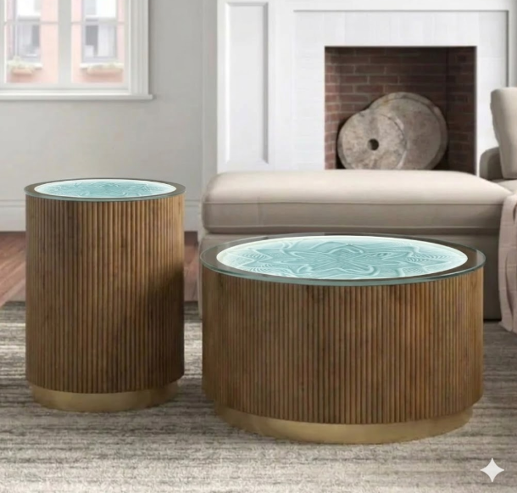 | 2ft SIDE TABLE MODEL Diameter: 24” / 60cm Proportions: A tall, slender profile perfect for bedside or accent placement. Lighting: Integrated RGB LEDs for an ambient, glowing sandbed. 3ft COFFEE TABLE MODEL Diameter: 36” / 90cm Proportions: A bold, low-profile canvas designed as a living room focal point. Motion: Expansive edge-to-edge drawing area for large-scale patterns. | The Fluted Kinetic Sand Table A sculptural centerpiece that blends tactile design with hypnotic motion. Featuring a signature hand-crafted fluted wood exterior, this table uses a silent magnetic drive to draw intricate geometric patterns in fine sand. Protected by a tempered glass top and enhanced by an internal ambient glow, it is an ever-changing study in rhythm and texture.
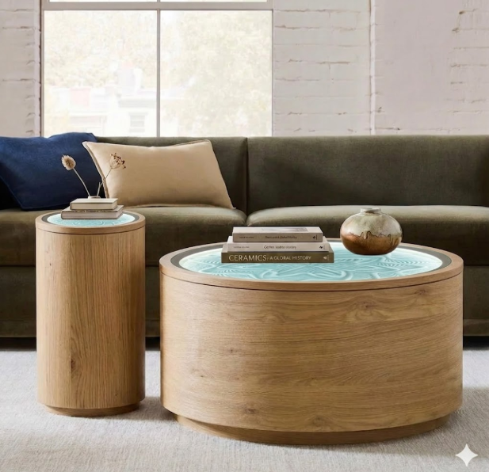 | 2ft SIDE TABLE MODEL Diameter: 24” / 60cm Design: A tall, sleek pedestal form that makes a striking addition to bedside or lounge areas. Aura Glow: Integrated lighting that casts a soft, calming radiance through the sand patterns. 3ft COFFEE TABLE MODEL Diameter: 36” / 90cm Design: A substantial, low-profile drum that serves as an expansive canvas for larger, more intricate patterns. Statement Piece: Engineered to be the quiet, captivating centerpiece of a living room. | The Volume Kinetic Sand Table A minimalist masterpiece that combines solid, bold forms with the ethereal beauty of sand art. Defined by its smooth, drum-like silhouette, this table uses a silent magnetic drive to draw complex geometric patterns beneath a tempered glass top. It’s a functional piece of art that brings a calm, rhythmic presence to any modern interior.
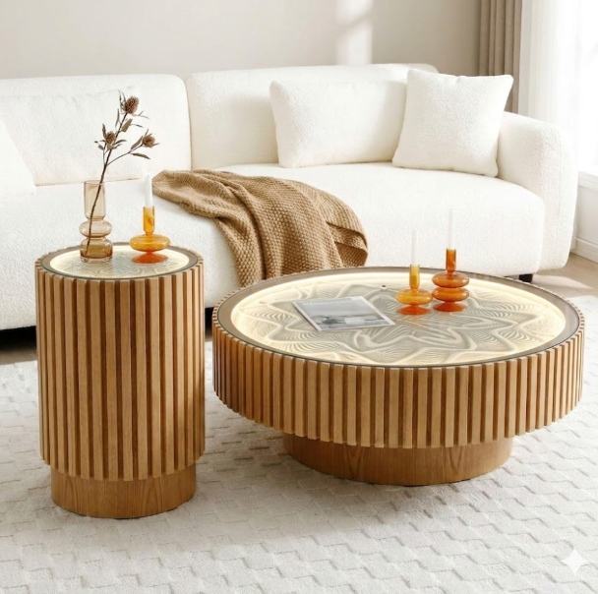 | 2ft SIDE TABLE MODEL Diameter: 2ft / 60cm Design: An elegant, high-profile pedestal form that fits perfectly beside a sofa or bed. Aura Glow: Integrated LED lighting that highlights the depth of every sand ridge. 3ft COFFEE TABLE MODEL Diameter: 3ft / 90cm Design: A grand, expansive canvas with a bold presence, designed to be the focal point of a room. Precision Motion: Optimized for large-scale, complex geometric drawings. | The Fluted Pedestal Kinetic Sand Table A harmonious blend of organic texture and silent motion. This design features a signature vertical fluted wood exterior and a recessed pedestal base, creating a floating, architectural feel. Beneath the tempered glass, a silent magnetic drive draws intricate, ever-changing patterns, transforming your living space into a gallery of light and sand.
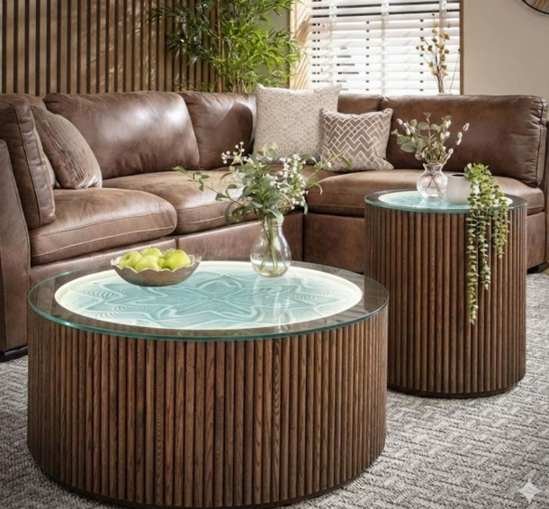 | 2ft SIDE TABLE MODEL Diameter: 2ft / 60cm Design: A tall, slender drum profile perfect for bedside or accent placement. Aura Glow: Integrated LED lighting that highlights the texture and depth of the sand patterns. 3ft COFFEE TABLE MODEL Diameter: 3ft / 90cm Design: A grand, low-profile centerpiece designed to be the focal point of a living room. Precision Motion: Optimized for expansive, large-scale geometric drawings. | The Fluted Drum Kinetic Sand Table A statement of architectural elegance and silent motion. This design features a continuous vertical fluted oak exterior that creates a bold, rhythmic silhouette. Beneath the protective tempered glass, a silent magnetic drive weaves intricate, ever-changing patterns, turning your furniture into a living canvas of light and sand.
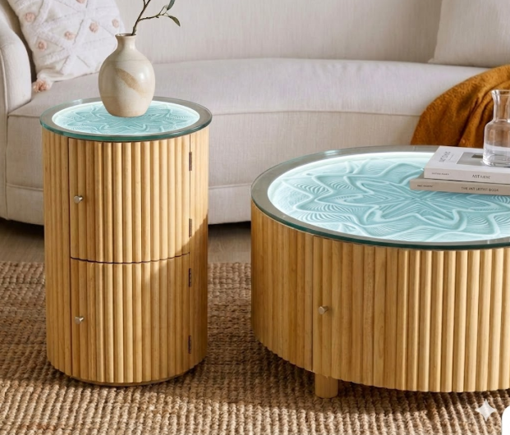 | 2ft SIDE TABLE MODEL Diameter: 2ft / 60cm Design: A tall, slender profile featuring two stacked storage drawers with minimalist metal pulls. Placement: Ideal for bedside or lounge areas where extra storage is needed. 3ft COFFEE TABLE MODEL Diameter: 3ft / 90cm Design: A broad, low-profile drum featuring a large integrated storage drawer. Aura Glow: Expansive canvas with edge-to-edge LED lighting to highlight the sand patterns. | The Fluted Storage Kinetic Sand Table Functional art meets architectural texture. This unique design features a vertical fluted oak exterior with integrated hidden storage compartments. While the surface displays hypnotic, app-controlled sand art under tempered glass, the body provides practical storage, making it a perfect blend of utility and meditation.
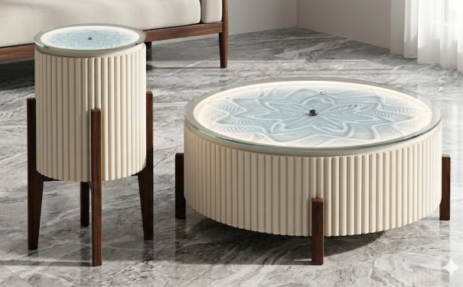 | 2ft SIDE TABLE MODEL Diameter: 2ft / 60cm Design: A tall, slender profile with an elevated tripod base, perfect for bedside or accent placement. Aura Glow: Integrated LED lighting that highlights the depth of every sand ridge. 3ft COFFEE TABLE MODEL Diameter: 3ft / 90cm Design: A grand, low-profile centerpiece with a substantial presence, designed to be the focal point of a living room. Precision Motion: Optimized for expansive, large-scale geometric drawings. | The Fluted Tripod Kinetic Sand Table A sculptural masterpiece that balances modern texture with mid-century elegance. Featuring a signature cream fluted body supported by a warm walnut tripod base, this table uses a silent magnetic drive to draw intricate geometric patterns in fine sand. Protected by a tempered glass top and enhanced by a soft ambient glow, it is an ever-changing study in rhythm and light.

ultra-premium
model reference image | TECHNICAL DETAILS & SIZES | description | status | color pattern
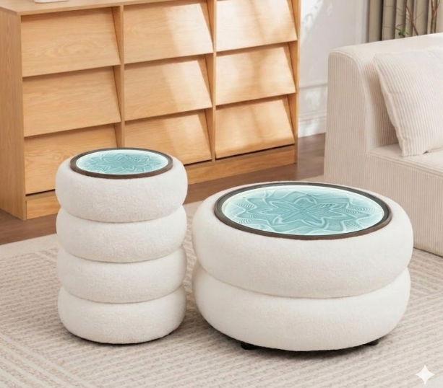 | 2ft SIDE TABLE MODEL Diameter: 2ft / 60cm Design: A taller, four-tier stacked profile that serves as a unique statement piece for bedside or lounge corners. Aura Glow: Integrated LEDs highlight the sand art with a calming, ethereal radiance. 3ft COFFEE TABLE MODEL Diameter: 3ft / 90cm Design: A broad, two-tier low profile designed to be the cozy focal point of your living space. Motion: Large-scale canvas for expansive, mesmerizing geometric drawings. | The Cloud Kinetic Sand Table A soft, playful take on modern meditation. Defined by its signature stacked "cloud" silhouette and upholstered in a premium white bouclé fabric, this table brings a warm, tactile texture to your home. Beneath the tempered glass, a silent magnetic drive weaves intricate patterns in the sand, illuminated by a customizable soft-blue ambient glow.
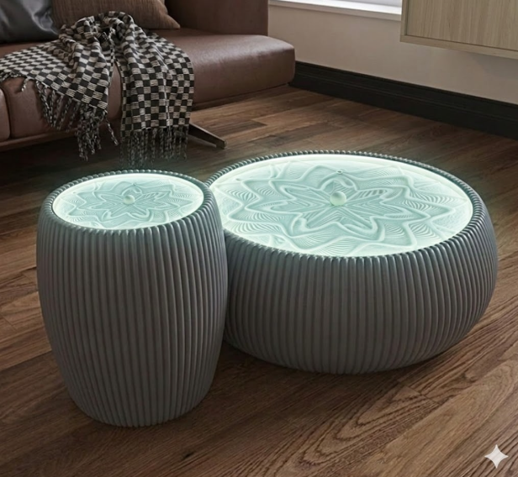 | 2ft SIDE TABLE MODEL Diameter: 2ft / 60cm Design: A tall, drum-shaped profile with a softened silhouette, perfect for bedside or accent placement. Aura Glow: Integrated LED lighting that casts a soft, calming radiance through the sandbed. 3ft COFFEE TABLE MODEL Diameter: 3ft / 90cm Design: A grand, low-profile centerpiece with a substantial presence and an expansive drawing canvas. Motion: Optimized for high-detail, large-scale geometric motion that creates a focal point in any room. | The Fluted Monolith Kinetic Sand Table Sculptural, bold, and hypnotic. This design features a seamless vertical fluted exterior in a contemporary slate-grey finish. The rounded, monolithic forms house a silent magnetic drive that weaves intricate, ever-changing patterns into the sand. Illuminated by a cool ethereal glow under a tempered glass top, this set acts as a living art installation for your modern interior.
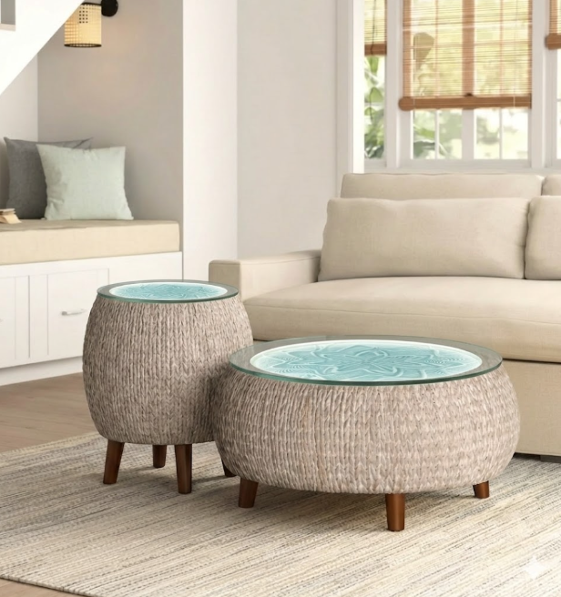 | 2ft SIDE TABLE MODEL Diameter: 2ft / 60cm Design: A tall, barrel-shaped profile with a hand-woven texture and dark wood peg legs. Aura Glow: Integrated LED lighting that creates a soothing, luminous accent for bedside or lounge areas. 3ft COFFEE TABLE MODEL Diameter: 3ft / 90cm Design: A broad, low-profile drum silhouette that serves as a grand centerpiece for your living room. Motion: An expansive canvas for high-detail, large-scale geometric sand art. | The Woven Kinetic Sand Table Set Organic texture meets mesmerizing technology. This design features a unique woven-rope exterior that brings a warm, coastal, or boho-chic feel to your home. Beneath the protective tempered glass, a silent magnetic drive guides a sphere through sand to create ever-changing patterns, illuminated by a calming aqua-blue ambient glow.
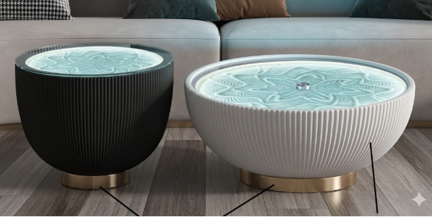 | 2ft SIDE TABLE MODEL Diameter: 2ft / 60cm Design: A deep, dramatic bowl profile in a Midnight Black fluted finish. Aura Glow: High-contrast LED lighting that makes the sand patterns pop against the dark frame. 3ft COFFEE TABLE MODEL Diameter: 3ft / 90cm Design: An expansive, shallow bowl profile in a Nordic White fluted finish. Canvas: A grand surface area designed for large-scale, mesmerizing mandala patterns. | The Fluted Bowl Kinetic Sand Table A stunning study in contrast and sophisticated geometry. This design features a unique tapered bowl silhouette with deep vertical fluting, balanced on a premium brushed gold pedestal base. Beneath the tempered glass, a silent magnetic sphere weaves intricate patterns in fine sand, while an ethereal cool-white glow illuminates every ridge and curve
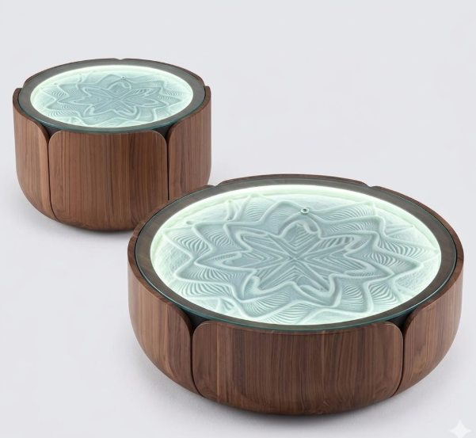 | 2ft SIDE TABLE MODEL Diameter: 2ft / 60cm Design: A compact, high-profile drum with deep "petals," perfect for bedside or cozy reading nooks. Aura Glow: Integrated LED lighting that creates a soothing, luminous accent for intimate spaces. 3ft COFFEE TABLE MODEL Diameter: 3ft / 90cm Design: A broad, low-profile centerpiece designed as a captivating focal point for living rooms. Canvas: An expansive surface area for large-scale, highly detailed meditative patterns. | The Petal Kinetic Sand Table Set Inspired by organic forms, this design features a signature curved petal-panel exterior in a rich walnut finish. The soft, rounded silhouette creates a warm, natural feel that contrasts beautifully with the precision of the sand art within. Beneath the tempered glass, a silent magnetic sphere weaves intricate geometric patterns, illuminated by a calming mint-white ambient glow.
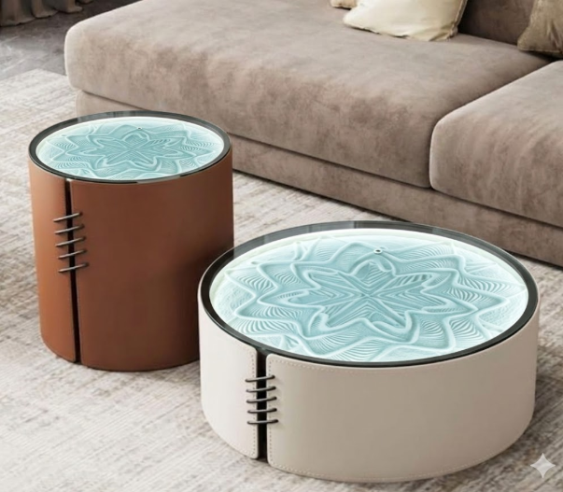 | 2ft SIDE TABLE MODEL Diameter: 2ft / 60cm Design: A tall, slender drum profile in a Rich Cognac leather finish with black stitch detailing. Aura Glow: Integrated LED lighting that highlights the depth of every sand ridge. 3ft COFFEE TABLE MODEL Diameter: 3ft / 90cm Design: A grand, low-profile centerpiece in a Cream Pebble leather finish, designed to be the focal point of a room. Motion: Expansive canvas for high-detail, large-scale geometric sand art. | The Stitched Leather Kinetic Sand Table Set Luxury fashion meets meditative technology. This design features a premium vegan leather-wrapped exterior with a signature stitched corset detail, blending soft tactile textures with modern industrial accents. Beneath the tempered glass, a silent magnetic sphere weaves intricate patterns in fine sand, illuminated by a calming aqua-blue ambient glow.
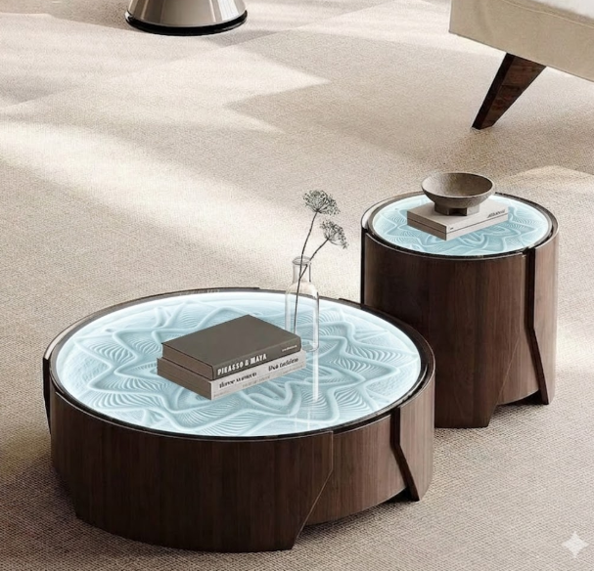 | 2ft SIDE TABLE MODEL Diameter: 2ft / 60cm Design: A high-profile drum with a compact footprint, perfect for bedside or sofa-side placement. Aura Glow: Integrated LED lighting that casts a soft, calming radiance through the sandbed. 3ft COFFEE TABLE MODEL Diameter: 3ft / 90cm Design: A broad, low-profile centerpiece designed as a captivating focal point for living rooms. Motion: An expansive canvas for high-detail, large-scale geometric sand art. | The Sculpted Walnut Kinetic Sand Table A bold fusion of architectural form and meditative motion. This design features a sculpted walnut exterior with deep, angular cutouts that create a dynamic sense of depth. Beneath the tempered glass, a silent magnetic sphere weaves complex, ever-changing patterns, illuminated by a brilliant cool-white halo that transforms the sandbed into a glowing centerpiece.
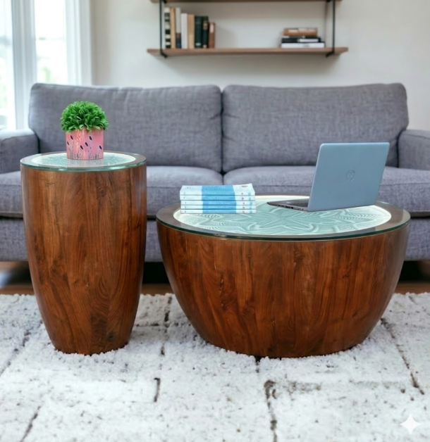 | 2ft SIDE TABLE MODEL Diameter: 2ft / 60cm Design: A tall, tapered pedestal profile with a slim footprint, perfect for bedside or accent placement. Aura Glow: Integrated LED lighting that casts a soothing radiance through the sandbed. 3ft COFFEE TABLE MODEL Diameter: 3ft / 90cm Design: A broad, low-profile bowl silhouette designed to be the captivating centerpiece of your living room. Canvas: An expansive surface area for large-scale, intricate, and meditative sand patterns. | The Solid Walnut Kinetic Sand Table Set Warm, organic, and hypnotic. This set is defined by its sculptural solid wood bodies, featuring a deep, natural grain that brings earthy warmth to any modern interior. Beneath the tempered glass, a silent magnetic drive guides a steel sphere to weave endless geometric patterns, illuminated by a soft, ethereal aqua glow that creates a tranquil, living art piece.

