Sheet1
FileName | similarity measure | Similar Training Image | Test Image
al_08.png | 0.4940708792


ali_26.png | 0.47107694044

ali_26.png | 0.48811243674

ali_26.png | 0.48498102498


al_25_2.png | 0.35812221773

al_25_1.png | 0.44121812108

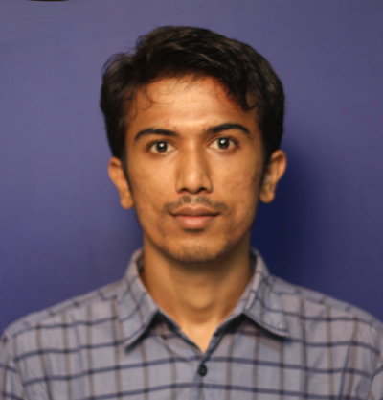

al_38.png | 0.443944444

