Tool Screenshots
GNX PRO – Enterprise QA Pack (Screenshots)
Tool/Page | Purpose | Screenshot
Dashboard | See Tool Guides / QA Checklist | 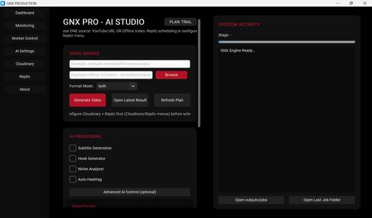
AI Settings | See Tool Guides / QA Checklist | 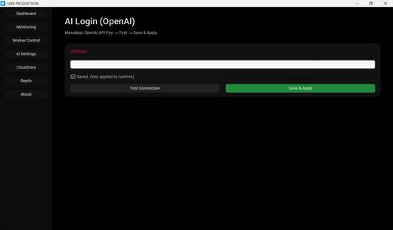
Cloudinary | See Tool Guides / QA Checklist | 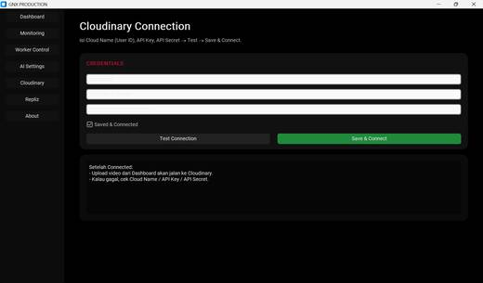
Repliz | See Tool Guides / QA Checklist | 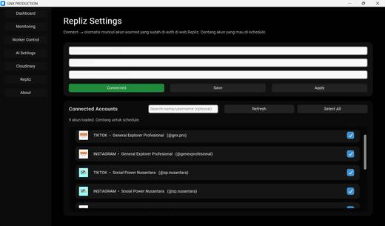
Worker Control | See Tool Guides / QA Checklist | 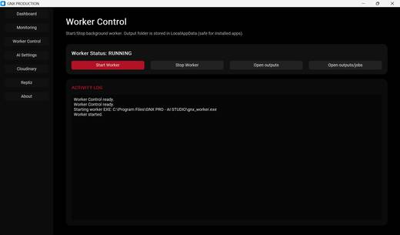
Monitoring | See Tool Guides / QA Checklist | 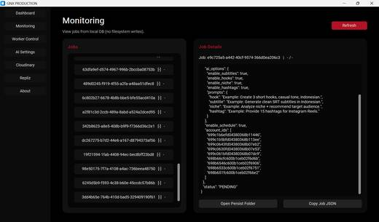
About | See Tool Guides / QA Checklist | 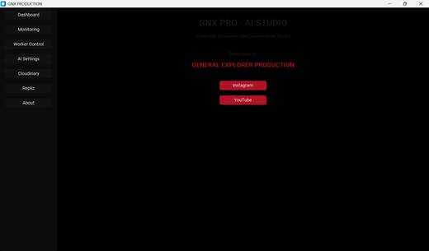
Licensing | See Tool Guides / QA Checklist | 