Sheet1
 |  |  |  | CLARK Y
 |  |  |  | NACA | CLARK Y
 |  |  |  |  | NACA 2414
 |  |  |  |  | SD 7062

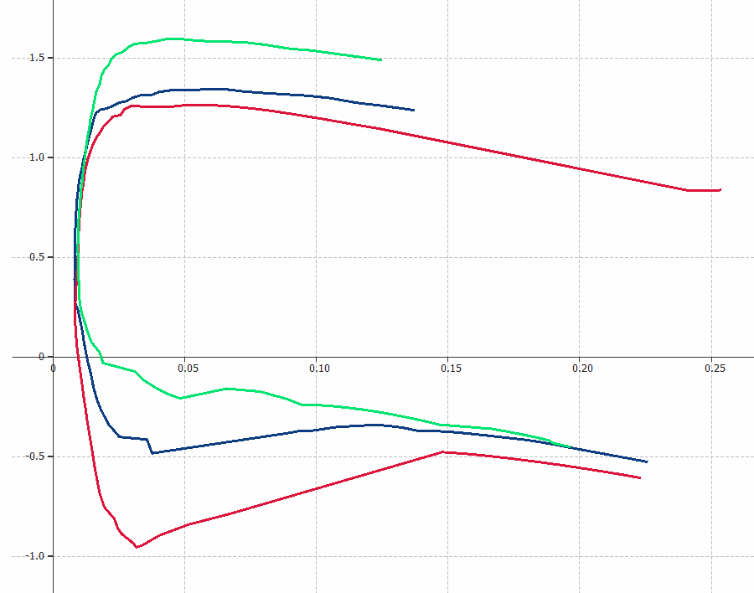

 | Cl

 |  |  | Cd

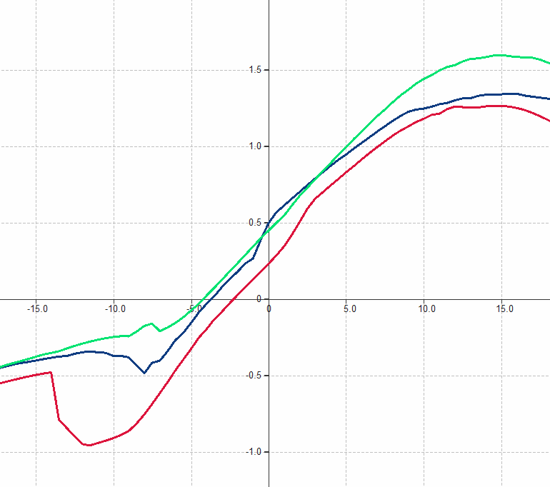

Cl

 |  | α [ ° ]

