Hydrogen
Category | Subcategory | Lower bound |  |  |  |  | Upper bound
 |  | 103 δ2HVSMOW | x(1H) | x(2H) | Atomic weight | Reference | 103 δ2HVSMOW | x(1H) | x(2H) | Atomic weight | Reference
Standard atomic weight |  | -904.5 | 0.9999851 | 0.0000149 | 1.00784 | M. E. Wieser, T. B. Coplen. Pure Appl. Chem. 83, 359 (2011). | 818.9 | 0.9997168 | 0.0002832 | 1.00811 | M. E. Wieser, T. B. Coplen. Pure Appl. Chem. 83, 359 (2011).
VSMOW |  | 0 | 0.9998443 | 0.0001557 | 1.0079817 | R. Gonfiantini. Nature 271, 534 (1978).

Water | Sea water (deep) | -2.5 | 0.9998447 | 0.0001554 | 1.0079814 | A. C. Redfield, I. Friedman. Symposium on Marine Geochemistry: Univ. Rhode Island, Occasional Publication, 3, 149 (1965). | 3.2 | 0.9998438 | 0.0001562 | 1.0079823 | A. C. Redfield, I. Friedman. Symposium on Marine Geochemistry: Univ. Rhode Island, Occasional Publication, 3, 149 (1965).
Water | Other (naturally occurring) | -495 | 0.9999214 | 0.0000787 | 1.0079042 | J. Jouzel, C. Lorius, J. R. Petit, C. Genthon, N. I. Barkov, V. M. Kotlyakov, V. M. Petrov. Nature 329, 403 (1987). | 129 | 0.9998242 | 0.0001758 | 1.0080020 | J.-C. Fontes, R. Gonfiantini. Earth Planet. Sci. Lett. 3, 258 (1967)
Water | Fruit juice and wint | -43 | 0.9998510 | 0.0001490 | 1.0079750 | J. Bricout, L. Merlivat, J. Ch. Fontes. Comptes Rendus 274, 1803 (1973). | 47 | 0.9998369 | 0.0001631 | 1.0079891 | G. J. Martin, C. Guillou, M. L. Martin, M. T. Cabanis, Y. Tep, J. Aerny. J. Agric. Food. Chem. 36, 316 (1988).
Silicates | Pectolite | -429 | 0.9999111 | 0.0000889 | 1.0079145 | D. B. Wenner. Geochim. Cosmochim. Acta 43, 603 (1979). | -281 | 0.9998880 | 0.0001120 | 1.0079377 | D. B. Wenner. Geochim. Cosmochim. Acta 43, 603 (1979).
Silicates | Other | -208 | 0.9998767 | 0.0001234 | 1.0079492 | I. Friedman, J. R. O'Neil. In Handbook of Geochemistry II-1, K.H. Wedepohl (Ed.), Section 1-B Isotopes in Nature, Springer-Verlag, Berlin, Germany, p. 1B1 (1978). | 5 | 0.9998435 | 0.0001565 | 1.0079825 | C. M. Graham, S. M. F. Sheppard. Earth Planet. Sci. Lett. 49, 237 (1980).
Hydroxides | Aluminum and iron | -220 | 0.9998785 | 0.0001215 | 1.0079473 | C. J. Yapp. Climate Change in Continental Isotopic Records, P.K. Swart et al. (Eds.), Geophysical Monograph 78. p. 285, Washington, D.C. , American Geophysical Union (1993). | -8 | 0.9998455 | 0.0001545 | 1.0079805 | C. Bernard. "Composition isotopique des minéraux secondaries des bauxites, Problèmes de genèse", Ph.D. Thesis. University of Paris, Paris (1978). M. I. Bird, A. R. Chivas, A. S. Andrew. Geochim. Cosmochim. Acta 53, 1411 (1989).
Organic hydrogen | Non-marine organisms | -237 | 0.9998812 | 0.0001188 | 1.0079446 | H. Schütze, G. Strauch, K. Wetzel. In Stable Isotopes, Analytical Chemistry Symposia Series, Proceedings of the 4th International Conference, Jülich, H.-L. Schmidt et al. (Eds.), p. 121, Amsterdam, The Netherlands, Elsevier Scientific Publishing Co. (1982). | 66 | 0.9998340 | 0.0001660 | 1.0079921 | L. Sternberg, M. J. DeNiro, H. B. Johnson. Plant Physiol. 74, 557 (1984).
Organic hydrogen | Marine organisms | -166 | 0.9998701 | 0.0001299 | 1.0079557 | W. E. Schiegl, J. C. Vogel. Earth Planet. Sci. Lett. 7, 307 (1970). | -13 | 0.9998463 | 0.0001537 | 1.0079797 | W. E. Schiegl, J. C. Vogel. Earth Planet. Sci. Lett. 7, 307 (1970).
Organic hydrogen | Organic sediments | -103 | 0.9998603 | 0.0001397 | 1.0079656 | W. E. Schiegl. Science 175, 512 (1972). | -59 | 0.9998535 | 0.0001466 | 1.0079725 | R. S. Oremland, M. J. Whiticar, F. E. Strohmaier, R. P. Kiene. Geochim. Cosmochim. Acta 52, 1895 (1988).
Organic hydrogen | Coal | -162 | 0.9998695 | 0.0001305 | 1.0079564 | J. W. Smith, R. J. Pallasser. Am. Assoc. Pet. Geol. Bull. 80, 891 (1996). | -65 | 0.9998544 | 0.0001456 | 1.0079716 | C. Redding. In 4th International Conference on Geochronology, Cosmochronology and Isotope Geology, U.S. Geological Survey Open-File Report 78-701, p. 348 (1978).
Organic hydrogen | Crude oil | -163 | 0.9998696 | 0.0001304 | 1.0079562 | W. E. Schiegl, J. C. Vogel. Earth Planet. Sci. Lett. 7, 307 (1970). | -80 | 0.9998567 | 0.0001433 | 1.0079692 | W. E. Schiegl, J. C. Vogel. Earth Planet. Sci. Lett. 7, 307 (1970).
Organic hydrogen | Ethanol (naturally occurring) | -272 | 0.9998866 | 0.0001134 | 1.0079391 | P. Rauschenbach, H. Simon, W. Stichler, H. Moser. Z. Naturforsch 34, 1 (1979). | -200 | 0.9998754 | 0.0001246 | 1.0079504 | P. Rauschenbach, H. Simon, W. Stichler, H. Moser. Z. Naturforsch 34, 1 (1979).
Organic hydrogen | Reagents (synthetic) | -140 | 0.9998661 | 0.0001339 | 1.0079598 | P. Rauschenbach, H. Simon, W. Stichler, H. Moser. Z. Naturforsch 34, 1 (1979). | 802 | 0.9997194 | 0.0002806 | 1.0081074 | M. Butzenlechner, A. Rossmann, H. L. Schmidt. J. Agric. Food. Chem. 37, 410 (1989).
Methane | Atmospheric | -232 | 0.9998804 | 0.0001196 | 1.0079454 | A. K. Snover, P. D. Quay, W. M. Hao. Global Biogeochem. Cycles 14, 11 (2000). | -71 | 0.9998553 | 0.0001447 | 1.0079706 | M. Wahlen. Annu Rev. Earth. Planet. Sci. 21, 407 (1993).
Methane | Other (naturally occurring) | -531 | 0.9999270 | 0.0000731 | 1.0078985 | R. S. Oremland, L. G. Miller, M. J. Whiticar. Geochim. Cosmochim. Acta 51, 2915 (1987). R. S. Oremland, M. J. Whiticar, F. E. Strohmaier, R. P. Kiene. Geochim. Cosmochim. Acta 52, 1895 (1988). | -133 | 0.9998650 | 0.0001350 | 1.0079609 | M. Schoell. Geochim. Cosmochim. Acta 44, 649 (1980).
Hydrogen Gas | Air | -136 | 0.9998654 | 0.0001346 | 1.0079604 | I. Friedman, T. G. Scholz. J. Geophys. Res. 79, 785 (1974). | 180 | 0.9998162 | 0.0001838 | 1.0080100 | B. Gonsior, I. Friedman, G. Lindenmayr. Tellus 18, 256 (1966).
Hydrogen Gas | Other (naturally occurring) | -836 | 0.9999745 | 0.0000255 | 1.0078507 | R. M. Coveney, E. D. Goebel, E. J. Zeller, G. A. M. Dreschhoff, E. E. Angino. Am. Assoc. Pet. Geol. Bull. 71 (1987). | -250 | 0.9998832 | 0.0001168 | 1.0079426 | I. Friedman, J. R. O'Neil. In Handbook of Geochemistry II-1, K.H. Wedepohl (Ed.), Section 1-B Isotopes in Nature, Springer-Verlag, Berlin, Germany, p. 1B1 (1978).
Hydrogen Gas | Commercial tank gas | -813 | 0.9999709 | 0.0000291 | 1.0078543 | T. B. Coplen, J. A. Hopple, J. K. Böhlke, H. S. Peiser, S. E. Rieder, H. R. Krouse, K. J. R. Rosman, T. Ding, R. D. Vocke, K. Revesz, A. Lamberty, P. D. P. Taylor, P. De Bièvre. U.S. Geological Survey Water-Resources Investigations Report 01-4222 (2002). | -56 | 0.9998530 | 0.0001470 | 1.0079730 | T. B. Coplen, J. A. Hopple, J. K. Böhlke, H. S. Peiser, S. E. Rieder, H. R. Krouse, K. J. R. Rosman, T. Ding, R. D. Vocke, K. Revesz, A. Lamberty, P. D. P. Taylor, P. De Bièvre. U.S. Geological Survey Water-Resources Investigations Report 01-4222 (2002).
Hydrogen Gas | Automobile exhaust and industrial contamination | -690 | 0.9999517 | 0.0000483 | 1.0078736 | B. Gonsior, I. Friedman, G. Lindenmayr. Tellus 18, 256 (1966). | -147 | 0.9998672 | 0.0001329 | 1.0079587 | B. Gonsior, I. Friedman, G. Lindenmayr. Tellus 18, 256 (1966).

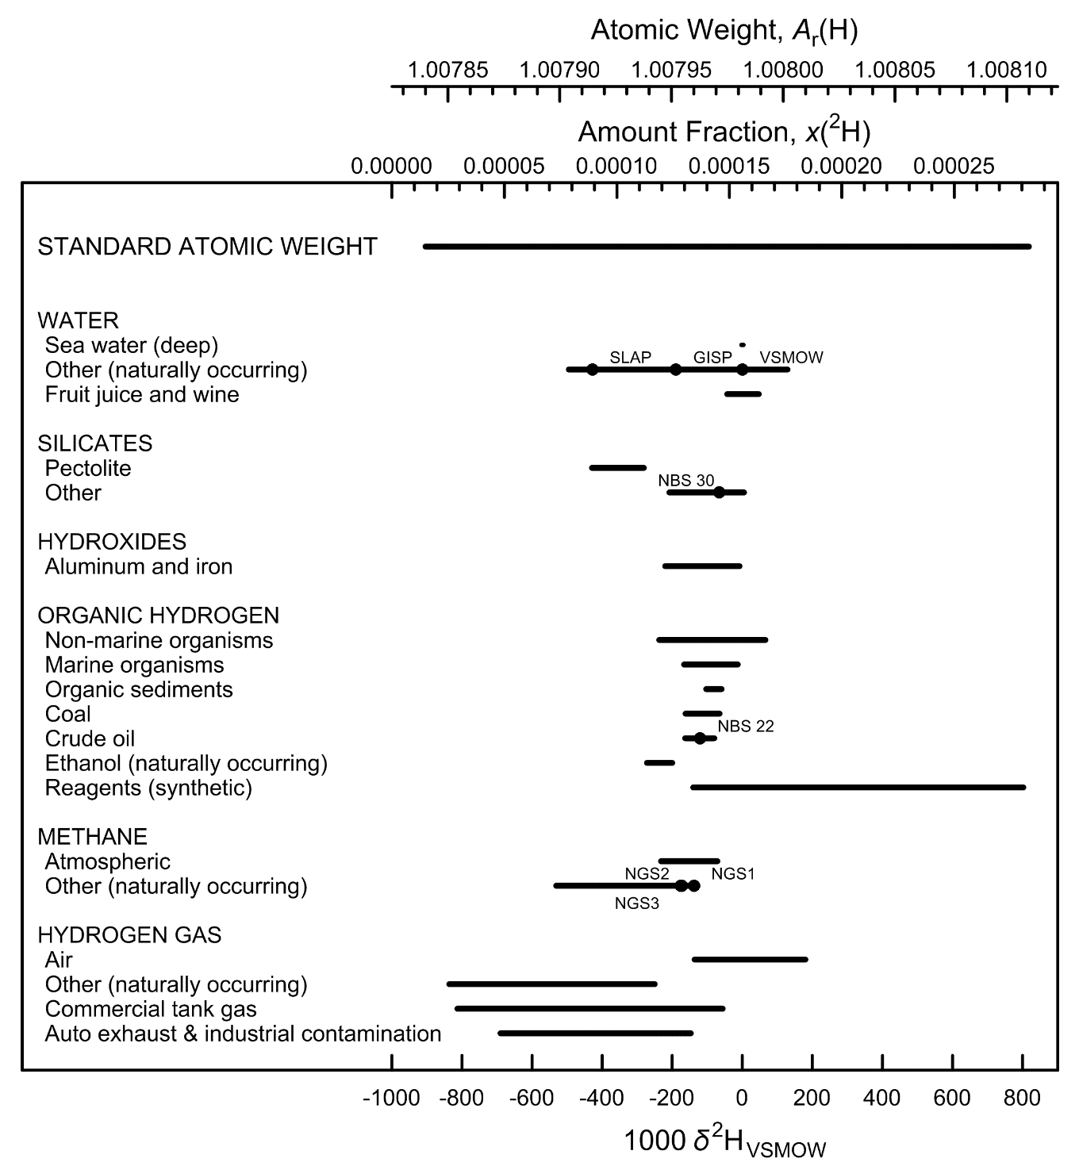

Fig. 1 Variation in isotopic composition and atomic weight of selected hydrogen-bearing
materials (modified from [1,2]). VSMOW is the Vienna Standard Mean Ocean Water–
Standard Light Antarctic Precipitation scale [3]. Isotopic reference materials are
designated by solid black circles. The δ2H scale and the 2H amount-fraction scale were
matched using the data of Hagemann et al. [4]. The expanded uncertainty in matching
the atomic-weight and the 2H amount-fraction scales with the δ2H scale is equivalent
to 0.3 ‰.

References

[1] M.E. Wieser, T. B. Coplen. Pure Appl Chem. 83, 359 (2011).

[2] T. B. Coplen, J. K. Böhlke, P. De Bièvre, T. Ding, N. E. Holden, J. A. Hopple, H. R. Krouse, A. Lamberty, H. S. Peiser, K. M. Révész, S. E. Rieder, K. J. R. Rosman, E. Roth, P. D. P. Taylor, R. D. Vocke Jr., Y. K. Xiao. Pure Appl. Chem. 74, 1987 (2002).

[3] R. Gonfiantini. Nature 271, 534 (1978).

[4] R. Hagemann, G. Nief, E. Roth. Tellus 22, 712 (1970).

Lithium
Category | Subcategory | Lower bound |  |  |  |  | Upper bound
 |  | 103 δ7LiLSVEC | x(6Li) | x(7Li) | Atomic weight | Reference | 103 δ7LiLSVEC | x(6Li) | x(7Li) | Atomic weight | Reference
Standard atomic weight |  | -28.1 | 0.07794 | 0.92206 | 6.938 | M. E. Wieser, T. B. Coplen. Pure Appl. Chem. 83, 359 (2011). | 3244.3 | 0.01899 | 0.98101 | 6.997 | M. E. Wieser, T. B. Coplen. Pure Appl. Chem. 83, 359 (2011).
LSVEC |  | 0 | 0.07591 | 0.92409 | 6.94002

Marine Sources | Sea water | 32.4 | 0.07371 | 0.92629 | 6.94223 | C.-F. You, L.-H. Chan. Geochim. Cosmochim. Acta 60, 909 (1996). | 33.9 | 0.07361 | 0.92639 | 6.94233 | C. Lui-Heung, J. M. Edmond. Geochim. Cosmochim. Acta 52, 1711 (1988).
Marine Sources | Hydrothermal fluids | 2.6 | 0.07573 | 0.92427 | 6.94021 | C. Lui-Heung, J. M. Gieskes, Y. Chen-Feng, J. M. Edmond. Geochim. Cosmochim. Acta 58, 4443 (1994). | 11 | 0.07515 | 0.92485 | 6.94079 | L.-H. Chan, J. M. Edmond, G. Thompson. J. Geophys. Res. 98 (B6), 9653 (1993).
Marine Sources | Foraminifera and carbonic sediments | -10 | 0.07662 | 0.92338 | 6.93931 | J. Hoefs, M. Sywall. Geochim. Cosmochim. Acta 61, 2679 (1997). | 42 | 0.07308 | 0.92692 | 6.94286 | J. Hoefs, M. Sywall. Geochim. Cosmochim. Acta 61, 2679 (1997).
Marine Sources | Brines and pore water | 1 | 0.07584 | 0.92416 | 6.94009 | R. D. Vocke, Jr. , E. S. Beary, R. J. Walker. In V.M. Goldschmidt Conference; programs and abstracts, Geochemical Society, p. 89 (1990). | 56.3 | 0.07216 | 0.92784 | 6.94378 | C.-F. You, L.-H. Chan. Geochim. Cosmochim. Acta 60, 909 (1996).
Non-Marine Sources | Surface Water | 15.5 | 0.07484 | 0.92516 | 6.94110 | L.-H. Chan, J. M. Edmond, G. Thompson, K. Gillis. Earth Planet. Sci. Lett. 108, 151 (1992). | 34.4 | 0.07357 | 0.92643 | 6.94236 | C. Lui-Heung, J. M. Edmond. Geochim. Cosmochim. Acta 52, 1711 (1988).
Non-Marine Sources | Ground and thermal water | -19 | 0.07727 | 0.92273 | 6.93867 | T. B. Coplen, J. A. Hopple, J. K. Böhlke, H. S. Peiser, S. E. Rieder, H. R. Krouse, K. J. R. Rosman, T. Ding, R. D. Vocke, K. Revesz, A. Lamberty, P. D. P. Taylor, P. De Bièvre. U.S. Geological Survey Water-Resources Investigations Report 01-4222 (2002). | 10 | 0.07522 | 0.92478 | 6.94072 | T. B. Coplen, J. A. Hopple, J. K. Böhlke, H. S. Peiser, S. E. Rieder, H. R. Krouse, K. J. R. Rosman, T. Ding, R. D. Vocke, K. Revesz, A. Lamberty, P. D. P. Taylor, P. De Bièvre. U.S. Geological Survey Water-Resources Investigations Report 01-4222 (2002).
Non-Marine Sources | Contaminated ground water | 10 | 0.07522 | 0.92478 | 6.94072 | T. B. Coplen, J. A. Hopple, J. K. Böhlke, H. S. Peiser, S. E. Rieder, H. R. Krouse, K. J. R. Rosman, T. Ding, R. D. Vocke, K. Revesz, A. Lamberty, P. D. P. Taylor, P. De Bièvre. U.S. Geological Survey Water-Resources Investigations Report 01-4222 (2002). | 354 | 0.05720 | 0.94280 | 6.95875 | T. B. Coplen, J. A. Hopple, J. K. Böhlke, H. S. Peiser, S. E. Rieder, H. R. Krouse, K. J. R. Rosman, T. Ding, R. D. Vocke, K. Revesz, A. Lamberty, P. D. P. Taylor, P. De Bièvre. U.S. Geological Survey Water-Resources Investigations Report 01-4222 (2002).
Lithium in rocks | Basalt (unaltered) | 3.4 | 0.07568 | 0.92432 | 6.94026 | L.-H. Chan, J. M. Edmond, G. Thompson, K. Gillis. Earth Planet. Sci. Lett. 108, 151 (1992). | 6.8 | 0.07544 | 0.92456 | 6.94050 | L.-H. Chan, J. M. Edmond, G. Thompson, K. Gillis. Earth Planet. Sci. Lett. 108, 151 (1992).
Lithium in rocks | Basalt (altered) | -2.1 | 0.07606 | 0.92394 | 6.93988 | L.-H. Chan, J. M. Edmond, G. Thompson, K. Gillis. Earth Planet. Sci. Lett. 108, 151 (1992). | 13.5 | 0.07498 | 0.92502 | 6.94096 | L.-H. Chan, C.-F. You, W. P. Leeman. In Geological Society of America, 1995 annual meeting, 1995 annual meeting, p. 38 (1995).
Lithium in rocks | Rhyolite | -3.5 | 0.07616 | 0.92384 | 6.93978 | T. D. Bullen, Y. K. Kharaka. In Proceedings of the 7th International Symposium on Water–Rock Interaction, Y. K. Kharaka, and A.S. Maest (Eds), p. 887 (1992). | -3.5 | 0.07616 | 0.92384 | 6.93978 | T. D. Bullen, Y. K. Kharaka. In Proceedings of the 7th International Symposium on Water–Rock Interaction, Y. K. Kharaka, and A.S. Maest (Eds), p. 887 (1992).
Lithium in rocks | Granite | 0 | 0.07591 | 0.92409 | 6.94002 | T. B. Coplen, J. A. Hopple, J. K. Böhlke, H. S. Peiser, S. E. Rieder, H. R. Krouse, K. J. R. Rosman, T. Ding, R. D. Vocke, K. Revesz, A. Lamberty, P. D. P. Taylor, P. De Bièvre. U.S. Geological Survey Water-Resources Investigations Report 01-4222 (2002). | 11.2 | 0.07514 | 0.92486 | 6.94080 | P. B. Tomascak, S. J. Lynton, R. J. Walker, E. J. Krogstad. In The Origin of Granites and Related Rocks: U.S. Geological Survey Circular, M. Brown, and P.M. Piccoli (Eds.), p. 151 (1995).
Lithium in rocks | Limestone | -3.5 | 0.07616 | 0.92384 | 6.93978 | T. D. Bullen, Y. K. Kharaka. In Proceedings of the 7th International Symposium on Water–Rock Interaction, Y. K. Kharaka, and A.S. Maest (Eds), p. 887 (1992). | 33.5 | 0.07363 | 0.92637 | 6.94230 | J. Hoefs, M. Sywall. Geochim. Cosmochim. Acta 61, 2679 (1997).
Phosphates | LiAlFPO4 (amblygonite) | -13 | 0.07684 | 0.92316 | 6.93910 | A. E. Cameron. J. Am. Chem. Soc. 77, 2731 (1955). | 7.4 | 0.07540 | 0.92460 | 6.94054 | H. J. Svec, A. R. Anderson. Geochim. Cosmochim. Acta 29, 633 (1965).
Silicates | LiAl(SiO3)2 (spodumene) | -12.6 | 0.07681 | 0.92319 | 6.93913 | A. E. Cameron. J. Am. Chem. Soc. 77, 2731 (1955). | 11.8 | 0.07509 | 0.92491 | 6.94084 | T. B. Coplen, J. A. Hopple, J. K. Böhlke, H. S. Peiser, S. E. Rieder, H. R. Krouse, K. J. R. Rosman, T. Ding, R. D. Vocke, K. Revesz, A. Lamberty, P. D. P. Taylor, P. De Bièvre. U.S. Geological Survey Water-Resources Investigations Report 01-4222 (2002).
Silicates | KLiAl2Si3O10 (lepidolite) | -6.6 | 0.07638 | 0.92362 | 6.93956 | A. E. Cameron. J. Am. Chem. Soc. 77, 2731 (1955). | 7.2 | 0.07541 | 0.92459 | 6.94053 | A. E. Cameron. J. Am. Chem. Soc. 77, 2731 (1955).
Reagents | 6Li depleted compounds | 434 | 0.05418 | 0.94582 | 6.96177 | H. P. Qi, T. B. Coplen, Q. Zh. Wang, Y. H. Wang. Anal. Chem. 69, 4076 (1997). | 3013 | 0.02006 | 0.97994 | 6.99593 | H. P. Qi, T. B. Coplen, Q. Zh. Wang, Y. H. Wang. Anal. Chem. 69, 4076 (1997).
Reagents | Other reagents | -11 | 0.07669 | 0.92331 | 6.93924 | H. P. Qi, T. B. Coplen, Q. Zh. Wang, Y. H. Wang. Anal. Chem. 69, 4076 (1997). | 23 | 0.07433 | 0.92567 | 6.94160 | H. P. Qi, T. B. Coplen, Q. Zh. Wang, Y. H. Wang. Anal. Chem. 69, 4076 (1997).

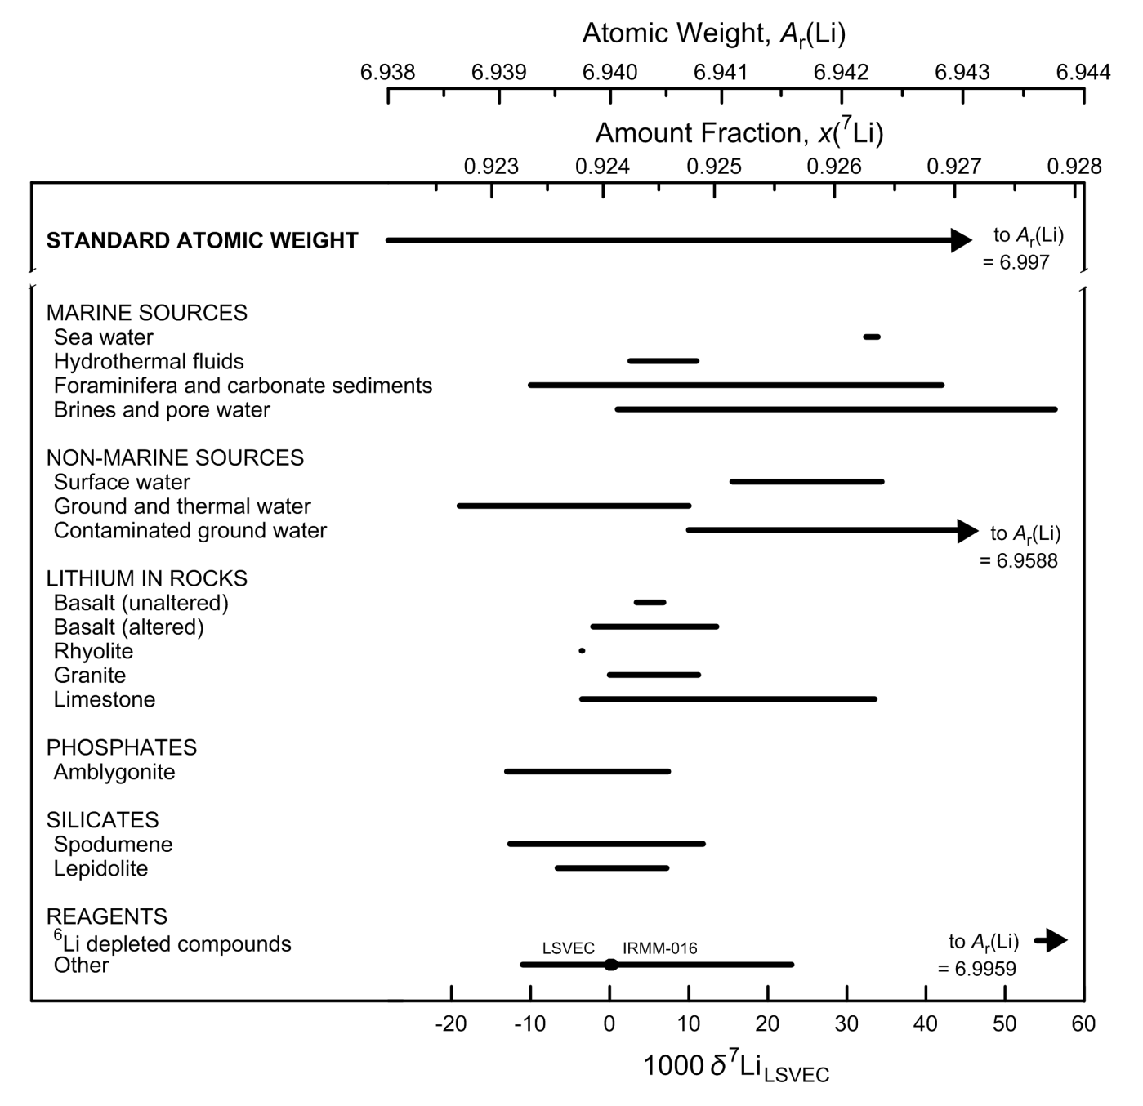

Fig. 2 Variation in isotopic composition and atomic weight of selected lithium-bearing
materials (modified from [1,2]). LSVEC is the lithium carbonate isotopic reference
material [3]. Isotopic reference materials are designated by solid black circles.
The δ7Li scale and the 7Li amount-fraction scale were matched using the data of
Qi et al. [4]. The expanded uncertainty in matching the atomic-weight and 7Li amount-
fraction scales with the δ7Li scale is equivalent to 3 ‰.

References

[1] M.E. Wieser, T. B. Coplen. Pure Appl Chem. 83, 359 (2011).

[2] T. B. Coplen, J. K. Böhlke, P. De Bièvre, T. Ding, N. E. Holden, J. A. Hopple, H. R. Krouse, A. Lamberty, H. S. Peiser, K. M. Révész, S. E. Rieder, K. J. R. Rosman, E. Roth, P. D. P. Taylor, R. D. Vocke Jr., Y. K. Xiao. Pure Appl. Chem. 74, 1987 (2002).

[3] T. B. Coplen, J. A. Hopple, J. K. Böhlke, H. S. Peiser, S. E. Rieder, H. R. Krouse, K. J. R. Rosman, T. Ding, R. D. Vocke, Jr., K. M. Révész, A. Lamberty, P. Taylor, P. De Bièvre. U.S. Geological Survey Water-Resources Investigations Report (WRI). 01-4222 (2002).

[4] H. P. Qi, P. D. P. Taylor, M. Berglund, P. De Bièvre. Int. J. Mass Spectrom. Ion Processes 171, 263 (1997).

Boron
Category | Subcategory | Lower bound |  |  |  |  | Upper bound
 |  | 103 δ11BSRM951 | x(10B) | x(11B) | Atomic weight | Reference | 103 δ11BSRM951 | x(10B) | x(11B) | Atomic weight | Reference
Standard atomic weight |  | -35.3 | 0.20404 | 0.79596 | 10.806 | M. E. Wieser, T. B. Coplen. Pure Appl. Chem. 83, 359 (2011). | 61.3 | 0.18898 | 0.81102 | 10.821 | M. E. Wieser, T. B. Coplen. Pure Appl. Chem. 83, 359 (2011).
SRM 951 |  | 0 | 0.19827 | 0.80173 | 10.81176

Marine Sources | Sea water | 38.4 | 0.19235 | 0.80765 | 10.81766 | A. Vengosh, A. R. Chivas, M. T. Mcculloch, A. Starinsky, Y. Kolodny. Geochim. Cosmochim. Acta 55, 2591 (1991). | 40.4 | 0.19205 | 0.80795 | 10.81795 | M. Nomura, T. Kanzaki, T. Ozawa, M. Okamoto, H. Kakihana. Geochim. Cosmochim. Acta 46, 2403 (1982).
Marine Sources | Evaporated sea water | 36.5 | 0.19263 | 0.80737 | 10.81737 | A. Vengosh, A. R. Chivas, M. T. Mcculloch, A. Starinsky, Y. Kolodny. Geochim. Cosmochim. Acta 55, 2591 (1991). | 58.5 | 0.18939 | 0.81061 | 10.82061 | U. S. Klötzli. Chem. Geol. (Isotope Geosci. Sect.) 101, 111 (1992).
Marine Sources | Hydrothermal fluids | 30 | 0.19361 | 0.80639 | 10.81639 | A. J. Spivack, J. M. Edmond. Geochim. Cosmochim. Acta 51, 1033 (1987). | 36.8 | 0.19259 | 0.80741 | 10.81742 | A. J. Spivack, J. M. Edmond. Geochim. Cosmochim. Acta 51, 1033 (1987).
Marine Sources | Evaporite minerals | 18.2 | 0.19542 | 0.80458 | 10.81460 | G. H. Swihart, P. B. Moore, E. L. Callis. Geochim. Cosmochim. Acta 50, 1297 (1986). | 31.7 | 0.19336 | 0.80664 | 10.81665 | G. H. Swihart, P. B. Moore, E. L. Callis. Geochim. Cosmochim. Acta 50, 1297 (1986).
Marine Sources | Carbonates (skeletal parts and formations) | 4 | 0.19764 | 0.80236 | 10.81239 | A. Vengosh, Y. Kolodny, A. Starinsky, A. R. Chivas, M. T. Mcculloch. Geochim. Cosmochim. Acta 55, 2901 (1991). | 32.2 | 0.19328 | 0.80672 | 10.81673 | A. Vengosh, Y. Kolodny, A. Starinsky, A. R. Chivas, M. T. Mcculloch. Geochim. Cosmochim. Acta 55, 2901 (1991).
Non-marine sources | Rain water | 0.8 | 0.19814 | 0.80186 | 10.81188 | A. J. Spivack. "Boron Isotope Geochemistry", Ph.D. Joint Program in Oceanography. Massachusetts Institute of Technology, Boston (1986). | 35 | 0.19286 | 0.80714 | 10.81715 | A. J. Spivack. "Boron Isotope Geochemistry", Ph.D. Joint Program in Oceanography. Massachusetts Institute of Technology, Boston (1986).
Non-marine sources | Brines, surface and ground waters | -21.3 | 0.20171 | 0.79829 | 10.80832 | S. Tonarini, M. Pennisi, A. Adorni-Braccesi, A. Dini, G. Ferrara, R. Gonfiantini, M. Gröning, M. Wiedenbeck. Geostand. Newslett. 27, 21 (2003). | 59.2 | 0.18929 | 0.81071 | 10.82071 | A. Vengosh, A. R. Chivas, M. T. Mcculloch, A. Starinsky, Y. Kolodny. Geochim. Cosmochim. Acta 55, 2591 (1991).
Non-marine sources | Hydrothermal fluids | -9.3 | 0.19976 | 0.80024 | 10.81027 | M. R. Palmer, N. C. Sturchio. Geochim. Cosmochim. Acta 54, 2811 (1990). | 29.1 | 0.19375 | 0.80625 | 10.81626 | U. S. Klötzli. Chem. Geol. (Isotope Geosci. Sect.) 101, 111 (1992).
Non-marine sources | Evaporite minerals | -31.3 | 0.20337 | 0.79663 | 10.80667 | H. O. Finley, A. R. Eberle, C. J. Rodden. Geochim. Cosmochim. Acta 26, 911 (1962). | 7.3 | 0.19712 | 0.80288 | 10.81290 | E. K. Agyei, C. C. McMullen. Can. J. Earth Sci. 5, 921 (1968).
Igneous rocks |  | -17 | 0.20101 | 0.79899 | 10.80903 | R. B. Trumbull, M. Chaussidon. Chem. Geol. 153, 125 (1999). | -1.7 | 0.19854 | 0.80146 | 10.81149 | A. J. Spivack, J. M. Edmond. Geochim. Cosmochim. Acta 51, 1033 (1987).
Metamorphic rocks |  | -34.2 | 0.20386 | 0.79614 | 10.80619 | G. Wang, Y. K. Xiao. Rock and Mineral Analysis 19, 169 (2000). | 22 | 0.19483 | 0.80517 | 10.81518 | G. H. Swihart, P. B. Moore. Geochim. Cosmochim. Acta 53, 911 (1989).
Sediments |  | -17 | 0.20101 | 0.79899 | 10.80903 | T. Ishikawa, E. Nakamura. Earth Planet. Sci. Lett. 117, 567 (1993). | 26.2 | 0.19419 | 0.80581 | 10.81582 | T. Ishikawa, E. Nakamura. Earth Planet. Sci. Lett. 117, 567 (1993).
Organic boron |  | -12 | 0.20020 | 0.79980 | 10.80984 | M. E. Wieser, S. S. Iyer, H. R. Krouse, M. I. Cantagallo. Appl. Geochem. 16, 317 (2001). | 29.3 | 0.19372 | 0.80628 | 10.81629 | R. A. Vanderpool, P. E. Johnson. J. Agric. Food. Chem. 40, 462 (1992).

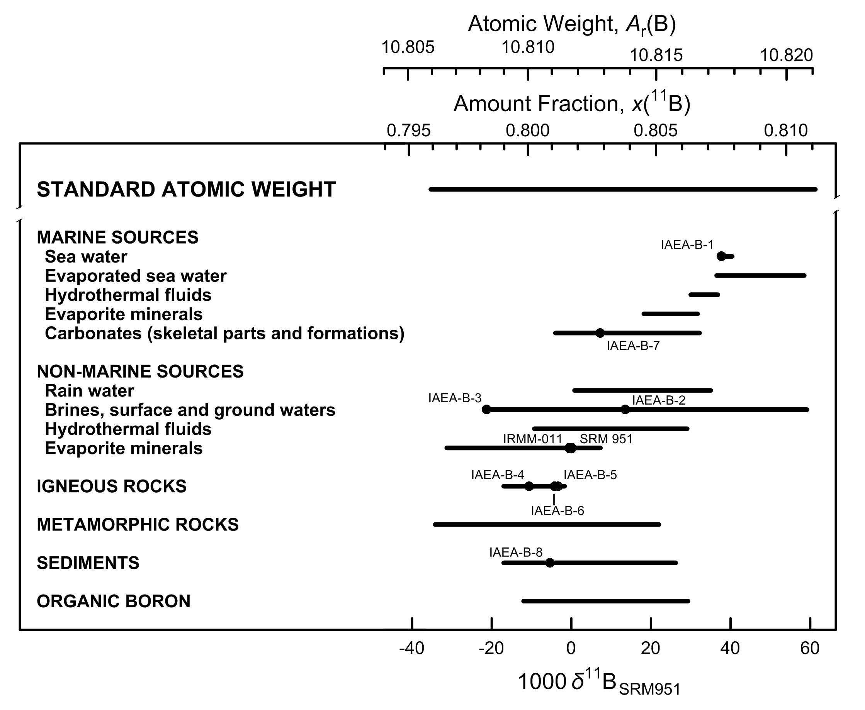

Fig. 3 Variation in isotopic composition and atomic weight of selected boron-bearing
materials (modified from [1, 2]). SRM 951 is a boric acid isotopic reference
material [3]. Isotopic reference materials are designated by solid black circles.
The δ11B scale and 11B amount-fraction scale were matched using the data of
Catanzaro et al. [4]. The expanded uncertainty in matching the atomic-weight and
11B amount-fraction scales with the δ11B scale is equivalent to 0.8 ‰.

References

[1] M.E. Wieser, T. B. Coplen. Pure Appl Chem. 83, 359 (2011).

[2] T. B. Coplen, J. K. Böhlke, P. De Bièvre, T. Ding, N. E. Holden, J. A. Hopple, H. R. Krouse, A. Lamberty, H. S. Peiser, K. M. Révész, S. E. Rieder, K. J. R. Rosman, E. Roth, P. D. P. Taylor, R. D. Vocke Jr., Y. K. Xiao. Pure Appl. Chem. 74, 1987 (2002).

[3] T. B. Coplen, J. A. Hopple, J. K. Böhlke, H. S. Peiser, S. E. Rieder, H. R. Krouse, K. J. R. Rosman, T. Ding, R. D. Vocke, Jr., K. M. Révész, A. Lamberty, P. Taylor, P. De Bièvre. U.S. Geological Survey Water-Resources Investigations Report (WRI). 01-4222 (2002).

[4] E. J. Catanzaro, C. E. Champion, E. L. Garner, G. Marinenko, K. M. Sappenfield, W. R. Shields. NBS Special Publication 260-17, U.S. Printing Office, Washington, D.C. (1970).

Carbon
Category | Subcategory | Lower bound |  |  |  |  | Upper bound
 |  | 103 δ13CVPDB | x(12C) | x(13C) | Atomic weight | Reference | 103 δ13CVPDB | x(12C) | x(13C) | Atomic weight | Reference
Standard atomic weight |  | -135.9 | 0.990432 | 0.009568 | 12.0096 | M. E. Wieser, T. B. Coplen. Pure Appl. Chem. 83, 359 (2011). | 46.2 | 0.988439 | 0.011561 | 12.0116 | M. E. Wieser, T. B. Coplen. Pure Appl. Chem. 83, 359 (2011).
VPDB |  | 0 | 0.988944 | 0.011056 | 12.011093 | T. B. Coplen. Pure Appl. Chem. 66, 273 (1994).
NBS 19 |  | 1.95 | 0.988922 | 0.011078 | 12.011115 | T. B. Coplen. Pure Appl. Chem. 66, 273 (1994).

Carbonate and bicarbonate | Sea water | -0.8 | 0.988952 | 0.011048 | 12.011085 | P. M. Kroopnick. Deep-Sea Res. 32, 57 (1985). | 2.2 | 0.988920 | 0.011080 | 12.011118 | P. M. Kroopnick. Deep-Sea Res. 32, 57 (1985).
Carbonate and bicarbonate | Other water | -37.1 | 0.989349 | 0.010651 | 12.010686 | A. Nissenbaum, B. J. Presley, I. R. Kaplan. Geochim. Cosmochim. Acta 36, 1007 (1972). | 37.5 | 0.988534 | 0.011466 | 12.011505 | G. E. Claypool, C. N. Threlkeld, P. N. Mankeiwicz, M. A. Arthur, T. F. Anderson. In Intial Reports- Deep Sea Drilling Project, v. 84, p. 683 (1985).
Carbonate and bicarbonate | Metamorphic and igneous rock | -11.9 | 0.989074 | 0.010926 | 12.010963 | P. Deines, D. P. Gold. Geochim. Cosmochim. Acta 37, 1709 (1973). | 24.8 | 0.988673 | 0.011327 | 12.011365 | P. Deines. Geochim. Cosmochim. Acta 32, 613 (1968).
Carbonate and bicarbonate | Typical marine carbonate rock | -6 | 0.989009 | 0.010991 | 12.011028 | L. S. Land. In Concepts and Models of Dolomite Formation, D. A. Zenger (Ed.), Society Economic Paleontology Minerology, Special Publications, v. 28, p. 87 (1980). | 6 | 0.988878 | 0.011122 | 12.011159 | L. S. Land. In Concepts and Models of Dolomite Formation, D. A. Zenger (Ed.), Society Economic Paleontology Minerology, Special Publications, v. 28, p. 87 (1980).
Carbonate and bicarbonate | Other carbonate | -64.5 | 0.989649 | 0.010351 | 12.010385 | W. G. Deuser. Earth Planet. Sci. Lett. 8, 118 (1970). | 21.1 | 0.988713 | 0.011287 | 12.011325 | W. G. Deuser. Earth Planet. Sci. Lett. 8, 118 (1970).
Carbon dioxide | Air | -8.2 | 0.989033 | 0.010967 | 12.011004 | C. D. Keeling, S. C. Piper, M. Heimann. In Aspects of climate variability in the Pacific and the Western Americas, D.H. Peterson (Ed.), American Geophysical Union, Washington, D.C., 305 (1989). doi: 10.1029/GM055p0305 | -6.7 | 0.989017 | 0.010983 | 12.011020 | C. D. Keeling. Geochim. Cosmochim. Acta 13, 322 (1958).
Carbon dioxide | Soil gas | -31 | 0.989283 | 0.010717 | 12.010753 | R. Aravena, S. K. Frape, B. J. Moore, E. M. Van Warmerdam, R. J. Drimmie. In Water Resources Management v. 1, p. 31 (1996). | 6.9 | 0.988868 | 0.011132 | 12.011169 | K. Notsu, K. Sugiyama, M. Hosoe, A. Uemura, Y. Shimoike, F. Tsunomori, P. A. Hernandez. In Eleventh Annual VM Goldschmidt Conference. Abstract 3224, LPI Contribution NO. 1088, Lunar and Planetary Institute, Houston (CD-ROM), (2001).
Carbon dioxide | Volcanic gas | -37 | 0.989348 | 0.010652 | 12.010687 | V. M. Valysaev, Y. I. Grinchenko, V. Ye. Yerokhin, V. S. Prokhorov, G. A. Titkov. Lithol. Miner. Resour. 20, 62 (1985). | 23 | 0.988692 | 0.011308 | 12.011346 | V. M. Valysaev, Y. I. Grinchenko, V. Ye. Yerokhin, V. S. Prokhorov, G. A. Titkov. Lithol. Miner. Resour. 20, 62 (1985).
Carbon dioxide | Oil, gas, coal, and landfills | -37.6 | 0.989355 | 0.010645 | 12.010681 | G. J. Wasserburg, E. Mazor, R. H. Zartman. In Earth and Science Meteoritics, J. Geiss and E.D. Goldberg (Eds.), Amsterdamn, The Netherlands, p. 219 (1963). | 28 | 0.988638 | 0.011362 | 12.011401 | M. J. Whiticar, M. Hovland, M. Kastner, J. Sample. In Proceedings of the Ocean Drilling Program, Scientific Results, B. Carson and G. Westbrook (Eds.), v. 146, p. 385 (1995).
Carbon dioxide | Commercial tank gas and reference materials | -54 | 0.989534 | 0.010466 | 12.010501 | T. B. Coplen, J. A. Hopple, J. K. Böhlke, H. S. Peiser, S. E. Rieder, H. R. Krouse, K. J. R. Rosman, T. Ding, R. D. Vocke, Jr., K. M. Révész, A. Lamberty, P. Taylor, P. De Bièvre. U.S. Geological Survey Water-Resources Investigations Report (WRI). 01-4222 (2002). | -28.76 | 0.989258 | 0.010742 | 12.010778 | NIST. Report of Investigation, Reference Materials 8562 - 8564, Gaithersburg, Maryland, National Institute of Standards and Technology.
Oxalates | CaC2O4·xH20 (whewellite) | -31.7 | 0.989290 | 0.010710 | 12.010746 | K. Žák, R. Skála. Chem. Geol. (Isotope Geosci. Sect.) 106, 123 (1993). | 33.7 | 0.988575 | 0.011425 | 12.011463 | B. A. Hofmann, S. M. Bernasconi. Chem. Geol. 149, 127 (1998).
Carbon monoxide | Air (CO) | -31.5 | 0.989288 | 0.010712 | 12.010748 | C. A. Brenninkmeijer. J. Geophys. Res.Atmos. 98, 10595 (1993). | -22 | 0.989184 | 0.010816 | 12.010852 | C. M. Stevens, L. Krout, D. Walling, A. Venters, A. Engelkemeir, L. E. Ross. Earth Planet. Sci. Lett. 16, 147 (1972).
Organic carbon | Land Plants (C3 metabolic process) | -35 | 0.989326 | 0.010674 | 12.010709 | M. H. O'Leary. Biosci. 38, 328 (1988). | -21 | 0.989173 | 0.010827 | 12.010863 | B. N. Smith, B. Turner. Am. J. Bot. 62, 541 (1975).
Organic carbon | Land plants (C4 metabolic process) | -16 | 0.989119 | 0.010881 | 12.010918 | B. N. Smith, B. Turner. Am. J. Bot. 62, 541 (1975). | -9 | 0.989042 | 0.010958 | 12.010995 | B. N. Smith, B. Turner. Am. J. Bot. 62, 541 (1975).
Organic carbon | Land Plants (CAM metabolic process) | -34 | 0.989316 | 0.010684 | 12.010720 | P. Deines. In Handbook of environmental isotope geochemistry, Volume 1, The Terrestrial Environment, A.P. Fritz and J. Ch. Pontes (Eds.), Elsevier Scientific Publishing Co., Amsterdam, The Netherlands, p. 329 (1980). | -10 | 0.989053 | 0.010947 | 12.010984 | M. H. O'Leary. Biosci. 38, 328 (1988).
Organic carbon | Marine Organisms | -74.3 | 0.989757 | 0.010243 | 12.010278 | C. K. Paull, A. J. T. Jull, L. J. Toolin, T. Linick. Nature 317, 709 (1985). | -2 | 0.988965 | 0.011035 | 12.011072 | H. P. Schwarcz. In Handbook of Geochemistry, K.H. Wedepohl (Ed.), The Stable Isotopes of Carbon, Springer-Verlag, Berlin, Germany, Section B-1, p. 6B1 (1969).
Organic carbon | Marine sediments and compounds | -130.3 | 0.990370 | 0.009630 | 12.009662 | M. Elvert, E. Suess, J. Greinert, M. J. Whiticar. Org. Geochem. 31, 1175 (2000). | 7 | 0.988867 | 0.011133 | 12.011170 | P. Deines. In Handbook of environmental isotope geochemistry, Volume 1, The Terrestrial Environment, A.P. Fritz and J. Ch. Pontes (Eds.), Elsevier Scientific Publishing Co., Amsterdam, The Netherlands, p. 329 (1980).
Organic carbon | Coal | -30 | 0.989272 | 0.010728 | 12.010764 | P. Deines. In Handbook of environmental isotope geochemistry, Volume 1, The Terrestrial Environment, A.P. Fritz and J. Ch. Pontes (Eds.), Elsevier Scientific Publishing Co., Amsterdam, The Netherlands, p. 329 (1980). | -19 | 0.989151 | 0.010849 | 12.010885 | P. Deines. In Handbook of environmental isotope geochemistry, Volume 1, The Terrestrial Environment, A.P. Fritz and J. Ch. Pontes (Eds.), Elsevier Scientific Publishing Co., Amsterdam, The Netherlands, p. 329 (1980).
Organic carbon | Crude Oil | -44 | 0.989425 | 0.010575 | 12.010611 | Z. Sofer. Am. Assoc. Pet. Geol. Bull. 68, 31 (1984). | -16.8 | 0.989127 | 0.010873 | 12.010909 | Z. Sofer. Am. Assoc. Pet. Geol. Bull. 68, 31 (1984).
Organic carbon | Ethanol (naturally occurring) | -32 | 0.989294 | 0.010706 | 12.010742 | P. Rauschenbach, H. Simon, W. Stichler, H. Moser. Z. Naturforsch 34, 1 (1979). | -10.3 | 0.989056 | 0.010944 | 12.010980 | P. Rauschenbach, H. Simon, W. Stichler, H. Moser. Z. Naturforsch 34, 1 (1979).
Elemental carbon | Graphite | -41 | 0.989392 | 0.010608 | 12.010643 | P. Deines. In Handbook of environmental isotope geochemistry, Volume 1, The Terrestrial Environment, A.P. Fritz and J. Ch. Pontes (Eds.), Elsevier Scientific Publishing Co., Amsterdam, The Netherlands, p. 329 (1980). | 6.2 | 0.988876 | 0.011124 | 12.011162 | E. D. Ghent, J. R. O'Neil. Can. J. Earth Sci. 22, 324 (1985).
Elemental carbon | Diamonds | -34.4 | 0.989320 | 0.010680 | 12.010716 | E. Galimov. Geochem. Internal. 22, 118 (1985). | 5 | 0.988889 | 0.011111 | 12.011148 | J. Harris. In Mantle xenoliths, P.H. Nixon (Ed.), John Wiley and Sons Ltd., New York, p. 477 (1987).
Ethane | Hydrocarbon gas | -55.6 | 0.989552 | 0.010448 | 12.010483 | G. Hut. Consultants' group meeting on stable isotope reference samples for geochemical and hydrological investigations: IAEA, Vienna 16-18 September 1985: Report to the Director General, International Atomic Energy Agency (1987). | 6.6 | 0.988871 | 0.011129 | 12.011166 | P. Gerling, M. J. Whiticar, E. Faber. Adv. Org. Geochem. 13, 335 (1988).
Methane | Air | -50.6 | 0.989497 | 0.010503 | 12.010538 | D. A. Merritt, J. M. Hayes, D. J. DesMarias. J. Geophys. Res.Atmos. 100, 1317 (1995). | -39 | 0.989370 | 0.010630 | 12.010665 | A. E. Bainbridge, H. E. Suess, I. Friedman. Nature 192, 648 (1961).
Methane | Marine and other sources | -109 | 0.990137 | 0.009863 | 12.009896 | M. J. Whiticar, E. Faber, M. Schoell. Geochim. Cosmochim. Acta 50, 693 (1986). | 12.7 | 0.988805 | 0.011195 | 12.011233 | P. Gerling, M. J. Whiticar, E. Faber. Adv. Org. Geochem. 13, 335 (1988).
Methane | Fresh water sources | -86 | 0.989885 | 0.010115 | 12.010149 | R. S. Oremland, G. M. King. In Microbial Mats: Physiological Ecology of Benthic Microbial Communities, Y. Cohen and E. Rosenberg (Eds.), American Society for Microbiology, Washington, D.C. , p. 180 (1989). | -50 | 0.989491 | 0.010509 | 12.010545 | M. J. Whiticar, E. Faber, M. Schoell. Geochim. Cosmochim. Acta 50, 693 (1986).
Methane | Commercial tank gas | -51 | 0.989502 | 0.010498 | 12.010534 | T. B. Coplen, J. A. Hopple, J. K. Böhlke, H. S. Peiser, S. E. Rieder, H. R. Krouse, K. J. R. Rosman, T. Ding, R. D. Vocke, Jr., K. M. Révész, A. Lamberty, P. Taylor, P. De Bièvre. U.S. Geological Survey Water-Resources Investigations Report (WRI). 01-4222 (2002). | -38 | 0.989359 | 0.010641 | 12.010676 | T. B. Coplen, J. A. Hopple, J. K. Böhlke, H. S. Peiser, S. E. Rieder, H. R. Krouse, K. J. R. Rosman, T. Ding, R. D. Vocke, Jr., K. M. Révész, A. Lamberty, P. Taylor, P. De Bièvre. U.S. Geological Survey Water-Resources Investigations Report (WRI) 01-4222. (2002).

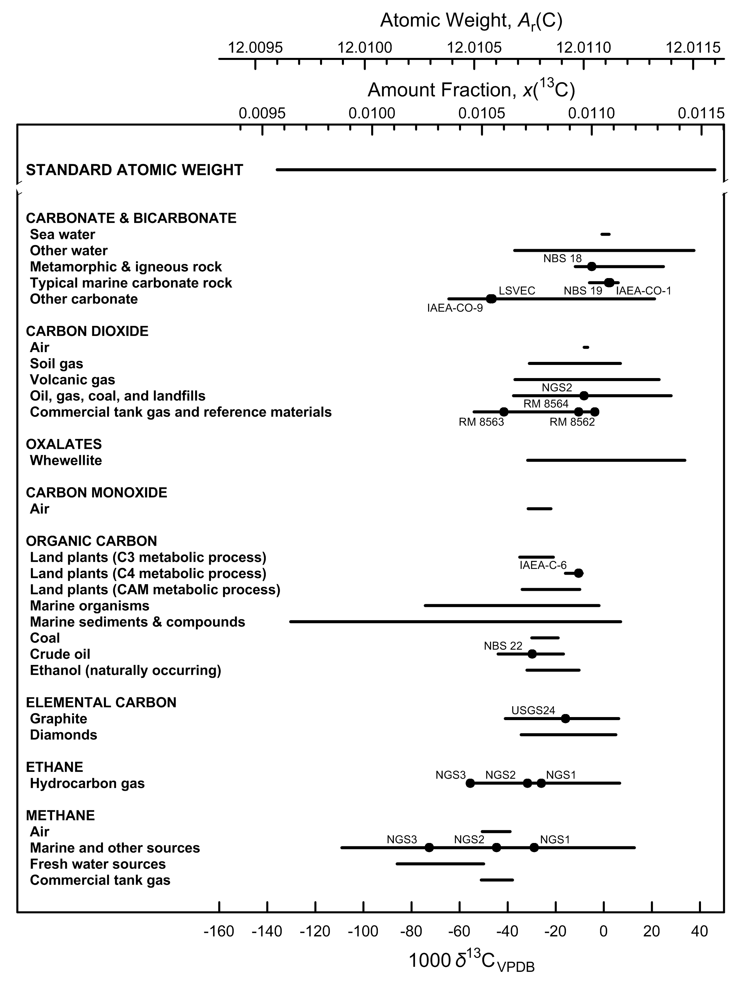

Fig. 4 Variation in isotopic composition and atomic weight of selected carbon-bearing
materials (modified from [1, 2]). VPDB is the Vienna Peedee belemnite–LSVEC isotope
scale [3]. Isotopic reference materials are designated by solid black circles.
The δ13C scale and 13C amount-fraction scale were matched using the data of Chang
and Li [4]. The expanded uncertainty in matching the atomic-weight and 13C amount-
fraction scales with the δ13C scale is equivalent to 2.5 ‰.

References

[1] M.E. Wieser, T. B. Coplen. Pure Appl Chem. 83, 359 (2011).

[2] T. B. Coplen, J. K. Böhlke, P. De Bièvre, T. Ding, N. E. Holden, J. A. Hopple, H. R. Krouse, A. Lamberty, H. S. Peiser, K. M. Révész, S. E. Rieder, K. J. R. Rosman, E. Roth, P. D. P. Taylor, R. D. Vocke Jr., Y. K. Xiao. Pure Appl. Chem. 74, 1987 (2002).

[3] W. A. Brand, T. B. Coplen, J. Vogl, M. Rosner, T. Prohaska. Pure Appl. Chem. 86, 425 (2014).

[4] T. L. Chang, W. Li. Chin. Sci. Bull. 35, 290 (1990).

Nitrogen
Category | Subcategory | Lower bound |  |  |  |  | Upper bound
 |  | 103 δ15NAir (‰) | x(14N) | x(15N) | Atomic weight | Reference | 103 δ15NAir (‰) | x(14N) | x(15N) | Atomic weight | Reference
Standard atomic weight |  | -81.34 | 0.996634 | 0.003366 | 14.00643 | M. E. Wieser, T. B. Coplen. Pure Appl. Chem. 83, 359 (2011). | 152.3 | 0.995781 | 0.004219 | 14.00728 | M. E. Wieser, T. B. Coplen. Pure Appl. Chem. 83, 359 (2011).
N2 in air |  | 0 | 0.996337 | 0.003663 | 14.006726 | A. Mariotti. Nature. 303, 685 (1983).

Nitrate | Air (aerosols and precipitation) | -16 | 0.996395 | 0.003605 | 14.006668 | T. H. E. Heaton. Atmos. Environ. 21, 843 (1987). | 18 | 0.996271 | 0.003729 | 14.006792 | H. Moore. Atmos. Environ. 11, 1239 (1977).
Nitrate | Sea water and estuaries | -6 | 0.996359 | 0.003641 | 14.006704 | N. Ostrom. "Stable isotopic variation in particulate organic matter and dissolved inorganic compounds in a northern fjord: Implications for present and past environments", Ph.D Dissertation. Memorial University of Newfoundland, Newfoundland, Canada (1992). | 20 | 0.996264 | 0.003736 | 14.006799 | A. Mariotti, C. Lancelot, G. Billen. Geochim. Cosmochim. Acta 48, 549 (1984). S. G. Horrigan, J. P. Montoya, J. L. Nevins, J. J. Mccarthy. Estuar. Coast. Shelf Sci. 30, 393 (1990).
Nitrate | Ground water and ice | -7 | 0.996363 | 0.003637 | 14.006701 | A. Mariotti, A. Landreau, B. Simon. Geochim. Cosmochim. Acta 52, 1869 (1988). | 150 | 0.995790 | 0.004210 | 14.007272 | H. D. Freyer, K. Kobel, R. J. Delmas, D. Kley, M. R. Legrand. Tellus B 48, 93 (1996).
Nitrate | Soil extracts | -23 | 0.996421 | 0.003579 | 14.006642 | E. Wada, R. Shibata, T. Torii. Nature 292, 327 (1981). | 46 | 0.996169 | 0.003831 | 14.006894 | C. Kreitler. "Determining the source of nitrate in groundwater by nitrogen isotope studies", Ph.D. Dissertation. University of Texas Austin, Texas, Bureau of Economic Geology Report of Investigations No. 83 (1974).
Nitrate | Desert salt deposits | -5 | 0.996355 | 0.003645 | 14.006708 | J. K. Böhlke, G. E. Ericksen, K. Revesz. Chem. Geol. 136, 135 (1997). | 15 | 0.996282 | 0.003718 | 14.006781 | J. N. Densmore, J. K. Böhlke. In Interdisciplinary Perspectives on Drinking Water Risk Assessment and Management, E.G. Reichard, F.S. Hauchman, and A.M. Sancha (Eds.), International Association of Hydrological Sciences Publication 260, p. 63 (2000).
Nitrate | Synthetic reagents and fertilizers | -23 | 0.996421 | 0.003579 | 14.006642 | H. D. Freyer, A. I. M. Aly. J. Environ. Qual. 3, 405 (1974). | 15 | 0.996282 | 0.003718 | 14.006781 | G. B. Shearer, D. H. Kohl, B. Commoner. Soil Science 118, 308 (1974).
Nitrite | Ground waters | -30 | 0.996446 | 0.003554 | 14.006617 | J. K. Böhlke, R. L. Smith, K. M. Revesz, T. Yoshinari. Trans. Am. Geophys. Union 81, S186 (2000). | 55 | 0.996136 | 0.003864 | 14.006926 | J. K. Böhlke, R. L. Smith, K. M. Revesz, T. Yoshinari. Trans. Am. Geophys. Union 81, S186 (2000).
Nitrite | Synthetic reagents | -80 | 0.996629 | 0.003371 | 14.006435 | T. B. Coplen, J. A. Hopple, J. K. Böhlke, H. S. Peiser, S. E. Rieder, H. R. Krouse, K. J. R. Rosman, T. Ding, R. D. Vocke, Jr., K. M. Révész, A. Lamberty, P. Taylor, P. De Bièvre. U.S. Geological Survey Water-Resources Investigations Report (WRI). 01-4222 (2002). | 4 | 0.996322 | 0.003678 | 14.006741 | T. B. Coplen, J. A. Hopple, J. K. Böhlke, H. S. Peiser, S. E. Rieder, H. R. Krouse, K. J. R. Rosman, T. Ding, R. D. Vocke, Jr., K. M. Révész, A. Lamberty, P. Taylor, P. De Bièvre. U.S. Geological Survey Water-Resources Investigations Report (WRI). 01-4222 (2002).
Nitrogen oxide gases | N2O in air (troposphere) | 0 | 0.996337 | 0.003663 | 14.006726 | H. Moore. Tellus 26B, 169 (1974). | 10 | 0.996301 | 0.003699 | 14.006763 | N. Yoshida, S. Matsuo. Geochem. J. 17, 231 (1983).
Nitrogen oxide gases | N2O in sea water | 3 | 0.996326 | 0.003674 | 14.006737 | N. Yoshida, S. Matsuo. Geochem. J. 17, 231 (1983). | 38 | 0.996198 | 0.003802 | 14.006864 | T. Yoshinari, M. A. Altabet, S. W. A. Naqvi, L. Codispoti, A. Jayakumar, M. Kuhland, A. Devol. Mar. Chem. 56, 253 (1997).
Nitrogen oxide gases | N2O in ground water | -55 | 0.996538 | 0.003462 | 14.006526 | J. K. Böhlke, R. L. Smith, K. M. Revesz, T. Yoshinari. Trans. Am. Geophys. Union 81, S186 (2000). | 53 | 0.996144 | 0.003856 | 14.006919 | J. K. Böhlke, R. L. Smith, K. M. Revesz, T. Yoshinari. Trans. Am. Geophys. Union 81, S186 (2000).
Nitrogen oxide gases | NOx in air | -15 | 0.996392 | 0.003608 | 14.006672 | H. Moore. Atmos. Environ. 11, 1239 (1977). | 5 | 0.996319 | 0.003681 | 14.006744 | T. H. E. Heaton. Atmos. Environ. 21, 843 (1987).
Nitrogen oxide gases | NOx from nitric acid plant | -150 | 0.996885 | 0.003115 | 14.006180 | T. H. E. Heaton. Atmos. Environ. 21, 843 (1987).
Nitrogen gas | Air | 0 | 0.996337 | 0.003663 | 14.006726 | A. Mariotti. Nature 303, 685 (1983). | 0 | 0.996337 | 0.003663 | 14.006726 | A. Mariotti. Nature 303, 685 (1983).
Nitrogen gas | Ground waters | -3 | 0.996348 | 0.003652 | 14.006715 | J. C. Vogel, A. S. Talma, T. H. E. Heaton. J. Hydrol. 50, 191 (1981). | 5 | 0.996319 | 0.003681 | 14.006744 | R. L. Smith, B. L. Howes, J. H. Duff. Geochim. Cosmochim. Acta 55, 1815 (1991).
Nitrogen gas | Volcanic gases and hot springs | -10 | 0.996373 | 0.003627 | 14.006690 | B. Marty, E. Gunnlaugsson, A. Jambon, N. Oskarsson, M. Ozima, F. Pineau, P. Torssander. Chem. Geol. 91, 207 (1991). | 16 | 0.996279 | 0.003721 | 14.006784 | P. Allard. In Forecasting Volcanic Events, Developments in Volcanology H. Tazieff and J.-C. Sabroux (Eds.), Elsevier, New York, v. 1, p. 337 (1983).
Nitrogen gas | Sedimentary basins | -49 | 0.996516 | 0.003484 | 14.006548 | L. Stroud, T. O. Meyer, D. E. Emerson. U.S. Department of the Interior, Bureau of Mines, Report of Investigation 6936 (1967). | 46 | 0.996169 | 0.003831 | 14.006894 | V. R. Eichmann, A. Plate, W. Behrens, H. Kroepelin. Erdoel Kohle 24, 2 (1971).
Nitrogen gas | Commercial tank gas | -5 | 0.996355 | 0.003645 | 14.006708 | G. B. Shearer, J. O. Legg. Soi. Sci. Soc. Am. Proc. 39, 896 (1975). | 3 | 0.996326 | 0.003674 | 14.006737 | M. Zschiesche. "Entwicklung proben chemischen Verfahren zur Bestimmung der isotopen Zusammensetzung des N aus Gasen, Gesteinen, und N-Lieferanten für bakteriologische Modelluntersuchungen", Ph.D. Dissertation. Karl-Marx-Universitat, Leipzig, Germany (1972).
Organic nitrogen | Plants and animals | -49 | 0.996516 | 0.003484 | 14.006548 | E. Wada, R. Shibata, T. Torii. Nature 292, 327 (1981). | 31 | 0.996224 | 0.003776 | 14.006839 | E. Wada, R. Shibata, T. Torii. Nature 292, 327 (1981).
Organic nitrogen | Marine particulate organic matter | -3 | 0.996348 | 0.003652 | 14.006715 | M. A. Altabet, J. J. McCarthy. Deep Sea Res. Part A. Ocean. Res. Papers 32, 755 (1985). | 46 | 0.996169 | 0.003831 | 14.006894 | M. A. Altabet, J. J. McCarthy. Deep Sea Res. Part A. Ocean. Res. Papers 32, 755 (1985).
Organic nitrogen | Bituminuous sediments, peat, and coal | -3 | 0.996348 | 0.003652 | 14.006715 | T. Hoering. Science 122, 1233 (1955). | 13 | 0.996290 | 0.003710 | 14.006773 | D. Rigby, B. D. Batts. Chem. Geol. 58, 273 (1986).
Organic nitrogen | Crude Oil | 1 | 0.996333 | 0.003667 | 14.006730 | T. C. Hoering, H. E. Moore. Geochim. Cosmochim. Acta 13, 225 (1958). | 7 | 0.996311 | 0.003689 | 14.006752 | V. R. Eichmann, A. Plate, W. Behrens, H. Kroepelin. Erdoel Kohle 24, 2 (1971). T. C. Hoering, H. E. Moore. Geochim. Cosmochim. Acta 13, 225 (1958).
Organic nitrogen | Soils | -29 | 0.996443 | 0.003557 | 14.006621 | E. Wada, R. Shibata, T. Torii. Nature 292, 327 (1981). | 38 | 0.996198 | 0.003802 | 14.006864 | H. Mizutani, H. Hasegawa, E. Wada. Biogeochemistry 2, 221 (1986).
Organic nitrogen | Synthetic reagents and fertilizers | -3 | 0.996348 | 0.003652 | 14.006715 | G. B. Shearer, D. H. Kohl, B. Commoner. Soil Science 118, 308 (1974). | 6 | 0.996315 | 0.003685 | 14.006748 | G. B. Shearer, D. H. Kohl, B. Commoner. Soil Science 118, 308 (1974).
Organic nitrogen | Biological fertilizers | 3 | 0.996326 | 0.003674 | 14.006737 | G. B. Shearer, D. H. Kohl, B. Commoner. Soil Science 118, 308 (1974). | 15 | 0.996282 | 0.003718 | 14.006781 | G. B. Shearer, D. H. Kohl, B. Commoner. Soil Science 118, 308 (1974).
Nitrogen in rocks | Metamorphic rocks | 1 | 0.996333 | 0.003667 | 14.006730 | G. E. Bebout, M. L. Fogel. Geochim. Cosmochim. Acta 56, 2839 (1992). | 17 | 0.996275 | 0.003725 | 14.006788 | D. Haendel, K. Muhle, H.-M. Nitzsche, G. Stiehl, U. Wand. Geochim. Cosmochim. Acta 50, 749 (1986).
Nitrogen in rocks | Igneous rocks | -36 | 0.996468 | 0.003532 | 14.006595 | D. P. Mattey, L. P. Carr, R. H. Carr, I. P. Wright, C. T. Pillinger. In The Early Earth: The Interval from Accretion to the Older Archean, Lunar and Planetary Institute Technical Report, v. 85-01, p. 59 (1985). | 31 | 0.996224 | 0.003776 | 14.006839 | K. Mayne. Geochim. Cosmochim. Acta 12, 185 (1957).
Nitrogen in rocks | Diamonds | -37 | 0.996472 | 0.003528 | 14.006591 | D. P. Mattey, L. P. Carr, R. H. Carr, I. P. Wright, C. T. Pillinger. In The Early Earth: The Interval from Accretion to the Older Archean, Lunar and Planetary Institute Technical Report, v. 85-01, p. 59 (1985). | 14 | 0.996286 | 0.003714 | 14.006777 | D. P. Mattey, L. P. Carr, R. H. Carr, I. P. Wright, C. T. Pillinger. In The Early Earth: The Interval from Accretion to the Older Archean, Lunar and Planetary Institute Technical Report, v. 85-01, p. 59 (1985).
Ammonium | Air (ammonia gas) | -15 | 0.996392 | 0.003608 | 14.006672 | T. H. E. Heaton. Atmos. Environ. 21, 843 (1987). | 28 | 0.996235 | 0.003765 | 14.006828 | H. Moore. Atmos. Environ. 11, 1239 (1977).
Ammonium | Air (aerosols and precipitation) | -14 | 0.996388 | 0.003612 | 14.006675 | H. D. Freyer. Tellus A 30, 83 (1978). | 14 | 0.996286 | 0.003714 | 14.006777 | L. J. Moore, L. A. Machlan, W. R. Shields, E. L. Garner. Anal. Chem. 46, 1082 (1974).
Ammonium | Sea water and estuaries | 2 | 0.996330 | 0.003670 | 14.006733 | D. J. Velinsky, M. L. Fogel, J. F. Todd, B. M. Tebo. Geophys. Res. Lett. 18, 649 (1991). | 42 | 0.996184 | 0.003816 | 14.006879 | D. J. Velinsky, J. R. Pennock, J. H. Sharp, L. A. Cifuentes, M. L. Fogel. Mar. Chem. 26, 351 (1989).
Ammonium | Soil extracts | -7 | 0.996363 | 0.003637 | 14.006701 | H. D. Freyer. Pure Appl. Geophy. 116, 393 (1978). | 50 | 0.996155 | 0.003845 | 14.006908 | H. Mizutani, H. Hasegawa, E. Wada. Biogeochemistry 2, 221 (1986).
Ammonium | Volcanic gas condensates | -31 | 0.996450 | 0.003550 | 14.006613 | V. F. Volynets, I. K. Zadorozhny, K. P. Florensky. Geokhimiya 5, 587 (1967). | 13 | 0.996290 | 0.003710 | 14.006773 | T. Hoering. Science 122, 1233 (1955). V. F. Volynets, I. K. Zadorozhny, K. P. Florensky. Geokhimiya 5, 587 (1967).
Ammonium | Synthetic reagents and fertilizers | -5 | 0.996355 | 0.003645 | 14.006708 | G. B. Shearer, D. H. Kohl, B. Commoner. Soil Science 118, 308 (1974). | 11 | 0.996297 | 0.003703 | 14.006766 | M. Drechsler. "Entwicklung einer probenchemischen Methode zur Präzisionsisotopenanalyse am Stickstoff biogener Sedimente: Aussagen der Stickstoffisotopenvariationen zur Genese des Stickstoffs in Erdgasen", Ph.D. Dissertation. AdW der DDR, Leipzig, Germany (1976).

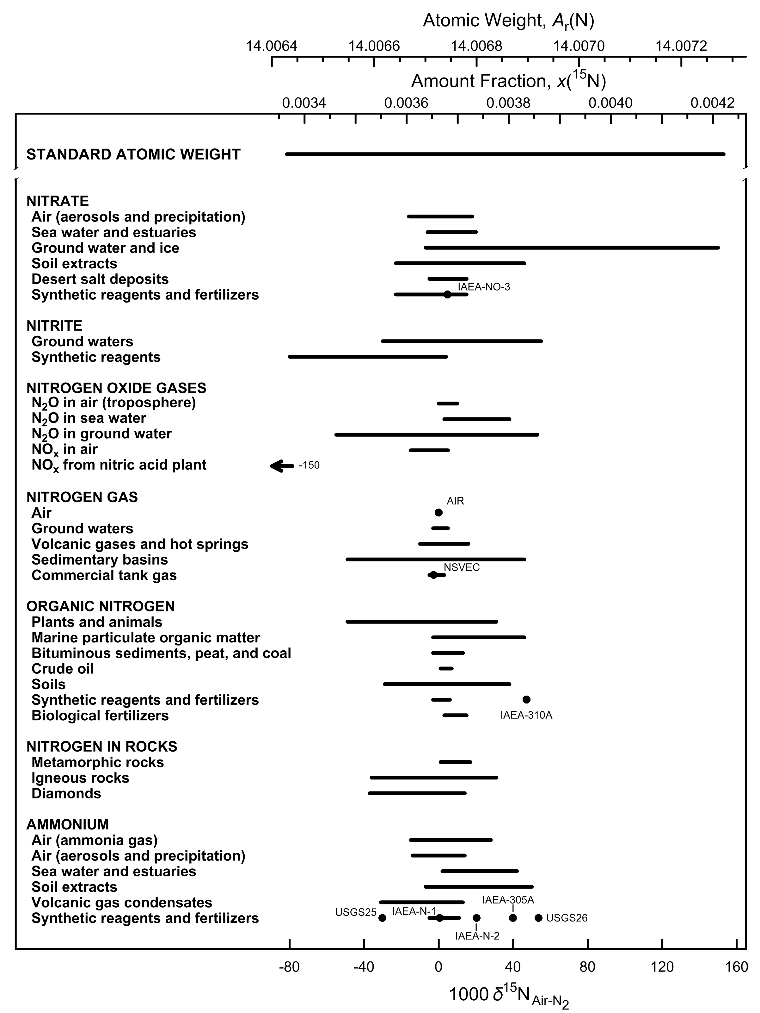

Fig. 5 Variation in isotopic composition and atomic weight of selected nitrogen-bearing
materials (modified from [1, 2]). Isotopic reference materials are designated by
solid black circles. The δ15N scale and 15N amount-fraction scale were matched using
the data of Junk and Svec [3]. The expanded uncertainty in the atomic-weight and
15N amount-fraction scales with the δ15N scale is equivalent to 1.1 ‰. The δ15N
value of -150 ‰ for NOx from a nitric acid plant is for a commercially available material
that has been subjected to inadvertent isotopic fractionation [4] (footnote m of the
Table of Standard Atomic Weights 2013 [5]); thus, it is not included in the atomic-
weight interval.

References

[1] M.E. Wieser, T. B. Coplen. Pure Appl Chem. 83, 359 (2011).

[2] T. B. Coplen, J. K. Böhlke, P. De Bièvre, T. Ding, N. E. Holden, J. A. Hopple, H. R. Krouse, A. Lamberty, H. S. Peiser, K. M. Révész, S. E. Rieder, K. J. R. Rosman, E. Roth, P. D. P. Taylor, R. D. Vocke Jr., Y. K. Xiao. Pure Appl. Chem. 74, 1987 (2002).

[3] G. Junk, H. J. Svec. Geochim. Cosmochim. Acta 14, 234 (1958).

[4] T. B. Coplen, J. A. Hopple, J. K. Böhlke, H. S. Peiser, S. E. Rieder, H. R. Krouse, K. J. R. Rosman, T. Ding, R. D. Vocke, Jr., K. M. Révész, A. Lamberty, P. Taylor, P. De Bièvre. U.S. Geological Survey Water-Resources Investigations Report (WRI). 01-4222 (2002).

[5] M. E. Wieser, N. Holden, T. B. Coplen, J. K. Böhlke, M. Berglund, W. A. Brand, P. De Bièvre, M. Gröning, R. D. Loss, J. Meija, T. Hirata, T. Prohaska, R. Schoenberg, G. O’Connor, T. Walczyk, S. Yoneda, X.-K. Zhu. Pure Appl. Chem. 85, 1047 (2013).

Oxygen
Category | Subcategory | Lower bound |  |  |  |  |  | Upper bound
 |  | 103 δ18OVSMOW | x(16O) | x(17O) | x(18O) | Atomic weight | Reference | 103 δ18OVSMOW | x(16O) | x(17O) | x(18O) | Atomic weight | Reference
Standard atomic weight |  | -65.5 | 0.9977646 | 0.0003657 | 0.0018696 | 15.9990291 | M. E. Wieser, T. B. Coplen. Pure Appl. Chem. 83, 359 (2011). | 111.3 | 0.9973781 | 0.0003994 | 0.0022225 | 15.99977 | M. E. Wieser, T. B. Coplen. Pure Appl. Chem. 83, 359 (2011).
VSMOW |  | 0 | 0.9976206 | 0.0003790 | 0.0020004 | 15.9993045 | R. Gonfiantini. Nature 271, 534 (1978).

Oxygen gas | Air | 23.8 | 0.9975686 | 0.0003835 | 0.0020479 | 15.9994042 | P. Kroopnick, H. Craig. Science 175, 54 (1972). | 23.8 | 0.9975686 | 0.0003835 | 0.0020479 | 15.9994042 | P. Kroopnick, H. Craig. Science 175, 54 (1972).
Water | Sea Water | -1 | 0.9976228 | 0.0003788 | 0.0019984 | 15.9993003 | H. Craig. In McGraw-Hill Yearbook of Science and Technology, Isotopic Composition of Ocean Water, McGraw-Hill, New York, p. 268 (1967). | 0.6 | 0.9976193 | 0.0003791 | 0.0020016 | 15.9993072 | H. Craig. In McGraw-Hill Yearbook of Science and Technology, Isotopic Composition of Ocean Water, McGraw-Hill, New York, p. 268 (1967).
Water | Continental water | -62.8 | 0.9977587 | 0.0003663 | 0.0018750 | 15.9990406 | L. Aldaz, S. Deutsch. Earth Planet. Sci. Lett. 3, 267 (1968). | 31.3 | 0.9975519 | 0.0003852 | 0.0020629 | 15.9994359 | J.-C. Fontes, R. Gonfiantini. Earth Planet. Sci. Lett. 3, 258 (1967).
Water | Fruit juice and wine | -4.4 | 0.9976303 | 0.0003781 | 0.0019916 | 15.9992860 | J. Bricout, L. Merlivat, J. Ch. Fontes. Comptes Rendus 274, 1803 (1973). | 15.3 | 0.9975870 | 0.0003820 | 0.0020309 | 15.9993688 | E. A. Calwell. "An understanding of factors controlling isotopic ratios of wine as a potential surrogate of past precipitation", M.Sc. Thesis. University of Nevada, Las Vegas, Nevada (1995).
Carbon monoxide | Air | -6.9 | 0.9976357 | 0.0003776 | 0.0019866 | 15.9992755 | C. A. Brenninkmeijer. J. Geophys. Res.Atmos. 98, 10595 (1993). | 1.7 | 0.9976169 | 0.0003793 | 0.0020038 | 15.9993115 | C. A. Brenninkmeijer. J. Geophys. Res.Atmos. 98, 10595 (1993).
Carbon monoxide | Commercial tank gas† | -65 | 0.9977635 | 0.0003658 | 0.0018706 | 15.9990314 | T. B. Coplen, J. A. Hopple, J. K. Böhlke, H. S. Peiser, S. E. Rieder, H. R. Krouse, K. J. R. Rosman, T. Ding, R. D. Vocke, K. Revesz, A. Lamberty, P. D. P. Taylor, P. De Bièvre. U.S. Geological Survey Water-Resources Investigations Report 01-4222 (2002). | 7.6 | 0.9976039 | 0.0003805 | 0.0020156 | 15.9993364 | T. B. Coplen, J. A. Hopple, J. K. Böhlke, H. S. Peiser, S. E. Rieder, H. R. Krouse, K. J. R. Rosman, T. Ding, R. D. Vocke, K. Revesz, A. Lamberty, P. D. P. Taylor, P. De Bièvre. U.S. Geological Survey Water-Resources Investigations Report 01-4222 (2002).
Carbon dioxide | Air | 40 | 0.9975329 | 0.0003869 | 0.0020802 | 15.9994724 | R. J. Francey, P. P. Tans. Nature 327, 495 (1987). | 53 | 0.9975044 | 0.0003894 | 0.0021062 | 15.9995271 | M. H. Thiemens, T. L. Jackson, K. Mauersberger, B. Schueler, J. Morton. Geophys. Res. Lett. 18, 669 (1991).
Carbon dioxide | Commercial tank gas | 3.9 | 0.9976120 | 0.0003798 | 0.0020082 | 15.9993211 | T. B. Coplen, C. Kendall, J. Hopple. Nature 302, 236 (1983). | 22.2 | 0.9975719 | 0.0003834 | 0.0020447 | 15.9993977 | NIST. Report of Investigation, Reference Materials 8562 - 8564, Gaithersburg, Maryland, National Institute of Standards and Technology.
Carbonates | Typical marine carbonate | 26 | 0.9975636 | 0.0003841 | 0.0020523 | 15.9994137 | K. J. Murata, I. Friedman, B. M. Madsen. In U.S. Geological Survey Professional Paper 614-B, p. B1 (1969). | 34 | 0.9975460 | 0.0003857 | 0.0020683 | 15.9994473 | K. J. Murata, I. Friedman, B. M. Madsen. In U.S. Geological Survey Professional Paper 614-B, p. B1 (1969).
Carbonates | Igneous (carbonatite) | -1.3 | 0.9976235 | 0.0003787 | 0.0019978 | 15.9992990 | G. D. Garlick. In Handbook of Geochemistry, K.H. Wedepohl (Ed.), The Stable Isotopes of Oygen, Springer-Verlag, Berlin, Germany, p. 8B1 (1969). | 7.7 | 0.9976037 | 0.0003805 | 0.0020158 | 15.9993369 | K. Suwa, S. Oana, H. Wada, S. Osaki. Phy. Chem. Earth 9, 735 (1975).
Carbonates | Other carbonate | -20.5 | 0.9976656 | 0.0003749 | 0.0019595 | 15.9992184 | G. Faure, J. Hoefs, L. M. Jones, J. B. Curtis, D. E. Pride. Nature 332, 352 (1988). | 36.4 | 0.9975408 | 0.0003862 | 0.0020730 | 15.9994573 | A. Makhnach, N. Mikhajlov, V. Shimanovich, I. Kolosov. Sediment Geol 94, 85 (1994).
Nitrogen oxides | N20 (air and water) | 20 | 0.9975767 | 0.0003830 | 0.0020403 | 15.9993887 | T. Pérez, S. E. Trumbore, S. C. Tyler, E. A. Davidson, M. Keller, P. B. de Camargo. Global Biogeochem. Cycles 14, 525 (2000). | 109 | 0.9973819 | 0.0004002 | 0.0022179 | 15.9997619 | T. Yoshinari, M. A. Altabet, S. W. A. Naqvi, L. Codispoti, A. Jayakumar, M. Kuhland, A. Devol. Mar. Chem. 56, 253 (1997).
Nitrogen oxides | Nitrate (air and water) | -2.5 | 0.9976261 | 0.0003785 | 0.0019954 | 15.9992942 | A. Amberger, H. L. Schmidt. Geochim. Cosmochim. Acta 51, 2699 (1987). | 76 | 0.9974540 | 0.0003939 | 0.0021521 | 15.9996234 | K. W. J. Williard, D. R. DeWalle, P. J. Edwards, W. E. Sharpe. J. Hydrol. 252, 174 (2001).
Oxides | Al and Fe oxides | -15.5 | 0.9976546 | 0.0003759 | 0.0019695 | 15.9992394 | C. J. Yapp. Climate Change in Continental Isotopic Records, P.K. Swart et al. (Eds.), Geophysical Monograph 78. p. 285, Washington, D.C. , American Geophysical Union (1993). | 16 | 0.9975855 | 0.0003822 | 0.0020323 | 15.9993717 | M. I. Bird, A. R. Chivas, A. S. Andrew. Geochim. Cosmochim. Acta 53, 1411 (1989).
Oxides | Chert | 9.4 | 0.9976000 | 0.0003809 | 0.0020192 | 15.9993440 | L. P. Knauth, D. R. Lowe. Earth Planet. Sci. Lett. 41, 209 (1978). | 45 | 0.9975219 | 0.0003879 | 0.0020902 | 15.9994934 | L. D. Labeyrie, J. J. Pichon, M. Labracherie, P. Ippolito, J. Duprat, J. C. Duplessy. Nature 322, 701 (1986).
Phosphates | Skeletal parts (phosphates) | 6 | 0.9976074 | 0.0003802 | 0.0020124 | 15.9993297 | Y. Kolodny, B. Luz, O. Navon. Earth Planet. Sci. Lett. 64, 398 (1983). | 26.7 | 0.9975620 | 0.0003843 | 0.0020537 | 15.9994168 | J. D. Bryant, B. Luz, P. N. Froelich. Palaeogeogr., Palaeoclimatol., Palaeoecol. 107, 303 (1994).
Phosphates | Phosphorite rocks | 8.6 | 0.9976017 | 0.0003807 | 0.0020176 | 15.9993406 | A. Longinelli, S. Nuti. Earth Planet. Sci. Lett. 5, 13 (1968). | 25.1 | 0.9975655 | 0.0003840 | 0.0020505 | 15.9994101 | A. Shemesh, Y. Kolodny, B. Luz. Earth Planet. Sci. Lett. 64, 405 (1983).
Silicates |  | -16.2 | 0.9976562 | 0.0003758 | 0.0019681 | 15.9992366 | P. Blattner, G. W. Grindley, C. J. Adams. Geochim. Cosmochim. Acta 61, 569 (1997). | 34.9 | 0.9975440 | 0.0003859 | 0.0020701 | 15.9994510 | J. K. Böhlke, J. C. Alt, K. Muehlenbachs. Can. J. Earth Sci. 21, 67 (1984).
Sulfates | Air | -19 | 0.9976623 | 0.0003752 | 0.0019625 | 15.9992248 | A. L. Norman, H. R. Krouse. In Atmospheric Chmemistry, Papers from the 9th World Clean Air Congress, Critical Issues in the Global Environment, Air and Waste Management Association, Pittsburgh, Pennsylvania,, v. 2, Paper IU8.01 (1992). | 14.1 | 0.9975897 | 0.0003818 | 0.0020285 | 15.9993639 | Y. Mizutani, T. A. Rafter. Geochem. J. 6, 183 (1973).
Sulfates | Sea water | 9.3 | 0.9976002 | 0.0003808 | 0.0020190 | 15.9993436 | A. Longinelli. In Handbook of Environmental Isotope Geochemistry, Volume 3, P. Fritz and J.Ch. Fontes (Eds.), Elsevier Scientific Publishing Co., Amsterdam, The Netherlands, p. 219 (1989). | 9.6 | 0.9975995 | 0.0003809 | 0.0020196 | 15.9993450 | A. Longinelli. In Handbook of Environmental Isotope Geochemistry, Volume 3, P. Fritz and J.Ch. Fontes (Eds.), Elsevier Scientific Publishing Co., Amsterdam, The Netherlands, p. 219 (1989).
Sulfates | Other water | -19.8 | 0.9976641 | 0.0003750 | 0.0019609 | 15.9992215 | M. J. Hendry, H. R. Krouse, M. A. Shakur. Water Resour. Res. 25, 567 (1989). | 23.2 | 0.9975697 | 0.0003836 | 0.0020467 | 15.9994019 | A. Longinelli, H. Craig. Science 156, 56 (1967).
Sulfates | Minerals | -10 | 0.9976426 | 0.0003770 | 0.0019804 | 15.9992625 | C. J. Yonge, H. R. Krouse. Chem. Geol. (Isotope Geosci. Sect.) 65, 427 (1987). | 31.2 | 0.9975522 | 0.0003852 | 0.0020627 | 15.9994355 | H. Sakai. Geochem. J. 5, 79 (1971). M. P. Cecile, M. A. Shakur, H. R. Krouse. Can. J. Earth Sci. 20, 1528 (1983).
Plants and animals | Cellulose, lipids, and tissue | -4.3 | 0.9976300 | 0.0003781 | 0.0019918 | 15.9992864 | J. Dunbar, A. T. Wilson. Anal. Chem. 54, 590 (1982). | 37 | 0.9975394 | 0.0003863 | 0.0020742 | 15.9994599 | L. O. Sternberg, M. J. Deniro, H. B. Johnson. Plant Physiol. 74, 557 (1984).
† Although the low end of the range is -65 ‰, a value of -229 ‰ has been reported as shown in the figure.

mass-dependent isotopic fractionation
R(17O, 16O)sample / R(17O, 16O)VSMOW = (R(18O, 16O)sample / R(18O, 16O)VSMOW )0.528, where 0.528 was measured by Meijer and Li (H. A. J. Meijer, W. J. Li. Isotopes Environ. Health Stud. 34, 349 (1998)).

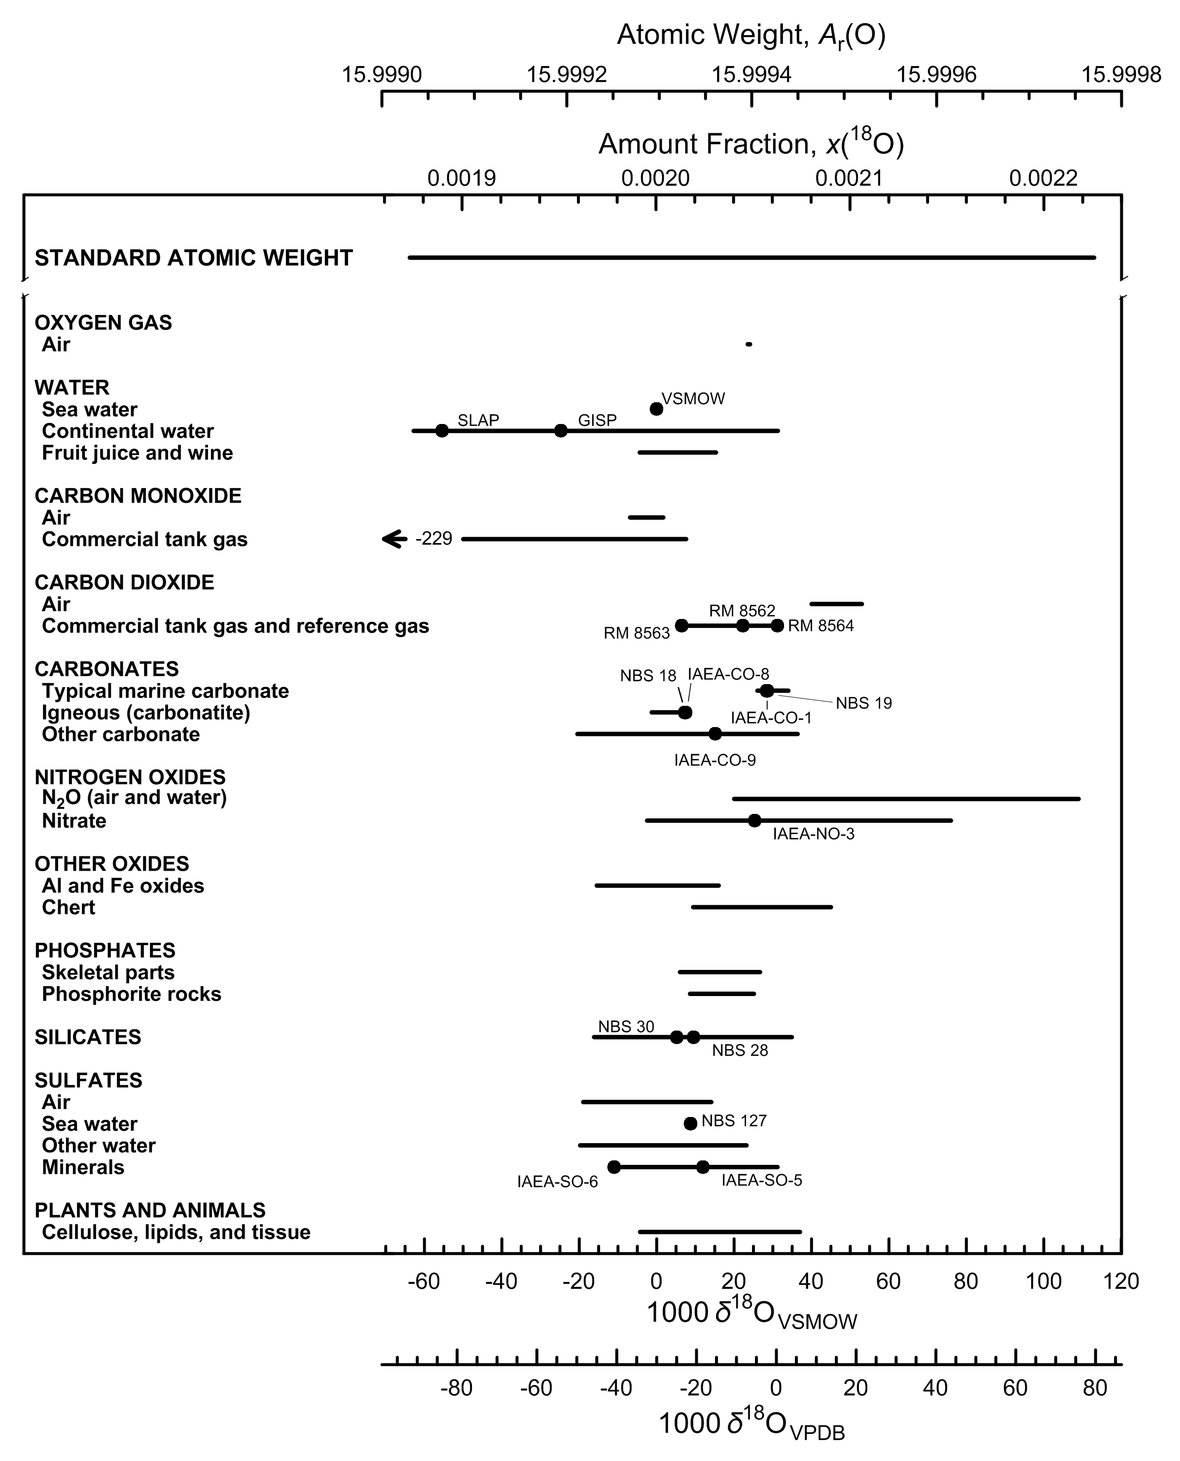

Fig. 6 Variation in isotopic composition and atomic weight composition of selected
oxygen-bearing materials (modified from [1,2]). VSMOW is the Vienna Standard Mean
Ocean Water–Standard Light Antarctic Precipitation scale [3] and VPDB is the Vienna
Peedee belemnite–LSVEC isotope scale [4] . Isotopic reference materials are designated
by solid black circles. The δ18O scale and 18O amount-fraction scale were matched
using the data of Li et al. [5] and Baertschi [6]. The expanded uncertainty in the
atomic-weight and 18O amount-fraction scales with the δ18O scale is equivalent to
0.3 ‰. The δ18O value of -229 ‰ for CO tank gas is for a commercially available material
that has been subjected to inadvertent isotopic fractionation [7] (footnote m of the
Table of Standard Atomic Weights 2013 [2]; thus, it is not included in the atomic-
weight interval.

References

[1] M.E. Wieser, T. B. Coplen. Pure Appl Chem. 83, 359 (2011).

[2] T. B. Coplen, J. K. Böhlke, P. De Bièvre, T. Ding, N. E. Holden, J. A. Hopple, H. R. Krouse, A. Lamberty, H. S. Peiser, K. M. Révész, S. E. Rieder, K. J. R. Rosman, E. Roth, P. D. P. Taylor, R. D. Vocke Jr., Y. K. Xiao. Pure Appl. Chem. 74, 1987 (2002).

[3] R. Gonfiantini. Nature 271, 534 (1978).

[4] T. B. Coplen, W. A. Brand, M. Gehre, M. Gröning, H. A. J. Meijer, B. Toman, R. M. Verkouteren. Anal. Chem. 78, 2439 (2006).

[5] W. Li, B. Ni, D. Jin, T. L. Chang. Kexue Tongbao 33, 1610 (1988).

[6] P. Baertschi. Earth Planet. Sci. Lett. 31, 341 (1976).

[7] T. B. Coplen, J. A. Hopple, J. K. Böhlke, H. S. Peiser, S. E. Rieder, H. R. Krouse, K. J. R. Rosman, T. Ding, R. D. Vocke, K. Revesz, A. Lamberty, P. D. P. Taylor, P. De Bièvre. U.S. Geological Survey Water-Resources Investigations Report 01-4222 (2002).

Magnesium
Category | Subcategory | Lower bound |  |  |  |  |  | Upper bound
 |  | 103 δ26/24MgDSM3 | x(24Mg) | x(25Mg) | x(26Mg) | Atomic weight | Reference | 103 δ26/24MgDSM3 | x(24Mg) | x(25Mg) | x(26Mg) | Atomic weight | Reference
Standard atomic weight |  | -7.44 | 0.79045 | 0.09995 | 0.10960 | 24.304 | M. E. Wieser, N. Holden, T. B. Coplen, J. K. Böhlke, M. Berglund, W. A. Brand, P. De Bièvre, M. Gröning, R. D. Loss, J. Meija, T. Hirata, T. Prohaska, R. Schoenberg, G. O’Connor, T. Walczyk, S. Yoneda, X.-K. Zhu. Pure Appl. Chem. 85, 1047 (2013). | 6.26 | 0.78872 | 0.10041 | 0.11087 | 24.307 | M. E. Wieser, N. Holden, T. B. Coplen, J. K. Böhlke, M. Berglund, W. A. Brand, P. De Bièvre, M. Gröning, R. D. Loss, J. Meija, T. Hirata, T. Prohaska, R. Schoenberg, G. O’Connor, T. Walczyk, S. Yoneda, X.-K. Zhu. Pure Appl. Chem. 85, 1047 (2013).
DSM-3 |  | 0 | 0.78951 | 0.10020 | 0.11029 | 24.30563 | A. Galy, O. Yoffe, P. E. Janney, R. W. Williams, C. Cloquet, O. Alard, L. Halicz, M. Wadhwa, I. D. Hutcheon, E. Ramon, J. Carignan. J. Anal. At. Spectrom. 18, 1352 (2003).

Water | Sea water | -1 | 0.78963 | 0.10017 | 0.11020 | 24.30541 | E. B. Bolou-Bi, N. Vigier, A. Brenot, A. Poszwa. Geostand. Geoanal. Res. 33, 95 (2009). | -0.69 | 0.78959 | 0.10018 | 0.11023 | 24.30548 | E. B. Bolou-Bi, N. Vigier, A. Brenot, A. Poszwa. Geostand. Geoanal. Res. 33, 95 (2009).
Water | Rivers and streams | -1.82 | 0.78974 | 0.10014 | 0.11012 | 24.30523 | E. Tipper, A. Galy, M. Bickle. Earth Planet. Sci. Lett. 247, 267 (2006). | -0.08 | 0.78952 | 0.10020 | 0.11028 | 24.30561 | E. B. Bolou-Bi, N. Vigier, A. Poszwa, J.-P. Boudot, E. Dambrine. Geochim. Cosmochim. Acta 87, 341 (2012).
Water | Rain | -0.75 | 0.78961 | 0.10017 | 0.11022 | 24.30547 | E. B. Bolou-Bi, N. Vigier, A. Poszwa, J.-P. Boudot, E. Dambrine. Geochim. Cosmochim. Acta 87, 341 (2012). | -0.5 | 0.78958 | 0.10018 | 0.11024 | 24.30552 | E. B. Bolou-Bi, N. Vigier, A. Poszwa, J.-P. Boudot, E. Dambrine. Geochim. Cosmochim. Acta 87, 341 (2012).
Igneous and metamorphic rock | Olivine | -3.01 | 0.78989 | 0.10010 | 0.11001 | 24.30497 | N. Pearson, W. Griffin, O. Alard, S. Y. O'Reilly. Chem. Geol. 226, 115 (2006). | 1.03 | 0.78937 | 0.10024 | 0.11039 | 24.30586 | N. Pearson, W. Griffin, O. Alard, S. Y. O'Reilly. Chem. Geol. 226, 115 (2006).
Igneous and metamorphic rock | Others | -0.75 | 0.78961 | 0.10017 | 0.11022 | 24.30547 | E. B. Bolou-Bi, N. Vigier, A. Brenot, A. Poszwa. Geostand. Geoanal. Res. 33, 95 (2009). | 0.14 | 0.78950 | 0.10020 | 0.11030 | 24.30566 | E. B. Bolou-Bi, N. Vigier, A. Brenot, A. Poszwa. Geostand. Geoanal. Res. 33, 95 (2009).
Carbonates (biological and non-biological origin) |  | -5.57 | 0.79022 | 0.10001 | 0.10977 | 24.30441 | F. Wombacher, A. Eisenhauer, F. Böhm, N. Gussone, M. Regenberg, W.-C. Dullo, A. Rüggeberg. Geochim. Cosmochim. Acta 75, 5797 (2011). | -1.04 | 0.78965 | 0.10016 | 0.11019 | 24.30540 | F. Wombacher, A. Eisenhauer, F. Böhm, N. Gussone, M. Regenberg, W.-C. Dullo, A. Rüggeberg. Geochim. Cosmochim. Acta 75, 5797 (2011).
Organic matter |  | -3.55 | 0.78996 | 0.10008 | 0.10996 | 24.30485 | E. B. Bolou-Bi, N. Vigier, A. Brenot, A. Poszwa. Geostand. Geoanal. Res. 33, 95 (2009). | 0.73 | 0.78942 | 0.10022 | 0.11036 | 24.30579 | E. B. Bolou-Bi, N. Vigier, A. Poszwa, J.-P. Boudot, E. Dambrine. Geochim. Cosmochim. Acta 87, 341 (2012).
Elemental magnesium |  | -0.82 | 0.78962 | 0.10017 | 0.11021 | 24.30545 | A. Galy, N. S. Belshaw, L. Halicz, R. K. O’Nions. Int. J. Mass Spectrom. 208, 89 (2001). | 0.54 | 0.78944 | 0.10022 | 0.11034 | 24.30575 | A. Galy, N. S. Belshaw, L. Halicz, R. K. O’Nions. Int. J. Mass Spectrom. 208, 89 (2001).

mass-dependent isotopic fractionation
R(25Mg, 24Mg)sample / R(25Mg, 24Mg)DSM3 = (R(26Mg, 24Mg)sample / R(26Mg, 24Mg)DSM3 )0.5

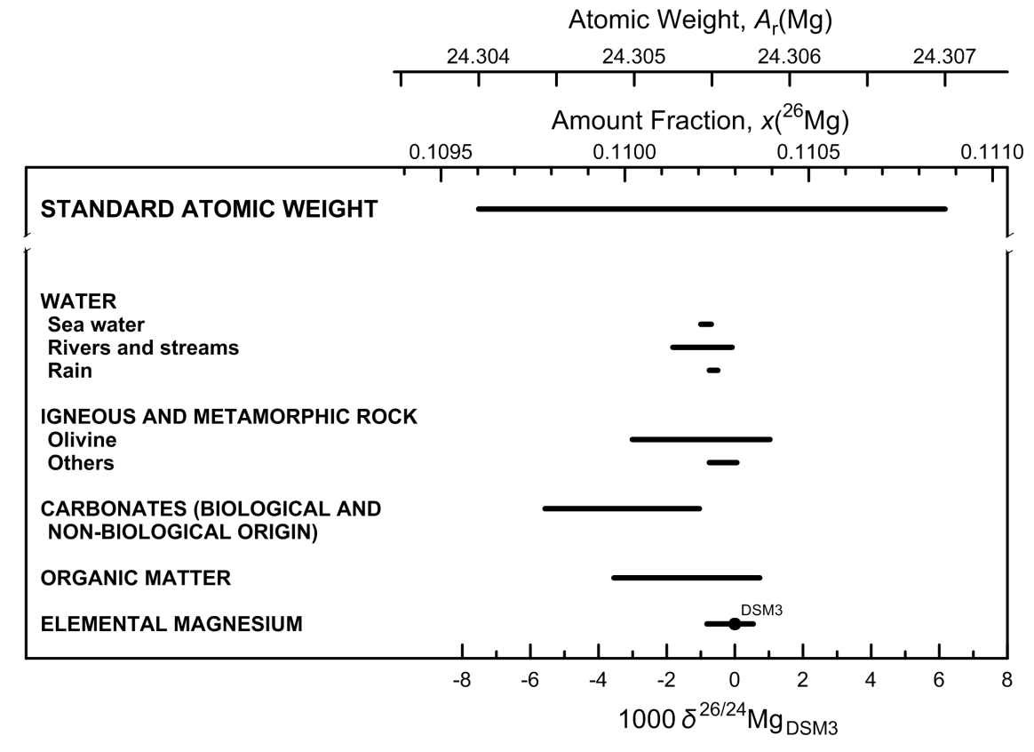

Fig. 7 Variation in isotopic composition and atomic weight of magnesium in selected
magnesium-bearing materials (modified from [1,2]). The δ26/24Mg measurements
are expressed relative to the reference material DSM3 because many materials were
measured relative to it [3]. However, DSM3 is not recommended as the international
measurement standard for the δ26/24Mg scale because the supply is exhausted.
The δ26/24Mg scale and 26Mg amount-fraction scales were matched using data from [4].
The expanded uncertainty in matching the atomic-weight and 26Mg amount-fraction scales
with the δ26/24Mg scale is equivalent to 1.1 ‰.

References

[1] M. E. Wieser, N. Holden, T. B. Coplen, J. K. Böhlke, M. Berglund, W. A. Brand, P. De Bièvre, M. Gröning, R. D. Loss, J. Meija, T. Hirata, T. Prohaska, R. Schoenberg, G. O’Connor, T. Walczyk, S. Yoneda, X.-K. Zhu. Pure Appl. Chem. 85, 1047 (2013).

[2] T. B. Coplen, J. K. Böhlke, P. De Bièvre, T. Ding, N. E. Holden, J. A. Hopple, H. R. Krouse, A. Lamberty, H. S. Peiser, K. M. Révész, S. E. Rieder, K. J. R. Rosman, E. Roth, P. D. P. Taylor, R. D. Vocke Jr., Y. K. Xiao. Pure Appl. Chem. 74, 1987 (2002).

[3] . M. Bizzarro, C. Paton, K. Larsen, M. Schiller, A. Trinquier, D. Ulfbeck. J. Anal. At. Spectrom. 26, 565 (2011).

[4] P. De Bièvre, S. Valkiers, H. S. Peiser. J. Res. Natl. Inst. Stand. Technol. 99, 201 (1994).

Silicon
Category | Subcategory | Lower bound |  |  |  |  |  | Upper bound
 |  | 103 δ30/28SiNBS28 | x(28Si) | x(29Si) | x(30Si) | Atomic weight | Reference | 103 δ30/28SiNBS28 | x(28Si) | x(29Si) | x(30Si) | Atomic weight | Reference
Standard atomic weight |  | -6.4 | 0.92254 | 0.046719 | 0.030737 | 28.085 | M. E. Wieser, T. B. Coplen. Pure Appl. Chem. 83, 359 (2011). | 6.2 | 0.921912 | 0.046982 | 0.031106 | 28.086 | M. E. Wieser, T. B. Coplen. Pure Appl. Chem. 83, 359 (2011).
NBS 28 |  | 0 | 0.922223 | 0.046853 | 0.030924 | 28.08551 | T. Ding, D. Wan, R. Bai, Z. Zhang, Y. Shen, R. Meng. Geochim. Cosmochim. Acta. 69, 5487 (2005).

Igneous rocks | Igneous Rocks | -1 | 0.922273 | 0.046832 | 0.030895 | 28.08543 | C. Douthitt. Geochim. Cosmochim. Acta 46, 1449 (1982). | 0.4 | 0.922202 | 0.046861 | 0.030936 | 28.08554 | D. L. Lu, G. J. Wan. Geology and Exploration 28, 28 (1992).
Metamorphic rocks |  | -1.1 | 0.922278 | 0.046830 | 0.030892 | 28.08542 | T.Ding, S. Jiang, D. Wan, Y. Li, J. Li, H. Song, Z. Liu, X. Yao. Silicon Isotope Geochemistry. Geological Publishing House, Beijing (1996). | 1.1 | 0.922167 | 0.046876 | 0.030957 | 28.08560 | M. J. Huang, R. Q. Li, D. Y. Liu, Z. J. Shen, S. H. Tang, W. S. Chen. Hunan Bureau of Geology and Mineral Resources, 97 (1991).
Vein quartz and silicified rocks |  | -1.5 | 0.922298 | 0.046822 | 0.030881 | 28.08539 | T.Ding, S. Jiang, D. Wan, Y. Li, J. Li, H. Song, Z. Liu, X. Yao. Silicon Isotope Geochemistry. Geological Publishing House, Beijing (1996). | 1.1 | 0.922167 | 0.046876 | 0.030957 | 28.08560 | M. J. Huang, R. Q. Li, D. Y. Liu, Z. J. Shen, S. H. Tang, W. S. Chen. Hunan Bureau of Geology and Mineral Resources, 97 (1991).
Sedimentary rocks | Quartz sandstones | -5.7 | 0.922508 | 0.046734 | 0.030758 | 28.08506 | I. Basile-Doelsch, J. D. Meunier, C. Parron. Nature 433, 399 (2005). | 0.2 | 0.922212 | 0.046857 | 0.030930 | 28.08553 | T.Ding, S. Jiang, D. Wan, Y. Li, J. Li, H. Song, Z. Liu, X. Yao. Silicon Isotope Geochemistry. Geological Publishing House, Beijing (1996).
Sedimentary rocks | Clay minerals | -2.6 | 0.922353 | 0.046799 | 0.030848 | 28.08530 | C. Douthitt. Geochim. Cosmochim. Acta 46, 1449 (1982). | 1.5 | 0.922147 | 0.046884 | 0.030968 | 28.08563 | C. Douthitt. Geochim. Cosmochim. Acta 46, 1449 (1982).
Sedimentary rocks | Sinter | -3.4 | 0.922393 | 0.046782 | 0.030825 | 28.08524 | C. Douthitt. Geochim. Cosmochim. Acta 46, 1449 (1982). | 0.2 | 0.922212 | 0.046857 | 0.030930 | 28.08553 | C. Douthitt. Geochim. Cosmochim. Acta 46, 1449 (1982).
Sedimentary rocks | Sea-floor hydrothermal siliceous precipitates | -3.1 | 0.922378 | 0.046788 | 0.030834 | 28.08526 | S. Y. Wu. The submarine hydrothermal chimney of the Mariana Trough and sediments in the Philippine Sea (in Chinese). Oceanic Publishing House, Beijing (1991). | 0 | 0.922223 | 0.046853 | 0.030924 | 28.08551 | T.Ding, S. Jiang, D. Wan, Y. Li, J. Li, H. Song, Z. Liu, X. Yao. Silicon Isotope Geochemistry. Geological Publishing House, Beijing (1996).
Sedimentary rocks | other siliceous rocks | -0.8 | 0.922263 | 0.046836 | 0.030901 | 28.08545 | T.Ding, S. Jiang, D. Wan, Y. Li, J. Li, H. Song, Z. Liu, X. Yao. Silicon Isotope Geochemistry. Geological Publishing House, Beijing (1996). | 3.4 | 0.922052 | 0.046924 | 0.031024 | 28.08578 | D. Tiping, W. Defang, L. Jincheng, J. Shaoyong, S. Hebing, L. Yanhe, L. Zhijian. Kuangchang Dizhi (Mineral Deposits) 7, 90 (1988).
Dissolved silica |  | -0.4 | 0.922243 | 0.046845 | 0.030913 | 28.08548 | C. Douthitt. Geochim. Cosmochim. Acta 46, 1449 (1982). | 3.4 | 0.922052 | 0.046924 | 0.031024 | 28.08578 | D. Tiping, W. Defang, L. Jincheng, J. Shaoyong, S. Hebing, L. Yanhe, L. Zhijian. Kuangchang Dizhi (Mineral Deposits) 7, 90 (1988).
Biogenic silica |  | -3.7 | 0.922408 | 0.046776 | 0.030816 | 28.08522 | C. Douthitt. Geochim. Cosmochim. Acta 46, 1449 (1982). | 6.1 | 0.921917 | 0.046980 | 0.031103 | 28.08599 | T. P. Ding, G. R. Ma, M. X. Shui, D. F. Wan, R. H. Li. Chem. Geol. 218, 41 (2005).
Elemental silicon |  | -1.3 | 0.922288 | 0.046826 | 0.030886 | 28.08541 | T. B. Coplen, J. A. Hopple, J. K. Böhlke, H. S. Peiser, S. E. Rieder, H. R. Krouse, K. J. R. Rosman, T. Ding, R. D. Vocke, Jr., K. M. Révész, A. Lamberty, P. Taylor, P. De Bièvre. U.S. Geological Survey Water-Resources Investigations Report (WRI). 01-4222 (2002). | 0.5 | 0.922197 | 0.046864 | 0.030939 | 28.08555 | T. B. Coplen, J. A. Hopple, J. K. Böhlke, H. S. Peiser, S. E. Rieder, H. R. Krouse, K. J. R. Rosman, T. Ding, R. D. Vocke, Jr., K. M. Révész, A. Lamberty, P. Taylor, P. De Bièvre. U.S. Geological Survey Water-Resources Investigations Report (WRI). 01-4222 (2002).

mass-dependent isotopic fractionation
R(29Si, 28Si)sample / R(29Si, 28Si)NBS28 = (R(30Si, 28Si)sample / R(30Si, 28Si)NBS28 )0.5
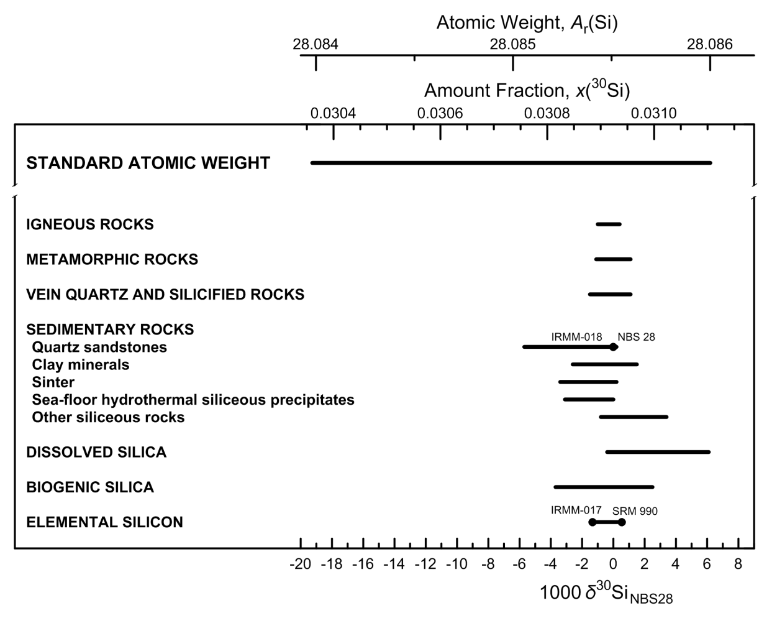

Fig. 8 Variation in isotopic composition and atomic weight of selected silicon-bearing
materials (modified from [1,2]). The isotopic reference material NBS 28 is optical
quartz [3]. Isotopic reference materials are designated by solid black circles. IRMM-018
and NBS 28 have almost identical isotopic abundances and overlap. The δ30Si scale (or
δ30/28Si scale, for specification with two isotopes) and 30Si amount-fraction scale were
matched using the data of De Bièvre et al. [4] and a δ30Si value for IRMM-017 of –1.3 ‰
relative to NBS 28 [3]. The expanded uncertainty in the atomic-weight and 30Si amount-
fraction scales with the δ30Si scale is equivalent to 0.23 ‰.

References

[1] M.E. Wieser, T. B. Coplen. Pure Appl Chem. 83, 359 (2011).

[2] T. B. Coplen, J. K. Böhlke, P. De Bièvre, T. Ding, N. E. Holden, J. A. Hopple, H. R. Krouse, A. Lamberty, H. S. Peiser, K. M. Révész, S. E. Rieder, K. J. R. Rosman, E. Roth, P. D. P. Taylor, R. D. Vocke Jr., Y. K. Xiao. Pure Appl. Chem. 74, 1987 (2002).

[3] T. B. Coplen, J. A. Hopple, J. K. Böhlke, H. S. Peiser, S. E. Rieder, H. R. Krouse, K. J. R. Rosman, T. Ding, R. D. Vocke, Jr., K. M. Révész, A. Lamberty, P. Taylor, P. De Bièvre. U.S. Geological Survey Water-Resources Investigations Report (WRI). 01-4222 (2002).

[4] P. De Bièvre, S. Valkiers, H. S. Peiser. J. Res. Natl. Inst. Stand. Technol. 99, 201 (1994).

Sulfur
Category | Subcategory | Lower bound |  |  |  |  |  |  | Upper bound
 |  | 103 δ34SVCDT | x(32S) | x(33S) | x(34S) | x(36S) | Atomic weight | Reference | 103 δ34SVCDT | x(32S) | x(33S) | x(34S) | x(36S) | Atomic weight | Reference
Standard atomic weight |  | -57.9 | 0.952936 | 0.007287 | 0.039647 | 0.000130 | 32.059 | M. E. Wieser, T. B. Coplen. Pure Appl. Chem. 83, 359 (2011). | 144.2 | 0.944145 | 0.007957 | 0.047708 | 0.000190 | 32.076 | M. E. Wieser, T. B. Coplen. Pure Appl. Chem. 83, 359 (2011).
VCDT |  | 0 | 0.950394 | 0.007488 | 0.041972 | 0.000146 | 32.063905 | H. R. Krouse, T. B. Coplen. Pure Appl. Chem. 69, 293 (1997).
IAEA-S-1 |  | -0.3 | 0.950407 | 0.007487 | 0.041960 | 0.000146 | 32.063879 | B. W. Robinson. IAEA TECDOC. 825, 39 (1995).

Sulfate | Atmospheric | -30 | 0.951709 | 0.007385 | 0.040769 | 0.000137 | 32.061367 | T. B. Coplen, J. A. Hopple, J. K. Böhlke, H. S. Peiser, S. E. Rieder, H. R. Krouse, K. J. R. Rosman, T. Ding, R. D. Vocke, Jr., K. M. Révész, A. Lamberty, P. Taylor, P. De Bièvre. U.S. Geological Survey Water-Resources Investigations Report (WRI). 01-4222 (2002). | 30 | 0.949084 | 0.007589 | 0.043172 | 0.000155 | 32.066434 | T. B. Coplen, J. A. Hopple, J. K. Böhlke, H. S. Peiser, S. E. Rieder, H. R. Krouse, K. J. R. Rosman, T. Ding, R. D. Vocke, Jr., K. M. Révész, A. Lamberty, P. Taylor, P. De Bièvre. U.S. Geological Survey Water-Resources Investigations Report (WRI). 01-4222 (2002).
Sulfate | Surface water/groundwater | -22 | 0.951357 | 0.007413 | 0.041090 | 0.000140 | 32.062045 | T. B. Coplen, J. A. Hopple, J. K. Böhlke, H. S. Peiser, S. E. Rieder, H. R. Krouse, K. J. R. Rosman, T. Ding, R. D. Vocke, Jr., K. M. Révész, A. Lamberty, P. Taylor, P. De Bièvre. U.S. Geological Survey Water-Resources Investigations Report (WRI). 01-4222 (2002). | 135 | 0.944540 | 0.007928 | 0.047345 | 0.000187 | 32.075231 | T. B. Coplen, J. A. Hopple, J. K. Böhlke, H. S. Peiser, S. E. Rieder, H. R. Krouse, K. J. R. Rosman, T. Ding, R. D. Vocke, Jr., K. M. Révész, A. Lamberty, P. Taylor, P. De Bièvre. U.S. Geological Survey Water-Resources Investigations Report (WRI). 01-4222 (2002).
Sulfate | Modern ocean | 20.7 | 0.949490 | 0.007558 | 0.042800 | 0.000152 | 32.065651 | T. B. Coplen, J. A. Hopple, J. K. Böhlke, H. S. Peiser, S. E. Rieder, H. R. Krouse, K. J. R. Rosman, T. Ding, R. D. Vocke, Jr., K. M. Révész, A. Lamberty, P. Taylor, P. De Bièvre. U.S. Geological Survey Water-Resources Investigations Report (WRI). 01-4222 (2002). | 21.3 | 0.949464 | 0.007560 | 0.042824 | 0.000152 | 32.065702 | T. B. Coplen, J. A. Hopple, J. K. Böhlke, H. S. Peiser, S. E. Rieder, H. R. Krouse, K. J. R. Rosman, T. Ding, R. D. Vocke, Jr., K. M. Révész, A. Lamberty, P. Taylor, P. De Bièvre. U.S. Geological Survey Water-Resources Investigations Report (WRI). 01-4222 (2002).
Sulfate | Mineral | -43 | 0.952279 | 0.007340 | 0.040247 | 0.000134 | 32.060266 | T. B. Coplen, J. A. Hopple, J. K. Böhlke, H. S. Peiser, S. E. Rieder, H. R. Krouse, K. J. R. Rosman, T. Ding, R. D. Vocke, Jr., K. M. Révész, A. Lamberty, P. Taylor, P. De Bièvre. U.S. Geological Survey Water-Resources Investigations Report (WRI). 01-4222 (2002). | -3 | 0.950525 | 0.007478 | 0.041852 | 0.000145 | 32.063651 | T. B. Coplen, J. A. Hopple, J. K. Böhlke, H. S. Peiser, S. E. Rieder, H. R. Krouse, K. J. R. Rosman, T. Ding, R. D. Vocke, Jr., K. M. Révész, A. Lamberty, P. Taylor, P. De Bièvre. U.S. Geological Survey Water-Resources Investigations Report (WRI). 01-4222 (2002).
Sulfate | Commercial | -3 | 0.950525 | 0.007478 | 0.041852 | 0.000145 | 32.063651 | T. B. Coplen, J. A. Hopple, J. K. Böhlke, H. S. Peiser, S. E. Rieder, H. R. Krouse, K. J. R. Rosman, T. Ding, R. D. Vocke, Jr., K. M. Révész, A. Lamberty, P. Taylor, P. De Bièvre. U.S. Geological Survey Water-Resources Investigations Report (WRI). 01-4222 (2002). | 30 | 0.949084 | 0.007589 | 0.043172 | 0.000155 | 32.066434 | T. B. Coplen, J. A. Hopple, J. K. Böhlke, H. S. Peiser, S. E. Rieder, H. R. Krouse, K. J. R. Rosman, T. Ding, R. D. Vocke, Jr., K. M. Révész, A. Lamberty, P. Taylor, P. De Bièvre. U.S. Geological Survey Water-Resources Investigations Report (WRI). 01-4222 (2002).
Sulfate | Sulfuric acid | -3 | 0.950525 | 0.007478 | 0.041852 | 0.000145 | 32.063651 | T. B. Coplen, J. A. Hopple, J. K. Böhlke, H. S. Peiser, S. E. Rieder, H. R. Krouse, K. J. R. Rosman, T. Ding, R. D. Vocke, Jr., K. M. Révész, A. Lamberty, P. Taylor, P. De Bièvre. U.S. Geological Survey Water-Resources Investigations Report (WRI). 01-4222 (2002). | 12 | 0.949870 | 0.007529 | 0.042452 | 0.000149 | 32.064917 | T. B. Coplen, J. A. Hopple, J. K. Böhlke, H. S. Peiser, S. E. Rieder, H. R. Krouse, K. J. R. Rosman, T. Ding, R. D. Vocke, Jr., K. M. Révész, A. Lamberty, P. Taylor, P. De Bièvre. U.S. Geological Survey Water-Resources Investigations Report (WRI). 01-4222 (2002).
Sulfate | Reagents | -34 | 0.951885 | 0.007371 | 0.040608 | 0.000136 | 32.061029 | T. B. Coplen, J. A. Hopple, J. K. Böhlke, H. S. Peiser, S. E. Rieder, H. R. Krouse, K. J. R. Rosman, T. Ding, R. D. Vocke, Jr., K. M. Révész, A. Lamberty, P. Taylor, P. De Bièvre. U.S. Geological Survey Water-Resources Investigations Report (WRI). 01-4222 (2002). | 26 | 0.949259 | 0.007576 | 0.043012 | 0.000153 | 32.066098 | T. B. Coplen, J. A. Hopple, J. K. Böhlke, H. S. Peiser, S. E. Rieder, H. R. Krouse, K. J. R. Rosman, T. Ding, R. D. Vocke, Jr., K. M. Révész, A. Lamberty, P. Taylor, P. De Bièvre. U.S. Geological Survey Water-Resources Investigations Report (WRI). 01-4222 (2002).
Sulfur dioxide | Atmospheric | -39 | 0.952103 | 0.007354 | 0.040408 | 0.000135 | 32.060605 | T. B. Coplen, J. A. Hopple, J. K. Böhlke, H. S. Peiser, S. E. Rieder, H. R. Krouse, K. J. R. Rosman, T. Ding, R. D. Vocke, Jr., K. M. Révész, A. Lamberty, P. Taylor, P. De Bièvre. U.S. Geological Survey Water-Resources Investigations Report (WRI). 01-4222 (2002). | 33 | 0.948955 | 0.007599 | 0.043291 | 0.000155 | 32.066687 | T. B. Coplen, J. A. Hopple, J. K. Böhlke, H. S. Peiser, S. E. Rieder, H. R. Krouse, K. J. R. Rosman, T. Ding, R. D. Vocke, Jr., K. M. Révész, A. Lamberty, P. Taylor, P. De Bièvre. U.S. Geological Survey Water-Resources Investigations Report (WRI). 01-4222 (2002).
Sulfur dioxide | Reagents | 0.8 | 0.950359 | 0.007491 | 0.042004 | 0.000146 | 32.063972 | T. B. Coplen, J. A. Hopple, J. K. Böhlke, H. S. Peiser, S. E. Rieder, H. R. Krouse, K. J. R. Rosman, T. Ding, R. D. Vocke, Jr., K. M. Révész, A. Lamberty, P. Taylor, P. De Bièvre. U.S. Geological Survey Water-Resources Investigations Report (WRI). 01-4222 (2002). | 1.6 | 0.950325 | 0.007493 | 0.042036 | 0.000146 | 32.064040 | T. B. Coplen, J. A. Hopple, J. K. Böhlke, H. S. Peiser, S. E. Rieder, H. R. Krouse, K. J. R. Rosman, T. Ding, R. D. Vocke, Jr., K. M. Révész, A. Lamberty, P. Taylor, P. De Bièvre. U.S. Geological Survey Water-Resources Investigations Report (WRI). 01-4222 (2002).
Elemental sulfur | Native | -30 | 0.951709 | 0.007385 | 0.040769 | 0.000137 | 32.061367 | T. B. Coplen, J. A. Hopple, J. K. Böhlke, H. S. Peiser, S. E. Rieder, H. R. Krouse, K. J. R. Rosman, T. Ding, R. D. Vocke, Jr., K. M. Révész, A. Lamberty, P. Taylor, P. De Bièvre. U.S. Geological Survey Water-Resources Investigations Report (WRI). 01-4222 (2002). | 16 | 0.949696 | 0.007542 | 0.042612 | 0.000150 | 32.065255 | T. B. Coplen, J. A. Hopple, J. K. Böhlke, H. S. Peiser, S. E. Rieder, H. R. Krouse, K. J. R. Rosman, T. Ding, R. D. Vocke, Jr., K. M. Révész, A. Lamberty, P. Taylor, P. De Bièvre. U.S. Geological Survey Water-Resources Investigations Report (WRI). 01-4222 (2002).
Elemental sulfur | Commercial | -4 | 0.950569 | 0.007474 | 0.041812 | 0.000145 | 32.063567 | T. B. Coplen, J. A. Hopple, J. K. Böhlke, H. S. Peiser, S. E. Rieder, H. R. Krouse, K. J. R. Rosman, T. Ding, R. D. Vocke, Jr., K. M. Révész, A. Lamberty, P. Taylor, P. De Bièvre. U.S. Geological Survey Water-Resources Investigations Report (WRI). 01-4222 (2002). | 28 | 0.949172 | 0.007582 | 0.043092 | 0.000154 | 32.066266 | T. B. Coplen, J. A. Hopple, J. K. Böhlke, H. S. Peiser, S. E. Rieder, H. R. Krouse, K. J. R. Rosman, T. Ding, R. D. Vocke, Jr., K. M. Révész, A. Lamberty, P. Taylor, P. De Bièvre. U.S. Geological Survey Water-Resources Investigations Report (WRI). 01-4222 (2002).
Organic sulfur | Soil | -31 | 0.951753 | 0.007381 | 0.040729 | 0.000137 | 32.061283 | T. B. Coplen, J. A. Hopple, J. K. Böhlke, H. S. Peiser, S. E. Rieder, H. R. Krouse, K. J. R. Rosman, T. Ding, R. D. Vocke, Jr., K. M. Révész, A. Lamberty, P. Taylor, P. De Bièvre. U.S. Geological Survey Water-Resources Investigations Report (WRI). 01-4222 (2002). | 31 | 0.949042 | 0.007592 | 0.043211 | 0.000155 | 32.066519 | T. B. Coplen, J. A. Hopple, J. K. Böhlke, H. S. Peiser, S. E. Rieder, H. R. Krouse, K. J. R. Rosman, T. Ding, R. D. Vocke, Jr., K. M. Révész, A. Lamberty, P. Taylor, P. De Bièvre. U.S. Geological Survey Water-Resources Investigations Report (WRI). 01-4222 (2002).
Organic sulfur | Vegetation | -33 | 0.951839 | 0.007375 | 0.040649 | 0.000137 | 32.061113 | T. B. Coplen, J. A. Hopple, J. K. Böhlke, H. S. Peiser, S. E. Rieder, H. R. Krouse, K. J. R. Rosman, T. Ding, R. D. Vocke, Jr., K. M. Révész, A. Lamberty, P. Taylor, P. De Bièvre. U.S. Geological Survey Water-Resources Investigations Report (WRI). 01-4222 (2002). | 32 | 0.948998 | 0.007596 | 0.043251 | 0.000155 | 32.066603 | T. B. Coplen, J. A. Hopple, J. K. Böhlke, H. S. Peiser, S. E. Rieder, H. R. Krouse, K. J. R. Rosman, T. Ding, R. D. Vocke, Jr., K. M. Révész, A. Lamberty, P. Taylor, P. De Bièvre. U.S. Geological Survey Water-Resources Investigations Report (WRI). 01-4222 (2002).
Organic sulfur | Animals | -10 | 0.950832 | 0.007454 | 0.041571 | 0.000143 | 32.063060 | T. B. Coplen, J. A. Hopple, J. K. Böhlke, H. S. Peiser, S. E. Rieder, H. R. Krouse, K. J. R. Rosman, T. Ding, R. D. Vocke, Jr., K. M. Révész, A. Lamberty, P. Taylor, P. De Bièvre. U.S. Geological Survey Water-Resources Investigations Report (WRI). 01-4222 (2002). | 21 | 0.949477 | 0.007559 | 0.042812 | 0.000152 | 32.065676 | T. B. Coplen, J. A. Hopple, J. K. Böhlke, H. S. Peiser, S. E. Rieder, H. R. Krouse, K. J. R. Rosman, T. Ding, R. D. Vocke, Jr., K. M. Révész, A. Lamberty, P. Taylor, P. De Bièvre. U.S. Geological Survey Water-Resources Investigations Report (WRI). 01-4222 (2002).
Organic sulfur | Fossil fuels | -11 | 0.950876 | 0.007450 | 0.041531 | 0.000143 | 32.062975 | T. B. Coplen, J. A. Hopple, J. K. Böhlke, H. S. Peiser, S. E. Rieder, H. R. Krouse, K. J. R. Rosman, T. Ding, R. D. Vocke, Jr., K. M. Révész, A. Lamberty, P. Taylor, P. De Bièvre. U.S. Geological Survey Water-Resources Investigations Report (WRI). 01-4222 (2002). | 28 | 0.949172 | 0.007582 | 0.043092 | 0.000154 | 32.066266 | T. B. Coplen, J. A. Hopple, J. K. Böhlke, H. S. Peiser, S. E. Rieder, H. R. Krouse, K. J. R. Rosman, T. Ding, R. D. Vocke, Jr., K. M. Révész, A. Lamberty, P. Taylor, P. De Bièvre. U.S. Geological Survey Water-Resources Investigations Report (WRI). 01-4222 (2002).
Organic sulfur | Reagents | 1 | 0.950351 | 0.007491 | 0.042012 | 0.000146 | 32.063989 | T. B. Coplen, J. A. Hopple, J. K. Böhlke, H. S. Peiser, S. E. Rieder, H. R. Krouse, K. J. R. Rosman, T. Ding, R. D. Vocke, Jr., K. M. Révész, A. Lamberty, P. Taylor, P. De Bièvre. U.S. Geological Survey Water-Resources Investigations Report (WRI). 01-4222 (2002). | 18 | 0.949608 | 0.007549 | 0.042692 | 0.000151 | 32.065423 | T. B. Coplen, J. A. Hopple, J. K. Böhlke, H. S. Peiser, S. E. Rieder, H. R. Krouse, K. J. R. Rosman, T. Ding, R. D. Vocke, Jr., K. M. Révész, A. Lamberty, P. Taylor, P. De Bièvre. U.S. Geological Survey Water-Resources Investigations Report (WRI). 01-4222 (2002).
Sulfide | Atmospheric H2S | -32 | 0.951796 | 0.007378 | 0.040689 | 0.000137 | 32.061198 | T. B. Coplen, J. A. Hopple, J. K. Böhlke, H. S. Peiser, S. E. Rieder, H. R. Krouse, K. J. R. Rosman, T. Ding, R. D. Vocke, Jr., K. M. Révész, A. Lamberty, P. Taylor, P. De Bièvre. U.S. Geological Survey Water-Resources Investigations Report (WRI). 01-4222 (2002). | 20 | 0.949521 | 0.007555 | 0.042772 | 0.000152 | 32.065592 | T. B. Coplen, J. A. Hopple, J. K. Böhlke, H. S. Peiser, S. E. Rieder, H. R. Krouse, K. J. R. Rosman, T. Ding, R. D. Vocke, Jr., K. M. Révész, A. Lamberty, P. Taylor, P. De Bièvre. U.S. Geological Survey Water-Resources Investigations Report (WRI). 01-4222 (2002).
Sulfide | Thermogenic H2S | 0 | 0.950394 | 0.007488 | 0.041972 | 0.000146 | 32.063905 | T. B. Coplen, J. A. Hopple, J. K. Böhlke, H. S. Peiser, S. E. Rieder, H. R. Krouse, K. J. R. Rosman, T. Ding, R. D. Vocke, Jr., K. M. Révész, A. Lamberty, P. Taylor, P. De Bièvre. U.S. Geological Survey Water-Resources Investigations Report (WRI). 01-4222 (2002). | 30 | 0.949084 | 0.007589 | 0.043172 | 0.000155 | 32.066434 | T. B. Coplen, J. A. Hopple, J. K. Böhlke, H. S. Peiser, S. E. Rieder, H. R. Krouse, K. J. R. Rosman, T. Ding, R. D. Vocke, Jr., K. M. Révész, A. Lamberty, P. Taylor, P. De Bièvre. U.S. Geological Survey Water-Resources Investigations Report (WRI). 01-4222 (2002).
Sulfide | Surface water/ground water | -55 | 0.952807 | 0.007298 | 0.039764 | 0.000131 | 32.059247 | T. B. Coplen, J. A. Hopple, J. K. Böhlke, H. S. Peiser, S. E. Rieder, H. R. Krouse, K. J. R. Rosman, T. Ding, R. D. Vocke, Jr., K. M. Révész, A. Lamberty, P. Taylor, P. De Bièvre. U.S. Geological Survey Water-Resources Investigations Report (WRI). 01-4222 (2002). | 30 | 0.949084 | 0.007589 | 0.043172 | 0.000155 | 32.066434 | T. B. Coplen, J. A. Hopple, J. K. Böhlke, H. S. Peiser, S. E. Rieder, H. R. Krouse, K. J. R. Rosman, T. Ding, R. D. Vocke, Jr., K. M. Révész, A. Lamberty, P. Taylor, P. De Bièvre. U.S. Geological Survey Water-Resources Investigations Report (WRI). 01-4222 (2002).
Sulfide | Minerals | -54 | 0.952764 | 0.007301 | 0.039804 | 0.000131 | 32.059332 | T. B. Coplen, J. A. Hopple, J. K. Böhlke, H. S. Peiser, S. E. Rieder, H. R. Krouse, K. J. R. Rosman, T. Ding, R. D. Vocke, Jr., K. M. Révész, A. Lamberty, P. Taylor, P. De Bièvre. U.S. Geological Survey Water-Resources Investigations Report (WRI). 01-4222 (2002). | 70 | 0.947347 | 0.007721 | 0.044766 | 0.000166 | 32.069796 | T. B. Coplen, J. A. Hopple, J. K. Böhlke, H. S. Peiser, S. E. Rieder, H. R. Krouse, K. J. R. Rosman, T. Ding, R. D. Vocke, Jr., K. M. Révész, A. Lamberty, P. Taylor, P. De Bièvre. U.S. Geological Survey Water-Resources Investigations Report (WRI). 01-4222 (2002).
Sulfide | Reagent H2S | 1 | 0.950351 | 0.007491 | 0.042012 | 0.000146 | 32.063989 | T. B. Coplen, J. A. Hopple, J. K. Böhlke, H. S. Peiser, S. E. Rieder, H. R. Krouse, K. J. R. Rosman, T. Ding, R. D. Vocke, Jr., K. M. Révész, A. Lamberty, P. Taylor, P. De Bièvre. U.S. Geological Survey Water-Resources Investigations Report (WRI). 01-4222 (2002). | 23 | 0.949389 | 0.007566 | 0.042892 | 0.000153 | 32.065845 | T. B. Coplen, J. A. Hopple, J. K. Böhlke, H. S. Peiser, S. E. Rieder, H. R. Krouse, K. J. R. Rosman, T. Ding, R. D. Vocke, Jr., K. M. Révész, A. Lamberty, P. Taylor, P. De Bièvre. U.S. Geological Survey Water-Resources Investigations Report (WRI). 01-4222 (2002).
Sulfide | Other reagents | -33 | 0.951839 | 0.007375 | 0.040649 | 0.000137 | 32.061113 | T. B. Coplen, J. A. Hopple, J. K. Böhlke, H. S. Peiser, S. E. Rieder, H. R. Krouse, K. J. R. Rosman, T. Ding, R. D. Vocke, Jr., K. M. Révész, A. Lamberty, P. Taylor, P. De Bièvre. U.S. Geological Survey Water-Resources Investigations Report (WRI). 01-4222 (2002). | 23 | 0.949389 | 0.007566 | 0.042892 | 0.000153 | 32.065845 | T. B. Coplen, J. A. Hopple, J. K. Böhlke, H. S. Peiser, S. E. Rieder, H. R. Krouse, K. J. R. Rosman, T. Ding, R. D. Vocke, Jr., K. M. Révész, A. Lamberty, P. Taylor, P. De Bièvre. U.S. Geological Survey Water-Resources Investigations Report (WRI). 01-4222 (2002).

mass-dependent isotopic fractionation
R(33S, 32S)sample / R(33S, 32S)VCDT = (R(34S, 32S)sample / R(34S, 32S)VCDT )0.5
R(34S, 32S)sample / R(34S, 32S)VCDT = (R(36S, 32S)sample / R(36S, 32S)VCDT )0.5

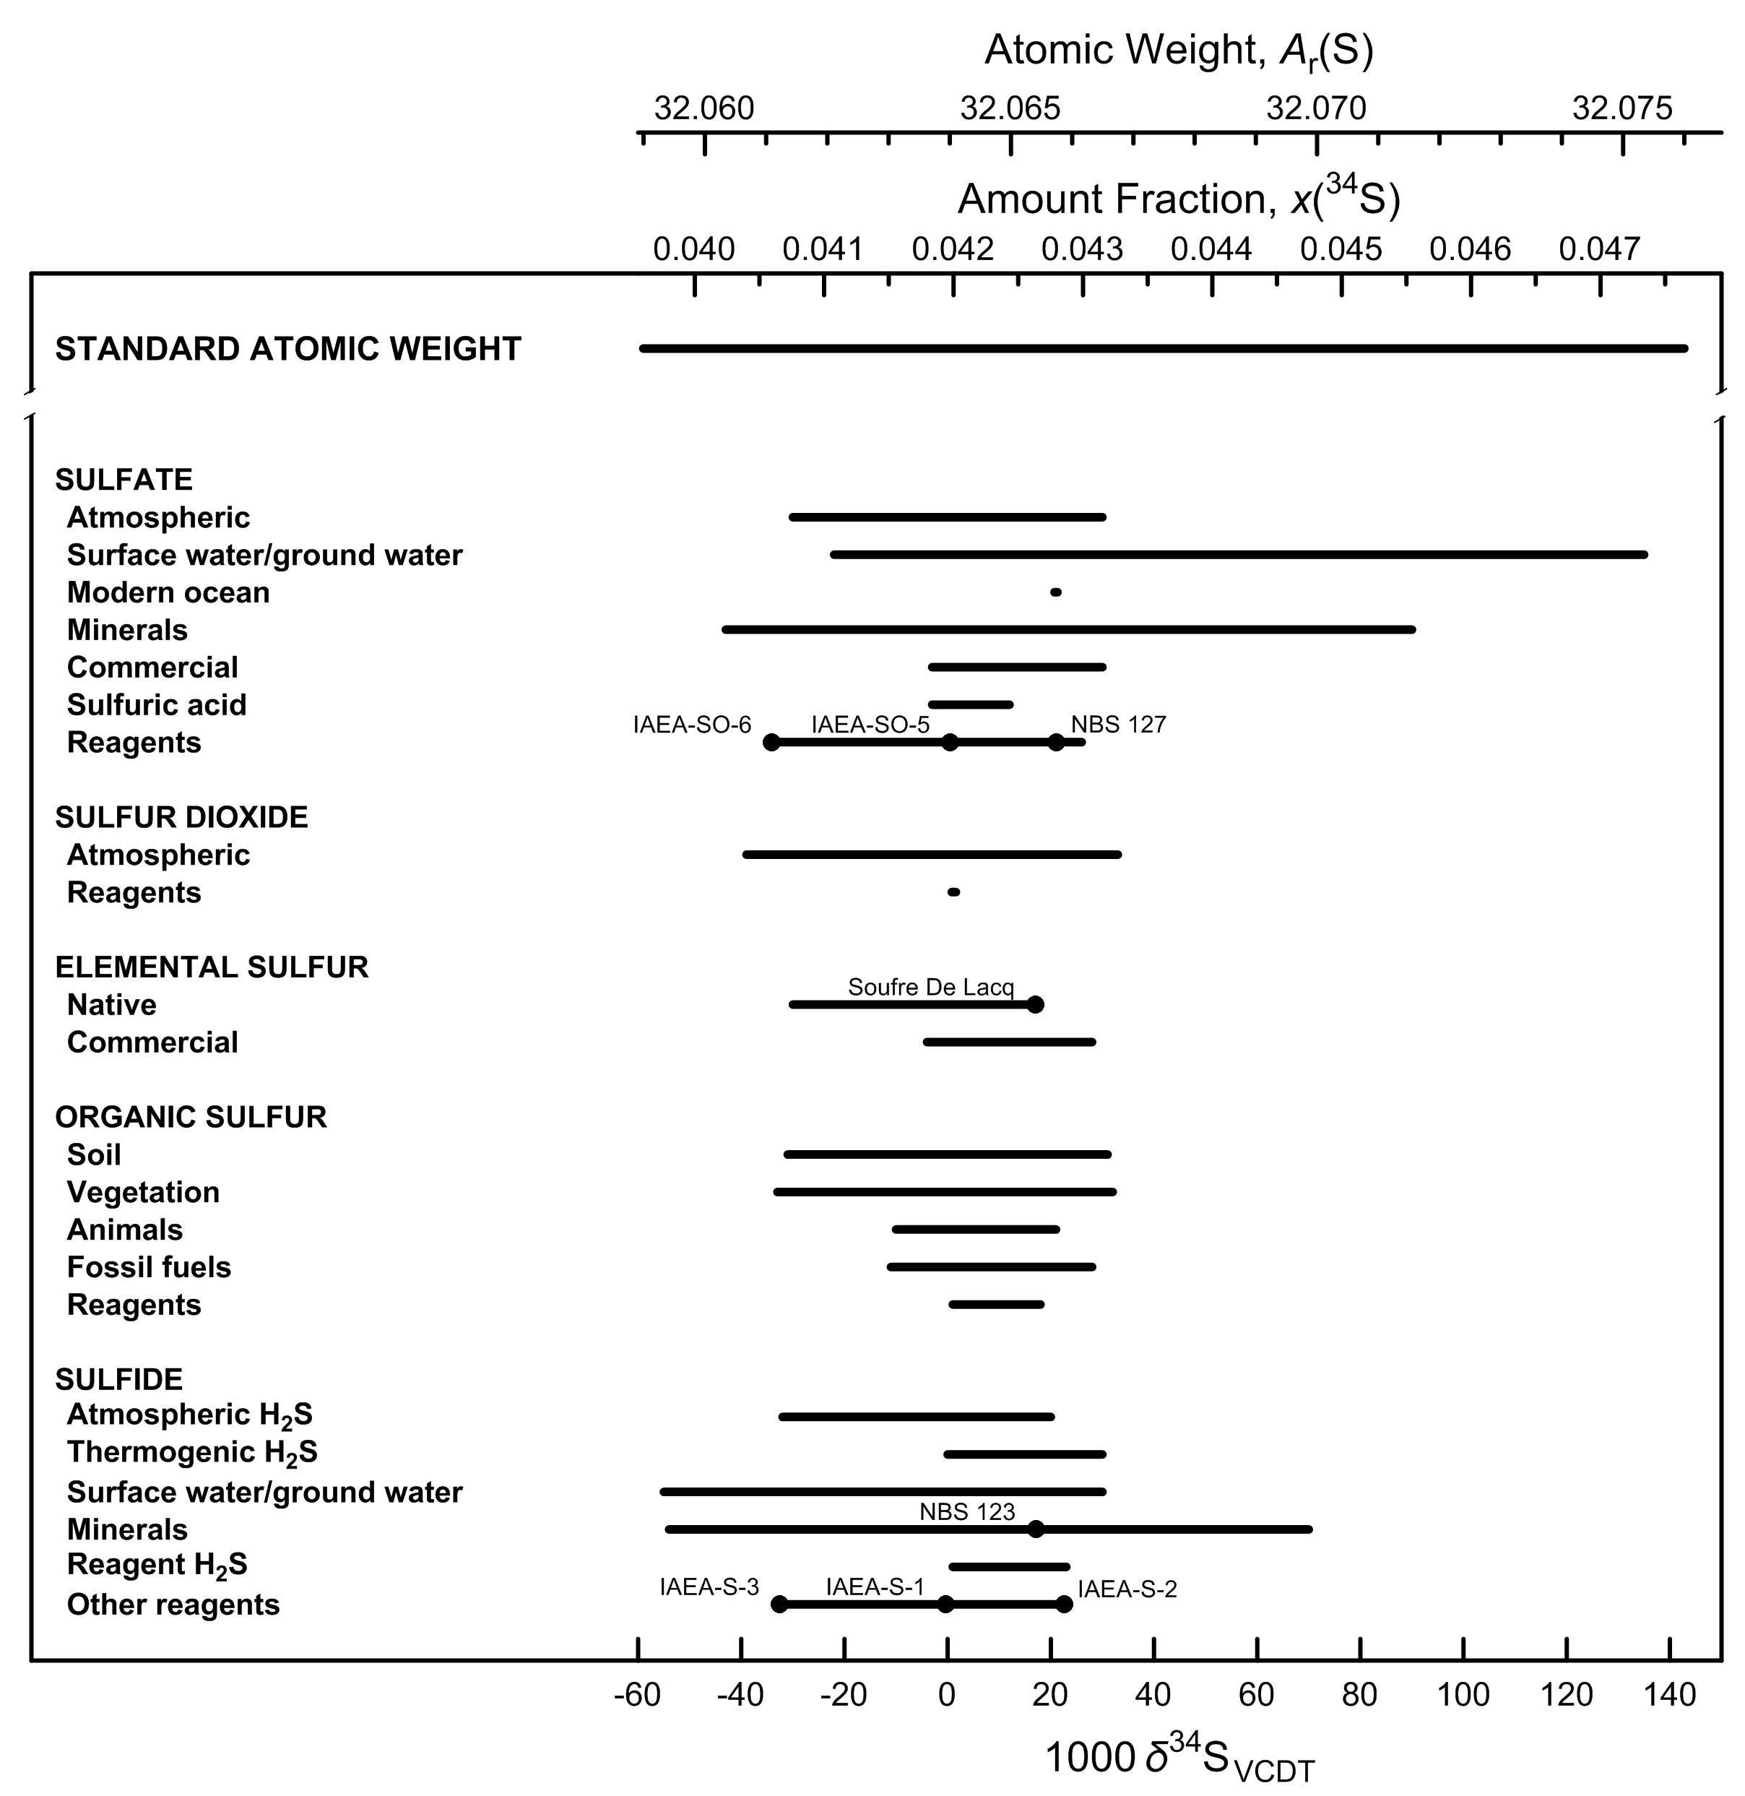

Fig. 9 Variation in isotopic composition and atomic weight of selected sulfur-bearing
materials (modified from [1,2]). VCDT is Vienna Cañon Diablo troilite [3]. Isotopic
reference materials are designated by solid black circles. The δ34S scale (or δ34/32S
scale, for specification with two isotopes) and 34S amount-fraction scale were matched
using the data of Ding et al. [4]. The expanded uncertainty in the atomic-weight and
34S amount-fraction scales with the δ34S scale is equivalent to 0.2 ‰.

References

[1] M.E. Wieser, T. B. Coplen. Pure Appl Chem. 83, 359 (2011).

[2] T. B. Coplen, J. K. Böhlke, P. De Bièvre, T. Ding, N. E. Holden, J. A. Hopple, H. R. Krouse, A. Lamberty, H. S. Peiser, K. M. Révész, S. E. Rieder, K. J. R. Rosman, E. Roth, P. D. P. Taylor, R. D. Vocke Jr., Y. K. Xiao. Pure Appl. Chem. 74, 1987 (2002).

[3] T. B. Coplen, J. A. Hopple, J. K. Böhlke, H. S. Peiser, S. E. Rieder, H. R. Krouse, K. J. R. Rosman, T. Ding, R. D. Vocke, Jr., K. M. Révész, A. Lamberty, P. Taylor, P. De Bièvre. U.S. Geological Survey Water-Resources Investigations Report (WRI). 01-4222 (2002).

[4] T. Ding, S. Valkiers, H. Kipphardt, P. De Bièvre, P. D. P. Taylor, R. Gonfiantini, H. R. Krouse. Geochim. Cosmochim. Acta 65, 2433 (2001).

Chlorine
Category | Subcategory | Lower bound |  |  |  |  | Upper bound
 |  | 103 δ37ClSMOC | x(35Cl) | x(37Cl) | Atomic weight | Reference | 103 δ37ClSMOC | x(35Cl) | x(37Cl) | Atomic weight | Reference
Standard atomic weight |  | -17.81 | 0.76101 | 0.23899 | 35.446 | M. E. Wieser, T. B. Coplen. Pure Appl. Chem. 83, 359 (2011). | 12.15 | 0.75550 | 0.24450 | 35.457 | M. E. Wieser, T. B. Coplen. Pure Appl. Chem. 83, 359 (2011).
SMOC |  | 0 | 0.75773 | 0.24227 | 35.4526 | W. A. Brand, T. B. Coplen, J. Vogl, M. Rosner, T. Prohaska. Pure Appl. Chemistry. 86, 425 (2014).
NIST SRM 975 |  | 0.43 | 0.75765 | 0.24235 | 35.4527 | W. A. Brand, T. B. Coplen, J. Vogl, M. Rosner, T. Prohaska. Pure Appl. Chemistry. 86, 425 (2014).

Chlorides | Sea water | -0.15 | 0.75776 | 0.24224 | 35.4525 | R. S. Kaufmann, A. Long, D. J. Campbell. Am. Assoc. Pet. Geol. Bull. 72, 839 (1988).Y. K. Xiao, Z. Yinming, W. Qingzhong, W. Haizhen, L. Weiguo, C. J. Eastoe. Chem. Geol. 182, 655 (2002). | 0.94 | 0.75756 | 0.24244 | 35.4529 | Y. K. Xiao, Z. Yinming, W. Qingzhong, W. Haizhen, L. Weiguo, C. J. Eastoe. Chem. Geol. 182, 655 (2002).
Chlorides | Ground, surface, pore and oil formation waterrs | -7.7 | 0.75914 | 0.24086 | 35.4497 | B. Ransom, A. J. Spivack, M. Kastner. Geology 23, 715 (1995). | 2.94 | 0.75719 | 0.24281 | 35.4536 | W. G. Liu, Y. K. Xiao, Q. Z. Wang, H. P. Qi, Y. H. Wang, Z. M. Zhou, P. V. Shirodkar. Chem. Geol. 136, 271 (1997).
Chlorides | Hydrothermal fluid-inclusion water | -1.1 | 0.75793 | 0.24207 | 35.4522 | R. S. Kaufman, S. Arnórsson. "37Cl/35Cl ratios in Icelandic geothermal waters", Fifth International Symposium on Water Rock Interaction, Extended Abstracts: v. 5, p. 325 (1986). | 0.8 | 0.75758 | 0.24242 | 35.4529 | R. S. Kaufman, S. Arnórsson. "37Cl/35Cl ratios in Icelandic geothermal waters", Fifth International Symposium on Water Rock Interaction, Extended Abstracts: v. 5, p. 325 (1986).
Chlorides | NaCl (halite) | -0.2 | 0.75777 | 0.24223 | 35.4525 | A. Long, C. J. Eastoe, R. S. Kaufmann, J. G. Martin, L. Wirt, J. B. Finley. Geochim. Cosmochim. Acta 57, 2907 (1993). | 0.7 | 0.75760 | 0.24240 | 35.4528 | R. S. Kaufmann, A. Long, H. W. Bentley, S. N. Davis. Nature 309, 338 (1984).
Chlorides | KCl (sylvite) | -0.5 | 0.75782 | 0.24218 | 35.4524 | T. C. Hoering, P. L. Parker. Geochim. Cosmochim. Acta 23, 186 (1961). | 0.3 | 0.75767 | 0.24233 | 35.4527 | T. C. Hoering, P. L. Parker. Geochim. Cosmochim. Acta 23, 186 (1961).
Chlorides | Rock or sediments | 0.2 | 0.75769 | 0.24231 | 35.4526 | A. J. Magenheim, A. J. Spivack, P. J. Michael, J. M. Gieskes. Earth Planet. Sci. Lett. 131, 427 (1995). | 7.5 | 0.75635 | 0.24365 | 35.4553 | A. J. Magenheim, A. J. Spivack, P. J. Michael, J. M. Gieskes. Earth Planet. Sci. Lett. 131, 427 (1995).
Organic solvents | CH3Cl | -6 | 0.75883 | 0.24117 | 35.4504 | N. Tanaka, D. M. Rye. Nature 353, 707 (1991). | 4 | 0.75699 | 0.24301 | 35.4540 | N. Jendrzejewski, H. G. M. Eggenkamp, M. L. Coleman. Appl. Geochem. 16, 1021 (2001).
Organic solvents | Other (trichloroethylene and others) | -2.5 | 0.75819 | 0.24181 | 35.4516 | R. Aravena, S. K. Frape, B. J. Moore, E. M. Van Warmerdam, R. J. Drimmie. In Water Resources Management v. 1, p. 31 (1996). | 4.4 | 0.75692 | 0.24308 | 35.4542 | R. Aravena, S. K. Frape, B. J. Moore, E. M. Van Warmerdam, R. J. Drimmie. In Water Resources Management v. 1, p. 31 (1996).

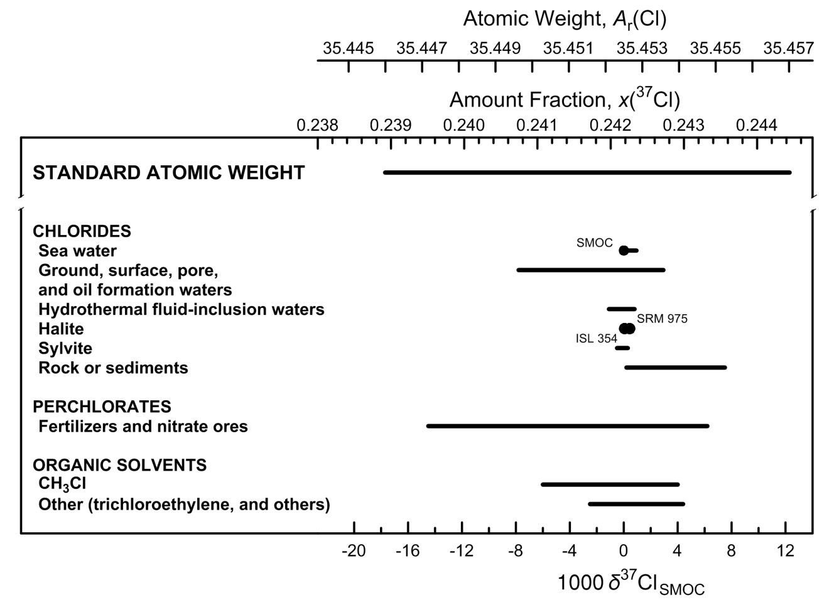

Fig. 10 Variation in isotopic composition and atomic weight of selected chlorine-bearing
materials (modified from [1,2]). SMOC is Standard Mean Ocean Chloride [3]. Isotopic
reference materials are designated by solid black circles. The δ37Cl scale and the 37Cl
amount-fraction scale were matched using the data of Shields et al. [4] and Xiao et al.
[5]. The expanded uncertainty in the atomic-weight and 37Cl amount-fraction scales with
the δ37Cl scale is equivalent to 2.5 ‰.

References

[1] M.E. Wieser, T. B. Coplen. Pure Appl Chem. 83, 359 (2011).

[2] T. B. Coplen, J. K. Böhlke, P. De Bièvre, T. Ding, N. E. Holden, J. A. Hopple, H. R. Krouse, A. Lamberty, H. S. Peiser, K. M. Révész, S. E. Rieder, K. J. R. Rosman, E. Roth, P. D. P. Taylor, R. D. Vocke Jr., Y. K. Xiao. Pure Appl. Chem. 74, 1987 (2002).

[3] T. B. Coplen, J. A. Hopple, J. K. Böhlke, H. S. Peiser, S. E. Rieder, H. R. Krouse, K. J. R. Rosman, T. Ding, R. D. Vocke, Jr., K. M. Révész, A. Lamberty, P. Taylor, P. De Bièvre. U.S. Geological Survey Water-Resources Investigations Report (WRI). 01-4222 (2002).

[4] W. R. Shields, T. J. Murphy, E. L. Garner, V. H. Dibeler. J. Am. Chem. Soc. 84, 1519 (1962).

[5] Y. K. Xiao, Z. Yinming, W. Qingzhong, W. Haizhen, L. Weiguo, C. J. Eastoe. Chem. Geol. 182, 655 (2002).

Bromine
Category | Subcategory | Lower bound |  |  |  |  | Upper bound
...
Standard atomic weight |  | -5.84 | 0.5082 | 0.4918 | 79.901 | M. E. Wieser, N. Holden, T. B. Coplen, J. K. Böhlke, M. Berglund, W. A. Brand, P. De Bièvre, M. Gröning, R. D. Loss, J. Meija, T. Hirata, T. Prohaska, R. Schoenberg, G. O’Connor, T. Walczyk, S. Yoneda, X.-K. Zhu. Pure Appl. Chem. 85, 1047 (2013). | 6.17 | 0.5052 | 0.4948
SMOB |  | 0 | 0.5067 | 0.4933 | 79.9039 | H. G. M. Eggenkamp, M. L. Coleman. Chem. Geol. 167, 393 (2000).
NIST SRM 977 |  | -0.64 | 0.5069 | 0.4931 | 79.9036 | O. Shouakar-Stash, S. K. Frape, R. J. Drimmie. Anal. Chem. 77, 4027 (2005).

Inorganic bromide | Sea water | 0 | 0.5067 | 0.4933 | 79.9039 | O. Shouakar-Stash, S. K. Frape, R. J. Drimmie. Anal. Chem. 77, 4027 (2005). | 0 | 0.5067 | 0.4933
Inorganic bromide | Saline waters & slat deposits | -0.8 | 0.5069 | 0.4931 | 79.9035 | O. Shouakar-Stash, S. V. Alexeev, S. K. Frape, L. P. Alexeeva, R. J. Drimmie. Appl. Geochem. 22, 589 (2007). | 3.35 | 0.5059 | 0.4941
Organic compounds |  | -4.3 | 0.5078 | 0.4922 | 79.9018 | D. Carrizo, M. Unger, H. Holmstrand, P. Andersson, Ö. Gustafsson, S. P. Sylva, C. M. Reddy. Environ. Chem. 8, 127 (2011). | 0.2 | 0.5067 | 0.4933
Elemental bromine |  | -1.34 | 0.5070 | 0.4930 | 79.9033 | E. Catanzaro, T. Murphy, E. Garner, W. Shields. J. Res. Natl. Bur. Std. 68 (1964). | 0.86 | 0.5065 | 0.4935

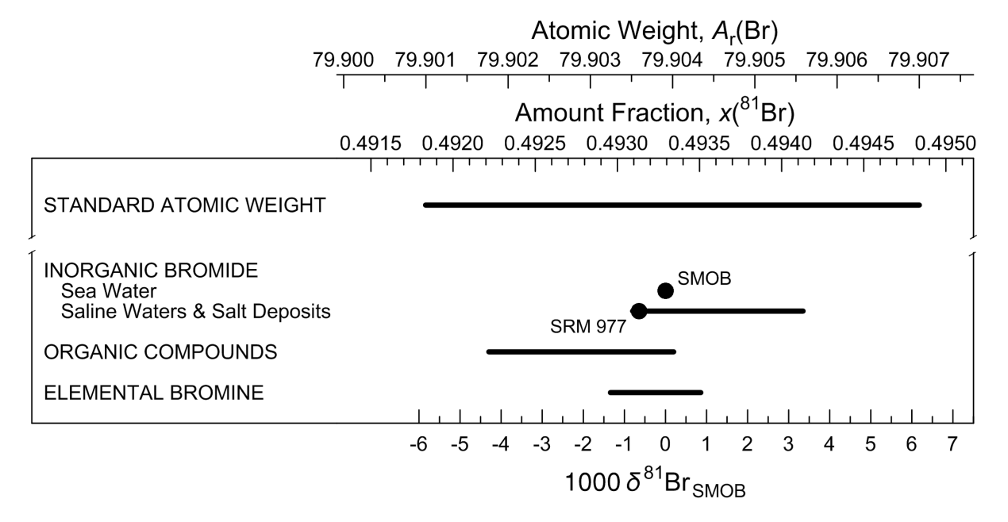

Fig. 11 Variation in isotopic composition and atomic weight of bromine in selected bromine-
bearing materials (modified from [1]). SMOB is Standard Mean Ocean Bromide [2].
Isotopic reference materials are designated by solid black circles. The δ81Br scale
and the 81Br amount-fraction scale were matched using data from [3,4]. The expanded
uncertainty in matching the atomic-weight and 81Br amount-fraction scales with the δ81Br
scale is equivalent to 1.1 ‰.

References
...

Thallium
Category | Subcategory | Lower bound |  |  |  |  | Upper bound
 |  | 103 δ205TlSRM997 | x(203Tl) | x(205Tl) | Atomic weight | Reference | 103 δ205TlSRM997 | x(203Tl) | x(205Tl)
Standard atomic weight |  | -3.19 | 0.29591 | 0.70409 | 204.382 | M. E. Wieser, T. B. Coplen. Pure Appl. Chem. 83, 359 (2011). | 4.03 | 0.29440 | 0.70560
SRM 997 |  | 0 | 0.29524 | 0.70476 | 204.38333 | T. B. Coplen, J. A. Hopple, J. K. Böhlke, H. S. Peiser, S. E. Rieder, H. R. Krouse, K. J. R. Rosman, T. Ding, R. D. Vocke, Jr., K. M. Révész, A. Lamberty, P. Taylor, P. De Bièvre. U.S. Geological Survey Water-Resources Investigations Report (WRI). 01-4222 (2002).

Igneous rocks |  | -0.18 | 0.25277 | 0.70472 | 204.38326 | M. Rehkamper, A. N. Halliday. Geochim. Cosmochim. Acta 63, 935 (1999). | 0.35 | 0.29517 | 0.70483
Sedimentary rocks |  | 0.33 | 0.29517 | 0.70483 | 204.38347 | M. Rehkämper, M. Frank, A. Halliday, J. Hein. In 11th Biannual Symposium, Strassbourg, Book of Abstracts, (2001). | 1.43 | 0.29494 | 0.70506
Reagents |  | -0.14 | 0.29527 | 0.70473 | 204.38327 | M. Rehkamper, A. N. Halliday. Geochim. Cosmochim. Acta 63, 935 (1999). | 0.02 | 0.29524 | 0.70476

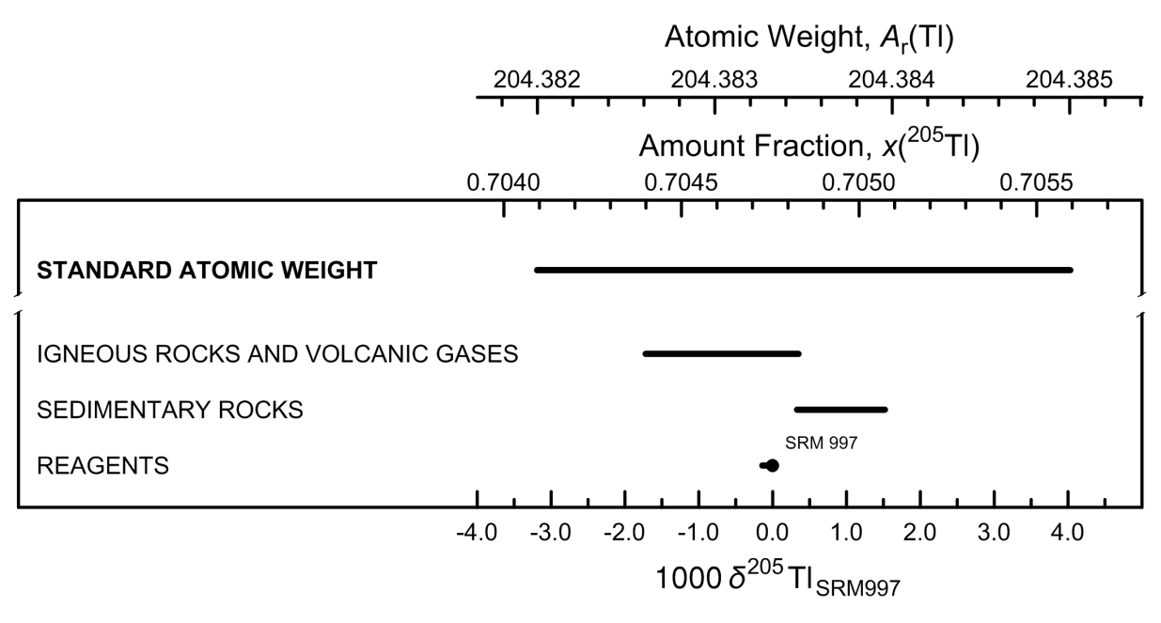

Fig. 12 Variation in atomic weight with isotopic composition of selected thallium-bearing
materials (modified from [1,2]). The reference material SRM 997 is elemental thallium
metal [3]. An isotopic reference material is designated by a solid black circle. The
δ205Tl scale and the 205Tl amount-fraction scale were matched using the data of Dunstan
et al. [4] and Rosman and Taylor [5]. The expanded uncertainty in the atomic-weight and
205Tl amount-fraction scales with the δ205Tl scale is equivalent to 0.4 ‰.

References
...

