Lithium
Category | Subcategory | Lower bound |  |  |  |  | Upper bound
 |  | 103 δ7LiLSVEC | x(6Li) | x(7Li) | Atomic weight | Reference | 103 δ7LiLSVEC | x(6Li) | x(7Li) | Atomic weight | Reference
Standard atomic weight |  | -28.1 | 0.07794 | 0.92206 | 6.938 | M. E. Wieser, T. B. Coplen. Pure Appl. Chem. 83, 359 (2011). | 3244.3 | 0.01899 | 0.98101 | 6.997 | M. E. Wieser, T. B. Coplen. Pure Appl. Chem. 83, 359 (2011).
LSVEC |  | 0 | 0.07591 | 0.92409 | 6.94002

Marine Sources | Sea water | 32.4 | 0.07371 | 0.92629 | 6.94223 | C.-F. You, L.-H. Chan. Geochim. Cosmochim. Acta 60, 909 (1996). | 33.9 | 0.07361 | 0.92639 | 6.94233 | C. Lui-Heung, J. M. Edmond. Geochim. Cosmochim. Acta 52, 1711 (1988).
Marine Sources | Hydrothermal fluids | 2.6 | 0.07573 | 0.92427 | 6.94021 | C. Lui-Heung, J. M. Gieskes, Y. Chen-Feng, J. M. Edmond. Geochim. Cosmochim. Acta 58, 4443 (1994). | 11 | 0.07515 | 0.92485 | 6.94079 | L.-H. Chan, J. M. Edmond, G. Thompson. J. Geophys. Res. 98 (B6), 9653 (1993).
Marine Sources | Foraminifera and carbonic sediments | -10 | 0.07662 | 0.92338 | 6.93931 | J. Hoefs, M. Sywall. Geochim. Cosmochim. Acta 61, 2679 (1997). | 42 | 0.07308 | 0.92692 | 6.94286 | J. Hoefs, M. Sywall. Geochim. Cosmochim. Acta 61, 2679 (1997).
Marine Sources | Brines and pore water | 1 | 0.07584 | 0.92416 | 6.94009 | R. D. Vocke, Jr. , E. S. Beary, R. J. Walker. In V.M. Goldschmidt Conference; programs and abstracts, Geochemical Society, p. 89 (1990). | 56.3 | 0.07216 | 0.92784 | 6.94378 | C.-F. You, L.-H. Chan. Geochim. Cosmochim. Acta 60, 909 (1996).
Non-Marine Sources | Surface Water | 15.5 | 0.07484 | 0.92516 | 6.94110 | L.-H. Chan, J. M. Edmond, G. Thompson, K. Gillis. Earth Planet. Sci. Lett. 108, 151 (1992). | 34.4 | 0.07357 | 0.92643 | 6.94236 | C. Lui-Heung, J. M. Edmond. Geochim. Cosmochim. Acta 52, 1711 (1988).
Non-Marine Sources | Ground and thermal water | -19 | 0.07727 | 0.92273 | 6.93867 | T. B. Coplen, J. A. Hopple, J. K. Böhlke, H. S. Peiser, S. E. Rieder, H. R. Krouse, K. J. R. Rosman, T. Ding, R. D. Vocke, K. Revesz, A. Lamberty, P. D. P. Taylor, P. De Bièvre. U.S. Geological Survey Water-Resources Investigations Report 01-4222 (2002). | 10 | 0.07522 | 0.92478 | 6.94072 | T. B. Coplen, J. A. Hopple, J. K. Böhlke, H. S. Peiser, S. E. Rieder, H. R. Krouse, K. J. R. Rosman, T. Ding, R. D. Vocke, K. Revesz, A. Lamberty, P. D. P. Taylor, P. De Bièvre. U.S. Geological Survey Water-Resources Investigations Report 01-4222 (2002).
Non-Marine Sources | Contaminated ground water | 10 | 0.07522 | 0.92478 | 6.94072 | T. B. Coplen, J. A. Hopple, J. K. Böhlke, H. S. Peiser, S. E. Rieder, H. R. Krouse, K. J. R. Rosman, T. Ding, R. D. Vocke, K. Revesz, A. Lamberty, P. D. P. Taylor, P. De Bièvre. U.S. Geological Survey Water-Resources Investigations Report 01-4222 (2002). | 354 | 0.05720 | 0.94280 | 6.95875 | T. B. Coplen, J. A. Hopple, J. K. Böhlke, H. S. Peiser, S. E. Rieder, H. R. Krouse, K. J. R. Rosman, T. Ding, R. D. Vocke, K. Revesz, A. Lamberty, P. D. P. Taylor, P. De Bièvre. U.S. Geological Survey Water-Resources Investigations Report 01-4222 (2002).
Lithium in rocks | Basalt (unaltered) | 3.4 | 0.07568 | 0.92432 | 6.94026 | L.-H. Chan, J. M. Edmond, G. Thompson, K. Gillis. Earth Planet. Sci. Lett. 108, 151 (1992). | 6.8 | 0.07544 | 0.92456 | 6.94050 | L.-H. Chan, J. M. Edmond, G. Thompson, K. Gillis. Earth Planet. Sci. Lett. 108, 151 (1992).
Lithium in rocks | Basalt (altered) | -2.1 | 0.07606 | 0.92394 | 6.93988 | L.-H. Chan, J. M. Edmond, G. Thompson, K. Gillis. Earth Planet. Sci. Lett. 108, 151 (1992). | 13.5 | 0.07498 | 0.92502 | 6.94096 | L.-H. Chan, C.-F. You, W. P. Leeman. In Geological Society of America, 1995 annual meeting, 1995 annual meeting, p. 38 (1995).
Lithium in rocks | Rhyolite | -3.5 | 0.07616 | 0.92384 | 6.93978 | T. D. Bullen, Y. K. Kharaka. In Proceedings of the 7th International Symposium on Water–Rock Interaction, Y. K. Kharaka, and A.S. Maest (Eds), p. 887 (1992). | -3.5 | 0.07616 | 0.92384 | 6.93978 | T. D. Bullen, Y. K. Kharaka. In Proceedings of the 7th International Symposium on Water–Rock Interaction, Y. K. Kharaka, and A.S. Maest (Eds), p. 887 (1992).
Lithium in rocks | Granite | 0 | 0.07591 | 0.92409 | 6.94002 | T. B. Coplen, J. A. Hopple, J. K. Böhlke, H. S. Peiser, S. E. Rieder, H. R. Krouse, K. J. R. Rosman, T. Ding, R. D. Vocke, K. Revesz, A. Lamberty, P. D. P. Taylor, P. De Bièvre. U.S. Geological Survey Water-Resources Investigations Report 01-4222 (2002). | 11.2 | 0.07514 | 0.92486 | 6.94080 | P. B. Tomascak, S. J. Lynton, R. J. Walker, E. J. Krogstad. In The Origin of Granites and Related Rocks: U.S. Geological Survey Circular, M. Brown, and P.M. Piccoli (Eds.), p. 151 (1995).
Lithium in rocks | Limestone | -3.5 | 0.07616 | 0.92384 | 6.93978 | T. D. Bullen, Y. K. Kharaka. In Proceedings of the 7th International Symposium on Water–Rock Interaction, Y. K. Kharaka, and A.S. Maest (Eds), p. 887 (1992). | 33.5 | 0.07363 | 0.92637 | 6.94230 | J. Hoefs, M. Sywall. Geochim. Cosmochim. Acta 61, 2679 (1997).
Phosphates | LiAlFPO4 (amblygonite) | -13 | 0.07684 | 0.92316 | 6.93910 | A. E. Cameron. J. Am. Chem. Soc. 77, 2731 (1955). | 7.4 | 0.07540 | 0.92460 | 6.94054 | H. J. Svec, A. R. Anderson. Geochim. Cosmochim. Acta 29, 633 (1965).
Silicates | LiAl(SiO3)2 (spodumene) | -12.6 | 0.07681 | 0.92319 | 6.93913 | A. E. Cameron. J. Am. Chem. Soc. 77, 2731 (1955). | 11.8 | 0.07509 | 0.92491 | 6.94084 | T. B. Coplen, J. A. Hopple, J. K. Böhlke, H. S. Peiser, S. E. Rieder, H. R. Krouse, K. J. R. Rosman, T. Ding, R. D. Vocke, K. Revesz, A. Lamberty, P. D. P. Taylor, P. De Bièvre. U.S. Geological Survey Water-Resources Investigations Report 01-4222 (2002).
Silicates | KLiAl2Si3O10 (lepidolite) | -6.6 | 0.07638 | 0.92362 | 6.93956 | A. E. Cameron. J. Am. Chem. Soc. 77, 2731 (1955). | 7.2 | 0.07541 | 0.92459 | 6.94053 | A. E. Cameron. J. Am. Chem. Soc. 77, 2731 (1955).
Reagents | 6Li depleted compounds | 434 | 0.05418 | 0.94582 | 6.96177 | H. P. Qi, T. B. Coplen, Q. Zh. Wang, Y. H. Wang. Anal. Chem. 69, 4076 (1997). | 3013 | 0.02006 | 0.97994 | 6.99593 | H. P. Qi, T. B. Coplen, Q. Zh. Wang, Y. H. Wang. Anal. Chem. 69, 4076 (1997).
Reagents | Other reagents | -11 | 0.07669 | 0.92331 | 6.93924 | H. P. Qi, T. B. Coplen, Q. Zh. Wang, Y. H. Wang. Anal. Chem. 69, 4076 (1997). | 23 | 0.07433 | 0.92567 | 6.94160 | H. P. Qi, T. B. Coplen, Q. Zh. Wang, Y. H. Wang. Anal. Chem. 69, 4076 (1997).

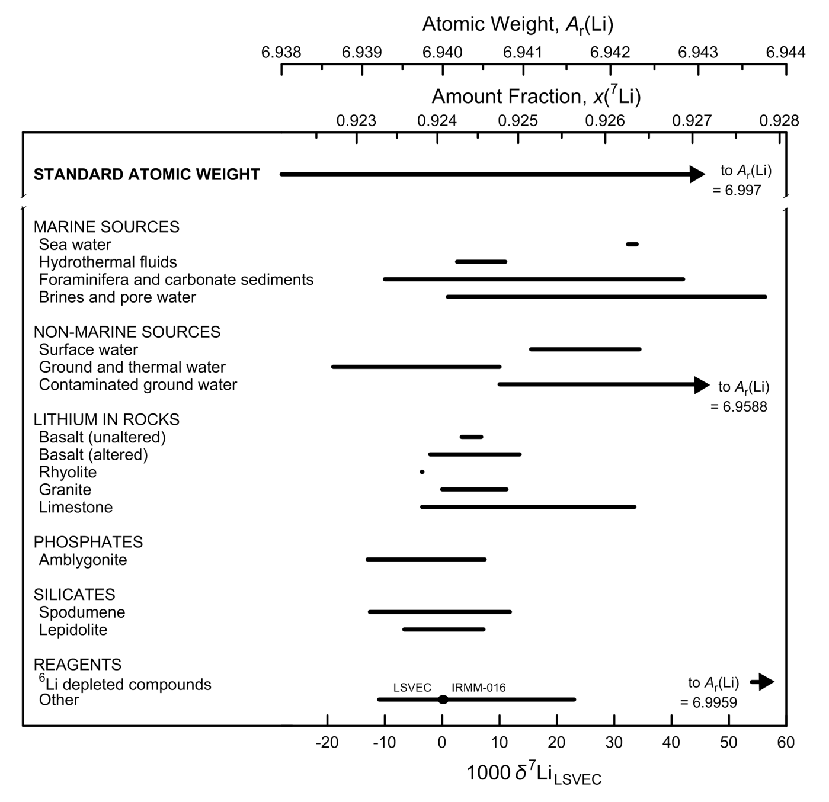

Fig. 2 Variation in isotopic composition and atomic weight of selected lithium-bearing
materials (modified from [1,2]). LSVEC is the lithium carbonate isotopic reference
material [3]. Isotopic reference materials are designated by solid black circles.
The δ7Li scale and the 7Li amount-fraction scale were matched using the data of
Qi et al. [4]. The expanded uncertainty in matching the atomic-weight and 7Li amount-
fraction scales with the δ7Li scale is equivalent to 3 ‰.

References

[1] M.E. Wieser, T. B. Coplen. Pure Appl Chem. 83, 359 (2011).

[2] T. B. Coplen, J. K. Böhlke, P. De Bièvre, T. Ding, N. E. Holden, J. A. Hopple, H. R. Krouse, A. Lamberty, H. S. Peiser, K. M. Révész, S. E. Rieder, K. J. R. Rosman, E. Roth, P. D. P. Taylor, R. D. Vocke Jr., Y. K. Xiao. Pure Appl. Chem. 74, 1987 (2002).

[3] T. B. Coplen, J. A. Hopple, J. K. Böhlke, H. S. Peiser, S. E. Rieder, H. R. Krouse, K. J. R. Rosman, T. Ding, R. D. Vocke, Jr., K. M. Révész, A. Lamberty, P. Taylor, P. De Bièvre. U.S. Geological Survey Water-Resources Investigations Report (WRI). 01-4222 (2002).

[4] H. P. Qi, P. D. P. Taylor, M. Berglund, P. De Bièvre. Int. J. Mass Spectrom. Ion Processes 171, 263 (1997).

Boron
Category | Subcategory | Lower bound |  |  |  |  | Upper bound
 |  | 103 δ11BSRM951 | x(10B) | x(11B) | Atomic weight | Reference | 103 δ11BSRM951 | x(10B) | x(11B) | Atomic weight | Reference
Standard atomic weight |  | -35.3 | 0.20404 | 0.79596 | 10.806 | M. E. Wieser, T. B. Coplen. Pure Appl. Chem. 83, 359 (2011). | 61.3 | 0.18898 | 0.81102 | 10.821 | M. E. Wieser, T. B. Coplen. Pure Appl. Chem. 83, 359 (2011).
SRM 951 |  | 0 | 0.19827 | 0.80173 | 10.81176

Marine Sources | Sea water | 38.4 | 0.19235 | 0.80765 | 10.81766 | A. Vengosh, A. R. Chivas, M. T. Mcculloch, A. Starinsky, Y. Kolodny. Geochim. Cosmochim. Acta 55, 2591 (1991). | 40.4 | 0.19205 | 0.80795 | 10.81795 | M. Nomura, T. Kanzaki, T. Ozawa, M. Okamoto, H. Kakihana. Geochim. Cosmochim. Acta 46, 2403 (1982).
Marine Sources | Evaporated sea water | 36.5 | 0.19263 | 0.80737 | 10.81737 | A. Vengosh, A. R. Chivas, M. T. Mcculloch, A. Starinsky, Y. Kolodny. Geochim. Cosmochim. Acta 55, 2591 (1991). | 58.5 | 0.18939 | 0.81061 | 10.82061 | U. S. Klötzli. Chem. Geol. (Isotope Geosci. Sect.) 101, 111 (1992).
Marine Sources | Hydrothermal fluids | 30 | 0.19361 | 0.80639 | 10.81639 | A. J. Spivack, J. M. Edmond. Geochim. Cosmochim. Acta 51, 1033 (1987). | 36.8 | 0.19259 | 0.80741 | 10.81742 | A. J. Spivack, J. M. Edmond. Geochim. Cosmochim. Acta 51, 1033 (1987).
Marine Sources | Evaporite minerals | 18.2 | 0.19542 | 0.80458 | 10.81460 | G. H. Swihart, P. B. Moore, E. L. Callis. Geochim. Cosmochim. Acta 50, 1297 (1986). | 31.7 | 0.19336 | 0.80664 | 10.81665 | G. H. Swihart, P. B. Moore, E. L. Callis. Geochim. Cosmochim. Acta 50, 1297 (1986).
Marine Sources | Carbonates (skeletal parts and formations) | 4 | 0.19764 | 0.80236 | 10.81239 | A. Vengosh, Y. Kolodny, A. Starinsky, A. R. Chivas, M. T. Mcculloch. Geochim. Cosmochim. Acta 55, 2901 (1991). | 32.2 | 0.19328 | 0.80672 | 10.81673 | A. Vengosh, Y. Kolodny, A. Starinsky, A. R. Chivas, M. T. Mcculloch. Geochim. Cosmochim. Acta 55, 2901 (1991).
Non-marine sources | Rain water | 0.8 | 0.19814 | 0.80186 | 10.81188 | A. J. Spivack. "Boron Isotope Geochemistry", Ph.D. Joint Program in Oceanography. Massachusetts Institute of Technology, Boston (1986). | 35 | 0.19286 | 0.80714 | 10.81715 | A. J. Spivack. "Boron Isotope Geochemistry", Ph.D. Joint Program in Oceanography. Massachusetts Institute of Technology, Boston (1986).
Non-marine sources | Brines, surface and ground waters | -21.3 | 0.20171 | 0.79829 | 10.80832 | S. Tonarini, M. Pennisi, A. Adorni-Braccesi, A. Dini, G. Ferrara, R. Gonfiantini, M. Gröning, M. Wiedenbeck. Geostand. Newslett. 27, 21 (2003). | 59.2 | 0.18929 | 0.81071 | 10.82071 | A. Vengosh, A. R. Chivas, M. T. Mcculloch, A. Starinsky, Y. Kolodny. Geochim. Cosmochim. Acta 55, 2591 (1991).
Non-marine sources | Hydrothermal fluids | -9.3 | 0.19976 | 0.80024 | 10.81027 | M. R. Palmer, N. C. Sturchio. Geochim. Cosmochim. Acta 54, 2811 (1990). | 29.1 | 0.19375 | 0.80625 | 10.81626 | U. S. Klötzli. Chem. Geol. (Isotope Geosci. Sect.) 101, 111 (1992).
Non-marine sources | Evaporite minerals | -31.3 | 0.20337 | 0.79663 | 10.80667 | H. O. Finley, A. R. Eberle, C. J. Rodden. Geochim. Cosmochim. Acta 26, 911 (1962). | 7.3 | 0.19712 | 0.80288 | 10.81290 | E. K. Agyei, C. C. McMullen. Can. J. Earth Sci. 5, 921 (1968).
Igneous rocks |  | -17 | 0.20101 | 0.79899 | 10.80903 | R. B. Trumbull, M. Chaussidon. Chem. Geol. 153, 125 (1999). | -1.7 | 0.19854 | 0.80146 | 10.81149 | A. J. Spivack, J. M. Edmond. Geochim. Cosmochim. Acta 51, 1033 (1987).
Metamorphic rocks |  | -34.2 | 0.20386 | 0.79614 | 10.80619 | G. Wang, Y. K. Xiao. Rock and Mineral Analysis 19, 169 (2000). | 22 | 0.19483 | 0.80517 | 10.81518 | G. H. Swihart, P. B. Moore. Geochim. Cosmochim. Acta 53, 911 (1989).
Sediments |  | -17 | 0.20101 | 0.79899 | 10.80903 | T. Ishikawa, E. Nakamura. Earth Planet. Sci. Lett. 117, 567 (1993). | 26.2 | 0.19419 | 0.80581 | 10.81582 | T. Ishikawa, E. Nakamura. Earth Planet. Sci. Lett. 117, 567 (1993).
Organic boron |  | -12 | 0.20020 | 0.79980 | 10.80984 | M. E. Wieser, S. S. Iyer, H. R. Krouse, M. I. Cantagallo. Appl. Geochem. 16, 317 (2001). | 29.3 | 0.19372 | 0.80628 | 10.81629 | R. A. Vanderpool, P. E. Johnson. J. Agric. Food. Chem. 40, 462 (1992).

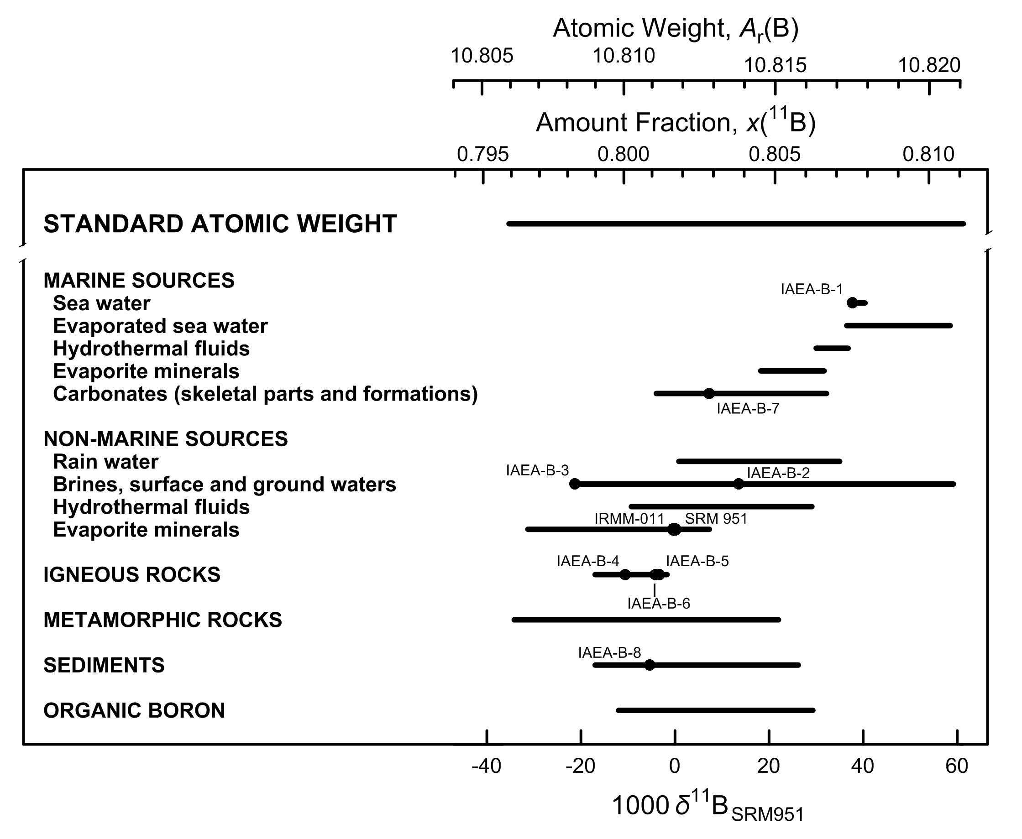

Fig. 3 Variation in isotopic composition and atomic weight of selected boron-bearing
materials (modified from [1, 2]). SRM 951 is a boric acid isotopic reference
material [3]. Isotopic reference materials are designated by solid black circles.
The δ11B scale and 11B amount-fraction scale were matched using the data of
Catanzaro et al. [4]. The expanded uncertainty in matching the atomic-weight and
11B amount-fraction scales with the δ11B scale is equivalent to 0.8 ‰.

References

[1] M.E. Wieser, T. B. Coplen. Pure Appl Chem. 83, 359 (2011).

[2] T. B. Coplen, J. K. Böhlke, P. De Bièvre, T. Ding, N. E. Holden, J. A. Hopple, H. R. Krouse, A. Lamberty, H. S. Peiser, K. M. Révész, S. E. Rieder, K. J. R. Rosman, E. Roth, P. D. P. Taylor, R. D. Vocke Jr., Y. K. Xiao. Pure Appl. Chem. 74, 1987 (2002).

[3] T. B. Coplen, J. A. Hopple, J. K. Böhlke, H. S. Peiser, S. E. Rieder, H. R. Krouse, K. J. R. Rosman, T. Ding, R. D. Vocke, Jr., K. M. Révész, A. Lamberty, P. Taylor, P. De Bièvre. U.S. Geological Survey Water-Resources Investigations Report (WRI). 01-4222 (2002).

[4] E. J. Catanzaro, C. E. Champion, E. L. Garner, G. Marinenko, K. M. Sappenfield, W. R. Shields. NBS Special Publication 260-17, U.S. Printing Office, Washington, D.C. (1970).

Carbon
Category | Subcategory | Lower bound |  |  |  |  | Upper bound
 |  | 103 δ13CVPDB | x(12C) | x(13C) | Atomic weight | Reference | 103 δ13CVPDB | x(12C) | x(13C) | Atomic weight | Reference
Standard atomic weight |  | -135.9 | 0.990432 | 0.009568 | 12.0096 | M. E. Wieser, T. B. Coplen. Pure Appl. Chem. 83, 359 (2011). | 46.2 | 0.988439 | 0.011561 | 12.0116 | M. E. Wieser, T. B. Coplen. Pure Appl. Chem. 83, 359 (2011).
VPDB |  | 0 | 0.988944 | 0.011056 | 12.011093 | T. B. Coplen. Pure Appl. Chem. 66, 273 (1994).
NBS 19 |  | 1.95 | 0.988922 | 0.011078 | 12.011115 | T. B. Coplen. Pure Appl. Chem. 66, 273 (1994).

Carbonate and bicarbonate | Sea water | -0.8 | 0.988952 | 0.011048 | 12.011085 | P. M. Kroopnick. Deep-Sea Res. 32, 57 (1985). | 2.2 | 0.988920 | 0.011080 | 12.011118 | P. M. Kroopnick. Deep-Sea Res. 32, 57 (1985).
Carbonate and bicarbonate | Other water | -37.1 | 0.989349 | 0.010651 | 12.010686 | A. Nissenbaum, B. J. Presley, I. R. Kaplan. Geochim. Cosmochim. Acta 36, 1007 (1972). | 37.5 | 0.988534 | 0.011466 | 12.011505 | G. E. Claypool, C. N. Threlkeld, P. N. Mankeiwicz, M. A. Arthur, T. F. Anderson. In Intial Reports- Deep Sea Drilling Project, v. 84, p. 683 (1985).
Carbonate and bicarbonate | Metamorphic and igneous rock | -11.9 | 0.989074 | 0.010926 | 12.010963 | P. Deines, D. P. Gold. Geochim. Cosmochim. Acta 37, 1709 (1973). | 24.8 | 0.988673 | 0.011327 | 12.011365 | P. Deines. Geochim. Cosmochim. Acta 32, 613 (1968).
Carbonate and bicarbonate | Typical marine carbonate rock | -6 | 0.989009 | 0.010991 | 12.011028 | L. S. Land. In Concepts and Models of Dolomite Formation, D. A. Zenger (Ed.), Society Economic Paleontology Minerology, Special Publications, v. 28, p. 87 (1980). | 6 | 0.988878 | 0.011122 | 12.011159 | L. S. Land. In Concepts and Models of Dolomite Formation, D. A. Zenger (Ed.), Society Economic Paleontology Minerology, Special Publications, v. 28, p. 87 (1980).
Carbonate and bicarbonate | Other carbonate | -64.5 | 0.989649 | 0.010351 | 12.010385 | W. G. Deuser. Earth Planet. Sci. Lett. 8, 118 (1970). | 21.1 | 0.988713 | 0.011287 | 12.011325 | W. G. Deuser. Earth Planet. Sci. Lett. 8, 118 (1970).
Carbon dioxide | Air | -8.2 | 0.989033 | 0.010967 | 12.011004 | C. D. Keeling, S. C. Piper, M. Heimann. In Aspects of climate variability in the Pacific and the Western Americas, D.H. Peterson (Ed.), American Geophysical Union, Washington, D.C., 305 (1989). doi: 10.1029/GM055p0305 | -6.7 | 0.989017 | 0.010983 | 12.011020 | C. D. Keeling. Geochim. Cosmochim. Acta 13, 322 (1958).
Carbon dioxide | Soil gas | -31 | 0.989283 | 0.010717 | 12.010753 | R. Aravena, S. K. Frape, B. J. Moore, E. M. Van Warmerdam, R. J. Drimmie. In Water Resources Management v. 1, p. 31 (1996). | 6.9 | 0.988868 | 0.011132 | 12.011169 | K. Notsu, K. Sugiyama, M. Hosoe, A. Uemura, Y. Shimoike, F. Tsunomori, P. A. Hernandez. In Eleventh Annual VM Goldschmidt Conference. Abstract 3224, LPI Contribution NO. 1088, Lunar and Planetary Institute, Houston (CD-ROM), (2001).
Carbon dioxide | Volcanic gas | -37 | 0.989348 | 0.010652 | 12.010687 | V. M. Valysaev, Y. I. Grinchenko, V. Ye. Yerokhin, V. S. Prokhorov, G. A. Titkov. Lithol. Miner. Resour. 20, 62 (1985). | 23 | 0.988692 | 0.011308 | 12.011346 | V. M. Valysaev, Y. I. Grinchenko, V. Ye. Yerokhin, V. S. Prokhorov, G. A. Titkov. Lithol. Miner. Resour. 20, 62 (1985).
Carbon dioxide | Oil, gas, coal, and landfills | -37.6 | 0.989355 | 0.010645 | 12.010681 | G. J. Wasserburg, E. Mazor, R. H. Zartman. In Earth and Science Meteoritics, J. Geiss and E.D. Goldberg (Eds.), Amsterdamn, The Netherlands, p. 219 (1963). | 28 | 0.988638 | 0.011362 | 12.011401 | M. J. Whiticar, M. Hovland, M. Kastner, J. Sample. In Proceedings of the Ocean Drilling Program, Scientific Results, B. Carson and G. Westbrook (Eds.), v. 146, p. 385 (1995).
Carbon dioxide | Commercial tank gas and reference materials | -54 | 0.989534 | 0.010466 | 12.010501 | T. B. Coplen, J. A. Hopple, J. K. Böhlke, H. S. Peiser, S. E. Rieder, H. R. Krouse, K. J. R. Rosman, T. Ding, R. D. Vocke, Jr., K. M. Révész, A. Lamberty, P. Taylor, P. De Bièvre. U.S. Geological Survey Water-Resources Investigations Report (WRI). 01-4222 (2002). | -28.76 | 0.989258 | 0.010742 | 12.010778 | NIST. Report of Investigation, Reference Materials 8562 - 8564, Gaithersburg, Maryland, National Institute of Standards and Technology.
Oxalates | CaC2O4·xH20 (whewellite) | -31.7 | 0.989290 | 0.010710 | 12.010746 | K. Žák, R. Skála. Chem. Geol. (Isotope Geosci. Sect.) 106, 123 (1993). | 33.7 | 0.988575 | 0.011425 | 12.011463 | B. A. Hofmann, S. M. Bernasconi. Chem. Geol. 149, 127 (1998).
Carbon monoxide | Air (CO) | -31.5 | 0.989288 | 0.010712 | 12.010748 | C. A. Brenninkmeijer. J. Geophys. Res.Atmos. 98, 10595 (1993). | -22 | 0.989184 | 0.010816 | 12.010852 | C. M. Stevens, L. Krout, D. Walling, A. Venters, A. Engelkemeir, L. E. Ross. Earth Planet. Sci. Lett. 16, 147 (1972).
Organic carbon | Land Plants (C3 metabolic process) | -35 | 0.989326 | 0.010674 | 12.010709 | M. H. O'Leary. Biosci. 38, 328 (1988). | -21 | 0.989173 | 0.010827 | 12.010863 | B. N. Smith, B. Turner. Am. J. Bot. 62, 541 (1975).
Organic carbon | Land plants (C4 metabolic process) | -16 | 0.989119 | 0.010881 | 12.010918 | B. N. Smith, B. Turner. Am. J. Bot. 62, 541 (1975). | -9 | 0.989042 | 0.010958 | 12.010995 | B. N. Smith, B. Turner. Am. J. Bot. 62, 541 (1975).
Organic carbon | Land Plants (CAM metabolic process) | -34 | 0.989316 | 0.010684 | 12.010720 | P. Deines. In Handbook of environmental isotope geochemistry, Volume 1, The Terrestrial Environment, A.P. Fritz and J. Ch. Pontes (Eds.), Elsevier Scientific Publishing Co., Amsterdam, The Netherlands, p. 329 (1980). | -10 | 0.989053 | 0.010947 | 12.010984 | M. H. O'Leary. Biosci. 38, 328 (1988).
Organic carbon | Marine Organisms | -74.3 | 0.989757 | 0.010243 | 12.010278 | C. K. Paull, A. J. T. Jull, L. J. Toolin, T. Linick. Nature 317, 709 (1985). | -2 | 0.988965 | 0.011035 | 12.011072 | H. P. Schwarcz. In Handbook of Geochemistry, K.H. Wedepohl (Ed.), The Stable Isotopes of Carbon, Springer-Verlag, Berlin, Germany, Section B-1, p. 6B1 (1969).
Organic carbon | Marine sediments and compounds | -130.3 | 0.990370 | 0.009630 | 12.009662 | M. Elvert, E. Suess, J. Greinert, M. J. Whiticar. Org. Geochem. 31, 1175 (2000). | 7 | 0.988867 | 0.011133 | 12.011170 | P. Deines. In Handbook of environmental isotope geochemistry, Volume 1, The Terrestrial Environment, A.P. Fritz and J. Ch. Pontes (Eds.), Elsevier Scientific Publishing Co., Amsterdam, The Netherlands, p. 329 (1980).
Organic carbon | Coal | -30 | 0.989272 | 0.010728 | 12.010764 | P. Deines. In Handbook of environmental isotope geochemistry, Volume 1, The Terrestrial Environment, A.P. Fritz and J. Ch. Pontes (Eds.), Elsevier Scientific Publishing Co., Amsterdam, The Netherlands, p. 329 (1980). | -19 | 0.989151 | 0.010849 | 12.010885 | P. Deines. In Handbook of environmental isotope geochemistry, Volume 1, The Terrestrial Environment, A.P. Fritz and J. Ch. Pontes (Eds.), Elsevier Scientific Publishing Co., Amsterdam, The Netherlands, p. 329 (1980).
Organic carbon | Crude Oil | -44 | 0.989425 | 0.010575 | 12.010611 | Z. Sofer. Am. Assoc. Pet. Geol. Bull. 68, 31 (1984). | -16.8 | 0.989127 | 0.010873 | 12.010909 | Z. Sofer. Am. Assoc. Pet. Geol. Bull. 68, 31 (1984).
Organic carbon | Ethanol (naturally occurring) | -32 | 0.989294 | 0.010706 | 12.010742 | P. Rauschenbach, H. Simon, W. Stichler, H. Moser. Z. Naturforsch 34, 1 (1979). | -10.3 | 0.989056 | 0.010944 | 12.010980 | P. Rauschenbach, H. Simon, W. Stichler, H. Moser. Z. Naturforsch 34, 1 (1979).
Elemental carbon | Graphite | -41 | 0.989392 | 0.010608 | 12.010643 | P. Deines. In Handbook of environmental isotope geochemistry, Volume 1, The Terrestrial Environment, A.P. Fritz and J. Ch. Pontes (Eds.), Elsevier Scientific Publishing Co., Amsterdam, The Netherlands, p. 329 (1980). | 6.2 | 0.988876 | 0.011124 | 12.011162 | E. D. Ghent, J. R. O'Neil. Can. J. Earth Sci. 22, 324 (1985).
Elemental carbon | Diamonds | -34.4 | 0.989320 | 0.010680 | 12.010716 | E. Galimov. Geochem. Internal. 22, 118 (1985). | 5 | 0.988889 | 0.011111 | 12.011148 | J. Harris. In Mantle xenoliths, P.H. Nixon (Ed.), John Wiley and Sons Ltd., New York, p. 477 (1987).
Ethane | Hydrocarbon gas | -55.6 | 0.989552 | 0.010448 | 12.010483 | G. Hut. Consultants' group meeting on stable isotope reference samples for geochemical and hydrological investigations: IAEA, Vienna 16-18 September 1985: Report to the Director General, International Atomic Energy Agency (1987). | 6.6 | 0.988871 | 0.011129 | 12.011166 | P. Gerling, M. J. Whiticar, E. Faber. Adv. Org. Geochem. 13, 335 (1988).
Methane | Air | -50.6 | 0.989497 | 0.010503 | 12.010538 | D. A. Merritt, J. M. Hayes, D. J. DesMarias. J. Geophys. Res.Atmos. 100, 1317 (1995). | -39 | 0.989370 | 0.010630 | 12.010665 | A. E. Bainbridge, H. E. Suess, I. Friedman. Nature 192, 648 (1961).
Methane | Marine and other sources | -109 | 0.990137 | 0.009863 | 12.009896 | M. J. Whiticar, E. Faber, M. Schoell. Geochim. Cosmochim. Acta 50, 693 (1986). | 12.7 | 0.988805 | 0.011195 | 12.011233 | P. Gerling, M. J. Whiticar, E. Faber. Adv. Org. Geochem. 13, 335 (1988).
Methane | Fresh water sources | -86 | 0.989885 | 0.010115 | 12.010149 | R. S. Oremland, G. M. King. In Microbial Mats: Physiological Ecology of Benthic Microbial Communities, Y. Cohen and E. Rosenberg (Eds.), American Society for Microbiology, Washington, D.C. , p. 180 (1989). | -50 | 0.989491 | 0.010509 | 12.010545 | M. J. Whiticar, E. Faber, M. Schoell. Geochim. Cosmochim. Acta 50, 693 (1986).
Methane | Commercial tank gas | -51 | 0.989502 | 0.010498 | 12.010534 | T. B. Coplen, J. A. Hopple, J. K. Böhlke, H. S. Peiser, S. E. Rieder, H. R. Krouse, K. J. R. Rosman, T. Ding, R. D. Vocke, Jr., K. M. Révész, A. Lamberty, P. Taylor, P. De Bièvre. U.S. Geological Survey Water-Resources Investigations Report (WRI). 01-4222 (2002). | -38 | 0.989359 | 0.010641 | 12.010676 | T. B. Coplen, J. A. Hopple, J. K. Böhlke, H. S. Peiser, S. E. Rieder, H. R. Krouse, K. J. R. Rosman, T. Ding, R. D. Vocke, Jr., K. M. Révész, A. Lamberty, P. Taylor, P. De Bièvre. U.S. Geological Survey Water-Resources Investigations Report (WRI) 01-4222. (2002).

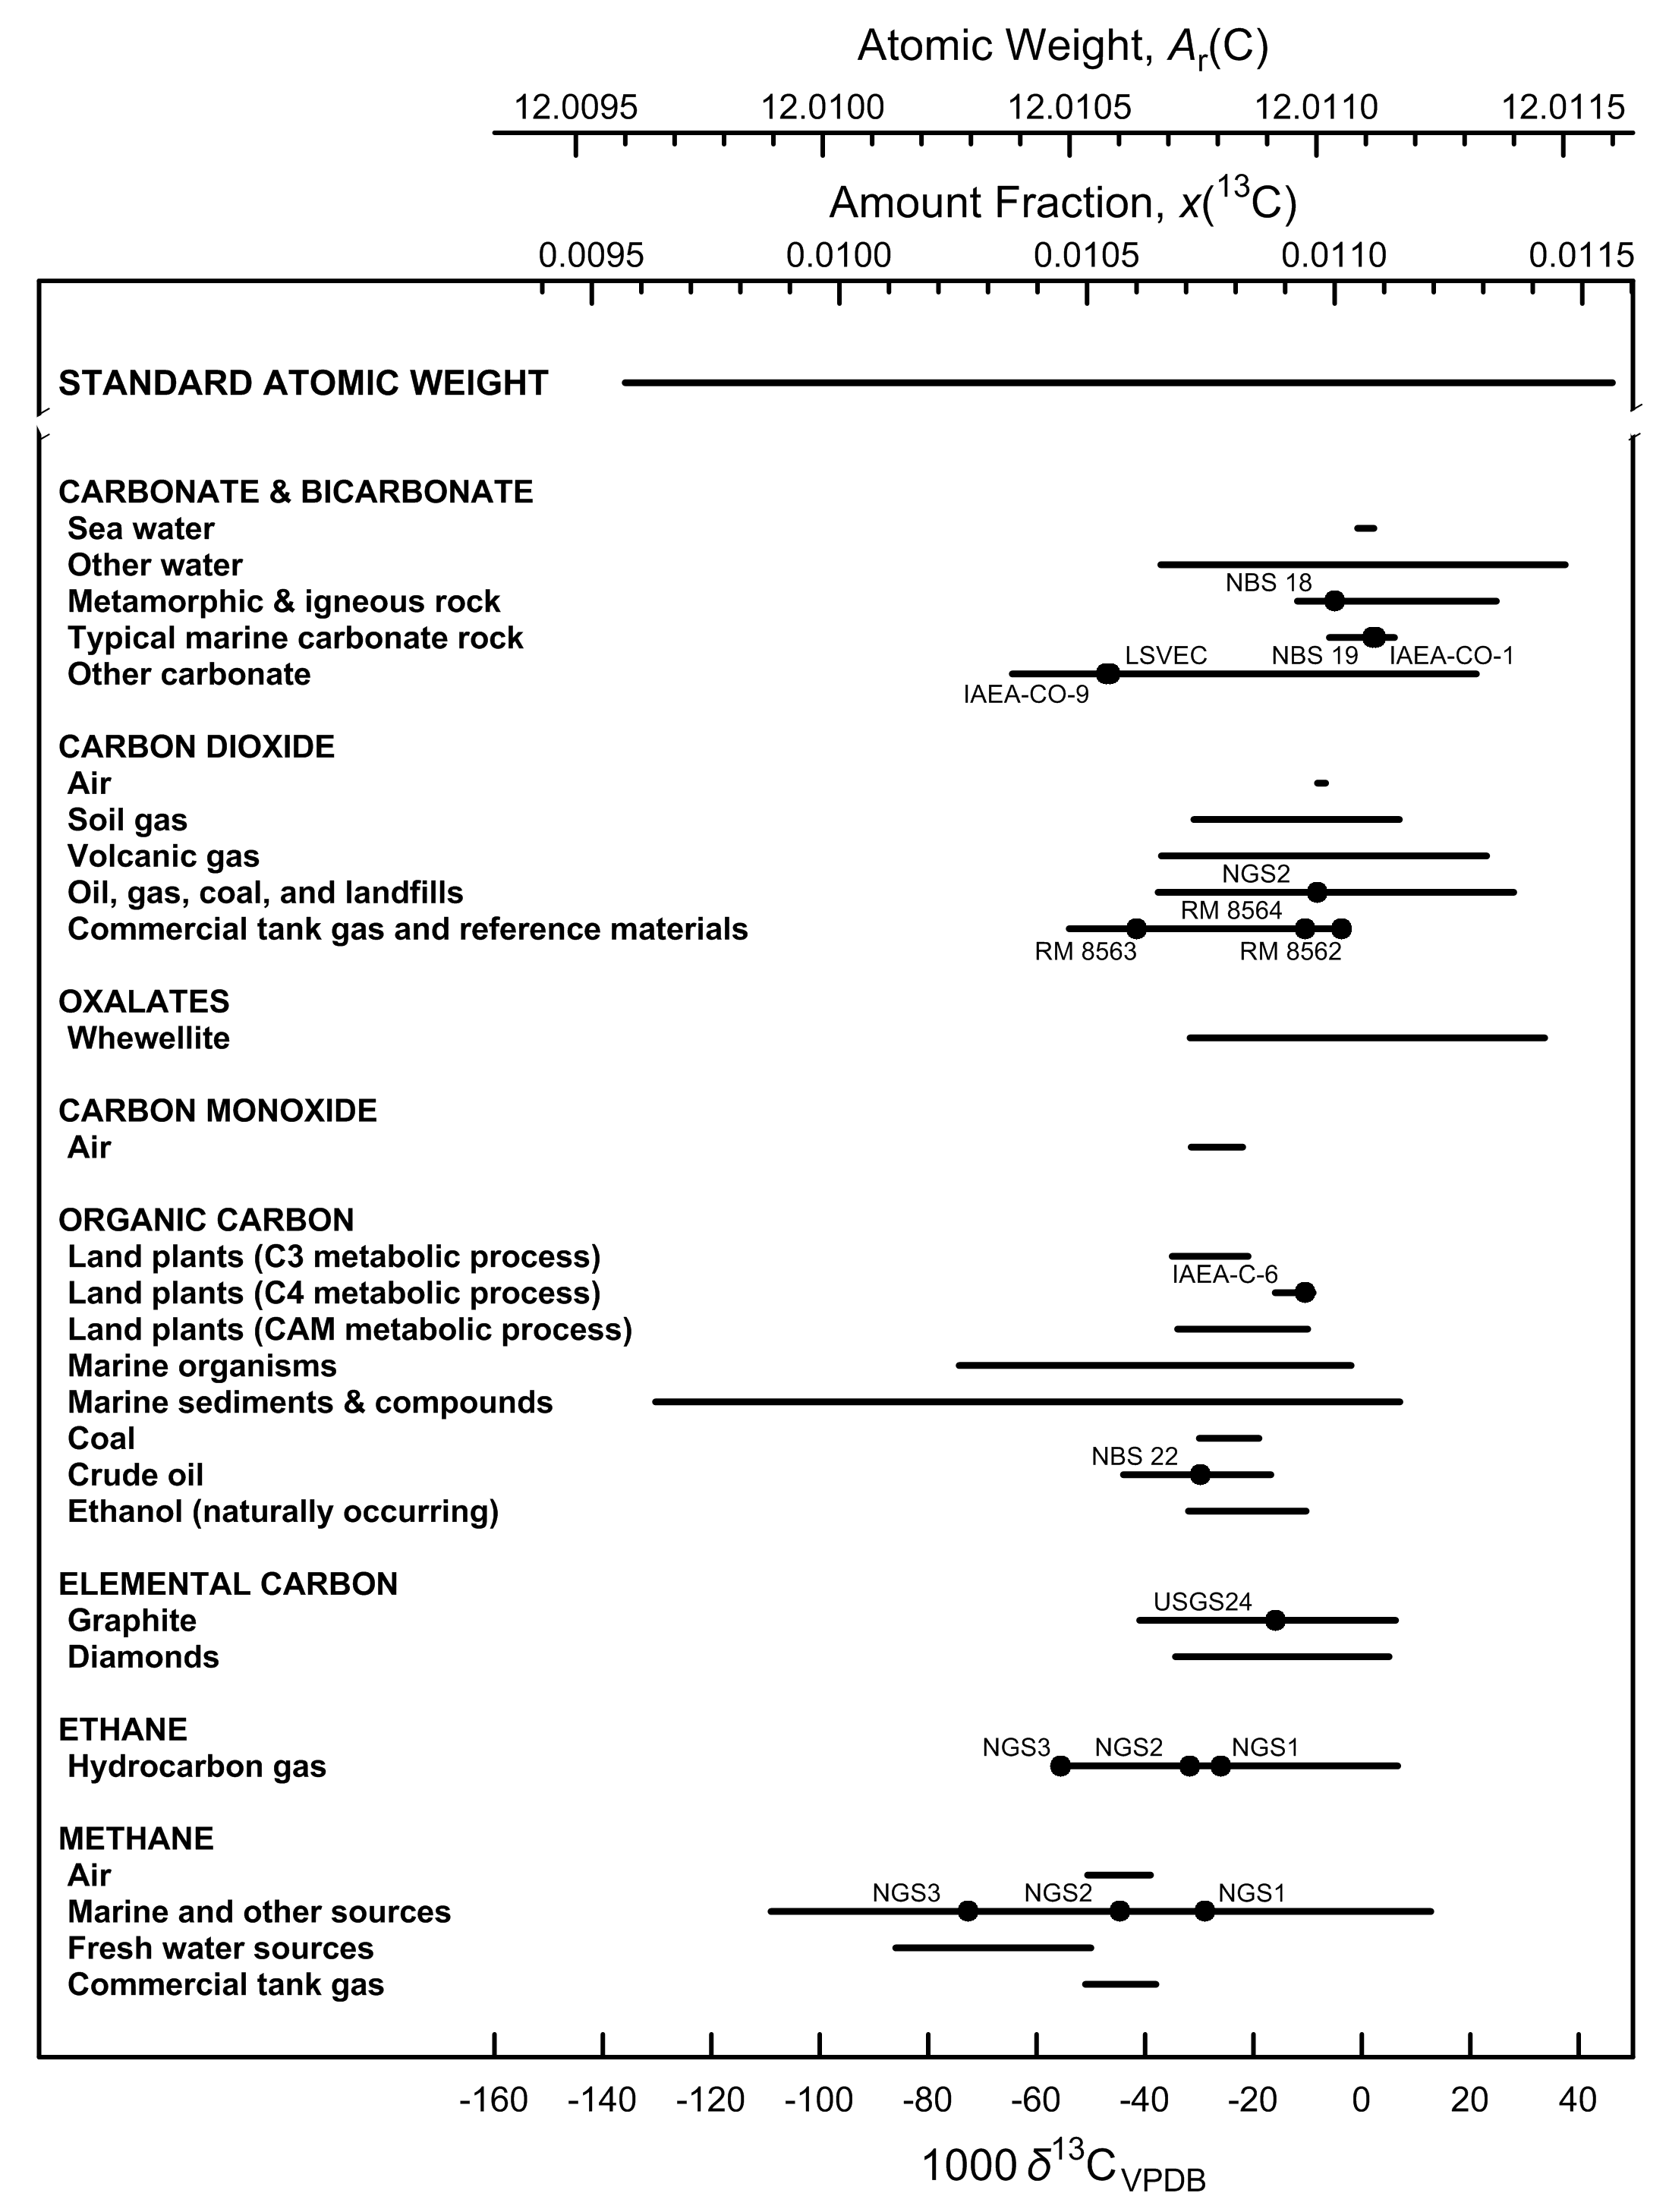

Fig. 4 Variation in isotopic composition and atomic weight of selected carbon-bearing
materials (modified from [1, 2]). VPDB is the Vienna Peedee belemnite–LSVEC isotope
scale [3]. Isotopic reference materials are designated by solid black circles.
The δ13C scale and 13C amount-fraction scale were matched using the data of Chang
and Li [4]. The expanded uncertainty in matching the atomic-weight and 13C amount-
fraction scales with the δ13C scale is equivalent to 2.5 ‰.

References

[1] M.E. Wieser, T. B. Coplen. Pure Appl Chem. 83, 359 (2011).

[2] T. B. Coplen, J. K. Böhlke, P. De Bièvre, T. Ding, N. E. Holden, J. A. Hopple, H. R. Krouse, A. Lamberty, H. S. Peiser, K. M. Révész, S. E. Rieder, K. J. R. Rosman, E. Roth, P. D. P. Taylor, R. D. Vocke Jr., Y. K. Xiao. Pure Appl. Chem. 74, 1987 (2002).

[3] W. A. Brand, T. B. Coplen, J. Vogl, M. Rosner, T. Prohaska. Pure Appl. Chem. 86, 425 (2014).

[4] T. L. Chang, W. Li. Chin. Sci. Bull. 35, 290 (1990).

Nitrogen
Category | Subcategory | Lower bound |  |  |  |  | Upper bound
 |  | 103 δ15NAir (‰) | x(14N) | x(15N) | Atomic weight | Reference | 103 δ15NAir (‰) | x(14N) | x(15N) | Atomic weight | Reference
Standard atomic weight |  | -81.34 | 0.996634 | 0.003366 | 14.00643 | M. E. Wieser, T. B. Coplen. Pure Appl. Chem. 83, 359 (2011). | 152.3 | 0.995781 | 0.004219 | 14.00728 | M. E. Wieser, T. B. Coplen. Pure Appl. Chem. 83, 359 (2011).
N2 in air |  | 0 | 0.996337 | 0.003663 | 14.006726 | A. Mariotti. Nature. 303, 685 (1983).

Nitrate | Air (aerosols and precipitation) | -16 | 0.996395 | 0.003605 | 14.006668 | T. H. E. Heaton. Atmos. Environ. 21, 843 (1987). | 18 | 0.996271 | 0.003729 | 14.006792 | H. Moore. Atmos. Environ. 11, 1239 (1977).
Nitrate | Sea water and estuaries | -6 | 0.996359 | 0.003641 | 14.006704 | N. Ostrom. "Stable isotopic variation in particulate organic matter and dissolved inorganic compounds in a northern fjord: Implications for present and past environments", Ph.D Dissertation. Memorial University of Newfoundland, Newfoundland, Canada (1992). | 20 | 0.996264 | 0.003736 | 14.006799 | A. Mariotti, C. Lancelot, G. Billen. Geochim. Cosmochim. Acta 48, 549 (1984). S. G. Horrigan, J. P. Montoya, J. L. Nevins, J. J. Mccarthy. Estuar. Coast. Shelf Sci. 30, 393 (1990).
Nitrate | Ground water and ice | -7 | 0.996363 | 0.003637 | 14.006701 | A. Mariotti, A. Landreau, B. Simon. Geochim. Cosmochim. Acta 52, 1869 (1988). | 150 | 0.995790 | 0.004210 | 14.007272 | H. D. Freyer, K. Kobel, R. J. Delmas, D. Kley, M. R. Legrand. Tellus B 48, 93 (1996).
Nitrate | Soil extracts | -23 | 0.996421 | 0.003579 | 14.006642 | E. Wada, R. Shibata, T. Torii. Nature 292, 327 (1981). | 46 | 0.996169 | 0.003831 | 14.006894 | C. Kreitler. "Determining the source of nitrate in groundwater by nitrogen isotope studies", Ph.D. Dissertation. University of Texas Austin, Texas, Bureau of Economic Geology Report of Investigations No. 83 (1974).
Nitrate | Desert salt deposits | -5 | 0.996355 | 0.003645 | 14.006708 | J. K. Böhlke, G. E. Ericksen, K. Revesz. Chem. Geol. 136, 135 (1997). | 15 | 0.996282 | 0.003718 | 14.006781 | J. N. Densmore, J. K. Böhlke. In Interdisciplinary Perspectives on Drinking Water Risk Assessment and Management, E.G. Reichard, F.S. Hauchman, and A.M. Sancha (Eds.), International Association of Hydrological Sciences Publication 260, p. 63 (2000).
Nitrate | Synthetic reagents and fertilizers | -23 | 0.996421 | 0.003579 | 14.006642 | H. D. Freyer, A. I. M. Aly. J. Environ. Qual. 3, 405 (1974). | 15 | 0.996282 | 0.003718 | 14.006781 | G. B. Shearer, D. H. Kohl, B. Commoner. Soil Science 118, 308 (1974).
Nitrite | Ground waters | -30 | 0.996446 | 0.003554 | 14.006617 | J. K. Böhlke, R. L. Smith, K. M. Revesz, T. Yoshinari. Trans. Am. Geophys. Union 81, S186 (2000). | 55 | 0.996136 | 0.003864 | 14.006926 | J. K. Böhlke, R. L. Smith, K. M. Revesz, T. Yoshinari. Trans. Am. Geophys. Union 81, S186 (2000).
Nitrite | Synthetic reagents | -80 | 0.996629 | 0.003371 | 14.006435 | T. B. Coplen, J. A. Hopple, J. K. Böhlke, H. S. Peiser, S. E. Rieder, H. R. Krouse, K. J. R. Rosman, T. Ding, R. D. Vocke, Jr., K. M. Révész, A. Lamberty, P. Taylor, P. De Bièvre. U.S. Geological Survey Water-Resources Investigations Report (WRI). 01-4222 (2002). | 4 | 0.996322 | 0.003678 | 14.006741 | T. B. Coplen, J. A. Hopple, J. K. Böhlke, H. S. Peiser, S. E. Rieder, H. R. Krouse, K. J. R. Rosman, T. Ding, R. D. Vocke, Jr., K. M. Révész, A. Lamberty, P. Taylor, P. De Bièvre. U.S. Geological Survey Water-Resources Investigations Report (WRI). 01-4222 (2002).
Nitrogen oxide gases | N2O in air (troposphere) | 0 | 0.996337 | 0.003663 | 14.006726 | H. Moore. Tellus 26B, 169 (1974). | 10 | 0.996301 | 0.003699 | 14.006763 | N. Yoshida, S. Matsuo. Geochem. J. 17, 231 (1983).
Nitrogen oxide gases | N2O in sea water | 3 | 0.996326 | 0.003674 | 14.006737 | N. Yoshida, S. Matsuo. Geochem. J. 17, 231 (1983). | 38 | 0.996198 | 0.003802 | 14.006864 | T. Yoshinari, M. A. Altabet, S. W. A. Naqvi, L. Codispoti, A. Jayakumar, M. Kuhland, A. Devol. Mar. Chem. 56, 253 (1997).
Nitrogen oxide gases | N2O in ground water | -55 | 0.996538 | 0.003462 | 14.006526 | J. K. Böhlke, R. L. Smith, K. M. Revesz, T. Yoshinari. Trans. Am. Geophys. Union 81, S186 (2000). | 53 | 0.996144 | 0.003856 | 14.006919 | J. K. Böhlke, R. L. Smith, K. M. Revesz, T. Yoshinari. Trans. Am. Geophys. Union 81, S186 (2000).
Nitrogen oxide gases | NOx in air | -15 | 0.996392 | 0.003608 | 14.006672 | H. Moore. Atmos. Environ. 11, 1239 (1977). | 5 | 0.996319 | 0.003681 | 14.006744 | T. H. E. Heaton. Atmos. Environ. 21, 843 (1987).
Nitrogen oxide gases | NOx from nitric acid plant | -150 | 0.996885 | 0.003115 | 14.006180 | T. H. E. Heaton. Atmos. Environ. 21, 843 (1987).
Nitrogen gas | Air | 0 | 0.996337 | 0.003663 | 14.006726 | A. Mariotti. Nature 303, 685 (1983). | 0 | 0.996337 | 0.003663 | 14.006726 | A. Mariotti. Nature 303, 685 (1983).
Nitrogen gas | Ground waters | -3 | 0.996348 | 0.003652 | 14.006715 | J. C. Vogel, A. S. Talma, T. H. E. Heaton. J. Hydrol. 50, 191 (1981). | 5 | 0.996319 | 0.003681 | 14.006744 | R. L. Smith, B. L. Howes, J. H. Duff. Geochim. Cosmochim. Acta 55, 1815 (1991).
Nitrogen gas | Volcanic gases and hot springs | -10 | 0.996373 | 0.003627 | 14.006690 | B. Marty, E. Gunnlaugsson, A. Jambon, N. Oskarsson, M. Ozima, F. Pineau, P. Torssander. Chem. Geol. 91, 207 (1991). | 16 | 0.996279 | 0.003721 | 14.006784 | P. Allard. In Forecasting Volcanic Events, Developments in Volcanology H. Tazieff and J.-C. Sabroux (Eds.), Elsevier, New York, v. 1, p. 337 (1983).
Nitrogen gas | Sedimentary basins | -49 | 0.996516 | 0.003484 | 14.006548 | L. Stroud, T. O. Meyer, D. E. Emerson. U.S. Department of the Interior, Bureau of Mines, Report of Investigation 6936 (1967). | 46 | 0.996169 | 0.003831 | 14.006894 | V. R. Eichmann, A. Plate, W. Behrens, H. Kroepelin. Erdoel Kohle 24, 2 (1971).
Nitrogen gas | Commercial tank gas | -5 | 0.996355 | 0.003645 | 14.006708 | G. B. Shearer, J. O. Legg. Soi. Sci. Soc. Am. Proc. 39, 896 (1975). | 3 | 0.996326 | 0.003674 | 14.006737 | M. Zschiesche. "Entwicklung proben chemischen Verfahren zur Bestimmung der isotopen Zusammensetzung des N aus Gasen, Gesteinen, und N-Lieferanten für bakteriologische Modelluntersuchungen", Ph.D. Dissertation. Karl-Marx-Universitat, Leipzig, Germany (1972).
Organic nitrogen | Plants and animals | -49 | 0.996516 | 0.003484 | 14.006548 | E. Wada, R. Shibata, T. Torii. Nature 292, 327 (1981). | 31 | 0.996224 | 0.003776 | 14.006839 | E. Wada, R. Shibata, T. Torii. Nature 292, 327 (1981).
Organic nitrogen | Marine particulate organic matter | -3 | 0.996348 | 0.003652 | 14.006715 | M. A. Altabet, J. J. McCarthy. Deep Sea Res. Part A. Ocean. Res. Papers 32, 755 (1985). | 46 | 0.996169 | 0.003831 | 14.006894 | M. A. Altabet, J. J. McCarthy. Deep Sea Res. Part A. Ocean. Res. Papers 32, 755 (1985).
Organic nitrogen | Bituminuous sediments, peat, and coal | -3 | 0.996348 | 0.003652 | 14.006715 | T. Hoering. Science 122, 1233 (1955). | 13 | 0.996290 | 0.003710 | 14.006773 | D. Rigby, B. D. Batts. Chem. Geol. 58, 273 (1986).
Organic nitrogen | Crude Oil | 1 | 0.996333 | 0.003667 | 14.006730 | T. C. Hoering, H. E. Moore. Geochim. Cosmochim. Acta 13, 225 (1958). | 7 | 0.996311 | 0.003689 | 14.006752 | V. R. Eichmann, A. Plate, W. Behrens, H. Kroepelin. Erdoel Kohle 24, 2 (1971). T. C. Hoering, H. E. Moore. Geochim. Cosmochim. Acta 13, 225 (1958).
Organic nitrogen | Soils | -29 | 0.996443 | 0.003557 | 14.006621 | E. Wada, R. Shibata, T. Torii. Nature 292, 327 (1981). | 38 | 0.996198 | 0.003802 | 14.006864 | H. Mizutani, H. Hasegawa, E. Wada. Biogeochemistry 2, 221 (1986).
Organic nitrogen | Synthetic reagents and fertilizers | -3 | 0.996348 | 0.003652 | 14.006715 | G. B. Shearer, D. H. Kohl, B. Commoner. Soil Science 118, 308 (1974). | 6 | 0.996315 | 0.003685 | 14.006748 | G. B. Shearer, D. H. Kohl, B. Commoner. Soil Science 118, 308 (1974).
Organic nitrogen | Biological fertilizers | 3 | 0.996326 | 0.003674 | 14.006737 | G. B. Shearer, D. H. Kohl, B. Commoner. Soil Science 118, 308 (1974). | 15 | 0.996282 | 0.003718 | 14.006781 | G. B. Shearer, D. H. Kohl, B. Commoner. Soil Science 118, 308 (1974).
Nitrogen in rocks | Metamorphic rocks | 1 | 0.996333 | 0.003667 | 14.006730 | G. E. Bebout, M. L. Fogel. Geochim. Cosmochim. Acta 56, 2839 (1992). | 17 | 0.996275 | 0.003725 | 14.006788 | D. Haendel, K. Muhle, H.-M. Nitzsche, G. Stiehl, U. Wand. Geochim. Cosmochim. Acta 50, 749 (1986).
Nitrogen in rocks | Igneous rocks | -36 | 0.996468 | 0.003532 | 14.006595 | D. P. Mattey, L. P. Carr, R. H. Carr, I. P. Wright, C. T. Pillinger. In The Early Earth: The Interval from Accretion to the Older Archean, Lunar and Planetary Institute Technical Report, v. 85-01, p. 59 (1985). | 31 | 0.996224 | 0.003776 | 14.006839 | K. Mayne. Geochim. Cosmochim. Acta 12, 185 (1957).
Nitrogen in rocks | Diamonds | -37 | 0.996472 | 0.003528 | 14.006591 | D. P. Mattey, L. P. Carr, R. H. Carr, I. P. Wright, C. T. Pillinger. In The Early Earth: The Interval from Accretion to the Older Archean, Lunar and Planetary Institute Technical Report, v. 85-01, p. 59 (1985). | 14 | 0.996286 | 0.003714 | 14.006777 | D. P. Mattey, L. P. Carr, R. H. Carr, I. P. Wright, C. T. Pillinger. In The Early Earth: The Interval from Accretion to the Older Archean, Lunar and Planetary Institute Technical Report, v. 85-01, p. 59 (1985).
Ammonium | Air (ammonia gas) | -15 | 0.996392 | 0.003608 | 14.006672 | T. H. E. Heaton. Atmos. Environ. 21, 843 (1987). | 28 | 0.996235 | 0.003765 | 14.006828 | H. Moore. Atmos. Environ. 11, 1239 (1977).
Ammonium | Air (aerosols and precipitation) | -14 | 0.996388 | 0.003612 | 14.006675 | H. D. Freyer. Tellus A 30, 83 (1978). | 14 | 0.996286 | 0.003714 | 14.006777 | L. J. Moore, L. A. Machlan, W. R. Shields, E. L. Garner. Anal. Chem. 46, 1082 (1974).
Ammonium | Sea water and estuaries | 2 | 0.996330 | 0.003670 | 14.006733 | D. J. Velinsky, M. L. Fogel, J. F. Todd, B. M. Tebo. Geophys. Res. Lett. 18, 649 (1991). | 42 | 0.996184 | 0.003816 | 14.006879 | D. J. Velinsky, J. R. Pennock, J. H. Sharp, L. A. Cifuentes, M. L. Fogel. Mar. Chem. 26, 351 (1989).
Ammonium | Soil extracts | -7 | 0.996363 | 0.003637 | 14.006701 | H. D. Freyer. Pure Appl. Geophy. 116, 393 (1978). | 50 | 0.996155 | 0.003845 | 14.006908 | H. Mizutani, H. Hasegawa, E. Wada. Biogeochemistry 2, 221 (1986).
Ammonium | Volcanic gas condensates | -31 | 0.996450 | 0.003550 | 14.006613 | V. F. Volynets, I. K. Zadorozhny, K. P. Florensky. Geokhimiya 5, 587 (1967). | 13 | 0.996290 | 0.003710 | 14.006773 | T. Hoering. Science 122, 1233 (1955). V. F. Volynets, I. K. Zadorozhny, K. P. Florensky. Geokhimiya 5, 587 (1967).
Ammonium | Synthetic reagents and fertilizers | -5 | 0.996355 | 0.003645 | 14.006708 | G. B. Shearer, D. H. Kohl, B. Commoner. Soil Science 118, 308 (1974). | 11 | 0.996297 | 0.003703 | 14.006766 | M. Drechsler. "Entwicklung einer probenchemischen Methode zur Präzisionsisotopenanalyse am Stickstoff biogener Sedimente: Aussagen der Stickstoffisotopenvariationen zur Genese des Stickstoffs in Erdgasen", Ph.D. Dissertation. AdW der DDR, Leipzig, Germany (1976).

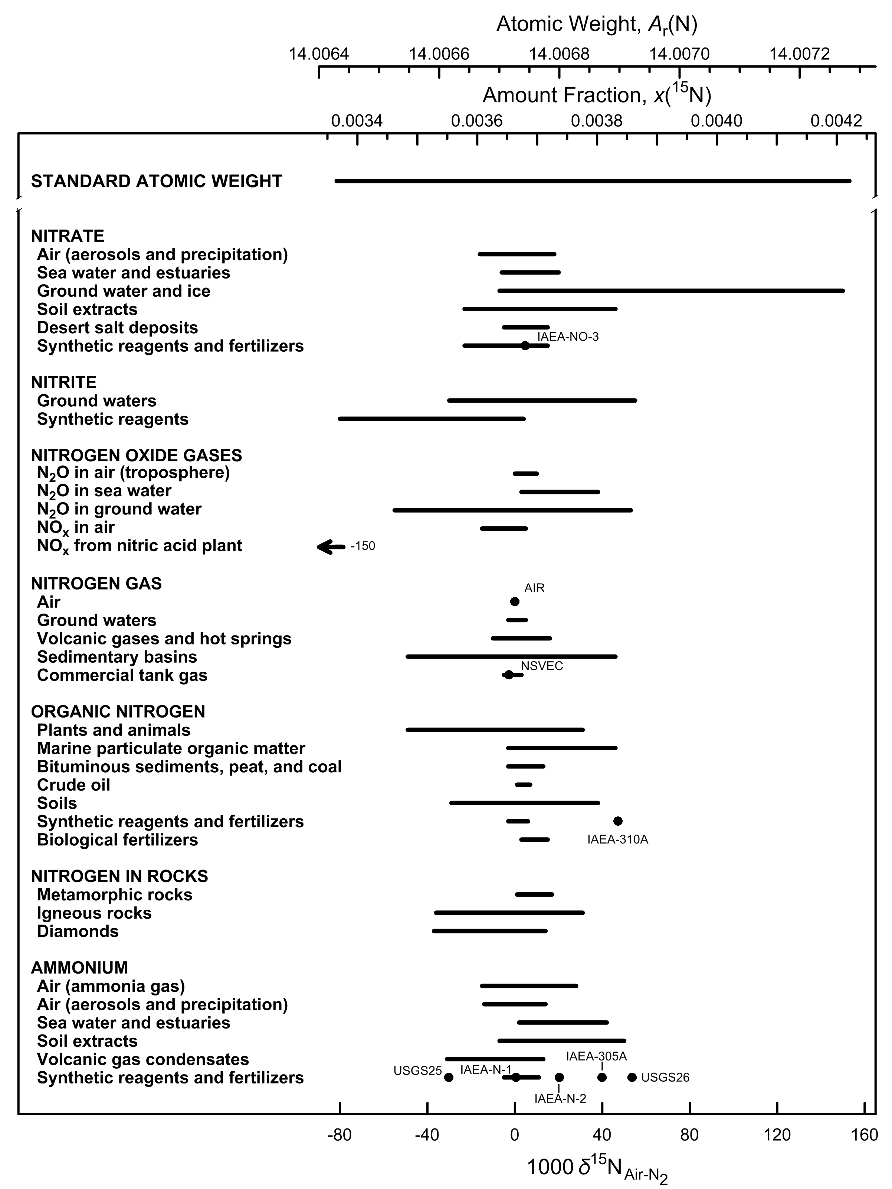

Fig. 5 Variation in isotopic composition and atomic weight of selected nitrogen-bearing
materials (modified from [1, 2]). Isotopic reference materials are designated by
solid black circles. The δ15N scale and 15N amount-fraction scale were matched using
the data of Junk and Svec [3]. The expanded uncertainty in the atomic-weight and
15N amount-fraction scales with the δ15N scale is equivalent to 1.1 ‰. The δ15N
value of -150 ‰ for NOx from a nitric acid plant is for a commercially available material
that has been subjected to inadvertent isotopic fractionation [4] (footnote m of the
Table of Standard Atomic Weights 2013 [5]); thus, it is not included in the atomic-
weight interval.

References

[1] M.E. Wieser, T. B. Coplen. Pure Appl Chem. 83, 359 (2011).

[2] T. B. Coplen, J. K. Böhlke, P. De Bièvre, T. Ding, N. E. Holden, J. A. Hopple, H. R. Krouse, A. Lamberty, H. S. Peiser, K. M. Révész, S. E. Rieder, K. J. R. Rosman, E. Roth, P. D. P. Taylor, R. D. Vocke Jr., Y. K. Xiao. Pure Appl. Chem. 74, 1987 (2002).

[3] G. Junk, H. J. Svec. Geochim. Cosmochim. Acta 14, 234 (1958).

[4] T. B. Coplen, J. A. Hopple, J. K. Böhlke, H. S. Peiser, S. E. Rieder, H. R. Krouse, K. J. R. Rosman, T. Ding, R. D. Vocke, Jr., K. M. Révész, A. Lamberty, P. Taylor, P. De Bièvre. U.S. Geological Survey Water-Resources Investigations Report (WRI). 01-4222 (2002).

[5] M. E. Wieser, N. Holden, T. B. Coplen, J. K. Böhlke, M. Berglund, W. A. Brand, P. De Bièvre, M. Gröning, R. D. Loss, J. Meija, T. Hirata, T. Prohaska, R. Schoenberg, G. O’Connor, T. Walczyk, S. Yoneda, X.-K. Zhu. Pure Appl. Chem. 85, 1047 (2013).

Oxygen
Category | Subcategory | Lower bound |  |  |  |  |  | Upper bound
 |  | 103 δ18OVSMOW | x(16O) | x(17O) | x(18O) | Atomic weight | Reference | 103 δ18OVSMOW | x(16O) | x(17O) | x(18O) | Atomic weight | Reference
Standard atomic weight |  | -65.5 | 0.9977646 | 0.0003657 | 0.0018696 | 15.9990291 | M. E. Wieser, T. B. Coplen. Pure Appl. Chem. 83, 359 (2011). | 111.3 | 0.9973781 | 0.0003994 | 0.0022225 | 15.99977 | M. E. Wieser, T. B. Coplen. Pure Appl. Chem. 83, 359 (2011).
VSMOW |  | 0 | 0.9976206 | 0.0003790 | 0.0020004 | 15.9993045 | R. Gonfiantini. Nature 271, 534 (1978).

Oxygen gas | Air | 23.8 | 0.9975686 | 0.0003835 | 0.0020479 | 15.9994042 | P. Kroopnick, H. Craig. Science 175, 54 (1972). | 23.8 | 0.9975686 | 0.0003835 | 0.0020479 | 15.9994042 | P. Kroopnick, H. Craig. Science 175, 54 (1972).
Water | Sea Water | -1 | 0.9976228 | 0.0003788 | 0.0019984 | 15.9993003 | H. Craig. In McGraw-Hill Yearbook of Science and Technology, Isotopic Composition of Ocean Water, McGraw-Hill, New York, p. 268 (1967). | 0.6 | 0.9976193 | 0.0003791 | 0.0020016 | 15.9993072 | H. Craig. In McGraw-Hill Yearbook of Science and Technology, Isotopic Composition of Ocean Water, McGraw-Hill, New York, p. 268 (1967).
Water | Continental water | -62.8 | 0.9977587 | 0.0003663 | 0.0018750 | 15.9990406 | L. Aldaz, S. Deutsch. Earth Planet. Sci. Lett. 3, 267 (1968). | 31.3 | 0.9975519 | 0.0003852 | 0.0020629 | 15.9994359 | J.-C. Fontes, R. Gonfiantini. Earth Planet. Sci. Lett. 3, 258 (1967).
Water | Fruit juice and wine | -4.4 | 0.9976303 | 0.0003781 | 0.0019916 | 15.9992860 | J. Bricout, L. Merlivat, J. Ch. Fontes. Comptes Rendus 274, 1803 (1973). | 15.3 | 0.9975870 | 0.0003820 | 0.0020309 | 15.9993688 | E. A. Calwell. "An understanding of factors controlling isotopic ratios of wine as a potential surrogate of past precipitation", M.Sc. Thesis. University of Nevada, Las Vegas, Nevada (1995).
Carbon monoxide | Air | -6.9 | 0.9976357 | 0.0003776 | 0.0019866 | 15.9992755 | C. A. Brenninkmeijer. J. Geophys. Res.Atmos. 98, 10595 (1993). | 1.7 | 0.9976169 | 0.0003793 | 0.0020038 | 15.9993115 | C. A. Brenninkmeijer. J. Geophys. Res.Atmos. 98, 10595 (1993).
Carbon monoxide | Commercial tank gas† | -65 | 0.9977635 | 0.0003658 | 0.0018706 | 15.9990314 | T. B. Coplen, J. A. Hopple, J. K. Böhlke, H. S. Peiser, S. E. Rieder, H. R. Krouse, K. J. R. Rosman, T. Ding, R. D. Vocke, K. Revesz, A. Lamberty, P. D. P. Taylor, P. De Bièvre. U.S. Geological Survey Water-Resources Investigations Report 01-4222 (2002). | 7.6 | 0.9976039 | 0.0003805 | 0.0020156 | 15.9993364 | T. B. Coplen, J. A. Hopple, J. K. Böhlke, H. S. Peiser, S. E. Rieder, H. R. Krouse, K. J. R. Rosman, T. Ding, R. D. Vocke, K. Revesz, A. Lamberty, P. D. P. Taylor, P. De Bièvre. U.S. Geological Survey Water-Resources Investigations Report 01-4222 (2002).
Carbon dioxide | Air | 40 | 0.9975329 | 0.0003869 | 0.0020802 | 15.9994724 | R. J. Francey, P. P. Tans. Nature 327, 495 (1987). | 53 | 0.9975044 | 0.0003894 | 0.0021062 | 15.9995271 | M. H. Thiemens, T. L. Jackson, K. Mauersberger, B. Schueler, J. Morton. Geophys. Res. Lett. 18, 669 (1991).
Carbon dioxide | Commercial tank gas | 3.9 | 0.9976120 | 0.0003798 | 0.0020082 | 15.9993211 | T. B. Coplen, C. Kendall, J. Hopple. Nature 302, 236 (1983). | 22.2 | 0.9975719 | 0.0003834 | 0.0020447 | 15.9993977 | NIST. Report of Investigation, Reference Materials 8562 - 8564, Gaithersburg, Maryland, National Institute of Standards and Technology.
Carbonates | Typical marine carbonate | 26 | 0.9975636 | 0.0003841 | 0.0020523 | 15.9994137 | K. J. Murata, I. Friedman, B. M. Madsen. In U.S. Geological Survey Professional Paper 614-B, p. B1 (1969). | 34 | 0.9975460 | 0.0003857 | 0.0020683 | 15.9994473 | K. J. Murata, I. Friedman, B. M. Madsen. In U.S. Geological Survey Professional Paper 614-B, p. B1 (1969).
Carbonates | Igneous (carbonatite) | -1.3 | 0.9976235 | 0.0003787 | 0.0019978 | 15.9992990 | G. D. Garlick. In Handbook of Geochemistry, K.H. Wedepohl (Ed.), The Stable Isotopes of Oygen, Springer-Verlag, Berlin, Germany, p. 8B1 (1969). | 7.7 | 0.9976037 | 0.0003805 | 0.0020158 | 15.9993369 | K. Suwa, S. Oana, H. Wada, S. Osaki. Phy. Chem. Earth 9, 735 (1975).
Carbonates | Other carbonate | -20.5 | 0.9976656 | 0.0003749 | 0.0019595 | 15.9992184 | G. Faure, J. Hoefs, L. M. Jones, J. B. Curtis, D. E. Pride. Nature 332, 352 (1988). | 36.4 | 0.9975408 | 0.0003862 | 0.0020730 | 15.9994573 | A. Makhnach, N. Mikhajlov, V. Shimanovich, I. Kolosov. Sediment Geol 94, 85 (1994).
Nitrogen oxides | N20 (air and water) | 20 | 0.9975767 | 0.0003830 | 0.0020403 | 15.9993887 | T. Pérez, S. E. Trumbore, S. C. Tyler, E. A. Davidson, M. Keller, P. B. de Camargo. Global Biogeochem. Cycles 14, 525 (2000). | 109 | 0.9973819 | 0.0004002 | 0.0022179 | 15.9997619 | T. Yoshinari, M. A. Altabet, S. W. A. Naqvi, L. Codispoti, A. Jayakumar, M. Kuhland, A. Devol. Mar. Chem. 56, 253 (1997).
Nitrogen oxides | Nitrate (air and water) | -2.5 | 0.9976261 | 0.0003785 | 0.0019954 | 15.9992942 | A. Amberger, H. L. Schmidt. Geochim. Cosmochim. Acta 51, 2699 (1987). | 76 | 0.9974540 | 0.0003939 | 0.0021521 | 15.9996234 | K. W. J. Williard, D. R. DeWalle, P. J. Edwards, W. E. Sharpe. J. Hydrol. 252, 174 (2001).
Oxides | Al and Fe oxides | -15.5 | 0.9976546 | 0.0003759 | 0.0019695 | 15.9992394 | C. J. Yapp. Climate Change in Continental Isotopic Records, P.K. Swart et al. (Eds.), Geophysical Monograph 78. p. 285, Washington, D.C. , American Geophysical Union (1993). | 16 | 0.9975855 | 0.0003822 | 0.0020323 | 15.9993717 | M. I. Bird, A. R. Chivas, A. S. Andrew. Geochim. Cosmochim. Acta 53, 1411 (1989).
Oxides | Chert | 9.4 | 0.9976000 | 0.0003809 | 0.0020192 | 15.9993440 | L. P. Knauth, D. R. Lowe. Earth Planet. Sci. Lett. 41, 209 (1978). | 45 | 0.9975219 | 0.0003879 | 0.0020902 | 15.9994934 | L. D. Labeyrie, J. J. Pichon, M. Labracherie, P. Ippolito, J. Duprat, J. C. Duplessy. Nature 322, 701 (1986).
Phosphates | Skeletal parts (phosphates) | 6 | 0.9976074 | 0.0003802 | 0.0020124 | 15.9993297 | Y. Kolodny, B. Luz, O. Navon. Earth Planet. Sci. Lett. 64, 398 (1983). | 26.7 | 0.9975620 | 0.0003843 | 0.0020537 | 15.9994168 | J. D. Bryant, B. Luz, P. N. Froelich. Palaeogeogr., Palaeoclimatol., Palaeoecol. 107, 303 (1994).
Phosphates | Phosphorite rocks | 8.6 | 0.9976017 | 0.0003807 | 0.0020176 | 15.9993406 | A. Longinelli, S. Nuti. Earth Planet. Sci. Lett. 5, 13 (1968). | 25.1 | 0.9975655 | 0.0003840 | 0.0020505 | 15.9994101 | A. Shemesh, Y. Kolodny, B. Luz. Earth Planet. Sci. Lett. 64, 405 (1983).
Silicates |  | -16.2 | 0.9976562 | 0.0003758 | 0.0019681 | 15.9992366 | P. Blattner, G. W. Grindley, C. J. Adams. Geochim. Cosmochim. Acta 61, 569 (1997). | 34.9 | 0.9975440 | 0.0003859 | 0.0020701 | 15.9994510 | J. K. Böhlke, J. C. Alt, K. Muehlenbachs. Can. J. Earth Sci. 21, 67 (1984).
Sulfates | Air | -19 | 0.9976623 | 0.0003752 | 0.0019625 | 15.9992248 | A. L. Norman, H. R. Krouse. In Atmospheric Chmemistry, Papers from the 9th World Clean Air Congress, Critical Issues in the Global Environment, Air and Waste Management Association, Pittsburgh, Pennsylvania,, v. 2, Paper IU8.01 (1992). | 14.1 | 0.9975897 | 0.0003818 | 0.0020285 | 15.9993639 | Y. Mizutani, T. A. Rafter. Geochem. J. 6, 183 (1973).
Sulfates | Sea water | 9.3 | 0.9976002 | 0.0003808 | 0.0020190 | 15.9993436 | A. Longinelli. In Handbook of Environmental Isotope Geochemistry, Volume 3, P. Fritz and J.Ch. Fontes (Eds.), Elsevier Scientific Publishing Co., Amsterdam, The Netherlands, p. 219 (1989). | 9.6 | 0.9975995 | 0.0003809 | 0.0020196 | 15.9993450 | A. Longinelli. In Handbook of Environmental Isotope Geochemistry, Volume 3, P. Fritz and J.Ch. Fontes (Eds.), Elsevier Scientific Publishing Co., Amsterdam, The Netherlands, p. 219 (1989).
Sulfates | Other water | -19.8 | 0.9976641 | 0.0003750 | 0.0019609 | 15.9992215 | M. J. Hendry, H. R. Krouse, M. A. Shakur. Water Resour. Res. 25, 567 (1989). | 23.2 | 0.9975697 | 0.0003836 | 0.0020467 | 15.9994019 | A. Longinelli, H. Craig. Science 156, 56 (1967).
Sulfates | Minerals | -10 | 0.9976426 | 0.0003770 | 0.0019804 | 15.9992625 | C. J. Yonge, H. R. Krouse. Chem. Geol. (Isotope Geosci. Sect.) 65, 427 (1987). | 31.2 | 0.9975522 | 0.0003852 | 0.0020627 | 15.9994355 | H. Sakai. Geochem. J. 5, 79 (1971). M. P. Cecile, M. A. Shakur, H. R. Krouse. Can. J. Earth Sci. 20, 1528 (1983).
Plants and animals | Cellulose, lipids, and tissue | -4.3 | 0.9976300 | 0.0003781 | 0.0019918 | 15.9992864 | J. Dunbar, A. T. Wilson. Anal. Chem. 54, 590 (1982). | 37 | 0.9975394 | 0.0003863 | 0.0020742 | 15.9994599 | L. O. Sternberg, M. J. Deniro, H. B. Johnson. Plant Physiol. 74, 557 (1984).
† Although the low end of the range is -65 ‰, a value of -229 ‰ has been reported as shown in the figure.

mass-dependent isotopic fractionation
R(17O, 16O)sample / R(17O, 16O)VSMOW = (R(18O, 16O)sample / R(18O, 16O)VSMOW )0.528, where 0.528 was measured by Meijer and Li (H. A. J. Meijer, W. J. Li. Isotopes Environ. Health Stud. 34, 349 (1998)).

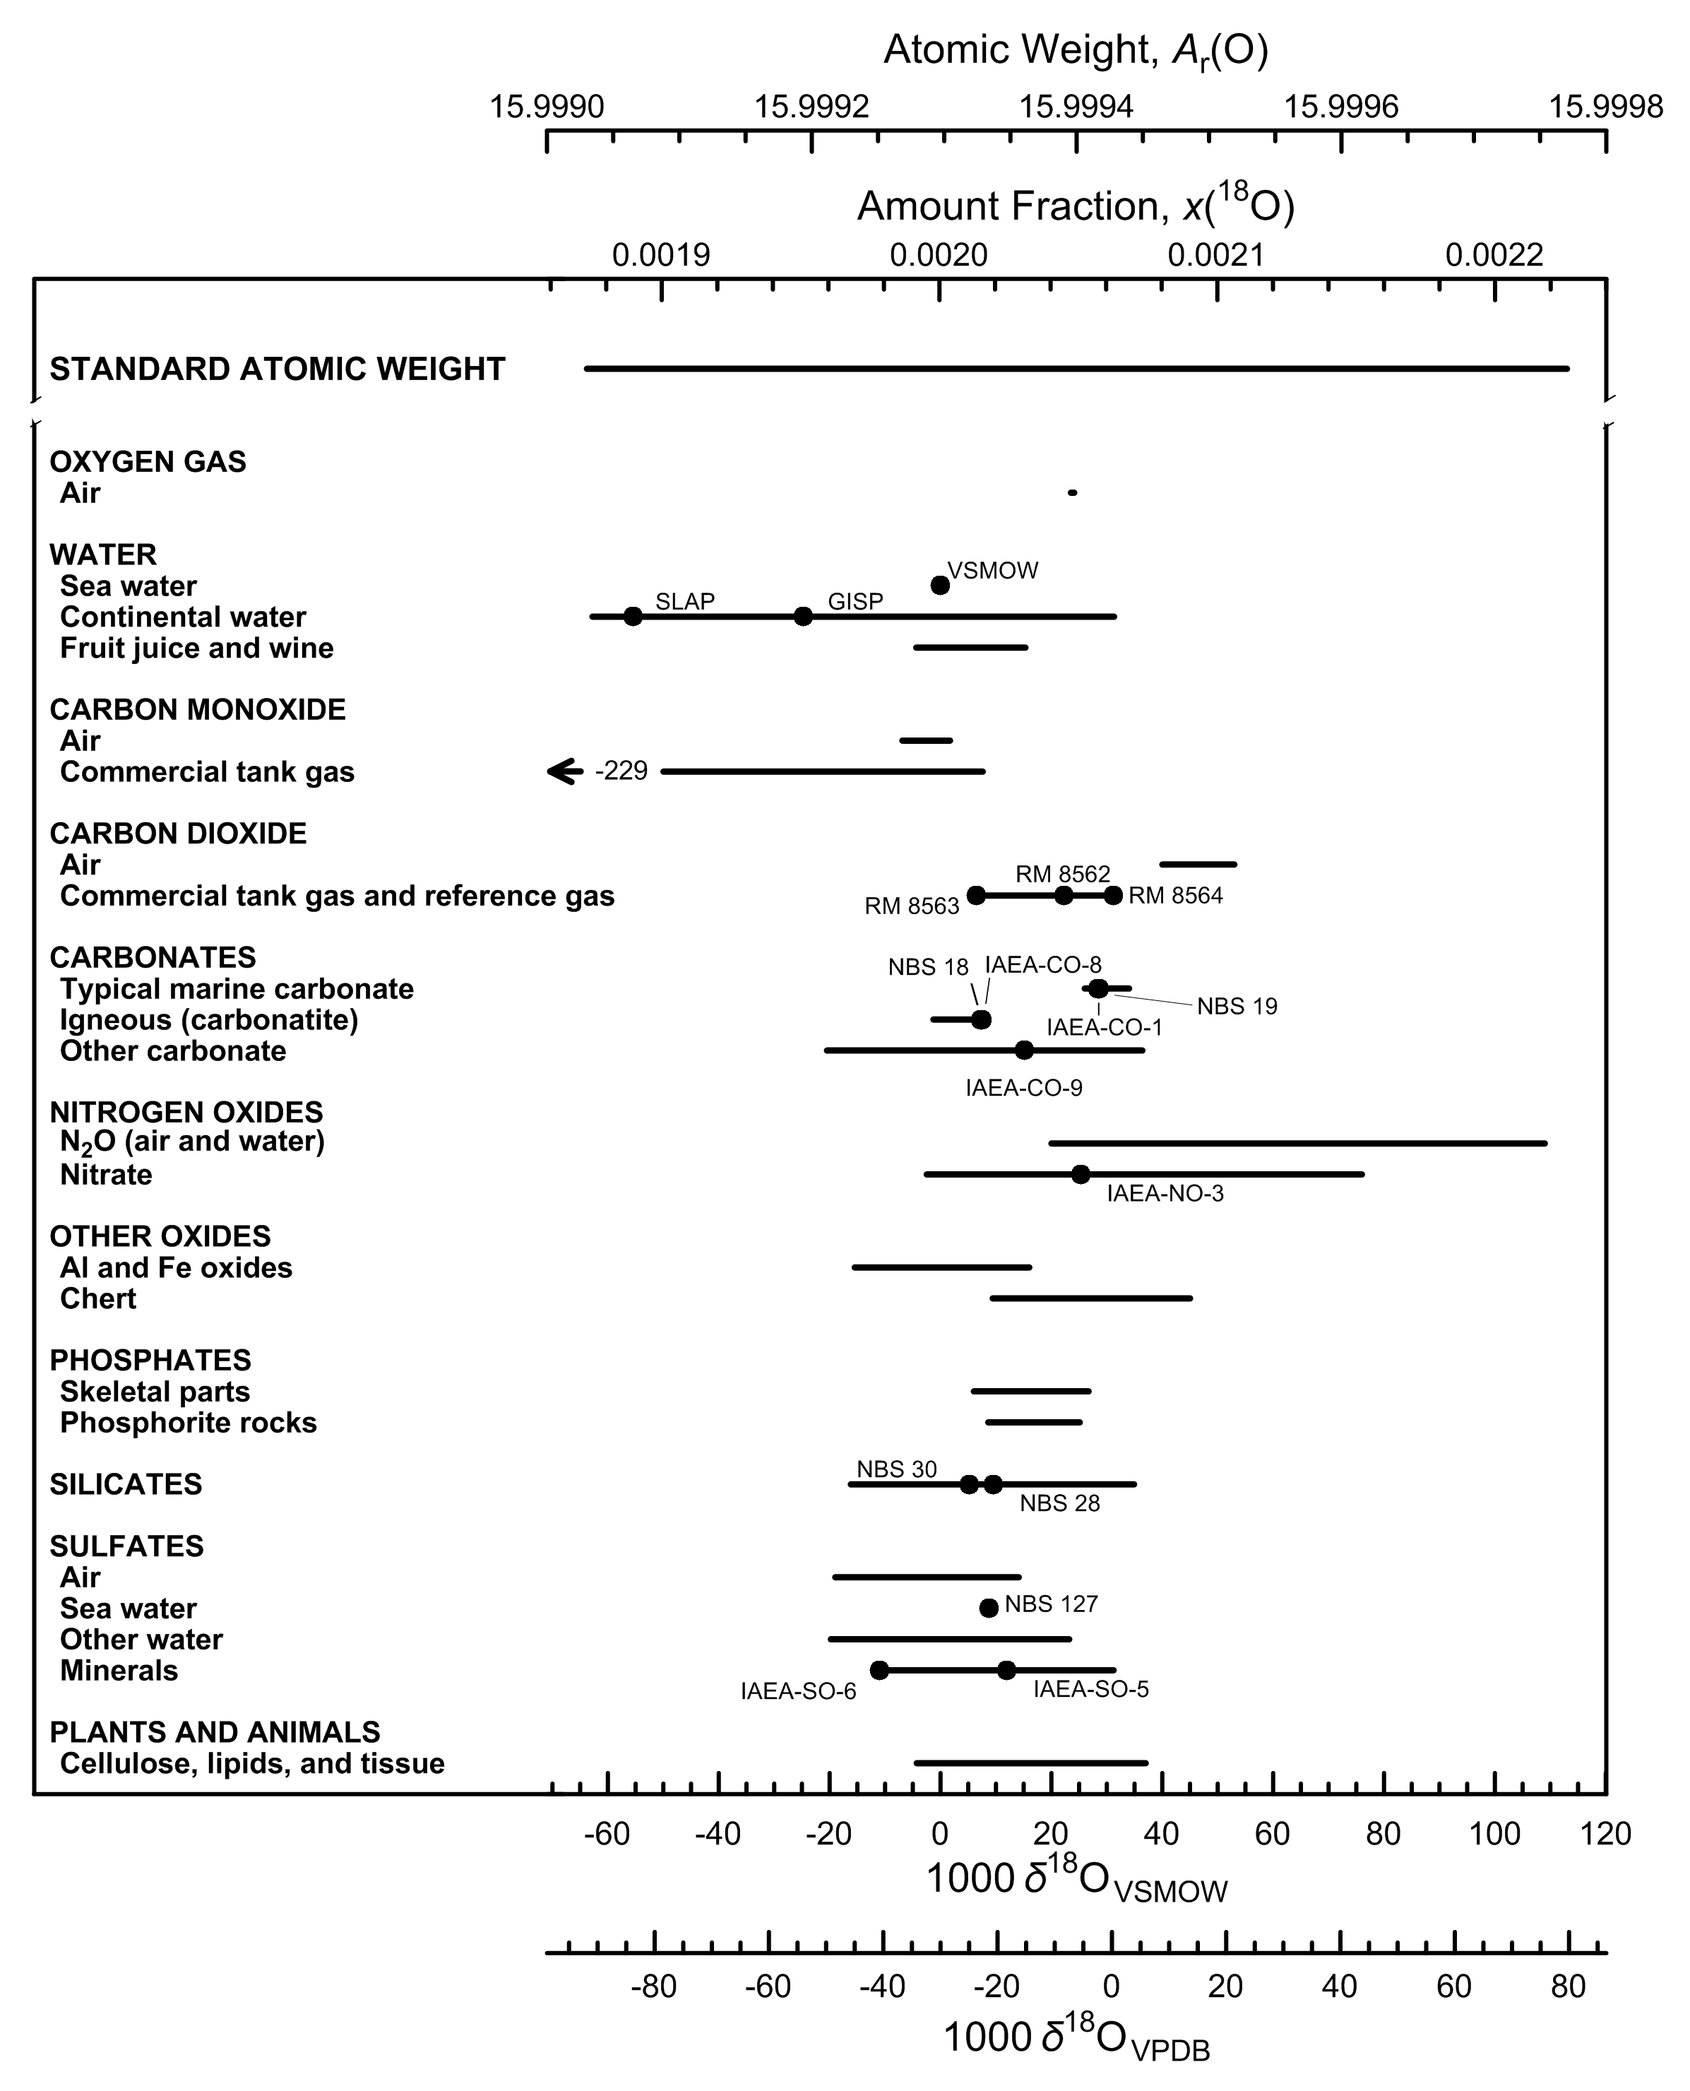

Fig. 6 Variation in isotopic composition and atomic weight composition of selected
oxygen-bearing materials (modified from [1,2]). VSMOW is the Vienna Standard Mean
Ocean Water–Standard Light Antarctic Precipitation scale [3] and VPDB is the Vienna
Peedee belemnite–LSVEC isotope scale [4] . Isotopic reference materials are designated
by solid black circles. The δ18O scale and 18O amount-fraction scale were matched
using the data of Li et al. [5] and Baertschi [6]. The expanded uncertainty in the
atomic-weight and 18O amount-fraction scales with the δ18O scale is equivalent to
0.3 ‰. The δ18O value of -229 ‰ for CO tank gas is for a commercially available material
that has been subjected to inadvertent isotopic fractionation [7] (footnote m of the
Table of Standard Atomic Weights 2013 [2]; thus, it is not included in the atomic-
weight interval.

References

[1] M.E. Wieser, T. B. Coplen. Pure Appl Chem. 83, 359 (2011).

[2] T. B. Coplen, J. K. Böhlke, P. De Bièvre, T. Ding, N. E. Holden, J. A. Hopple, H. R. Krouse, A. Lamberty, H. S. Peiser, K. M. Révész, S. E. Rieder, K. J. R. Rosman, E. Roth, P. D. P. Taylor, R. D. Vocke Jr., Y. K. Xiao. Pure Appl. Chem. 74, 1987 (2002).

[3] R. Gonfiantini. Nature 271, 534 (1978).

[4] T. B. Coplen, W. A. Brand, M. Gehre, M. Gröning, H. A. J. Meijer, B. Toman, R. M. Verkouteren. Anal. Chem. 78, 2439 (2006).

[5] W. Li, B. Ni, D. Jin, T. L. Chang. Kexue Tongbao 33, 1610 (1988).

[6] P. Baertschi. Earth Planet. Sci. Lett. 31, 341 (1976).

[7] T. B. Coplen, J. A. Hopple, J. K. Böhlke, H. S. Peiser, S. E. Rieder, H. R. Krouse, K. J. R. Rosman, T. Ding, R. D. Vocke, K. Revesz, A. Lamberty, P. D. P. Taylor, P. De Bièvre. U.S. Geological Survey Water-Resources Investigations Report 01-4222 (2002).

Magnesium
Category | Subcategory | Lower bound |  |  |  |  |  | Upper bound
 |  | 103 δ26/24MgDSM3 | x(24Mg) | x(25Mg) | x(26Mg) | Atomic weight | Reference | 103 δ26/24MgDSM3 | x(24Mg) | x(25Mg) | x(26Mg) | Atomic weight | Reference
Standard atomic weight |  | -7.44 | 0.79045 | 0.09995 | 0.10960 | 24.304 | M. E. Wieser, N. Holden, T. B. Coplen, J. K. Böhlke, M. Berglund, W. A. Brand, P. De Bièvre, M. Gröning, R. D. Loss, J. Meija, T. Hirata, T. Prohaska, R. Schoenberg, G. O’Connor, T. Walczyk, S. Yoneda, X.-K. Zhu. Pure Appl. Chem. 85, 1047 (2013). | 6.26 | 0.78872 | 0.10041 | 0.11087 | 24.307 | M. E. Wieser, N. Holden, T. B. Coplen, J. K. Böhlke, M. Berglund, W. A. Brand, P. De Bièvre, M. Gröning, R. D. Loss, J. Meija, T. Hirata, T. Prohaska, R. Schoenberg, G. O’Connor, T. Walczyk, S. Yoneda, X.-K. Zhu. Pure Appl. Chem. 85, 1047 (2013).
DSM-3 |  | 0 | 0.78951 | 0.10020 | 0.11029 | 24.30563 | A. Galy, O. Yoffe, P. E. Janney, R. W. Williams, C. Cloquet, O. Alard, L. Halicz, M. Wadhwa, I. D. Hutcheon, E. Ramon, J. Carignan. J. Anal. At. Spectrom. 18, 1352 (2003).

Water | Sea water | -1 | 0.78963 | 0.10017 | 0.11020 | 24.30541 | E. B. Bolou-Bi, N. Vigier, A. Brenot, A. Poszwa. Geostand. Geoanal. Res. 33, 95 (2009). | -0.69 | 0.78959 | 0.10018 | 0.11023 | 24.30548 | E. B. Bolou-Bi, N. Vigier, A. Brenot, A. Poszwa. Geostand. Geoanal. Res. 33, 95 (2009).
Water | Rivers and streams | -1.82 | 0.78974 | 0.10014 | 0.11012 | 24.30523 | E. Tipper, A. Galy, M. Bickle. Earth Planet. Sci. Lett. 247, 267 (2006). | -0.08 | 0.78952 | 0.10020 | 0.11028 | 24.30561 | E. B. Bolou-Bi, N. Vigier, A. Poszwa, J.-P. Boudot, E. Dambrine. Geochim. Cosmochim. Acta 87, 341 (2012).
Water | Rain | -0.75 | 0.78961 | 0.10017 | 0.11022 | 24.30547 | E. B. Bolou-Bi, N. Vigier, A. Poszwa, J.-P. Boudot, E. Dambrine. Geochim. Cosmochim. Acta 87, 341 (2012). | -0.5 | 0.78958 | 0.10018 | 0.11024 | 24.30552 | E. B. Bolou-Bi, N. Vigier, A. Poszwa, J.-P. Boudot, E. Dambrine. Geochim. Cosmochim. Acta 87, 341 (2012).
Igneous and metamorphic rock | Olivine | -3.01 | 0.78989 | 0.10010 | 0.11001 | 24.30497 | N. Pearson, W. Griffin, O. Alard, S. Y. O'Reilly. Chem. Geol. 226, 115 (2006). | 1.03 | 0.78937 | 0.10024 | 0.11039 | 24.30586 | N. Pearson, W. Griffin, O. Alard, S. Y. O'Reilly. Chem. Geol. 226, 115 (2006).
Igneous and metamorphic rock | Others | -0.75 | 0.78961 | 0.10017 | 0.11022 | 24.30547 | E. B. Bolou-Bi, N. Vigier, A. Brenot, A. Poszwa. Geostand. Geoanal. Res. 33, 95 (2009). | 0.14 | 0.78950 | 0.10020 | 0.11030 | 24.30566 | E. B. Bolou-Bi, N. Vigier, A. Brenot, A. Poszwa. Geostand. Geoanal. Res. 33, 95 (2009).
Carbonates (biological and non-biological origin) |  | -5.57 | 0.79022 | 0.10001 | 0.10977 | 24.30441 | F. Wombacher, A. Eisenhauer, F. Böhm, N. Gussone, M. Regenberg, W.-C. Dullo, A. Rüggeberg. Geochim. Cosmochim. Acta 75, 5797 (2011). | -1.04 | 0.78965 | 0.10016 | 0.11019 | 24.30540 | F. Wombacher, A. Eisenhauer, F. Böhm, N. Gussone, M. Regenberg, W.-C. Dullo, A. Rüggeberg. Geochim. Cosmochim. Acta 75, 5797 (2011).
Organic matter |  | -3.55 | 0.78996 | 0.10008 | 0.10996 | 24.30485 | E. B. Bolou-Bi, N. Vigier, A. Brenot, A. Poszwa. Geostand. Geoanal. Res. 33, 95 (2009). | 0.73 | 0.78942 | 0.10022 | 0.11036 | 24.30579 | E. B. Bolou-Bi, N. Vigier, A. Poszwa, J.-P. Boudot, E. Dambrine. Geochim. Cosmochim. Acta 87, 341 (2012).
Elemental magnesium |  | -0.82 | 0.78962 | 0.10017 | 0.11021 | 24.30545 | A. Galy, N. S. Belshaw, L. Halicz, R. K. O’Nions. Int. J. Mass Spectrom. 208, 89 (2001). | 0.54 | 0.78944 | 0.10022 | 0.11034 | 24.30575 | A. Galy, N. S. Belshaw, L. Halicz, R. K. O’Nions. Int. J. Mass Spectrom. 208, 89 (2001).

mass-dependent isotopic fractionation
R(25Mg, 24Mg)sample / R(25Mg, 24Mg)DSM3 = (R(26Mg, 24Mg)sample / R(26Mg, 24Mg)DSM3 )0.5

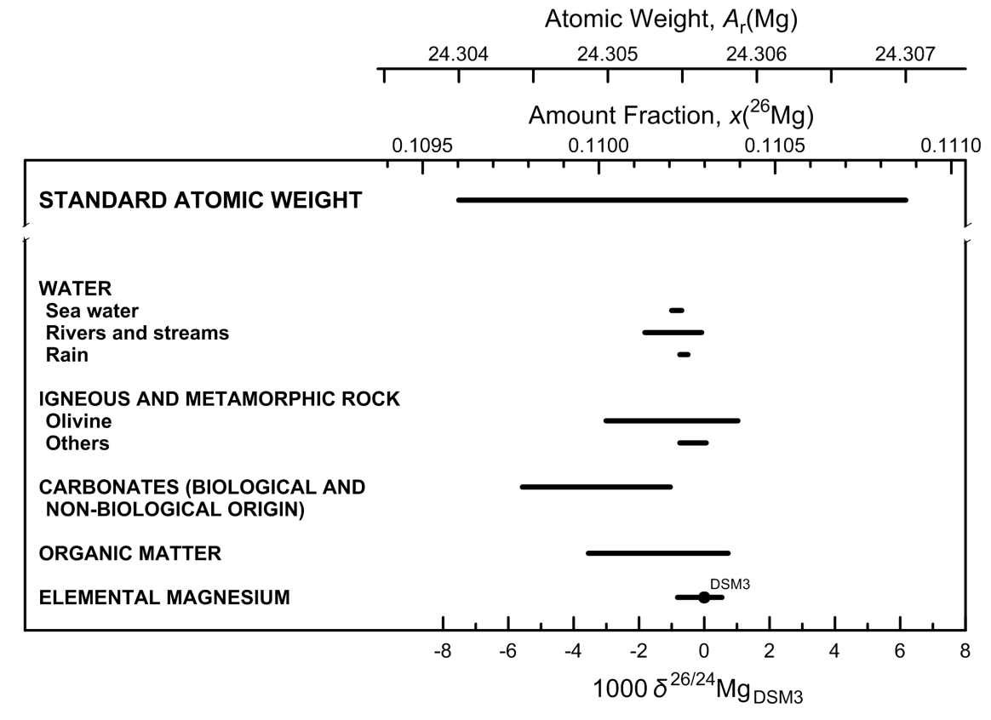

Fig. 7 Variation in isotopic composition and atomic weight of magnesium in selected
magnesium-bearing materials (modified from [1,2]). The δ26/24Mg measurements
are expressed relative to the reference material DSM3 because many materials were
measured relative to it [3]. However, DSM3 is not recommended as the international
measurement standard for the δ26/24Mg scale because the supply is exhausted.
The δ26/24Mg scale and 26Mg amount-fraction scales were matched using data from [4].
The expanded uncertainty in matching the atomic-weight and 26Mg amount-fraction scales
with the δ26/24Mg scale is equivalent to 1.1 ‰.

References

[1] M. E. Wieser, N. Holden, T. B. Coplen, J. K. Böhlke, M. Berglund, W. A. Brand, P. De Bièvre, M. Gröning, R. D. Loss, J. Meija, T. Hirata, T. Prohaska, R. Schoenberg, G. O’Connor, T. Walczyk, S. Yoneda, X.-K. Zhu. Pure Appl. Chem. 85, 1047 (2013).

[2] T. B. Coplen, J. K. Böhlke, P. De Bièvre, T. Ding, N. E. Holden, J. A. Hopple, H. R. Krouse, A. Lamberty, H. S. Peiser, K. M. Révész, S. E. Rieder, K. J. R. Rosman, E. Roth, P. D. P. Taylor, R. D. Vocke Jr., Y. K. Xiao. Pure Appl. Chem. 74, 1987 (2002).

[3] . M. Bizzarro, C. Paton, K. Larsen, M. Schiller, A. Trinquier, D. Ulfbeck. J. Anal. At. Spectrom. 26, 565 (2011).

[4] P. De Bièvre, S. Valkiers, H. S. Peiser. J. Res. Natl. Inst. Stand. Technol. 99, 201 (1994).

Silicon
Category | Subcategory | Lower bound |  |  |  |  |  | Upper bound
 |  | 103 δ30/28SiNBS28 | x(28Si) | x(29Si) | x(30Si) | Atomic weight | Reference | 103 δ30/28SiNBS28 | x(28Si) | x(29Si) | x(30Si) | Atomic weight | Reference
Standard atomic weight |  | -6.4 | 0.92254 | 0.046719 | 0.030737 | 28.085 | M. E. Wieser, T. B. Coplen. Pure Appl. Chem. 83, 359 (2011). | 6.2 | 0.921912 | 0.046982 | 0.031106 | 28.086 | M. E. Wieser, T. B. Coplen. Pure Appl. Chem. 83, 359 (2011).
NBS 28 |  | 0 | 0.922223 | 0.046853 | 0.030924 | 28.08551 | T. Ding, D. Wan, R. Bai, Z. Zhang, Y. Shen, R. Meng. Geochim. Cosmochim. Acta. 69, 5487 (2005).

Igneous rocks | Igneous Rocks | -1 | 0.922273 | 0.046832 | 0.030895 | 28.08543 | C. Douthitt. Geochim. Cosmochim. Acta 46, 1449 (1982). | 0.4 | 0.922202 | 0.046861 | 0.030936 | 28.08554 | D. L. Lu, G. J. Wan. Geology and Exploration 28, 28 (1992).
Metamorphic rocks |  | -1.1 | 0.922278 | 0.046830 | 0.030892 | 28.08542 | T.Ding, S. Jiang, D. Wan, Y. Li, J. Li, H. Song, Z. Liu, X. Yao. Silicon Isotope Geochemistry. Geological Publishing House, Beijing (1996). | 1.1 | 0.922167 | 0.046876 | 0.030957 | 28.08560 | M. J. Huang, R. Q. Li, D. Y. Liu, Z. J. Shen, S. H. Tang, W. S. Chen. Hunan Bureau of Geology and Mineral Resources, 97 (1991).
Vein quartz and silicified rocks |  | -1.5 | 0.922298 | 0.046822 | 0.030881 | 28.08539 | T.Ding, S. Jiang, D. Wan, Y. Li, J. Li, H. Song, Z. Liu, X. Yao. Silicon Isotope Geochemistry. Geological Publishing House, Beijing (1996). | 1.1 | 0.922167 | 0.046876 | 0.030957 | 28.08560 | M. J. Huang, R. Q. Li, D. Y. Liu, Z. J. Shen, S. H. Tang, W. S. Chen. Hunan Bureau of Geology and Mineral Resources, 97 (1991).
Sedimentary rocks | Quartz sandstones | -5.7 | 0.922508 | 0.046734 | 0.030758 | 28.08506 | I. Basile-Doelsch, J. D. Meunier, C. Parron. Nature 433, 399 (2005). | 0.2 | 0.922212 | 0.046857 | 0.030930 | 28.08553 | T.Ding, S. Jiang, D. Wan, Y. Li, J. Li, H. Song, Z. Liu, X. Yao. Silicon Isotope Geochemistry. Geological Publishing House, Beijing (1996).
Sedimentary rocks | Clay minerals | -2.6 | 0.922353 | 0.046799 | 0.030848 | 28.08530 | C. Douthitt. Geochim. Cosmochim. Acta 46, 1449 (1982). | 1.5 | 0.922147 | 0.046884 | 0.030968 | 28.08563 | C. Douthitt. Geochim. Cosmochim. Acta 46, 1449 (1982).
Sedimentary rocks | Sinter | -3.4 | 0.922393 | 0.046782 | 0.030825 | 28.08524 | C. Douthitt. Geochim. Cosmochim. Acta 46, 1449 (1982). | 0.2 | 0.922212 | 0.046857 | 0.030930 | 28.08553 | C. Douthitt. Geochim. Cosmochim. Acta 46, 1449 (1982).
Sedimentary rocks | Sea-floor hydrothermal siliceous precipitates | -3.1 | 0.922378 | 0.046788 | 0.030834 | 28.08526 | S. Y. Wu. The submarine hydrothermal chimney of the Mariana Trough and sediments in the Philippine Sea (in Chinese). Oceanic Publishing House, Beijing (1991). | 0 | 0.922223 | 0.046853 | 0.030924 | 28.08551 | T.Ding, S. Jiang, D. Wan, Y. Li, J. Li, H. Song, Z. Liu, X. Yao. Silicon Isotope Geochemistry. Geological Publishing House, Beijing (1996).
Sedimentary rocks | other siliceous rocks | -0.8 | 0.922263 | 0.046836 | 0.030901 | 28.08545 | T.Ding, S. Jiang, D. Wan, Y. Li, J. Li, H. Song, Z. Liu, X. Yao. Silicon Isotope Geochemistry. Geological Publishing House, Beijing (1996). | 3.4 | 0.922052 | 0.046924 | 0.031024 | 28.08578 | D. Tiping, W. Defang, L. Jincheng, J. Shaoyong, S. Hebing, L. Yanhe, L. Zhijian. Kuangchang Dizhi (Mineral Deposits) 7, 90 (1988).
Dissolved silica |  | -0.4 | 0.922243 | 0.046845 | 0.030913 | 28.08548 | C. Douthitt. Geochim. Cosmochim. Acta 46, 1449 (1982). | 3.4 | 0.922052 | 0.046924 | 0.031024 | 28.08578 | D. Tiping, W. Defang, L. Jincheng, J. Shaoyong, S. Hebing, L. Yanhe, L. Zhijian. Kuangchang Dizhi (Mineral Deposits) 7, 90 (1988).
Biogenic silica |  | -3.7 | 0.922408 | 0.046776 | 0.030816 | 28.08522 | C. Douthitt. Geochim. Cosmochim. Acta 46, 1449 (1982). | 6.1 | 0.921917 | 0.046980 | 0.031103 | 28.08599 | T. P. Ding, G. R. Ma, M. X. Shui, D. F. Wan, R. H. Li. Chem. Geol. 218, 41 (2005).
Elemental silicon |  | -1.3 | 0.922288 | 0.046826 | 0.030886 | 28.08541 | T. B. Coplen, J. A. Hopple, J. K. Böhlke, H. S. Peiser, S. E. Rieder, H. R. Krouse, K. J. R. Rosman, T. Ding, R. D. Vocke, Jr., K. M. Révész, A. Lamberty, P. Taylor, P. De Bièvre. U.S. Geological Survey Water-Resources Investigations Report (WRI). 01-4222 (2002). | 0.5 | 0.922197 | 0.046864 | 0.030939 | 28.08555 | T. B. Coplen, J. A. Hopple, J. K. Böhlke, H. S. Peiser, S. E. Rieder, H. R. Krouse, K. J. R. Rosman, T. Ding, R. D. Vocke, Jr., K. M. Révész, A. Lamberty, P. Taylor, P. De Bièvre. U.S. Geological Survey Water-Resources Investigations Report (WRI). 01-4222 (2002).

mass-dependent isotopic fractionation
R(29Si, 28Si)sample / R(29Si, 28Si)NBS28 = (R(30Si, 28Si)sample / R(30Si, 28Si)NBS28 )0.5
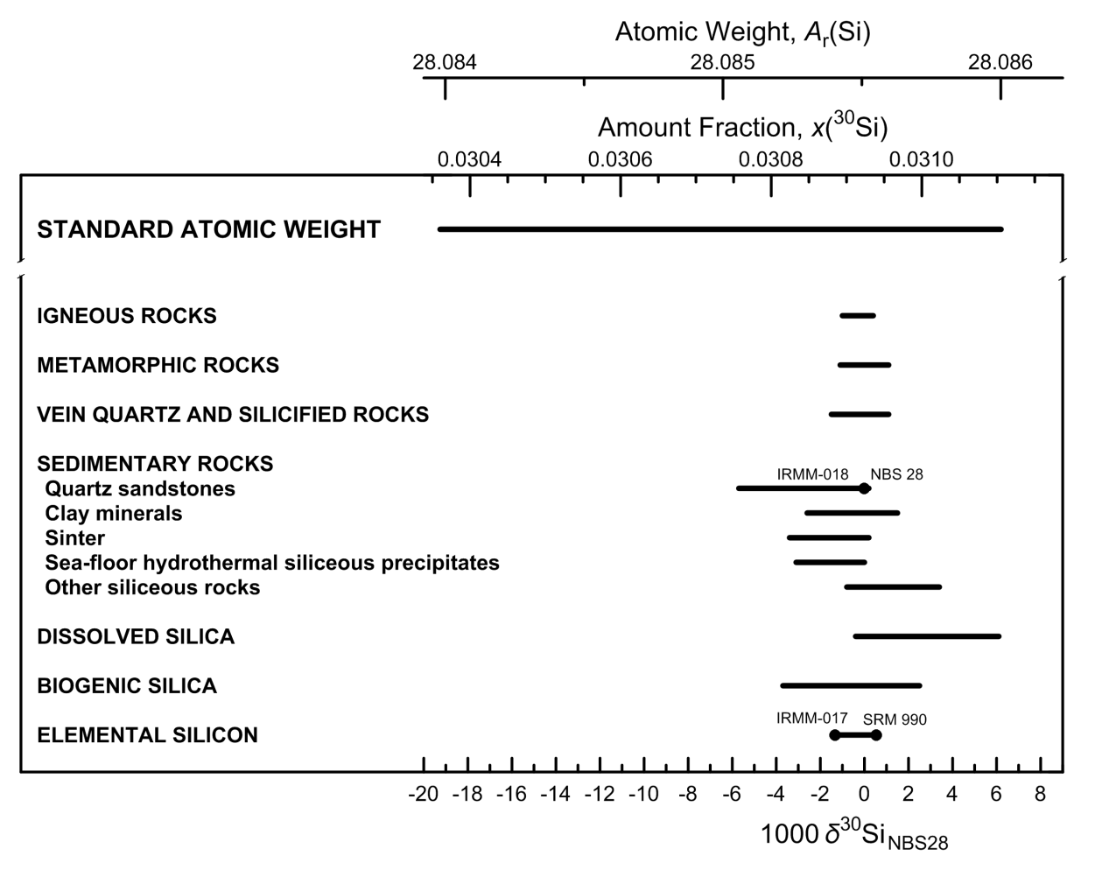

Fig. 8 Variation in isotopic composition and atomic weight of selected silicon-bearing
materials (modified from [1,2]). The isotopic reference material NBS 28 is optical
quartz [3]. Isotopic reference materials are designated by solid black circles. IRMM-018
and NBS 28 have almost identical isotopic abundances and overlap. The δ30Si scale (or
δ30/28Si scale, for specification with two isotopes) and 30Si amount-fraction scale were
matched using the data of De Bièvre et al. [4] and a δ30Si value for IRMM-017 of –1.3 ‰
relative to NBS 28 [3]. The expanded uncertainty in the atomic-weight and 30Si amount-
fraction scales with the δ30Si scale is equivalent to 0.23 ‰.

References

[1] M.E. Wieser, T. B. Coplen. Pure Appl Chem. 83, 359 (2011).

[2] T. B. Coplen, J. K. Böhlke, P. De Bièvre, T. Ding, N. E. Holden, J. A. Hopple, H. R. Krouse, A. Lamberty, H. S. Peiser, K. M. Révész, S. E. Rieder, K. J. R. Rosman, E. Roth, P. D. P. Taylor, R. D. Vocke Jr., Y. K. Xiao. Pure Appl. Chem. 74, 1987 (2002).

[3] T. B. Coplen, J. A. Hopple, J. K. Böhlke, H. S. Peiser, S. E. Rieder, H. R. Krouse, K. J. R. Rosman, T. Ding, R. D. Vocke, Jr., K. M. Révész, A. Lamberty, P. Taylor, P. De Bièvre. U.S. Geological Survey Water-Resources Investigations Report (WRI). 01-4222 (2002).

[4] P. De Bièvre, S. Valkiers, H. S. Peiser. J. Res. Natl. Inst. Stand. Technol. 99, 201 (1994).

Sulfur
Category | Subcategory | Lower bound |  |  |  |  |  |  | Upper bound
 |  | 103 δ34SVCDT | x(32S) | x(33S) | x(34S) | x(36S) | Atomic weight | Reference | 103 δ34SVCDT | x(32S) | x(33S) | x(34S) | x(36S) | Atomic weight | Reference
Standard atomic weight |  | -57.9 | 0.952936 | 0.007287 | 0.039647 | 0.000130 | 32.059 | M. E. Wieser, T. B. Coplen. Pure Appl. Chem. 83, 359 (2011). | 144.2 | 0.944145 | 0.007957 | 0.047708 | 0.000190 | 32.076 | M. E. Wieser, T. B. Coplen. Pure Appl. Chem. 83, 359 (2011).
VCDT |  | 0 | 0.950394 | 0.007488 | 0.041972 | 0.000146 | 32.063905 | H. R. Krouse, T. B. Coplen. Pure Appl. Chem. 69, 293 (1997).
IAEA-S-1 |  | -0.3 | 0.950407 | 0.007487 | 0.041960 | 0.000146 | 32.063879 | B. W. Robinson. IAEA TECDOC. 825, 39 (1995).

Sulfate | Atmospheric | -30 | 0.951709 | 0.007385 | 0.040769 | 0.000137 | 32.061367 | T. B. Coplen, J. A. Hopple, J. K. Böhlke, H. S. Peiser, S. E. Rieder, H. R. Krouse, K. J. R. Rosman, T. Ding, R. D. Vocke, Jr., K. M. Révész, A. Lamberty, P. Taylor, P. De Bièvre. U.S. Geological Survey Water-Resources Investigations Report (WRI). 01-4222 (2002). | 30 | 0.949084 | 0.007589 | 0.043172 | 0.000155 | 32.066434 | T. B. Coplen, J. A. Hopple, J. K. Böhlke, H. S. Peiser, S. E. Rieder, H. R. Krouse, K. J. R. Rosman, T. Ding, R. D. Vocke, Jr., K. M. Révész, A. Lamberty, P. Taylor, P. De Bièvre. U.S. Geological Survey Water-Resources Investigations Report (WRI). 01-4222 (2002).
Sulfate | Surface water/groundwater | -22 | 0.951357 | 0.007413 | 0.041090 | 0.000140 | 32.062045 | T. B. Coplen, J. A. Hopple, J. K. Böhlke, H. S. Peiser, S. E. Rieder, H. R. Krouse, K. J. R. Rosman, T. Ding, R. D. Vocke, Jr., K. M. Révész, A. Lamberty, P. Taylor, P. De Bièvre. U.S. Geological Survey Water-Resources Investigations Report (WRI). 01-4222 (2002). | 135 | 0.944540 | 0.007928 | 0.047345 | 0.000187 | 32.075231 | T. B. Coplen, J. A. Hopple, J. K. Böhlke, H. S. Peiser, S. E. Rieder, H. R. Krouse, K. J. R. Rosman, T. Ding, R. D. Vocke, Jr., K. M. Révész, A. Lamberty, P. Taylor, P. De Bièvre. U.S. Geological Survey Water-Resources Investigations Report (WRI). 01-4222 (2002).
Sulfate | Modern ocean | 20.7 | 0.949490 | 0.007558 | 0.042800 | 0.000152 | 32.065651 | T. B. Coplen, J. A. Hopple, J. K. Böhlke, H. S. Peiser, S. E. Rieder, H. R. Krouse, K. J. R. Rosman, T. Ding, R. D. Vocke, Jr., K. M. Révész, A. Lamberty, P. Taylor, P. De Bièvre. U.S. Geological Survey Water-Resources Investigations Report (WRI). 01-4222 (2002). | 21.3 | 0.949464 | 0.007560 | 0.042824 | 0.000152 | 32.065702 | T. B. Coplen, J. A. Hopple, J. K. Böhlke, H. S. Peiser, S. E. Rieder, H. R. Krouse, K. J. R. Rosman, T. Ding, R. D. Vocke, Jr., K. M. Révész, A. Lamberty, P. Taylor, P. De Bièvre. U.S. Geological Survey Water-Resources Investigations Report (WRI). 01-4222 (2002).
Sulfate | Mineral | -43 | 0.952279 | 0.007340 | 0.040247 | 0.000134 | 32.060266 | T. B. Coplen, J. A. Hopple, J. K. Böhlke, H. S. Peiser, S. E. Rieder, H. R. Krouse, K. J. R. Rosman, T. Ding, R. D. Vocke, Jr., K. M. Révész, A. Lamberty, P. Taylor, P. De Bièvre. U.S. Geological Survey Water-Resources Investigations Report (WRI). 01-4222 (2002). | -3 | 0.950525 | 0.007478 | 0.041852 | 0.000145 | 32.063651 | T. B. Coplen, J. A. Hopple, J. K. Böhlke, H. S. Peiser, S. E. Rieder, H. R. Krouse, K. J. R. Rosman, T. Ding, R. D. Vocke, Jr., K. M. Révész, A. Lamberty, P. Taylor, P. De Bièvre. U.S. Geological Survey Water-Resources Investigations Report (WRI). 01-4222 (2002).
Sulfate | Commercial | -3 | 0.950525 | 0.007478 | 0.041852 | 0.000145 | 32.063651 | T. B. Coplen, J. A. Hopple, J. K. Böhlke, H. S. Peiser, S. E. Rieder, H. R. Krouse, K. J. R. Rosman, T. Ding, R. D. Vocke, Jr., K. M. Révész, A. Lamberty, P. Taylor, P. De Bièvre. U.S. Geological Survey Water-Resources Investigations Report (WRI). 01-4222 (2002). | 30 | 0.949084 | 0.007589 | 0.043172 | 0.000155 | 32.066434 | T. B. Coplen, J. A. Hopple, J. K. Böhlke, H. S. Peiser, S. E. Rieder, H. R. Krouse, K. J. R. Rosman, T. Ding, R. D. Vocke, Jr., K. M. Révész, A. Lamberty, P. Taylor, P. De Bièvre. U.S. Geological Survey Water-Resources Investigations Report (WRI). 01-4222 (2002).
Sulfate | Sulfuric acid | -3 | 0.950525 | 0.007478 | 0.041852 | 0.000145 | 32.063651 | T. B. Coplen, J. A. Hopple, J. K. Böhlke, H. S. Peiser, S. E. Rieder, H. R. Krouse, K. J. R. Rosman, T. Ding, R. D. Vocke, Jr., K. M. Révész, A. Lamberty, P. Taylor, P. De Bièvre. U.S. Geological Survey Water-Resources Investigations Report (WRI). 01-4222 (2002). | 12 | 0.949870 | 0.007529 | 0.042452 | 0.000149 | 32.064917 | T. B. Coplen, J. A. Hopple, J. K. Böhlke, H. S. Peiser, S. E. Rieder, H. R. Krouse, K. J. R. Rosman, T. Ding, R. D. Vocke, Jr., K. M. Révész, A. Lamberty, P. Taylor, P. De Bièvre. U.S. Geological Survey Water-Resources Investigations Report (WRI). 01-4222 (2002).
Sulfate | Reagents | -34 | 0.951885 | 0.007371 | 0.040608 | 0.000136 | 32.061029 | T. B. Coplen, J. A. Hopple, J. K. Böhlke, H. S. Peiser, S. E. Rieder, H. R. Krouse, K. J. R. Rosman, T. Ding, R. D. Vocke, Jr., K. M. Révész, A. Lamberty, P. Taylor, P. De Bièvre. U.S. Geological Survey Water-Resources Investigations Report (WRI). 01-4222 (2002). | 26 | 0.949259 | 0.007576 | 0.043012 | 0.000153 | 32.066098 | T. B. Coplen, J. A. Hopple, J. K. Böhlke, H. S. Peiser, S. E. Rieder, H. R. Krouse, K. J. R. Rosman, T. Ding, R. D. Vocke, Jr., K. M. Révész, A. Lamberty, P. Taylor, P. De Bièvre. U.S. Geological Survey Water-Resources Investigations Report (WRI). 01-4222 (2002).
Sulfur dioxide | Atmospheric | -39 | 0.952103 | 0.007354 | 0.040408 | 0.000135 | 32.060605 | T. B. Coplen, J. A. Hopple, J. K. Böhlke, H. S. Peiser, S. E. Rieder, H. R. Krouse, K. J. R. Rosman, T. Ding, R. D. Vocke, Jr., K. M. Révész, A. Lamberty, P. Taylor, P. De Bièvre. U.S. Geological Survey Water-Resources Investigations Report (WRI). 01-4222 (2002). | 33 | 0.948955 | 0.007599 | 0.043291 | 0.000155 | 32.066687 | T. B. Coplen, J. A. Hopple, J. K. Böhlke, H. S. Peiser, S. E. Rieder, H. R. Krouse, K. J. R. Rosman, T. Ding, R. D. Vocke, Jr., K. M. Révész, A. Lamberty, P. Taylor, P. De Bièvre. U.S. Geological Survey Water-Resources Investigations Report (WRI). 01-4222 (2002).
Sulfur dioxide | Reagents | 0.8 | 0.950359 | 0.007491 | 0.042004 | 0.000146 | 32.063972 | T. B. Coplen, J. A. Hopple, J. K. Böhlke, H. S. Peiser, S. E. Rieder, H. R. Krouse, K. J. R. Rosman, T. Ding, R. D. Vocke, Jr., K. M. Révész, A. Lamberty, P. Taylor, P. De Bièvre. U.S. Geological Survey Water-Resources Investigations Report (WRI). 01-4222 (2002). | 1.6 | 0.950325 | 0.007493 | 0.042036 | 0.000146 | 32.064040 | T. B. Coplen, J. A. Hopple, J. K. Böhlke, H. S. Peiser, S. E. Rieder, H. R. Krouse, K. J. R. Rosman, T. Ding, R. D. Vocke, Jr., K. M. Révész, A. Lamberty, P. Taylor, P. De Bièvre. U.S. Geological Survey Water-Resources Investigations Report (WRI). 01-4222 (2002).
Elemental sulfur | Native | -30 | 0.951709 | 0.007385 | 0.040769 | 0.000137 | 32.061367 | T. B. Coplen, J. A. Hopple, J. K. Böhlke, H. S. Peiser, S. E. Rieder, H. R. Krouse, K. J. R. Rosman, T. Ding, R. D. Vocke, Jr., K. M. Révész, A. Lamberty, P. Taylor, P. De Bièvre. U.S. Geological Survey Water-Resources Investigations Report (WRI). 01-4222 (2002). | 16 | 0.949696 | 0.007542 | 0.042612 | 0.000150 | 32.065255 | T. B. Coplen, J. A. Hopple, J. K. Böhlke, H. S. Peiser, S. E. Rieder, H. R. Krouse, K. J. R. Rosman, T. Ding, R. D. Vocke, Jr., K. M. Révész, A. Lamberty, P. Taylor, P. De Bièvre. U.S. Geological Survey Water-Resources Investigations Report (WRI). 01-4222 (2002).
Elemental sulfur | Commercial | -4 | 0.950569 | 0.007474 | 0.041812 | 0.000145 | 32.063567 | T. B. Coplen, J. A. Hopple, J. K. Böhlke, H. S. Peiser, S. E. Rieder, H. R. Krouse, K. J. R. Rosman, T. Ding, R. D. Vocke, Jr., K. M. Révész, A. Lamberty, P. Taylor, P. De Bièvre. U.S. Geological Survey Water-Resources Investigations Report (WRI). 01-4222 (2002). | 28 | 0.949172 | 0.007582 | 0.043092 | 0.000154 | 32.066266 | T. B. Coplen, J. A. Hopple, J. K. Böhlke, H. S. Peiser, S. E. Rieder, H. R. Krouse, K. J. R. Rosman, T. Ding, R. D. Vocke, Jr., K. M. Révész, A. Lamberty, P. Taylor, P. De Bièvre. U.S. Geological Survey Water-Resources Investigations Report (WRI). 01-4222 (2002).
Organic sulfur | Soil | -31 | 0.951753 | 0.007381 | 0.040729 | 0.000137 | 32.061283 | T. B. Coplen, J. A. Hopple, J. K. Böhlke, H. S. Peiser, S. E. Rieder, H. R. Krouse, K. J. R. Rosman, T. Ding, R. D. Vocke, Jr., K. M. Révész, A. Lamberty, P. Taylor, P. De Bièvre. U.S. Geological Survey Water-Resources Investigations Report (WRI). 01-4222 (2002). | 31 | 0.949042 | 0.007592 | 0.043211 | 0.000155 | 32.066519 | T. B. Coplen, J. A. Hopple, J. K. Böhlke, H. S. Peiser, S. E. Rieder, H. R. Krouse, K. J. R. Rosman, T. Ding, R. D. Vocke, Jr., K. M. Révész, A. Lamberty, P. Taylor, P. De Bièvre. U.S. Geological Survey Water-Resources Investigations Report (WRI). 01-4222 (2002).
Organic sulfur | Vegetation | -33 | 0.951839 | 0.007375 | 0.040649 | 0.000137 | 32.061113 | T. B. Coplen, J. A. Hopple, J. K. Böhlke, H. S. Peiser, S. E. Rieder, H. R. Krouse, K. J. R. Rosman, T. Ding, R. D. Vocke, Jr., K. M. Révész, A. Lamberty, P. Taylor, P. De Bièvre. U.S. Geological Survey Water-Resources Investigations Report (WRI). 01-4222 (2002). | 32 | 0.948998 | 0.007596 | 0.043251 | 0.000155 | 32.066603 | T. B. Coplen, J. A. Hopple, J. K. Böhlke, H. S. Peiser, S. E. Rieder, H. R. Krouse, K. J. R. Rosman, T. Ding, R. D. Vocke, Jr., K. M. Révész, A. Lamberty, P. Taylor, P. De Bièvre. U.S. Geological Survey Water-Resources Investigations Report (WRI). 01-4222 (2002).
Organic sulfur | Animals | -10 | 0.950832 | 0.007454 | 0.041571 | 0.000143 | 32.063060 | T. B. Coplen, J. A. Hopple, J. K. Böhlke, H. S. Peiser, S. E. Rieder, H. R. Krouse, K. J. R. Rosman, T. Ding, R. D. Vocke, Jr., K. M. Révész, A. Lamberty, P. Taylor, P. De Bièvre. U.S. Geological Survey Water-Resources Investigations Report (WRI). 01-4222 (2002). | 21 | 0.949477 | 0.007559 | 0.042812 | 0.000152 | 32.065676 | T. B. Coplen, J. A. Hopple, J. K. Böhlke, H. S. Peiser, S. E. Rieder, H. R. Krouse, K. J. R. Rosman, T. Ding, R. D. Vocke, Jr., K. M. Révész, A. Lamberty, P. Taylor, P. De Bièvre. U.S. Geological Survey Water-Resources Investigations Report (WRI). 01-4222 (2002).
Organic sulfur | Fossil fuels | -11 | 0.950876 | 0.007450 | 0.041531 | 0.000143 | 32.062975 | T. B. Coplen, J. A. Hopple, J. K. Böhlke, H. S. Peiser, S. E. Rieder, H. R. Krouse, K. J. R. Rosman, T. Ding, R. D. Vocke, Jr., K. M. Révész, A. Lamberty, P. Taylor, P. De Bièvre. U.S. Geological Survey Water-Resources Investigations Report (WRI). 01-4222 (2002). | 28 | 0.949172 | 0.007582 | 0.043092 | 0.000154 | 32.066266 | T. B. Coplen, J. A. Hopple, J. K. Böhlke, H. S. Peiser, S. E. Rieder, H. R. Krouse, K. J. R. Rosman, T. Ding, R. D. Vocke, Jr., K. M. Révész, A. Lamberty, P. Taylor, P. De Bièvre. U.S. Geological Survey Water-Resources Investigations Report (WRI). 01-4222 (2002).
Organic sulfur | Reagents | 1 | 0.950351 | 0.007491 | 0.042012 | 0.000146 | 32.063989 | T. B. Coplen, J. A. Hopple, J. K. Böhlke, H. S. Peiser, S. E. Rieder, H. R. Krouse, K. J. R. Rosman, T. Ding, R. D. Vocke, Jr., K. M. Révész, A. Lamberty, P. Taylor, P. De Bièvre. U.S. Geological Survey Water-Resources Investigations Report (WRI). 01-4222 (2002). | 18 | 0.949608 | 0.007549 | 0.042692 | 0.000151 | 32.065423 | T. B. Coplen, J. A. Hopple, J. K. Böhlke, H. S. Peiser, S. E. Rieder, H. R. Krouse, K. J. R. Rosman, T. Ding, R. D. Vocke, Jr., K. M. Révész, A. Lamberty, P. Taylor, P. De Bièvre. U.S. Geological Survey Water-Resources Investigations Report (WRI). 01-4222 (2002).
Sulfide | Atmospheric H2S | -32 | 0.951796 | 0.007378 | 0.040689 | 0.000137 | 32.061198 | T. B. Coplen, J. A. Hopple, J. K. Böhlke, H. S. Peiser, S. E. Rieder, H. R. Krouse, K. J. R. Rosman, T. Ding, R. D. Vocke, Jr., K. M. Révész, A. Lamberty, P. Taylor, P. De Bièvre. U.S. Geological Survey Water-Resources Investigations Report (WRI). 01-4222 (2002). | 20 | 0.949521 | 0.007555 | 0.042772 | 0.000152 | 32.065592 | T. B. Coplen, J. A. Hopple, J. K. Böhlke, H. S. Peiser, S. E. Rieder, H. R. Krouse, K. J. R. Rosman, T. Ding, R. D. Vocke, Jr., K. M. Révész, A. Lamberty, P. Taylor, P. De Bièvre. U.S. Geological Survey Water-Resources Investigations Report (WRI). 01-4222 (2002).
Sulfide | Thermogenic H2S | 0 | 0.950394 | 0.007488 | 0.041972 | 0.000146 | 32.063905 | T. B. Coplen, J. A. Hopple, J. K. Böhlke, H. S. Peiser, S. E. Rieder, H. R. Krouse, K. J. R. Rosman, T. Ding, R. D. Vocke, Jr., K. M. Révész, A. Lamberty, P. Taylor, P. De Bièvre. U.S. Geological Survey Water-Resources Investigations Report (WRI). 01-4222 (2002). | 30 | 0.949084 | 0.007589 | 0.043172 | 0.000155 | 32.066434 | T. B. Coplen, J. A. Hopple, J. K. Böhlke, H. S. Peiser, S. E. Rieder, H. R. Krouse, K. J. R. Rosman, T. Ding, R. D. Vocke, Jr., K. M. Révész, A. Lamberty, P. Taylor, P. De Bièvre. U.S. Geological Survey Water-Resources Investigations Report (WRI). 01-4222 (2002).
Sulfide | Surface water/ground water | -55 | 0.952807 | 0.007298 | 0.039764 | 0.000131 | 32.059247 | T. B. Coplen, J. A. Hopple, J. K. Böhlke, H. S. Peiser, S. E. Rieder, H. R. Krouse, K. J. R. Rosman, T. Ding, R. D. Vocke, Jr., K. M. Révész, A. Lamberty, P. Taylor, P. De Bièvre. U.S. Geological Survey Water-Resources Investigations Report (WRI). 01-4222 (2002). | 30 | 0.949084 | 0.007589 | 0.043172 | 0.000155 | 32.066434 | T. B. Coplen, J. A. Hopple, J. K. Böhlke, H. S. Peiser, S. E. Rieder, H. R. Krouse, K. J. R. Rosman, T. Ding, R. D. Vocke, Jr., K. M. Révész, A. Lamberty, P. Taylor, P. De Bièvre. U.S. Geological Survey Water-Resources Investigations Report (WRI). 01-4222 (2002).
Sulfide | Minerals | -54 | 0.952764 | 0.007301 | 0.039804 | 0.000131 | 32.059332 | T. B. Coplen, J. A. Hopple, J. K. Böhlke, H. S. Peiser, S. E. Rieder, H. R. Krouse, K. J. R. Rosman, T. Ding, R. D. Vocke, Jr., K. M. Révész, A. Lamberty, P. Taylor, P. De Bièvre. U.S. Geological Survey Water-Resources Investigations Report (WRI). 01-4222 (2002). | 70 | 0.947347 | 0.007721 | 0.044766 | 0.000166 | 32.069796 | T. B. Coplen, J. A. Hopple, J. K. Böhlke, H. S. Peiser, S. E. Rieder, H. R. Krouse, K. J. R. Rosman, T. Ding, R. D. Vocke, Jr., K. M. Révész, A. Lamberty, P. Taylor, P. De Bièvre. U.S. Geological Survey Water-Resources Investigations Report (WRI). 01-4222 (2002).
Sulfide | Reagent H2S | 1 | 0.950351 | 0.007491 | 0.042012 | 0.000146 | 32.063989 | T. B. Coplen, J. A. Hopple, J. K. Böhlke, H. S. Peiser, S. E. Rieder, H. R. Krouse, K. J. R. Rosman, T. Ding, R. D. Vocke, Jr., K. M. Révész, A. Lamberty, P. Taylor, P. De Bièvre. U.S. Geological Survey Water-Resources Investigations Report (WRI). 01-4222 (2002). | 23 | 0.949389 | 0.007566 | 0.042892 | 0.000153 | 32.065845 | T. B. Coplen, J. A. Hopple, J. K. Böhlke, H. S. Peiser, S. E. Rieder, H. R. Krouse, K. J. R. Rosman, T. Ding, R. D. Vocke, Jr., K. M. Révész, A. Lamberty, P. Taylor, P. De Bièvre. U.S. Geological Survey Water-Resources Investigations Report (WRI). 01-4222 (2002).
Sulfide | Other reagents | -33 | 0.951839 | 0.007375 | 0.040649 | 0.000137 | 32.061113 | T. B. Coplen, J. A. Hopple, J. K. Böhlke, H. S. Peiser, S. E. Rieder, H. R. Krouse, K. J. R. Rosman, T. Ding, R. D. Vocke, Jr., K. M. Révész, A. Lamberty, P. Taylor, P. De Bièvre. U.S. Geological Survey Water-Resources Investigations Report (WRI). 01-4222 (2002). | 23 | 0.949389 | 0.007566 | 0.042892 | 0.000153 | 32.065845 | T. B. Coplen, J. A. Hopple, J. K. Böhlke, H. S. Peiser, S. E. Rieder, H. R. Krouse, K. J. R. Rosman, T. Ding, R. D. Vocke, Jr., K. M. Révész, A. Lamberty, P. Taylor, P. De Bièvre. U.S. Geological Survey Water-Resources Investigations Report (WRI). 01-4222 (2002).

mass-dependent isotopic fractionation
R(33S, 32S)sample / R(33S, 32S)VCDT = (R(34S, 32S)sample / R(34S, 32S)VCDT )0.5
R(34S, 32S)sample / R(34S, 32S)VCDT = (R(36S, 32S)sample / R(36S, 32S)VCDT )0.5

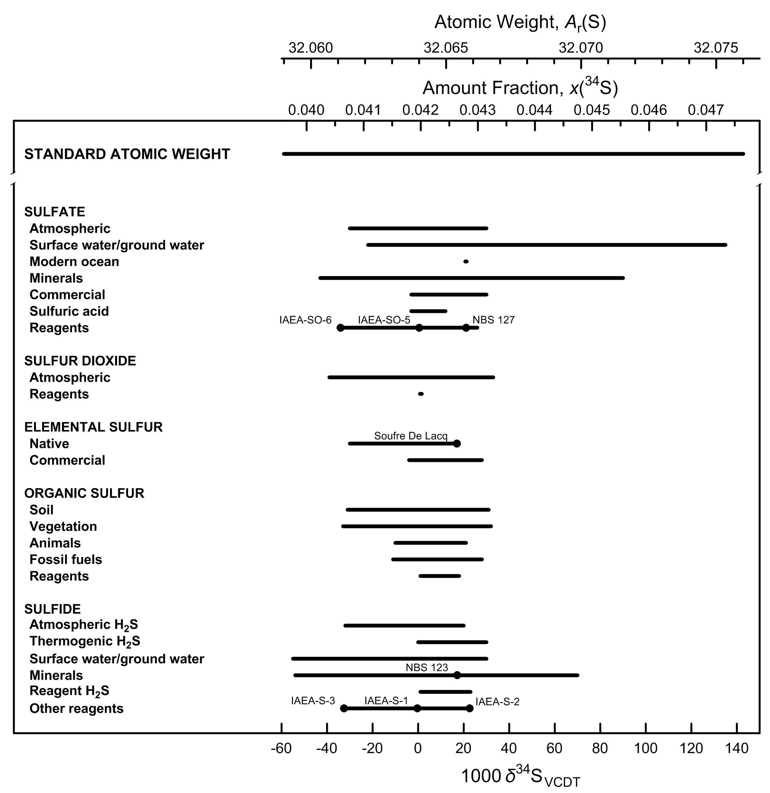

Fig. 9 Variation in isotopic composition and atomic weight of selected sulfur-bearing
materials (modified from [1,2]). VCDT is Vienna Cañon Diablo troilite [3]. Isotopic
reference materials are designated by solid black circles. The δ34S scale (or δ34/32S
scale, for specification with two isotopes) and 34S amount-fraction scale were matched
using the data of Ding et al. [4]. The expanded uncertainty in the atomic-weight and
34S amount-fraction scales with the δ34S scale is equivalent to 0.2 ‰.

References

[1] M.E. Wieser, T. B. Coplen. Pure Appl Chem. 83, 359 (2011).

[2] T. B. Coplen, J. K. Böhlke, P. De Bièvre, T. Ding, N. E. Holden, J. A. Hopple, H. R. Krouse, A. Lamberty, H. S. Peiser, K. M. Révész, S. E. Rieder, K. J. R. Rosman, E. Roth, P. D. P. Taylor, R. D. Vocke Jr., Y. K. Xiao. Pure Appl. Chem. 74, 1987 (2002).

[3] T. B. Coplen, J. A. Hopple, J. K. Böhlke, H. S. Peiser, S. E. Rieder, H. R. Krouse, K. J. R. Rosman, T. Ding, R. D. Vocke, Jr., K. M. Révész, A. Lamberty, P. Taylor, P. De Bièvre. U.S. Geological Survey Water-Resources Investigations Report (WRI). 01-4222 (2002).

[4] T. Ding, S. Valkiers, H. Kipphardt, P. De Bièvre, P. D. P. Taylor, R. Gonfiantini, H. R. Krouse. Geochim. Cosmochim. Acta 65, 2433 (2001).

Chlorine
Category | Subcategory | Lower bound |  |  |  |  | Upper bound
 |  | 103 δ37ClSMOC | x(35Cl) | x(37Cl) | Atomic weight | Reference | 103 δ37ClSMOC | x(35Cl) | x(37Cl) | Atomic weight | Reference
Standard atomic weight |  | -17.81 | 0.76101 | 0.23899 | 35.446 | M. E. Wieser, T. B. Coplen. Pure Appl. Chem. 83, 359 (2011). | 12.15 | 0.75550 | 0.24450 | 35.457 | M. E. Wieser, T. B. Coplen. Pure Appl. Chem. 83, 359 (2011).
SMOC |  | 0 | 0.75773 | 0.24227 | 35.4526 | W. A. Brand, T. B. Coplen, J. Vogl, M. Rosner, T. Prohaska. Pure Appl. Chemistry. 86, 425 (2014).
NIST SRM 975 |  | 0.43 | 0.75765 | 0.24235 | 35.4527 | W. A. Brand, T. B. Coplen, J. Vogl, M. Rosner, T. Prohaska. Pure Appl. Chemistry. 86, 425 (2014).

Chlorides | Sea water | -0.15 | 0.75776 | 0.24224 | 35.4525 | R. S. Kaufmann, A. Long, D. J. Campbell. Am. Assoc. Pet. Geol. Bull. 72, 839 (1988).Y. K. Xiao, Z. Yinming, W. Qingzhong, W. Haizhen, L. Weiguo, C. J. Eastoe. Chem. Geol. 182, 655 (2002). | 0.94 | 0.75756 | 0.24244 | 35.4529 | Y. K. Xiao, Z. Yinming, W. Qingzhong, W. Haizhen, L. Weiguo, C. J. Eastoe. Chem. Geol. 182, 655 (2002).
Chlorides | Ground, surface, pore and oil formation waterrs | -7.7 | 0.75914 | 0.24086 | 35.4497 | B. Ransom, A. J. Spivack, M. Kastner. Geology 23, 715 (1995). | 2.94 | 0.75719 | 0.24281 | 35.4536 | W. G. Liu, Y. K. Xiao, Q. Z. Wang, H. P. Qi, Y. H. Wang, Z. M. Zhou, P. V. Shirodkar. Chem. Geol. 136, 271 (1997).
Chlorides | Hydrothermal fluid-inclusion water | -1.1 | 0.75793 | 0.24207 | 35.4522 | R. S. Kaufman, S. Arnórsson. "37Cl/35Cl ratios in Icelandic geothermal waters", Fifth International Symposium on Water Rock Interaction, Extended Abstracts: v. 5, p. 325 (1986). | 0.8 | 0.75758 | 0.24242 | 35.4529 | R. S. Kaufman, S. Arnórsson. "37Cl/35Cl ratios in Icelandic geothermal waters", Fifth International Symposium on Water Rock Interaction, Extended Abstracts: v. 5, p. 325 (1986).
Chlorides | NaCl (halite) | -0.2 | 0.75777 | 0.24223 | 35.4525 | A. Long, C. J. Eastoe, R. S. Kaufmann, J. G. Martin, L. Wirt, J. B. Finley. Geochim. Cosmochim. Acta 57, 2907 (1993). | 0.7 | 0.75760 | 0.24240 | 35.4528 | R. S. Kaufmann, A. Long, H. W. Bentley, S. N. Davis. Nature 309, 338 (1984).
Chlorides | KCl (sylvite) | -0.5 | 0.75782 | 0.24218 | 35.4524 | T. C. Hoering, P. L. Parker. Geochim. Cosmochim. Acta 23, 186 (1961). | 0.3 | 0.75767 | 0.24233 | 35.4527 | T. C. Hoering, P. L. Parker. Geochim. Cosmochim. Acta 23, 186 (1961).
Chlorides | Rock or sediments | 0.2 | 0.75769 | 0.24231 | 35.4526 | A. J. Magenheim, A. J. Spivack, P. J. Michael, J. M. Gieskes. Earth Planet. Sci. Lett. 131, 427 (1995). | 7.5 | 0.75635 | 0.24365 | 35.4553 | A. J. Magenheim, A. J. Spivack, P. J. Michael, J. M. Gieskes. Earth Planet. Sci. Lett. 131, 427 (1995).
Organic solvents | CH3Cl | -6 | 0.75883 | 0.24117 | 35.4504 | N. Tanaka, D. M. Rye. Nature 353, 707 (1991). | 4 | 0.75699 | 0.24301 | 35.4540 | N. Jendrzejewski, H. G. M. Eggenkamp, M. L. Coleman. Appl. Geochem. 16, 1021 (2001).
Organic solvents | Other (trichloroethylene and others) | -2.5 | 0.75819 | 0.24181 | 35.4516 | R. Aravena, S. K. Frape, B. J. Moore, E. M. Van Warmerdam, R. J. Drimmie. In Water Resources Management v. 1, p. 31 (1996). | 4.4 | 0.75692 | 0.24308 | 35.4542 | R. Aravena, S. K. Frape, B. J. Moore, E. M. Van Warmerdam, R. J. Drimmie. In Water Resources Management v. 1, p. 31 (1996).

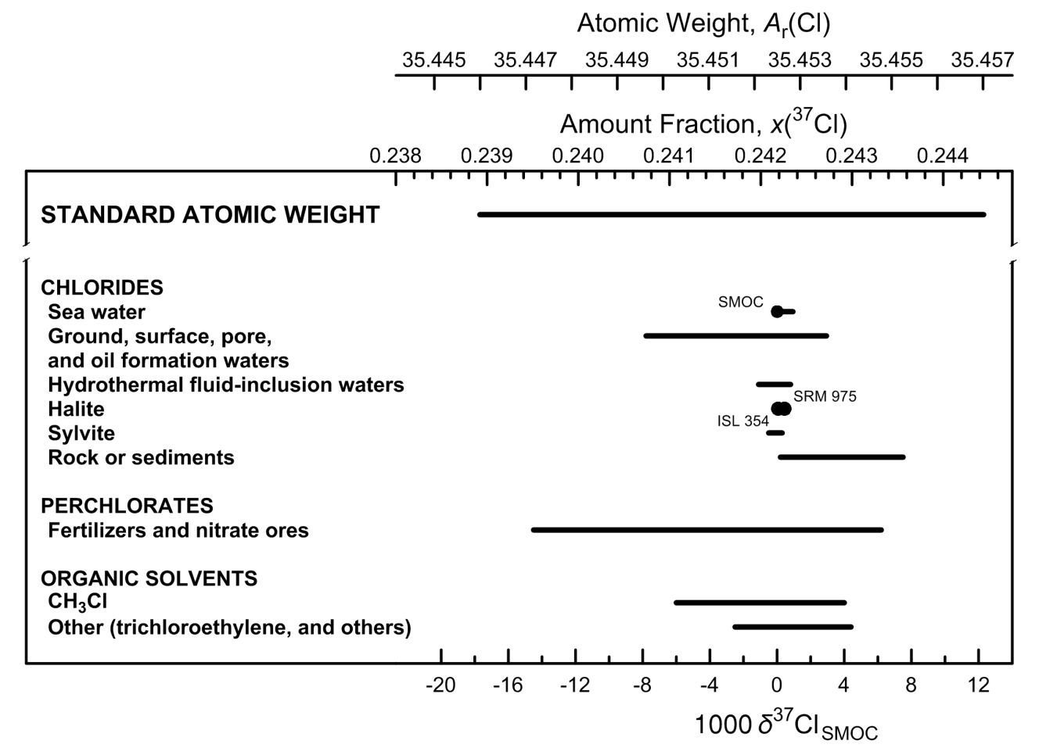

Fig. 10 Variation in isotopic composition and atomic weight of selected chlorine-bearing
materials (modified from [1,2]). SMOC is Standard Mean Ocean Chloride [3]. Isotopic
reference materials are designated by solid black circles. The δ37Cl scale and the 37Cl
amount-fraction scale were matched using the data of Shields et al. [4] and Xiao et al.
[5]. The expanded uncertainty in the atomic-weight and 37Cl amount-fraction scales with
the δ37Cl scale is equivalent to 2.5 ‰.

References

[1] M.E. Wieser, T. B. Coplen. Pure Appl Chem. 83, 359 (2011).

[2] T. B. Coplen, J. K. Böhlke, P. De Bièvre, T. Ding, N. E. Holden, J. A. Hopple, H. R. Krouse, A. Lamberty, H. S. Peiser, K. M. Révész, S. E. Rieder, K. J. R. Rosman, E. Roth, P. D. P. Taylor, R. D. Vocke Jr., Y. K. Xiao. Pure Appl. Chem. 74, 1987 (2002).

[3] T. B. Coplen, J. A. Hopple, J. K. Böhlke, H. S. Peiser, S. E. Rieder, H. R. Krouse, K. J. R. Rosman, T. Ding, R. D. Vocke, Jr., K. M. Révész, A. Lamberty, P. Taylor, P. De Bièvre. U.S. Geological Survey Water-Resources Investigations Report (WRI). 01-4222 (2002).

[4] W. R. Shields, T. J. Murphy, E. L. Garner, V. H. Dibeler. J. Am. Chem. Soc. 84, 1519 (1962).

[5] Y. K. Xiao, Z. Yinming, W. Qingzhong, W. Haizhen, L. Weiguo, C. J. Eastoe. Chem. Geol. 182, 655 (2002).

Bromine
Category | Subcategory | Lower bound |  |  |  |  | Upper bound
 |  | 103 δ81/79BrSMOB | x(79Br) | x(81Br) | Atomic weight | Reference | 103 δ81/79BrSMOB | x(79Br) | x(81Br) | Atomic weight | Reference
Standard atomic weight |  | -5.84 | 0.5082 | 0.4918 | 79.901 | M. E. Wieser, N. Holden, T. B. Coplen, J. K. Böhlke, M. Berglund, W. A. Brand, P. De Bièvre, M. Gröning, R. D. Loss, J. Meija, T. Hirata, T. Prohaska, R. Schoenberg, G. O’Connor, T. Walczyk, S. Yoneda, X.-K. Zhu. Pure Appl. Chem. 85, 1047 (2013). | 6.17 | 0.5052 | 0.4948 | 79.907 | M. E. Wieser, N. Holden, T. B. Coplen, J. K. Böhlke, M. Berglund, W. A. Brand, P. De Bièvre, M. Gröning, R. D. Loss, J. Meija, T. Hirata, T. Prohaska, R. Schoenberg, G. O’Connor, T. Walczyk, S. Yoneda, X.-K. Zhu. Pure Appl. Chem. 85, 1047 (2013).
SMOB |  | 0 | 0.5067 | 0.4933 | 79.9039 | H. G. M. Eggenkamp, M. L. Coleman. Chem. Geol. 167, 393 (2000).
NIST SRM 977 |  | -0.64 | 0.5069 | 0.4931 | 79.9036 | O. Shouakar-Stash, S. K. Frape, R. J. Drimmie. Anal. Chem. 77, 4027 (2005).

Inorganic bromide | Sea water | 0 | 0.5067 | 0.4933 | 79.9039 | O. Shouakar-Stash, S. K. Frape, R. J. Drimmie. Anal. Chem. 77, 4027 (2005). | 0 | 0.5067 | 0.4933 | 79.9039 | O. Shouakar-Stash, S. K. Frape, R. J. Drimmie. Anal. Chem. 77, 4027 (2005).
Inorganic bromide | Saline waters & slat deposits | -0.8 | 0.5069 | 0.4931 | 79.9035 | O. Shouakar-Stash, S. V. Alexeev, S. K. Frape, L. P. Alexeeva, R. J. Drimmie. Appl. Geochem. 22, 589 (2007). | 3.35 | 0.5059 | 0.4941 | 79.9056 | O. Shouakar-Stash, S. V. Alexeev, S. K. Frape, L. P. Alexeeva, R. J. Drimmie. Appl. Geochem. 22, 589 (2007).
Organic compounds |  | -4.3 | 0.5078 | 0.4922 | 79.9018 | D. Carrizo, M. Unger, H. Holmstrand, P. Andersson, Ö. Gustafsson, S. P. Sylva, C. M. Reddy. Environ. Chem. 8, 127 (2011). | 0.2 | 0.5067 | 0.4933 | 79.9040 | D. Carrizo, M. Unger, H. Holmstrand, P. Andersson, Ö. Gustafsson, S. P. Sylva, C. M. Reddy. Environ. Chem. 8, 127 (2011).
Elemental bromine |  | -1.34 | 0.5070 | 0.4930 | 79.9033 | E. Catanzaro, T. Murphy, E. Garner, W. Shields. J. Res. Natl. Bur. Std. 68 (1964). | 0.86 | 0.5065 | 0.4935 | 79.9044 | E. Catanzaro, T. Murphy, E. Garner, W. Shields. J. Res. Natl. Bur. Std. 68 (1964).

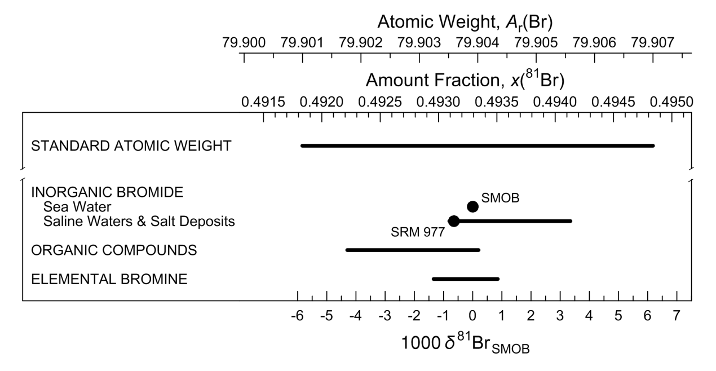

Fig. 11 Variation in isotopic composition and atomic weight of bromine in selected bromine-
bearing materials (modified from [1]). SMOB is Standard Mean Ocean Bromide [2].
Isotopic reference materials are designated by solid black circles. The δ81Br scale
and the 81Br amount-fraction scale were matched using data from [3,4]. The expanded
uncertainty in matching the atomic-weight and 81Br amount-fraction scales with the δ81Br
scale is equivalent to 1.1 ‰.

References

[1] M. E. Wieser, N. Holden, T. B. Coplen, J. K. Böhlke, M. Berglund, W. A. Brand, P. De Bièvre, M. Gröning, R. D. Loss, J. Meija, T. Hirata, T. Prohaska, R. Schoenberg, G. O’Connor, T. Walczyk, S. Yoneda, X.-K. Zhu. Pure Appl. Chem. 85, 1047 (2013).

[2] W. A. Brand, T. B. Coplen, J. Vogl, M. Rosner, T. Prohaska. Pure Appl. Chem. 86, 425 (2014).

[3] E. J. Catanzaro, T. J. Murphy, E. L. Garner, W. R. Shields. J. Res. Natl. Bur. Stand. 68A, 593 (1964).

[4] O. Shouakar-Stash, S. K. Frape, R. J. Drimmie. Anal. Chem. 77, 4027 (2005).

Thallium
Category | Subcategory | Lower bound |  |  |  |  | Upper bound
 |  | 103 δ205TlSRM997 | x(203Tl) | x(205Tl) | Atomic weight | Reference | 103 δ205TlSRM997 | x(203Tl) | x(205Tl) | Atomic weight | Reference
Standard atomic weight |  | -3.19 | 0.29591 | 0.70409 | 204.382 | M. E. Wieser, T. B. Coplen. Pure Appl. Chem. 83, 359 (2011). | 4.03 | 0.29440 | 0.70560 | 204.385 | M. E. Wieser, T. B. Coplen. Pure Appl. Chem. 83, 359 (2011).
SRM 997 |  | 0 | 0.29524 | 0.70476 | 204.38333 | T. B. Coplen, J. A. Hopple, J. K. Böhlke, H. S. Peiser, S. E. Rieder, H. R. Krouse, K. J. R. Rosman, T. Ding, R. D. Vocke, Jr., K. M. Révész, A. Lamberty, P. Taylor, P. De Bièvre. U.S. Geological Survey Water-Resources Investigations Report (WRI). 01-4222 (2002).

Igneous rocks |  | -0.18 | 0.25277 | 0.70472 | 204.38326 | M. Rehkamper, A. N. Halliday. Geochim. Cosmochim. Acta 63, 935 (1999). | 0.35 | 0.29517 | 0.70483 | 204.38348 | M. Rehkamper, A. N. Halliday. Geochim. Cosmochim. Acta 63, 935 (1999).
Sedimentary rocks |  | 0.33 | 0.29517 | 0.70483 | 204.38347 | M. Rehkämper, M. Frank, A. Halliday, J. Hein. In 11th Biannual Symposium, Strassbourg, Book of Abstracts, (2001). | 1.43 | 0.29494 | 0.70506 | 204.38393 | M. Rehkämper, M. Frank, A. Halliday, J. Hein. In 11th Biannual Symposium, Strassbourg, Book of Abstracts, (2001).
Reagents |  | -0.14 | 0.29527 | 0.70473 | 204.38327 | M. Rehkamper, A. N. Halliday. Geochim. Cosmochim. Acta 63, 935 (1999). | 0.02 | 0.29524 | 0.70476 | 204.38334 | M. Rehkamper, A. N. Halliday. Geochim. Cosmochim. Acta 63, 935 (1999).

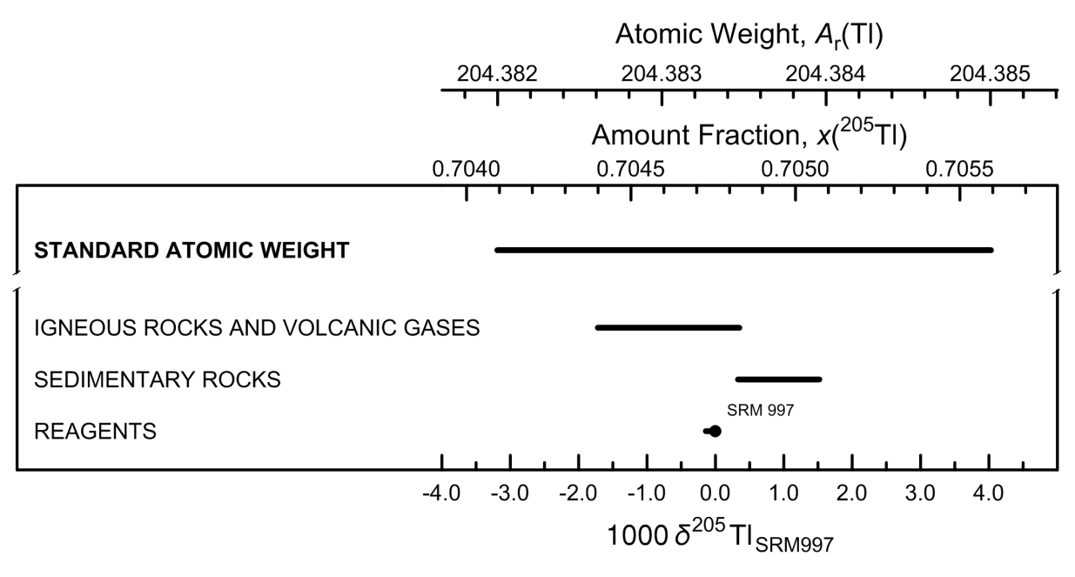

Fig. 12 Variation in atomic weight with isotopic composition of selected thallium-bearing
materials (modified from [1,2]). The reference material SRM 997 is elemental thallium
metal [3]. An isotopic reference material is designated by a solid black circle. The
δ205Tl scale and the 205Tl amount-fraction scale were matched using the data of Dunstan
et al. [4] and Rosman and Taylor [5]. The expanded uncertainty in the atomic-weight and
205Tl amount-fraction scales with the δ205Tl scale is equivalent to 0.4 ‰.

References

[1] M.E. Wieser, T. B. Coplen. Pure Appl Chem. 83, 359 (2011).

[2] T. B. Coplen, J. K. Böhlke, P. De Bièvre, T. Ding, N. E. Holden, J. A. Hopple, H. R. Krouse, A. Lamberty, H. S. Peiser, K. M. Révész, S. E. Rieder, K. J. R. Rosman, E. Roth, P. D. P. Taylor, R. D. Vocke Jr., Y. K. Xiao. Pure Appl. Chem. 74, 1987 (2002).

[3]T. B. Coplen, J. A. Hopple, J. K. Böhlke, H. S. Peiser, S. E. Rieder, H. R. Krouse, K. J. R. Rosman, T. Ding, R. D. Vocke, Jr., K. M. Révész, A. Lamberty, P. Taylor, P. De Bièvre. U.S. Geological Survey Water-Resources Investigations Report (WRI). 01-4222 (2002).

[4] L. P. Dunstan, J. W. Gramlich, I. L. Barnes, W. C. Purdy. J. Res. Natl. Bur. Stand. 85, 1 (1980).

[5]K. J. R. Rosman, P. D. P. Taylor. Pure Appl. Chem. 70, 217 (1998).

