Soal QA Nomor 3
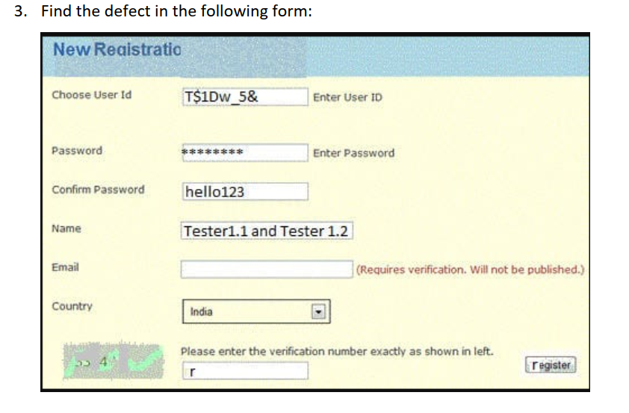
Defect | Penjelasan
1. Confirm Password | Untuk Confirm Password disana terlihat, sehingga sebaiknya terenkripsi dan di hide
2. Country | Untuk Country disana select label(choose), sebaiknya gunakan input text
3. Isi Password | Sebaiknya Saat membuat password gunakan simbol, angka, huruf Kapital dan minimal 8 karakter agar lebih aman dan sulit untuk dibobol
4. Verification number | Sebaiknya verifikasi number diubah menjadi input OTP number dari SMS atau Email
5. Tambahkan form number | Sebaiknya tambahkan form number phone agar verifikasi dapat dilakukan dengan Input nomor telepon

