Sheet1
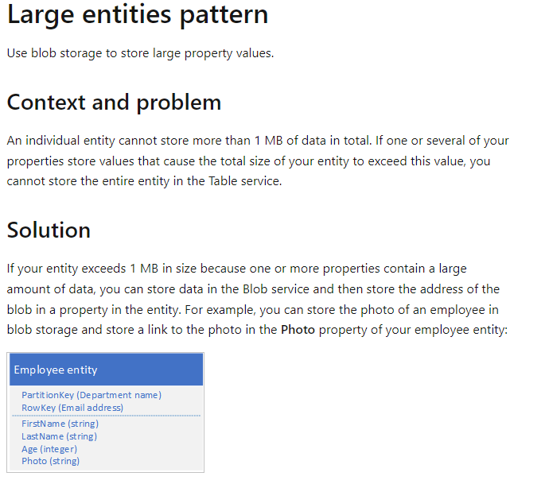
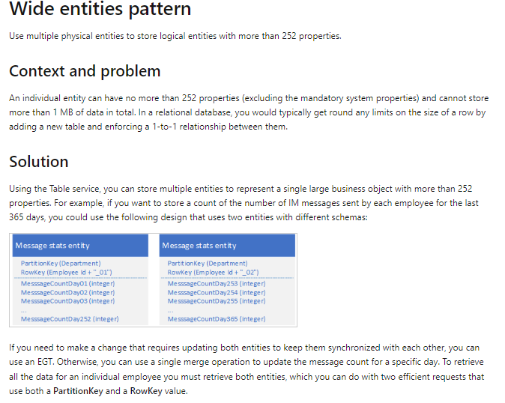
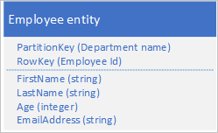
INTRA Partition
Table | SchoolMGTDb
Partition | Row Key | Name | Education
Teacher | 1001 | Amit | MCA
Teacher | 1002 | Prince | BCA
Teacher | amit@gmail.com | Amit | MCA
Teacher | prince@gmail.com | Prince | BCA

Store multiple copies of each entity using different RowKey values (in the same partition) to enable fast and efficient lookups and alternate sort orders by using different RowKey values. Updates between copies can be kept consistent using entity group transactions

INTER Partition
Table | SchoolMGTDb
Partition | Row Key | Name | Education
Teacher | 1001 | Amit | MCA
Teacher | 1002 | Prince | BCA
TeacherEmail | amit@gmail.com | Amit | MCA
TeacherEmail | prince@gmail.com | Prince | BCA

The Table service automatically indexes entities using the PartitionKey and RowKey values. This enables a client application to retrieve an entity efficiently using these values.

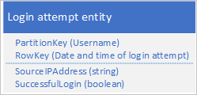
Delete Partition |  |  |  | Delete Partition
Table | AuditLog |  |  | Table | AuditLog
Partition | Row Key | Name | Action | Partition | Row Key | Name | Action
Crud | 20-Jan-23 | Amit | Add | CrudJan | 20-Jan-23 | Amit | Add
Crud | 20-Jan-23 | Prince | Edit | CrudJan | 20-Jan-23 | Prince | Edit
Crud | 20-Feb-23 | Amit | Add | CrudFeb | 20-Feb-23 | Amit | Add
Crud | 20-Feb-23 | Prince | Edit | CrudFeb | 20-Feb-23 | Prince | Edit

