Sheet1
O
O
O
OH
编号 | 化合物名称 | 英文名称 | CAS | 分子量 | 分子式 | 2D图 |  | smiles | inchi | inchikey | 药材名称
SQ-001 |  | 6α-hydroxy-22,23,24,25,26,27-hexanordammar-3,12,20-trione | / | 388.2614 | C24H36O4 |  | 三萜 |  |  |  | 三七 | 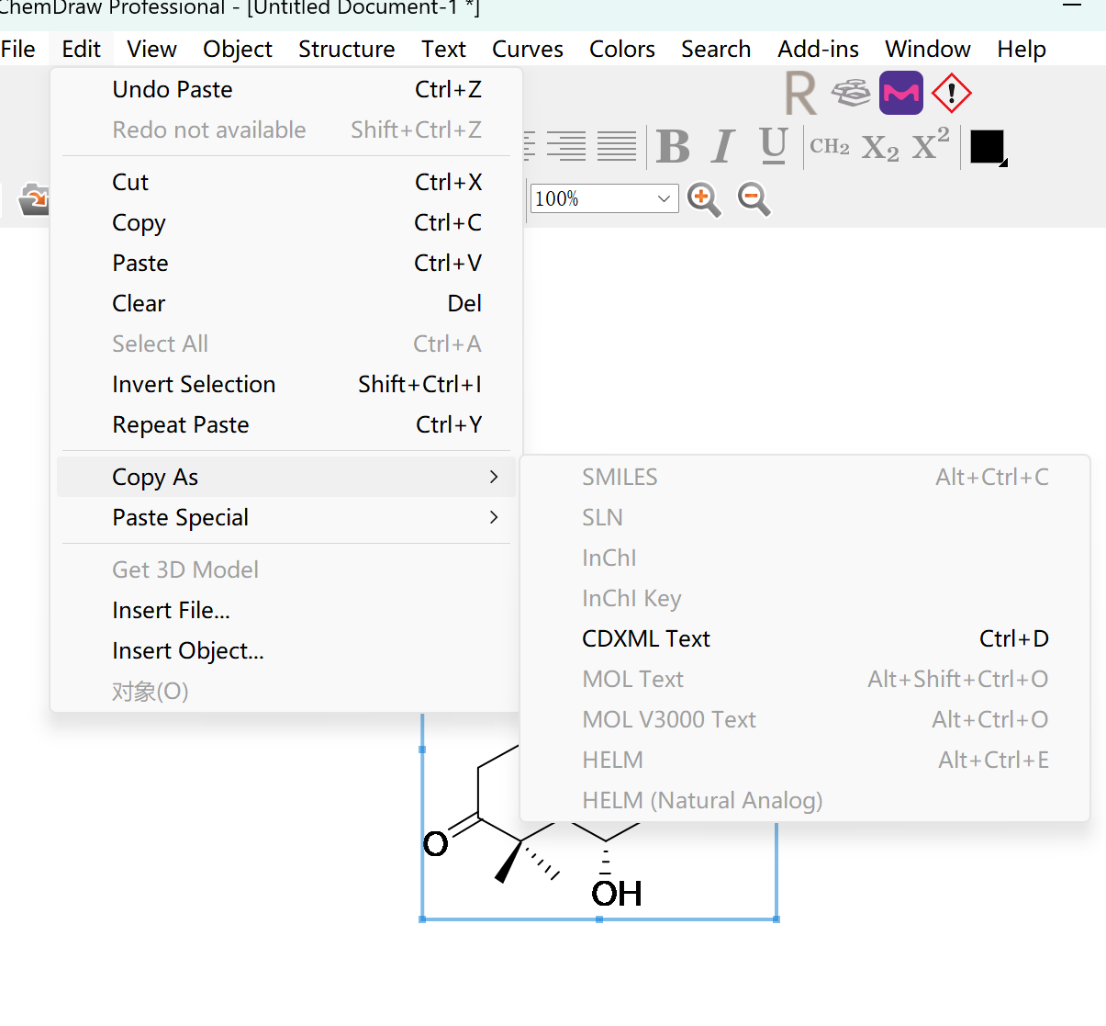
SQ-002 | 原人参二醇 | 20(R)-protopanaxadiol | 7755-01-3 | 460.3916 | C30H52O3 |  | 三萜 | O[C@H]1CC[C@@]2(C)C([C@@H](O[C@H]3[C@H](O)[C@@H](O)[C@H](O)[C@@H](CO)O3)C[C@@]4(C)[C@@](CCC5[C@@](CCC(C(C)=C)OO)(C)O)(C)C5[C@H](O)CC24)C1(C)C | InChI=1S/C36H62O11/c1-18(2)21(47-44)10-14-36(8,43)19-9-13-34(6)26(19)20(38)15-24-33(5)12-11-25(39)32(3,4)30(33)22(16-35(24,34)7)45-31-29(42)28(41)27(40)23(17-37)46-31/h19-31,37-44H,1,9-17H2,2-8H3/t19?,20-,21?,22+,23-,24?,25+,26?,27-,28+,29-,30?,31-,33-,34-,35-,36+/m1/s1 | NSHCNFDNFILHSM-LOMRAMIHSA-N | 三七
SQ-003 | 原人参二醇 | 20(S)-protopanaxadiol | 30636-90-9 | 460.3916 | C30H52O3 |  | 三萜 | C[C@@]1([C@@](C[C@H]2O)([H])[C@](CC[C@H](O)C3(C)C)(C)[C@@]3([H])CC1)[C@@](CC4)(C)[C@@]2([H])[C@H]4[C@@](O)(C)CC/C=C(C)\C | InChI=1S/C30H52O3/c1-19(2)10-9-14-30(8,33)20-11-16-29(7)25(20)21(31)18-23-27(5)15-13-24(32)26(3,4)22(27)12-17-28(23,29)6/h10,20-25,31-33H,9,11-18H2,1-8H3/t20-,21+,22-,23+,24-,25-,27-,28+,29+,30+/m0/s1 | PYXFVCFISTUSOO-VUFVRDRTSA-N | 三七
SQ-004 | 人参二醇 | panaxadiol | 19666-76-3 | 460.3916 | C30H52O3 |  | 三萜 | C[C@@]1([C@@](C[C@H]2O)([H])[C@](CC[C@H](O)C3(C)C)(C)[C@@]3([H])CC1)[C@@](CC4)(C)[C@@]2([H])[C@H]4[C@]5(C)OC(C)(C)CCC5 | InChI=1S/C30H52O3/c1-25(2)13-9-14-30(8,33-25)19-10-16-29(7)24(19)20(31)18-22-27(5)15-12-23(32)26(3,4)21(27)11-17-28(22,29)6/h19-24,31-32H,9-18H2,1-8H3/t19-,20+,21-,22+,23-,24-,27-,28+,29+,30+/m0/s1 | PVLHOJXLNBFHDX-XHJPDDKBSA-N | 三七
SQ-005 | 人参三醇 | panaxatriol | 32791-84-7 | 476.3866 | C30H52O4 |  | 三萜 | C[C@@]1([C@@](C[C@H]2O)([H])[C@](CC[C@H](O)C3(C)C)(C)[C@@]3([H])[C@H](O)C1)[C@@](CC4)(C)[C@@]2([H])[C@H]4[C@]5(C)OC(C)(C)CCC5 | InChI=1S/C30H52O4/c1-25(2)12-9-13-30(8,34-25)18-10-15-28(6)23(18)19(31)16-21-27(5)14-11-22(33)26(3,4)24(27)20(32)17-29(21,28)7/h18-24,31-33H,9-17H2,1-8H3/t18-,19+,20+,21+,22-,23-,24-,27+,28+,29+,30+/m0/s1 | QFJUYMMIBFBOJY-UXZRXANASA-N | 三七
SQ-006 |  | panaxadione | / | 488.3502 | C30H48O5 |  | 三萜 | C[C@@]1(C2C3)C([C@@H](O)C[C@@]2(C)[C@@](CC[C@]4([H])[C@]5(C)CC[C@H](C(O)(C)C)O5)(C)C4C3=O)C(C)(C)C(CC1)=O | InChI=1S/C30H48O5/c1-25(2)21(33)10-12-27(5)20-15-18(31)23-17(30(8)14-11-22(35-30)26(3,4)34)9-13-28(23,6)29(20,7)16-19(32)24(25)27/h17,19-20,22-24,32,34H,9-16H2,1-8H3/t17-,19-,20?,22+,23?,24?,27+,28+,29+,30-/m0/s1 | FCAJXFJDFFPHME-WEORGPSVSA-N | 三七
SQ-007 |  | 20(S)-dammar-3-oxo-23-ene-25-hydroperoxyl-12β,20-diol | / | 490.3658 | C30H50O5 |  | 三萜 | C[C@@]12C(C([H])C[C@]3(C)C2CC(O)C(C([C@](C/C=C/C(C)(C)OO)(O)C)CC4)[C@]34C)C(C)(C)C(CC1)=O | InChI=1S/C30H50O5/c1-25(2,35-34)13-9-14-30(8,33)19-10-16-29(7)24(19)20(31)18-22-27(5)15-12-23(32)26(3,4)21(27)11-17-28(22,29)6/h9,13,19-22,24,31,33-34H,10-12,14-18H2,1-8H3/b13-9+/t19?,20?,21?,22?,24?,27-,28+,29+,30-/m0/s1 | SISRBKQDPSVKAN-NTXMVOEWSA-N | 三七
SQ-008 | 拟人参皂苷元 | (20S),(24R)-Ocotillol | 69926-31-4 | 492.3815 | C30H52O5 |  | 三萜 | C[C@]([C@@](C[C@H]1O)([H])[C@]2(CC[C@@H]3O)C)(C[C@H](O)[C@@]2([H])C3(C)C)[C@]4([C@@]1([H])[C@]([C@]5(O[C@@H](C(C)(O)C)CC5)C)([H])CC4)C | InChI=1S/C30H52O5/c1-25(2)21(33)10-12-27(5)20-15-18(31)23-17(30(8)14-11-22(35-30)26(3,4)34)9-13-28(23,6)29(20,7)16-19(32)24(25)27/h17-24,31-34H,9-16H2,1-8H3/t17-,18+,19-,20+,21-,22+,23-,24-,27+,28+,29+,30-/m0/s1 | XIGBHUXQOPWGDK-HTGHARJWSA-N | 三七
SQ-009 |  | 20(S)-dammar-3-oxo-23-ene-25-hydroperoxyl-6α,12β,20-triol | / | 506.3607 | C30H50O6 |  | 三萜 | C[C@@]12C([C@@H](O)C[C@]3(C)C2CC(O)C(C([C@](C/C=C/C(C)(C)OO)(O)C)CC4)[C@]34C)C(C)(C)C(CC1)=O | InChI=1S/C30H50O6/c1-25(2,36-35)12-9-13-30(8,34)18-10-15-28(6)23(18)19(31)16-21-27(5)14-11-22(33)26(3,4)24(27)20(32)17-29(21,28)7/h9,12,18-21,23-24,31-32,34-35H,10-11,13-17H2,1-8H3/b12-9+/t18?,19?,20-,21?,23?,24?,27+,28+,29+,30-/m0/s1 | ISEDMSWFZHZDEH-YBBLJQPPSA-N | 三七
SQ-010 |  | 20(S)-dammar-25-ene-24(S)-hydroperoxyl-3β,6α,12β,20-tetrol | / | 508.3764 | C30H52O6 |  | 三萜 | C[C@](C1CC[C@@]2(C)[C@]3(C)C[C@H](O)C4C(C)(C)[C@@H](O)CC[C@]4(C)C3C[C@@H](O)C21)(O)CC[C@H](OO)C(C)=C | InChI=1S/C30H52O6/c1-17(2)21(36-35)10-14-30(8,34)18-9-13-28(6)24(18)19(31)15-22-27(5)12-11-23(33)26(3,4)25(27)20(32)16-29(22,28)7/h18-25,31-35H,1,9-16H2,2-8H3/t18?,19-,20+,21?,22?,23+,24?,25?,27-,28-,29-,30+/m1/s1 | DYTQIXRLSSIRMJ-SXFWGWMTSA-N | 三七
SQ-011 | 人参皂苷R10 | ginsenoside R10 | / | 538.3506 | C30H50O8 |  | 三萜 | CC1(C)[C@@H](O[C@@H]2[C@H](O)[C@@H](O)[C@H](O)[C@@H](CO)O2)CC[C@@]3(C)C1C([H])C[C@@]4(C)[C@@](CCC5C(C)=O)(C)C5[C@H](O)CC34 | InChI=1S/C30H50O8/c1-15(32)16-7-11-30(6)22(16)17(33)13-20-28(4)10-9-21(27(2,3)19(28)8-12-29(20,30)5)38-26-25(36)24(35)23(34)18(14-31)37-26/h16-26,31,33-36H,7-14H2,1-6H3/t16?,17-,18-,19?,20?,21+,22?,23-,24+,25-,26-,28+,29-,30-/m1/s1 | JCDLEOXHWIOREJ-KNHWKVBLSA-N | 三七
SQ-012 | 三七皂苷 R10 | notoginsenoside R10 | / | 554.3455 | C30H50O9 |  | 三萜 | O[C@@H]1[C@@H](CO)O[C@H](O[C@@H]2C3C(C)(C)[C@@H](O)CC[C@]3(C)C4[C@@]([C@](C)(CCC5C(C)=O)C5[C@H](O)C4)(C)C2)[C@H](O)[C@H]1O | InChI=1S/C30H50O9/c1-14(32)15-7-10-29(5)21(15)16(33)11-19-28(4)9-8-20(34)27(2,3)25(28)17(12-30(19,29)6)38-26-24(37)23(36)22(35)18(13-31)39-26/h15-26,31,33-37H,7-13H2,1-6H3/t15?,16-,17+,18-,19?,20+,21?,22-,23+,24-,25?,26+,28-,29-,30-/m1/s1 | MFXYPCMYAZAZDX-UHOBRCMMSA-N | 三七
SQ-013 |  | Pn-1 | / | 566.3819 | C32H54O8 |  | 三萜 | CC1(C)[C@@H](O[C@H]2[C@H](O)[C@@H](O)[C@H](O)[C@@H](CO)O2)CC[C@@]3(C)[C@@]1([H])CC[C@]4(C)[C@]3([H])C[C@@H](O)[C@@]5([H])[C@@]4(C)CC[C@@H]5/C(C)=C\CO | InChI=1S/C32H54O8/c1-17(10-14-33)18-7-12-32(6)24(18)19(35)15-22-30(4)11-9-23(29(2,3)21(30)8-13-31(22,32)5)40-28-27(38)26(37)25(36)20(16-34)39-28/h10,18-28,33-38H,7-9,11-16H2,1-6H3/b17-10-/t18-,19-,20-,21+,22-,23+,24+,25-,26+,27-,28+,30+,31-,32-/m1/s1 | VACOYDJVVBWXBA-SXIQXVQPSA-N | 三七
SQ-014 | 三七皂苷ST8 | notoginsenoside ST8 | / | 580.3611 | C32H52O9 |  | 三萜 | O=C[C@@H]([C@H]([C@@H]([C@@H](CO[C@@H]1C2C(C)(C)[C@@H](O)CC[C@]2(C)C3[C@@]([C@@](CC[C@]4([H])/C(C)=C/C([H])=O)(C)C4[C@H](O)C3)(C)C1)O)O)O)O | InChI=1S/C32H52O9/c1-17(9-12-33)18-7-11-31(5)25(18)19(35)13-23-30(4)10-8-24(38)29(2,3)28(30)22(14-32(23,31)6)41-16-21(37)27(40)26(39)20(36)15-34/h9,12,15,18-28,35-40H,7-8,10-11,13-14,16H2,1-6H3/b17-9+/t18-,19-,20+,21-,22+,23?,24+,25?,26-,27-,28?,30-,31-,32-/m1/s1 | SMGWADCXASUPAF-XJSVLCEMSA-N | 三七
SQ-015 | 三七皂苷ST9 | notoginsenoside ST9 | / | 580.3611 | C32H52O9 |  | 三萜 | O=C[C@@H]([C@H]([C@@H]([C@@H](CO[C@@H]1C2C(C)(C)[C@@H](O)CC[C@]2(C)C3[C@@]([C@@](CC[C@]4([H])/C(C)=C/C([H])=O)(C)C4[C@H](O)C3)(C)C1)O)O)O)O | InChI=1S/C32H52O9/c1-17(9-12-33)18-7-11-31(5)25(18)19(35)13-23-30(4)10-8-24(38)29(2,3)28(30)22(14-32(23,31)6)41-16-21(37)27(40)26(39)20(36)15-34/h9,12,15,18-28,35-40H,7-8,10-11,13-14,16H2,1-6H3/b17-9+/t18-,19-,20+,21-,22+,23?,24+,25?,26-,27-,28?,30-,31-,32-/m1/s1 | SMGWADCXASUPAF-XJSVLCEMSA-N | 三七
SQ-016 |  | saringosteryl glucoside | / | 590.4183 | C35H58O7 |  | 三萜 | C[C@]12C(C[C@@H](O[C@H]3[C@H](O)[C@@H](O)[C@H](O)[C@@H](CO)O3)CC2)=CCC4C1CC[C@@]5(C)C4CC[C@]5([H])[C@@H](CCC(C=C)(O)C(C)C)C | InChI=1S/C35H58O7/c1-7-35(40,20(2)3)17-12-21(4)25-10-11-26-24-9-8-22-18-23(13-15-33(22,5)27(24)14-16-34(25,26)6)41-32-31(39)30(38)29(37)28(19-36)42-32/h7-8,20-21,23-32,36-40H,1,9-19H2,2-6H3/t21-,23+,24?,25-,26?,27?,28-,29-,30+,31-,32-,33+,34-,35?/m1/s1 | MRNRLEVLPFVWRY-BUBGXVALSA-N | 三七
SQ-017 | 人参皂苷RK2 | ginsenoside Rk2 | 364779-14-6 | 604.4339 | C36H60O7 |  | 三萜 | O[C@@H]1[C@@H](CO)O[C@H](O[C@@H]2C3C(C)(C)[C@@H](O)CC[C@]3(C)C4[C@@]([C@](C)(CCC5C(C)=O)C5[C@H](O)C4)(C)C2)[C@H](O)[C@H]1O | InChI=1S/C30H50O9/c1-14(32)15-7-10-29(5)21(15)16(33)11-19-28(4)9-8-20(34)27(2,3)25(28)17(12-30(19,29)6)38-26-24(37)23(36)22(35)18(13-31)39-26/h15-26,31,33-37H,7-13H2,1-6H3/t15?,16-,17+,18-,19?,20+,21?,22-,23+,24-,25?,26+,28-,29-,30-/m1/s1 | MFXYPCMYAZAZDX-UHOBRCMMSA-N | 三七
SQ-018 | 人参皂苷 RH3 | ginsenoside Rh3 | 105558-26-7 | 604.4339 | C36H60O7 |  | 三萜 | CC1(C)[C@@H](O[C@H]2[C@H](O)[C@@H](O)[C@H](O)[C@@H](CO)O2)CC[C@@]3(C)C1C([H])C[C@]4(C)C3C[C@@H](O)C5[C@]4(CCC5/C(C)=C\C/C=C(C)/C)C | InChI=1S/C36H60O7/c1-20(2)10-9-11-21(3)22-12-16-36(8)28(22)23(38)18-26-34(6)15-14-27(33(4,5)25(34)13-17-35(26,36)7)43-32-31(41)30(40)29(39)24(19-37)42-32/h10-11,22-32,37-41H,9,12-19H2,1-8H3/b21-11-/t22?,23-,24-,25?,26?,27+,28?,29-,30+,31-,32+,34+,35-,36-/m1/s1 | PHLXREOMFNVWOH-SBRQHQKMSA-N | 三七
SQ-019 | 三七皂苷ST6 | notoginsenoside ST6 | / | 620.3924 | C35H56O9 |  | 三萜 | O[C@H]1CC[C@@]2(C)C([C@@H](O[C@@H]3[C@H](O)[C@@H](O)[C@H](O)[C@@H](CO)O3)C[C@@]4(C)[C@@](CCC5/C(C)=C/C=C/C(C)=O)(C)C5[C@H](O)CC24)C1(C)C | InChI=1S/C35H56O9/c1-18(9-8-10-19(2)37)20-11-14-34(6)26(20)21(38)15-24-33(5)13-12-25(39)32(3,4)30(33)22(16-35(24,34)7)43-31-29(42)28(41)27(40)23(17-36)44-31/h8-10,20-31,36,38-42H,11-17H2,1-7H3/b10-8+,18-9+/t20?,21-,22+,23-,24?,25+,26?,27-,28+,29-,30?,31+,33-,34-,35-/m1/s1 | KSTYJOIOUMSLDK-PVJJWSRHSA-N | 三七
SQ-020 | 三七皂苷ST7 | notoginsenoside ST7 | / | 620.3924 | C35H56O9 |  | 三萜 | C[C@@]12C([C@@H](OC(CO)=O)C[C@]3(C)C2C[C@@H](O)C([C@](/C(C)=C\C=C\C(C)=O)([H])CC4)[C@]34C)C(C)(C)C(O)CC1 | InChI=1S/C31H48O6/c1-18(9-8-10-19(2)33)20-11-14-30(6)26(20)21(34)15-23-29(5)13-12-24(35)28(3,4)27(29)22(16-31(23,30)7)37-25(36)17-32/h8-10,20-24,26-27,32,34-35H,11-17H2,1-7H3/b10-8+,18-9-/t20-,21-,22?,23?,24?,26?,27?,29-,30-,31-/m1/s1 | SKYDQXWHYLXRIJ-BAKPTZFJSA-N | 三七
SQ-021 | 人参皂苷 RK3 | ginsenoside Rk3 | 364779-15-7 | 620.4288 | C36H60O8 |  | 三萜 | O[C@H]1CC[C@@]2(C)C(C(O[C@H]3[C@H](O)[C@@H](O)[C@H](O)[C@@H](CO)O3)C[C@@]4(C)[C@@](CCC5C(CC/C=C(C)\C)=C)(C)C5[C@H](O)CC24)C1(C)C | InChI=1S/C36H60O8/c1-19(2)10-9-11-20(3)21-12-15-35(7)27(21)22(38)16-25-34(6)14-13-26(39)33(4,5)31(34)23(17-36(25,35)8)43-32-30(42)29(41)28(40)24(18-37)44-32/h10,21-32,37-42H,3,9,11-18H2,1-2,4-8H3/t21?,22-,23?,24-,25?,26+,27?,28-,29+,30-,31?,32-,34-,35-,36-/m1/s1 | AVXFIVJSCUOFNT-MKEZLVELSA-N | 三七
SQ-022 | 人参皂苷 RH4 | ginsenoside Rh4 | 174721-08-5 | 620.4288 | C36H60O8 |  | 三萜 | CC1(C)[C@@H](O)CC[C@@]2(C)C1[C@@H](O[C@@H]3[C@H](O)[C@@H](O)[C@H](O)[C@@H](CO)O3)C[C@]4(C)C2C[C@@H](O)C5[C@]4(CCC5/C(C)=C\C/C=C(C)\C)C | InChI=1S/C36H60O8/c1-19(2)10-9-11-20(3)21-12-15-35(7)27(21)22(38)16-25-34(6)14-13-26(39)33(4,5)31(34)23(17-36(25,35)8)43-32-30(42)29(41)28(40)24(18-37)44-32/h10-11,21-32,37-42H,9,12-18H2,1-8H3/b20-11-/t21?,22-,23+,24-,25?,26+,27?,28-,29+,30-,31?,32+,34-,35-,36-/m1/s1 | OZTXYFOXQFKYRP-PSBPENOQSA-N | 三七
SQ-023 |  | 3-oxo-compound K | / | 620.4288 | C36H60O8 |  | 三萜 | CC1(C)C(CC[C@@]2(C)C1CC[C@@]3(C)[C@](C)(CCC4[C@@](C)(O[C@@H]5[C@H](O)[C@@H](O)[C@H](O)[C@@H](CO)O5)CC/C=C(C)\C)C4[C@H](O)CC23)=O | InChI=1S/C36H60O8/c1-20(2)10-9-14-36(8,44-31-30(42)29(41)28(40)23(19-37)43-31)21-11-16-35(7)27(21)22(38)18-25-33(5)15-13-26(39)32(3,4)24(33)12-17-34(25,35)6/h10,21-25,27-31,37-38,40-42H,9,11-19H2,1-8H3/t21?,22-,23-,24?,25?,27?,28-,29+,30-,31-,33+,34-,35-,36+/m1/s1 | BCHOANLDKLMDEX-KHNHFIKTSA-N | 三七
SQ-024 | 人参皂苷 RH16 | ginsenoside Rh16 | / | 620.4288 | C36H60O8 |  | 三萜 | C[C@@]12C([C@@H](O)C[C@]3(C)C2C[C@@H](O)C4[C@]3(CCC4/C(C)=C\C/C=C(C)/C)C)C(C)(C)[C@@H](O[C@@H]5[C@H](O)[C@@H](O)[C@H](O)[C@@H](CO)O5)CC1 | InChI=1S/C36H60O8/c1-19(2)10-9-11-20(3)21-12-15-35(7)27(21)22(38)16-25-34(6)14-13-26(33(4,5)31(34)23(39)17-36(25,35)8)44-32-30(42)29(41)28(40)24(18-37)43-32/h10-11,21-32,37-42H,9,12-18H2,1-8H3/b20-11-/t21?,22-,23+,24-,25?,26+,27?,28-,29+,30-,31?,32-,34-,35-,36-/m1/s1 | STGSRVGAMRCRDT-XKGWKUGKSA-N | 三七
...

