化橘红化合物信息表
编号 | 化合物名称 | 英文名称 | CAS号 | 分子量 | 分子式 | 2D图 |  | smiles | inchi | inchikey
NX-01 | 2,6-二甲基吡嗪 | 2,6-Dimethylpyrazine | 108-50-9 | 108.0687 | C6H8N2 |  | 挥发油 | CC1=CC(=O)C=C(C)C1=O | InChI=1S/C8H10O2/c1-5-3-7(9)4-6(2)8(5)10/h3-4H,1-2H3 | QHPQWRXNXSTXSB-UHFFFAOYSA-N | 牛膝
NX-02 | 甜菜碱 | Betaine | 107-43-7 | 117.0790 | C5H11NO2 | 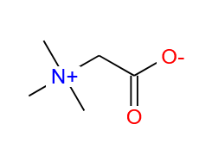 | 生物碱 | CN+(C)CC(=O)O | InChI=1S/C5H11NO2/c1-6(2,3)4-5(7)8/h4H2,1-3H3 | QACKAJAGAHLZSB-UHFFFAOYSA-N | 牛膝
NX-03 | 丁二酸 | Succinic acid | 110-15-6 | 118.0266 | C4H6O4 | 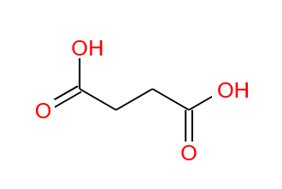 | 其他 | OC1=CC=C(C=C1)C(=O)CC(C)C | InChI=1S/C10H12O2/c1-7(2)6-10(12)8-3-5-9(11)4-8/h3-5,7,11H,6H2,1-2H3 | QAUZXYOJMZEHDI-UHFFFAOYSA-N | 牛膝
NX-04 | 5-羟甲基糠醛 | 5-hydroxymethyl furaldehyde | 67-47-0 | 126.0317 | C6H6O3 | 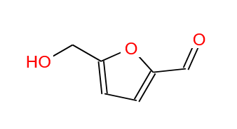 | 挥发油 | OC1=CC=C(C=C1)C(=O)CC(C)C | InChI=1S/C10H12O2/c1-7(2)6-10(12)8-3-5-9(11)4-8/h3-5,7,11H,6H2,1-2H3 | QAUZXYOJMZEHDI-UHFFFAOYSA-N | 牛膝
NX-05 | 腺嘌呤 | adenine | 73-24-5 | 135.0545 | C5H5N5 | 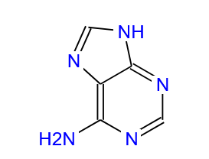 | 其他 | C1=NC2=C(N1)C(=O)NC=N2 | InChI=1S/C5H5N5/c6-4-3-5(9-7-4)8-1-2-10-3/h1-2H,(H2,6,7,8,9) | QAWWDVJOVWYRRU-UHFFFAOYSA-N | 牛膝
NX-06 | 2-甲氧基-6-异丙基吡嗪 | 2-Methoxy-6-isopropylpyrazine | 93905-03-4 | 152.0950 | C8H12N2O | 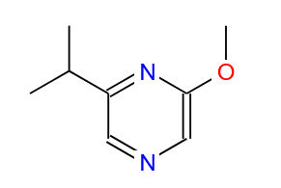 | 挥发油 | COC1=CC=C(/C=C/C(=O)CC(=O)/C=C/C2=CC=C(O)C=C2)C=C1 | InChI=1S/C21H20O4/c1-25-20-11-14(5-9-18(20)22)3-7-16(23)13-17(24)8-4-15-6-10-19(21)12-15/h3-12,22H,13H2,1H3/b7-3+,8-4+ | VFLDPWHFBUODDF-FCXRPNKRSA-N | 牛膝
NX-07 | 尿囊素 | Allantoin | 97-59-6 | 158.0440 | C4H6N4O3 | 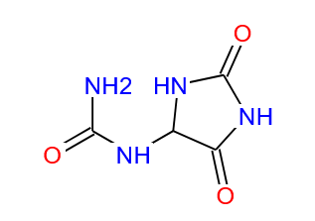 | 生物碱 | COC1=CC=C(/C=C/C(=O)CC(=O)/C=C/C2=CC=C(O)C=C2)C=C1OC | InChI=1S/C22H22O5/c1-27-21-13-16(7-11-20(21)25)5-9-18(23)15-19(24)10-6-17-8-12-22(26)14-17/h5-14,25H,15H2,1-2H3/b9-5+,10-6+ | PREBVFJICNPEKM-YDWXAUTNSA-N | 牛膝
NX-08 | 2-甲氧基-3-异丁基吡嗪 | 2-Methoxy-3-isobutyl pyrazine | 24683-00-9 | 166.1106 | C9H14N2O | 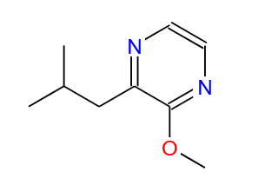 | 挥发油 | COC1=CC=C(/C=C/C(=O)CC(=O)/C=C/C2=CC=C(O)C=C2)C=C1OC | InChI=1S/C22H22O5/c1-27-21-13-16(7-11-20(21)25)5-9-18(23)15-19(24)10-6-17-8-12-22(26)14-17/h5-14,25H,15H2,1-2H3/b9-5+,10-6+ | PREBVFJICNPEKM-YDWXAUTNSA-N | 牛膝
NX-09 | 咖啡酸 | Caffeic acid | 331-39-5 | 180.0423 | C9H8O4 | 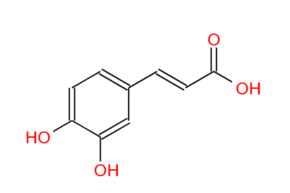 | 酚酸类 | OC1=CC=C(C=C1)C=CC(=O)CC(=O)C=C(C)C | InChI=1S/C15H16O3/c1-11(2)7-14(16)9-12(3)13-5-6-15(17)10-4-8-13/h4-10,17H,1-3H3/b9-7+,10-8+ | KFWUWFQZJLVSDU-UHFFFAOYSA-N | 牛膝
NX-10 | 壬二酸 | Nonanedioic acid | 123-99-9 | 188.1049 | C9H16O4 | 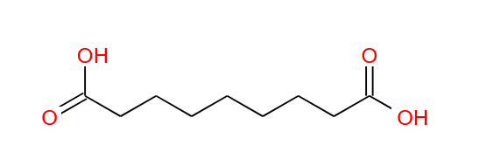 | 其他 | OC1=CC=C(C=C1)C=CC(=O)CC(=O)C=C(C)C | InChI=1S/C15H16O3/c1-11(2)7-14(16)9-12(3)13-5-6-15(17)10-4-8-13/h4-10,17H,1-3H3/b9-7+,10-8+ | KFWUWFQZJLVSDU-UHFFFAOYSA-N | 牛膝
NX-11 | 正丁基-O-Β-D-吡喃果糖苷 | N-butyl-β-D-fructopyranoside | 67884-27-9 | 236.1260 | C10H20O6 | 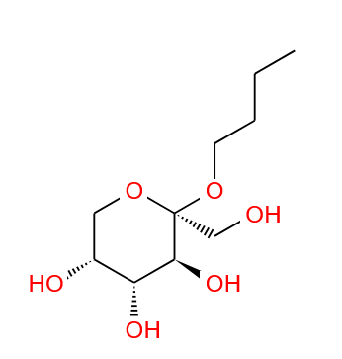 | 糖苷类 | COC1=CC=C(/C=C/C(=O)CC(=O)/C=C/C2=CC=C(O)C=C2)C=C1OC | InChI=1S/C22H22O5/c1-27-21-13-16(7-11-20(21)25)5-9-18(23)15-19(24)10-6-17-8-12-22(26)14-17/h5-14,25H,15H2,1-2H3/b9-5+,10-6+ | PREBVFJICNPEKM-YDWXAUTNSA-N | 牛膝
NX-12 | 表小檗碱 | Epiberberine | 6873-09-2 | 236.1434 | C20H18NO4+ | 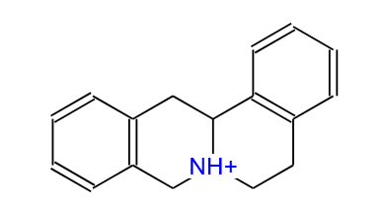 | 生物碱 | COC1=CC=C(/C=C/C(=O)CC(=O)/C=C/C2=CC=C(O)C=C2)C=C1OC | InChI=1S/C22H22O5/c1-27-21-13-16(7-11-20(21)25)5-9-18(23)15-19(24)10-6-17-8-12-22(26)14-17/h5-14,25H,15H2,1-2H3/b9-5+,10-6+ | PREBVFJICNPEKM-YDWXAUTNSA-N | 牛膝
NX-13 | 大黄酚 | Chrysophanol | 481-74-3 | 254.0579 | C15H10O4 |  | 蒽醌类 | COC1=CC=C(/C=C/C(=O)CC(=O)/C=C/C2=CC=C(O)C=C2)C=C1OC | InChI=1S/C22H22O5/c1-27-21-13-16(7-11-20(21)25)5-9-18(23)15-19(24)10-6-17-8-12-22(26)14-17/h5-14,25H,15H2,1-2H3/b9-5+,10-6+ | PREBVFJICNPEKM-YDWXAUTNSA-N | 牛膝
NX-14 | 棕榈酸 | Palmitic acid | 57-10-3 | 256.2402 | C16H32O2 |  | 脂肪酸 | CCCCCCCCCCCCCCCC(=O)O | InChI=1S/C16H32O2/c1-2-3-4-5-6-7-8-9-10-11-12-13-14-15-16(17)18/h2-15H2,1H3,(H,17,18) | IPCSVZSSVZVIGE-UHFFFAOYSA-N | 牛膝
NX-15 | 大黄素 | Emodin | 518-82-1 | 270.0528 | C15H10O5 | 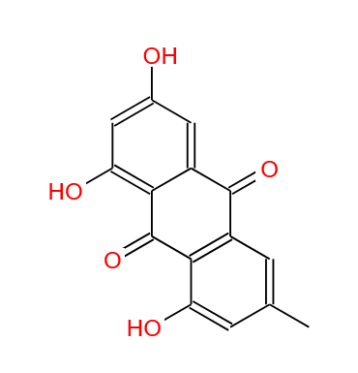 | 蒽醌类 | OC1=CC=C(C=C1)C=CC(=O)CC(=O)C=C(C)C | InChI=1S/C15H16O3/c1-11(2)7-14(16)9-12(3)13-5-6-15(17)10-4-8-13/h4-10,17H,1-3H3/b9-7+,10-8+ | KFWUWFQZJLVSDU-UHFFFAOYSA-N | 牛膝
NX-16 | 黄芩素 | baicalein | 491-67-8 | 270.0528 | C15H10O5 | 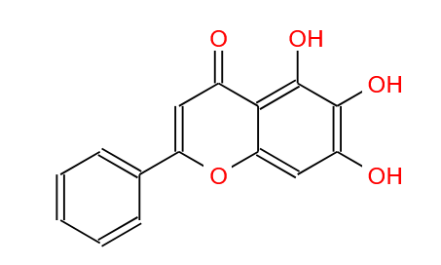 | 黄酮类 | COC1=CC=C(/C=C/C(=O)CC(=O)/C=C/C2=CC=C(O)C=C2)C=C1 | InChI=1S/C21H20O4/c1-25-20-11-14(5-9-18(20)22)3-7-16(23)13-17(24)8-4-15-6-10-19(21)12-15/h3-12,22H,13H2,1H3/b7-3+,8-4+ | VFLDPWHFBUODDF-FCXRPNKRSA-N | 牛膝
NX-17 | 邻苯二甲酸二丁酯 | dibutyl phthalate | 84-74-2 | 278.1518 | C16H22O4 | 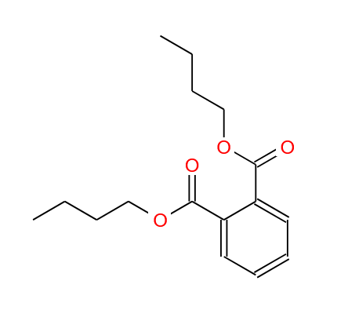 | 挥发油 | COC1=CC=C(/C=C/C(=O)CC(=O)/C=C/C2=CC=C(O)C=C2)C=C1OC | InChI=1S/C22H22O5/c1-27-21-13-16(7-11-20(21)25)5-9-18(23)15-19(24)10-6-17-8-12-22(26)14-17/h5-14,25H,15H2,1-2H3/b9-5+,10-6+ | PREBVFJICNPEKM-YDWXAUTNSA-N | 牛膝
NX-18 | 亚油酸 | linoleic acid | 60-33-3 | 280.2402 | C18H32O2 |  | 脂肪酸 | CCCCC/C=C\C/C=C\CC/C=C\CCCC(=O)O | InChI=1S/C18H32O2/c1-2-3-4-5-6-7-8-9-10-11-12-13-14-15-16-17-18(19)20/h3-4,6-7,9-10H,2,5,8,11-17H2,1H3,(H,19,20)/b4-3-,7-6-,10-9- | OJOMZANEUGASBB-HEHNFKLWSA-N | 牛膝
NX-19 | 汉黄芩素 | Wogonin | 632-85-9 | 284.0685 | C16H12O5 |  | 黄酮类 | COC1=CC=C(/C=C/C(=O)CC(=O)/C=C/C2=CC=C(O)C=C2)C=C1OC | InChI=1S/C22H22O5/c1-27-21-13-16(7-11-20(21)25)5-9-18(23)15-19(24)10-6-17-8-12-22(26)14-17/h5-14,25H,15H2,1-2H3/b9-5+,10-6+ | PREBVFJICNPEKM-YDWXAUTNSA-N | 牛膝
NX-20 | 大黄素甲醚 | Physcion | 521-61-9 | 284.0685 | C16H12O5 | 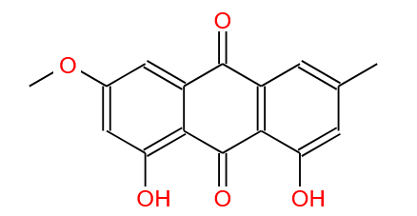 | 蒽醌类 | COC1=CC=C(/C=C/C(=O)CC(=O)/C=C/C2=CC=C(O)C=C2)C=C1OC | InChI=1S/C22H22O5/c1-27-21-13-16(7-11-20(21)25)5-9-18(23)15-19(24)10-6-17-8-12-22(26)14-17/h5-14,25H,15H2,1-2H3/b9-5+,10-6+ | PREBVFJICNPEKM-YDWXAUTNSA-N | 牛膝
NX-21 | 山萘酚 | Kaempferol | 520-18-3 | 286.0477 | C15H10O6 | 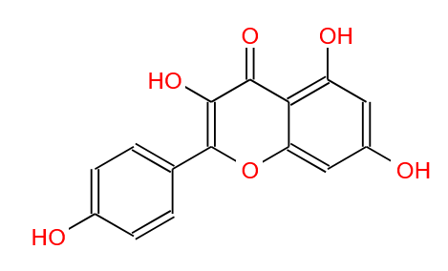 | 黄酮类 | COC1=CC=C(/C=C/C(=O)CC(=O)/C=C/C2=CC=C(O)C=C2)C=C1OC | InChI=1S/C22H22O5/c1-27-21-13-16(7-11-20(21)25)5-9-18(23)15-19(24)10-6-17-8-12-22(26)14-17/h5-14,25H,15H2,1-2H3/b9-5+,10-6+ | PREBVFJICNPEKM-YDWXAUTNSA-N | 牛膝
NX-22 | 槲皮素 | Quercetin | 117-39-5 | 302.0427 | C15H10O7 | 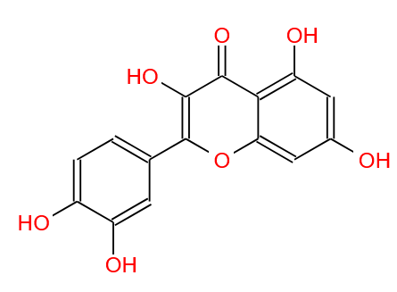 | 黄酮类 | OC1=CC=C(C=C1)C=CC(=O)CC(=O)C=C(C)C | InChI=1S/C15H16O3/c1-11(2)7-14(16)9-12(3)13-5-6-15(17)10-4-8-13/h4-10,17H,1-3H3/b9-7+,10-8+ | KFWUWFQZJLVSDU-UHFFFAOYSA-N | 牛膝
NX-23 | N-反式-阿魏酰酪胺 | N-trans-feruloyltyramine | 66648-43-9 | 313.1314 | C18H19NO4 | 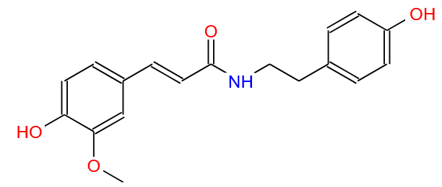 | 生物碱 | COC1=CC=C(/C=C/C(=O)CC(=O)/C=C/C2=CC=C(O)C=C2)C=C1OC | InChI=1S/C22H22O5/c1-27-21-13-16(7-11-20(21)25)5-9-18(23)15-19(24)10-6-17-8-12-22(26)14-17/h5-14,25H,15H2,1-2H3/b9-5+,10-6+ | PREBVFJICNPEKM-YDWXAUTNSA-N | 牛膝
NX-24 | N-顺式-阿魏酰酪胺 | N-cis-feruloyltyramine | 80510-09-4 | 313.1314 | C18H19NO4 | 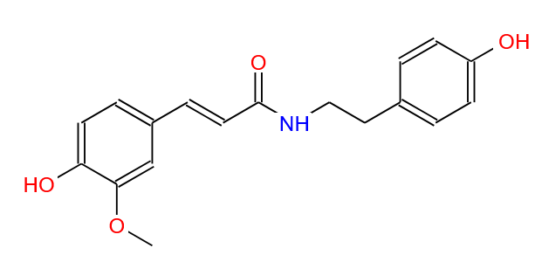 | 生物碱 | COC1=CC=C(/C=C/C(=O)CC(=O)/C=C/C2=CC=C(O)C=C2)C=C1OC | InChI=1S/C22H22O5/c1-27-21-13-16(7-11-20(21)25)5-9-18(23)15-19(24)10-6-17-8-12-22(26)14-17/h5-14,25H,15H2,1-2H3/b9-5+,10-6+ | PREBVFJICNPEKM-YDWXAUTNSA-N | 牛膝
NX-25 | 黄连碱 | Coptisine | 3486-66-6 | 320.0917 | C19H14NO4+ |  | 生物碱 | COC1=CC=C(/C=C/C(=O)CC(=O)/C=C/C2=CC=C(O)C=C2)C=C1OC | InChI=1S/C22H22O5/c1-27-21-13-16(7-11-20(21)25)5-9-18(23)15-19(24)10-6-17-8-12-22(26)14-17/h5-14,25H,15H2,1-2H3/b9-5+,10-6+ | PREBVFJICNPEKM-YDWXAUTNSA-N | 牛膝
NX-26 | / | 9,12,13-trihydroxy-10,15-octadecadienoic acid | 95341-44-9 | 328.2250 | C18H32O5 |  | 挥发油 | COC1=CC=C(/C=C/C(=O)CC(=O)/C=C/C2=CC=C(O)C=C2)C=C1OC | InChI=1S/C22H22O5/c1-27-21-13-16(7-11-20(21)25)5-9-18(23)15-19(24)10-6-17-8-12-22(26)14-17/h5-14,25H,15H2,1-2H3/b9-5+,10-6+ | PREBVFJICNPEKM-YDWXAUTNSA-N | 牛膝
NX-27 | / | pinellic acid | 97134-11-7 | 330.2406 | C18H34O5 |  | 挥发油 | COC1=CC=C(/C=C/C(=O)CC(=O)/C=C/C2=CC=C(O)C=C2)C=C1OC | InChI=1S/C22H22O5/c1-27-21-13-16(7-11-20(21)25)5-9-18(23)15-19(24)10-6-17-8-12-22(26)14-17/h5-14,25H,15H2,1-2H3/b9-5+,10-6+ | PREBVFJICNPEKM-YDWXAUTNSA-N | 牛膝
NX-28 | 红苋甾酮 | rubrosterone | 19466-41-2 | 334.1780 | C19H26O5 |  | 甾体 | COC1=CC=C(/C=C/C(=O)CC(=O)/C=C/C2=CC=C(O)C=C2)C=C1OC | InChI=1S/C22H22O5/c1-27-21-13-16(7-11-20(21)25)5-9-18(23)15-19(24)10-6-17-8-12-22(26)14-17/h5-14,25H,15H2,1-2H3/b9-5+,10-6+ | PREBVFJICNPEKM-YDWXAUTNSA-N | 牛膝
NX-29 | 小檗碱 | berberine | 2086-83-1 | 336.1230 | C20H18NO4+ |  | 生物碱 | COC1=CC=C(/C=C/C(=O)CC(=O)/C=C/C2=CC=C(O)C=C2)C=C1OC | InChI=1S/C22H22O5/c1-27-21-13-16(7-11-20(21)25)5-9-18(23)15-19(24)10-6-17-8-12-22(26)14-17/h5-14,25H,15H2,1-2H3/b9-5+,10-6+ | PREBVFJICNPEKM-YDWXAUTNSA-N | 牛膝
NX-30 | 坡斯特甾酮 | poststerone | 10162-99-9 | 362.2093 | C21H30O5 |  | 甾体 | COC1=CC=C(/C=C/C(=O)CC(=O)/C=C/C2=CC=C(O)C=C2)C=C1OC | InChI=1S/C22H22O5/c1-27-21-13-16(7-11-20(21)25)5-9-18(23)15-19(24)10-6-17-8-12-22(26)14-17/h5-14,25H,15H2,1-2H3/b9-5+,10-6+ | PREBVFJICNPEKM-YDWXAUTNSA-N | 牛膝
NX-31 | 栀子苷 | Geniposide | 24512-63-8 | 388.1369 | C17H24O10 | 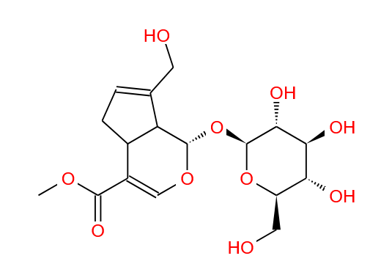 | 萜类 | COC1=CC=C(/C=C/C(=O)CC(=O)/C=C/C2=CC=C(O)C=C2)C=C1OC | InChI=1S/C22H22O5/c1-27-21-13-16(7-11-20(21)25)5-9-18(23)15-19(24)10-6-17-8-12-22(26)14-17/h5-14,25H,15H2,1-2H3/b9-5+,10-6+ | PREBVFJICNPEKM-YDWXAUTNSA-N | 牛膝
NX-32 | Α-波菜甾醇 | α-spinasterol | 481-18-5 | 412.3705 | C29H48O | 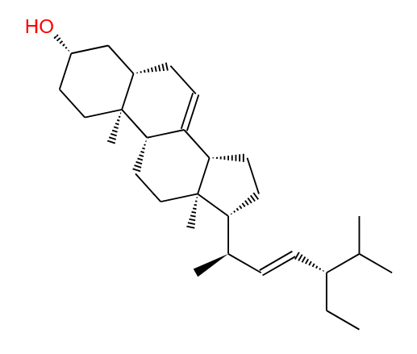 | 甾体 | COC1=CC=C(/C=C/C(=O)CC(=O)/C=C/C2=CC=C(O)C=C2)C=C1OC | InChI=1S/C22H22O5/c1-27-21-13-16(7-11-20(21)25)5-9-18(23)15-19(24)10-6-17-8-12-22(26)14-17/h5-14,25H,15H2,1-2H3/b9-5+,10-6+ | PREBVFJICNPEKM-YDWXAUTNSA-N | 牛膝
NX-33 | β-谷甾醇 | β-Sitosterol | 83-46-5 | 414.3862 | C29H50O | 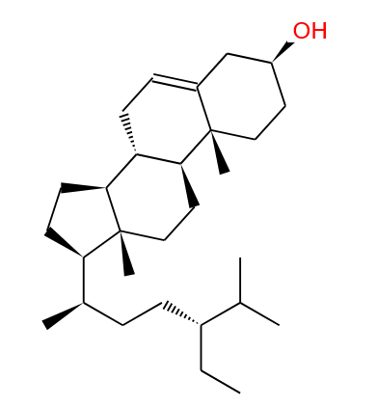 | 甾体 | CC(C)C1CCC2C1(C)C(O)CCC2(C)O | InChI=1S/C15H28O2/c1-10(2)13-7-8-14-15(6-9-12(3,4)11(13)14)5-10(16)17-15/h10-11,13-16H,5-9H2,1-4H3/t10-,11+,13-,14+,15-/m1/s1 | BWLJXBLBFCKQIZ-LSDHHAIUSA-N | 牛膝
NX-34 | 刺五加酮 | Ciwujiatone | 218901-26-9 | 434.1577 | C22H26O9 |  | 三萜类 | COC1=CC=C(/C=C/C(=O)CC(=O)/C=C/C2=CC=C(O)C=C2)C=C1OC | InChI=1S/C22H22O5/c1-27-21-13-16(7-11-20(21)25)5-9-18(23)15-19(24)10-6-17-8-12-22(26)14-17/h5-14,25H,15H2,1-2H3/b9-5+,10-6+ | PREBVFJICNPEKM-YDWXAUTNSA-N | 牛膝
NX-35 | 黄芩苷 | Baicalin | 21967-41-9 | 446.0849 | C21H18O11 | 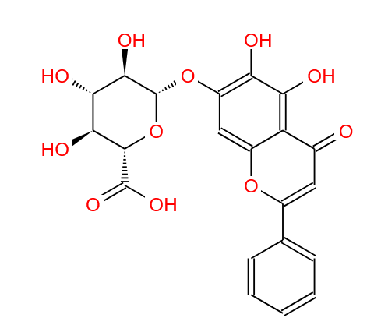 | 黄酮类 | COC1=CC=C(/C=C/C(=O)CC(=O)/C=C/C2=CC=C(O)C=C2)C=C1OC | InChI=1S/C22H22O5/c1-27-21-13-16(7-11-20(21)25)5-9-18(23)15-19(24)10-6-17-8-12-22(26)14-17/h5-14,25H,15H2,1-2H3/b9-5+,10-6+ | PREBVFJICNPEKM-YDWXAUTNSA-N | 牛膝
NX-36 | 紫云英苷 | Astragalin | 480-10-4 | 448.1006 | C21H20O11 | 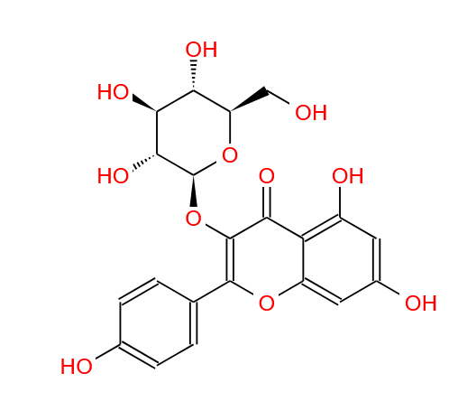 | 黄酮类 | COC1=CC=C(/C=C/C(=O)CC(=O)/C=C/C2=CC=C(O)C=C2)C=C1OC | InChI=1S/C22H22O5/c1-27-21-13-16(7-11-20(21)25)5-9-18(23)15-19(24)10-6-17-8-12-22(26)14-17/h5-14,25H,15H2,1-2H3/b9-5+,10-6+ | PREBVFJICNPEKM-YDWXAUTNSA-N | 牛膝
NX-37 | 齐墩果酸 | oleanoic acid | 508-02-1 | 456.3603 | C30H48O3 |  | 三萜类 | COC1=CC=C(/C=C/C(=O)CC(=O)/C=C/C2=CC=C(O)C=C2)C=C1OC | InChI=1S/C22H22O5/c1-27-21-13-16(7-11-20(21)25)5-9-18(23)15-19(24)10-6-17-8-12-22(26)14-17/h5-14,25H,15H2,1-2H3/b9-5+,10-6+ | PREBVFJICNPEKM-YDWXAUTNSA-N | 牛膝
NX-38 | / | Stachysterone C | 26362-25-4 | 462.2981 | C27H42O6 | 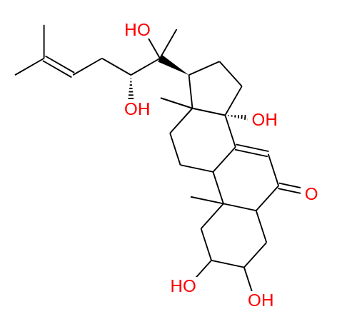 | 三萜类 | COC1=CC=C(/C=C/C(=O)CC(=O)/C=C/C2=CC=C(O)C=C2)C=C1OC | InChI=1S/C22H22O5/c1-27-21-13-16(7-11-20(21)25)5-9-18(23)15-19(24)10-6-17-8-12-22(26)14-17/h5-14,25H,15H2,1-2H3/b9-5+,10-6+ | PREBVFJICNPEKM-YDWXAUTNSA-N | 牛膝
NX-39 | / | Stachysterone A | 30655-78-8 | 462.2981 | C27H42O6 | 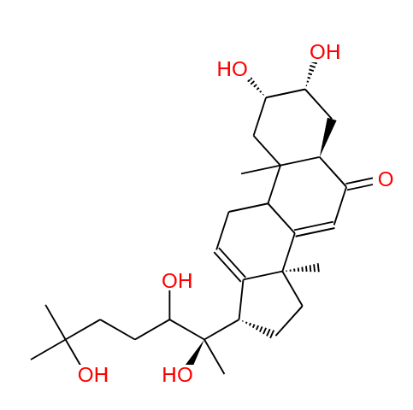 | 三萜类 | COC1=CC=C(/C=C/C(=O)CC(=O)/C=C/C2=CC=C(O)C=C2)C=C1OC | InChI=1S/C22H22O5/c1-27-21-13-16(7-11-20(21)25)5-9-18(23)15-19(24)10-6-17-8-12-22(26)14-17/h5-14,25H,15H2,1-2H3/b9-5+,10-6+ | PREBVFJICNPEKM-YDWXAUTNSA-N | 牛膝
NX-40 | / | Stachysterone D | 26361-67-1 | 462.2981 | C27H42O6 | 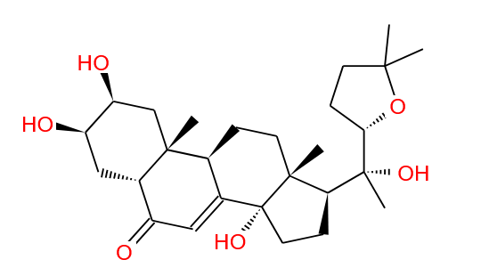 | 甾体 | COC1=CC=C(/C=C/C(=O)CC(=O)/C=C/C2=CC=C(O)C=C2)C=C1OC | InChI=1S/C22H22O5/c1-27-21-13-16(7-11-20(21)25)5-9-18(23)15-19(24)10-6-17-8-12-22(26)14-17/h5-14,25H,15H2,1-2H3/b9-5+,10-6+ | PREBVFJICNPEKM-YDWXAUTNSA-N | 牛膝
NX-41 | 罗汉松甾酮B | podecdysone B | 22612-27-7 | 462.2981 | C27H42O6 | 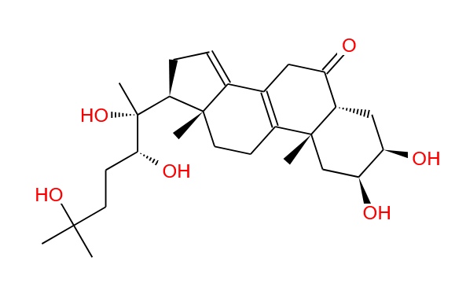 | 甾体 | COC1=CC=C(/C=C/C(=O)CC(=O)/C=C/C2=CC=C(O)C=C2)C=C1OC | InChI=1S/C22H22O5/c1-27-21-13-16(7-11-20(21)25)5-9-18(23)15-19(24)10-6-17-8-12-22(26)14-17/h5-14,25H,15H2,1-2H3/b9-5+,10-6+ | PREBVFJICNPEKM-YDWXAUTNSA-N | 牛膝
NX-42 | 异槲皮苷 | Isoquercetin | 21637-25-2 | 464.0955 | C21H20O12 | 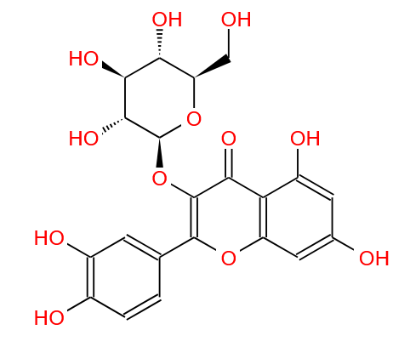 | 黄酮类 | COC1=CC=C(/C=C/C(=O)CC(=O)/C=C/C2=CC=C(O)C=C2)C=C1OC | InChI=1S/C22H22O5/c1-27-21-13-16(7-11-20(21)25)5-9-18(23)15-19(24)10-6-17-8-12-22(26)14-17/h5-14,25H,15H2,1-2H3/b9-5+,10-6+ | PREBVFJICNPEKM-YDWXAUTNSA-N | 牛膝
NX-43 | 蜕皮甾酮 | Ecdysone | 3604-87-3 | 464.3138 | C27H44O6 | 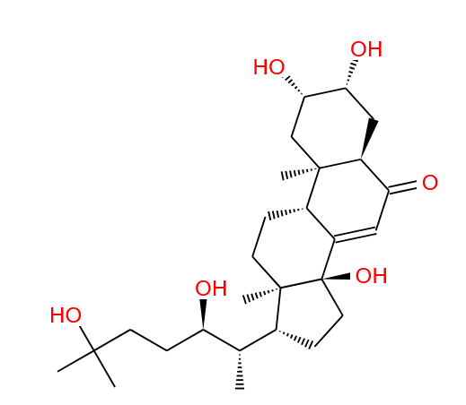 | 甾体 | COC1=CC=C(/C=C/C(=O)CC(=O)/C=C/C2=CC=C(O)C=C2)C=C1OC | InChI=1S/C22H22O5/c1-27-21-13-16(7-11-20(21)25)5-9-18(23)15-19(24)10-6-17-8-12-22(26)14-17/h5-14,25H,15H2,1-2H3/b9-5+,10-6+ | PREBVFJICNPEKM-YDWXAUTNSA-N | 牛膝
NX-44 | β-蜕皮甾酮 | hydroxyecdysone | 5289-74-7 | 480.3087 | C27H44O7 | 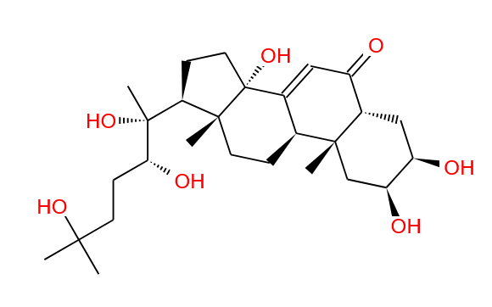 | 甾体 | COC1=CC=C(/C=C/C(=O)CC(=O)/C=C/C2=CC=C(O)C=C2)C=C1OC | InChI=1S/C22H22O5/c1-27-21-13-16(7-11-20(21)25)5-9-18(23)15-19(24)10-6-17-8-12-22(26)14-17/h5-14,25H,15H2,1-2H3/b9-5+,10-6+ | PREBVFJICNPEKM-YDWXAUTNSA-N | 牛膝
NX-45 | 25R-牛膝甾酮 | 25R-inokosterone | 19682-38-3 | 480.3087 | C27H44O7 | 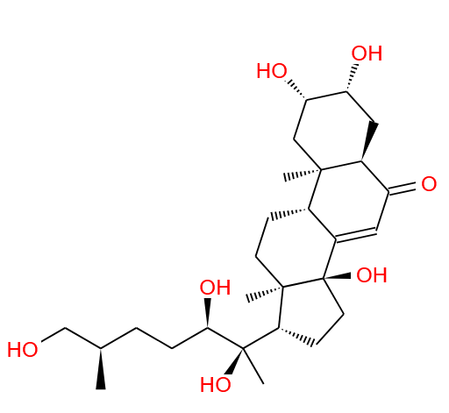 | 甾体 | COC1=CC=C(/C=C/C(=O)CC(=O)/C=C/C2=CC=C(O)C=C2)C=C1OC | InChI=1S/C22H22O5/c1-27-21-13-16(7-11-20(21)25)5-9-18(23)15-19(24)10-6-17-8-12-22(26)14-17/h5-14,25H,15H2,1-2H3/b9-5+,10-6+ | PREBVFJICNPEKM-YDWXAUTNSA-N | 牛膝
NX-46 | 漏芦甾酮B | rhapontisterone B | 698975-64-3 | 480.3087 | C27H44O7 | 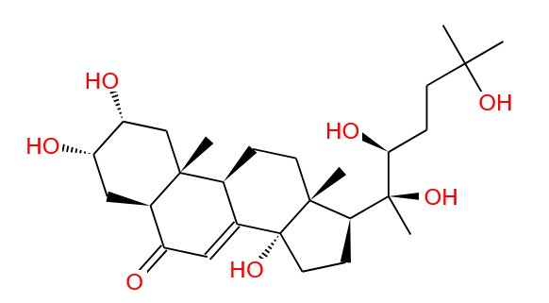 | 甾体 | COC1=CC=C(/C=C/C(=O)CC(=O)/C=C/C2=CC=C(O)C=C2)C=C1OC | InChI=1S/C22H22O5/c1-27-21-13-16(7-11-20(21)25)5-9-18(23)15-19(24)10-6-17-8-12-22(26)14-17/h5-14,25H,15H2,1-2H3/b9-5+,10-6+ | PREBVFJICNPEKM-YDWXAUTNSA-N | 牛膝
NX-47 | 22-去氧土克甾酮 | 22-deoxyturkesterone | 474524-75-9 | 480.3087 | C27H44O7 | / | 甾体 | COC1=CC=C(/C=C/C(=O)CC(=O)/C=C/C2=CC=C(O)C=C2)C=C1OC | InChI=1S/C22H22O5/c1-27-21-13-16(7-11-20(21)25)5-9-18(23)15-19(24)10-6-17-8-12-22(26)14-17/h5-14,25H,15H2,1-2H3/b9-5+,10-6+ | PREBVFJICNPEKM-YDWXAUTNSA-N | 牛膝
NX-48 | 牛膝甾酮 | inokosterone | 15130-85-5 | 480.3087 | C27H44O7 | 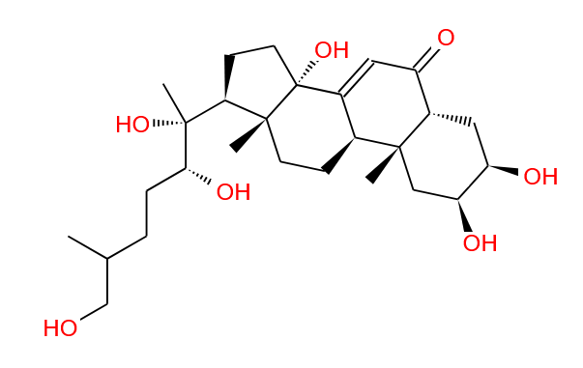 | 甾体 | COC1=CC=C(/C=C/C(=O)CC(=O)/C=C/C2=CC=C(O)C=C2)C=C1OC | InChI=1S/C22H22O5/c1-27-21-13-16(7-11-20(21)25)5-9-18(23)15-19(24)10-6-17-8-12-22(26)14-17/h5-14,25H,15H2,1-2H3/b9-5+,10-6+ | PREBVFJICNPEKM-YDWXAUTNSA-N | 牛膝
NX-49 | 25S-牛膝甾酮 | 25S-inokosterone | 19595-18-7 | 480.3087 | C27H44O7 | 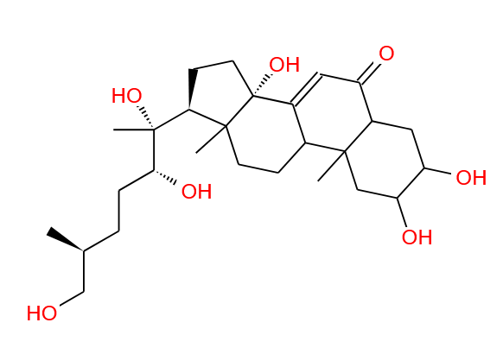 | 甾体 | COC1=CC=C(/C=C/C(=O)CC(=O)/C=C/C2=CC=C(O)C=C2)C=C1OC | InChI=1S/C22H22O5/c1-27-21-13-16(7-11-20(21)25)5-9-18(23)15-19(24)10-6-17-8-12-22(26)14-17/h5-14,25H,15H2,1-2H3/b9-5+,10-6+ | PREBVFJICNPEKM-YDWXAUTNSA-N | 牛膝
NX-50 | 蕨甾酮 | pterosterone | 18089-44-6 | 480.3087 | C27H44O7 | 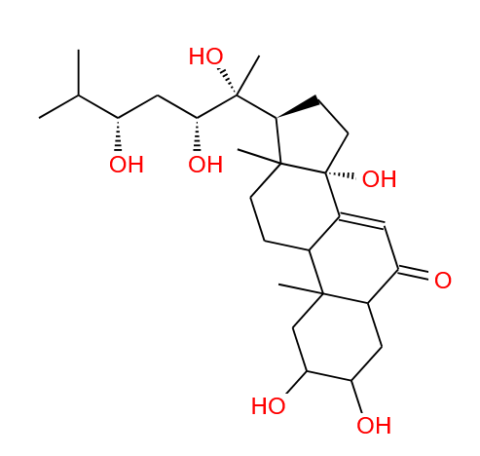 | 甾体 | COC1=CC=C(/C=C/C(=O)CC(=O)/C=C/C2=CC=C(O)C=C2)C=C1OC | InChI=1S/C22H22O5/c1-27-21-13-16(7-11-20(21)25)5-9-18(23)15-19(24)10-6-17-8-12-22(26)14-17/h5-14,25H,15H2,1-2H3/b9-5+,10-6+ | PREBVFJICNPEKM-YDWXAUTNSA-N | 牛膝
NX-51 | 马克甾酮B | makisterone B | 20512-31-6 | 494.3244 | C28H46O7 | 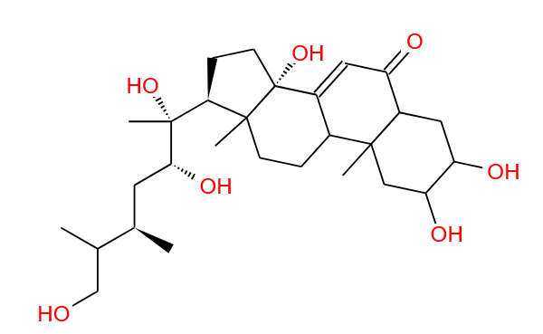 | 甾体 | COC1=CC=C(/C=C/C(=O)CC(=O)/C=C/C2=CC=C(O)C=C2)C=C1OC | InChI=1S/C22H22O5/c1-27-21-13-16(7-11-20(21)25)5-9-18(23)15-19(24)10-6-17-8-12-22(26)14-17/h5-14,25H,15H2,1-2H3/b9-5+,10-6+ | PREBVFJICNPEKM-YDWXAUTNSA-N | 牛膝
NX-52 | 水龙骨甾酮B | polypodineB | 18069-14-2 | 496.3036 | C27H44O8 | 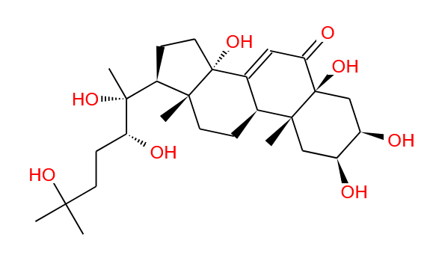 | 甾体 | COC1=CC=C(/C=C/C(=O)CC(=O)/C=C/C2=CC=C(O)C=C2)C=C1OC | InChI=1S/C22H22O5/c1-27-21-13-16(7-11-20(21)25)5-9-18(23)15-19(24)10-6-17-8-12-22(26)14-17/h5-14,25H,15H2,1-2H3/b9-5+,10-6+ | PREBVFJICNPEKM-YDWXAUTNSA-N | 牛膝
NX-53 | 罗汉松甾酮C | podecdysone C | 19458-46-9 | 496.3036 | C27H44O8 | 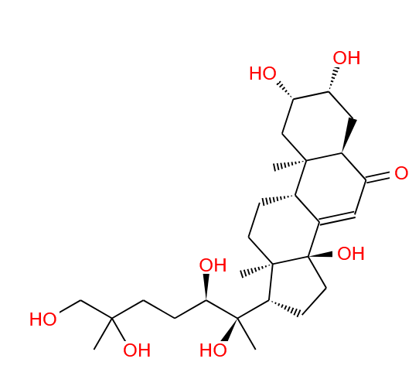 | 甾体 | COC1=CC=C(/C=C/C(=O)CC(=O)/C=C/C2=CC=C(O)C=C2)C=C1OC | InChI=1S/C22H22O5/c1-27-21-13-16(7-11-20(21)25)5-9-18(23)15-19(24)10-6-17-8-12-22(26)14-17/h5-14,25H,15H2,1-2H3/b9-5+,10-6+ | PREBVFJICNPEKM-YDWXAUTNSA-N | 牛膝
NX-54 | 土克甾酮 | turkesterone | 41451-87-0 | 496.3036 | C27H44O8 | 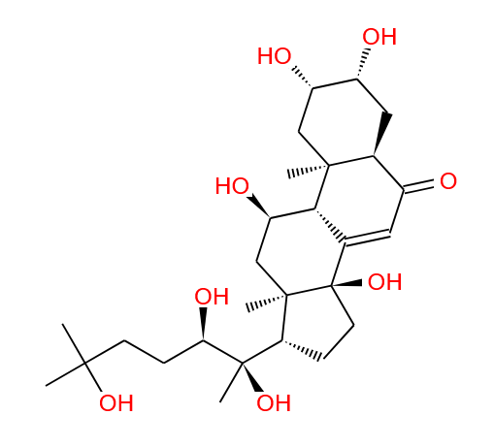 | 甾体 | COC1=CC=C(/C=C/C(=O)CC(=O)/C=C/C2=CC=C(O)C=C2)C=C1OC | InChI=1S/C22H22O5/c1-27-21-13-16(7-11-20(21)25)5-9-18(23)15-19(24)10-6-17-8-12-22(26)14-17/h5-14,25H,15H2,1-2H3/b9-5+,10-6+ | PREBVFJICNPEKM-YDWXAUTNSA-N | 牛膝
NX-55 | / | palythoalone B | 26020-14-4 | 496.3036 | C27H44O8 | 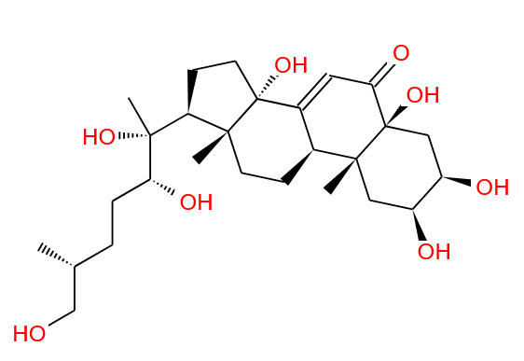 | 甾体 | COC1=CC=C(/C=C/C(=O)CC(=O)/C=C/C2=CC=C(O)C=C2)C=C1OC | InChI=1S/C22H22O5/c1-27-21-13-16(7-11-20(21)25)5-9-18(23)15-19(24)10-6-17-8-12-22(26)14-17/h5-14,25H,15H2,1-2H3/b9-5+,10-6+ | PREBVFJICNPEKM-YDWXAUTNSA-N | 牛膝
NX-56 | 头花杯苋甾酮 | capitasterone | 20835-65-8 | 504.3087 | C29H44O7 | 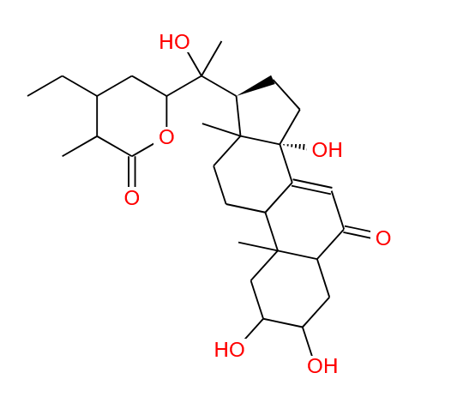 | 甾体 | COC1=CC=C(/C=C/C(=O)CC(=O)/C=C/C2=CC=C(O)C=C2)C=C1OC | InChI=1S/C22H22O5/c1-27-21-13-16(7-11-20(21)25)5-9-18(23)15-19(24)10-6-17-8-12-22(26)14-17/h5-14,25H,15H2,1-2H3/b9-5+,10-6+ | PREBVFJICNPEKM-YDWXAUTNSA-N | 牛膝
NX-57 | 紫苋甾酮A | Amarasterone A | 20853-88-7 | 508.3400 | C29H48O7 | 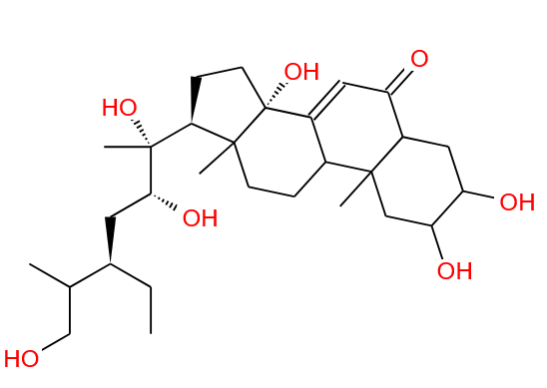 | 甾体 | COC1=CC=C(/C=C/C(=O)CC(=O)/C=C/C2=CC=C(O)C=C2)C=C1OC | InChI=1S/C22H22O5/c1-27-21-13-16(7-11-20(21)25)5-9-18(23)15-19(24)10-6-17-8-12-22(26)14-17/h5-14,25H,15H2,1-2H3/b9-5+,10-6+ | PREBVFJICNPEKM-YDWXAUTNSA-N | 牛膝
NX-58 | 紫苋甾酮B | Amarasterone B | 21132-15-0 | 508.3400 | C29H48O7 | 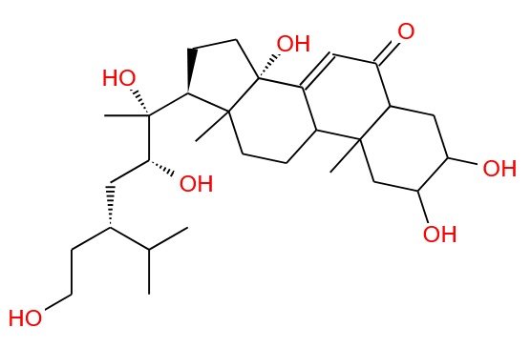 | 甾体 | COC1=CC=C(/C=C/C(=O)CC(=O)/C=C/C2=CC=C(O)C=C2)C=C1OC | InChI=1S/C22H22O5/c1-27-21-13-16(7-11-20(21)25)5-9-18(23)15-19(24)10-6-17-8-12-22(26)14-17/h5-14,25H,15H2,1-2H3/b9-5+,10-6+ | PREBVFJICNPEKM-YDWXAUTNSA-N | 牛膝
NX-59 | 杯苋甾酮 | Cyasterone | 17086-76-9 | 520.3036 | C29H44O8 | 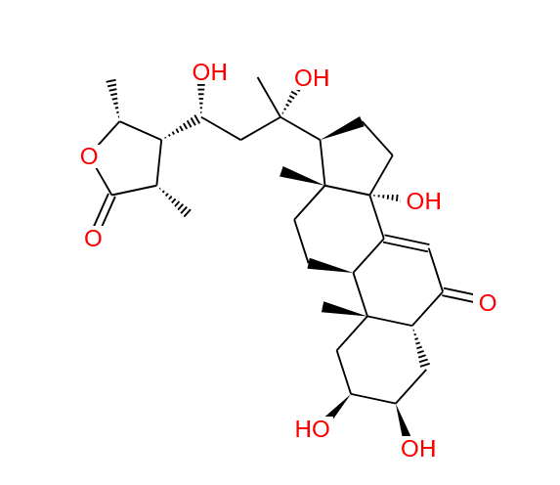 | 甾体 | COC1=CC=C(/C=C/C(=O)CC(=O)/C=C/C2=CC=C(O)C=C2)C=C1OC | InChI=1S/C22H22O5/c1-27-21-13-16(7-11-20(21)25)5-9-18(23)15-19(24)10-6-17-8-12-22(26)14-17/h5-14,25H,15H2,1-2H3/b9-5+,10-6+ | PREBVFJICNPEKM-YDWXAUTNSA-N | 牛膝
NX-60 | 5-表-杯苋甾酮 | 5-epi-cyasterone | 31581-82-5 | 520.3036 | C29H44O8 | 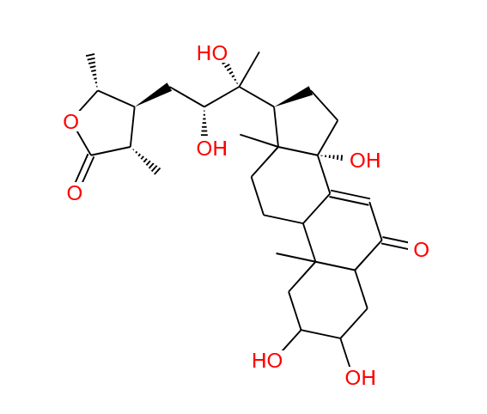 | 甾体 | COC1=CC=C(/C=C/C(=O)CC(=O)/C=C/C2=CC=C(O)C=C2)C=C1OC | InChI=1S/C22H22O5/c1-27-21-13-16(7-11-20(21)25)5-9-18(23)15-19(24)10-6-17-8-12-22(26)14-17/h5-14,25H,15H2,1-2H3/b9-5+,10-6+ | PREBVFJICNPEKM-YDWXAUTNSA-N | 牛膝
NX-61 | 异杯苋甾酮 | isocyasterone | 54082-42-7 | 520.3036 | C29H44O8 | 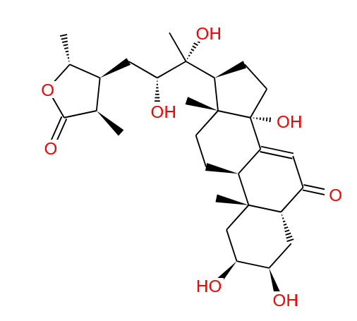 | 甾体 | COC1=CC=C(/C=C/C(=O)CC(=O)/C=C/C2=CC=C(O)C=C2)C=C1OC | InChI=1S/C22H22O5/c1-27-21-13-16(7-11-20(21)25)5-9-18(23)15-19(24)10-6-17-8-12-22(26)14-17/h5-14,25H,15H2,1-2H3/b9-5+,10-6+ | PREBVFJICNPEKM-YDWXAUTNSA-N | 牛膝
NX-62 | 前杯苋甾酮 | precyasterone | 27335-85-9 | 520.3036 | C29H44O8 | 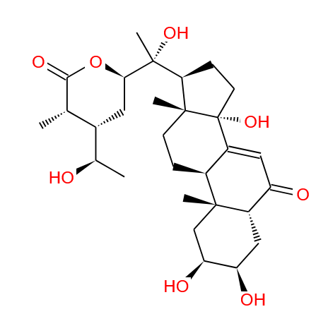 | 甾体 | COC1=CC=C(/C=C/C(=O)CC(=O)/C=C/C2=CC=C(O)C=C2)C=C1OC | InChI=1S/C22H22O5/c1-27-21-13-16(7-11-20(21)25)5-9-18(23)15-19(24)10-6-17-8-12-22(26)14-17/h5-14,25H,15H2,1-2H3/b9-5+,10-6+ | PREBVFJICNPEKM-YDWXAUTNSA-N | 牛膝
NX-63 | 森告甾酮 | sengosterone | 22799-11-7 | 536.2985 | C29H44O9 | 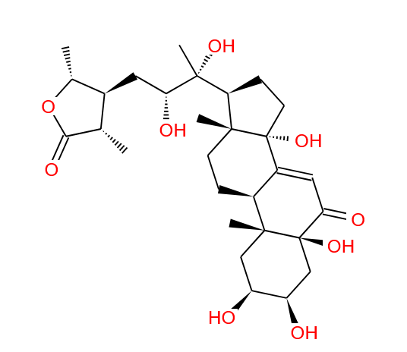 | 甾体 | COC1=CC=C(/C=C/C(=O)CC(=O)/C=C/C2=CC=C(O)C=C2)C=C1OC | InChI=1S/C22H22O5/c1-27-21-13-16(7-11-20(21)25)5-9-18(23)15-19(24)10-6-17-8-12-22(26)14-17/h5-14,25H,15H2,1-2H3/b9-5+,10-6+ | PREBVFJICNPEKM-YDWXAUTNSA-N | 牛膝
NX-64 | 牛膝新甾酮B | niuxixinsterone B | 1351952-28-7 | 570.3193 | C33H46O8 | 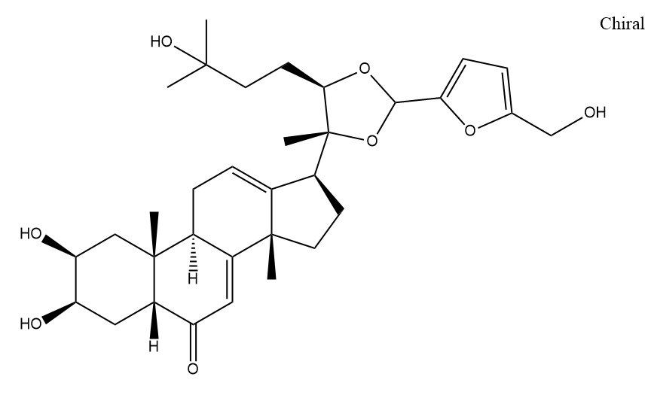 | 甾体 | COC1=CC=C(/C=C/C(=O)CC(=O)/C=C/C2=CC=C(O)C=C2)C=C1OC | InChI=1S/C22H22O5/c1-27-21-13-16(7-11-20(21)25)5-9-18(23)15-19(24)10-6-17-8-12-22(26)14-17/h5-14,25H,15H2,1-2H3/b9-5+,10-6+ | PREBVFJICNPEKM-YDWXAUTNSA-N | 牛膝
NX-65 | / | β-sitosteryl glucoside | / | 576.4390 | C35H60O6 |  | 甾体 |  |  |  | 牛膝
NX-66 | 菠菜甾醇3-O-Β-D-葡萄糖苷 | α-spinasterol-3-O-β-D-glucoside | / | 576.4390 | C35H60O6 |  | 甾体 |  |  |  | 牛膝
NX-67 | 胡萝卜苷 | Eleutheroside A | 474-58-8 | 576.4390 | C35H60O6 |  | 甾体 | CC12C(C3(C(C4(C)C(=CC3)CC(OC5OC(CO)C(O)C(O)C5O)CC4)(CC1)[H])[H])(CC[C@@]2(C@@HC)[H])[H] | InChI=1S/C35H60O6/c1-7-22(20(2)3)9-8-21(4)26-12-13-27-25-11-10-23-18-24(14-16-34(23,5)28(25)15-17-35(26,27)6)40-33-32(39)31(38)30(37)29(19-36)41-33/h10,20-22,24-33,36-39H,7-9,11-19H2,1-6H3/t21-,22-,24+,25+,26-,27+,28+,29-,30-,31+,32-,33-,34+,35-/m1/s1 | NPJICTMALKLTFW-OFUAXYCQSA-N | 牛膝
NX-68 | / | serfurosterone A | / | 588.3298 | C33H48O9 |  | 甾体 |  |  |  | 牛膝
NX-69 | 牛膝新甾酮D | niuxixinsterone D | / | 602.3455 | C34H50O9 |  | 甾体 |  |  |  | 牛膝
NX-70 | 牛膝新甾酮A | niuxixinsterone A | / | 602.3455 | C34H50O9 |  | 甾体 |  |  |  | 牛膝
NX-71 | 牛膝新甾酮C | niuxixinsterone C | / | 604.3247 | C33H48O10 |  | 甾体 |  |  |  | 牛膝
NX-72 | 芦丁 | Rutin | 153-18-4 | 610.1534 | C27H30O16 |  | 黄酮类 | O=C1C(=C(C=C(O)C1O)O)C2=CC(O)=C(O)C=C2OC3OC@HC@HC@@H[C@H]3O | InChI=1S/C27H30O16/c1-8-17(32)20(35)22(37)26(40-8)39-7-15-18(33)21(36)23(38)27(42-15)43-25-19(34)16-13(31)5-10(28)6-14(16)41-24(25)9-2-3-11(29)12(30)4-9/h2-6,8,15,17-18,20-23,26-33,35-38H,7H2,1H3/t8-,15+,17-,18+,20+,21-,22+,23+,26+,27-/m0/s1 | IKGXIBQEEMLURG-NVPNHPEKSA-N | 牛膝
NX-73 | 槲皮素-3-O-芸香糖苷 | Quercetin-3-o-rutinose | 949926-49-2 | 610.1534 | C27H30O16 |  | 黄酮类 | CC1C(C(C(C(O1)OCC2C(C(C(C(O2)OC3=C(OC4=CC(=CC(=C4C3=O)O)O)C5=CC(=C(C=C5)O)O)O)O)O)O)O | InChI=1S/C27H30O16/c1-8-17(32)20(35)22(37)26(40-8)39-7-15-18(33)21(36)23(38)27(42-15)43-25-19(34)16-13(31)5-10(28)6-14(16)41-24(25)9-2-3-11(29)12(30)4-9/h2-6,8,15,17-18,20-23,26-33,35-38H,7H2,1H3/t8-,15-,17-,18-,20+,21+,22-,23-,26-,27+/m1/s1 | IKGXIBQEEMLURG-QTJCIXRVSA-N | 牛膝
NX-74 |  | Oleanolic acid 3-O-β-D-glucopyranoside | / | 618.4132 | C36H58O8 |  | 三萜类 |  |  |  | 牛膝
NX-75 | 墩果酸 Β-D-吡喃葡萄糖基酯 | oleanolic acid-28-O-β-d-glucopyranoside | 14162-53-9 | 618.4132 | C36H58O8 |  | 三萜类 | CC1(C)C2CCC3(C)C4=C(CCC3C2C5C1C(CC5)C(=O)O)C(O)CC6C4(C)C(CCC6(C)C)O[C@@H]7OC@HC@@HC@H[C@H]7O | InChI=1S/C36H58O8/c1-20(2)31-17-19(37)16-36(31,9)18-30(8)15-29(7)13-27(5)14-28(6)12-26(4)11-25(3)10-24(35(41)42)34(40)44-33-23(39)22(38)21(32(33)43-33)45-31/h11,20-24,26-33,37-39H,10,12-18H2,1-9H3,(H,41,42)/t20-,21+,22+,23-,24+,26+,27+,28+,29+,30+,31+,32+,33+,36-/m1/s1 | KMKFOIBUKYMVRJ-PKCFYVAHSA-N | 牛膝
NX-76 | / | 29α-(3-methoxy-4-hydroxyphenyl)-20,22-Omethylidene-20-hydroxyecdysone | / | 630.3768 | C36H54O9 |  | 三萜类 |  |  |  | 牛膝
NX-77 | 地肤子皂苷Ib | Momordin Ib | 412353-21-0 | 632.3924 | C36H56O9 |  | 三萜类 | COC1=CC=C(/C=C/C(=O)CC(=O)/C=C/C2=CC=C(O)C=C2)C=C1OC | InChI=1S/C22H22O5/c1-27-21-13-16(7-11-20(21)25)5-9-18(23)15-19(24)10-6-17-8-12-22(26)14-17/h5-14,25H,15H2,1-2H3/b9-5+,10-6+ | PREBVFJICNPEKM-YDWXAUTNSA-N | 牛膝
NX-78 | 金盏花皂苷E | calenduloside E | 26020-14-4 | 632.3924 | C36H56O9 |  | 三萜类 | COC1=CC=C(/C=C/C(=O)CC(=O)/C=C/C2=CC=C(O)C=C2)C=C1OC | InChI=1S/C22H22O5/c1-27-21-13-16(7-11-20(21)25)5-9-18(23)15-19(24)10-6-17-8-12-22(26)14-17/h5-14,25H,15H2,1-2H3/b9-5+,10-6+ | PREBVFJICNPEKM-YDWXAUTNSA-N | 牛膝
NX-79 | 竹节参皂苷-1 | Chikusetsusaponin-1 | 52286-74-5 | 634.4081 | C36H58O9 |  | 三萜类 | COC1=CC=C(/C=C/C(=O)CC(=O)/C=C/C2=CC=C(O)C=C2)C=C1OC | InChI=1S/C22H22O5/c1-27-21-13-16(7-11-20(21)25)5-9-18(23)15-19(24)10-6-17-8-12-22(26)14-17/h5-14,25H,15H2,1-2H3/b9-5+,10-6+ | PREBVFJICNPEKM-YDWXAUTNSA-N | 牛膝
NX-80 | / | Hederagenin-28-O-β-D-glucopyranosyl ester | 53931-25-2 | 634.4081 | C36H58O9 |  | 三萜类 | COC1=CC=C(/C=C/C(=O)CC(=O)/C=C/C2=CC=C(O)C=C2)C=C1OC | InChI=1S/C22H22O5/c1-27-21-13-16(7-11-20(21)25)5-9-18(23)15-19(24)10-6-17-8-12-22(26)14-17/h5-14,25H,15H2,1-2H3/b9-5+,10-6+ | PREBVFJICNPEKM-YDWXAUTNSA-N | 牛膝
NX-81 | / | Oleanolic acid 3-O-β-D-glucuronopyranoside-6-O-methyl ester | / | 646.4081 | C37H58O9 |  | 三萜类 |  |  |  | 牛膝
NX-82 | / | aridanin | 81053-26-1 | 659.4397 | C38H61NO8 |  | 三萜类 | O=C(C)N(C1OC@HC@@HC@H[C@H]1O)C1O[C@@H]2C(C[C@]3(C)C4CC[C@]5(C)C(CCC6C5CC(C)(C)C[C@@H]6C4=CC3)C2(C)C)(C)C | InChI=1S/C38H61NO8/c1-21(41)39-28-30(43)29(42)24(20-40)46-31(28)47-27-12-13-35(6)25(34(27,4)5)11-14-37(8)26(35)10-9-22-23-19-33(2,3)15-17-38(23,32(44)45)18-16-36(22,37)7/h9,23-31,40,42-43H,10-20H2,1-8H3,(H,39,41)(H,44,45)/t23-,24+,25-,26+,27-,28+,29+,30+,31-,35-,36+,37+,38-/m0/s1 | VRFWJSCLROXBBW-FUHHSGJXSA-N | 牛膝
NX-83 | / | Oleanolic acid 3-O-β-D-glucuronopyranoside-6-O-butyl ester | / | 688.4550 | C40H64O9 |  | 三萜类 |  |  |  | 牛膝
NX-84 | 二齿皂苷Ⅱ | Bidentatoside II | / | 750.4190 | C40H62O13 |  | 三萜类 |  |  |  | 牛膝
NX-85 | / | spinacoside D | / | 754.4140 | C39H62O14 |  | 三萜类 |  |  |  | 牛膝
NX-86 | 普曲诺苷A | putranoside A | 51161-56-9 | 778.9700 | C42H66O13 |  | 三萜类 | COC1=CC=C(/C=C/C(=O)CC(=O)/C=C/C2=CC=C(O)C=C2)C=C1OC | InChI=1S/C22H22O5/c1-27-21-13-16(7-11-20(21)25)5-9-18(23)15-19(24)10-6-17-8-12-22(26)14-17/h5-14,25H,15H2,1-2H3/b9-5+,10-6+ | PREBVFJICNPEKM-YDWXAUTNSA-N | 牛膝
NX-87 | / | 3-O-β-d-glucopyranosyl-oleanolic acid-28-O-β-d-glucopyranoside | 78454-20-3 | 780.4660 | C42H68O13 |  | 三萜类 | COC1=CC=C(/C=C/C(=O)CC(=O)/C=C/C2=CC=C(O)C=C2)C=C1OC | InChI=1S/C22H22O5/c1-27-21-13-16(7-11-20(21)25)5-9-18(23)15-19(24)10-6-17-8-12-22(26)14-17/h5-14,25H,15H2,1-2H3/b9-5+,10-6+ | PREBVFJICNPEKM-YDWXAUTNSA-N | 牛膝
NX-88 | 牛膝皂苷Ⅳ | achyranthoside Ⅳ | 168010-05-7 | 790.4140 | C42H62O14 |  | 三萜类 | COC1=CC=C(/C=C/C(=O)CC(=O)/C=C/C2=CC=C(O)C=C2)C=C1OC | InChI=1S/C22H22O5/c1-27-21-13-16(7-11-20(21)25)5-9-18(23)15-19(24)10-6-17-8-12-22(26)14-17/h5-14,25H,15H2,1-2H3/b9-5+,10-6+ | PREBVFJICNPEKM-YDWXAUTNSA-N | 牛膝
NX-89 | 竹节参苷Ⅳa | ChikusetsusaponinⅣa | 51415-02-2 | 794.4453 | C42H66O14 |  | 三萜类 | COC1=CC=C(/C=C/C(=O)CC(=O)/C=C/C2=CC=C(O)C=C2)C=C1OC | InChI=1S/C22H22O5/c1-27-21-13-16(7-11-20(21)25)5-9-18(23)15-19(24)10-6-17-8-12-22(26)14-17/h5-14,25H,15H2,1-2H3/b9-5+,10-6+ | PREBVFJICNPEKM-YDWXAUTNSA-N | 牛膝
NX-90 | 牛膝皂苷Ⅱ | achyranthoside Ⅱ | 168010-06-8 | 794.9000 | C41H62O15 |  | 三萜类 | COC1=CC=C(/C=C/C(=O)CC(=O)/C=C/C2=CC=C(O)C=C2)C=C1OC | InChI=1S/C22H22O5/c1-27-21-13-16(7-11-20(21)25)5-9-18(23)15-19(24)10-6-17-8-12-22(26)14-17/h5-14,25H,15H2,1-2H3/b9-5+,10-6+ | PREBVFJICNPEKM-YDWXAUTNSA-N | 牛膝
NX-91 | 姜状三七苷R1 | zingibroside R1 | 80930-74-1 | 794.9800 | C42H66O14 |  | 三萜类 | COC1=CC=C(/C=C/C(=O)CC(=O)/C=C/C2=CC=C(O)C=C2)C=C1OC | InChI=1S/C22H22O5/c1-27-21-13-16(7-11-20(21)25)5-9-18(23)15-19(24)10-6-17-8-12-22(26)14-17/h5-14,25H,15H2,1-2H3/b9-5+,10-6+ | PREBVFJICNPEKM-YDWXAUTNSA-N | 牛膝
NX-92 | 竹节参苷Ⅳa甲酯 | chikusetsusaponin Ⅳa methyl ester | 58546-61-5 | 808.4609 | C43H68O14 |  | 三萜类 | COC1=CC=C(/C=C/C(=O)CC(=O)/C=C/C2=CC=C(O)C=C2)C=C1OC | InChI=1S/C22H22O5/c1-27-21-13-16(7-11-20(21)25)5-9-18(23)15-19(24)10-6-17-8-12-22(26)14-17/h5-14,25H,15H2,1-2H3/b9-5+,10-6+ | PREBVFJICNPEKM-YDWXAUTNSA-N | 牛膝
NX-93 | 竹节参苷Ⅳa乙酯 | chikusetsusaponin Ⅳa ethyl ester | 96158-06-4 | 822.4766 | C44H70O14 |  | 三萜类 | COC1=CC=C(/C=C/C(=O)CC(=O)/C=C/C2=CC=C(O)C=C2)C=C1OC | InChI=1S/C22H22O5/c1-27-21-13-16(7-11-20(21)25)5-9-18(23)15-19(24)10-6-17-8-12-22(26)14-17/h5-14,25H,15H2,1-2H3/b9-5+,10-6+ | PREBVFJICNPEKM-YDWXAUTNSA-N | 牛膝
NX-94 | 竹节参苷Ⅳa丁酯 | chikusetsusaponin Ⅳa butyl ester | 164990-98-1 | 850.5079 | C46H74O14 |  | 三萜类 | COC1=CC=C(/C=C/C(=O)CC(=O)/C=C/C2=CC=C(O)C=C2)C=C1OC | InChI=1S/C22H22O5/c1-27-21-13-16(7-11-20(21)25)5-9-18(23)15-19(24)10-6-17-8-12-22(26)14-17/h5-14,25H,15H2,1-2H3/b9-5+,10-6+ | PREBVFJICNPEKM-YDWXAUTNSA-N | 牛膝
NX-95 | / | Aralia Saponin A | / | 924.5083 | C48H76O17 |  | 三萜类 |  |  |  | 牛膝
NX-96 | 牛膝皂苷E | Achyranthoside E | 182322-57-2 | 926.4511 | C46H70O19 |  | 三萜类 | COC1=CC=C(/C=C/C(=O)CC(=O)/C=C/C2=CC=C(O)C=C2)C=C1OC | InChI=1S/C22H22O5/c1-27-21-13-16(7-11-20(21)25)5-9-18(23)15-19(24)10-6-17-8-12-22(26)14-17/h5-14,25H,15H2,1-2H3/b9-5+,10-6+ | PREBVFJICNPEKM-YDWXAUTNSA-N | 牛膝
NX-97 | 竹节参苷Ib | ChikusetsusaponinIb | 59252-87-7 | 926.4875 | C47H74O18 |  | 三萜类 | COC1=CC=C(/C=C/C(=O)CC(=O)/C=C/C2=CC=C(O)C=C2)C=C1OC | InChI=1S/C22H22O5/c1-27-21-13-16(7-11-20(21)25)5-9-18(23)15-19(24)10-6-17-8-12-22(26)14-17/h5-14,25H,15H2,1-2H3/b9-5+,10-6+ | PREBVFJICNPEKM-YDWXAUTNSA-N | 牛膝
NX-98 | 竹节参苷Ⅳ | ChikusetsusaponinⅣ | 7518-22-1 | 926.4875 | C47H74O18 |  | 三萜类 | COC1=CC=C(/C=C/C(=O)CC(=O)/C=C/C2=CC=C(O)C=C2)C=C1OC | InChI=1S/C22H22O5/c1-27-21-13-16(7-11-20(21)25)5-9-18(23)15-19(24)10-6-17-8-12-22(26)14-17/h5-14,25H,15H2,1-2H3/b9-5+,10-6+ | PREBVFJICNPEKM-YDWXAUTNSA-N | 牛膝
NX-99 | / | arvensoside C | / | 938.4875 | C48H74O18 |  | 三萜类 |  |  |  | 牛膝
NX-100 | 地肤子皂苷IIa | Momordin IIa | 95851-50-6 | 940.5032 | C48H76O18 |  | 三萜类 | COC1=CC=C(/C=C/C(=O)CC(=O)/C=C/C2=CC=C(O)C=C2)C=C1OC | InChI=1S/C22H22O5/c1-27-21-13-16(7-11-20(21)25)5-9-18(23)15-19(24)10-6-17-8-12-22(26)14-17/h5-14,25H,15H2,1-2H3/b9-5+,10-6+ | PREBVFJICNPEKM-YDWXAUTNSA-N | 牛膝
NX-101 | 牛膝皂苷Ⅰ | Achyranthoside I | 51161-58-1 | 940.5032 | C48H76O18 |  | 三萜类 | COC1=CC=C(/C=C/C(=O)CC(=O)/C=C/C2=CC=C(O)C=C2)C=C1OC | InChI=1S/C22H22O5/c1-27-21-13-16(7-11-20(21)25)5-9-18(23)15-19(24)10-6-17-8-12-22(26)14-17/h5-14,25H,15H2,1-2H3/b9-5+,10-6+ | PREBVFJICNPEKM-YDWXAUTNSA-N | 牛膝
NX-102 | 牛膝皂苷Ⅲ | achyranthoside Ⅲ | 158511-55-8 | 954.4460 | C47H70O20 |  | 三萜类 | COC1=CC=C(/C=C/C(=O)CC(=O)/C=C/C2=CC=C(O)C=C2)C=C1OC | InChI=1S/C22H22O5/c1-27-21-13-16(7-11-20(21)25)5-9-18(23)15-19(24)10-6-17-8-12-22(26)14-17/h5-14,25H,15H2,1-2H3/b9-5+,10-6+ | PREBVFJICNPEKM-YDWXAUTNSA-N | 牛膝
NX-103 | 二齿皂苷Ⅰ | bidentatoside Ⅰ | 330808-27-0 | 954.4460 | C47H70O20 |  | 三萜类 | COC1=CC=C(/C=C/C(=O)CC(=O)/C=C/C2=CC=C(O)C=C2)C=C1OC | InChI=1S/C22H22O5/c1-27-21-13-16(7-11-20(21)25)5-9-18(23)15-19(24)10-6-17-8-12-22(26)14-17/h5-14,25H,15H2,1-2H3/b9-5+,10-6+ | PREBVFJICNPEKM-YDWXAUTNSA-N | 牛膝
NX-104 | 牛膝皂苷B | Achyranthoside B | / | 954.4460 | C47H70O20 |  | 三萜类 |  |  |  | 牛膝
NX-105 | 牛膝皂苷E二甲酯 | achyranthoside E dimethyl ester | 850028-18-1 | 954.4824 | C48H74O19 |  | 三萜类 |  |  |  | 牛膝
NX-106 | 牛膝皂苷H | Achyranthoside H | / | 956.4617 | C47H72O20 |  | 三萜类 |  |  |  | 牛膝
NX-107 | 牛膝皂苷C | Achyranthoside C | 168009-90-3 | 956.4617 | C47H72O20 |  | 三萜类 | COC1=CC=C(/C=C/C(=O)CC(=O)/C=C/C2=CC=C(O)C=C2)C=C1OC | InChI=1S/C22H22O5/c1-27-21-13-16(7-11-20(21)25)5-9-18(23)15-19(24)10-6-17-8-12-22(26)14-17/h5-14,25H,15H2,1-2H3/b9-5+,10-6+ | PREBVFJICNPEKM-YDWXAUTNSA-N | 牛膝
NX-108 | 人参皂苷Ro | GinsenosideRo | 34367-04-9 | 956.4981 | C48H76O19 |  | 三萜类 | COC1=CC=C(/C=C/C(=O)CC(=O)/C=C/C2=CC=C(O)C=C2)C=C1OC | InChI=1S/C22H22O5/c1-27-21-13-16(7-11-20(21)25)5-9-18(23)15-19(24)10-6-17-8-12-22(26)14-17/h5-14,25H,15H2,1-2H3/b9-5+,10-6+ | PREBVFJICNPEKM-YDWXAUTNSA-N | 牛膝
NX-109 | 金盏花苷C | calendulaglycoside C | 26020-29-1 | 956.4981 | C48H76O19 |  | 三萜类 | COC1=CC=C(/C=C/C(=O)CC(=O)/C=C/C2=CC=C(O)C=C2)C=C1OC | InChI=1S/C22H22O5/c1-27-21-13-16(7-11-20(21)25)5-9-18(23)15-19(24)10-6-17-8-12-22(26)14-17/h5-14,25H,15H2,1-2H3/b9-5+,10-6+ | PREBVFJICNPEKM-YDWXAUTNSA-N | 牛膝
NX-110 | 牛膝皂苷A | Achyranthoside A | / | 968.4617 | C48H72O20 |  | 三萜类 |  |  |  | 牛膝
NX-111 | 牛膝皂苷E三甲酯 | achyranthoside E trimethyl ester | 220620-77-9 | 968.4981 | C49H76O19 |  | 三萜类 | COC1=CC=C(/C=C/C(=O)CC(=O)/C=C/C2=CC=C(O)C=C2)C=C1OC | InChI=1S/C22H22O5/c1-27-21-13-16(7-11-20(21)25)5-9-18(23)15-19(24)10-6-17-8-12-22(26)14-17/h5-14,25H,15H2,1-2H3/b9-5+,10-6+ | PREBVFJICNPEKM-YDWXAUTNSA-N | 牛膝
NX-112 | 竹节参苷Ⅴ甲酯 | chikusetsusaponin Ⅴ methyl ester | 34291-22-0 | 970.5137 | C49H78O19 |  | 三萜类 | COC1=CC=C(/C=C/C(=O)CC(=O)/C=C/C2=CC=C(O)C=C2)C=C1OC | InChI=1S/C22H22O5/c1-27-21-13-16(7-11-20(21)25)5-9-18(23)15-19(24)10-6-17-8-12-22(26)14-17/h5-14,25H,15H2,1-2H3/b9-5+,10-6+ | PREBVFJICNPEKM-YDWXAUTNSA-N | 牛膝
NX-113 | 牛膝皂苷C二甲酯 | achyranthoside C dimethyl ester | 873797-44-5 | 984.4930 | C49H76O20 |  | 三萜类 | COC1=CC=C(/C=C/C(=O)CC(=O)/C=C/C2=CC=C(O)C=C2)C=C1OC | InChI=1S/C22H22O5/c1-27-21-13-16(7-11-20(21)25)5-9-18(23)15-19(24)10-6-17-8-12-22(26)14-17/h5-14,25H,15H2,1-2H3/b9-5+,10-6+ | PREBVFJICNPEKM-YDWXAUTNSA-N | 牛膝
NX-114 | 牛膝皂苷F | Achyranthoside F | / | 986.4723 | C48H74O21 |  | 三萜类 |  |  |  | 牛膝
NX-115 | 牛膝皂苷A三甲酯 | achyranthoside A trimethyl ester | 158329-11-4 | 1010.5086 | C51H78O20 |  | 三萜类 | COC1=CC=C(/C=C/C(=O)CC(=O)/C=C/C2=CC=C(O)C=C2)C=C1OC | InChI=1S/C22H22O5/c1-27-21-13-16(7-11-20(21)25)5-9-18(23)15-19(24)10-6-17-8-12-22(26)14-17/h5-14,25H,15H2,1-2H3/b9-5+,10-6+ | PREBVFJICNPEKM-YDWXAUTNSA-N | 牛膝
NX-116 | 牛膝皂苷E丁基二甲酯 | achyranthoside E butyl dimethyl ester | 873797-45-6 | 1010.5450 | C52H82O19 |  | 三萜类 | COC1=CC=C(/C=C/C(=O)CC(=O)/C=C/C2=CC=C(O)C=C2)C=C1OC | InChI=1S/C22H22O5/c1-27-21-13-16(7-11-20(21)25)5-9-18(23)15-19(24)10-6-17-8-12-22(26)14-17/h5-14,25H,15H2,1-2H3/b9-5+,10-6+ | PREBVFJICNPEKM-YDWXAUTNSA-N | 牛膝
NX-117 | 竹节参苷Ⅴ丁酯 | chikusetsusaponin Ⅴ butyl ester | 1800046-93-8 | 1012.5607 | C52H84O19 |  | 三萜类 | COC1=CC=C(/C=C/C(=O)CC(=O)/C=C/C2=CC=C(O)C=C2)C=C1OC | InChI=1S/C22H22O5/c1-27-21-13-16(7-11-20(21)25)5-9-18(23)15-19(24)10-6-17-8-12-22(26)14-17/h5-14,25H,15H2,1-2H3/b9-5+,10-6+ | PREBVFJICNPEKM-YDWXAUTNSA-N | 牛膝
NX-118 | / | Sulfachyranthoside B | / | 1034.4029 | C47H70O23S |  | 三萜类 |  |  |  | 牛膝
NX-119 | 牛膝皂苷C丁基二甲酯 | achyranthoside C butyl dimethyl ester | 850028-14-7 | 1040.5556 | C53H84O20 |  | 三萜类 | COC(=O)C(C(=O)OCC(C)C)C1CCC2(C)C3CCC4(C)C(CCC4C(O)C(C)C)C3C(O)C(O)C2C1 | InChI=1S/C53H84O20/c1-48(2)14-16-53(47(70)78-45-35(63)33(61)31(59)25(20-55)73-45)17-15-51(6)22(23(53)18-48)8-9-27-50(5)12-11-28(49(3,4)26(50)10-13-52(27,51)7)74-46-40(77-44-39(61)42(62)66-10)38(60)46(72-41)70-32-16-17-50(6)30(49(32,4)5)15-18-52(8)31(50)14-13-27-28-24-48(2,3)19-21-37(28)47(64)73-45-36(58)35(57)34(56)29(25-54)69-45/h13,28-32,34-41,44-46,54-55,58-61H,11-12,14-26H2,1-10H3,(H,56,57)(H,66,67)(H,68,69) |  | 牛膝
NX-120 | 牛膝皂苷D | achyranthoside D | 168009-91-4 | 1118.5145 | C53H82O25 |  | 三萜类 | CC1(C)C2CCC3(C)C4=C(CCC3C2C5C1C(CC5)C(=O)O)C(O)CC6C4(C)C(CCC6(C)C)O[C@@H]7OC@HC@@HC@H[C@H]7O[C@@H]8OC@HC@HC@@H[C@H]8O | InChI=1S/C53H82O25/c1-48(2)14-16-53(47(70)78-45-35(63)33(61)31(59)25(20-55)73-45)17-15-51(6)22(23(53)18-48)8-9-27-50(5)12-11-28(49(3,4)26(50)10-13-52(27,51)7)74-46-40(77-44-39(61)42(62)66-10)38(60)46(72-41)70-32-16-17-50(6)30(49(32,4)5)15-18-52(8)31(50)14-13-27-28-24-48(2,3)19-21-37(28)47(64)73-45-36(58)35(57)34(56)29(25-54)69-45/h13,28-32,34-41,44-46,54-55,58-61H,11-12,14-26H2,1-10H3,(H,56,57)(H,66,67)(H,68,69) | VYVPIFXAYNIMKK-UHFFFAOYSA-N | 牛膝
NX-121 | 牛膝皂苷D三甲酯 | achyranthoside D trimethyl ester | 167774-38-1 | 1160.5615 | C56H88O25 |  | 三萜类 |  |  |  | 牛膝
NX-122 | / | Sulfachyranthoside D | / | 1182.4764 | C53H82O27S |  | 三萜类 |  |  |  | 牛膝

