Cover Page

Assignment Title: HISTORICAL WEATHER DATA
CHIGOZIE GODWIN (C2407247)
SOFTWARE FOR DIGITAL INNOVATION
MODULE (CIS4044-N)
January, 2024

Sheet8
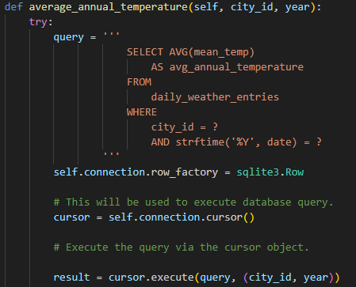
Figure 1: Parametise SQL Quering as Used in the Project
Colorama: Colorama is primarily used for styling console output, as shown in Figure 2, and
does not introduce significant security concerns.
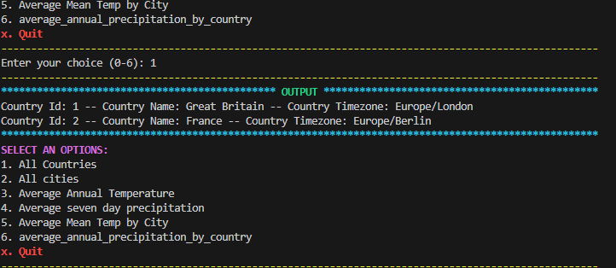
Figure 2: styled output using Colorama
4

Sheet9
Matplotlib and Pandas: These libraries are generally secure, but it's crucial to validate
and sanitise inputs when handling data to prevent potential vulnerabilities like code
injection.
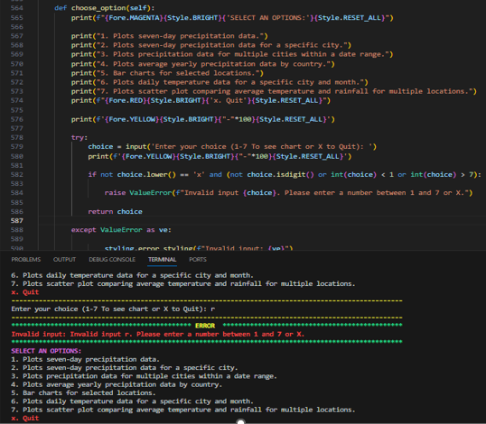
Figure 3: validate option as found in phase 2
Textwrap, NumPy, Geopy, and Requests: Similar to other libraries, secure coding practices
should be followed, such as validating inputs and handling errors gracefully, to avoid security
loopholes.

Sheet12
4. FUNDAMENTALS OF PROGRAMMING AND DATA STRUCTURES
4.1 Programming Fundamentals
The provided code demonstrates a Python application utilising various programming
fundamentals. Control structures, such as imports and error handling with Sys, contribute to
code organisation and robustness (Figure 4).
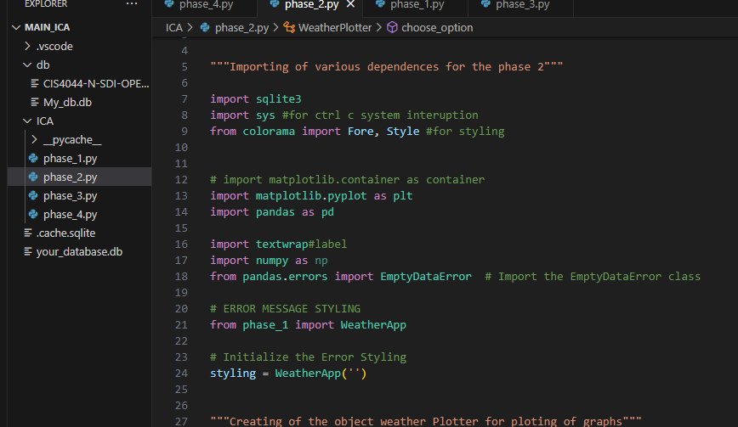
Figure 4: Import demonstration

Sheet13
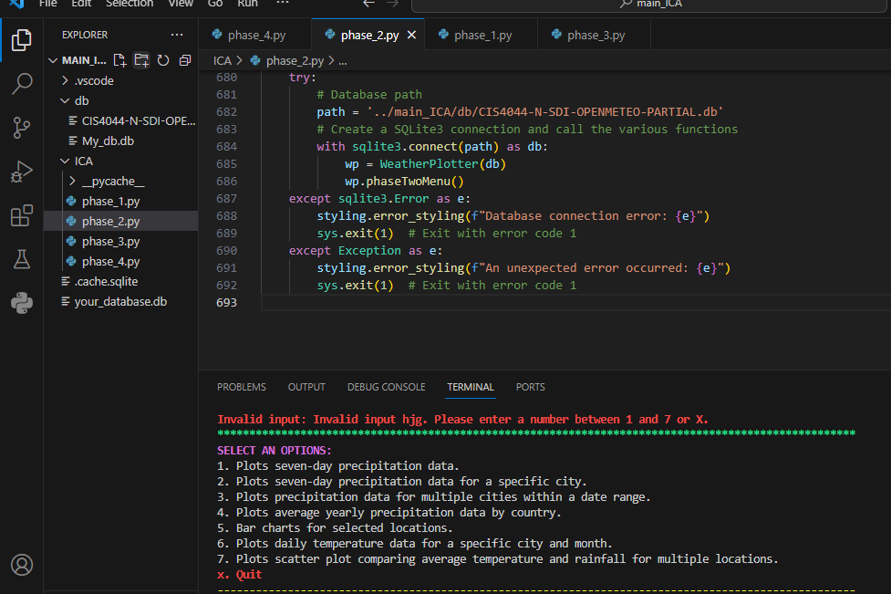
Figure 5: example of error handling
Functions encapsulate modular functionality, improving readability and maintainability. The
use of classes and libraries like sqlite3 showcases object-oriented programming for database
operations. This is demonstrated by creating a class in this project figure (Figure 6).
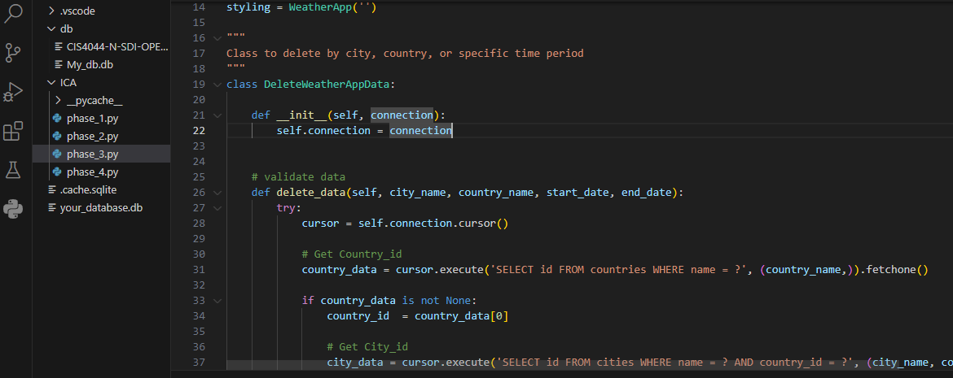
Figure 6: DeleteWeatherAppData class

Sheet14
Additionally, the code employs external libraries like matplotlib and geopy, highlighting the
integration of third-party tools for enhanced functionality. Overall, the application leverages
key programming concepts to ensure a well-structured, functional, and extensible codebase in
the context of data manipulation, visualisation, and interaction with external services (Figure
7).
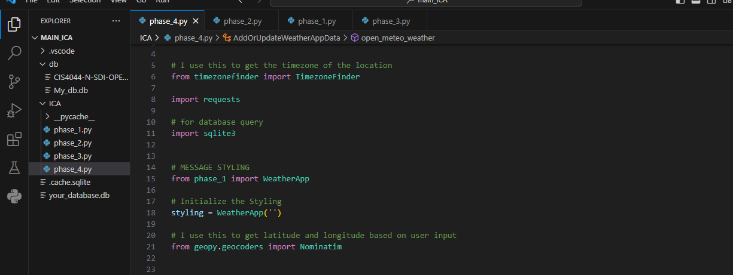
Figure 7: Application of external libraries in the project
4.2 Data Structures
In Phase 1, the Python code utilises the SQLite database with the sqlite3 module for data
storage. Data structures like lists and dictionaries aid in organising query results, and
sqlite3.Row enhances readability. Efficient data retrieval and presentation are achieved through
well-organised functions, but challenges may arise with large datasets (Figure 8).

Sheet15
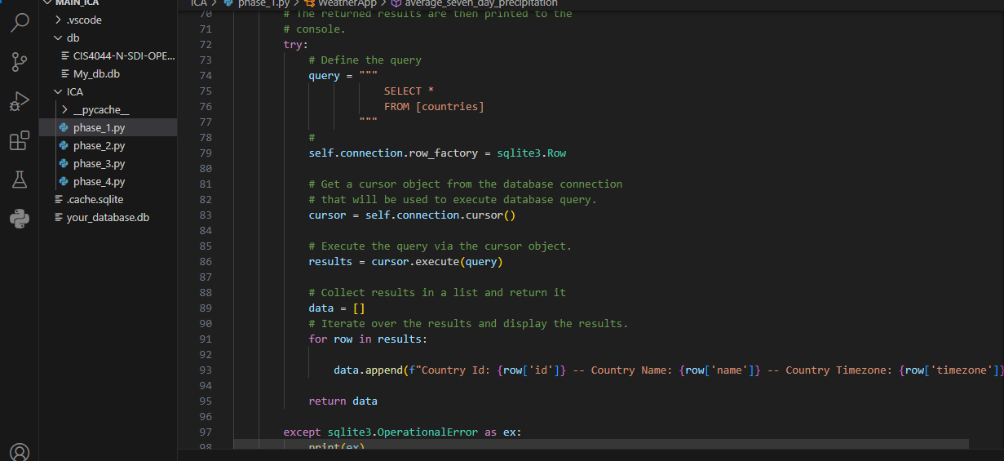
Figure 8: use of dictionary to organise output
In Phase 2, Pandas DataFrames are employed for flexible handling of tabular weather data,
ensuring robustness and maintainability.
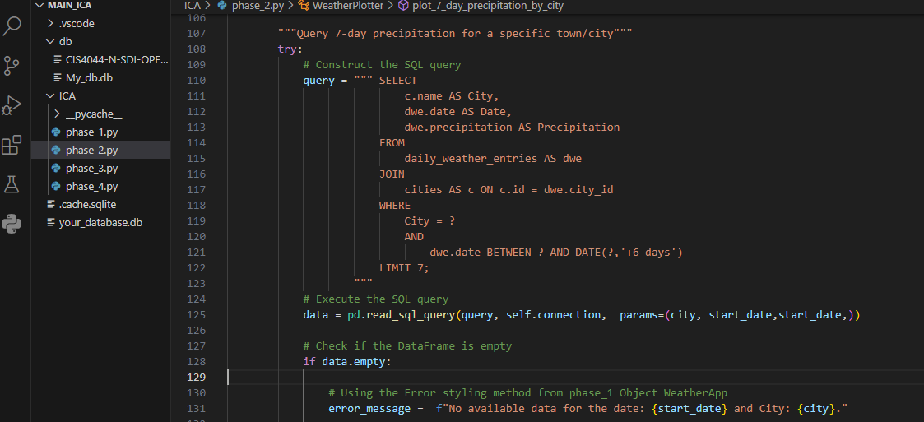
Figure 9: DataFrame Usage
Phase 3 uses tuples and lists for managing query results and data manipulations. The execute
method is used to fetch all rows of the query result into a list assigned to the variable data
(Figure 10).

Sheet16
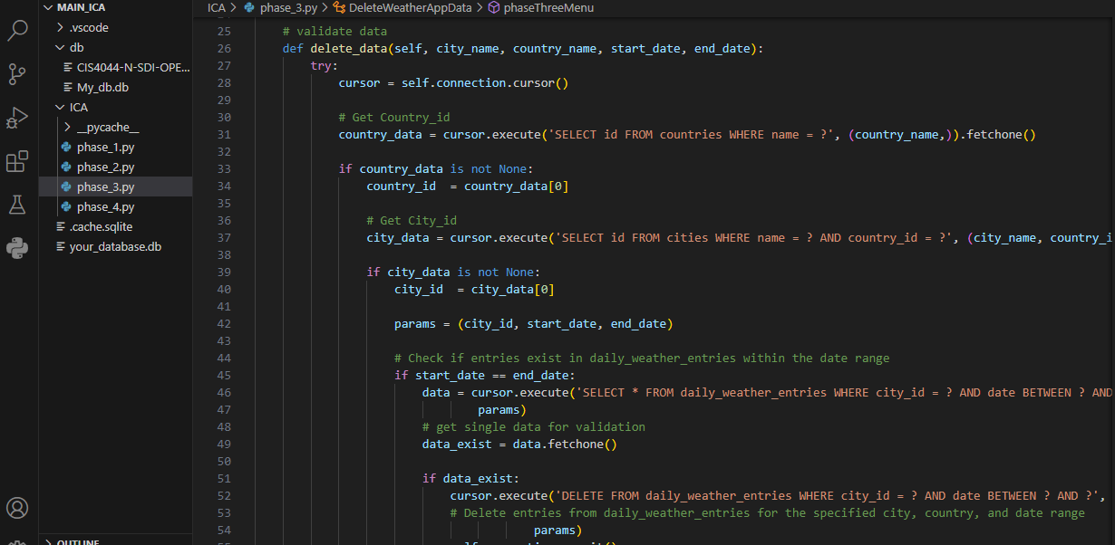
Figure 10: params contains tuple
Phase 4 incorporates dictionaries for storing geocoding API location details and SQLite tables
for countries, cities, and daily weather entries, aligning with data characteristics for improved
readability and manipulation (Figure 11).

Conclusion
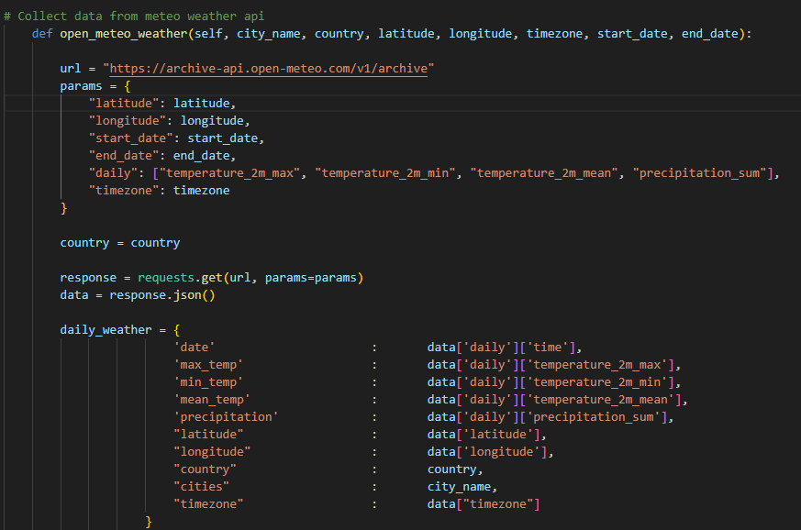
Figure 11: dictionaries for storing geocoding API location details
5. CONCLUSION
In conclusion, the comprehensive assessment of the Python-based data analysis and
visualisation application of historical weather data from the open-meteo API highlighted its
strengths, weaknesses, security considerations, and programming fundamentals, providing a
foundation for further optimisation and emphasising the importance of ongoing monitoring and
updates to ensure secure and stable functionality.

Phase two Test Case
Appendix 2: Phase two: Blackbox Testing Cases 2

TestCase | Component |  | Test Summary | Pre-requisites | Test Steps | Test Data | Expected Result | Actual Result | Status | Test Executed By
Phase 2 | 1 | WeatherPlotter class | Verify that the function can plot seven-day precipitation data for a given start date. | SQL Database with relevant data, VScode, and Colorama, matplotlib, pandas, textwrap, NumPy | 1. Enter a valid start date. | Start | The function should plot the seven-day precipitation data without errors | 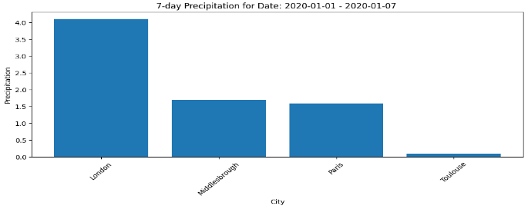 | Passed | Chigozie Godwin (C2407247)
 |  |  |  |  | 2. Execute the function. | Date (YYYY-MM-DD): 2020-01-01
 | 2 | WeatherPlotter class | Verify that the function can plot seven-day precipitation data for a specific city and start date. | SQL Database with relevant data, VScode, and Colorama, matplotlib, pandas, textwrap, NumPy | 1. Enter a valid start date. | Enter Start Date (YYYY-MM-DD): 2020-01-01 | The function should plot the seven-day precipitation data for the specified city without errors. |  | Passed | Chigozie Godwin (C2407247)
 |  |  |  |  | 2. Enter the name of a valid city. | Enter Name of City: Middlesbrough
 |  |  |  |  | 3. Execute the function.
 | 3 | WeatherPlotter class | Verify that the function can plot precipitation data for multiple cities within a specified date range. | SQL Database with relevant data, VScode, and Colorama, matplotlib, pandas, textwrap, NumPy | 1. Enter a valid start date. | Enter start date (YYYY-MM-DD): 2021-01-01 | The function should plot precipitation data for the specified cities within the date range without errors | 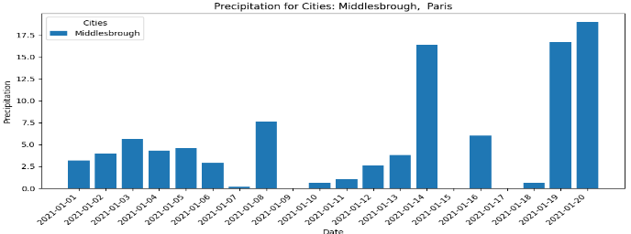 | passed | Chigozie Godwin (C2407247)
 |  |  |  |  | 2. Enter a valid end date. | Enter end date (YYYY-MM-DD): 2022-01-01
 |  |  |  |  | 3. Enter a comma-separated list of valid cities. | Enter city or cities (comma-separated): Middlesbrough, Paris
 |  |  |  |  | 4. Execute the function.
 | 4 | WeatherPlotter class | Verify that the function can plot average yearly precipitation data by country. | SQL Database with relevant data, VScode, and Colorama, matplotlib, pandas, textwrap, NumPy | Execute the function | None | The function should plot average yearly precipitation data by country without errors. | 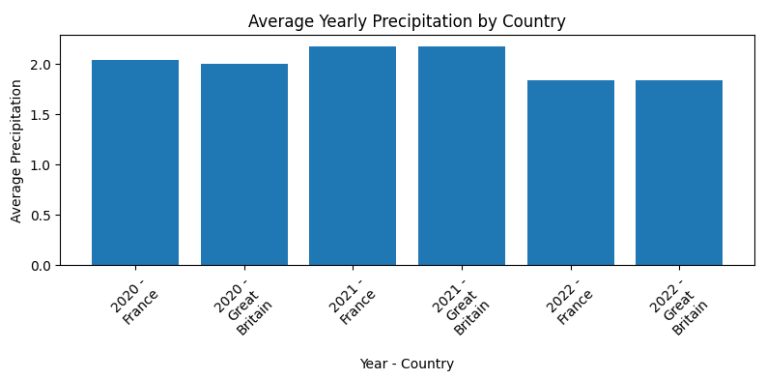 | passed | Chigozie Godwin (C2407247)
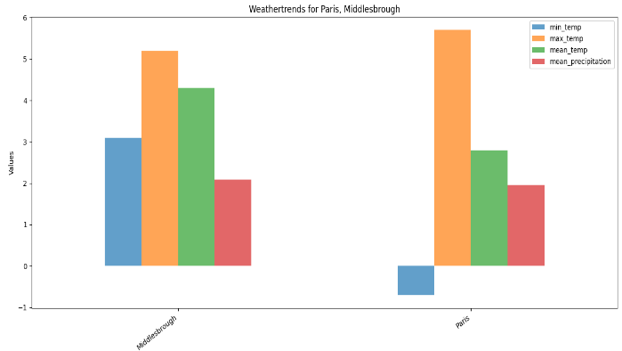
 | 5 | WeatherPlotter class | Verify that the function can plot bar charts for selected locations | SQL Database with relevant data, VScode, and Colorama, matplotlib, pandas, textwrap, NumPy | 1. Enter a comma-separated list of valid locations. | Enter the locations separated by commas: Paris, Middlesbrough | The function should plot bar charts for the selected locations without errors. |  | passed | Chigozie Godwin (C2407247)
 |  |  |  |  | 2. Execute the function.
 | 6 | WeatherPlotter class | Average Annual Precipitation by Country | SQL Database with relevant data, VScode, and Colorama, matplotlib, pandas, textwrap, NumPy | 1. Enter a valid city name. | Enter City: Paris |  Average annual precipitation for each country in the given year |  | passed | Chigozie Godwin (C2407247)
 |  |  |  |  | 2. Enter a valid year. | Enter Year (YYYY): 2020
 |  |  |  |  | 3. Enter a valid month. | Enter Month (MM): 01
 |  |  |  |  | 4. Execute the function.
 | 7 | WeatherPlotter class | Verify that the function can plot a scatter plot comparing average temperature and rainfall for multiple locations | SQL Database with relevant data, VScode, and Colorama, matplotlib, pandas, textwrap, NumPy | 1. Enter a City name | Enter A City Name: Paris | The function should plot daily temperature data for the specified city and month without errors. | 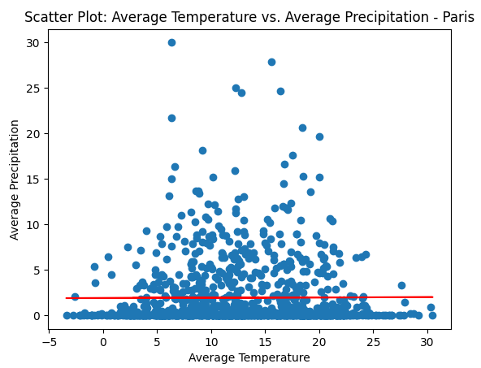 | passed | Chigozie Godwin (C2407247)
 |  |  |  |  | 2. Execute the function.
 | 8 | WeatherPlotter class | Choose Option (Interactive Menu) | SQL Database with relevant data, VScode, and Colorama, matplotlib, pandas, textwrap, NumPy | 1. Enter a valid option (1-7 or X). | Interaction with the menu options | The program should respond appropriately to the chosen option, and invalid inputs should be handled gracefully. | The program responded appropriately to the chosen option, and invalid inputs were handled gracefully. | Passed | Chigozie Godwin (C2407247)
 |  |  |  |  | 2. Verify the corresponding function is called or the program exits gracefully.
 | 9 | WeatherPlotter class | Verify that the code handles database connection errors gracefully. | Ensure the database path is incorrect or inaccessible | Introduce an unexpected error in the path variable | path = '.db/CIS4044-N-SDI-OPENMETEO-PARTIAL.db' | The code should display an appropriate error message indicating the database connection error. | Database connection error: unable to open database file | Passed | Chigozie Godwin (C2407247)

 | 10 | WeatherPlotter class | Unexpected Error Handling. Verify that the code handles unexpected errors gracefully | SQL Database with relevant data, VScode, and Colorama, matplotlib, pandas, textwrap, NumPy | Introduce an unexpected error in the code. | Enter your choice (1-7 To see chart or X to Quit): gh | The code should display an appropriate error message indicating the unexpected error. | Invalid input: Invalid input gh. Please enter a number between 1 and 7 or X. | Passed | Chigozie Godwin (C2407247)

