No7
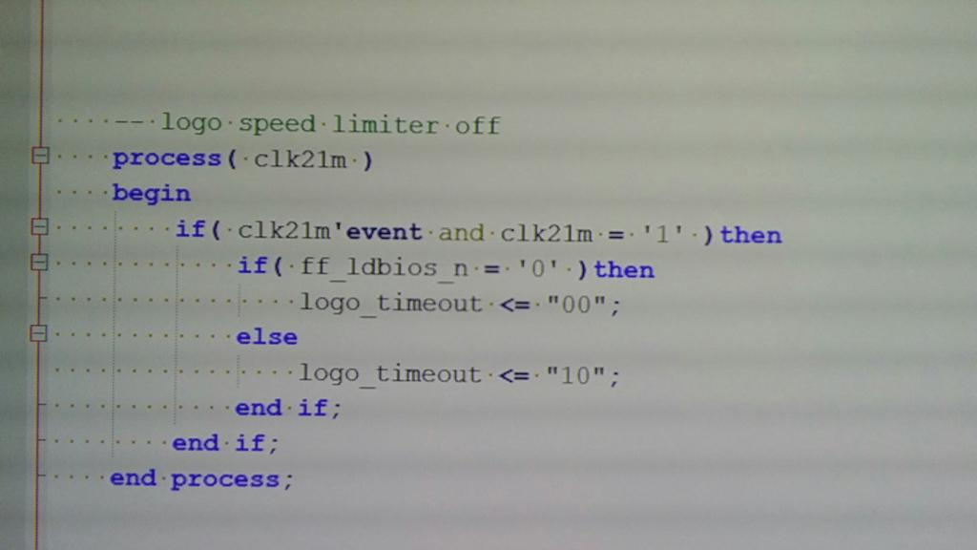

it used to set 3.58mhz during the logo
but logo_timeout force the iplrom at 10mhz
when is "00"

logo_timeout = 00 -- 10mhz
logo_timeout = 01 -- 3.58mhz
logo_timeout = 10 -- speed selected by f12 or i/o ports

No1
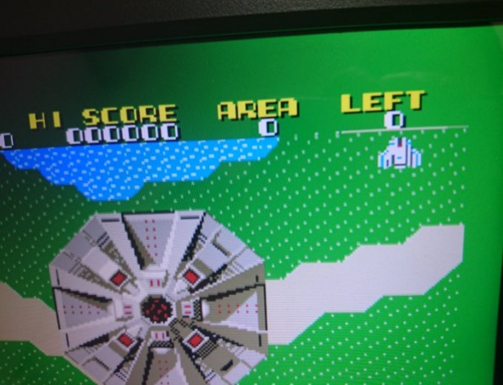
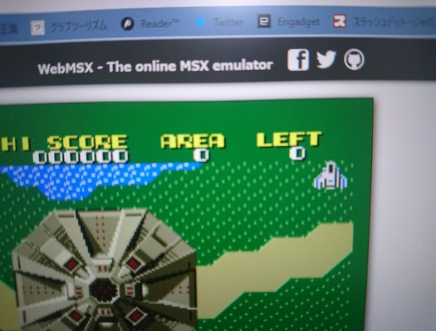
[2019-Dec-08]
Current | Reference

