Sheet1
Individual | Haplotypes | Subgenome dosage/composition at bloom time locus (determined by relative coverage of each subgenome)
early1 | a h o o | A' B B B
early2 | a h i o | A A' B B
early3 | a h i o | A A' B B
early4 | a n i o | A A' B B
early5 | a h i o | A A' B B
early6 | a n i o | A A' B B
early7 | g n i h | A' A B B --> A A B B (i.e., one haplotype had an ancestral homoeologous exchange event)
late1 | k k n o | A A B B
late2 | k k i n | A A A B
late3 | k k i h | A A A B
late4 | k k h o | A A B B
late5 | k k h o | A A B B
Balaton (mom) | k a n h | A A' B B
Surefire (dad) | k i o g | A A A' B --> A A A B (this parent is the donor for the haplotype with ancestral homoeologous exchange)

 |  | Here is an example of how subgenome composition is determined via coverage; below are coverage plots for the parents.
 |  | The QTL region is dotted - all other areas of the chromosome are shaded so that we can focus on the QTL region.
 |  | For Balaton, we have subgenome B in ~twice the dosage of A and A'; those two subgenomes are at approx. the same dosage
 |  | Since we're working with a tetraploid, the only way this is possible is if the QTL region is dosage A A' B B
 |  | Let's look at Surefire now. For the first part of the QTL, A is at ~twice the dosage of B and A'. However, later down the length
 |  | of the QTL region, there is a spike in coverage (dosage) of A with a concurrent drop in A'. This represents an ancestral homoeologous
 |  | exchange where A replace some of subgenome A' - i.e., this happened sometime in Surefire's pedigree during meiosis.
 |  | Thus, Surefire has a composition of A A A' B for the first part of the QTL, but the composition transitions to A A A B for the latter
 |  | part of the QTL.

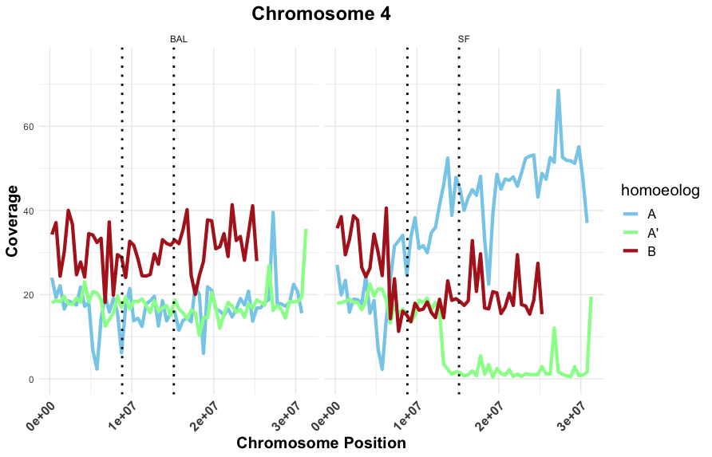
Subgenome
Balaton
Surefire
Chromosome 4
Surefire
Balaton

 |  | Comparing the haplotypes and compositions allows us to make conclusions like these:

 | CONCLUSION | LOGIC
 | o = B | Because o is in double copy for early 1, and the only subgenome that is in that dosage or higher for that individual is subgenome B, o is derived from subgenome B.
 | g = A' --> A | In the sequenced family members, the haplotype that transitions from A -> A' is present in only early 7 and Surefire. The haplotype that is unique to these two individuals is g. Thus, g is derived from A' in the first half of the QTL and A in the latter half.

 | k, n, i, o =/= A' | Because all late-blooming individuals have 0 dosage of A', their haplotypes are NOT derived from subgenome A'.
 | a = A' | early 1 - 6 have the a haplotype in common. We concluded o was derived from subgenome B, and that h, i, and n were not derived from A'. This leaves the a haplotype as most likely derived from A'. This conclusion is consistent with all early-blooming individuals with the a haplotype.

 | h = n | Comparisons between individuals that differ only in having h or n (early 3 vs early 4, late 2 vs late 3, etc) have the same genome composition. Therefore, h and n are derived from the same subgenome.
 | i = A h = B | early 1 vs early 2 , 3, and 5 differ in whether they have i or not, and they all have h in common. If o is B and a is A', i must be derived from subgenome A, and h must be derived from subgenome B.
 | n = B | Because h = n, n is also derived from subgenome B.
 | k = A | Because i is A and h, n, and o are B, both k haplotypes are derived from subgenome A.

 | FINAL KEY

 | haplotype | subgenome
 | k | A
 | i | A
 | o | B
 | g | A' -> A
 | h | B
 | n | B
 | a | A'

 | This key is consistent with the parents' and progeny subgenome composition.
 | Kinda neat since A came from the P. fruticosa-like progenitor, which blooms much later than the other ancestor, a P. avium-like species (which is where subgenome B comes from)

