Sheet1
VSCODE 一键编译运行
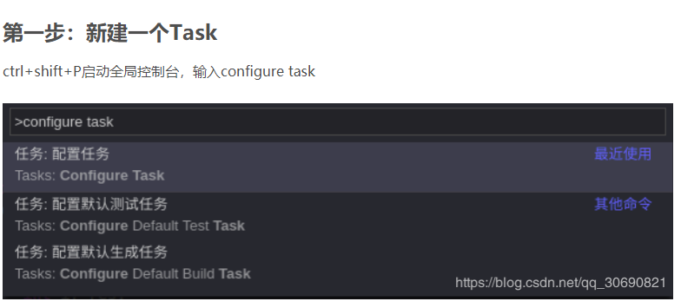

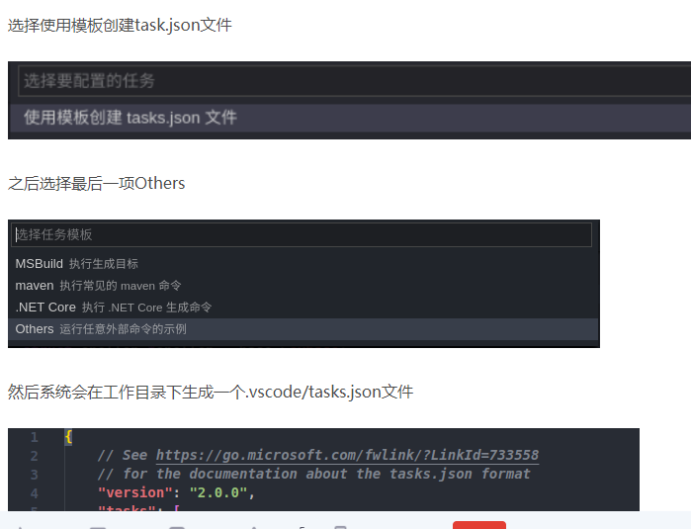

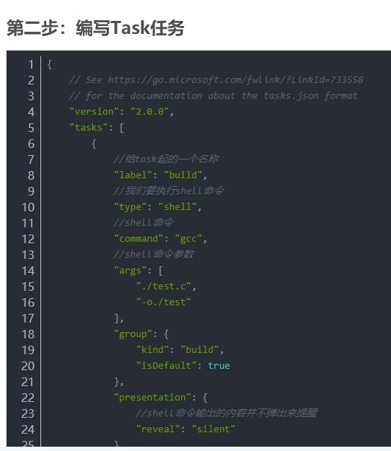

一编辑快捷键
{ "key": "f1", "command": "workbench.action.tasks.runTask", "args": "runTianjinEnter" },

