Stok Listesi
EVM KODU | Ad | Açıklama | İster-Alternatif | Stok Miktarı
AC1 | KCM55WR71H476MH13 | Length 6.1±0.4mm Width 5.3±0.2mm Thickness 6.4±0.3mm Capacitance 47μF ±20% Metal terminal width e 1.2±0.2mm Operating Temperature Range -55℃ to 125℃ Rated Voltage 50Vdc Capacitance change rate ±15% Temperature characteristics (complied standard) X7R(EIA) Temperature range of temperature characteristics -55℃ to 125℃ | 28 uF ESR= 0.1 ohm | 2 ADET
AD1 | DVCC diode SHOKY | 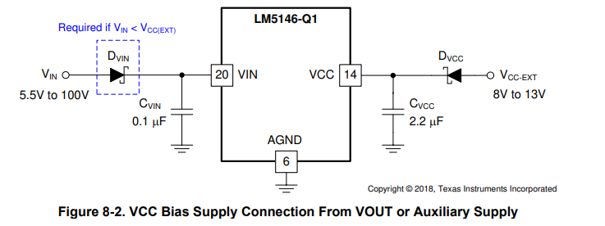
ad2 | DVin diode SHOKY
R5 |  | Resistor, Chip, 20kΩ, 1/16W, 1%, 0402 | SÖKCEZ?
R7 |  | 1 R7 Resistor, Chip, 9.31kΩ, 1/16W, 1%, 0402 | 5.263kOhm OLACAK
R8 |  | Resistor, Chip, 24.9kΩ, 1/16W, 1%, 0402 | 30.1k ohm olacak
R4 |  | Resistor, Chip, 619Ω, 1/16W, 1%, 0402 | 572 OHM
R6 |  | Resistor, Chip, 8.06kΩ, 1/16W, 1%, 0402 | 4123 OHM
R9 |  | Resistor, Chip, 51.1Ω, 1/16W, 1%, 0402 | 477 OHM
R10 |  | Resistor, Chip, 1.5kΩ, 1/16W, 1%, 0402 | 1K OHM
R11 |  | Resistor, Chip, 21kΩ, 1/16W, 1%, 0402 | 16.5K OHM
R14 |  | Resistor, Chip, 36.5kΩ, 1/16W, 1%, 0402 | SÖK
C27 |  | Capacitor, Ceramic, 1nF, 50V, X7R, 10%, 0402 | 1620,8 Pf
C23 |  | Capacitor, Ceramic, 4.7nF, 16V, X7R, 10%, 0402 | 6485 Pf
C24 |  | Capacitor, Ceramic, 100pF, 50V, C0G, 10%, 0402 | 187 pF

