Design Regulator
 LM(2)5145/46-Q1 DC-DC Controller Design Tool

About |  | xx |  |  | = Input Box |  | TERMS OF USE

R_{UV1}
R_{UV2}
8,25kΩ
200kΩ
Step 1: Operating Specifications
 |  |  | Input Voltage ‒ Min, VIN(min) | 24 | V
 |  |  | Input Voltage ‒ Nom, VIN(nom) | 30 | V
 |  |  | Input Voltage ‒ Max, VIN(max) | 36 | V
 |  |  | Output Voltage, VOUT | 14 | V
C_{BOOT}
30V
 |  |  | Maximum Output Current, IOUT | 9 | A
R_{RT}
0.1μF
 |  |  | Free-running Switching Frequency, FSW | 332 | kHz
R_{FB1}
R_{C2}
30,1kΩ
24V to 36V
 |  |  | SYNC Frequency (if used), FSW-SYNC | 332 | kHz
768Ω
26,4kΩ
 |  |  | Frequency Set Resistor, RRT | 30.1 | kΩ
C_{C3}
C_{C1}
R_{C1}
C_{SS}
Q₁
1000pF
6,65kΩ
4,7nF
47nF
L_{O}
Step 2: Filter Inductor
 |  |  | Recommended Filter Inductance | 7.5 | µH
 |  |  | Inductance, LO | 6.8 | µH
C_{C2}
120pF
LM5146-Q1
6,8µH
 |  |  | Inductor DCR | 0.88 | mΩ
14V
Q₂
0,88mΩ
 |  |  | Pk-to-Pk Ripple Current at VIN(nom), DIL | 3.4 | APK-PK
R_{FB2}
9A
 |  |  | Inductor Ripple Current as a % of Max IOUT | 37 | %
1,58kΩ
C_{OUT}
C_{IN}
 |  |  | Estimate Core Loss at VIN(nom) | 0.2 | W
4 x 22µF
7 x 4.7µF
Step 3: RDS(on) or Shunt-Based Current Limit
 |  |  | Shunt, RS | 6 | mΩ |  |  | \
 |  |  | Required Current Limit Setpoint | 13 | A
 |  |  | Current Limit Set Resistor, RILIM | 562 | Ω
R_{FADJ}
13
C_{VCC}
 |  |  | Min Inductor Sat Current, IL(SAT) | 18.0 | A
2.2μF
 |  |  | Power Loss in RS at Full Load, Max VIN | 0.18 | W
R_{PGOOD}
20kΩ
R_{ILIM}
Cilim
562Ω
8,2pF
Step 4: Output Capacitance
 |  |  | Output Voltage Ripple Specification | 100 | mVPK-PK
 |  |  | Minimum Ideal Output Capacitance | 13 | µF
 |  |  | Total Output Capacitance (Derated), COUT | 70 | µF
 |  |  | Maximum Permitted ESR | 29 | mΩ
 |  |  | Output Capacitor ESR | 0 | mΩ
 |  |  | Resulting Output Voltage Ripple | 18 | mVPK-PK
 |  |  | Output Capacitor Ripple Current | 1.0 | ARMS

Step 5: Input Capacitance
 |  |  | Input Voltage Ripple Specification | 240 | mVPK-PK
 |  |  | Minimum Ideal Input Capacitance | 28 | µF
 |  |  | Total Input Capacitance (Derated), CIN | 30 | µF
Bode Plot
 | Loop Gain |  | LC Double Pole |  | Fz1 |  | Fz2 |  | Fp1 |  | Fp2 |  | F_ESR |  | Loop Phase |  | Fc1 |  | Fc2
0.001 | 77.825473638 | 7.2972614189 | 30.86663415 | 5.0921434418 | 22.206144677 | 5.8581766517 | 24.878104563 | 207.23299905 | -23.01807333 | 204.53442825 | -22.759528853 | 8120.150167 | -115.54065665 | 0.001 | -24.641780804 | 34.5 | -126.48341962 | 34.5 | -126.48341962
0.002 | 76.000548911 |  |  |  |  |  |  |  |  |  |  |  |  | 0.002 | -42.521490167 | 34.5 | -90 | 1000 | -126.48341962
0.003 | 74.036542859 |  |  |  |  |  |  |  |  |  |  |  |  | 0.003 | -53.962642308
0.004 | 72.248765241 |  |  |  |  |  |  |  |  |  |  |  |  | 0.004 | -61.355326903
0.005 | 70.683708229 |  |  |  |  |  |  |  |  |  |  |  |  | 0.005 | -66.367000446
0.006 | 69.317075036 |  |  |  |  |  |  |  |  |  |  |  |  | 0.006 | -69.935345146
0.007 | 68.11442079 |  |  |  |  |  |  |  |  |  |  |  |  | 0.007 | -72.584364241
0.008 | 67.045381584 |  |  |  |  |  |  |  |  |  |  |  |  | 0.008 | -74.619118573
0.009 | 66.085701388 |  |  |  |  |  |  |  |  |  |  |  |  | 0.009 | -76.225993623
0.01 | 65.216456956 |  |  |  |  |  |  |  |  |  |  |  |  | 0.01 | -77.524132089
0.02 | 59.34608408 |  |  |  |  |  |  |  |  |  |  |  |  | 0.02 | -83.408321179
0.03 | 55.852858677 |  |  |  |  |  |  |  |  |  |  |  |  | 0.03 | -85.282860986
0.04 | 53.364375969 |  |  |  |  |  |  |  |  |  |  |  |  | 0.04 | -86.130439739
0.05 | 51.431208488 |  |  |  |  |  |  |  |  |  |  |  |  | 0.05 | -86.564745466
0.06 | 49.850596685 |  |  |  |  |  |  |  |  |  |  |  |  | 0.06 | -86.791903078
0.07 | 48.513767222 |  |  |  |  |  |  |  |  |  |  |  |  | 0.07 | -86.900543269
0.08 | 47.35559331 |  |  |  |  |  |  |  |  |  |  |  |  | 0.08 | -86.935059623
0.09 | 46.333989134 |  |  |  |  |  |  |  |  |  |  |  |  | 0.09 | -86.920141793
0.1 | 45.420184114 |  |  |  |  |  |  |  |  |  |  |  |  | 0.1 | -86.870614295
0.2 | 39.414732185 |  |  |  |  |  |  |  |  |  |  |  |  | 0.2 | -85.61441225
0.3 | 35.915850516 |  |  |  |  |  |  |  |  |  |  |  |  | 0.3 | -83.945602811
0.4 | 33.448865787 |  |  |  |  |  |  |  |  |  |  |  |  | 0.4 | -82.177632324
0.5 | 31.551404132 |  |  |  |  |  |  |  |  |  |  |  |  | 0.5 | -80.374471244
0.6 | 30.017460938 |  |  |  |  |  |  |  |  |  |  |  |  | 0.6 | -78.558479239
0.7 | 28.737115462 |  |  |  |  |  |  |  |  |  |  |  |  | 0.7 | -76.740106678
0.8 | 27.644727283 |  |  |  |  |  |  |  |  |  |  |  |  | 0.8 | -74.925317575
0.9 | 26.697930922 |  |  |  |  |  |  |  |  |  |  |  |  | 0.9 | -73.118061484
1 | 25.867774468 |  |  |  |  |  |  |  |  |  |  |  |  | 1 | -71.321260317
1.5 | 22.899420064 |  |  |  |  |  |  |  |  |  |  |  |  | 1.5 | -62.565656451
2 | 21.160847658 |  |  |  |  |  |  |  |  |  |  |  |  | 2 | -54.327326992
2.5 | 20.179828635 |  |  |  |  |  |  |  |  |  |  |  |  | 2.5 | -46.747378663
3 | 19.743666495 |  |  |  |  |  |  |  |  |  |  |  |  | 3 | -39.935424723
3.5 | 19.741949887 |  |  |  |  |  |  |  |  |  |  |  |  | 3.5 | -33.989688381
4 | 20.118108858 |  |  |  |  |  |  |  |  |  |  |  |  | 4 | -29.022962859
4.5 | 20.852566244 |  |  |  |  |  |  |  |  |  |  |  |  | 4.5 | -25.204747458
5 | 21.958562878 |  |  |  |  |  |  |  |  |  |  |  |  | 5 | -22.84056125
5.5 | 23.483996152 |  |  |  |  |  |  |  |  |  |  |  |  | 5.5 | -22.545519253
6 | 25.507199961 |  |  |  |  |  |  |  |  |  |  |  |  | 6 | -25.675649223
6.5 | 28.049433511 |  |  |  |  |  |  |  |  |  |  |  |  | 6.5 | -35.429130948
7 | 30.470154249 |  |  |  |  |  |  |  |  |  |  |  |  | 7 | -58.099685956
7.5 | 30.392223163 |  |  |  |  |  |  |  |  |  |  |  |  | 7.5 | -91.845141728
8 | 27.729556001 |  |  |  |  |  |  |  |  |  |  |  |  | 8 | -115.67648964
8.5 | 24.869850256 |  |  |  |  |  |  |  |  |  |  |  |  | 8.5 | -127.03800237
9 | 22.480219563 |  |  |  |  |  |  |  |  |  |  |  |  | 9 | -132.28884626
9.5 | 20.524061383 |  |  |  |  |  |  |  |  |  |  |  |  | 9.5 | -134.73496997
10 | 18.895722408 |  |  |  |  |  |  |  |  |  |  |  |  | 10 | -135.789943
10.5 | 17.512388479 |  |  |  |  |  |  |  |  |  |  |  |  | 10.5 | -136.10397647
11 | 16.315784077 |  |  |  |  |  |  |  |  |  |  |  |  | 11 | -136.00476498
11.5 | 15.264924497 |  |  |  |  |  |  |  |  |  |  |  |  | 11.5 | -135.67032375
12 | 14.330362347 |  |  |  |  |  |  |  |  |  |  |  |  | 12 | -135.20303473
...
 |  |  | Maximum Permitted ESR | 1 | mΩ
 |  |  | Input Capacitor ESR | 1 | mΩ
 |  |  | Resulting Input Voltage Ripple | 236 | mVPK-PK
 |  |  | Input Capacitor Ripple Current | 4.5 | ARMS

Step 6: Soft-start, UVLO
 |  |  | Soft-Start Time, tSS | 4 | ms
 |  |  | Soft-Start Capacitance, CSS | 47 | nF
 |  |  | Input Voltage UVLO Turn-On | 30 | V
 |  |  | Input Voltage UVLO Turn-Off | 28 | V
 |  |  | UVLO Upper Resistor, RUV1 | 200 | kΩ
 |  |  | UVLO Lower Resistor, RUV2 | 8.25 | kΩ
If the SYNC feature is not required, connect SYNCIN to GND
or VCC for diode emulation or FPWM modes, respectively

Step 7: Compensation Design
 |  |  | LC Complex Pole Frequency | 7.3 | kHz
 |  |  | ESR Zero Frequency | 8120 | kHz
 |  |  | Desired Crossover Frequency | 35 | kHz
Crossover Frequency = 35 kHz
 |  |  | Appropriate Midband Gain | 0.32 | V/V
 |  |  | Upper Feedback Resistor, RFB1 | 26.4 | kΩ
Phase Margin = 54°
 |  |  | Lower Feedback Resistor, RFB2 | 1.58 | kΩ
 |  |  | Actual Output Voltage, VOUT | 14.167 | V

Pole & Zero Placement |  |  | FZ1 | 5.1 | kHz
Baseline P/Z Frequencies: |  |  | FZ2 | 6.6 | kHz
 |  |  | FP1 | 8120 | kHz
 |  |  | FP2 | 166 | kHz

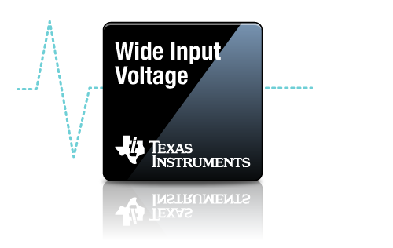
Compensation Components
 | Calculated / | Std Values | Selected |  | Actual P/Z Frequencies
RC1 | 8.4 | 8.45 | 6.65 | kΩ | 5.1 | kHz (FZ1)
CC1 | 3691 | 3900 | 4700 | pF | 5.9 | kHz (FZ2)
CC2 | 117 | 120 | 120 | pF | 207 | kHz (FP1)
RC2 | 21 | 21.5 | 768 | Ω | 205 | kHz (FP2)
CC3 | 917 | 1000 | 1000 | pF

Efficiency / Power Loss Analyzer
, VIN = VIN(nom)
 | Efficiency | Inductor Copper & Core Loss | High-Side MOSFET Loss | Low-Side MOSFET Loss
0 | 0 | 0.2008 | 0.0497 | 0.0197
0.045 | 42.007907791 | 0.2008 | 0.0498 | 0.0201
0.09 | 59.146256426 | 0.2008 | 0.0500 | 0.0206
0.135 | 68.452612852 | 0.2008 | 0.0503 | 0.0210
0.18 | 74.295014445 | 0.2008 | 0.0507 | 0.0215
0.225 | 78.302517006 | 0.2008 | 0.0512 | 0.0220
0.27 | 81.221107535 | 0.2009 | 0.0517 | 0.0225
0.315 | 83.440653485 | 0.2009 | 0.0524 | 0.0231
0.36 | 85.184750796 | 0.2009 | 0.0532 | 0.0236
0.405 | 86.590823328 | 0.2009 | 0.0541 | 0.0242
0.45 | 87.74798716 | 0.2010 | 0.0551 | 0.0248
0.495 | 88.716562464 | 0.2010 | 0.0562 | 0.0255
0.54 | 89.538835059 | 0.2011 | 0.0574 | 0.0261
0.585 | 90.245327455 | 0.2011 | 0.0587 | 0.0268
0.63 | 90.858623303 | 0.2012 | 0.0601 | 0.0275
0.675 | 91.395790875 | 0.2012 | 0.0616 | 0.0282
0.72 | 91.806673247 | 0.2013 | 0.0707 | 0.0290
0.765 | 92.161336662 | 0.2013 | 0.0812 | 0.0297
0.81 | 92.480336033 | 0.2014 | 0.0915 | 0.0305
0.855 | 92.768998488 | 0.2014 | 0.1016 | 0.0313
0.9 | 93.031640187 | 0.2015 | 0.1115 | 0.0322
0.945 | 93.271795324 | 0.2016 | 0.1211 | 0.0330
0.99 | 93.492385579 | 0.2017 | 0.1306 | 0.0339
1.035 | 93.695847339 | 0.2017 | 0.1398 | 0.0348
1.08 | 93.884228472 | 0.2018 | 0.1488 | 0.0357
1.125 | 94.05926283 | 0.2019 | 0.1576 | 0.0366
1.17 | 94.222428247 | 0.2020 | 0.1661 | 0.0376
1.215 | 94.374992134 | 0.2021 | 0.1745 | 0.0386
1.26 | 94.51804767 | 0.2022 | 0.1827 | 0.0396
1.305 | 94.652542769 | 0.2023 | 0.1906 | 0.0406
1.35 | 94.779303457 | 0.2024 | 0.1983 | 0.0416
1.395 | 94.899052869 | 0.2025 | 0.2058 | 0.0427
1.44 | 95.012426811 | 0.2026 | 0.2131 | 0.0438
1.485 | 95.119986572 | 0.2027 | 0.2202 | 0.0449
1.53 | 95.222229547 | 0.2029 | 0.2270 | 0.0460
1.575 | 95.319598095 | 0.2030 | 0.2337 | 0.0472
1.62 | 95.412486963 | 0.2031 | 0.2401 | 0.0484
1.665 | 95.501486609 | 0.2032 | 0.2462 | 0.0496
1.71 | 95.587681182 | 0.2034 | 0.2515 | 0.0513
1.755 | 95.669064336 | 0.2035 | 0.2569 | 0.0529
1.8 | 95.745981605 | 0.2037 | 0.2624 | 0.0546
1.845 | 95.818745918 | 0.2038 | 0.2681 | 0.0563
1.89 | 95.887641348 | 0.2040 | 0.2738 | 0.0580
1.935 | 95.952926352 | 0.2041 | 0.2797 | 0.0597
1.98 | 96.01483659 | 0.2043 | 0.2857 | 0.0615
2.025 | 96.073587376 | 0.2044 | 0.2918 | 0.0632
2.07 | 96.129375818 | 0.2046 | 0.2980 | 0.0650
2.115 | 96.182382697 | 0.2047 | 0.3043 | 0.0669
2.16 | 96.232774117 | 0.2049 | 0.3108 | 0.0687
2.205 | 96.280702955 | 0.2051 | 0.3174 | 0.0706
...
Step 8: Efficiency

97,1%
95,6%
 |  |  | High-Side MOSFET (Q1) Specifications | CSD19538Q3A
 |  |  | On-State Resistance, RDS(on) | 52 | mΩ
 |  |  | Total Gate Charge, QG | 3.2 | nC
 |  |  | Gate-Drain Charge, QGD | 0.8 | nC
 |  |  | Gate-Source Charge, QGS | 1.6 | nC
 |  |  | Output Capacitance, COSS | 69 | pF
 |  |  | Gate Resistance, RG | 4.6 | Ω
 |  |  | Transconductance, gFS | 45 | S
 |  |  | Gate-Source Plateau Voltage, VGS(MP) | 5 | V
 |  |  | Body Diode Forward Voltage, VBD1 | 0.8 | V
 |  |  | Thermal Resistance, θJA | 55 | °C/W

 |  |  | Low-Side MOSFET (Q2) Specifications | NVMFS6B14NL
 |  |  | On-State Resistance, RDS(on) | 10 | mΩ
 |  |  | Total Gate Charge, QG | 13 | nC
 |  |  | Output Charge, QOSS | 20 | nC
 |  |  | Output Capacitance, COSS | 580 | pF
 |  |  | Body Diode Forward Voltage, VBD2 | 0.9 | V
 |  |  | Body Diode Recovery Charge, QRR | 50 | nC
 |  |  | Thermal Resistance, θJA | 40 | °C/W

Step 9: IC Power Loss
 |  |  | IC Power Dissipation | 0.10 | W
 |  |  | IC Junction Temperature Rise (est) | 5.0 | °C

Schematic & BOM
R_{UV2}
R_{UV1}
8,25kΩ
200kΩ

30V
R_{RT}
C_{BOOT}
R_{C2}
R_{FB1}
30,1kΩ
0.1μF
24V to 36V
768Ω
26,4kΩ
Q₁
C_{C3}
R_{C1}
C_{SS}
C_{C1}
1000pF
4,7nF
6,65kΩ
47nF
L_{O}

LM5146-Q1
C_{C2}
120pF
Q₂
6,8µH
14V
R_{FB2}
0,88mΩ
C_{IN}
C_{OUT}
9A
1,58kΩ
7 x 4.7µF
4 x 22µF

R_{FADJ}
13
C_{VCC}
2.2μF
R_{PGOOD}
20kΩ
R_{ILIM}
Cilim
562Ω
8,2pF

 | ** Tie SYNCIN to VCC and GND for CCM and DCM operation, respectively **
VIN = 30V, VOUT = 14V, IOUT = 9A, Fsw = 332kHz, Current Limit = 13A
Wide VIN, High Efficiency Synchronous Buck Regulator BOM
Count | Ref Des | Value | Description | Size | Part Number | MFR | Footprint (mm) | Area (mm2)
1 | CBOOT | 0.1µF | Capacitor, Ceramic, 0.1µF, 25V, X7R, 20% |  | Std | Std | 1.6 x 0.8 | 1.3 |  |  |  | 2
1 | CC1 | 4700pF | Capacitor, Ceramic, 4700pF, 16V, X7R, 10% |  | Std | Std | 1.6 x 0.8 | 1.3 |  |  |  | 2
1 | CC2 | 120pF | Capacitor, Ceramic, 120pF, 50V, NP0, 5% |  | Std | Std | 1.6 x 0.8 | 1.3 |  |  |  | 2
1 | CC3 | 1000pF | Capacitor, Ceramic, 1000pF, 50V, NP0, 5% |  | Std | Std | 1.0 x 0.5 | 0.5 |  |  |  | 1
1 | CS | 8,2pF | Capacitor, Ceramic, 8,2pF, 100V, X7R, 20% |  | Std | Std | 1.6 x 0.8 | 1.3 |  |  |  | 2
3 | CIN | 4.7µF | Capacitor, Ceramic, 4.7µF, 50V, X7R, 10% |  | Std | Std | 3.2 x 1.6 | 15.3 |  |  |  | 4
4 | COUT | 22µF | Capacitor, Ceramic, 22µF, 25V, X7R, 10% |  | Std | Std | 3.2 x 1.6 | 20.4 |  |  |  | 4
1 | CSS | 47nF | Capacitor, Ceramic, 47nF, 16V, X7R, 10% |  | Std | Std | 1.6 x 0.8 | 1.3 |  |  |  | 2
1 | CVCC | 2.2µF | Capacitor, Ceramic, 2.2µF, 25V, X7R, 20% |  | Std | Std | 2.0 x 1.25 | 2.5 |  |  |  | 3
1 | CVIN | 0.1µF | Capacitor, Ceramic, 0.1µF, 50V, X7R, 20% |  | Std | Std | 1.6 x 0.8 | 1.3 |  |  |  | 2
1 | LO | 6.8µH | Inductor, 6,8µH, 0,88mΩ, >18A |  | Various | Various | 10.0 x 10.0 | 100.0 |  |  |  | 7
1 | Q1 | See description | MOSFET, N-CH, 80V/100V, 52mΩ |  | CSD19538Q3A | TI | 5.0 x 6.0 | 30.0 |  |  |  | 1 | 1
1 | Q2 | See description | MOSFET, N-CH, 80V/100V, 10mΩ |  | NVMFS6B14NL | TI | 5.0 x 6.0 | 30.0 |  |  |  | 1 | 1

1 | RC1 | 6.65k | Resistor, Chip, 6.65kΩ, 1/16W, 1% |  | Std | Std | 1.0 x 0.5 | 0.5 |  |  |  | 1
1 | RC2 | 768 | Resistor, Chip, 768Ω, 1/16W, 1% |  | Std | Std | 1.0 x 0.5 | 0.5 |  |  |  | 1
1 | RILIM | 562 | Resistor, Chip, 562Ω, 1/16W, 1% |  | Std | Std | 1.0 x 0.5 | 2.5 |  |  |  | 3
1 | RRT | 30.1k | Resistor, Chip, 30.1kΩ, 1/16W, 1% |  | Std | Std | 1.0 x 0.5 | 0.5 |  |  |  | 1
1 | RFB1 | 26.4k | Resistor, Chip, 26.4kΩ, 1/16W, 1% |  | Std | Std | 1.0 x 0.5 | 0.5 |  |  |  | 1
1 | RFB2 | 1.58k | Resistor, Chip, 1.58kΩ, 1/16W, 1% |  | Std | Std | 1.0 x 0.5 | 0.5 |  |  |  | 1
1 | RPGOOD | 20k | Resistor, Chip, 20kΩ, 1/16W, 1% |  | Std | Std | 1.0 x 0.5 | 0.5 |  |  |  | 1
1 | RS | 6mΩ | Resistor, 6mΩ, 1/4W, 1% | 1206 | Std | Std | 3.2 x 1.6 | 0.0
1 | RUV1 | 200k | Resistor, Chip, 200kΩ, 1/16W, 1% |  | Std | Std | 1.6 x 0.8 | 1.3 |  |  |  | 2
1 | RUV2 | 8.25k | Resistor, Chip, 8.25kΩ, 1/16W, 1% |  | Std | Std | 1.0 x 0.5 | 0.5 |  |  |  | 1
1 | RVIN | 2.2 | Resistor, Chip, 2.2Ω, 1/16W, 1% |  | Std | Std | 1.0 x 0.5 | 0.5 |  |  |  | 1
1 | U1 | LM5146-Q1 | IC, LM5146-Q1, PWM Controller, 5.5V-100V Input | VQFN-20 | LM5146QRGYRQ1 | TI | 3.5 x 4.5 x 1.0 | 15.75

 |  |  |  |  | Total Solution Size (buffered by 25%) |  |  | 287.6 | mm2 = | 0.4457 | in2
NOTES:
** Inductor saturation current should be higher than the current limit setpoint at all operating temperatures **
** Effective output capacitance should be appropriately derated for applied voltage and temperature, particularly with ceramics **

 |  |  |  |  |  |  |  |  |  |  |  | 2

EVMs
LM(2)5145/6/-Q1 Quickstart Calculator

 | LM5146-Q1-EVM12V

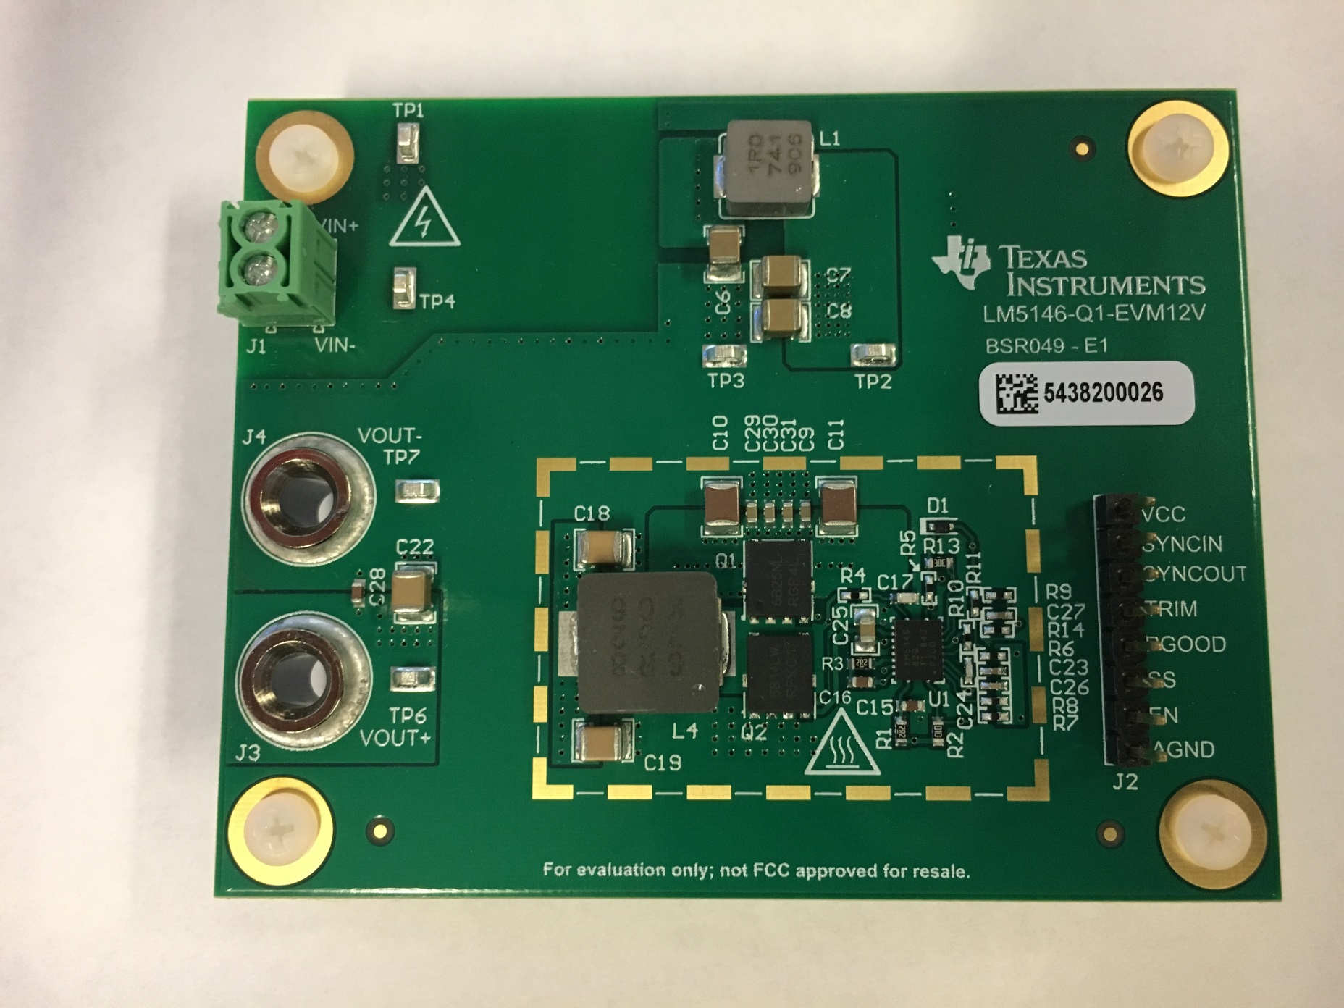

 | LM5145EVM-HD-20A PCB Layout

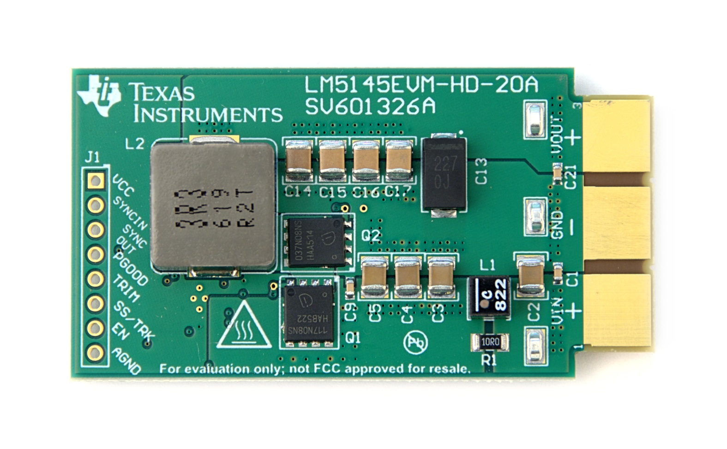
 |  | Top
 |  | Layer | x

 |  | Layer 2
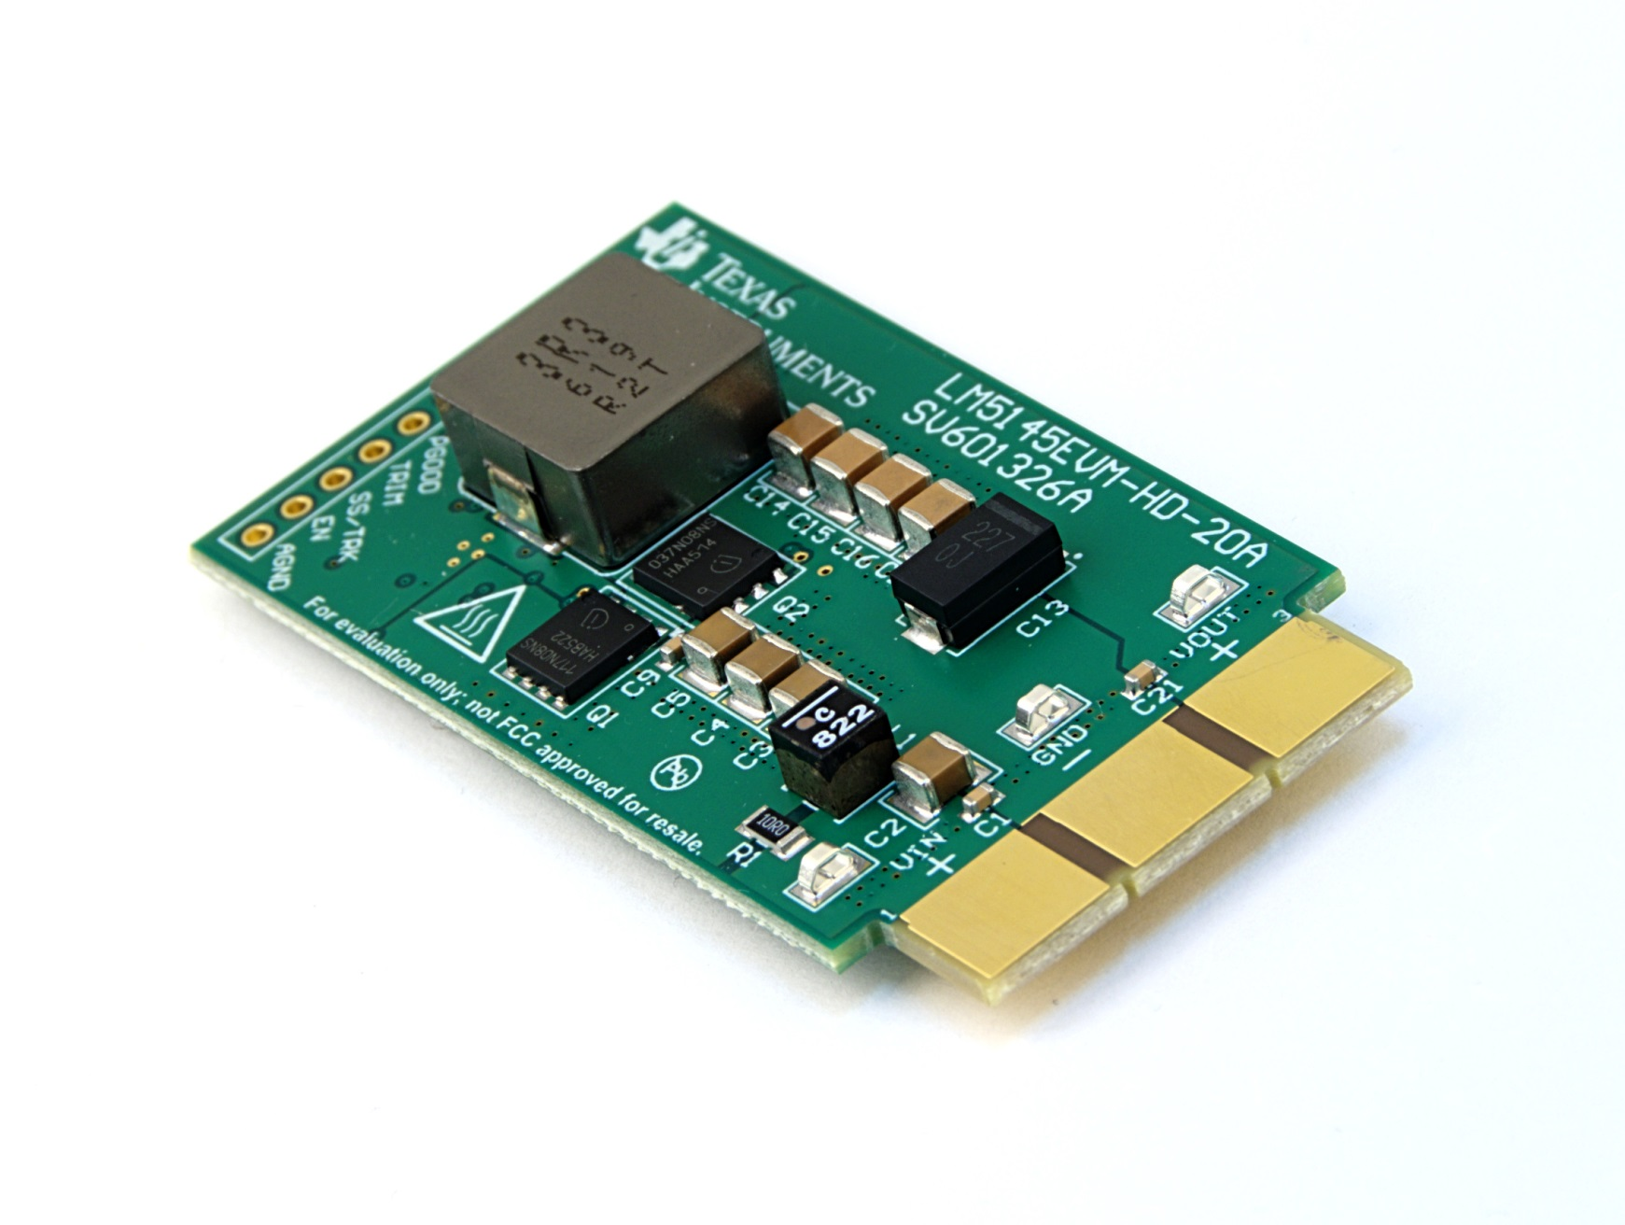

 |  | Layer 3

 |  | Bottom

