Model Answer - Test table
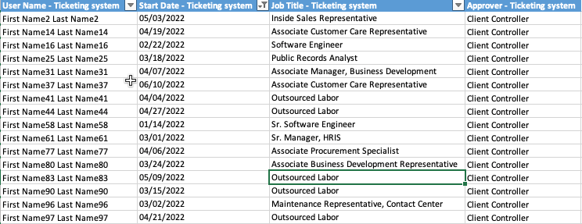
Source/Date Obtained | Sam (Intacct System Admin), Michelle (Manager, IT Ticketing System), on 6/21/2022
Purpose | To ascertain that management approval is obtained prior to granting or modifying system access rights.

Attributes
A | Access request was approved by appropriate management.
B | Access request is consistent with access granted in the system.
C | Access request was approved prior to the access provisioning.

Testing Table: Intacct User Access Provisioning
Sample Information |  |  |  |  |  |  |  | Analysis
Sample # | New User/ Modified User? Per IT tickets | Name | Approver per IT tickets | Date Access Approved per IT tickets | Date Access Granted per Intacct | User role per IT tickets | User role per Intacct application | Approval Granted before Access Provisioning (Y/N) | Roles Granted Align with Roles Requested (Y / N) | A | B | C | Conclusion
1 | New User | First Name16 Last Name16 | Client Controller (Corporate Controller) | 2022-02-21 | 2022-02-22 | Software Engineer | Software Engineer | Yes | Yes | P | P | P | No Exception Noted
2 | New User | First Name37 Last Name37 | Client Controller (Corporate Controller) | 2022-06-09 | 2022-06-10 | Associate Customer Care Representative | Associate Customer Care Representative | Yes | Yes | P | P | P | No Exception Noted
3 | New User | First Name44 Last Name44 | Client Controller (Corporate Controller) | 2022-04-26 | 2022-04-27 | Outsourced Labor | Sr. Software Engineer | Yes | No | P | O | P | Exception Noted
4 | New User | First Name77 Last Name77 | Client Controller (Corporate Controller) | 2022-04-09 | 2022-04-06 | Associate Procurement Specialist | Associate Procurement Specialist | No | Yes | P | P | O | Exception Noted
5 | New User | First Name90 Last Name90 | Client Controller (Corporate Controller) | 2022-03-14 | 2022-03-15 | Outsourced Labor | Outsourced Labor | Yes | Yes | P | P | P | No Exception Noted

Tickmarks
O | Exception noted.
P | Attribute met.

SUPPORTING DOCUMENTATION

Figure 1 | Intacct User Access Provisioning Listing
Source | Sam (Intacct System Admin), on 6/21/2022

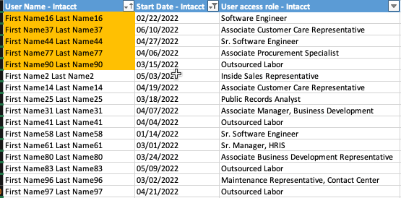

With assistance of Michelle Oh (Manager, Payroll), on 5/12/2021, IA observed the user access provisioning request for Norma Regalado (People Development Coordinator). Per inspection, IA noted the following:
1. Norma Regalado request was approved by appropriate management as evidenced by Megan Stichter (Corporate Controller) on 4/8/2021 (Attribute A);
2. Admin access requested is consistent with access granted to "User Adminr" role as requested (Attribute B);
3. Access granted is commensurate with the Norma's assigned duties as People Development Coordiantor (Attribute C);
4. Segregation of duties is maintained as evidenced by Megan Stichter (Corporate Controller) approving the request on 4/8/2021 and Michelle Oh (Manager, Payroll) granting the access in the system on 4/8/2021 (Attribute D).
No Exception Noted.

Figure 2 | IT Ticketing System Provisioning Listing
Source | Michelle (Manager, IT Ticketing System), on 6/21/2022

