BinarySearchTrees
Problems | Resources | Input | Output | Time | Space | Python Concepts
Find Closest Value In BST |  | 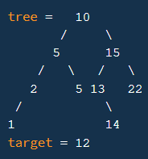 | 13 | Average: O(log(n)) Worst: O(n) - If only one branch | Iterative Solution We will have stack frame Average: O(log(n)) Worst: O(n) - If only one branch Recursive Solution Worst: O(1) | abs- absolute value float("inf")- Max value
BST Construction | Insert, Delete, Contain |  |  | I/C/D: O(log(n)) , O(n) | I/C/D: O(1) , O(n)

