Bug
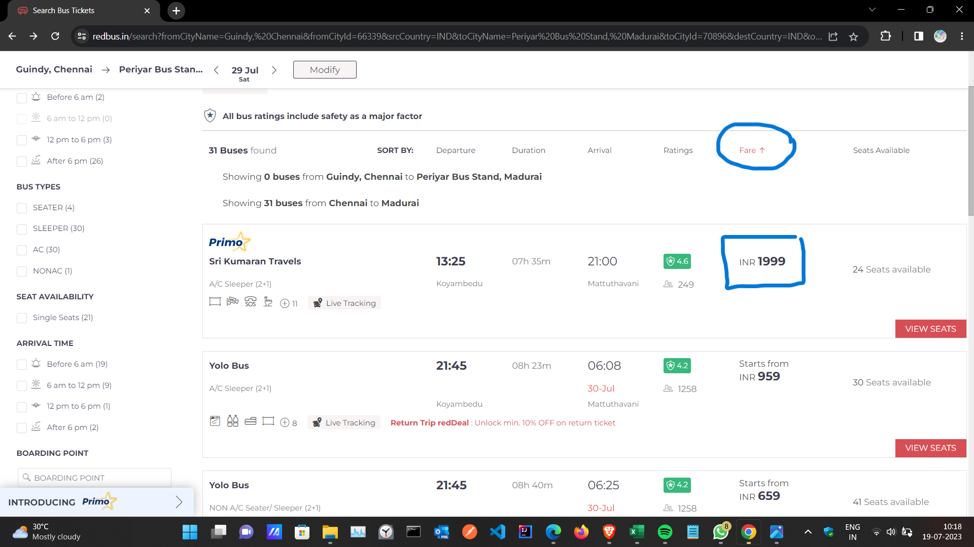
Test Case Template for Project
Project Name | RedBus
Module Name | Bug
Created By | Gokul P
Created Date | 18.07.2023
Peer Review By | Test Lead
Peer Reviewed Date | 19.07.2023

 | Test Report
 | EXECUTED
 |  | Issues Found |  | 1
 |  | Total |  | 1
 | Devices Used For Testing
Defect fixed | 1. Laptop : Chrome Browser |  |  |  |  | Not fixed
22 |  |  |  |  |  | 0
 | Test Type -> Manual Testing

 | Functions | Description | Number of defects | Remarks
 | Result | Result show - when the Amenities filter is applied | 1

Defect ID | Function | Bug description
 |  | Bug Description | Steps to Reproduce | Expected Results | Actual Results
1 | Result | When search result apply amenities filter , the result of sorting shows randomely eg. Fare shows randomely not in the order | 1)Open Chrome browser - launch the URL - Home page opened - Search option shows - in the search bar enter the value - Search result shows - left side of the search page filter options shows - click the options to filter | When apply amenities filter it shows by order not in a random order | apply amenities filter , the result of sorting shows randomely eg. Fare shows randomely not in the order

