Dashboard
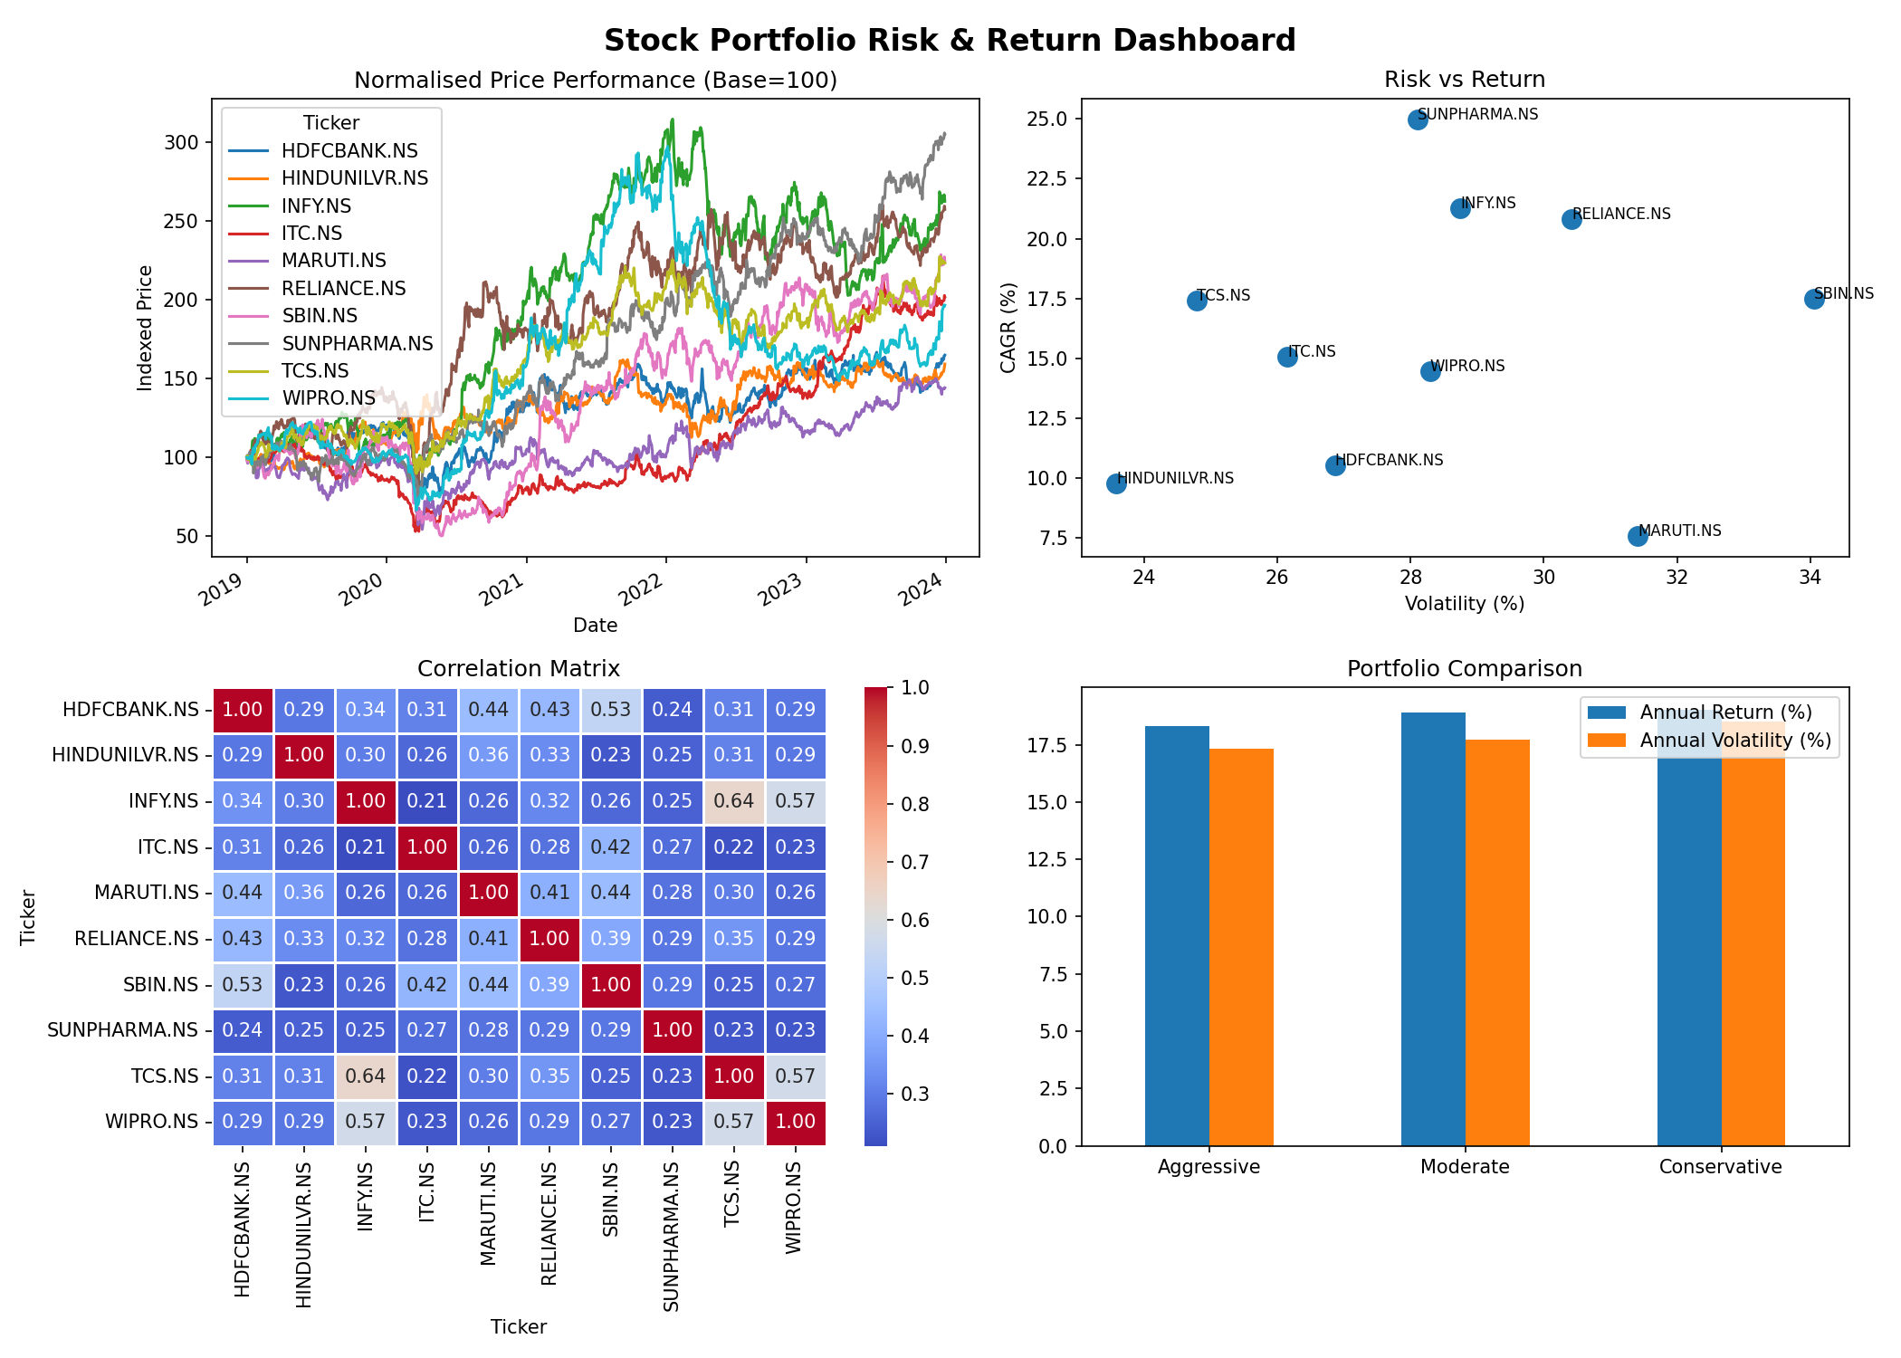
Portfolio Risk & Return Analysis | 2019–2024

