Sheet1
 |  | https://rdrr.io/cran/dietr/src/R/Electivity.R
 |  | #Chesson = (r/p)/sum(r/p)
 |  | r<-MatchHabs[,Diet.Dat]
 |  | p<-MatchHabs[,Available.Dat]
 |  | num<-r/p
 |  | Pred | Seals
 |  | Pred B
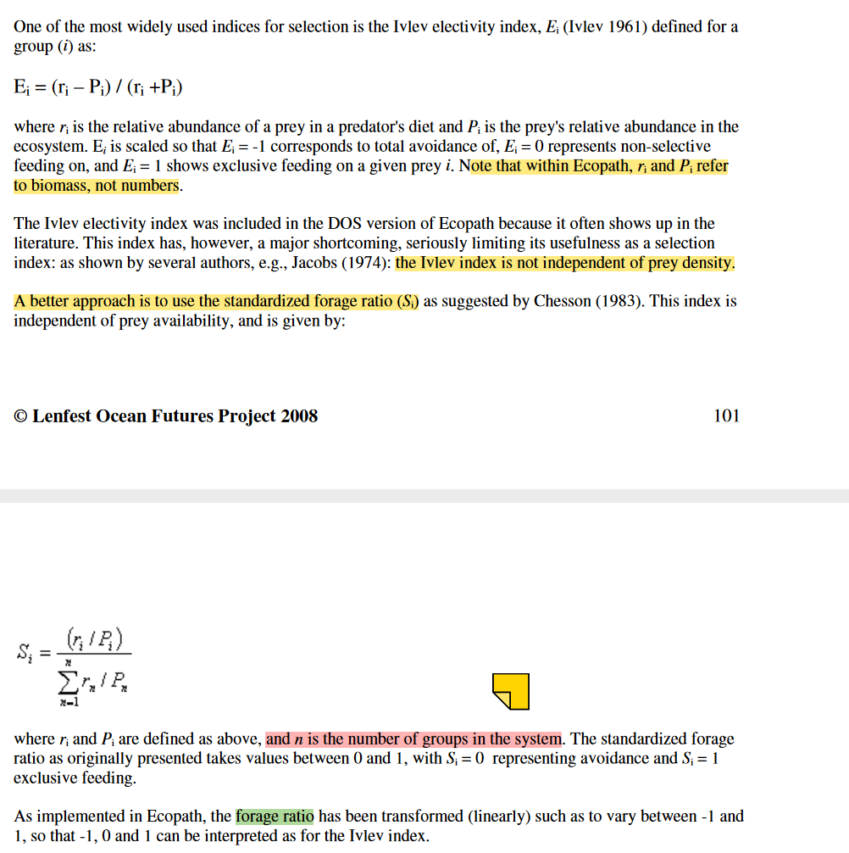
 |  | Diet Data Period | 2000-2020
 |  |  |  |  |  |  |  | I haven't confirmed it - can't find electivity code in EwE - 20240503
Prey n | Prey item | Prey B | Prey % in Env (p) | Prey % in diet -r | r/p | Chesson Index | Rescaled (as in EwE)
1 | herring | 20 | 36% | 25% | 68.8% | 0.12500 | -0.50
2 | hake | 20 | 36% | 25% | 68.8% | 0.12500 | -0.50
3 | gadoids | 10 | 18% | 25% | 137.5% | 0.25000 | 0.00
4 | salmon | 5 | 9% | 25% | 275.0% | 0.50000 | 1.00

prey n | 4

 | tot B prey | 55 | 100% | sum_rp | 550.0%

 |  | ENTER NEW B's for based period and use Solver to find Prey% that matches above
 |  | Desired Base Period | 1950

Prey n | Prey item | Prey B | Prey % in Env (p) | Prey % in diet -r | r/p | Chesson Index | Rescaled (as in EwE) | Diff | Squared
1 | herring | 10 | 18% | 13% | 68.8% | 0.12500 | -0.50 | 1.2146823791E-07 | 1.4754532822E-14
2 | hake | 30 | 55% | 37% | 68.7% | 0.12500 | -0.50 | -1.5488538985E-07 | 2.3989483988E-14
3 | gadoids | 15 | 27% | 38% | 137.5% | 0.25000 | 0.00 | 2.0399150058E-07 | 4.1612532309E-14
4 | salmon | 8 | 15% | 40% | 275.0% | 0.50000 | 1.00 | -1.4315639014E-06 | 2.0493752039E-12

prey n | 4
 |  |  |  |  |  |  |  | SS | 2.129731753E-12 | solver will change prey % such that yellow is close to zero
 | tot B prey | 63 | 115% | sum_rp | 550.0%

 |  |  |  |  |  |  |  |  | Solver save
 |  |  |  |  |  |  |  |  | 2.129731753E-12
 |  |  |  |  |  |  |  |  | 4
 |  |  |  |  |  |  |  |  | 32767
 |  |  |  |  |  |  |  |  | 0

