Salin-K parameterization
Steele's

Dec 15 2021 - GO
See write up and
Loos, E., Costa, M., & Johannessen, S. (2017). Underwater optical environment in the coastal waters of British Columbia, Canada. FACETS, 2(2), 872–891. https://doi.org/10.1139/facets-2017-0074
 |  |  |  |  |  |  |  |  |  |  |  |  |  |  |  |  |  |  |  |  |  |  | Is = Pmax / slope

extracted by approximating linear regression from Fig 5 Loos & Costa 2010 and tuning slightly to match the typical K's using Loos et al 2017 Fig 7 and Table 3 |  |  |  | Evaluation |  |  |  |  | Irradiance AT DEPTH Z (Sarmiento & Gruber, 2016) = I_0 * e^(-K*z) |  |  | Olson's method ( I think this is what her equation means but this equation is actually from Kirk, 2010, Chp)
Salin 4m (depth chosen from Fig 7 Loos et al 2017) | K assumed | K = bS + a |  | Salinity | K | K | incoming I | Z | PAR |  |  |  |  |  |  |  |  |  |  |  |  |  | Steele's |  | Platt's
7 | 1.5 | b | a | 10 | 1.3108695652 | 0.3 | 228 | 0 | 93.59856 | colored based on < 0.01 (1% is ~ euphotic depth) |  | step 1 | -6.6 | pPar | 0.44 |  |  |  |  |  |  |  | F(I) = I/Is * EXP (1-I/Is*) |  | tanh(I/I_s)
30 | 0.05 | -0.063043478261 | 1.9413043478 | 11 | 1.247826087 |  |  | 1 | 69.339518678 |  |  | step 2 | 0.99863963196 | alb | 0.067 |  |  |  |  |  | P_max | 1 | I | P | P
 |  |  |  | 12 | 1.1847826087 |  | after reflext | 2 | 51.36797885 |  |  | step 3 | 6.6 |  |  |  |  |  |  |  | slope | 0.02 | 0 | 0 | 0
 |  |  |  | 13 | 1.1217391304 |  | 93.59856 | 3 | 38.054334691 | mean PAR to 1% |  | step 4 | 0.15130903515 | L0 | 93.59856 | Platt shortcut, 1988 - average light level over all depths until 1% of I_0 |  |  |  |  | I_s | 50 | 1 | 0.053289124839 | 0.01999733376
 |  |  |  | 14 | 1.0586956522 |  |  | 4 | 28.191344515 |  |  |  |  | uPar | 14.162307805 | 20.5916832 | Wow! | Just 0.22 * Incident I (minus albedo and only PP spectrum) |  |  |  |  | 2 | 0.10446785894 | 0.039978680311
 |  |  |  | 15 | 0.99565217391 |  |  | 5 | 20.884661682 |  | testing Olson's way of depth integrating |  |  |  |  |  |  |  |  |  |  |  | 3 | 0.1535988851 | 0.059928103529
 |  |  |  | 16 | 0.93260869565 |  |  | 6 | 15.471737907 | 22.384932829 | 20.568616427 |  |  |  |  | Zp = depth of photic zone |  |  |  |  |  |  | 4 | 0.20074323119 | 0.079829769111
 |  |  |  | 17 | 0.86956521739 |  |  | 7 | 11.461745347 |  |  |  |  |  |  | Zp = 4.6/K | 15.333333333 |  |  |  |  |  | 5 | 0.24596031112 | 0.099667994625
 |  |  |  | 18 | 0.80652173913 |  |  | 8 | 8.491069794 |  |  |  |  |  |  |  |  |  |  |  |  |  | 6 | 0.28930796477 | 0.11942729853
 |  |  |  | 19 | 0.74347826087 |  |  | 9 | 6.2903392165 |  |  |  |  |  |  |  |  |  |  |  |  |  | 7 | 0.33084249712 | 0.13909244788 | Sun et al 2021
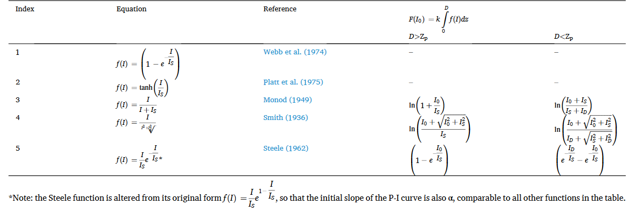
 |  |  |  | 20 | 0.68043478261 |  |  | 10 | 4.6599979059 |  |  |  |  |  |  |  |  |  |  |  |  |  | 8 | 0.37061871628 | 0.1586485043
 |  |  |  | 21 | 0.61739130435 |  |  | 11 | 3.452211357 |  |  |  |  |  |  |  |  |  |  |  |  |  | 9 | 0.40868997076 | 0.17808086812
 |  |  |  | 22 | 0.55434782609 |  |  | 12 | 2.5574610749 |  |  |  |  |  |  |  |  |  |  |  |  |  | 10 | 0.4451081857 | 0.19737532022
 |  |  |  | 23 | 0.49130434783 |  |  | 13 | 1.894613763 |  |  |  |  | Is this sum across depths? |  | crosscheck |  |  |  |  |  |  | 11 | 0.47992389841 | 0.21651806149
 |  |  |  | 24 | 0.42826086957 |  |  | 14 | 1.4035643968 |  |  |  |  | I_0 / zK *(1-e^(-Kz) |  | 361.08637446 |  |  |  |  |  |  | 12 | 0.51318629292 | 0.23549574954
 |  |  |  | 25 | 0.3652173913 |  |  | 15 | 1.039786079 |  |  |  |  | 6.8965482459 |  |  |  |  |  | Platt 1988 |  |  | 13 | 0.54494323377 | 0.25429553263
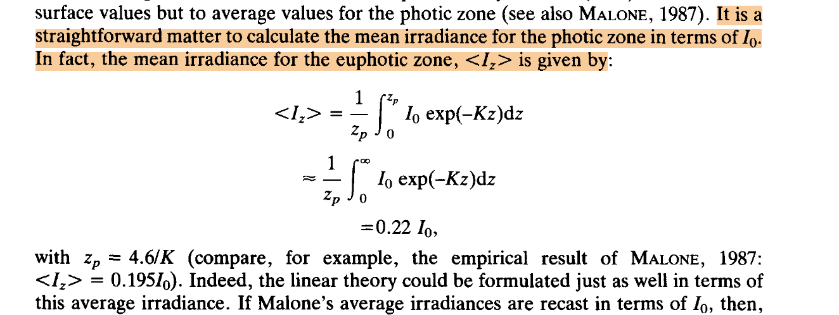
 |  |  |  | 26 | 0.30217391304 |  |  | 16 | 0.77029247295 |  |  |  |  |  |  |  |  |  |  |  |  |  | 14 | 0.57524129898 | 0.27290508056
 |  |  |  | 27 | 0.23913043478 |  |  | 17 | 0.57064669922 |  |  |  |  |  |  |  |  |  |  |  |  |  | 15 | 0.60412581224 | 0.29131261245
 |  |  |  | 28 | 0.17608695652 |  |  | 18 | 0.42274547235 |  |  |  |  |  |  |  |  |  |  |  |  |  | 16 | 0.63164087431 | 0.30950692121
 |  |  |  | 29 | 0.11304347826 |  |  | 19 | 0.31317754863 |  |  |  |  |  |  |  |  |  |  |  |  |  | 17 | 0.6578293937 | 0.32747739481
 |  |  |  | 30 | 0.05 |  |  | 20 | 0.23200763433 |  |  |  |  |  |  |  |  |  |  |  |  |  | 18 | 0.68273311655 | 0.34521403414
 |  |  |  | 31 | -0.013043478261 |  |  | 21 | 0.17187548285 |  |  |  |  |  |  |  |  |  |  |  |  |  | 19 | 0.7063926559 | 0.36270746758
 |  |  |  | 32 | -0.076086956522 |  |  | 22 | 0.12732848938 |  |  |  |  |  |  |  |  |  |  |  |  |  | 20 | 0.72884752016 | 0.37994896226
 |  |  |  | 33 | -0.13913043478 |  |  | 23 | 0.094327264948 |  |  |  |  |  |  |  |  |  |  |  |  |  | 21 | 0.75013614092 | 0.39693043201
 |  |  |  | 34 | -0.20217391304 |  |  | 24 | 0.06987935658 |  |  |  |  |  |  |  |  |  |  |  |  |  | 22 | 0.77029590013 | 0.41364444219
 |  |  |  | 35 | -0.2652173913 |  |  | 25 | 0.051767900604 |  |  |  |  |  |  |  |  |  |  |  |  |  | 23 | 0.78936315661 | 0.4300842114
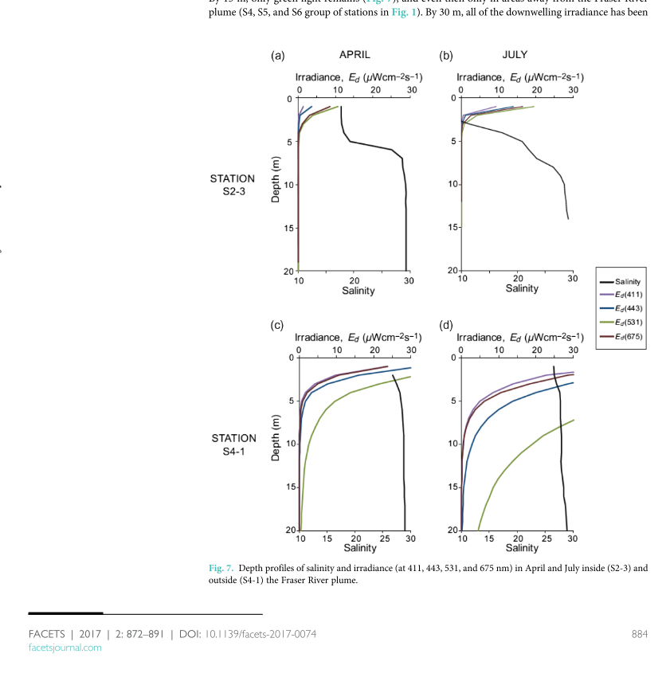
 |  |  |  | 36 | -0.32826086957 |  |  | 26 | 0.038350604014 |  |  |  |  |  |  |  |  |  |  |  |  |  | 24 | 0.80737327186 | 0.44624361025
 |  |  |  | 37 | -0.39130434783 |  |  | 27 | 0.028410826228 |  |  |  |  |  |  |  |  |  |  |  |  |  | 25 | 0.82436063535 | 0.46211715726
 |  |  |  |  |  |  |  | 28 | 0.021047257734 |  |  |  |  |  |  |  |  |  |  |  |  |  | 26 | 0.84035868914 | 0.47770001217
Platts
 |  |  |  |  |  |  |  | 29 | 0.015592192025 |  |  |  |  |  |  |  |  |  |  |  |  |  | 27 | 0.8553999519 | 0.49298796668
 |  |  |  |  |  |  |  |  |  |  |  |  |  |  |  |  |  |  |  |  |  |  | 28 | 0.86951604237 | 0.5079774329
 |  |  |  |  |  |  |  |  |  |  |  |  |  |  |  |  |  |  |  |  |  |  | 29 | 0.88273770226 | 0.52266542969
 |  |  |  |  |  |  |  |  |  |  |  |  |  |  |  |  |  |  |  |  |  |  | 30 | 0.89509481858 | 0.537049567
 |  |  |  |  |  |  |  |  |  |  |  |  |  |  |  |  |  |  |  |  |  |  | 31 | 0.90661644545 | 0.55112802854
 |  |  |  |  |  |  |  |  |  |  |  |  |  |  |  |  |  |  |  |  |  |  | 32 | 0.91733082532 | 0.56489955285
 |  |  |  |  |  |  |  |  |  |  |  |  |  |  |  |  |  |  |  |  |  |  | 33 | 0.92726540977 | 0.57836341304
 |  |  |  |  |  |  |  |  |  |  |  |  |  |  |  |  |  |  |  |  |  |  | 34 | 0.93644687975 | 0.59151939543
 |  |  |  |  |  |  |  |  |  |  |  |  |  |  |  |  |  |  | Sun et al., 2021 |  |  |  | 35 | 0.9449011653 | 0.60436777712
 |  |  |  |  |  |  |  |  |  |  |  |  |  |  |  |  |  |  |  |  |  |  | 36 | 0.95265346488 | 0.61690930288
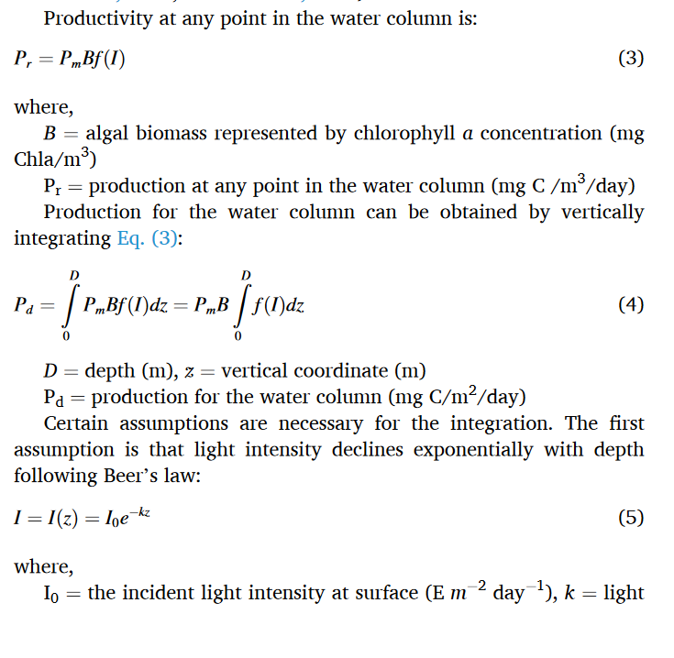
 |  |  |  |  |  |  |  |  |  |  |  |  |  |  |  |  |  |  |  |  |  |  | 37 | 0.95972826413 | 0.62914516141
 |  |  |  |  |  |  |  |  |  |  |  |  |  |  |  |  |  |  |  |  |  |  | 38 | 0.96614935424 | 0.64107696119
 |  |  |  |  |  |  |  |  |  |  |  |  |  |  |  |  |  |  |  |  |  |  | 39 | 0.97193984986 | 0.65270670596
 |  |  |  |  |  |  |  |  |  |  |  |  |  |  |  |  |  |  |  |  |  |  | 40 | 0.97712220653 | 0.66403677027
 |  |  |  |  |  |  |  |  |  |  |  |  |  |  |  |  |  |  |  |  |  |  | 41 | 0.98171823776 | 0.67506987484
 |  |  |  |  |  |  |  |  |  |  |  |  |  |  |  |  |  |  |  |  |  |  | 42 | 0.98574913163 | 0.68580906223
 |  |  |  |  |  |  |  |  |  |  |  |  |  |  |  |  |  |  |  |  |  |  | 43 | 0.98923546702 | 0.69625767269
 |  |  |  |  |  |  |  |  |  |  |  |  |  |  |  |  |  |  |  |  |  |  | 44 | 0.99219722939 | 0.7064193204
 |  |  |  |  |  |  |  |  |  |  |  |  |  |  |  |  |  |  |  |  |  |  | 45 | 0.99465382627 | 0.7162978702
 |  |  |  |  |  |  |  |  |  |  |  |  |  |  |  |  |  |  |  |  |  |  | 46 | 0.99662410226 | 0.72589741485
 |  |  |  |  |  |  |  |  |  |  |  |  |  |  |  |  |  |  |  |  |  |  | 47 | 0.99812635375 | 0.73522225292
 |  |  |  |  |  |  |  |  |  |  |  |  |  |  |  |  |  |  |  |  |  |  | 48 | 0.99917834322 | 0.74427686736
 |  |  |  |  |  |  |  |  |  |  |  |  |  |  |  |  |  |  |  |  |  |  | 49 | 0.99979731323 | 0.75306590487
 |  |  |  |  |  |  |  |  |  |  |  |  |  |  |  |  |  |  |  |  |  |  | 50 | 1 | 0.76159415596
 |  |  |  |  |  |  |  |  |  |  |  |  |  |  |  |  |  |  |  |  |  |  | 51 | 0.99980264677 | 0.76986653591
 |  |  |  |  |  |  |  |  |  |  |  |  |  |  |  |  |  |  |  |  |  |  | 52 | 0.99922101672 | 0.77788806658
 |  |  |  |  |  |  |  |  |  |  |  |  |  |  |  |  |  |  |  |  |  |  | 53 | 0.9982704056 | 0.78566385903
 |  |  |  |  |  |  |  |  |  |  |  |  |  |  |  |  |  |  |  |  |  |  | 54 | 0.9969656541 | 0.79319909708
 |  |  |  |  |  |  |  |  |  |  |  |  |  |  |  |  |  |  |  |  |  |  | 55 | 0.99532115984 | 0.80049902176
 |  |  |  |  |  |  |  |  |  |  |  |  |  |  |  |  |  |  |  |  |  |  | 56 | 0.99335088912 | 0.80756891658
 |  |  |  |  |  |  |  |  |  |  |  |  |  |  |  |  |  |  |  |  |  |  | 57 | 0.99106838835 | 0.81441409377
 |  |  |  |  |  |  |  |  |  |  |  |  |  |  |  |  |  |  |  |  |  |  | 58 | 0.9884867952 | 0.82103988133
 |  |  |  |  |  |  |  |  |  |  |  |  |  |  |  |  |  |  |  |  |  |  | 59 | 0.98561884947 | 0.82745161101
 |  |  |  |  |  |  |  |  |  |  |  |  |  |  |  |  |  |  |  |  |  |  | 60 | 0.98247690369 | 0.83365460701
 |  |  |  |  |  |  |  |  |  |  |  |  |  |  |  |  |  |  |  |  |  |  | 61 | 0.97907293351 | 0.83965417565
 |  |  |  |  |  |  |  |  |  |  |  |  |  |  |  |  |  |  |  |  |  |  | 62 | 0.97541854772 | 0.84545559573
 |  |  |  |  |  |  |  |  |  |  |  |  |  |  |  |  |  |  |  |  |  |  | 63 | 0.97152499811 | 0.85106410967
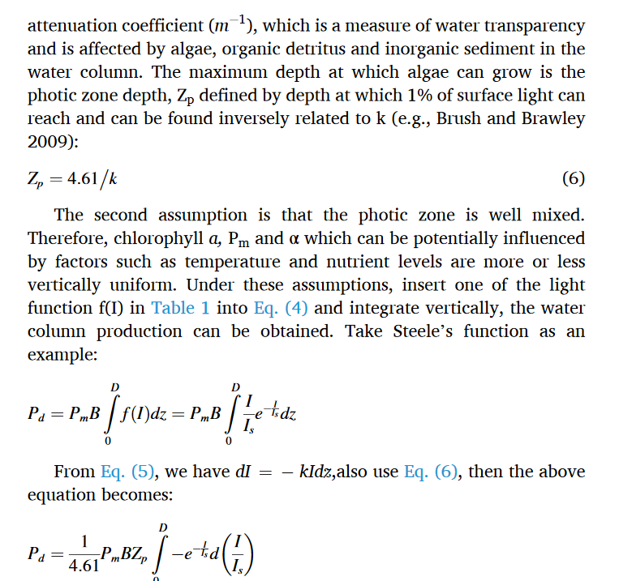
 |  |  |  |  |  |  |  |  |  |  |  |  |  |  |  |  |  |  |  |  |  |  | 64 | 0.96740318906 | 0.85648491547
 |  |  |  |  |  |  |  |  |  |  |  |  |  |  |  |  |  |  |  |  |  |  | 65 | 0.96306368689 | 0.86172315931
 |  |  |  |  |  |  |  |  |  |  |  |  |  |  |  |  |  |  |  |  |  |  | 66 | 0.95851672894 | 0.86678392885
 |  |  |  |  |  |  |  |  |  |  |  |  |  |  |  |  |  |  |  |  |  |  | 67 | 0.9537722325 | 0.87167224719
 |  |  |  |  |  |  |  |  |  |  |  |  |  |  |  |  |  |  |  |  |  |  | 68 | 0.94883980346 | 0.87639306747
 |  |  |  |  |  |  |  |  |  |  |  |  |  |  |  |  |  |  |  |  |  |  | 69 | 0.94372874471 | 0.88095126805
 |  |  |  |  |  |  |  |  |  |  |  |  |  |  |  |  |  |  |  |  |  |  | 70 | 0.93844806445 | 0.8853516482
 |  |  |  |  |  |  |  |  |  |  |  |  |  |  |  |  |  |  |  |  |  |  | 71 | 0.93300648414 | 0.88959892443
 |  |  |  |  |  |  |  |  |  |  |  |  |  |  |  |  |  |  |  |  |  |  | 72 | 0.92741244636 | 0.8936977272
 |  |  |  |  |  |  |  |  |  |  |  |  |  |  |  |  |  |  |  |  |  |  | 73 | 0.92167412244 | 0.89765259817
 |  |  |  |  |  |  |  |  |  |  |  |  |  |  |  |  |  |  |  |  |  |  | 74 | 0.91579941987 | 0.90146798783
 |  |  |  |  |  |  |  |  |  |  |  |  |  |  |  |  |  |  |  |  |  |  | 75 | 0.90979598957 | 0.90514825364
 |  |  |  |  |  |  |  |  |  |  |  |  |  |  |  |  |  |  |  |  |  |  | 76 | 0.90367123291 | 0.90869765843
 |  |  |  |  |  |  |  |  |  |  |  |  |  |  |  |  |  |  |  |  |  |  | 77 | 0.89743230866 | 0.91212036921
 |  |  |  |  |  |  |  |  |  |  |  |  |  |  |  |  |  |  |  |  |  |  | 78 | 0.8910861396 | 0.91542045632
 |  |  |  |  |  |  |  |  |  |  |  |  |  |  |  |  |  |  |  |  |  |  | 79 | 0.88463941917 | 0.91860189286
 |  |  |  |  |  |  |  |  |  |  |  |  |  |  |  |  |  |  |  |  |  |  | 80 | 0.87809861775 | 0.92166855441
 |  |  |  |  |  |  |  |  |  |  |  |  |  |  |  |  |  |  |  |  |  |  | 81 | 0.8714699889 | 0.92462421898
 |  |  |  |  |  |  |  |  |  |  |  |  |  |  |  |  |  |  |  |  |  |  | 82 | 0.86475957543 | 0.92747256725
 |  |  |  |  |  |  |  |  |  |  |  |  |  |  |  |  |  |  |  |  |  |  | 83 | 0.85797321526 | 0.93021718294
 |  |  |  |  |  |  |  |  |  |  |  |  |  |  |  |  |  |  |  |  |  |  | 84 | 0.85111654717 | 0.93286155344
 |  |  |  |  |  |  |  |  |  |  |  |  |  |  |  |  |  |  |  |  |  |  | 85 | 0.84419501645 | 0.9354090706
 |  |  |  |  |  |  |  |  |  |  |  |  |  |  |  |  |  |  |  |  |  |  | 86 | 0.83721388025 | 0.93786303168
 |  |  |  |  |  |  |  |  |  |  |  |  |  |  |  |  |  |  |  |  |  |  | 87 | 0.83017821301 | 0.94022664039
 |  |  |  |  |  |  |  |  |  |  |  |  |  |  |  |  |  |  |  |  |  |  | 88 | 0.82309291154 | 0.94250300815
 |  |  |  |  |  |  |  |  |  |  |  |  |  |  |  |  |  |  |  |  |  |  | 89 | 0.81596270012 | 0.94469515535
 |  |  |  |  |  |  |  |  |  |  |  |  |  |  |  |  |  |  |  |  |  |  | 90 | 0.80879213541 | 0.94680601285
 |  |  |  |  |  |  |  |  |  |  |  |  |  |  |  |  |  |  |  |  |  |  | 91 | 0.8015856112 | 0.94883842338
 |  |  |  |  |  |  |  |  |  |  |  |  |  |  |  |  |  |  |  |  |  |  | 92 | 0.79434736311 | 0.95079514319
 |  |  |  |  |  |  |  |  |  |  |  |  |  |  |  |  |  |  |  |  |  |  | 93 | 0.78708147311 | 0.95267884369
 |  |  |  |  |  |  |  |  |  |  |  |  |  |  |  |  |  |  |  |  |  |  | 94 | 0.77979187396 | 0.95449211307
 |  |  |  |  |  |  |  |  |  |  |  |  |  |  |  |  |  |  |  |  |  |  | 95 | 0.77248235351 | 0.95623745813
 |  |  |  |  |  |  |  |  |  |  |  |  |  |  |  |  |  |  |  |  |  |  | 96 | 0.76515655888 | 0.95791730596
 |  |  |  |  |  |  |  |  |  |  |  |  |  |  |  |  |  |  |  |  |  |  | 97 | 0.7578180006 | 0.95953400581
 |  |  |  |  |  |  |  |  |  |  |  |  |  |  |  |  |  |  |  |  |  |  | 98 | 0.75047005651 | 0.96108983086
 |  |  |  |  |  |  |  |  |  |  |  |  |  |  |  |  |  |  |  |  |  |  | 99 | 0.74311597573 | 0.96258698009
 |  |  |  |  |  |  |  |  |  |  |  |  |  |  |  |  |  |  |  |  |  |  | 100 | 0.73575888234 | 0.96402758008
 |  |  |  |  |  |  |  |  |  |  |  |  |  |  |  |  |  |  |  |  |  |  | 101 | 0.72840177915 | 0.96541368686
 |  |  |  |  |  |  |  |  |  |  |  |  |  |  |  |  |  |  |  |  |  |  | 102 | 0.7210475512 | 0.96674728778
 |  |  |  |  |  |  |  |  |  |  |  |  |  |  |  |  |  |  |  |  |  |  | 103 | 0.71369896928 | 0.96803030332
 |  |  |  |  |  |  |  |  |  |  |  |  |  |  |  |  |  |  |  |  |  |  | 104 | 0.70635869334 | 0.96926458887
 |  |  |  |  |  |  |  |  |  |  |  |  |  |  |  |  |  |  |  |  |  |  | 105 | 0.69902927577 | 0.97045193661
 |  |  |  |  |  |  |  |  |  |  |  |  |  |  |  |  |  |  |  |  |  |  | 106 | 0.6917131646 | 0.97159407725
 |  |  |  |  |  |  |  |  |  |  |  |  |  |  |  |  |  |  |  |  |  |  | 107 | 0.68441270669 | 0.97269268181
 |  |  |  |  |  |  |  |  |  |  |  |  |  |  |  |  |  |  |  |  |  |  | 108 | 0.67713015071 | 0.97374936333
 |  |  |  |  |  |  |  |  |  |  |  |  |  |  |  |  |  |  |  |  |  |  | 109 | 0.66986765015 | 0.97476567864
 |  |  |  |  |  |  |  |  |  |  |  |  |  |  |  |  |  |  |  |  |  |  | 110 | 0.66262726621 | 0.97574313003
 |  |  |  |  |  |  |  |  |  |  |  |  |  |  |  |  |  |  |  |  |  |  | 111 | 0.65541097057 | 0.97668316689
 |  |  |  |  |  |  |  |  |  |  |  |  |  |  |  |  |  |  |  |  |  |  | 112 | 0.64822064818 | 0.97758718736
 |  |  |  |  |  |  |  |  |  |  |  |  |  |  |  |  |  |  |  |  |  |  | 113 | 0.64105809989 | 0.97845653991
 |  |  |  |  |  |  |  |  |  |  |  |  |  |  |  |  |  |  |  |  |  |  | 114 | 0.63392504503 | 0.97929252494
 |  |  |  |  |  |  |  |  |  |  |  |  |  |  |  |  |  |  |  |  |  |  | 115 | 0.62682312398 | 0.98009639627
 |  |  |  |  |  |  |  |  |  |  |  |  |  |  |  |  |  |  |  |  |  |  | 116 | 0.61975390056 | 0.98086936266
 |  |  |  |  |  |  |  |  |  |  |  |  |  |  |  |  |  |  |  |  |  |  | 117 | 0.61271886448 | 0.98161258927
 |  |  |  |  |  |  |  |  |  |  |  |  |  |  |  |  |  |  |  |  |  |  | 118 | 0.60571943361 | 0.98232719908
 |  |  |  |  |  |  |  |  |  |  |  |  |  |  |  |  |  |  |  |  |  |  | 119 | 0.59875695628 | 0.9830142743
 |  |  |  |  |  |  |  |  |  |  |  |  |  |  |  |  |  |  |  |  |  |  | 120 | 0.59183271346 | 0.98367485769
 |  |  |  |  |  |  |  |  |  |  |  |  |  |  |  |  |  |  |  |  |  |  | 121 | 0.58494792089 | 0.98430995394
 |  |  |  |  |  |  |  |  |  |  |  |  |  |  |  |  |  |  |  |  |  |  | 122 | 0.57810373118 | 0.98492053088
 |  |  |  |  |  |  |  |  |  |  |  |  |  |  |  |  |  |  |  |  |  |  | 123 | 0.57130123584 | 0.98550752081
 |  |  |  |  |  |  |  |  |  |  |  |  |  |  |  |  |  |  |  |  |  |  | 124 | 0.56454146719 | 0.98607182164
 |  |  |  |  |  |  |  |  |  |  |  |  |  |  |  |  |  |  |  |  |  |  | 125 | 0.55782540037 | 0.98661429815
 |  |  |  |  |  |  |  |  |  |  |  |  |  |  |  |  |  |  |  |  |  |  | 126 | 0.55115395512 | 0.98713578307
 |  |  |  |  |  |  |  |  |  |  |  |  |  |  |  |  |  |  |  |  |  |  | 127 | 0.54452799762 | 0.98763707822
 |  |  |  |  |  |  |  |  |  |  |  |  |  |  |  |  |  |  |  |  |  |  | 128 | 0.53794834227 | 0.9881189556
 |  |  |  |  |  |  |  |  |  |  |  |  |  |  |  |  |  |  |  |  |  |  | 129 | 0.53141575337 | 0.98858215845
 |  |  |  |  |  |  |  |  |  |  |  |  |  |  |  |  |  |  |  |  |  |  | 130 | 0.52493094679 | 0.9890274022
 |  |  |  |  |  |  |  |  |  |  |  |  |  |  |  |  |  |  |  |  |  |  | 131 | 0.5184945916 | 0.98945537555
 |  |  |  |  |  |  |  |  |  |  |  |  |  |  |  |  |  |  |  |  |  |  | 132 | 0.51210731165 | 0.98986674133
 |  |  |  |  |  |  |  |  |  |  |  |  |  |  |  |  |  |  |  |  |  |  | 133 | 0.50576968707 | 0.99026213751
 |  |  |  |  |  |  |  |  |  |  |  |  |  |  |  |  |  |  |  |  |  |  | 134 | 0.49948225579 | 0.99064217803
 |  |  |  |  |  |  |  |  |  |  |  |  |  |  |  |  |  |  |  |  |  |  | 135 | 0.49324551494 | 0.99100745368
 |  |  |  |  |  |  |  |  |  |  |  |  |  |  |  |  |  |  |  |  |  |  | 136 | 0.48705992232 | 0.99135853296
 |  |  |  |  |  |  |  |  |  |  |  |  |  |  |  |  |  |  |  |  |  |  | 137 | 0.48092589769 | 0.99169596287
 |  |  |  |  |  |  |  |  |  |  |  |  |  |  |  |  |  |  |  |  |  |  | 138 | 0.47484382415 | 0.9920202697
 |  |  |  |  |  |  |  |  |  |  |  |  |  |  |  |  |  |  |  |  |  |  | 139 | 0.46881404941 | 0.99233195978
 |  |  |  |  |  |  |  |  |  |  |  |  |  |  |  |  |  |  |  |  |  |  | 140 | 0.46283688702 | 0.9926315202
 |  |  |  |  |  |  |  |  |  |  |  |  |  |  |  |  |  |  |  |  |  |  | 141 | 0.45691261763 | 0.99291941956
 |  |  |  |  |  |  |  |  |  |  |  |  |  |  |  |  |  |  |  |  |  |  | 142 | 0.45104149014 | 0.99319610859
 |  |  |  |  |  |  |  |  |  |  |  |  |  |  |  |  |  |  |  |  |  |  | 143 | 0.44522372285 | 0.99346202088
 |  |  |  |  |  |  |  |  |  |  |  |  |  |  |  |  |  |  |  |  |  |  | 144 | 0.43945950458 | 0.99371757343
 |  |  |  |  |  |  |  |  |  |  |  |  |  |  |  |  |  |  |  |  |  |  | 145 | 0.43374899575 | 0.99396316735
 |  |  |  |  |  |  |  |  |  |  |  |  |  |  |  |  |  |  |  |  |  |  | 146 | 0.42809232942 | 0.9941991884
 |  |  |  |  |  |  |  |  |  |  |  |  |  |  |  |  |  |  |  |  |  |  | 147 | 0.42248961235 | 0.99442600756
 |  |  |  |  |  |  |  |  |  |  |  |  |  |  |  |  |  |  |  |  |  |  | 148 | 0.41694092593 | 0.99464398163
 |  |  |  |  |  |  |  |  |  |  |  |  |  |  |  |  |  |  |  |  |  |  | 149 | 0.41144632719 | 0.99485345369
 |  |  |  |  |  |  |  |  |  |  |  |  |  |  |  |  |  |  |  |  |  |  | 150 | 0.40600584971 | 0.99505475369
 |  |  |  |  |  |  |  |  |  |  |  |  |  |  |  |  |  |  |  |  |  |  | 151 | 0.40061950454 | 0.99524819887
 |  |  |  |  |  |  |  |  |  |  |  |  |  |  |  |  |  |  |  |  |  |  | 152 | 0.39528728107 | 0.99543409429
 |  |  |  |  |  |  |  |  |  |  |  |  |  |  |  |  |  |  |  |  |  |  | 153 | 0.39000914788 | 0.99561273329
 |  |  |  |  |  |  |  |  |  |  |  |  |  |  |  |  |  |  |  |  |  |  | 154 | 0.38478505357 | 0.99578439788
 |  |  |  |  |  |  |  |  |  |  |  |  |  |  |  |  |  |  |  |  |  |  | 155 | 0.37961492758 | 0.99594935922
 |  |  |  |  |  |  |  |  |  |  |  |  |  |  |  |  |  |  |  |  |  |  | 156 | 0.37449868096 | 0.99610787803
 |  |  |  |  |  |  |  |  |  |  |  |  |  |  |  |  |  |  |  |  |  |  | 157 | 0.36943620709 | 0.99626020495
 |  |  |  |  |  |  |  |  |  |  |  |  |  |  |  |  |  |  |  |  |  |  | 158 | 0.36442738248 | 0.99640658094
 |  |  |  |  |  |  |  |  |  |  |  |  |  |  |  |  |  |  |  |  |  |  | 159 | 0.35947206744 | 0.99654723767
 |  |  |  |  |  |  |  |  |  |  |  |  |  |  |  |  |  |  |  |  |  |  | 160 | 0.35457010676 | 0.99668239784
 |  |  |  |  |  |  |  |  |  |  |  |  |  |  |  |  |  |  |  |  |  |  | 161 | 0.34972133042 | 0.99681227554
 |  |  |  |  |  |  |  |  |  |  |  |  |  |  |  |  |  |  |  |  |  |  | 162 | 0.34492555419 | 0.99693707659
 |  |  |  |  |  |  |  |  |  |  |  |  |  |  |  |  |  |  |  |  |  |  | 163 | 0.3401825803 | 0.99705699881
 |  |  |  |  |  |  |  |  |  |  |  |  |  |  |  |  |  |  |  |  |  |  | 164 | 0.33549219803 | 0.99717223238
 |  |  |  |  |  |  |  |  |  |  |  |  |  |  |  |  |  |  |  |  |  |  | 165 | 0.33085418429 | 0.9972829601
 |  |  |  |  |  |  |  |  |  |  |  |  |  |  |  |  |  |  |  |  |  |  | 166 | 0.32626830421 | 0.99738935769
 |  |  |  |  |  |  |  |  |  |  |  |  |  |  |  |  |  |  |  |  |  |  | 167 | 0.32173431169 | 0.99749159406
 |  |  |  |  |  |  |  |  |  |  |  |  |  |  |  |  |  |  |  |  |  |  | 168 | 0.31725194994 | 0.99758983153
 |  |  |  |  |  |  |  |  |  |  |  |  |  |  |  |  |  |  |  |  |  |  | 169 | 0.31282095198 | 0.99768422616
 |  |  |  |  |  |  |  |  |  |  |  |  |  |  |  |  |  |  |  |  |  |  | 170 | 0.30844104118 | 0.99777492793
 |  |  |  |  |  |  |  |  |  |  |  |  |  |  |  |  |  |  |  |  |  |  | 171 | 0.30411193171 | 0.997862081
 |  |  |  |  |  |  |  |  |  |  |  |  |  |  |  |  |  |  |  |  |  |  | 172 | 0.29983332903 | 0.9979458239
 |  |  |  |  |  |  |  |  |  |  |  |  |  |  |  |  |  |  |  |  |  |  | 173 | 0.29560493035 | 0.99802628981
 |  |  |  |  |  |  |  |  |  |  |  |  |  |  |  |  |  |  |  |  |  |  | 174 | 0.29142642506 | 0.99810360671
 |  |  |  |  |  |  |  |  |  |  |  |  |  |  |  |  |  |  |  |  |  |  | 175 | 0.28729749518 | 0.99817789761
 |  |  |  |  |  |  |  |  |  |  |  |  |  |  |  |  |  |  |  |  |  |  | 176 | 0.28321781576 | 0.99824928073
 |  |  |  |  |  |  |  |  |  |  |  |  |  |  |  |  |  |  |  |  |  |  | 177 | 0.27918705526 | 0.99831786968
 |  |  |  |  |  |  |  |  |  |  |  |  |  |  |  |  |  |  |  |  |  |  | 178 | 0.27520487598 | 0.99838377365
 |  |  |  |  |  |  |  |  |  |  |  |  |  |  |  |  |  |  |  |  |  |  | 179 | 0.2712709344 | 0.99844709758
 |  |  |  |  |  |  |  |  |  |  |  |  |  |  |  |  |  |  |  |  |  |  | 180 | 0.26738488157 | 0.99850794233
 |  |  |  |  |  |  |  |  |  |  |  |  |  |  |  |  |  |  |  |  |  |  | 181 | 0.26354636344 | 0.99856640481
 |  |  |  |  |  |  |  |  |  |  |  |  |  |  |  |  |  |  |  |  |  |  | 182 | 0.25975502119 | 0.99862257817
 |  |  |  |  |  |  |  |  |  |  |  |  |  |  |  |  |  |  |  |  |  |  | 183 | 0.25601049159 | 0.99867655191
 |  |  |  |  |  |  |  |  |  |  |  |  |  |  |  |  |  |  |  |  |  |  | 184 | 0.25231240729 | 0.99872841206
 |  |  |  |  |  |  |  |  |  |  |  |  |  |  |  |  |  |  |  |  |  |  | 185 | 0.24866039714 | 0.99877824128
 |  |  |  |  |  |  |  |  |  |  |  |  |  |  |  |  |  |  |  |  |  |  | 186 | 0.24505408647 | 0.99882611901
 |  |  |  |  |  |  |  |  |  |  |  |  |  |  |  |  |  |  |  |  |  |  | 187 | 0.24149309738 | 0.99887212158
 |  |  |  |  |  |  |  |  |  |  |  |  |  |  |  |  |  |  |  |  |  |  | 188 | 0.23797704903 | 0.99891632237
 |  |  |  |  |  |  |  |  |  |  |  |  |  |  |  |  |  |  |  |  |  |  | 189 | 0.23450555789 | 0.99895879185
 |  |  |  |  |  |  |  |  |  |  |  |  |  |  |  |  |  |  |  |  |  |  | 190 | 0.23107823798 | 0.99899959779
 |  |  |  |  |  |  |  |  |  |  |  |  |  |  |  |  |  |  |  |  |  |  | 191 | 0.22769470115 | 0.99903880527
 |  |  |  |  |  |  |  |  |  |  |  |  |  |  |  |  |  |  |  |  |  |  | 192 | 0.2243545573 | 0.99907647685
 |  |  |  |  |  |  |  |  |  |  |  |  |  |  |  |  |  |  |  |  |  |  | 193 | 0.22105741462 | 0.99911267264
 |  |  |  |  |  |  |  |  |  |  |  |  |  |  |  |  |  |  |  |  |  |  | 194 | 0.2178028798 | 0.99914745041
 |  |  |  |  |  |  |  |  |  |  |  |  |  |  |  |  |  |  |  |  |  |  | 195 | 0.21459055822 | 0.99918086567
 |  |  |  |  |  |  |  |  |  |  |  |  |  |  |  |  |  |  |  |  |  |  | 196 | 0.21142005422 | 0.99921297175
 |  |  |  |  |  |  |  |  |  |  |  |  |  |  |  |  |  |  |  |  |  |  | 197 | 0.20829097123 | 0.9992438199
 |  |  |  |  |  |  |  |  |  |  |  |  |  |  |  |  |  |  |  |  |  |  | 198 | 0.205202912 | 0.99927345937
 |  |  |  |  |  |  |  |  |  |  |  |  |  |  |  |  |  |  |  |  |  |  | 199 | 0.20215547878 | 0.9993019375
 |  |  |  |  |  |  |  |  |  |  |  |  |  |  |  |  |  |  |  |  |  |  | 200 | 0.19914827347 | 0.99932929974
 |  |  |  |  |  |  |  |  |  |  |  |  |  |  |  |  |  |  |  |  |  |  | 201 | 0.19618089782 | 0.9993555898
 |  |  |  |  |  |  |  |  |  |  |  |  |  |  |  |  |  |  |  |  |  |  | 202 | 0.19325295356 | 0.99938084966
 |  |  |  |  |  |  |  |  |  |  |  |  |  |  |  |  |  |  |  |  |  |  | 203 | 0.19036404259 | 0.99940511967
 |  |  |  |  |  |  |  |  |  |  |  |  |  |  |  |  |  |  |  |  |  |  | 204 | 0.18751376713 | 0.9994284386
 |  |  |  |  |  |  |  |  |  |  |  |  |  |  |  |  |  |  |  |  |  |  | 205 | 0.18470172981 | 0.99945084369
 |  |  |  |  |  |  |  |  |  |  |  |  |  |  |  |  |  |  |  |  |  |  | 206 | 0.18192753389 | 0.99947237073
 |  |  |  |  |  |  |  |  |  |  |  |  |  |  |  |  |  |  |  |  |  |  | 207 | 0.17919078331 | 0.99949305413
 |  |  |  |  |  |  |  |  |  |  |  |  |  |  |  |  |  |  |  |  |  |  | 208 | 0.17649108289 | 0.99951292692
 |  |  |  |  |  |  |  |  |  |  |  |  |  |  |  |  |  |  |  |  |  |  | 209 | 0.17382803841 | 0.99953202086
 |  |  |  |  |  |  |  |  |  |  |  |  |  |  |  |  |  |  |  |  |  |  | 210 | 0.17120125671 | 0.99955036646
 |  |  |  |  |  |  |  |  |  |  |  |  |  |  |  |  |  |  |  |  |  |  | 211 | 0.16861034586 | 0.99956799303
 |  |  |  |  |  |  |  |  |  |  |  |  |  |  |  |  |  |  |  |  |  |  | 212 | 0.16605491522 | 0.99958492875
 |  |  |  |  |  |  |  |  |  |  |  |  |  |  |  |  |  |  |  |  |  |  | 213 | 0.16353457555 | 0.99960120069
 |  |  |  |  |  |  |  |  |  |  |  |  |  |  |  |  |  |  |  |  |  |  | 214 | 0.16104893913 | 0.99961683483
 |  |  |  |  |  |  |  |  |  |  |  |  |  |  |  |  |  |  |  |  |  |  | 215 | 0.15859761983 | 0.99963185619
 |  |  |  |  |  |  |  |  |  |  |  |  |  |  |  |  |  |  |  |  |  |  | 216 | 0.15618023318 | 0.99964628876
 |  |  |  |  |  |  |  |  |  |  |  |  |  |  |  |  |  |  |  |  |  |  | 217 | 0.15379639651 | 0.99966015562
 |  |  |  |  |  |  |  |  |  |  |  |  |  |  |  |  |  |  |  |  |  |  | 218 | 0.151445729 | 0.99967347893
 |  |  |  |  |  |  |  |  |  |  |  |  |  |  |  |  |  |  |  |  |  |  | 219 | 0.14912785174 | 0.99968628
 |  |  |  |  |  |  |  |  |  |  |  |  |  |  |  |  |  |  |  |  |  |  | 220 | 0.14684238783 | 0.99969857928
 |  |  |  |  |  |  |  |  |  |  |  |  |  |  |  |  |  |  |  |  |  |  | 221 | 0.14458896243 | 0.99971039645
 |  |  |  |  |  |  |  |  |  |  |  |  |  |  |  |  |  |  |  |  |  |  | 222 | 0.14236720286 | 0.99972175039
 |  |  |  |  |  |  |  |  |  |  |  |  |  |  |  |  |  |  |  |  |  |  | 223 | 0.1401767386 | 0.99973265925
 |  |  |  |  |  |  |  |  |  |  |  |  |  |  |  |  |  |  |  |  |  |  | 224 | 0.13801720143 | 0.99974314049
 |  |  |  |  |  |  |  |  |  |  |  |  |  |  |  |  |  |  |  |  |  |  | 225 | 0.1358882254 | 0.99975321085
 |  |  |  |  |  |  |  |  |  |  |  |  |  |  |  |  |  |  |  |  |  |  | 226 | 0.13378944696 | 0.99976288644
 |  |  |  |  |  |  |  |  |  |  |  |  |  |  |  |  |  |  |  |  |  |  | 227 | 0.13172050495 | 0.99977218274
 |  |  |  |  |  |  |  |  |  |  |  |  |  |  |  |  |  |  |  |  |  |  | 228 | 0.1296810407 | 0.9997811146
 |  |  |  |  |  |  |  |  |  |  |  |  |  |  |  |  |  |  |  |  |  |  | 229 | 0.12767069801 | 0.99978969632
 |  |  |  |  |  |  |  |  |  |  |  |  |  |  |  |  |  |  |  |  |  |  | 230 | 0.12568912326 | 0.99979794161
 |  |  |  |  |  |  |  |  |  |  |  |  |  |  |  |  |  |  |  |  |  |  | 231 | 0.1237359654 | 0.99980586367
 |  |  |  |  |  |  |  |  |  |  |  |  |  |  |  |  |  |  |  |  |  |  | 232 | 0.121810876 | 0.99981347515
 |  |  |  |  |  |  |  |  |  |  |  |  |  |  |  |  |  |  |  |  |  |  | 233 | 0.1199135093 | 0.99982078824
 |  |  |  |  |  |  |  |  |  |  |  |  |  |  |  |  |  |  |  |  |  |  | 234 | 0.11804352223 | 0.99982781463
 |  |  |  |  |  |  |  |  |  |  |  |  |  |  |  |  |  |  |  |  |  |  | 235 | 0.11620057441 | 0.99983456555
 |  |  |  |  |  |  |  |  |  |  |  |  |  |  |  |  |  |  |  |  |  |  | 236 | 0.11438432823 | 0.99984105182
 |  |  |  |  |  |  |  |  |  |  |  |  |  |  |  |  |  |  |  |  |  |  | 237 | 0.11259444884 | 0.99984728379
 |  |  |  |  |  |  |  |  |  |  |  |  |  |  |  |  |  |  |  |  |  |  | 238 | 0.11083060418 | 0.99985327144
 |  |  |  |  |  |  |  |  |  |  |  |  |  |  |  |  |  |  |  |  |  |  | 239 | 0.10909246501 | 0.99985902434
 |  |  |  |  |  |  |  |  |  |  |  |  |  |  |  |  |  |  |  |  |  |  | 240 | 0.10737970491 | 0.9998645517
 |  |  |  |  |  |  |  |  |  |  |  |  |  |  |  |  |  |  |  |  |  |  | 241 | 0.10569200031 | 0.99986986236
 |  |  |  |  |  |  |  |  |  |  |  |  |  |  |  |  |  |  |  |  |  |  | 242 | 0.10402903051 | 0.99987496481
 |  |  |  |  |  |  |  |  |  |  |  |  |  |  |  |  |  |  |  |  |  |  | 243 | 0.10239047768 | 0.99987986722
 |  |  |  |  |  |  |  |  |  |  |  |  |  |  |  |  |  |  |  |  |  |  | 244 | 0.10077602689 | 0.99988457742
 |  |  |  |  |  |  |  |  |  |  |  |  |  |  |  |  |  |  |  |  |  |  | 245 | 0.099185366084 | 0.99988910295
 |  |  |  |  |  |  |  |  |  |  |  |  |  |  |  |  |  |  |  |  |  |  | 246 | 0.097618186142 | 0.99989345105
 |  |  |  |  |  |  |  |  |  |  |  |  |  |  |  |  |  |  |  |  |  |  | 247 | 0.096074180842 | 0.99989762868
 |  |  |  |  |  |  |  |  |  |  |  |  |  |  |  |  |  |  |  |  |  |  | 248 | 0.094553046886 | 0.99990164252
 |  |  |  |  |  |  |  |  |  |  |  |  |  |  |  |  |  |  |  |  |  |  | 249 | 0.093054483902 | 0.99990549899
 |  |  |  |  |  |  |  |  |  |  |  |  |  |  |  |  |  |  |  |  |  |  | 250 | 0.091578194444 | 0.99990920426

Old - JB experiments
 |  |  |  |  |  |  |  |  |  | Polynamial | Expontenial | Salinity | Multiplier
 |  |  |  |  |  |  |  |  | a | 0.0000336 | 0.0000128 | 20 | 1
 |  |  |  |  |  | CW Equation |  |  | b | 0.0009527 | 0.6392019 | 15 | 0.2
Mixing Layer thickness | 5 | Original Eqn (Sarmiento & Gruber, 2016) - irradiance at depth z | average Irradiance from 0 - 10 m |  |  | Ibar = Io(1-exp(-K*Z))/Z |  | Salinity | c | 0.0096897 |  | 10 | 0.05
Irradiance at I0 | 100 | PAR mean = I0exp(integral_0toml(-K*z)) |  |  | Olson eqn | Ibar = Io(1-exp(-K*Z))/(K*Z) |  | 10 | d | 0.0325932 |  | 5 | 0.005
K | 0.5 | 8.2084998624 | depth | _-K*z | irradiance |  |  | w exp Salinity Modifier | e | 0.0238236 |  | 1 | 0.000001
 |  |  | 1 | -0.5 | 60.653065971 |  | 78.693868057 | 0.60140833448
mixing depth | 2 |  | 2 | -1 | 36.787944117 |  | 63.212055883 | 0.48309046418
 |  |  | 3 | -1.5 | 22.313016015 |  | 51.791322657 | 0.39580889679
 |  |  | 4 | -2 | 13.533528324 |  | 43.233235838 | 0.33040475709
 |  |  | 5 | -2.5 | 8.2084998624 |  | 36.716600055 | 0.28060215913
 |  |  | 6 | -3 | 4.9787068368 |  | 31.673764388 | 0.24206289966 | Salinity | Polynomial | Exponential
 |  |  | 7 | -3.5 | 3.0197383422 |  | 27.708646188 | 0.21175996512 | 0 | 0.0238236 | 0.0000128
 |  |  | 8 | -4 | 1.8315638889 |  | 24.542109028 | 0.18756008923 | 1 | 0.000001 | 2.4255589142E-05
 |  |  | 9 | -4.5 | 1.1108996538 |  | 21.975355632 | 0.16794398797 | 2 | -0.009688 | 4.5963562863E-05
 |  |  | 10 | -5 | 0.67379469991 |  | 19.86524106 | 0.15181769349 | 3 | -0.00975 | 8.7099476275E-05
 |  |  |  |  |  |  |  |  | 4 | -0.0038852 | 0.0001650507118
 |  |  | average | -2.75 | 15.311075771 |  |  |  | 5 | 0.0050126 | 0.00031276580102
 |  |  |  |  |  |  |  |  | 6 | 0.014856 | 0.0005926811537
Fit Exponential Light Multiplier
 |  |  |  |  |  |  |  |  | 7 | 0.024364 | 0.0011231117622
 |  |  |  |  |  |  |  |  | 8 | 0.033062 | 0.0021282607395
 |  |  |  |  |  |  |  |  | 9 | 0.0412818 | 0.0040329857879
 |  |  |  |  |  |  |  |  | 10 | 0.0501616 | 0.0076423786164
 |  |  |  |  |  |  |  |  | 11 | 0.061646 | 0.014482062171
 |  |  |  |  |  |  |  |  | 12 | 0.078486 | 0.027443042965
 |  |  |  |  |  |  |  |  | 13 | 0.104239 | 0.052003685545
 |  |  |  |  |  |  |  |  | 14 | 0.1432688 | 0.098545314881
 |  |  |  |  |  |  |  |  | 15 | 0.2007456 | 0.18674020857
 |  |  |  |  |  |  |  |  | 16 | 0.282646 | 0.3538667012
 |  |  |  |  |  |  |  |  | 17 | 0.395753 | 0.67056604028
 |  |  |  |  |  |  |  |  | 18 | 0.547656 | 1.2707011223
 |  |  |  |  |  |  |  |  | 19 | 0.7467508 | 2.4079378395
 |  |  |  |  |  |  |  |  | 20 | 1.0022396 | 4.5629649153
Fit 4th order polynomial Light multiplier
 |  |  |  |  |  |  |  |  | 21 | 1.324131 | 8.6466720513
 |  |  |  |  |  |  |  |  | 22 | 1.72324 | 16.385165994
 |  |  |  |  |  |  |  |  | 23 | 2.211188 | 31.049363624
 |  |  |  |  |  |  |  |  | 24 | 2.8004028 | 58.837547437
 |  |  |  |  |  |  |  |  | 25 | 3.5041186 | 111.49526381
 |  |  |  |  |  |  |  |  | 26 | 4.336376 | 211.27994612
 |  |  |  |  |  |  |  |  | 27 | 5.312022 | 400.36871618
 |  |  |  |  |  |  |  |  | 28 | 6.44671 | 758.68586602
 |  |  |  |  |  |  |  |  | 29 | 7.7568998 | 1437.6853636
 |  |  |  |  |  |  |  |  | 30 | 9.2598576 | 2724.3676169
 |  |  |  |  |  |  |  |  | 31 | 10.973656 | 5162.5891865
 |  |  |  |  |  |  |  |  | 32 | 12.917174 | 9782.9407984
 |  |  |  |  |  |  |  |  | 33 | 15.110097 | 18538.358798
 |  |  |  |  |  |  |  |  | 34 | 17.5729168 | 35129.594873
 |  |  |  |  |  |  |  |  | 35 | 20.3269316 | 66569.454685

