Sheet1
Station | Note | Lat | Lon | Ecospace_Row | Ecospace_Col | K_Loos_Apr_1 | K_Loos_Apr_2 | K_Loos_Apr_avg | K_Loos_Jul_1 | K_Loos_Jul_2 | K_Loos_Jul_avg | K_NEMO_Apr | K_NEMO_Jul | delta Apr | sq delt Apr | delta Jul | sq delt Jul | ERA5 Apr | ERA5 Jul | NEMO mixingz Apr | NEMO mixingz Jul | PAR Apr Loos | PAR Apr Mine | PAR Jul Loos | PAR Jul Mine
S1-1 |  |  |  | 123 | 58 | 0.361 | 0.356 | 0.3585 | 0.306 | 0.308 | 0.307 | 0.19 | 0.31 | -0.1685 | 0.02839225 | 0.003 | 0.000009 | 186 | 288 | 10.3 | 10 | 20.2 | 33.5 | 36.7 | 36.4 | pPar | 0.44 | Loos, E., Costa, M., & Johannessen, S. (2017). Underwater optical environment in the coastal waters of British Columbia, Canada. Facets, 2(2), 872–891. https://doi.org/10.1139/facets-2017-0074
S1 |  |  |  | 125 | 51 | 0.288 | 0.288 | 0.288 | 0.232 | 0.232 | 0.232 | 0.2 | 0.31 | -0.088 | 0.007744 | 0.078 | 0.006084 | 186 | 290 | 13.1 | 11.1 | 19.8 | 27 | 42.7 | 33.5 | alb | 0.067 | data collected and analyzed for Apr and Jul 2006
S2-1 |  |  |  | 114 | 44 | 0.169 | 0.169 | 0.169 | 0.286 | 0.291 | 0.2885 | 0.23 | 0.37 | 0.061 | 0.003721 | 0.0815 | 0.00664225 | 182 | 286 | 10.1 | 10.1 | 35.8 | 29 | 38.1 | 30.7 | z mixing assumed | 10
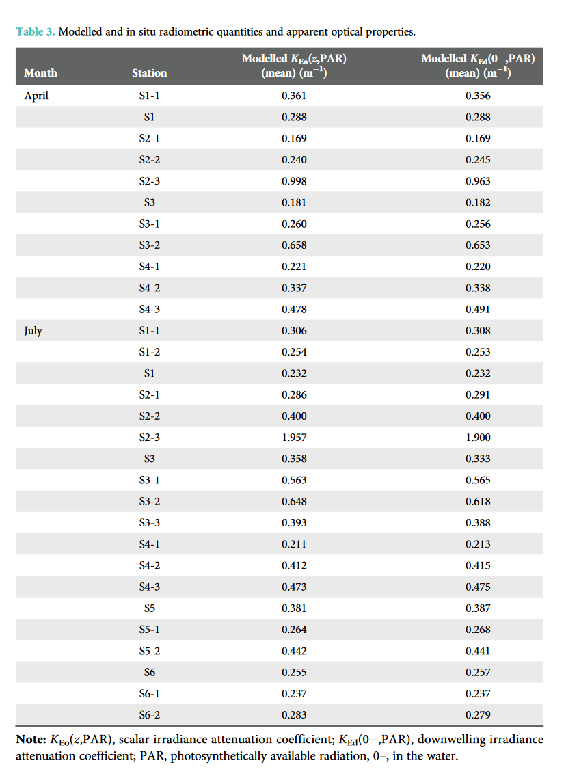
S2-2 |  |  |  | 115 | 49 | 0.24 | 0.245 | 0.2425 |  |  |  | 0.25 |  | 0.0075 | 0.00005625 |  |  | 182 |  | 10.1 |  | 27.9 | 27.2
S2-3 | just outside plume mask; excluding outlier |  |  | 111 | 56 | 0.998 | 0.963 | 0.9805 | 1.957 | 1.9 | 1.9285 |  | 0.39
S3 |  |  |  | 101 | 44 | 0.181 | 0.182 | 0.1815 | 0.358 | 0.333 | 0.3455 | 0.25 | 0.38 | 0.0685 | 0.00469225 | 0.0345 | 0.00119025 | 180 | 282 | 10.1 | 10 | 33.9 | 26.9 | 32.4 | 29.8 |  | Olson's method of depth integration to get avg PAR to mixing depth
S3-1 |  |  |  | 105 | 53 | 0.26 | 0.256 | 0.258 | 0.563 | 0.565 | 0.564 | 0.26 | 0.41 | 0.002 | 0.000004 | -0.154 | 0.023716 | 181 | 282 | 10.2 | 10 | 26.2 | 26 | 20.5 | 27.8 |  | PAR equation = (L_downwave_in * (1 - albedo) * proportion used by PP) * (1 - e^(-K * mixing_Z) / (K * mixing_Z)
S3-2 | in plume mask |  |  | 107 | 65 | 0.658 | 0.653 | 0.6555 | 0.648 | 0.618 | 0.633 |  |  |  |  |  |  |  |  |  |  |  |  |  |  |  | this is an integration of the calc used to get PAR at a depth
S4-1 |  |  |  | 91 | 41 | 0.221 | 0.22 | 0.2205 | 0.211 | 0.213 | 0.212 | 0.24 | 0.38 | 0.0195 | 0.00038025 | 0.168 | 0.028224 | 179 | 279 | 10.1 | 10 | 29.4 | 27.6 | 47.5 | 29.5
S4-2 |  |  |  | 96 | 48 | 0.337 | 0.338 | 0.3375 | 0.412 | 0.415 | 0.4135 | 0.28 | 0.42 | -0.0575 | 0.00330625 | 0.0065 | 0.00004225 | 179 | 280 | 10 | 10 | 21 | 24.6 | 27.4 | 27
S4-3 |  |  |  | 98 | 65 | 0.478 | 0.491 | 0.4845 | 0.473 | 0.475 | 0.474 | 0.32 | 0.52 | -0.1645 | 0.02706025 | 0.046 | 0.002116 | 179 | 276 | 10 | 10 | 15 | 22 | 23.7 | 21.7
S1-2 |  |  |  | 121 | 54 |  |  |  | 0.254 | 0.253 | 0.2535 |  | 0.35 |  |  | 0.0965 | 0.00931225 |  | 289 |  | 10 |  |  | 43.1 | 32.9
S2-2 |  |  |  | 119 | 51 |  |  |  | 0.4 | 0.4 | 0.4 |  | 0.37 |  |  | -0.03 | 0.0009 |  | 288 |  | 10 |  |  | 29 | 31.2
S3-3 |  |  |  | 100 | 51 |  |  |  | 0.393 | 0.388 | 0.3905 |  | 0.41 |  |  | 0.0195 | 0.00038025 |  | 281 |  | 10 |  |  | 28.9 | 27.7
S5 |  |  |  | 83 | 44 |  |  |  | 0.381 | 0.387 | 0.384 |  | 0.4 |  |  | 0.016 | 0.000256 |  | 276 |  | 10 |  |  | 28.9 | 27.8
S5-1 |  |  |  | 86 | 52 |  |  |  | 0.264 | 0.268 | 0.266 |  | 0.43 |  |  | 0.164 | 0.026896 |  | 276 |  | 10 |  |  | 39.6 | 26
S5-2 |  |  |  | 72 | 37 |  |  |  | 0.442 | 0.441 | 0.4415 |  | 0.33 |  |  | -0.1115 | 0.01243225 |  | 272 |  | 10 |  |  | 25 | 32.6
S6 |  |  |  | 68 | 23 |  |  |  | 0.255 | 0.257 | 0.256 |  | 0.27 |  |  | 0.014 | 0.000196 |  | 268 |  | 10 |  |  | 39.7 | 38
S6-1 |  |  |  | 56 | 17 |  |  |  | 0.237 | 0.237 | 0.237 |  | 0.26 |  |  | 0.023 | 0.000529 |  | 262 |  | 10 |  |  | 41.1 | 38.3
S6-2 |  |  |  | 48 | 17 |  |  |  | 0.283 | 0.279 | 0.281 |  | 0.26 |  |  | -0.021 | 0.000441 |  | 259 |  | 10 |  |  | 35.6 | 37.9
 |  |  |  |  |  |  | Avg | 0.31955 |  |  | 0.35438888889 | 0.24666666667 | 0.365 | RMSE | 0.0915037947 |  | 0.083794742219
 |  |  |  |  |  |  |  |  |  |  |  |  |  | Bias | -0.035555555556 |  | 0.025529411765

Obs vs K predicted - Apr & July 2006
 | K NEMO vs Obs Jul |  | K NEMO Obs Apr
0.307 | 0.31 | 0.3585 | 0.307
0.232 | 0.31 | 0.288 | 0.232
0.2885 | 0.37 | 0.169 | 0.2885
 |  | 0.2425
1.9285 | 0.39 | 0.9805 | 1.9285
0.3455 | 0.38 | 0.1815 | 0.3455
0.564 | 0.41 | 0.258 | 0.564
0.633 |  | 0.6555 | 0.633
0.212 | 0.38 | 0.2205 | 0.212
0.4135 | 0.42 | 0.3375 | 0.4135
0.474 | 0.52 | 0.4845 | 0.474
0.2535 | 0.35
0.4 | 0.37
0.3905 | 0.41
0.384 | 0.4
0.266 | 0.43
0.4415 | 0.33
0.256 | 0.27
0.237 | 0.26
0.281 | 0.26
PAR NEMO vs PAR Loos
 | Apr |  | July
20.2 | 33.5 | 36.7 | 36.4
19.8 | 27 | 42.7 | 33.5
35.8 | 29 | 38.1 | 30.7
27.9 | 27.2
33.9 | 26.9 | 32.4 | 29.8
26.2 | 26 | 20.5 | 27.8
29.4 | 27.6 | 47.5 | 29.5
21 | 24.6 | 27.4 | 27
15 | 22 | 23.7 | 21.7
 |  | 43.1 | 32.9
 |  | 29 | 31.2
 |  | 28.9 | 27.7
 |  | 28.9 | 27.8
 |  | 39.6 | 26
 |  | 25 | 32.6
 |  | 39.7 | 38
 |  | 41.1 | 38.3
 |  | 35.6 | 37.9

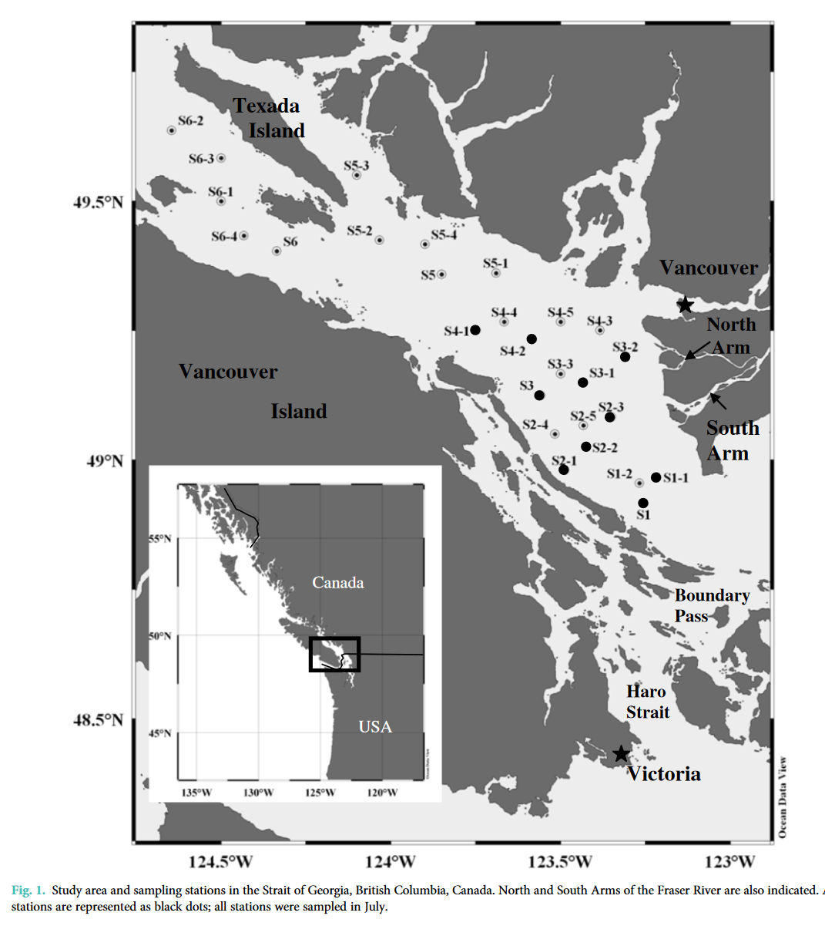
 |  |  |  |  |  |  |  |  |  |  |  |  |  |  |  |  |  |  |  |  |  |  |  |  |  | note the tilt - due to nonlinear equation used I thimk

 |  |  |  |  |  |  |  | Loos | Here
 |  |  |  |  |  |  | K Loos Avg Apr | 0.3585 | 0.19
 |  |  |  |  |  |  |  | 0.288 | 0.2
 |  |  |  |  |  |  |  | 0.169 | 0.23
 |  |  |  |  |  |  |  | 0.2425 | 0.25
 |  |  |  |  |  |  |  | 0.9805
 |  |  |  |  |  |  |  | 0.1815 | 0.25
 |  |  |  |  |  |  |  | 0.258 | 0.26
 |  |  |  |  |  |  |  | 0.6555
 |  |  |  |  |  |  |  | 0.2205 | 0.24
 |  |  |  |  |  |  |  | 0.3375 | 0.28
 |  |  |  |  |  |  |  | 0.4845 | 0.32
 |  |  |  |  |  |  | K Loos Avg Jul | 0.307 | 0.31
 |  |  |  |  |  |  |  | 0.232 | 0.31
 |  |  |  |  |  |  |  | 0.2885 | 0.37

Obs vs K predicted - Apr & July 2006
0.3585 | 0.19
0.288 | 0.2
0.169 | 0.23
0.2425 | 0.25
0.9805
0.1815 | 0.25
0.258 | 0.26
0.6555
0.2205 | 0.24
0.3375 | 0.28
0.4845 | 0.32
0.307 | 0.31
0.232 | 0.31
0.2885 | 0.37
1.9285 | 0.39
0.3455 | 0.38
0.564 | 0.41
0.633
0.212 | 0.38
0.4135 | 0.42
0.474 | 0.52
0.2535 | 0.35
0.4 | 0.37
0.3905 | 0.41
0.384 | 0.4
0.266 | 0.43
0.4415 | 0.33
0.256 | 0.27
0.237 | 0.26
0.281 | 0.26
 |  |  |  |  |  |  |  | 1.9285 | 0.39
 |  |  |  |  |  |  |  | 0.3455 | 0.38
 |  |  |  |  |  |  |  | 0.564 | 0.41
 |  |  |  |  |  |  |  | 0.633
 |  |  |  |  |  |  |  | 0.212 | 0.38
 |  |  |  |  |  |  |  | 0.4135 | 0.42
 |  |  |  |  |  |  |  | 0.474 | 0.52
 |  |  |  |  |  |  |  | 0.2535 | 0.35
 |  |  |  |  |  |  |  | 0.4 | 0.37
 |  |  |  |  |  |  |  | 0.3905 | 0.41
 |  |  |  |  |  |  |  | 0.384 | 0.4
 |  |  |  |  |  |  |  | 0.266 | 0.43
 |  |  |  |  |  |  |  | 0.4415 | 0.33
 |  |  |  |  |  |  |  | 0.256 | 0.27
 |  |  |  |  |  |  |  | 0.237 | 0.26
 |  |  |  |  |  |  |  | 0.281 | 0.26

