Salin-K parameterization
Dec 15 2021 - GO
See write up and
Loos, E., Costa, M., & Johannessen, S. (2017). Underwater optical environment in the coastal waters of British Columbia, Canada. FACETS, 2(2), 872–891. https://doi.org/10.1139/facets-2017-0074

extracted by approximating linear regression from Fig 5 Loos & Costa 2010 and tuning slightly to match the typical K's using Loos et al 2017 Fig 7 and Table 3 |  |  |  | Evaluation |  |  |  |  | Irradiance AT DEPTH Z (Sarmiento & Gruber, 2016) = I_0 * e^(-K*z) |  |  | Olson's method
Salin 4m (depth chosen from Fig 7 Loos et al 2017) | K assumed | K = bS + a |  | Salinity | K | K | incoming I | Z | PAR
7 | 1.5 | b | a | 10 | 1.3108695652 | 0.3 | 228 | 0 | 93.59856 | colored based on < 0.01 (1% is ~ euphotic depth) |  | step 1 | -6.6 | pPar | 0.44
30 | 0.05 | -0.063043478261 | 1.9413043478 | 11 | 1.247826087 |  |  | 1 | 69.339518678 |  |  | step 2 | 0.99863963196 | alb | 0.067
 |  |  |  | 12 | 1.1847826087 |  | after reflext | 2 | 51.36797885 |  |  | step 3 | 6.6
 |  |  |  | 13 | 1.1217391304 |  | 93.59856 | 3 | 38.054334691 | mean PAR to 1% |  | step 4 | 0.15130903515 | L0 | 93.59856
 |  |  |  | 14 | 1.0586956522 |  |  | 4 | 28.191344515 |  |  |  |  | uPar | 14.162307805
 |  |  |  | 15 | 0.99565217391 |  |  | 5 | 20.884661682 |  | testing Olson's way of depth integrating
 |  |  |  | 16 | 0.93260869565 |  |  | 6 | 15.471737907 | 15.685521698 | 14.162307805
 |  |  |  | 17 | 0.86956521739 |  |  | 7 | 11.461745347
 |  |  |  | 18 | 0.80652173913 |  |  | 8 | 8.491069794
 |  |  |  | 19 | 0.74347826087 |  |  | 9 | 6.2903392165
 |  |  |  | 20 | 0.68043478261 |  |  | 10 | 4.6599979059
 |  |  |  | 21 | 0.61739130435 |  |  | 11 | 3.452211357
 |  |  |  | 22 | 0.55434782609 |  |  | 12 | 2.5574610749
 |  |  |  | 23 | 0.49130434783 |  |  | 13 | 1.894613763
 |  |  |  | 24 | 0.42826086957 |  |  | 14 | 1.4035643968
 |  |  |  | 25 | 0.3652173913 |  |  | 15 | 1.039786079
 |  |  |  | 26 | 0.30217391304 |  |  | 16 | 0.77029247295
 |  |  |  | 27 | 0.23913043478 |  |  | 17 | 0.57064669922
 |  |  |  | 28 | 0.17608695652 |  |  | 18 | 0.42274547235
 |  |  |  | 29 | 0.11304347826 |  |  | 19 | 0.31317754863
 |  |  |  | 30 | 0.05 |  |  | 20 | 0.23200763433
 |  |  |  | 31 | -0.013043478261 |  |  | 21 | 0.17187548285
 |  |  |  | 32 | -0.076086956522 |  |  | 22 | 0.12732848938
 |  |  |  | 33 | -0.13913043478 |  |  | 23 | 0.094327264948
 |  |  |  | 34 | -0.20217391304 |  |  | 24 | 0.06987935658
 |  |  |  | 35 | -0.2652173913 |  |  | 25 | 0.051767900604
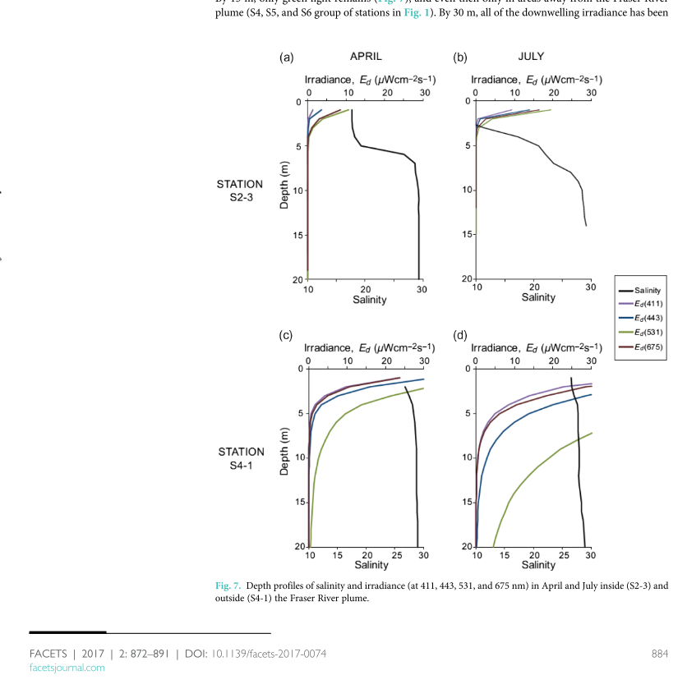
 |  |  |  | 36 | -0.32826086957 |  |  | 26 | 0.038350604014
 |  |  |  | 37 | -0.39130434783 |  |  | 27 | 0.028410826228
 |  |  |  |  |  |  |  | 28 | 0.021047257734
 |  |  |  |  |  |  |  | 29 | 0.015592192025

Old - JB experiments
 |  |  |  |  |  |  |  |  |  | Polynamial | Expontenial | Salinity | Multiplier
 |  |  |  |  |  |  |  |  | a | 0.0000336 | 0.0000128 | 20 | 1
 |  |  |  |  |  | CW Equation |  |  | b | 0.0009527 | 0.6392019 | 15 | 0.2
Mixing Layer thickness | 5 | Original Eqn (Sarmiento & Gruber, 2016) - irradiance at depth z | average Irradiance from 0 - 10 m |  |  | Ibar = Io(1-exp(-K*Z))/Z |  | Salinity | c | 0.0096897 |  | 10 | 0.05
Irradiance at I0 | 100 | PAR mean = I0exp(integral_0toml(-K*z)) |  |  | Olson eqn | Ibar = Io(1-exp(-K*Z))/(K*Z) |  | 10 | d | 0.0325932 |  | 5 | 0.005
K | 0.5 | 8.2084998624 | depth | _-K*z | irradiance |  |  | w exp Salinity Modifier | e | 0.0238236 |  | 1 | 0.000001
 |  |  | 1 | -0.5 | 60.653065971 |  | 78.693868057 | 0.60140833448
mixing depth | 2 |  | 2 | -1 | 36.787944117 |  | 63.212055883 | 0.48309046418
 |  |  | 3 | -1.5 | 22.313016015 |  | 51.791322657 | 0.39580889679
 |  |  | 4 | -2 | 13.533528324 |  | 43.233235838 | 0.33040475709
 |  |  | 5 | -2.5 | 8.2084998624 |  | 36.716600055 | 0.28060215913
 |  |  | 6 | -3 | 4.9787068368 |  | 31.673764388 | 0.24206289966 | Salinity | Polynomial | Exponential
 |  |  | 7 | -3.5 | 3.0197383422 |  | 27.708646188 | 0.21175996512 | 0 | 0.0238236 | 0.0000128
 |  |  | 8 | -4 | 1.8315638889 |  | 24.542109028 | 0.18756008923 | 1 | 0.000001 | 2.4255589142E-05
 |  |  | 9 | -4.5 | 1.1108996538 |  | 21.975355632 | 0.16794398797 | 2 | -0.009688 | 4.5963562863E-05
 |  |  | 10 | -5 | 0.67379469991 |  | 19.86524106 | 0.15181769349 | 3 | -0.00975 | 8.7099476275E-05
 |  |  |  |  |  |  |  |  | 4 | -0.0038852 | 0.0001650507118
 |  |  | average | -2.75 | 15.311075771 |  |  |  | 5 | 0.0050126 | 0.00031276580102
 |  |  |  |  |  |  |  |  | 6 | 0.014856 | 0.0005926811537
Fit Exponential Light Multiplier
 |  |  |  |  |  |  |  |  | 7 | 0.024364 | 0.0011231117622
 |  |  |  |  |  |  |  |  | 8 | 0.033062 | 0.0021282607395
 |  |  |  |  |  |  |  |  | 9 | 0.0412818 | 0.0040329857879
 |  |  |  |  |  |  |  |  | 10 | 0.0501616 | 0.0076423786164
 |  |  |  |  |  |  |  |  | 11 | 0.061646 | 0.014482062171
 |  |  |  |  |  |  |  |  | 12 | 0.078486 | 0.027443042965
 |  |  |  |  |  |  |  |  | 13 | 0.104239 | 0.052003685545
 |  |  |  |  |  |  |  |  | 14 | 0.1432688 | 0.098545314881
 |  |  |  |  |  |  |  |  | 15 | 0.2007456 | 0.18674020857
 |  |  |  |  |  |  |  |  | 16 | 0.282646 | 0.3538667012
 |  |  |  |  |  |  |  |  | 17 | 0.395753 | 0.67056604028
 |  |  |  |  |  |  |  |  | 18 | 0.547656 | 1.2707011223
 |  |  |  |  |  |  |  |  | 19 | 0.7467508 | 2.4079378395
 |  |  |  |  |  |  |  |  | 20 | 1.0022396 | 4.5629649153
Fit 4th order polynomial Light multiplier
 |  |  |  |  |  |  |  |  | 21 | 1.324131 | 8.6466720513
 |  |  |  |  |  |  |  |  | 22 | 1.72324 | 16.385165994
 |  |  |  |  |  |  |  |  | 23 | 2.211188 | 31.049363624
 |  |  |  |  |  |  |  |  | 24 | 2.8004028 | 58.837547437
 |  |  |  |  |  |  |  |  | 25 | 3.5041186 | 111.49526381
 |  |  |  |  |  |  |  |  | 26 | 4.336376 | 211.27994612
 |  |  |  |  |  |  |  |  | 27 | 5.312022 | 400.36871618
 |  |  |  |  |  |  |  |  | 28 | 6.44671 | 758.68586602
 |  |  |  |  |  |  |  |  | 29 | 7.7568998 | 1437.6853636
 |  |  |  |  |  |  |  |  | 30 | 9.2598576 | 2724.3676169
 |  |  |  |  |  |  |  |  | 31 | 10.973656 | 5162.5891865
 |  |  |  |  |  |  |  |  | 32 | 12.917174 | 9782.9407984
 |  |  |  |  |  |  |  |  | 33 | 15.110097 | 18538.358798
 |  |  |  |  |  |  |  |  | 34 | 17.5729168 | 35129.594873
 |  |  |  |  |  |  |  |  | 35 | 20.3269316 | 66569.454685

