Executive_Report
EXECUTIVE REPORT

10 most sold pizzas
Pizza | Quantity
hawaiian | 1704
bbq_ckn | 1673
pepperoni | 1655
classic_dlx | 1652
thai_ckn | 1595
cali_ckn | 1576
sicilian | 1348
spicy_ital | 1340
big_meat | 1325
southw_ckn | 1311

10 least sold pizzas
Pizza | Quantity
brie_carre | 337
spinach_supr | 643
mediterraneo | 649
calabrese | 653
spin_pesto | 664
soppressata | 673
ckn_alfredo | 676
green_garden | 680
ital_veggie | 680
ckn_pesto | 688

Orders_Report
ORDERS REPORT

Pizzas vendidas por mes
Month | Pizzas Sold
1 | 2850
2 | 2712
3 | 2934
4 | 2924
5 | 2981
6 | 2775
7 | 3036
8 | 2855
9 | 2664
10 | 2687
11 | 2928
12 | 2679

Predictions_Report
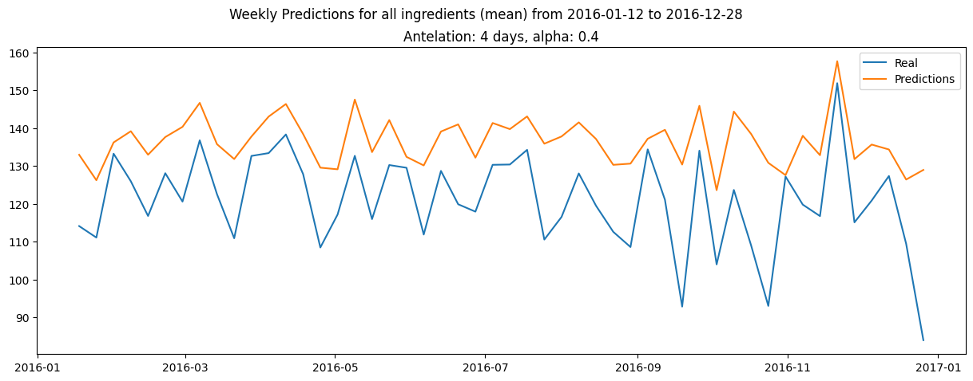
PREDICTIONS REPORT

Here is how the model predicts a given ingredient in may 2016.
To check if our model is aplicable in our daily basis, we'll see how well it predicts ingredients on days that are not in the training set.
The first 7 days are in the training set, the rest are not.
The confidence interval is given by the mean absolute error of that ingredient.
As we can see, the model fits the data of two weeks in the future pretty well, and then it starts to fail but slightly.

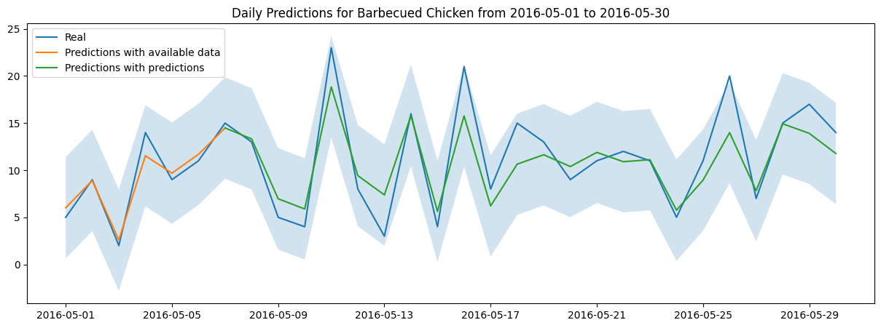

Now that we know that our model predicts decently the daily stock of ingredients
so we can use it to predict the stock of ingredients for an entire week.
First, we'll sum up the daily stock of ingredients for each week.
Then, we'll add a margin error so that we can be sure that we have enough ingredients.
This margin error is the mean absolute error for each ingredient, and it is weighted by a hyperparameter alpha.
Finally, lets define a parameter to make the predictions realistic.
Let's say we need to make the order of ingredients for the next week on tuesdays.
Then, we'll be missing data from tuesday to monday, which is equivalent to having an antelation of 4 days.
Lets see some examples for a couple ingredients

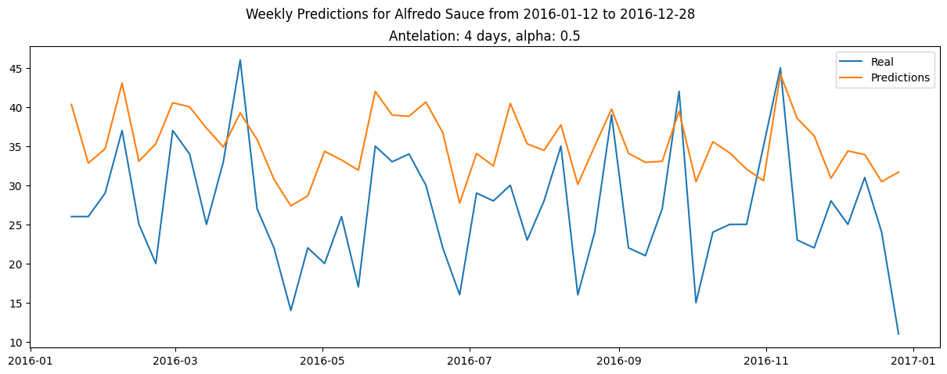

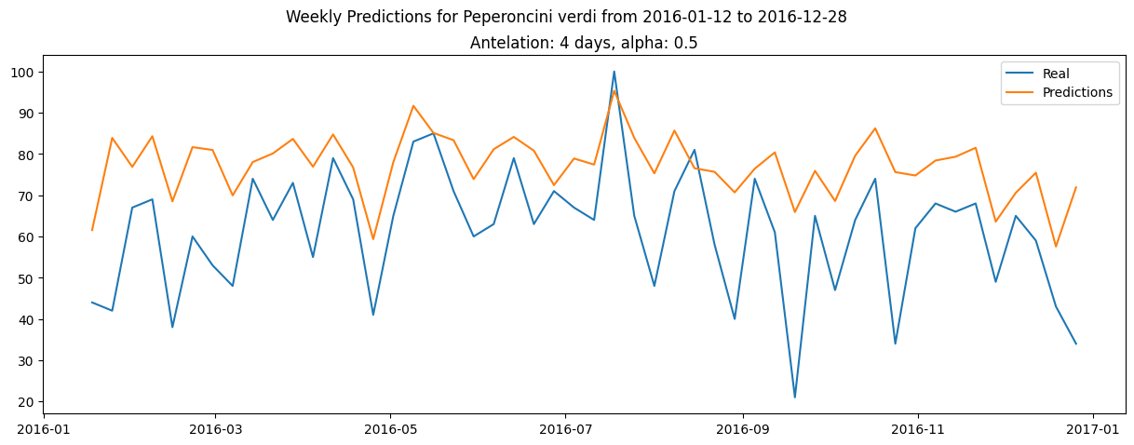

To conclude, lets see how our model does on average over a year.
For that, we'll predict the stock of ingredients for each week of 2016,
and then we'll compare the mean of ingredients predicted against the mean of ingredients sold.
As before, we'll have same alpha and antelation parameters.

