Sheet1
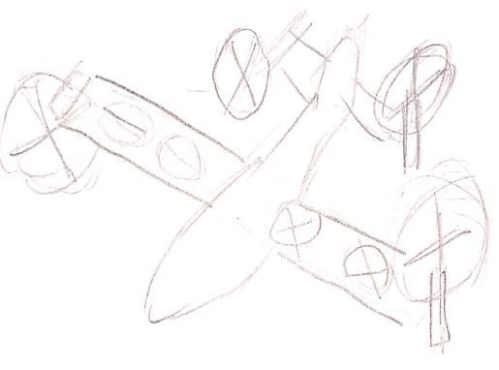
 |  |  | 5 | 2 | 8 | 4 | 7 | 9
 |  |  | Weight | Aesthetics | Controlability | Complexity | Power | Redundancy |  |  |  | Weight |  |  |  |  |  | Simplicity
 | 5 | Weight | 1 | 5 | 0.625 | 1.25 | 0.71428571429 | 0.55555555556 | 1-9 |  | 1 | 2 | 3 | 4 | 1-9 |  | 1 | 2 | 3 | 4
 | 1 | Aesthetics | 0.2 | 1 | 0.125 | 0.25 | 0.14285714286 | 0.11111111111 | 1 | 1 | 1 | 0.16666666667 | 0.33333333333 | 0.11111111111 | 9 | 1 | 1 | 1.2857142857 | 9 | 3
 | 8 | Controlabilty | 1.6 | 8 | 1 | 2 | 1.1428571429 | 0.88888888889 | 6 | 2 | 6 | 1 | 2 | 0.66666666667 | 7 | 2 | 0.77777777778 | 1 | 7 | 2.3333333333
 | 4 | Simplicity | 0.8 | 4 | 0.5 | 1 | 0.57142857143 | 0.44444444444 | 3 | 3 | 3 | 0.5 | 1 | 0.33333333333 | 1 | 3 | 0.11111111111 | 0.14285714286 | 1 | 0.33333333333
 | 7 | Power | 1.4 | 7 | 0.875 | 1.75 | 1 | 0.77777777778 | 9 | 4 | 9 | 1.5 | 3 | 1 | 3 | 4 | 0.33333333333 | 0.42857142857 | 3 | 1
 | 9 | Redundancy | 1.8 | 9 | 1.125 | 2.25 | 1.2857142857 | 1
 |  |  |  |  |  |  |  |  |  |  |  | Aesthetics |  |  |  |  |  | Power
 |  |  |  |  |  |  |  |  | 1-9 |  | 1 | 2 | 3 | 4 | 1-9 |  | 1 | 2 | 3 | 4
 |  |  |  |  |  |  |  |  | 1 | 1 | 1 | 0.16666666667 | 0.11111111111 | 0.33333333333 | 1 | 1 | 1
 |  |  |  |  |  |  |  |  | 6 | 2 | 6 | 1 | 0.66666666667 | 2 | 6 | 2 |  | 1
1 |  |  |  | 2 |  |  |  |  | 9 | 3 | 9 | 1.5 | 1 | 3 | 9 | 3 |  |  | 1
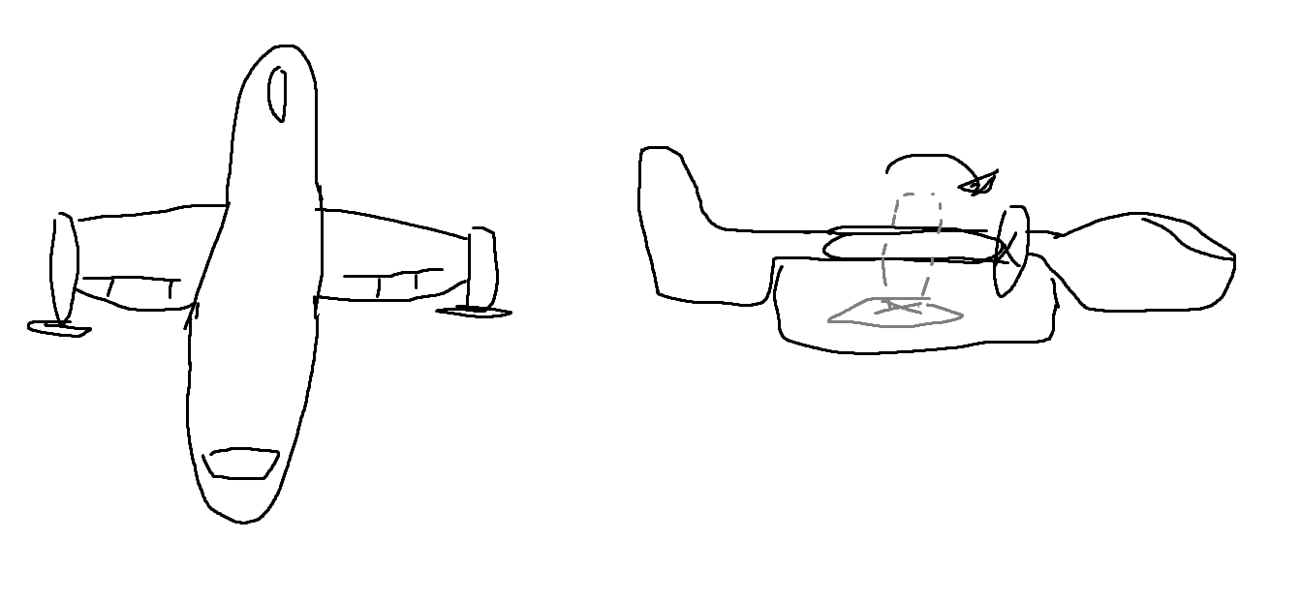
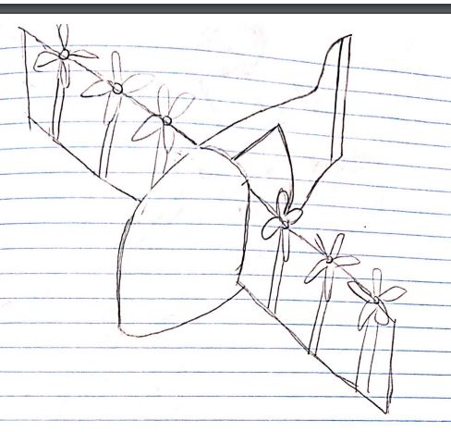
 |  |  |  |  |  |  |  |  | 3 | 4 | 3 | 0.5 | 0.33333333333 | 1 | 3 | 4 |  |  |  | 1

 |  |  |  |  |  |  |  |  |  |  |  | Controlability |  |  |  |  |  | Redundancy
 |  |  |  |  |  |  |  |  | 1-9 |  | 1 | 2 | 3 | 4 | 1-9 |  | 1 | 2 | 3 | 4
 |  |  |  |  |  |  |  |  | 2 | 1 | 1 | 2 | 0.22222222222 | 0.28571428571 | 1 | 1 | 1 | 0.11111111111 | 0.2 | 0.125
 |  |  |  |  |  |  |  |  | 1 | 2 | 0.5 | 1 | 0.11111111111 | 0.14285714286 | 9 | 2 | 9 | 1 | 1.8 | 1.125
 |  |  |  |  |  |  |  |  | 9 | 3 | 4.5 | 9 | 1 | 1.2857142857 | 5 | 3 | 5 | 0.55555555556 | 1 | 0.625
 |  |  |  |  |  |  |  |  | 7 | 4 | 3.5 | 7 | 0.77777777778 | 1 | 8 | 4 | 8 | 0.88888888889 | 1.6 | 1

3
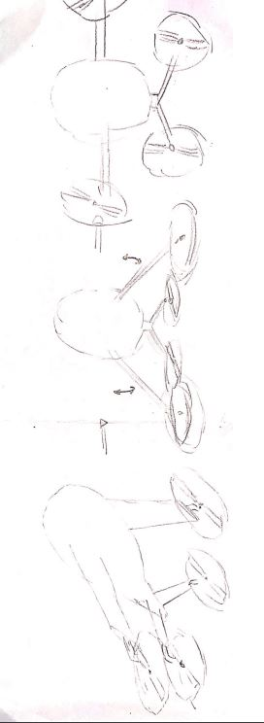

4

