Sheet1
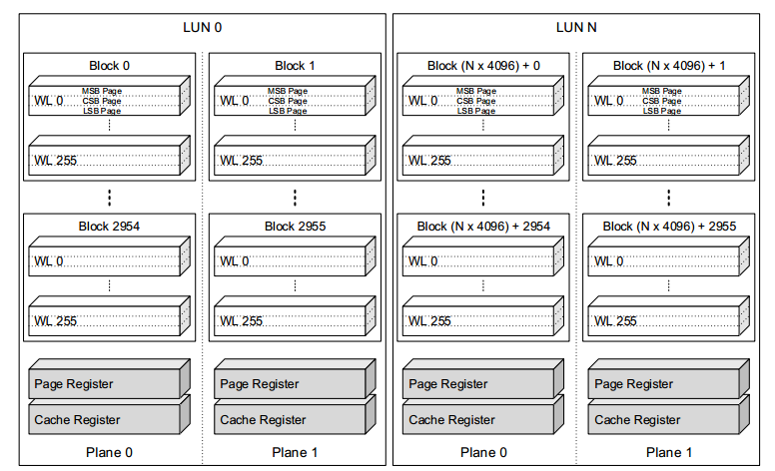
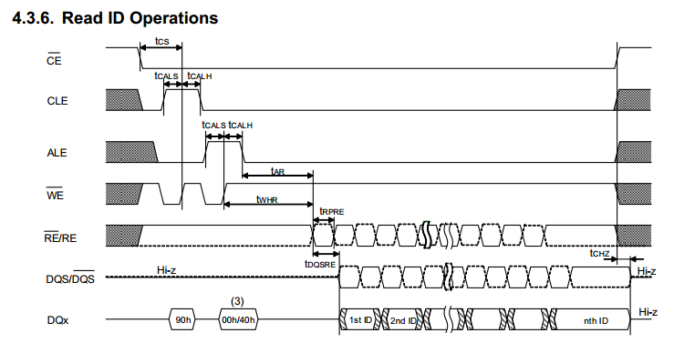
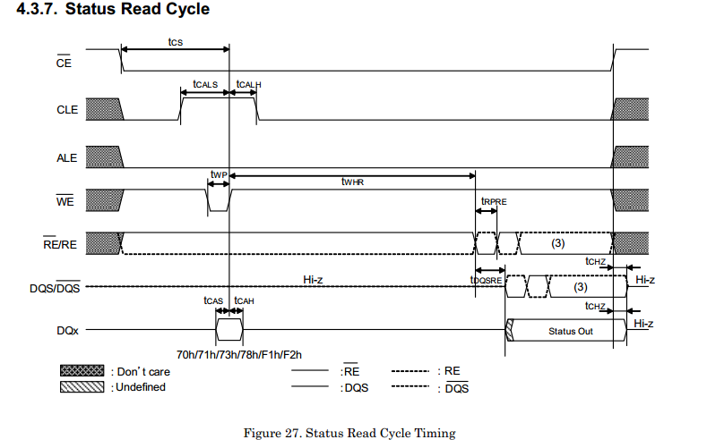
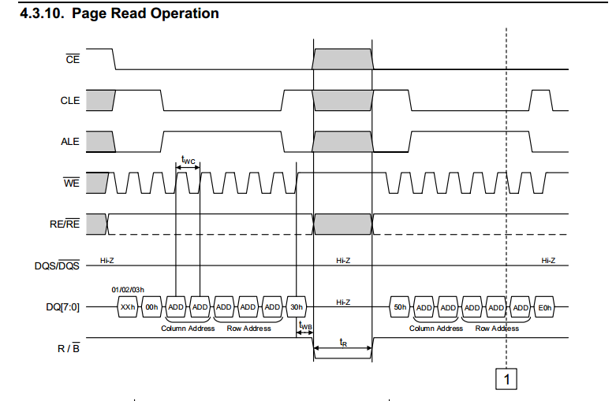
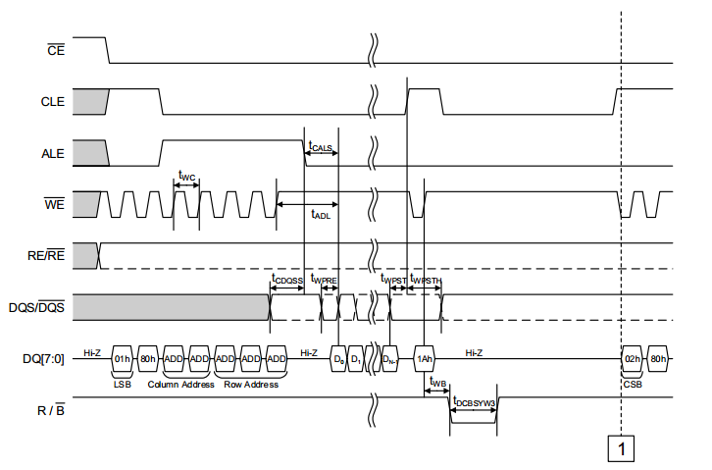
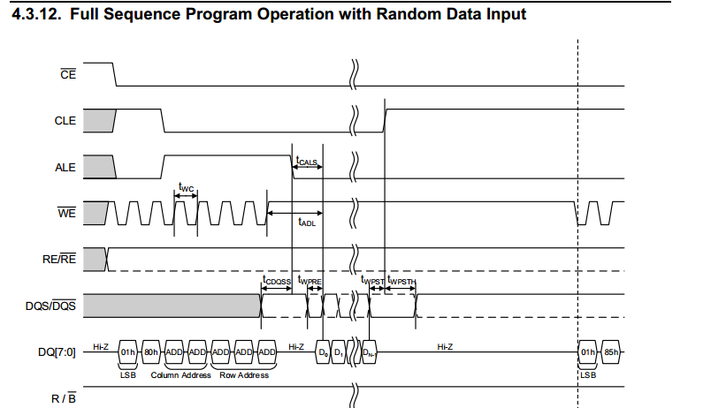
Controller:

Write: | cycles: | 0-1 | 1 | 0-6 |  | 0-16K(Out) | 0-1
 |  | LevelCMD | CMD0 | Addr |  | Data | CMD1

Read: | cycles: | 0-1 | 1 | 0-6 | 0-1 | 0-16K(In)
 |  | LevelCMD | CMD0 | Addr | CMD1 | Data

WaitReady: | cycles: |  | 1 |  |  | 1(In)
 |  |  | CMD0 |  |  | Wait:Data==Ready

