Sheet1
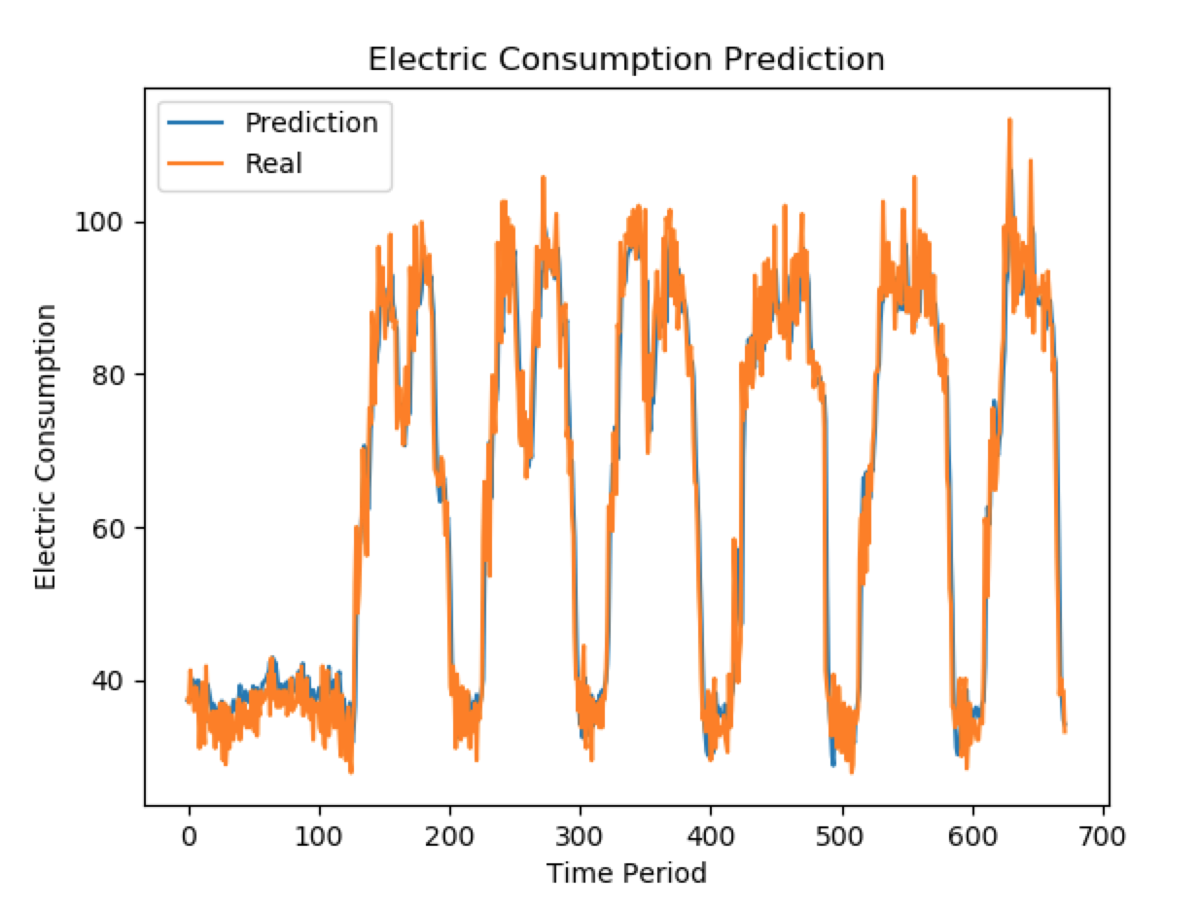
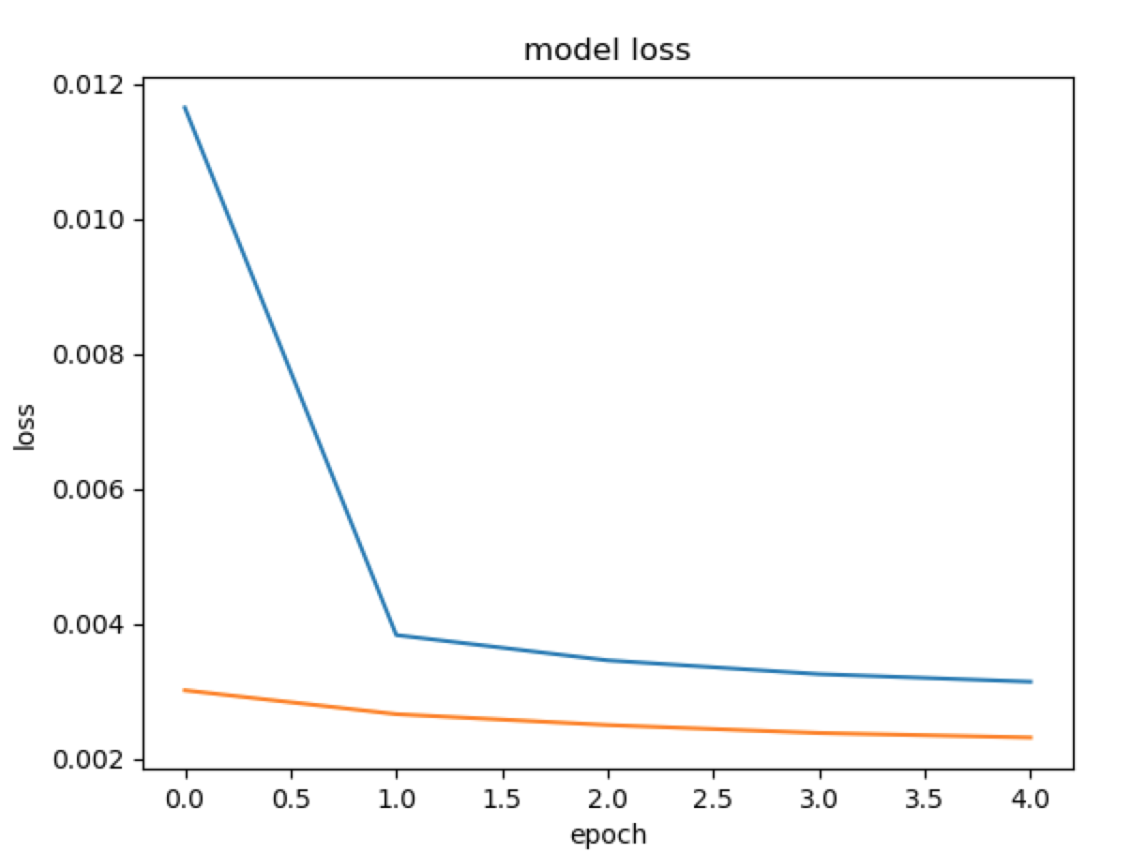
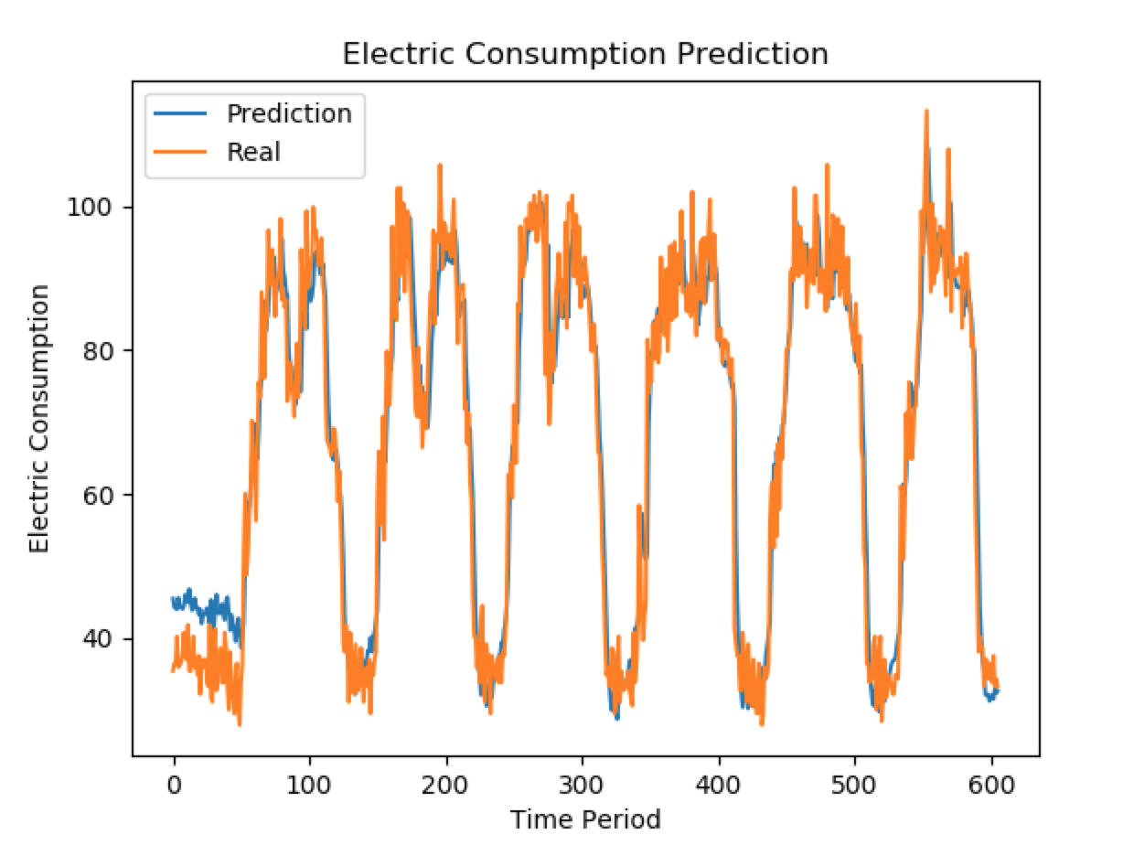
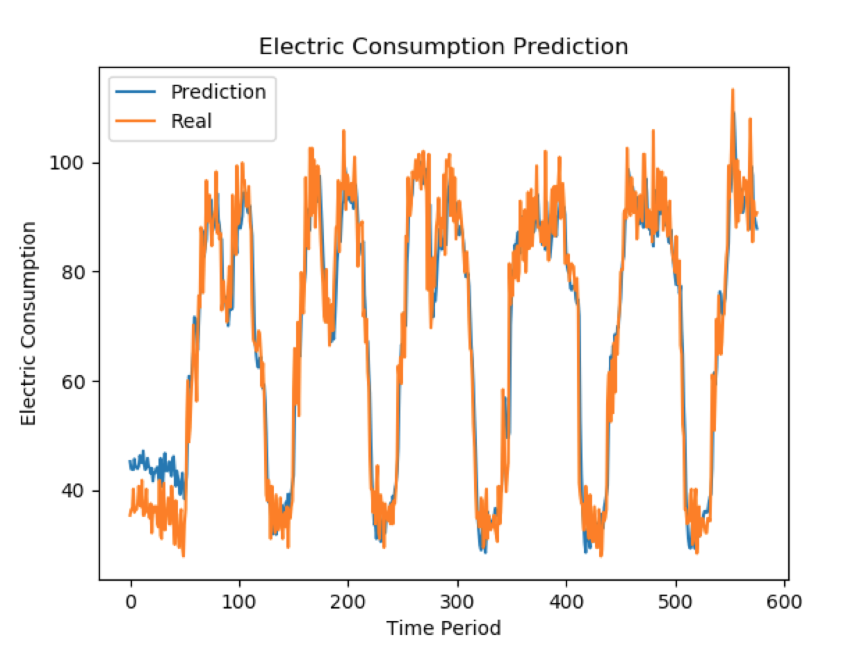
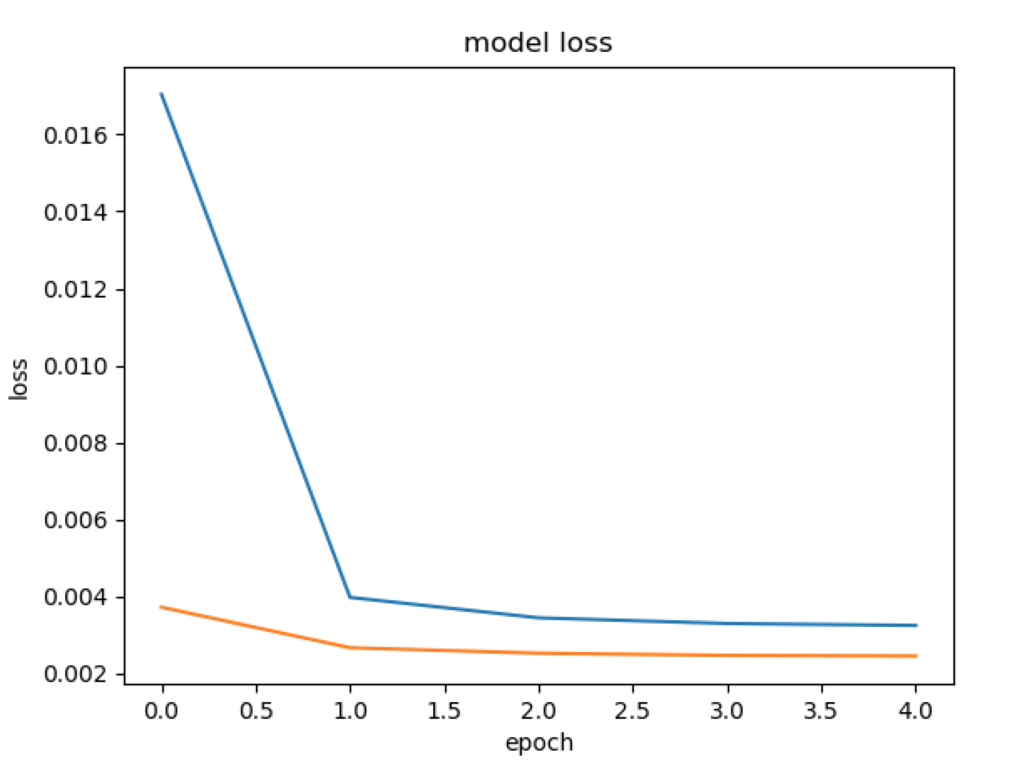
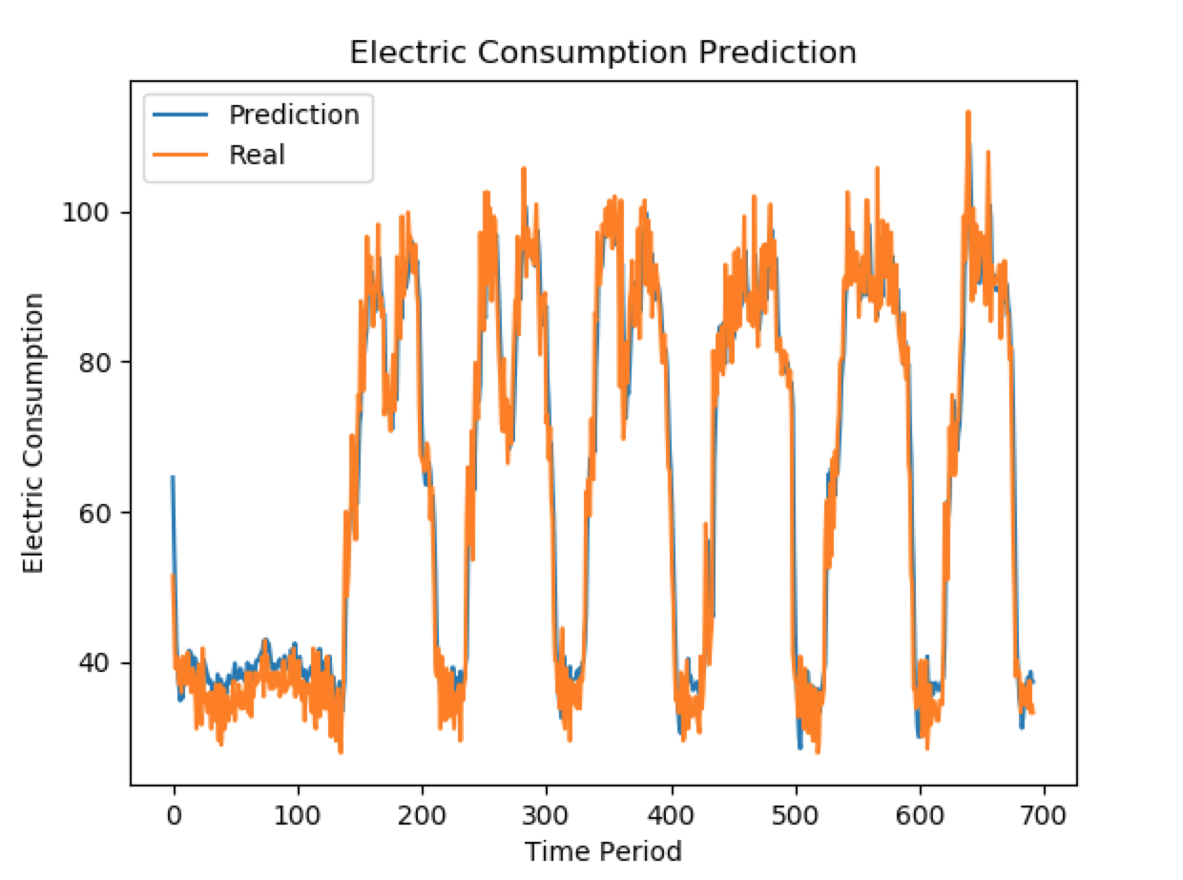
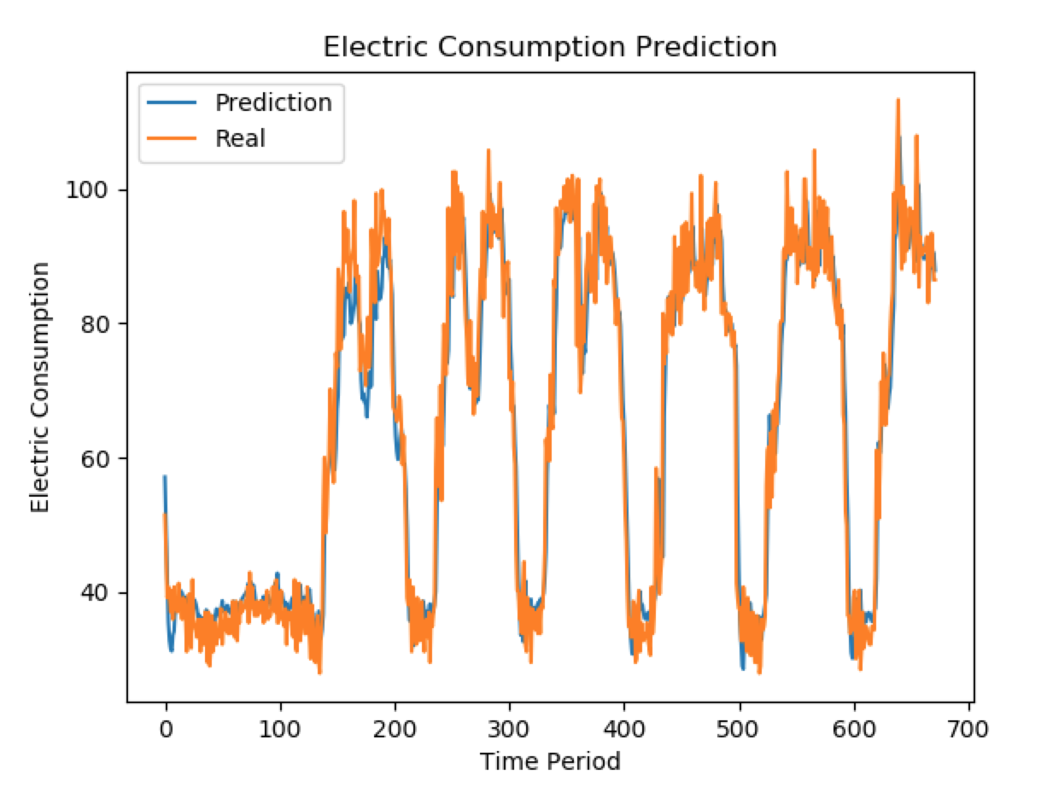
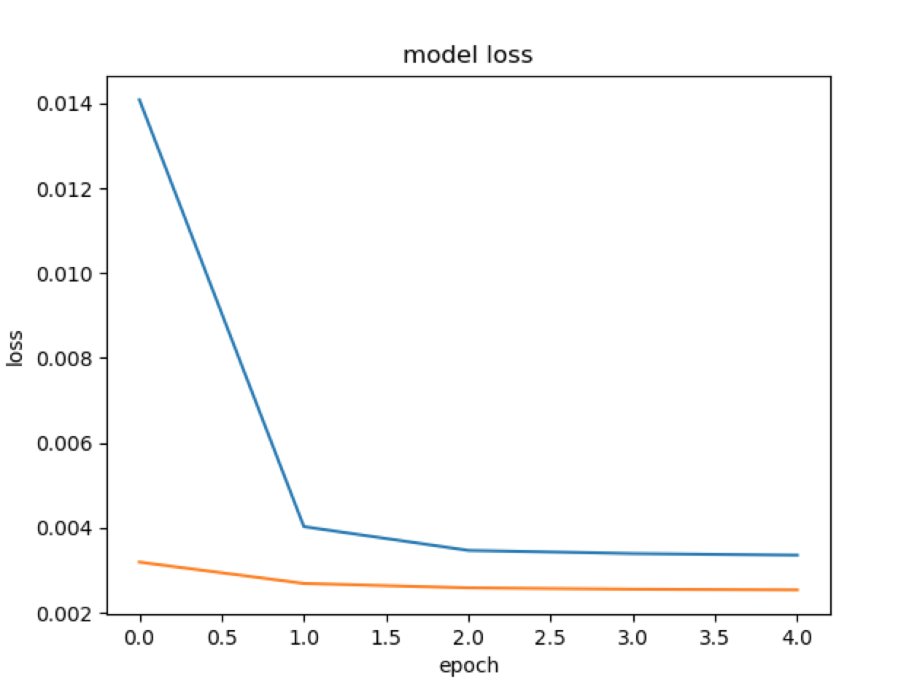

para1 = parameters.parameters(hidden_size = 10,
STATELESS = True,
MODEL_WEIGHT_REUSE = False,
NEED_TO_TRAIN = True,
NEED_TO_PREDICT = False,
train_test_ratio = 0.995,
num_data_ratio = 1.0, # how much of data is used
num_timesteps = 5,
num_epoch = 5,
batch_size = 96
)
Xtrain.shape, Ytrain.shape, Xtest.shape, , Ytest.shape
(139554, 5, 1) (139554, 1) (697, 5, 1) (697, 1)
MSE: 0.002, RMSE: 0.044

score:
0.0019150240627

prediction shape: (697, 1)
diff_sum, diff_mean: [3294.70926481] [4.72698603]

score:
0.0018994846032

MSE: 0.002, RMSE: 0.044

prediction shape: (672, 1)
diff_sum, diff_mean: [3185.5374739] [4.74038315]

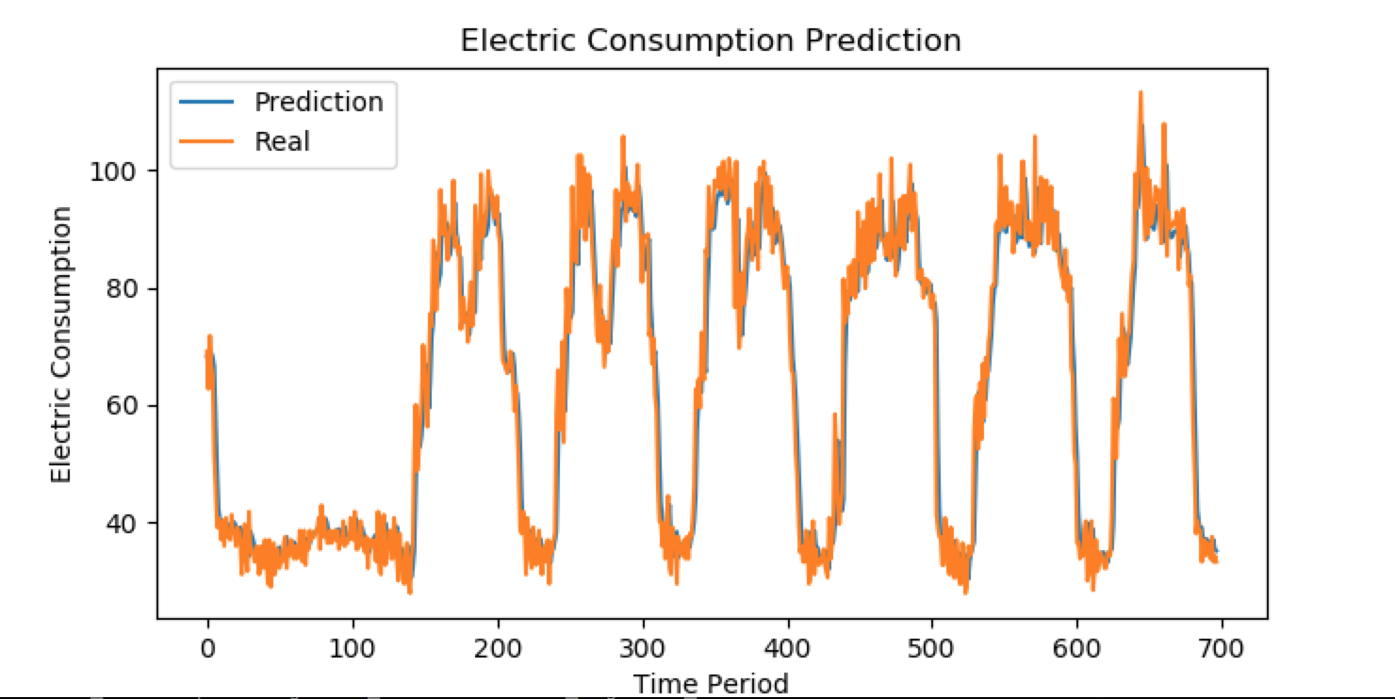

para1 = parameters.parameters(hidden_size = 10,
STATELESS = True,
MODEL_WEIGHT_REUSE = False,
NEED_TO_TRAIN = True,
NEED_TO_PREDICT = False,
train_test_ratio = 0.995,
num_data_ratio = 1.0, # how much of data is used
num_timesteps = 20,
num_epoch = 5,
batch_size = 96
)
Xtrain.shape, Ytrain.shape, Xtest.shape, , Ytest.shape
(139554, 20, 1) (139554, 1) (682, 20, 1) (682, 1)

score:
0.0019677844495

MSE: 0.002, RMSE: 0.044

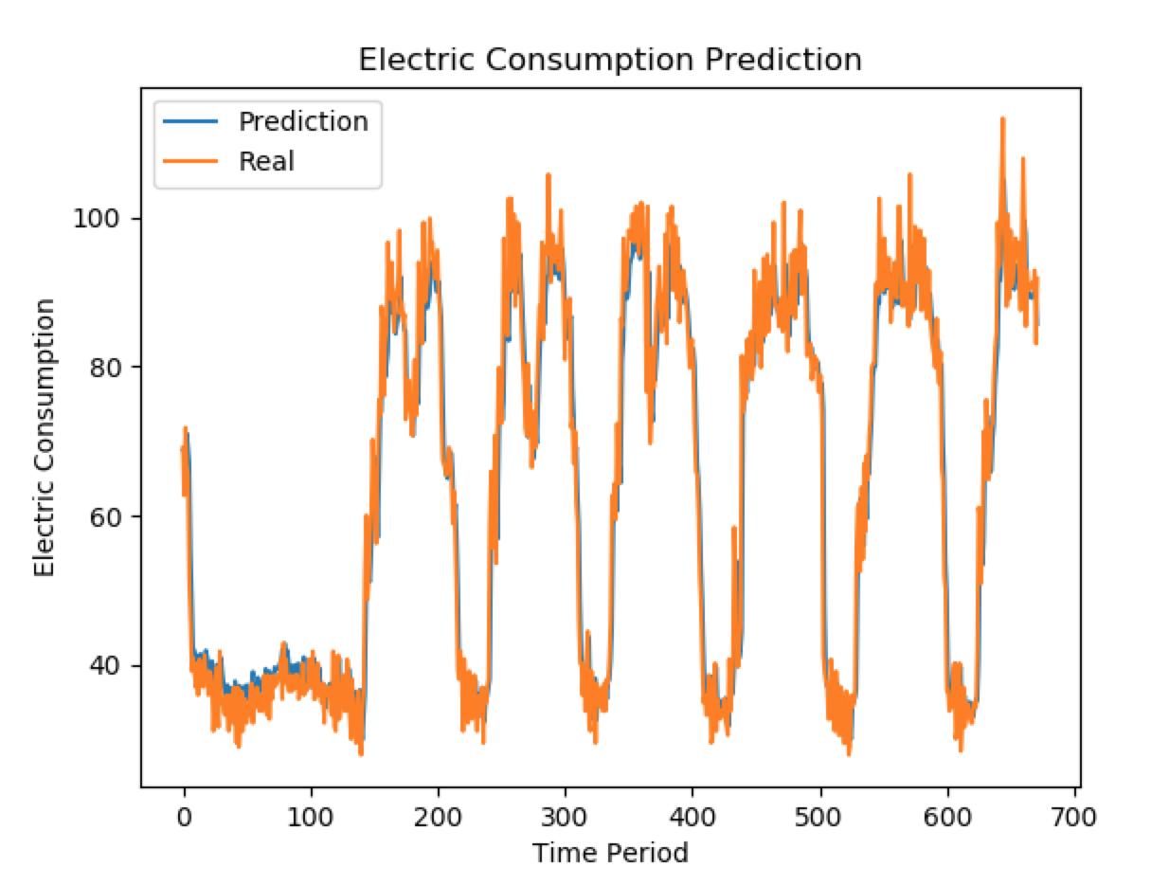
prediction shape: (682, 1)
diff_sum, diff_mean: [3465.76316282] [5.08176417]

score:
0.0018671039558

MSE: 0.002, RMSE: 0.043

prediction shape: (672, 1)
diff_sum, diff_mean: [3203.06808475] [4.76647036]

para1 = parameters.parameters(hidden_size = 10,
STATELESS = True,
MODEL_WEIGHT_REUSE = False,
NEED_TO_TRAIN = True,
NEED_TO_PREDICT = False,
train_test_ratio = 0.995,
num_data_ratio = 1.0, # how much of data is used
num_timesteps = 96,
num_epoch = 5,
batch_size = 96
)

score:
0.0022017458179

MSE: 0.002, RMSE: 0.047
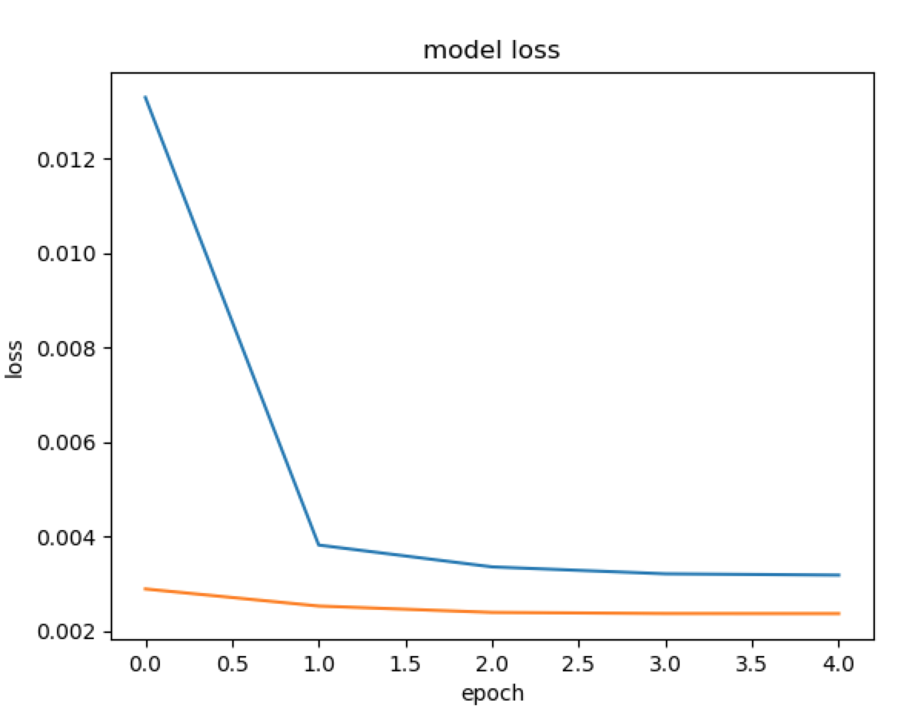
prediction shape: (606, 1)
diff_sum, diff_mean: [3264.98582259] [5.38776538]

score:
0.002201251511

MSE: 0.002, RMSE: 0.047

prediction shape: (576, 1)
diff_sum, diff_mean: [3094.88878433] [5.37307081]

para1 = parameters.parameters(hidden_size = 10,
STATELESS = True,
MODEL_WEIGHT_REUSE = False,
NEED_TO_TRAIN = True,
NEED_TO_PREDICT = False,
train_test_ratio = 0.995,
num_data_ratio = 1.0, # how much of data is used
num_timesteps = 10,
num_epoch = 5,
batch_size = 96
)

score:
0.0019309876845
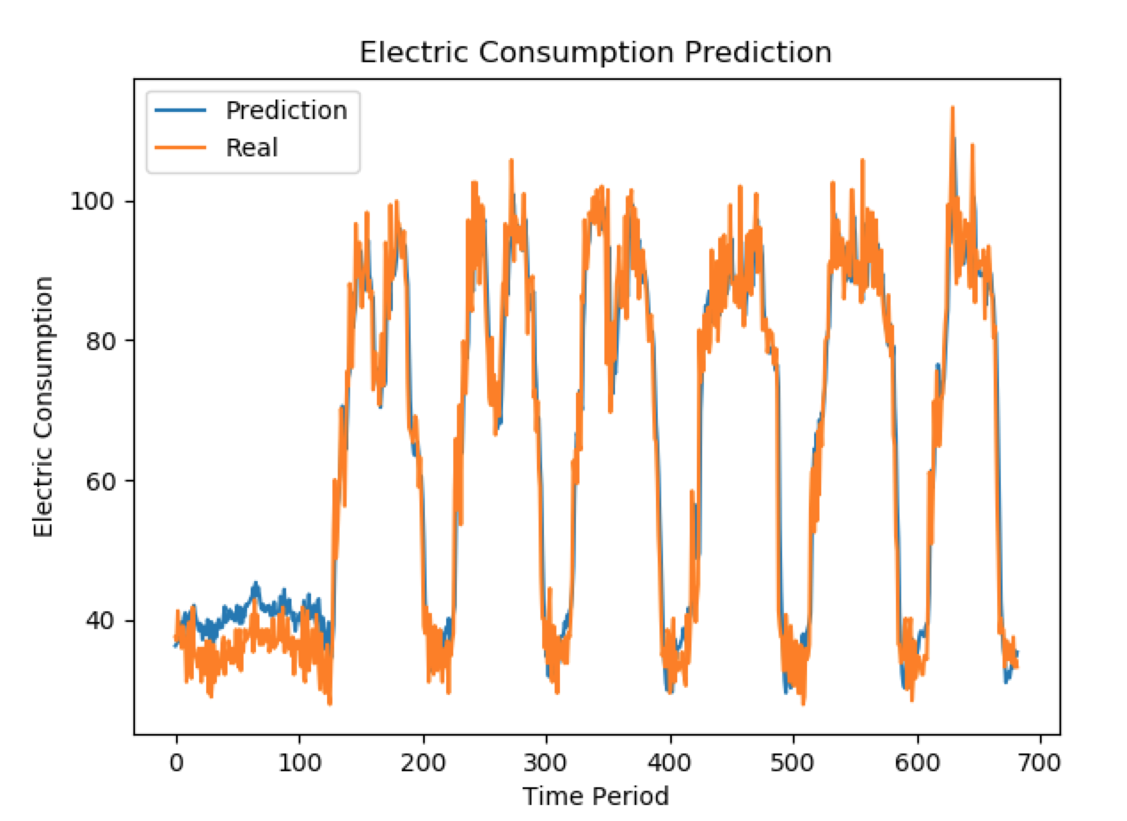
MSE: 0.002, RMSE: 0.044

prediction shape: (692, 1)
diff_sum, diff_mean: [3399.84824302] [4.9130755]

score:
0.0020195889436

MSE: 0.002, RMSE: 0.045

prediction shape: (672, 1)
diff_sum, diff_mean: [3356.84214727] [4.99530081]

