Cover
 | WEEKLY PROGRESS REPORT

Week - 20 |  |  |  | 20
From 13-Mar-26 ~ 19-Mar-26 |  |  |  | 13-Mar-26 | 19-Mar-26

 | 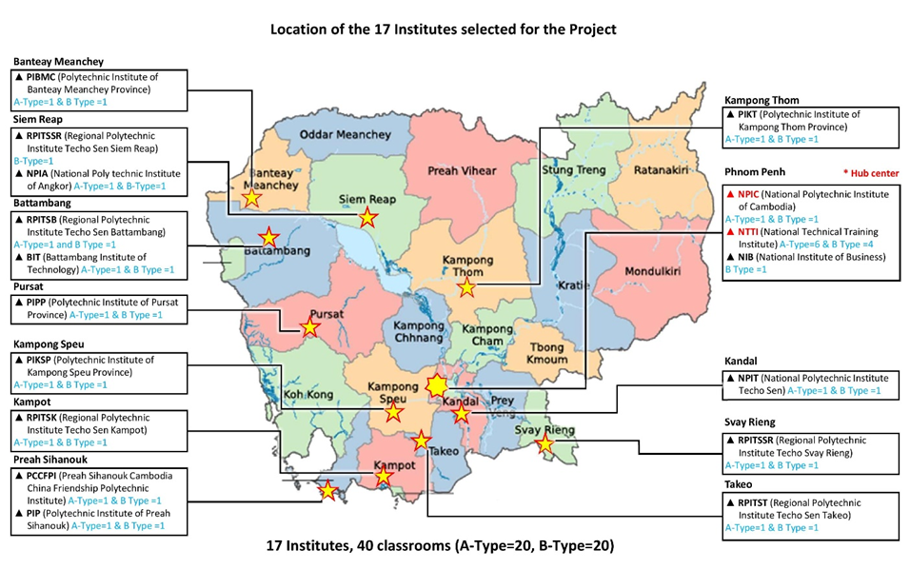

 | Renovation Works of The Project for Building Capacity and
 | Establishing Enabling Environment in ICT Majors of TVET
 | in Cambodia

 | Employer | : | KOICA Cambodia Office

 | Contractor | : | Cambodian Advanced Construction Project Management (CACPM)Co., Ltd

1.Intro
1. INTRODUCTION

Project Overview
This project aims to strengthen the ICT education capacity of TVET and to improve the ICT education environment of the existing TVET institutes in Cambodia. ICT Labs will be established and furnished for the TVET. For this Project, 17 institutes have been selected by KOICA and MLVT Cambodia; 2 as Hub Centers and 15 as Leading institutes. Each institute has secured existing classrooms to be renovated into an ICT Lab with the capacity of 30 persons (A-Type: 30 sets of computers with 15 desks / B-Type (or H-Type): 30 sets of computers with 15 desks + 2 working tables). Remodelling Work to renovate the existing classrooms into ICT Labs for a better ICT education environment is one of the Project scopes. This bidding is to select a Contractor to conduct the Remodelling Work.
Design & Construction
▪ Architectural Work
▪ Electrical Work
▪ Miscellaneous and Common Work
Cambodian Advanced Construction Project Management Co., Ltd (CACPM) is a design, engineeing and construction project management company with core services portfolio including Architecture, Urban planning, Civil, Structure, MEP Engineering, Cost Management, Property Management, Owner-team consultation Turnkey Projects and Feasibility Study. CACPM was appointed as Contractor by client for this project to carry out the scope of works as follows:

