Cover
 | WEEKLY PROGRESS REPORT

Week - 14 |  |  |  | 14
From 30-Jan-26 ~ 5-Feb-26 |  |  |  | 30-Jan-26 | 5-Feb-26

 | 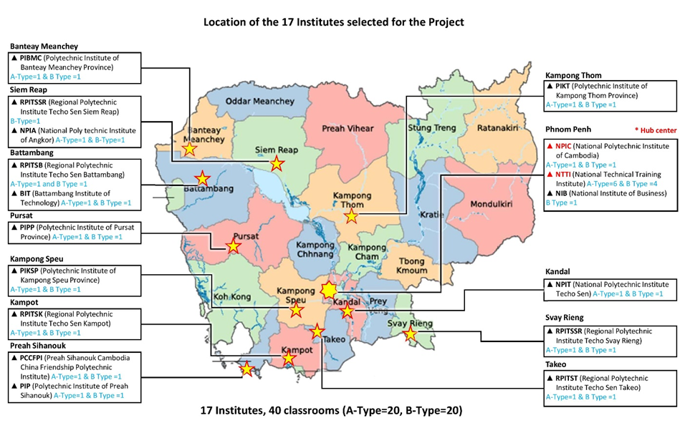

 | Renovation Works of The Project for Building Capacity and
 | Establishing Enabling Environment in ICT Majors of TVET
 | in Cambodia

 | Employer | : | KOICA Cambodia Office

 | Contractor | : | Cambodian Advanced Construction Project Management (CACPM)Co., Ltd

