REFERENCE PHOTOS
REFERENCE PHOTOS

◙ ICT - Renovation Works of The Project for Building Capacity and Establishing Enabling Environment in ICT Majors of TVET in Cambodia

1. RPITSSR (Regional Polytechnic Institute Techo Svay Rieng)

 | 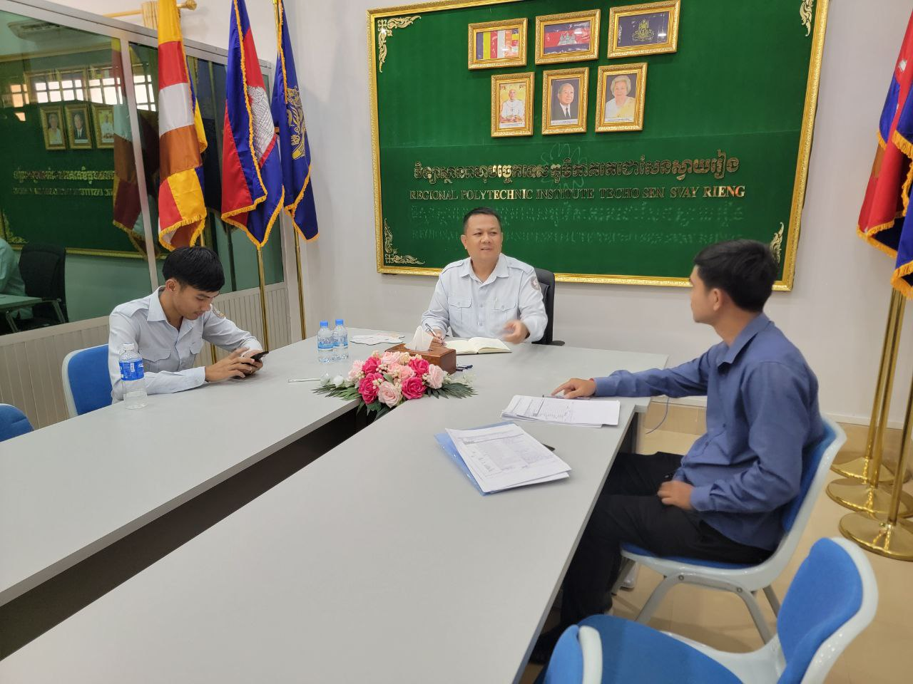 |  | 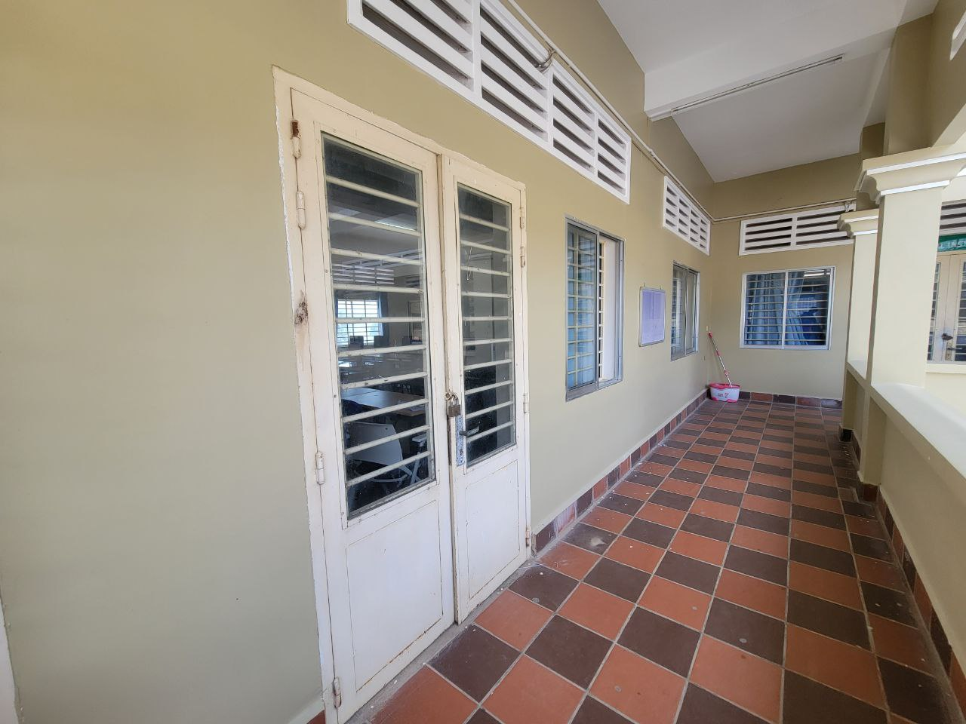

RPITSSR |  | Room (A-Type)

