Ex 1-A
Ex 1a: 1D convolution

Inputs | P0 |  | 1 | 3 | -2 | 0 | 2 | -1 | 3 | 1 | 2
 | P1 | 0 | 1 | 3 | -2 | 0 | 2 | -1 | 3 | 1 | 2 | 0

Filter |  |  | weights |  |  | 2 |  |  | bias | 2
 |  |  |  |  |  | 1
 |  |  |  |  |  | -1

Output | S1 P0 |  |  | 9 | 6 | -4 | 5 | 2 | 2 | 7
 | S2 P0 |  |  | 9 |  | -4 |  | 2 |  | 7
 | S4 P0 |  |  | 9 |  |  |  | 2
 | S1 P1 |  | 0 | 9 | 6 | -4 | 5 | 2 | 2 | 7 | 6
 | S4 P1 |  | 0 |  |  |  | 5 |  |  |  | 6

Question
In the previous examples, for which values of S and P do we get an output of same dimension as the input ?

Answer
You'd get the same dimension in the output as in the input with S=1 and P=1, as can be seen in the examples.
- w = width of the filter
- h = height of the filter
$$P_{W}=\frac{\left(w−1\right)}{2}$$
$$P_{H}=\frac{\left(h−1\right)}{2}$$

Ex 1-B
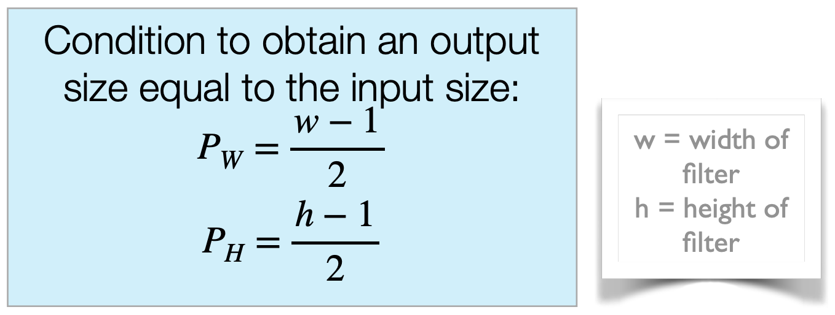
Ex 1b: 2D convolution |  |  |  |  |  |  |  |  |  |  |  |  | Intermediate Activation Maps |  |  |  |  |  |  |  | Final Activation Maps
 |  |  |  |  |  |  |  | Filter1 2x2x3 |  | Filter2 2x2x3 |  |  | Filter 1 |  |  | Filter 2 |  |  |  |  | Filter 1 |  |  |  | Filter 2
input | R |  | 2 | 1 | 0 | 2 | R | 1 | 1 | 0 | 1 | R | 4 | 2 | 3 | 2 | -1 | 2 |  |  | 3 | 3 | 4 |  | 1 | 0 | 5
 |  |  | 2 | 0 | 1 | 2 |  | 0 | 0 | 1 | 0 |  | 3 | 2 | 4 | -1 | 2 | 2 |  |  | 5 | 1 | 8 |  | -3 | 1 | 5
 |  |  | 0 | 2 | 1 | 2 |  |  |  |  |  |  | 3 | 4 | 4 | 1 | 0 | 2 |  |  | 8 | 4 | 6 |  | 2 | -1 | 4
 |  |  | 0 | 0 | 1 | 0 | G | 0 | -1 | 1 | 0
 |  |  |  |  |  |  |  | 0 | -1 | 1 | 0

 | G |  | 0 | 2 | 2 | 1 | B | 1 | 0 | -1 | 0 | G | -3 | -3 | -1 | -1 | 3 | 3
 |  |  | 0 | 2 | 2 | 1 |  | 0 | 1 | 0 | 1 |  | -1 | -3 | 0 | 1 | 1 | 3
 |  |  | 2 | 0 | 2 | 0 |  |  |  |  |  |  | 0 | -1 | -1 | 2 | 0 | 1
 |  |  | 1 | 1 | 0 | 2 |  | bias | 1 | bias | -1

 | B |  | 0 | 2 | 0 | 0 |  |  |  |  |  | B | 2 | 4 | 2 | 0 | -2 | 0
 |  |  | 2 | 1 | 1 | 1 |  |  |  |  |  |  | 3 | 2 | 4 | -3 | -2 | 0
 |  |  | 2 | 0 | 0 | 2 |  |  |  |  |  |  | 5 | 1 | 3 | -1 | -1 | 1
 |  |  | 0 | 2 | 0 | 2

Answers

a) |  | We will get 2 activation maps, since we use 2 filters.
b) |  | With S=1 and P=0, the dimension of the output volumes will be 3x3.
c) |  | With S=2 and P=0, the dimension of the output volumes will be 2x2.
d) |  | Given a filter size of 2x2 and stride S=1, the padding would need to have P_W=0.5 and P_H=0.5 to create the same ouput dimension as input dimension.

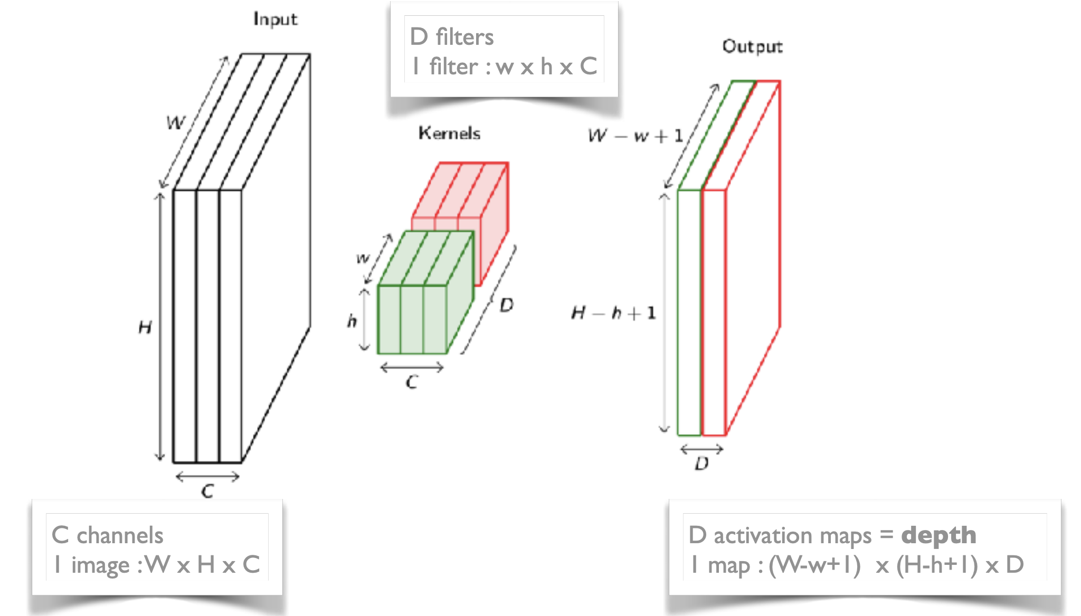
 |  |  |  |  |  |  |  |  |  |  |  |  |  |  |  | with: |  | W | = | 4 |  |  |  | same dimensions:
 |  |  |  |  |  |  |  |  |  |  |  |  |  |  |  |  |  | H | = | 4
 |  |  |  |  |  |  |  |  |  |  |  |  |  |  |  |  |  | C | = | 3 |  |  |  | P_W | = | 0.5

 |  |  |  |  |  |  |  |  |  |  |  |  |  |  |  |  |  | w | = | 2 |  |  |  | P_H | = | 0.5
 |  |  |  |  |  |  |  |  |  |  |  |  |  |  |  |  |  | h | = | 2
 |  |  |  |  |  |  |  |  |  |  |  |  |  |  |  |  |  |  |  |  |  |  |  | S | = | 1
 |  |  |  |  |  |  |  |  |  |  |  |  |  |  |  |  |  | D | = | 2

