4 - Segmentation
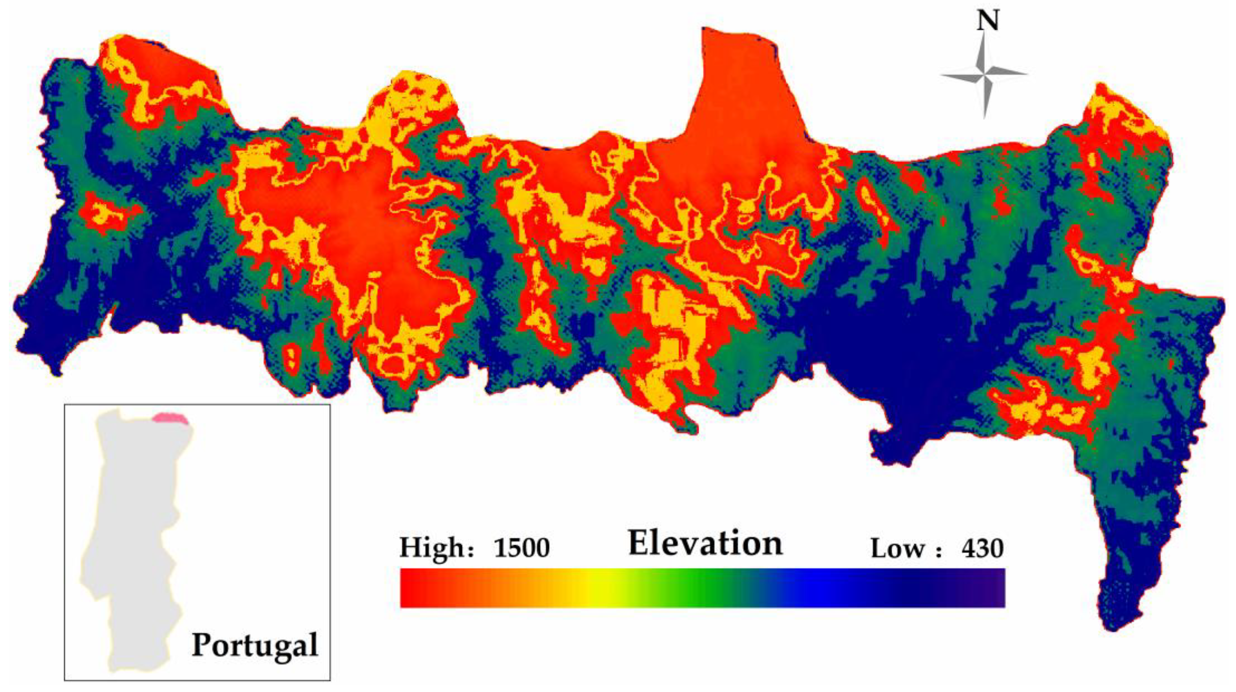
2
1
3
4
5
6
7
8
9
Exercise 4 - Segmentation The image on the right shows the varied elevations of the Montesinhos natural park. The vertical lines divide the park based on the feature X from this data set. Since different sections have distinct elevation profiles, you want to see if there are different forest fire patterns in each section.

Check off each step as you go:
FALSE | 1. Create a pivot table in cell B18. For rows add X, and for values select area and DC. Set the summarization of all variables to AVERAGE. HINT: To insert the pivot table into this sheet, select the Data in the Data tab, then use Insert → Pivot table. Then choose the option "Existing sheet" and select cell B18 below.
FALSE | 2. Add a value for area and set the summarization to COUNT. Which X regions had the greatest number of fires?
FALSE | 3. Add two values, showing the STDEV for area and DC.
FALSE | 4. Create a new column showing the MEDIAN for DC.
FALSE | 5. Complete the reflection questions below.
FALSE | 6. Great work! When you are done, you are ready to complete the Quiz!

Reflect on the following questions
FALSE | 1. Which is the coordinate with greatest number of fires? | Source: Dong H, Wu H, Sun P, Ding Y. Wildfire Prediction Model Based on Spatial and Temporal Characteristics: A Case Study of a Wildfire in Portugal’s Montesinho Natural Park. Sustainability. 2022; 14(16):10107.
FALSE | 2. Which X coordinate tends to have the wildfires with lowest area? You should analyze mean and standard deviation
FALSE | 3. What about lowest DC?
FALSE | 4. Look at the difference between AVERAGE and MEDIAN for DC. Does it suggest the same direction and degree of skewness for all the segments?

