Depends
Product Information |  |  |  |  |  |  |  |  |  |  | Pharmacy |  |  |  | Major retailer |  |  |  | Online retailer |  |  |  |  |  | Whole Sallers |  |  |  |  |  |  |  | Gneral retailer |  |  |  |  |  |  |  |  |  | Canada |  |  | Depends internal Id and data
Product Type | Product_Name | Picture | Universal Product Code (UPC) | EAN | Count | Pack | Size | Gender | Color | Absorb | CVS |  | Walgreens |  | Target |  | Walmart |  | Amazon Prime Pantry |  | Amazon |  | Rakuten |  | Sam's Club |  | Costco |  | Bjs |  | Boxed |  | Bed Bath And Beyond |  | Dollar General |  | HEB |  | Instacart |  | Kroger |  | Costco | Amazon | Walmart | MasterProduct_id | Family_ID | AuthenticProd_id | Image
 |  |  |  |  |  |  |  |  |  |  | Price | Unit price | Price | Unit price | Price | Unit price | Price | Unit price | Price | Unit price | Price | Unit price | Price | Unit price | Price | Unit price | Price | Unit price | Price | Unit price | Price | Unit price | Price | Unit price | Price | Unit price | Price | Unit price | Price | Unit price | Price | Unit price | Price | Price | Price
Protective Underware (Pull-ups) | Silhouette active fit briefs | 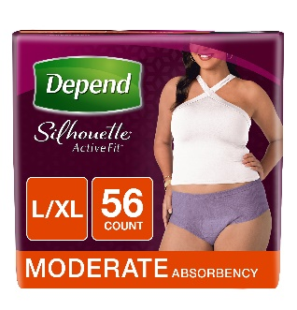 | 036000425901 | 3600042590 | 56 | 1 | L/XL | women | BEIGE | MODERATE | 67.99 | 1.21 | 67.99 | 1.21 | 62.99 | 1.12 | 62.99 | 1.12 |  |  | 62.99 | 1.12 |  |  |  |  |  |  | 64.99 | 1.16 |  |  |  |  |  |  |  |  |  |  |  |  |  | 94.25 |  | 11640265 | 39809 | 155731 | https://s3-us-west-2.amazonaws.com/smartcommerce.co/images_pms/65/11640265.jpg
 |  |  | 03600042591 | 3600042591 | 56 | 1 | L/XL |  | BLACK |  | 67.99 | 1.21 | 67.99 | 1.21 | 69.99 | 1.25 | 69.99 | 1.25 |  |  | 67.99 | 1.21 |  |  |  |  |  |  | 60.99 | 1.09 |  |  |  |  |  |  |  |  |  |  |  |  |  | 97.5 |  | 11640262 | 39809 | 155732 | https://s3-us-west-2.amazonaws.com/smartcommerce.co/images_pms/62/11640262.jpg
 |  |  | 036000425918 | 36000465730 | 56 | 1 | L/XL |  | LAVENDER |  | 69.99 | 1.25 | 64.99 | 1.16 |  |  | 64.99 | 1.16 |  |  |  |  |  |  |  |  |  |  |  |  |  |  |  |  |  |  |  |  |  |  |  |  |  |  |  | 768323 | 39809 | 138 | https://s3-us-west-2.amazonaws.com/smartcommerce.co/images_pms/23/768323.jpg
 |  |  | 03600042587 | 3600042587 | 60 | 1 | S/M |  | BLACK |  | 66.49 | 1.11 | 59.99 | 1.00 | 59.99 | 1.00 | 59.99 | 1.00 |  |  | 59.99 | 1.00 |  |  |  |  |  |  | 55.99 | 0.93 |  |  |  |  |  |  |  |  |  |  |  |  |  | 86.28 |  | 11640024 | 39809 | 155733 | https://s3-us-west-2.amazonaws.com/smartcommerce.co/images_pms/24/11640024.jpg
 |  |  | 036000465716 | 36000465716 | 60 | 1 | S/M |  | LAVENDER |  | 69.99 | 1.17 | 62.99 | 1.05 | 55.99 | 0.93 | 55.0 | 0.92 |  |  | 55.0 | 0.92 |  |  |  |  |  |  | 59.99 | 1.00 |  |  |  |  |  |  |  |  |  |  |  |  |  | 54.77 |  | 7269745 | 39809 | 155734 | https://s3-us-west-2.amazonaws.com/smartcommerce.co/images_pms/45/7269745.jpg
 |  |  | 036000425871 | 3600042588 | 60 | 1 | S/M |  | BEIGE |  | 66.49 | 1.11 | 59.99 | 1.00 | 59.99 | 1.00 | 56.97 | 0.95 |  |  | 56.97 | 0.95 |  |  |  |  |  |  | 55.99 | 0.93 |  |  |  |  |  |  |  |  |  |  |  |  |  | 72.47 |  | 768175 | 39809 | 3961 | https://s3-us-west-2.amazonaws.com/smartcommerce.co/images_pms/75/768175.jpg
 | Silhouette briefs | 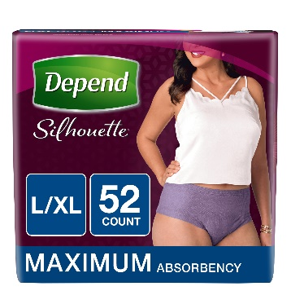 | 036000339949 | 3600033994 | 18 | 1 | L/XL | women | BEIGE | MAXIMUM | 19.99 | 1.11 | 19.99 | 1.11 | 18.99 | 1.06 | 17.76 | 0.99 |  |  |  |  |  |  |  |  |  |  |  |  |  |  |  |  |  |  | 16.48 | 0.92 |  |  |  |  |  | 29.99 |  | 682870 | 20835 | 142 | https://s3-us-west-2.amazonaws.com/smartcommerce.co/images_pms/70/682870.jpg
 |  |  | 036000465822 |  | 28 | 2 | S/M |  | LAVENDER |  |  |  |  |  |  |  | 52.04 | 0.93 |  |  |  |  |  |  |  |  |  |  |  |  |  |  |  |  |  |  |  |  |  |  |  |  |  |  |  | 4272768 | 20835 | 155737 | https://s3-us-west-2.amazonaws.com/smartcommerce.co/images_pms/68/4272768.jpg
 |  |  | 03600035941 | 36000359411 | 52 | 1 | L/XL |  | BLACK |  | 59.99 | 1.15 |  |  |  |  | 55.12 | 1.06 | 55.12 | 1.06 | 55.12 | 1.06 |  |  |  |  |  |  | 50.99 | 0.98 |  |  |  |  |  |  |  |  |  |  |  |  |  |  |  | 11642189 | 20835 | 155735 | https://s3-us-west-2.amazonaws.com/smartcommerce.co/images_pms/89/11642189.jpg
 |  |  | 036000359411 | 36000465792 | 52 | 1 | L/XL |  | LAVENDER |  | 59.99 | 1.15 | 58.99 | 1.13 |  |  | 57.97 | 1.11 |  |  | 57.97 | 1.11 |  |  |  |  |  |  | 50.99 | 0.98 |  |  |  |  |  |  |  |  |  |  |  |  |  | 75.58 |  | 11642190 | 20835 | 155736 | https://s3-us-west-2.amazonaws.com/smartcommerce.co/images_pms/90/11642190.jpg
 |  |  | 036000366365 | 3600036636 | 52 | 1 | L/XL |  | BEIGE |  | 63.79 | 1.23 | 59.99 | 1.15 |  |  |  |  |  |  | 42.99 | 0.83 |  |  |  |  |  |  | 54.99 | 1.06 |  |  |  |  |  |  |  |  |  |  |  |  |  | 77.99 |  | 768324 | 20835 | 142 | https://s3-us-west-2.amazonaws.com/smartcommerce.co/images_pms/24/768324.jpg
 |  |  | 03600046582 | 36000465822 | 56 | 1 | S/M |  | LAVENDER |  | 59.99 | 1.07 | 56.99 | 1.02 |  |  |  |  |  |  | 52.04 | 0.93 |  |  |  |  |  |  | 54.99 | 0.98 |  |  |  |  |  |  |  |  |  |  |  |  |  | 72.83 |  | 11404388 | 20835 | 155737 | https://s3-us-west-2.amazonaws.com/smartcommerce.co/images_pms/88/11404388.jpg
 |  |  | 036000366402 | 36000359428 | 56 | 1 | S/M |  | BLACK |  | 59.99 | 1.07 | 56.99 | 1.02 | 51.99 | 0.93 | 51.63 | 0.92 |  |  | 51.63 | 0.92 |  |  |  |  |  |  | 50.99 | 0.91 |  |  |  |  |  |  |  |  |  |  |  |  |  | 73.47 |  | 884756 | 20835 | 3962 | https://s3-us-west-2.amazonaws.com/smartcommerce.co/images_pms/56/884756.jpg
 | Night defense underwear | 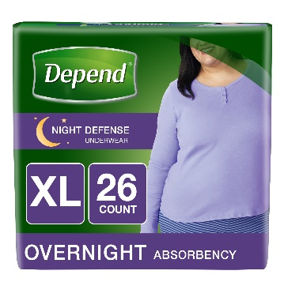 | 03600045591 |  | 12 | 1 | L | women | BEIGE | MAXIMUM |  |  | 14.49 | 1.21 |  |  |  |  |  |  |  |  |  |  |  |  |  |  |  |  |  |  |  |  |  |  |  |  |  |  |  |  |  |  |  | 11401697 | 39808 | 4125 | https://s3-us-west-2.amazonaws.com/smartcommerce.co/images_pms/97/11401697.jpg
 |  |  | 036000455915 | 0003600045591 | 12 | 1 | XL |  |  |  | 13.49 | 1.12 |  |  | 11.99 | 1.00 | 11.68 | 0.97 |  |  |  |  |  |  |  |  |  |  |  |  |  |  |  |  |  |  | 11.12 | 0.93 |  |  |  |  |  | 14.77 |  | 768335 | 39808 | 144 | https://s3-us-west-2.amazonaws.com/smartcommerce.co/images_pms/35/768335.jpg
 |  |  | 036000455991 | 0003600045599 | 14 | 1 | L |  |  |  | 13.49 | 0.96 | 14.49 | 1.04 | 11.69 | 0.84 | 11.68 | 0.83 |  |  |  |  |  |  |  |  |  |  |  |  |  |  |  |  |  |  | 11.12 | 0.79 |  |  | 11.99 | 0.86 |  | 14.77 |  | 909703 | 39808 | 4125 | https://s3-us-west-2.amazonaws.com/smartcommerce.co/images_pms/03/909703.jpg
 |  |  | 036000479188 | 3600047918 | 15 | 1 | M |  |  |  | 13.49 | 0.90 | 14.99 | 1.00 | 11.99 | 0.80 | 11.97 | 0.80 | 11.99 | 0.80 |  |  |  |  |  |  |  |  |  |  |  |  |  |  |  |  |  |  |  |  |  |  |  | 19.99 |  | 12811275 | 39808 | 160393 | https://s3-us-west-2.amazonaws.com/smartcommerce.co/images_pms/75/12811275.jpg
 |  |  | 036000479171 | 36000479171 | 16 | 1 | S |  |  |  | 13.49 | 0.84 | 14.99 | 0.94 | 14.99 | 0.94 |  |  | 13.49 | 0.84 |  |  |  |  |  |  |  |  |  |  |  |  |  |  |  |  |  |  |  |  |  |  |  | 13.98 |  | 12811276 | 39808 | 160392 | https://s3-us-west-2.amazonaws.com/smartcommerce.co/images_pms/76/12811276.jpg
 |  |  | 03600046339 |  | 26 | 1 | L |  |  |  |  |  | 24.99 | 0.96 |  |  |  |  |  |  |  |  |  |  |  |  | 20.99 | 0.81 |  |  |  |  |  |  |  |  |  |  |  |  |  |  |  |  |  | 11401571 | 39808 | 4125 | https://s3-us-west-2.amazonaws.com/smartcommerce.co/images_pms/71/11401571.jpg
 |  |  | 036000463392 | 3600046339 | 26 | 1 | XL |  |  |  | 26.99 | 1.04 |  |  | 24.99 | 0.96 | 26.07 | 1.00 |  |  | 26.07 | 1.00 |  |  |  |  | 20.99 | 0.81 | 23.99 | 0.92 |  |  |  |  |  |  |  |  |  |  |  |  |  | 34.99 |  | 809829 | 39808 | 144 | https://s3-us-west-2.amazonaws.com/smartcommerce.co/images_pms/29/809829.jpg
 |  |  | 036000463408 | 3600046340 | 30 | 1 | L |  |  |  | 26.99 | 0.90 | 24.99 | 0.83 | 24.99 | 0.83 |  |  |  |  | 24.8 | 0.83 |  |  | 24.98 | 0.83 |  |  | 23.99 | 0.80 |  |  |  |  |  |  |  |  |  |  |  |  |  |  |  | 799427 | 39808 | 4125 | https://s3-us-west-2.amazonaws.com/smartcommerce.co/images_pms/27/799427.jpg
 |  |  | 036000480085 |  | 32 | 1 | M |  |  |  |  |  | 24.99 | 0.78 | 25.99 | 0.81 |  |  |  |  |  |  |  |  |  |  | 20.99 | 0.66 | 20.99 | 0.66 |  |  |  |  |  |  |  |  |  |  |  |  |  | 33.79 |  | 12913029 | 39808 | 160393 | https://s3-us-west-2.amazonaws.com/smartcommerce.co/images_pms/29/12913029.jpg
 |  |  | 03600048007 | 0036000480078 | 34 | 1 | S |  |  |  |  |  | 24.99 | 0.74 | 24.99 | 0.74 |  |  |  |  |  |  |  |  |  |  | 20.99 | 0.62 | 20.99 | 0.62 |  |  |  |  |  |  |  |  |  |  |  |  |  | 33.52 |  | 13245506 | 39808 | 160392 | https://s3-us-west-2.amazonaws.com/smartcommerce.co/images_pms/06/13245506.jpg
 | Fit-flex underwear | 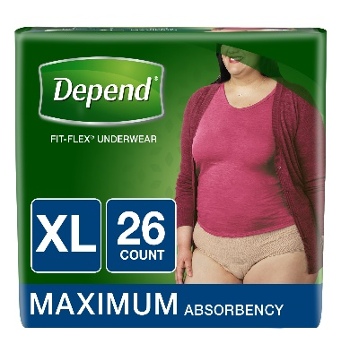 | 036000385328 | 0003600038532 | 15 | 1 | XL | women | BEIGE | MAXIMUM | 14.99 | 1.00 | 14.49 | 0.97 | 11.99 | 0.80 |  |  |  |  | 13.99 | 0.93 |  |  |  |  |  |  |  |  |  |  | 11.59 | 0.77 | 12.25 | 0.82 |  |  |  |  | 11.99 | 0.80 |  | 14.77 |  | 765578 | 17633 | 157150 | https://s3-us-west-2.amazonaws.com/smartcommerce.co/images_pms/78/765578.webp
 |  |  | 036000385311 | 0003600038531 | 17 | 1 | L |  |  |  | 14.99 | 0.88 | 14.49 | 0.85 | 11.99 | 0.71 |  |  |  |  |  |  |  |  |  |  |  |  |  |  |  |  |  |  |  |  |  |  |  |  | 11.99 | 0.71 |  |  |  | 768169 | 17633 | 157151 | https://s3-us-west-2.amazonaws.com/smartcommerce.co/images_pms/69/768169.jpg
 |  |  | 028005277326 | 0794628277615 | 17 | 4 | L |  |  |  |  |  |  |  |  |  |  |  |  |  | 47.96 | 0.71 |  |  |  |  |  |  |  |  |  |  |  |  |  |  |  |  |  |  |  |  |  | 64.95 |  | 11642327 | 17633 | 157151 | https://s3-us-west-2.amazonaws.com/smartcommerce.co/images_pms/27/11642327.jpg
 |  |  | 036000479324 | 36000479324 | 18 | 1 | M |  |  |  | 14.99 | 0.83 | 14.49 | 0.81 | 11.99 | 0.67 | 11.97 | 0.67 |  |  |  |  |  |  |  |  |  |  |  |  |  |  |  |  | 12.25 | 0.68 |  |  |  |  |  |  |  | 13.98 |  | 9087799 | 17633 | 159935 | https://s3-us-west-2.amazonaws.com/smartcommerce.co/images_pms/99/9087799.jpg
 |  |  | 036000385366 |  | 19 | 1 | L |  |  |  |  |  | 14.49 | 0.76 |  |  |  |  |  |  |  |  |  |  |  |  |  |  |  |  |  |  |  |  |  |  |  |  |  |  |  |  |  | 13.98 |  | 2103683 | 17633 | 3965 | https://s3-us-west-2.amazonaws.com/smartcommerce.co/images_pms/83/2103683.jpg
 |  |  |  |  | 19 | 1 | L |  |  |  |  |  |  |  |  |  |  |  |  |  |  |  |  |  |  |  |  |  |  |  |  |  |  |  | 12.25 | 0.64 |  |  |  |  |  |  |  |  |  | 10942820 | 17633 | 157151 | NA
 |  |  |  | 0036000367058 | 19 | 4 | S/M |  |  |  |  |  |  |  |  |  |  |  |  |  | 44.99 | 0.59 |  |  |  |  |  |  |  |  |  |  |  |  |  |  |  |  |  |  |  |  |  | 64.51 |  | 3072121 | 17633 | 3964 | https://s3-us-west-2.amazonaws.com/smartcommerce.co/images_pms/21/3072121.jpg
 |  |  | 036000385366 |  | 19 | 4 | L |  |  |  |  |  |  |  |  |  |  |  |  |  | 49.96 | 0.66 |  |  |  |  |  |  |  |  |  |  |  |  |  |  |  |  |  |  |  |  |  |  |  | 2102149 | 17633 | 3965 | https://s3-us-west-2.amazonaws.com/smartcommerce.co/images_pms/49/2102149.jpg
 |  |  | 036000479157 | 3600047915 | 19 | 1 | S |  |  |  | 14.99 | 0.79 | 14.49 | 0.76 | 11.99 | 0.63 | 11.97 | 0.63 |  |  | 11.99 | 0.63 |  |  |  |  |  |  |  |  |  |  |  |  |  |  |  |  |  |  |  |  |  | 13.98 |  | 13252474 | 17633 | 157152 | https://s3-us-west-2.amazonaws.com/smartcommerce.co/images_pms/74/13252474.jpg
 |  |  | 036000385359 |  | 21 | 4 | S/M |  |  |  |  |  |  |  |  |  |  |  |  |  | 57.96 | 0.69 | 65.59 | 0.78 |  |  |  |  |  |  |  |  |  |  |  |  |  |  |  |  |  |  |  |  |  | 2102160 | 17633 | 3964 | https://s3-us-west-2.amazonaws.com/smartcommerce.co/images_pms/60/2102160.jpg
 |  |  | 036000385359 | 3600038535 | 21 | 1 | S/M |  |  |  | 14.99 | 0.71 | 14.49 | 0.69 |  |  |  |  |  |  |  |  |  |  |  |  |  |  |  |  |  |  | 11.59 | 0.55 |  |  |  |  |  |  |  |  |  | 14.77 |  | 765600 | 17633 | 3964 | https://s3-us-west-2.amazonaws.com/smartcommerce.co/images_pms/00/765600.jpg
 |  |  | 036000134063 | 0003600013406 | 26 | 1 | XL |  |  |  | 19.79 | 0.76 | 19.49 | 0.75 | 18.99 | 0.73 |  |  |  |  | 17.76 | 0.68 |  |  |  |  |  |  |  |  |  |  |  |  |  |  | 16.68 | 0.64 |  |  |  |  |  | 24.24 |  | 682728 | 17633 | 157150 | https://s3-us-west-2.amazonaws.com/smartcommerce.co/images_pms/28/682728.webp
 |  |  | 036000125375 | 0003600012537 | 28 | 1 | L |  |  |  | 19.79 | 0.71 | 19.49 | 0.70 | 18.99 | 0.68 | 17.76 | 0.63 |  |  | 17.76 | 0.63 |  |  |  |  |  |  |  |  |  |  |  |  | 18.95 | 0.68 | 16.74 | 0.60 |  |  | 17.99 | 0.64 |  | 24.24 |  | 2867580 | 17633 | 157151 | https://s3-us-west-2.amazonaws.com/smartcommerce.co/images_pms/80/2867580.jpg
 |  |  | 036000479195 | 3600047919 | 30 | 1 | M |  |  |  | 19.79 | 0.66 | 19.49 | 0.65 | 18.99 | 0.63 | 18.94 | 0.63 |  |  |  |  |  |  |  |  |  |  |  |  |  |  |  |  |  |  |  |  |  |  |  |  |  | 29.99 |  | 11571845 | 17633 | 159935 | https://s3-us-west-2.amazonaws.com/smartcommerce.co/images_pms/45/11571845.jpg
 |  |  | 036000479201 | 36000479201 | 32 | 1 | S |  |  |  | 19.79 | 0.62 | 19.49 | 0.61 | 18.99 | 0.59 | 18.94 | 0.59 |  |  |  |  |  |  |  |  |  |  |  |  |  |  |  |  |  |  |  |  |  |  |  |  |  | 29.99 | 24.24 | 13269834 | 17633 | 157152 | https://s3-us-west-2.amazonaws.com/smartcommerce.co/images_pms/34/13269834.jpg
 |  |  | 036000484427 | 0003600048442 | 38 | 1 | XL |  |  |  |  |  |  |  | 24.99 | 0.66 | 24.87 | 0.65 |  |  |  |  |  |  |  |  |  |  |  |  |  |  |  |  |  |  |  |  |  |  |  |  |  |  |  | 13296651 | 17633 | 157150 | https://s3-us-west-2.amazonaws.com/smartcommerce.co/images_pms/51/13296651.jpg
 |  |  | 036000437652 | 3600043765 | 38 | 1 | L |  |  |  | 26.49 | 0.70 |  |  | 25.49 | 0.67 |  |  |  |  |  |  |  |  |  |  |  |  |  |  |  |  |  |  |  |  |  |  |  |  |  |  |  |  |  | 768181 | 17633 | 157151 | https://s3-us-west-2.amazonaws.com/smartcommerce.co/images_pms/81/768181.jpg
 |  |  | 036000484410 | 0003600048441 | 42 | 1 | L |  |  |  |  |  | 25.99 | 0.62 |  |  | 24.87 | 0.59 | 25.99 | 0.62 |  |  |  |  |  |  |  |  |  |  |  |  |  |  |  |  |  |  |  |  |  |  |  | 34.99 |  | 13296655 | 17633 | 157151 | https://s3-us-west-2.amazonaws.com/smartcommerce.co/images_pms/55/13296655.jpg
 |  |  | 03600048439 | 0036000484397 | 44 | 1 | M |  |  |  |  |  | 25.99 | 0.59 | 24.99 | 0.57 |  |  |  |  |  |  |  |  |  |  |  |  |  |  |  |  |  |  |  |  |  |  |  |  |  |  |  | 34.99 |  | 11571853 | 17633 | 159935 | https://s3-us-west-2.amazonaws.com/smartcommerce.co/images_pms/53/11571853.jpg
 |  |  | 36000484403 | 36000484403 | 46 | 1 | S |  |  |  | 26.49 | 0.58 | 25.99 | 0.57 | 24.99 | 0.54 | 26.15 | 0.57 |  |  |  |  |  |  |  |  |  |  |  |  |  |  |  |  |  |  |  |  |  |  |  |  |  | 34.99 |  | 13280912 | 17633 | 157152 | https://s3-us-west-2.amazonaws.com/smartcommerce.co/images_pms/12/13280912.jpg
 |  |  | 036000367041 | 3600036704 | 48 | 1 | XL |  |  |  | 49.99 | 1.04 | 39.99 | 0.83 | 39.99 | 0.83 |  |  |  |  | 39.99 | 0.83 |  |  |  |  |  |  |  |  |  |  |  |  |  |  |  |  |  |  |  |  |  | 44.77 |  | 768332 | 17633 | 157150 | https://s3-us-west-2.amazonaws.com/smartcommerce.co/images_pms/32/768332.jpg
 |  |  | 036000367034 | 3600036703 | 52 | 1 | L |  |  |  | 39.99 | 0.77 | 39.99 | 0.77 | 35.49 | 0.68 |  |  |  |  | 35.49 | 0.68 |  |  |  |  |  |  |  |  |  |  |  |  |  |  |  |  |  |  |  |  |  | 50.0 |  | 768342 | 17633 | 157151 | https://s3-us-west-2.amazonaws.com/smartcommerce.co/images_pms/42/768342.jpg
 |  |  | 036000134087 |  | 52 | 1 | XL |  |  |  |  |  |  |  |  |  |  |  |  |  |  |  |  |  | 37.78 | 0.73 |  |  |  |  |  |  |  |  |  |  |  |  |  |  |  |  |  |  |  | 3997336 | 17633 | 157150 | https://s3-us-west-2.amazonaws.com/smartcommerce.co/images_pms/36/3997336.jpg
 |  |  |  |  | 56 | 1 | M |  |  |  |  |  | 39.99 | 0.71 | 39.99 | 0.71 |  |  | 39.99 | 0.71 | 39.99 | 0.71 |  |  |  |  |  |  |  |  |  |  |  |  |  |  |  |  |  |  |  |  |  | 51.59 |  | 13245507 | 17633 | 159935 | https://s3-us-west-2.amazonaws.com/smartcommerce.co/images_pms/07/13245507.jpg
 |  |  | 0000360004792 | 0036000479225 | 60 | 1 | S |  |  |  |  |  | 39.99 | 0.67 | 39.99 | 0.67 |  |  |  |  | 39.97 | 0.67 |  |  |  |  |  |  |  |  |  |  |  |  |  |  |  |  |  |  |  |  |  | 44.77 |  | 12737794 | 17633 | 157152 | https://s3-us-west-2.amazonaws.com/smartcommerce.co/images_pms/94/12737794.jpg
 |  |  | 036000367065 | 3600036706 | 68 | 1 | L |  |  |  | 46.99 | 0.69 | 44.99 | 0.66 |  |  | 39.99 | 0.59 |  |  | 39.99 | 0.59 |  |  |  |  |  |  |  |  |  |  |  |  |  |  |  |  |  |  |  |  |  | 58.49 |  | 4072710 | 17633 | 3965 | https://s3-us-west-2.amazonaws.com/smartcommerce.co/images_pms/10/4072710.jpg
 |  |  | 036000465006 |  | 72 | 1 | XL |  |  |  |  |  |  |  |  |  |  |  |  |  |  |  |  |  |  |  |  |  | 42.99 | 0.60 |  |  |  |  |  |  |  |  |  |  |  |  |  |  |  | 5163539 | 17633 | 157150 | https://s3-us-west-2.amazonaws.com/smartcommerce.co/images_pms/39/5163539.jpg
 |  |  | 036000367058 | 3600036705 | 76 | 1 | S/M |  |  |  |  |  | 44.99 | 0.59 | 44.99 | 0.59 | 44.99 | 0.59 |  |  |  |  |  |  |  |  |  |  |  |  |  |  |  |  |  |  |  |  |  |  |  |  |  |  |  | 682727 | 17633 | 3964 | https://s3-us-west-2.amazonaws.com/smartcommerce.co/images_pms/27/682727.jpg
 |  |  | 036000464979 |  | 76 | 1 | L |  |  |  |  |  |  |  |  |  |  |  |  |  |  |  | 71.65 | 0.94 |  |  |  |  | 42.99 | 0.57 |  |  |  |  |  |  |  |  |  |  |  |  |  |  |  | 5163561 | 17633 | 157151 | https://s3-us-west-2.amazonaws.com/smartcommerce.co/images_pms/61/5163561.jpg
 |  |  |  |  | 80 | 1 | L |  |  |  |  |  |  |  |  |  |  |  |  |  |  |  |  |  |  |  |  |  | 42.99 | 0.54 |  |  |  |  |  |  |  |  |  |  |  |  |  |  |  | 13433697 | 17633 | 157151 | NA
 |  |  |  |  | 80 | 1 | XL |  |  |  |  |  |  |  |  |  |  |  |  |  |  |  |  |  | 42.98 | 0.54 | 42.99 | 0.54 |  |  | 49.99 | 0.62 |  |  |  |  |  |  |  |  |  |  | 54.99 |  |  | 13252852 | 17633 | 157150 | https://s3-us-west-2.amazonaws.com/smartcommerce.co/images_pms/52/13252852.jpg
 |  |  | 36000484571 |  | 84 | 1 | L |  |  |  |  |  |  |  |  |  |  |  |  |  |  |  |  |  | 42.98 | 0.51 | 42.99 | 0.51 | 42.99 | 0.51 | 49.99 | 0.60 |  |  |  |  |  |  |  |  |  |  | 54.99 |  |  | 13252847 | 17633 | 157151 | https://s3-us-west-2.amazonaws.com/smartcommerce.co/images_pms/47/13252847.jpg
 |  |  | 36000484519 |  | 88 | 1 | M |  |  |  |  |  |  |  |  |  |  |  |  |  |  |  |  |  | 42.98 | 0.49 | 42.99 | 0.49 | 42.99 | 0.49 | 49.99 | 0.57 |  |  |  |  |  |  |  |  |  |  | 54.99 |  |  | 13182998 | 17633 | 159935 | https://s3-us-west-2.amazonaws.com/smartcommerce.co/images_pms/98/13182998.jpg
 |  |  | 36000484380 |  | 92 | 1 | S |  |  |  |  |  |  |  |  |  |  |  |  |  |  |  |  |  | 42.98 | 0.47 | 42.99 | 0.47 | 42.99 | 0.47 |  |  |  |  |  |  |  |  |  |  |  |  | 54.99 |  |  | 11501985 | 17633 | 157152 | https://s3-us-west-2.amazonaws.com/smartcommerce.co/images_pms/85/11501985.jpg
 | Fit-flex underwear | 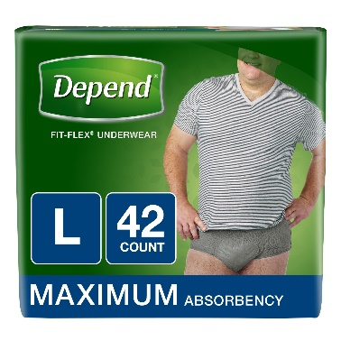 | 036000479300 | 3600047930 | 15 | 1 | XL | men | GREY | MAXIMUM | 14.99 | 1.00 | 14.49 | 0.97 | 11.99 | 0.80 |  |  |  |  | 10.49 | 0.70 |  |  |  |  |  |  |  |  |  |  |  |  | 12.25 | 0.82 |  |  |  |  |  |  |  | 19.99 |  | 11571836 | 17633 | 159878 | https://s3-us-west-2.amazonaws.com/smartcommerce.co/images_pms/36/11571836.jpg
 |  |  | 036000479263 | 36000479263 | 17 | 1 | L |  |  |  | 14.99 | 0.88 | 14.49 | 0.85 | 11.99 | 0.71 |  |  |  |  | 11.97 | 0.70 |  |  |  |  |  |  |  |  |  |  |  |  | 12.25 | 0.72 |  |  |  |  |  |  |  | 19.99 |  | 13252472 | 17633 | 146 | https://s3-us-west-2.amazonaws.com/smartcommerce.co/images_pms/72/13252472.jpg
 |  |  | 036000385335 | 3600038533 | 19 | 1 | S/M |  |  |  | 14.99 | 0.79 |  |  | 11.99 | 0.63 |  |  |  |  |  |  |  |  |  |  |  |  |  |  |  |  | 11.59 | 0.61 | 12.25 | 0.64 |  |  |  |  | 11.99 | 0.63 |  |  |  | 2103786 | 17633 | 3963 | https://s3-us-west-2.amazonaws.com/smartcommerce.co/images_pms/86/2103786.jpg
 |  |  | 36000479331 | 36000479331 | 26 | 1 | XL |  |  |  | 19.79 | 0.76 | 19.49 | 0.75 | 18.99 | 0.73 |  |  |  |  |  |  |  |  |  |  |  |  |  |  |  |  |  |  |  |  |  |  |  |  |  |  |  | 29.99 |  | 13269745 | 17633 | 159878 | https://s3-us-west-2.amazonaws.com/smartcommerce.co/images_pms/45/13269745.jpg
 |  |  | 036000479270 |  | 28 | 1 | L |  |  |  |  |  |  |  | 18.99 | 0.68 |  |  |  |  |  |  |  |  |  |  |  |  |  |  |  |  |  |  |  |  |  |  |  |  |  |  |  | 29.99 |  | 12946390 | 17633 | 146 | https://s3-us-west-2.amazonaws.com/smartcommerce.co/images_pms/90/12946390.jpg
 |  |  | 036000125399 | 0003600012539 | 32 | 1 | S/M |  |  |  | 19.79 | 0.62 | 19.49 | 0.61 | 18.99 | 0.59 | 18.94 | 0.59 |  |  | 18.94 | 0.59 |  |  |  |  |  |  |  |  |  |  |  |  |  |  | 18.94 | 0.59 |  |  | 17.99 | 0.56 |  | 24.24 |  | 2867582 | 17633 | 3963 | https://s3-us-west-2.amazonaws.com/smartcommerce.co/images_pms/82/2867582.webp
 |  |  | 036000484601 | 0003600048460 | 38 | 1 | XL |  |  |  |  |  |  |  |  |  | 24.87 | 0.65 | 25.99 | 0.68 |  |  |  |  |  |  |  |  |  |  |  |  |  |  |  |  |  |  |  |  |  |  |  | 33.53 |  | 13269613 | 17633 | 159878 | https://s3-us-west-2.amazonaws.com/smartcommerce.co/images_pms/13/13269613.jpg
 |  |  | 036000438703 | 0036000436167 | 42 | 1 | S/M |  |  |  |  |  |  |  |  |  |  |  | 26.99 | 0.64 | 26.99 | 0.64 |  |  |  |  |  |  |  |  |  |  |  |  |  |  |  |  |  |  |  |  |  | 35.09 |  | 1484845 | 17633 | 3963 | https://s3-us-west-2.amazonaws.com/smartcommerce.co/images_pms/45/1484845.jpg
 |  |  | 036000484588 |  | 42 | 1 | L |  |  |  |  |  | 25.99 | 0.62 | 24.99 | 0.60 | 24.87 | 0.59 | 24.87 | 0.59 |  |  |  |  |  |  |  |  |  |  |  |  |  |  |  |  |  |  |  |  |  |  |  |  |  | 13240427 | 17633 | 146 | https://s3-us-west-2.amazonaws.com/smartcommerce.co/images_pms/27/13240427.jpg
 |  |  |  | 0036000484434 | 46 | 1 | S/M |  |  |  |  |  |  |  |  |  |  |  |  |  | 24.87 | 0.54 |  |  |  |  |  |  |  |  |  |  |  |  |  |  |  |  |  |  |  |  |  | 34.77 |  | 12815251 | 17633 | 3963 | https://s3-us-west-2.amazonaws.com/smartcommerce.co/images_pms/51/12815251.png
 |  |  | 36000479348 |  | 48 | 1 | XL |  |  |  |  |  | 39.99 | 0.83 | 34.49 | 0.72 |  |  |  |  | 34.49 | 0.72 |  |  |  |  |  |  |  |  |  |  |  |  |  |  |  |  |  |  |  |  |  | 51.59 |  | 13240406 | 17633 | 159878 | https://s3-us-west-2.amazonaws.com/smartcommerce.co/images_pms/06/13240406.jpg
 |  |  | 03600047936 |  | 52 | 1 | L |  |  |  |  |  | 39.99 | 0.77 | 37.99 | 0.73 |  |  |  |  | 37.99 | 0.73 |  |  |  |  |  |  |  |  |  |  |  |  |  |  |  |  |  |  |  |  |  | 51.59 |  | 13284043 | 17633 | 146 | https://s3-us-west-2.amazonaws.com/smartcommerce.co/images_pms/43/13284043.jpeg
 |  |  | 036000367072 | 3600036707 | 60 | 1 | S/M |  |  |  | 41.99 | 0.70 | 39.99 | 0.67 | 38.99 | 0.65 | 38.84 | 0.65 | 38.84 | 0.65 | 38.84 | 0.65 |  |  |  |  |  |  |  |  |  |  |  |  |  |  |  |  |  |  |  |  |  | 50.0 |  | 768179 | 17633 | 3963 | https://s3-us-west-2.amazonaws.com/smartcommerce.co/images_pms/79/768179.jpg
 |  |  | 036000464986 |  | 80 | 1 | S/M |  |  |  |  |  |  |  |  |  |  |  |  |  |  |  |  |  |  |  |  |  | 42.99 | 0.54 |  |  |  |  |  |  |  |  |  |  |  |  |  |  |  | 3412174 | 17633 | 3963 | https://s3-us-west-2.amazonaws.com/smartcommerce.co/images_pms/74/3412174.jpg
 |  |  |  |  | 80 | 1 | XL |  |  |  |  |  |  |  |  |  |  |  |  |  |  |  |  |  | 42.98 | 0.54 | 42.99 | 0.54 |  |  |  |  |  |  |  |  |  |  |  |  |  |  | 54.99 |  |  | 13252861 | 17633 | 159878 | https://s3-us-west-2.amazonaws.com/smartcommerce.co/images_pms/61/13252861.jpeg
 |  |  | 036000469721 |  | 84 | 1 | S/M |  |  |  |  |  |  |  |  |  |  |  |  |  |  |  |  |  |  |  |  |  | 42.99 | 0.51 |  |  |  |  |  |  |  |  |  |  |  |  |  |  |  | 5163529 | 17633 | 3963 | https://s3-us-west-2.amazonaws.com/smartcommerce.co/images_pms/29/5163529.jpg
 |  |  | 36000484595 |  | 84 | 1 | L |  |  |  |  |  |  |  |  |  |  |  |  |  |  |  |  |  | 42.98 | 0.51 | 42.99 | 0.51 | 42.99 | 0.51 |  |  |  |  |  |  |  |  |  |  |  |  | 54.99 |  |  | 12771422 | 17633 | 146 | https://s3-us-west-2.amazonaws.com/smartcommerce.co/images_pms/22/12771422.jpg
 |  |  | 36000484564 |  | 92 | 1 | S/M |  |  |  |  |  |  |  |  |  |  |  |  |  |  |  |  |  | 42.98 | 0.47 | 42.99 | 0.47 | 42.99 | 0.47 | 49.99 | 0.54 |  |  |  |  |  |  |  |  |  |  | 54.99 |  |  | 11549697 | 17633 | 3963 | https://s3-us-west-2.amazonaws.com/smartcommerce.co/images_pms/97/11549697.jpg
 | Real fit briefs | 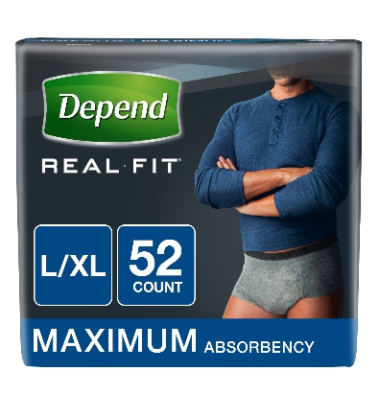 | 036000308143 | 0036000308143 | 3 | 1 | S/M | men | GREY | MAXIMUM |  |  |  |  |  |  |  |  |  |  |  |  | 14.99 | 5.00 |  |  |  |  |  |  |  |  |  |  |  |  |  |  |  |  |  |  |  |  |  | 2102134 | 20834 | 155740 | https://s3-us-west-2.amazonaws.com/smartcommerce.co/images_pms/34/2102134.jpg
 |  |  | 036000339925 | 3600033992 | 18 | 1 | L/XL |  | GREY |  | 19.99 | 1.11 | 19.99 | 1.11 |  |  | 31.15 | 1.73 |  |  | 31.16 | 1.73 |  |  |  |  |  |  |  |  |  |  |  |  |  |  |  |  |  |  |  |  |  | 29.99 |  | 2448526 | 20834 | 141 | https://s3-us-west-2.amazonaws.com/smartcommerce.co/images_pms/26/2448526.jpg
 |  |  |  | 0036000339956 | 20 | 1 | S/M/ |  | GREY |  |  |  |  |  |  |  |  |  |  |  |  |  |  |  |  |  |  |  |  |  |  |  |  |  |  |  |  |  |  |  |  |  |  | 21.77 |  | 14017536 | 20834 | 155740 | https://s3-us-west-2.amazonaws.com/smartcommerce.co/images_pms/36/14017536.jpg
 |  |  | 036000339956 | 3600033995 | 20 | 1 | S/M |  | GREY |  | 19.99 | 1.00 | 19.99 | 1.00 |  |  |  |  |  |  | 30.47 | 1.52 |  |  |  |  |  |  |  |  |  |  |  |  |  |  | 16.48 | 0.82 |  |  |  |  |  |  |  | 768346 | 20834 | 155740 | https://s3-us-west-2.amazonaws.com/smartcommerce.co/images_pms/46/768346.jpg
 |  |  | 03600035945 | 36000359459 | 52 | 1 | L/XL |  | BLUE |  | 59.99 | 1.15 | 58.99 | 1.13 | 53.99 | 1.04 | 53.99 | 1.04 |  |  | 53.99 | 1.04 |  |  |  |  |  |  | 50.99 | 0.98 |  |  |  |  |  |  |  |  |  |  |  |  |  |  |  | 11663516 | 20834 | 155742 | https://s3-us-west-2.amazonaws.com/smartcommerce.co/images_pms/16/11663516.jpg
 |  |  | 036000465808 | 36000465808 | 52 | 1 | L/XL |  | BLACK |  | 59.99 | 1.15 |  |  | 54.99 | 1.06 | 54.53 | 1.05 |  |  | 54.53 | 1.05 |  |  |  | 0.00 |  |  | 54.99 | 1.06 |  |  |  |  |  |  |  |  |  |  |  |  |  | 74.49 |  | 11663515 | 20834 | 155741 | https://s3-us-west-2.amazonaws.com/smartcommerce.co/images_pms/15/11663515.jpg
 |  |  | 036000359459 | 3600036639 | 52 | 1 | L/XL |  | GREY |  | 61.99 | 1.19 | 59.99 | 1.15 | 54.99 | 1.06 |  |  |  |  | 54.99 | 1.06 |  |  |  |  |  |  |  |  |  |  |  |  |  |  |  |  |  |  |  |  |  | 77.99 |  | 768344 | 20834 | 141 | https://s3-us-west-2.amazonaws.com/smartcommerce.co/images_pms/44/768344.jpg
 |  |  | 036000366389 | 36000359442 | 56 | 1 | S/M |  | BLUE |  | 59.99 | 1.07 | 56.99 | 1.02 |  |  | 52.15 | 0.93 |  |  | 52.15 | 0.93 |  |  |  |  |  |  | 50.99 | 0.91 |  |  |  |  |  |  |  |  |  |  |  |  |  |  |  | 682819 | 20834 | 4128 | https://s3-us-west-2.amazonaws.com/smartcommerce.co/images_pms/19/682819.jpg
 |  |  | 03600036638 | 3600036638 | 56 | 1 | S/M |  | GREY |  |  |  | 52.99 | 0.95 | 46.49 | 0.83 | 46.49 | 0.83 |  |  | 46.49 | 0.83 |  |  |  |  |  |  | 54.99 | 0.98 |  |  |  |  |  |  |  |  |  |  |  |  |  | 54.77 |  | 11392831 | 20834 | 155740 | https://s3-us-west-2.amazonaws.com/smartcommerce.co/images_pms/31/11392831.jpg
 |  |  | 036000359442 | 36000465839 | 56 | 1 | S/M |  | BLACK |  | 59.99 | 1.07 | 56.99 | 1.02 |  |  | 51.75 | 0.92 |  |  | 51.75 | 0.92 |  |  |  |  |  |  | 50.99 | 0.91 |  |  |  |  |  |  |  |  |  |  |  |  |  |  |  | 11404415 | 20834 | 155739 | https://s3-us-west-2.amazonaws.com/smartcommerce.co/images_pms/15/11404415.jpg
Pad for Man | Guards | 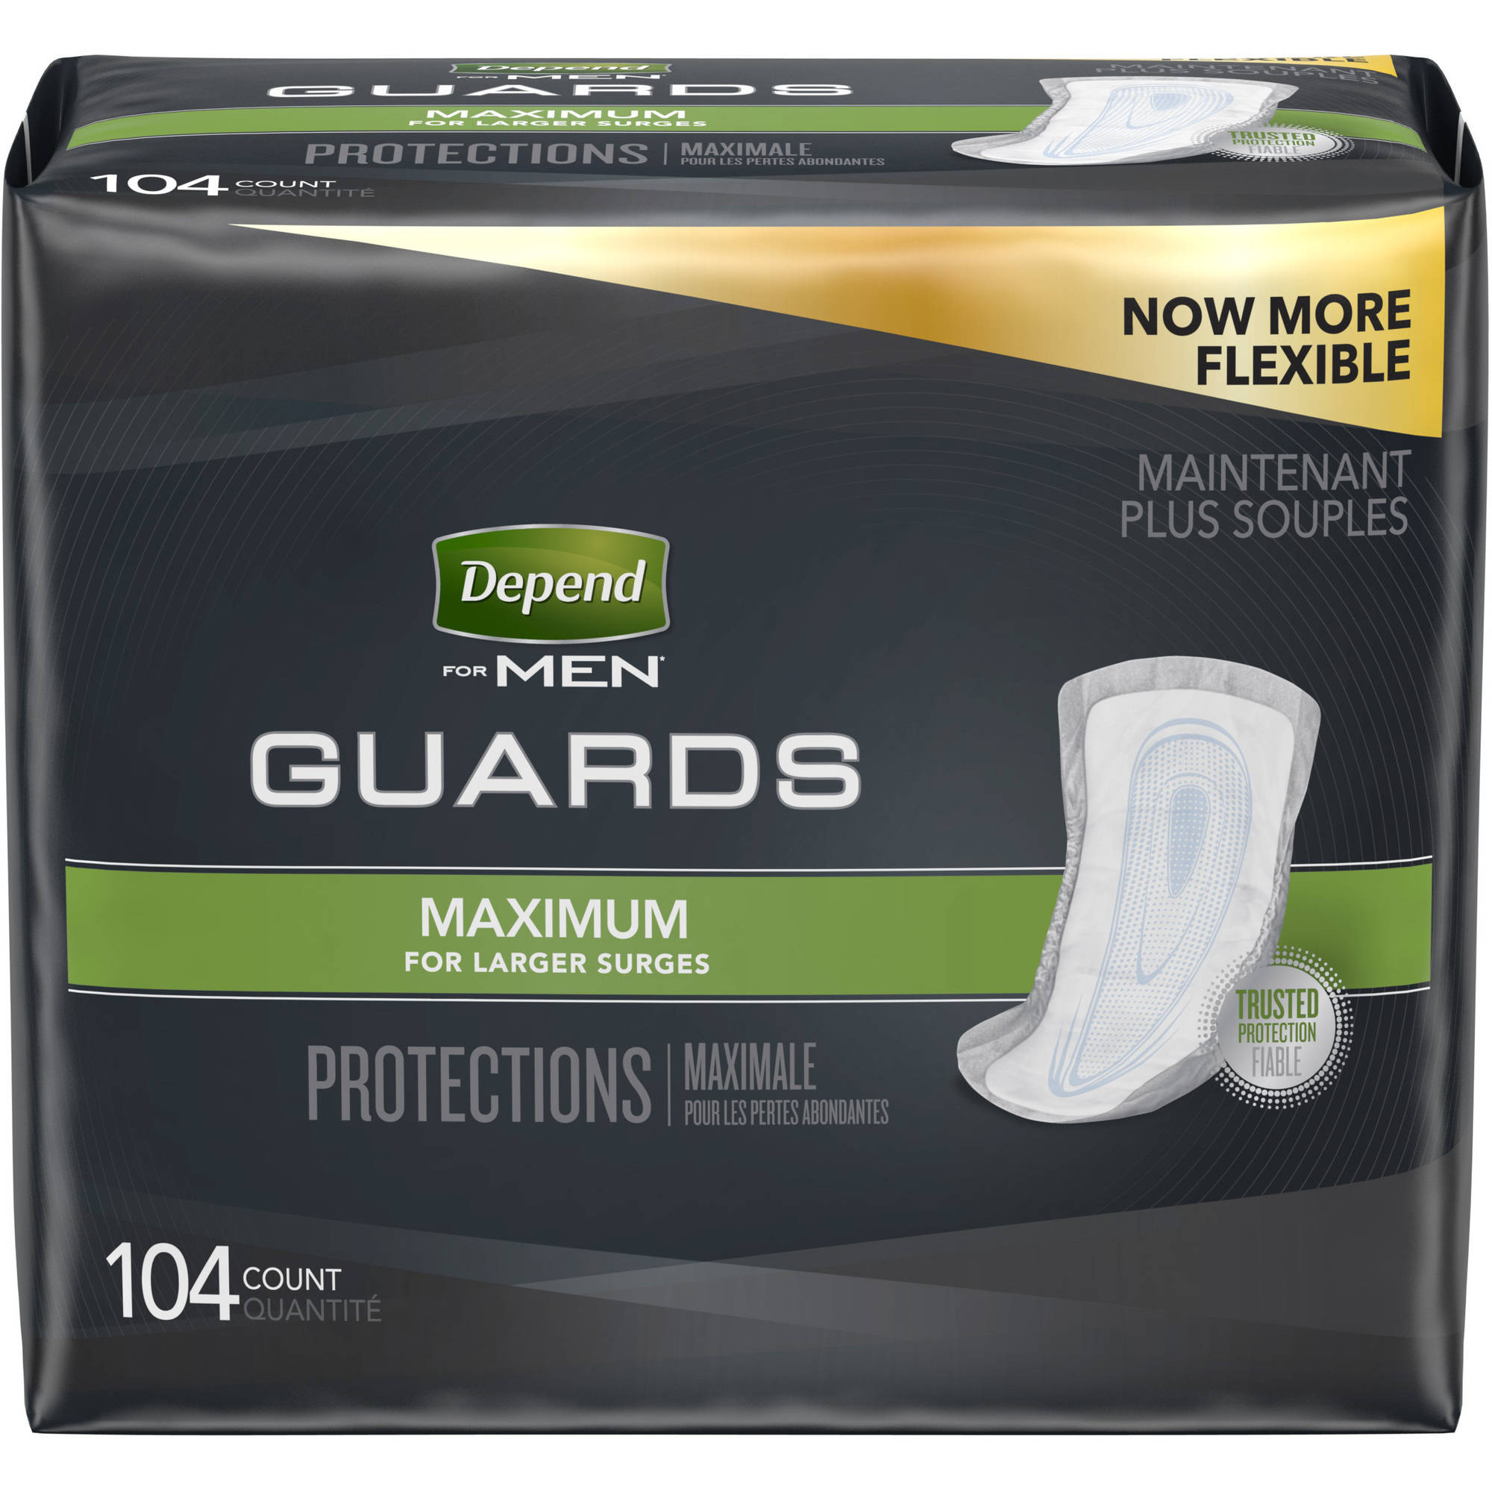 | 036000137927 | 3600013792 | 52 | 1 | One size fits all | men |  | MAXIMUM | 13.49 | 0.26 | 14.99 | 0.29 | 11.99 | 0.23 | 11.68 | 0.22 |  |  |  |  |  |  |  |  |  |  |  |  |  |  | 11.59 | 0.22 | 12.25 | 0.24 | 11.17 | 0.21 | 13.29 | 0.26 | 11.99 | 0.23 |  | 14.77 |  | 768162 | 2910 | 143 | https://s3-us-west-2.amazonaws.com/smartcommerce.co/images_pms/62/768162.jpg
 |  |  | 036000469639 |  | 52 | 2 |  |  |  |  |  |  |  |  |  |  |  |  |  |  | 24.56 | 0.24 |  |  |  |  |  |  |  |  |  |  |  |  |  |  |  |  | 13.29 | 0.13 |  |  |  |  |  | 682747 | 2910 | 143 | https://s3-us-west-2.amazonaws.com/smartcommerce.co/images_pms/47/682747.jpg
 |  |  | 03600046963 | 36000469639 | 104 | 1 |  |  |  |  |  |  | 26.99 | 0.26 | 26.99 | 0.26 | 24.56 | 0.24 |  |  | 43.29 | 0.42 |  |  | 23.88 | 0.23 | 19.99 | 0.19 | 27.99 | 0.27 |  |  |  |  |  |  |  |  |  |  |  |  |  |  |  | 11655080 | 2910 | 143 | https://s3-us-west-2.amazonaws.com/smartcommerce.co/images_pms/80/11655080.jpg
 | Shields | 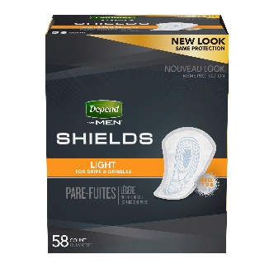 |  |  | 58 | 3 | One size fits all | men |  | LIGHT |  |  |  |  |  |  |  |  |  |  | 35.04 | 0.20 | 52.95 | 0.30 |  |  |  |  |  |  |  |  |  |  |  |  |  |  |  |  |  |  |  |  |  | 860532 | 2910 | 145 | https://s3-us-west-2.amazonaws.com/smartcommerce.co/images_pms/32/860532.jpg
 |  |  | 036000356410 | 3600035641 | 58 | 1 |  |  |  |  | 13.49 | 0.23 | 14.99 | 0.26 | 11.99 | 0.21 | 11.68 | 0.20 | 11.68 | 0.20 | 11.68 | 0.20 |  |  |  |  |  |  |  |  |  |  |  |  |  |  |  |  |  |  | 11.99 | 0.21 |  | 14.77 |  | 768174 | 2910 | 145 | https://s3-us-west-2.amazonaws.com/smartcommerce.co/images_pms/74/768174.jpg
 |  |  |  |  | 174 | 1 |  |  |  |  |  |  |  |  |  |  |  |  |  |  |  |  |  |  |  |  | 32.99 | 0.19 |  |  |  |  |  |  |  |  |  |  |  |  |  |  |  |  |  | 13252864 | 2910 | 145 | https://s3-us-west-2.amazonaws.com/smartcommerce.co/images_pms/64/13252864.jpg
Adult Diaper | Adjustable underwear | 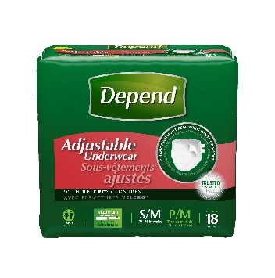 | 03600019184 |  | 16 | 1 | L/XL | Unisex |  | MAXIMUM |  |  |  |  |  |  |  |  |  |  | 14.99 | 0.94 |  |  |  |  |  |  |  |  |  |  |  |  |  |  |  |  |  |  | 11.99 | 0.75 |  | 43.26 |  | 7269763 | 2910 | 2588 | https://s3-us-west-2.amazonaws.com/smartcommerce.co/images_pms/63/7269763.jpg
 |  |  | 036000191844 |  | 16 | 4 | L/XL |  |  |  |  |  |  |  |  |  | 43.88 | 0.69 |  |  |  |  |  |  |  |  |  |  |  |  |  |  |  |  |  |  |  |  |  |  |  |  |  |  |  | 799193 | 2910 | 2588 | https://s3-us-west-2.amazonaws.com/smartcommerce.co/images_pms/93/799193.jpeg
 |  |  | 036000191837 | 0003600019183 | 18 | 1 | S/M |  |  |  |  |  |  |  |  |  |  |  |  |  |  |  |  |  |  |  |  |  |  |  |  |  |  |  |  |  |  |  |  |  |  |  |  | 50.74 |  | 799123 | 2910 | 2589 | https://s3-us-west-2.amazonaws.com/smartcommerce.co/images_pms/23/799123.jpg
 | Protection with tabs | 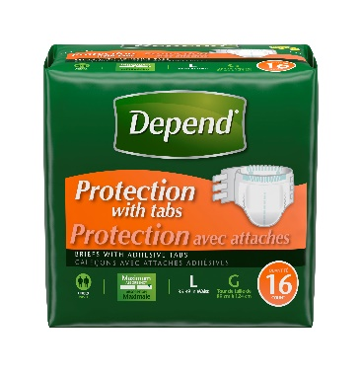 | 036000193176 | 36000354584 | 16 | 1 | L | Unisex |  | MAXIMUM | 45.99 | 2.87 | 15.89 | 0.99 |  |  | 14.47 | 0.90 |  |  |  |  | 54.35 | 3.40 |  |  |  |  |  |  |  |  |  |  |  |  |  |  |  |  |  |  |  | 13.98 |  | 809831 | 2910 | 4127 | https://s3-us-west-2.amazonaws.com/smartcommerce.co/images_pms/31/809831.jpg
 |  |  | 492450103903 |  | 16 | 3 | L |  |  |  |  |  |  |  | 44.99 | 0.94 |  |  |  |  | 43.41 | 0.90 |  |  |  |  |  |  |  |  |  |  |  |  |  |  |  |  |  |  |  |  |  |  |  | 3745077 | 2910 | 4127 | https://s3-us-west-2.amazonaws.com/smartcommerce.co/images_pms/77/3745077.jpg
 |  |  |  |  | 16 | 4 | L |  |  |  |  |  |  |  |  |  |  |  |  |  | 82.84 | 1.29 |  |  |  |  |  |  |  |  |  |  |  |  |  |  |  |  |  |  |  |  |  |  |  | 2719041 | 2910 | 4127 | https://s3-us-west-2.amazonaws.com/smartcommerce.co/images_pms/41/2719041.jpg
 |  |  | 036000197402 |  | 20 | 4 | S/M |  |  |  |  |  |  |  |  |  |  |  |  |  | 80.36 | 1.00 |  |  |  |  |  |  |  |  |  |  |  |  |  |  |  |  |  |  |  |  |  |  |  | 2797552 | 2910 | 4126 | https://s3-us-west-2.amazonaws.com/smartcommerce.co/images_pms/52/2797552.jpg
 |  |  | 036000197402 |  | 20 | 2 | S/M |  |  |  |  |  |  |  |  |  |  |  |  |  | 44.3 | 1.11 |  |  |  |  |  |  |  |  |  |  |  |  |  |  |  |  |  |  |  |  |  |  |  | 2104363 | 2910 | 4126 | https://s3-us-west-2.amazonaws.com/smartcommerce.co/images_pms/63/2104363.jpg
 |  |  | 492450103910 |  | 20 | 3 | S/M |  |  |  |  |  |  |  | 44.99 | 0.75 |  |  |  |  |  |  |  |  |  |  |  |  |  |  |  |  |  |  |  |  |  |  |  |  |  |  |  |  |  | 690010 | 2910 | 4126 | https://s3-us-west-2.amazonaws.com/smartcommerce.co/images_pms/10/690010.jpg
 |  |  | 036000197402 | 36000354560 | 20 | 1 | S/M |  |  |  | 45.99 | 2.30 | 15.89 | 0.79 |  |  | 15.89 | 0.79 |  |  | 23.38 | 1.17 |  |  |  |  |  |  |  |  |  |  |  |  |  |  |  |  |  |  |  |  |  |  |  | 799470 | 2910 | 4126 | https://s3-us-west-2.amazonaws.com/smartcommerce.co/images_pms/70/799470.jpg
Pad for bed | Bed protectors |  | 036000469615 |  | 12 | 2 | One size fits all | Unisex |  | OVERNIGHT |  |  |  |  |  |  |  |  |  |  | 26.46 | 1.10 |  |  |  |  |  |  |  |  |  |  |  |  |  |  |  |  |  |  |  |  |  | 36.09 |  | 10565769 | 2910 | 140 | https://s3-us-west-2.amazonaws.com/smartcommerce.co/images_pms/69/10565769.jpg
 |  |  | 036000469615 | 0003600046961 | 12 | 1 |  |  |  |  |  |  |  |  |  |  |  |  |  |  |  |  |  |  |  |  |  |  |  |  |  |  |  |  |  |  | 11.97 | 1.00 |  |  |  |  |  | 14.77 |  | 6420323 | 2910 | 140 | https://s3-us-west-2.amazonaws.com/smartcommerce.co/images_pms/23/6420323.jpg

