Sheet1
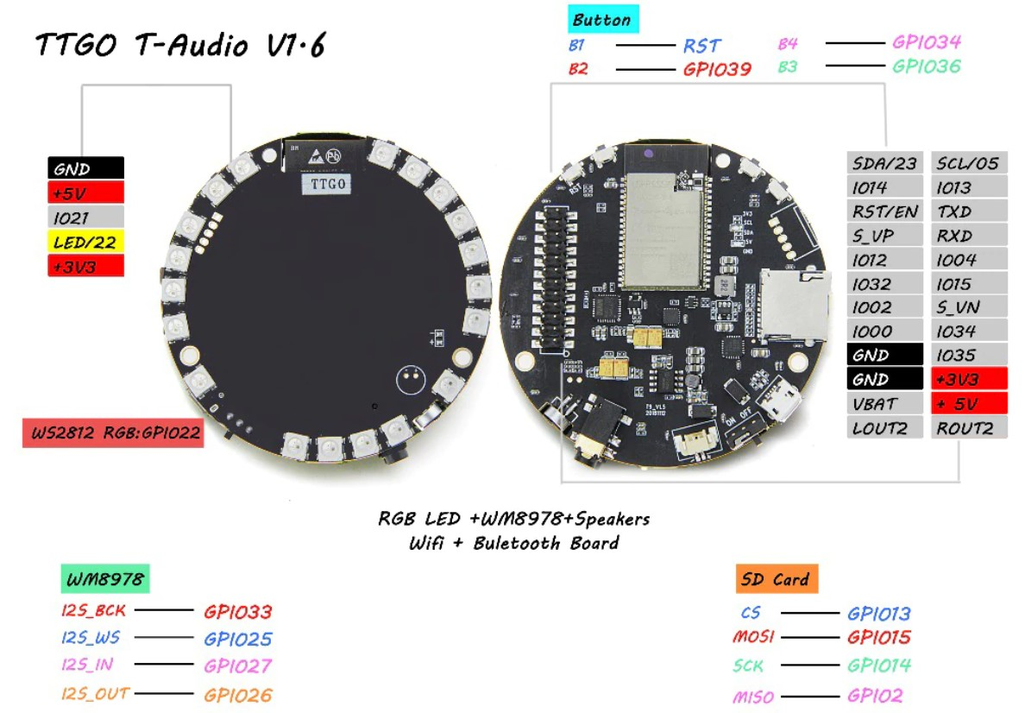

LEDs
Layout is ON SCALE (indicated sizes in Excel correpond with real dimensions)
For the LEDs, the position is given as the angle with the x-axis, which is also the x-axis of the sensors
As the LED's are not positioned regularly In , it is probably useful to use a table of cosine and sine values for the LEDs. This helps to create smooth real time moving patterns.
Think e.g. on an "analog" clock or an alignment tool with LED indicator.

LED 0
LED 18
X LED 3
X
Y
H 0
H 1
H 2
LED 10
LED NR | ANGLE | COS | SIN | Angle *
0 | 67 | 0.39073112849 | 0.92050485345 | 67
1 | 55 | 0.57357643635 | 0.81915204429 | 55
2 | 41 | 0.75470958022 | 0.65605902899 | 41
3 | 28 | 0.88294759286 | 0.46947156279 | 28
4 | 16 | 0.96126169594 | 0.27563735582 | 16
5 | 1 | 0.99984769516 | 0.017452406437 | 1
6 | -10 | 0.98480775301 | -0.17364817767 | 350
7 | -37 | 0.79863551005 | -0.60181502315 | 323
8 | -63 | 0.45399049974 | -0.89100652419 | 297
9 | -75 | 0.2588190451 | -0.96592582629 | 285
10 | -88 | 0.034899496703 | -0.99939082702 | 272
11 | -101 | -0.19080899538 | -0.98162718345 | 259
12 | -145 | -0.81915204429 | -0.57357643635 | 215
13 | -167 | -0.97437006479 | -0.22495105434 | 193
14 | -180 | -1 | -1.2251484549E-16 | 180
15 | -193 | -0.97437006479 | 0.22495105434 | 167
16 | -206 | -0.8987940463 | 0.43837114679 | 154
17 | -224 | -0.71933980034 | 0.69465837046 | 136
18 | -237 | -0.54463903502 | 0.83867056795 | 123

HOLES
H 0 | -25 | 0.90630778704 | -0.42261826174
H 1 | -155 | -0.90630778704 | -0.42261826174
H2 | -248 | -0.37460659342 | 0.92718385457

mic | -50 | 0.64278760969 | -0.76604444312

Overlays of elements
Can be useful to create custom panels for applications
TODO: overlay for buttons, switch and SD card

LEDS
HOLES
MIC

