Sheet1
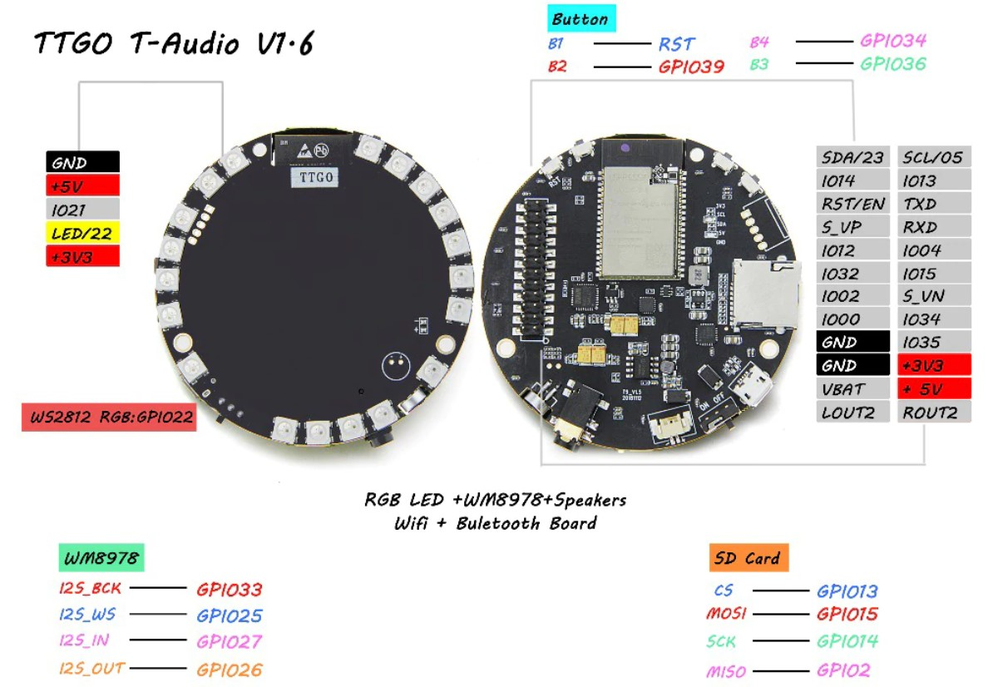

LEDs
Layout is ON SCALE (indicated sizes in Excel correpond with real dimensions)
For the LEDs, the position is given as the angle with the x-axis, which is also the x-axis of the sensors
As the LED's are not positioned regularly In , it is probably useful to use a table of cosine and sine values for the LEDs. This helps to create smooth real time moving patterns.
Think e.g. on an "analog" clock or an alignment tool with LED indicator.

LED 0
LED 18
X LED 3
X
Y
H 0
H 1
H 2
LED 10
LED NR | ANGLE | COS | SIN
0 | 67 | 0.39073112849 | 0.92050485345
1 | 55 | 0.57357643635 | 0.81915204429
2 | 41 | 0.75470958022 | 0.65605902899
3 | 28 | 0.88294759286 | 0.46947156279
4 | 16 | 0.96126169594 | 0.27563735582
5 | 1 | 0.99984769516 | 0.017452406437
6 | -10 | 0.98480775301 | -0.17364817767
7 | -37 | 0.79863551005 | -0.60181502315
8 | -63 | 0.45399049974 | -0.89100652419
9 | -75 | 0.2588190451 | -0.96592582629
10 | -88 | 0.034899496703 | -0.99939082702
11 | -101 | -0.19080899538 | -0.98162718345
12 | -145 | -0.81915204429 | -0.57357643635
13 | -167 | -0.97437006479 | -0.22495105434
14 | -180 | -1 | -1.2251484549E-16
15 | -193 | -0.97437006479 | 0.22495105434
16 | -206 | -0.8987940463 | 0.43837114679
17 | -224 | -0.71933980034 | 0.69465837046
18 | -237 | -0.54463903502 | 0.83867056795

HOLES
H 0 | -25 | 0.90630778704 | -0.42261826174
H 1 | -155 | -0.90630778704 | -0.42261826174
H2 | -248 | -0.37460659342 | 0.92718385457

mic | -50 | 0.64278760969 | -0.76604444312

Overlays of elements
Can be useful to create custom panels for applications
TODO: overlay for buttons, switch and SD card

LEDS
HOLES
MIC

