Design Specification
Outputs |  |  | Out of scope design outputs |  |  | Inputs |  | Type
Geometric outline | Amount | Unit |  | Amount | Unit | Environment | Mars | 'Mars'/'Moon'
Wall thickness | 0.3 | [m] | Printing time estimation [34kg/hr] | 174.3 | days | Number of Occupants | 1 | integer > 0
Floors | 1.0 | [-] | Solar panels suggested | 38.0 | amount | Mission duration | 1 | > 0,5 [years]
Height | 6.0 | [m] | Nuclear fission reactors suggested | 0.0 | amount | Max print height | 21 | > 3 [m]
Base radius | 5.0 | [m]
Power use distribution [%,kW]
Top radius | 2.0 | [m]
Print volume Estimate | 117.4 | [m^3]
 |  |  | Life Support distributions
Power usage/module |  |  | Power
Science | 12.5 | [kW] | Oxygen | 0.4 | [kW]
Communication | 1.1 | [kW] | Water | 0.7 | [kW]
Storage | 4.0 | [kW] | Food | 0.0 | [kW]
Repair | 1.7 | [kW] | Volume
Airlock | 4.5 | [kW] | Oxygen | 2.0 | [m^3]
Livingquarters | 1.5 | [kW] | Water | 4.0 | [m^3]
Lifesupport | 1.1 | [kW] | Food | 0.0 | [m^3]
Total Power | 27.4 | [kW]
Heating | 1.1 | [kW] | Geometry example for this instance
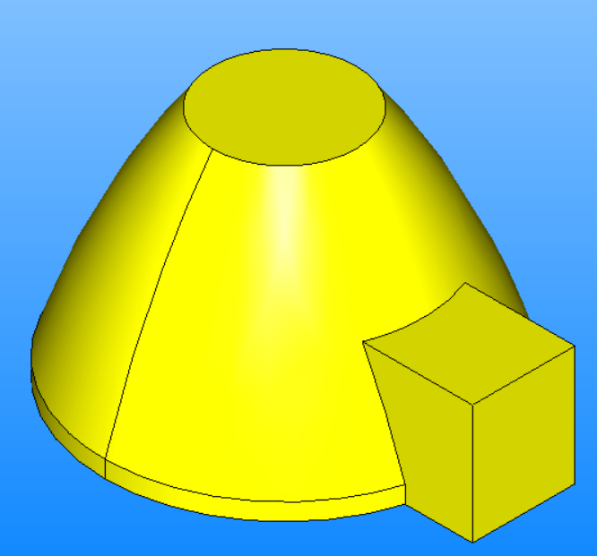
Volume usage/module
Science | 18.0 | [m^3]
Communication | 6.0 | [m^3]
Storage | 46.0 | [m^3]
Repair | 11.5 | [m^3]
Volume use distribution [m^3]
Airlock | 77.5 | [m^3]
Livingquarters | 27.0 | [m^3]
Lifesupport | 6.0 | [m^3]
Total Volume | 192.0 | [m^3]

