Design Specification
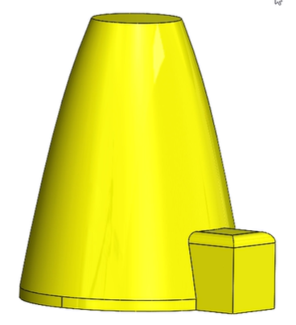
Outputs |  |  | Inputs
Geometric outline | Amount | Unit | Environment | Mars
Wall thickness | 0.06 | [] | Number of Occupants | 6
Floors | 0.07 | [] | Mission Length
Height |  | [] | Science modules | Wheather station | Spectrometer
Base diameter |  | [] | Workshop
 |  | [] | Communications
Power usage/module |  |  | etc
Science |  | [kW]
 |  | [kW]
 |  | [kW]
 |  | [kW]
 |  | [kW]
 |  | [kW]
Total Power |  | [kW]
Heating/Radiator | -0.90367778286 | [kW]
Volume usage/module
Science |  | [m^3]
Lifesupport | 50 | [m^3]
Livingquarters | 17 | [m^3]
Workshop | 1 | [m^3]
Storage | 3 | [m^3]
 | 52 | [m^3]

