Design Specification
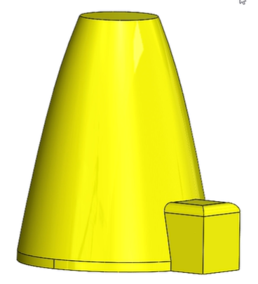
Outputs |  |  | Inputs
Geometric outline | Amount | Unit | Environment | Mars
 |  | [] | Number of Occupants | 6
Floors | 0.07 | [] | Mission Length
Height |  | [] | Science modules | Wheather station | Spectrometer
Base diameter |  | [] | Workshop
 |  | [] | Communications
Power usage/module |  |  | etc
Science |  | []
 |  | []
 |  | []
 |  | []
 |  | []
 |  | []
Total Power
Volume usage/module
Science |  | [m^3]
Lifesupport |  | [m^3]
Livingquarters |  | [m^3]

