5. Internal Competency Analysis
VRIO Analysis |  |  |  |  | Value Chain Analysis
Instructions: identify your top 5 STRENGTHS using the 5 VRIO Analysis Boxes Here. Your Top 5 WEAKNESSES can be entered directly onto Tab 1.
Identify the Corporate or Functional Resource #1: | (input corporate resource identifier here)

VRIO Evaluation Criteria |  | Comments
Value | Does the corporate resource identified provide competitive advantage? |  | FALSE | - |  |  | Update Tab 1 with any key S&W
Rareness | Do no other competitors possess this corporate resource? |  | FALSE | - | Consideration Points Industry Value Chain: | Comments: | List Key Strengths or Weaknesses
Imitability | Is it costly for others to imitate this corporate resource? |  | TRUE | - | Where is value added earned throughout the industry value chain?
Organization | Is the company organized to exploit this corporate resource? |  | TRUE | - | Where in the industry value chain is the company most competent?
 |  |  |  |  | Is vertical integration possible or desirable?
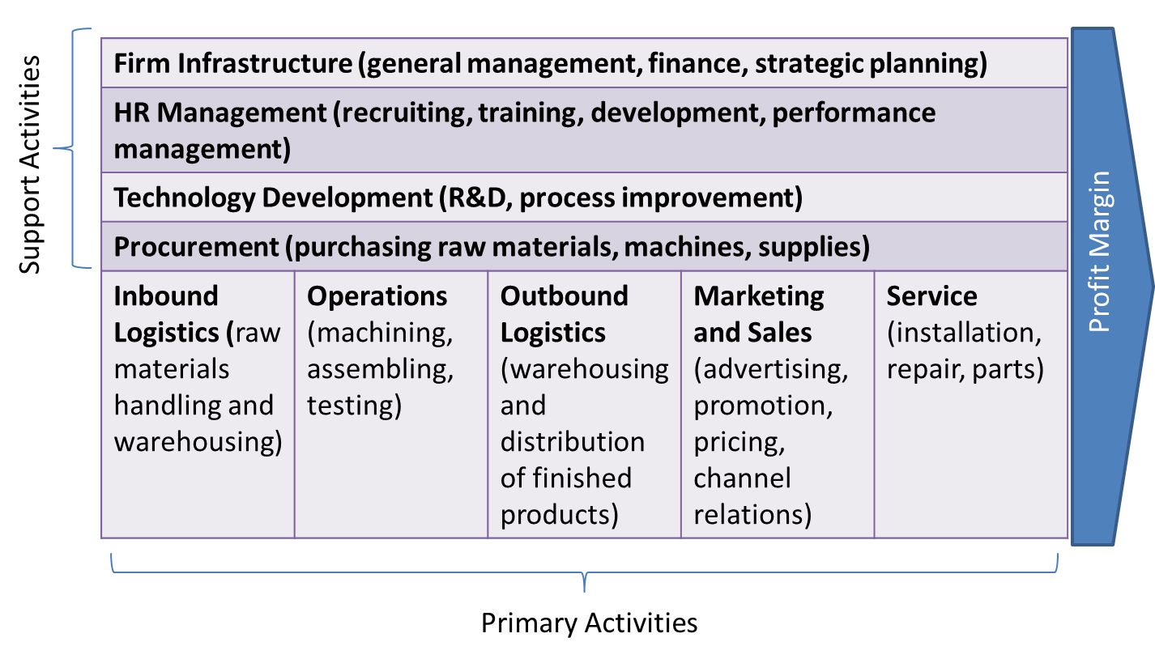
CONCLUSION | This corporate resource is probably NOT A STRENGTH. |  | 2

Comment on how "sustainable" this competitive advantage is taking into consideration durability and imitability:

Identify the Corporate or Functional Resource #2: | (input corporate resource identifier here)

VRIO Evaluation Criteria |  | Comments
Value | Does the corporate resource identified provide competitive advantage? |  | TRUE
Rareness | Do no other competitors possess this corporate resource? |  | TRUE |  |  |  | Update Tab 1 with any key S&W
Imitability | Is it costly for others to imitate this corporate resource? |  | FALSE |  | Consideration Points Corporate Value Chain: | Comments: | List Key Strengths or Weaknesses
Organization | Is the company organized to exploit this corporate resource? |  | TRUE |  | 1.Examine the value chain for each product and service and identify areas of strength and weakness. Are any of the strengths indicative of a “distinctive competency” and a source of competitive advantage?
 |  |  |  |  | 2.Look for the linkages within each value chain. Are the costs of one activity dictated by another activity and could these activities be jointly evaluated to find an optimal solution?
CONCLUSION | This corporate resource is MODERATE STRENGTH for the organization. |  | 3 |  | 3.Look for potential synergies among the value chains of different product lines or business units. There may be economies of scope available by looking at multiple value chains simultaneously?

Comment on how "sustainable" this competitive advantage is taking into consideration durability and imitability:
 |  |  |  |  | Functional Resource Analysis
 |  |  |  |  | Fuctional Resources Consideration Points: | Comments: | List Key Strengths or Weaknesses
 |  |  |  |  | •Corporate culture (intensity & integration)
Identify the Corporate or Functional Resource #3: | (input corporate resource identifier here) |  |  |  | •Marketing (position, segmentation, mix, product life cycle)
 |  |  |  |  | •Financial (leverage, capital budgeting)
VRIO Evaluation Criteria |  | Comments |  |  | •R&D (intensity, competence, transfer, mix)
Value | Does the corporate resource identified provide competitive advantage? |  |  |  | •Operations (leverage, experience curve, economies of scale and economies of scope)
Rareness | Do no other competitors possess this corporate resource? |  |  |  | •Human resources (work teams, labor relations, diversity)
Imitability | Is it costly for others to imitate this corporate resource? |  | TRUE |  | •Information technology (data collection, process automation, external connectivity to suppliers and customers)
Organization | Is the company organized to exploit this corporate resource? |  | TRUE

CONCLUSION | This corporate resource is probably NOT A STRENGTH. |  | 2

Comment on how "sustainable" this competitive advantage is taking into consideration durability and imitability:

Identify the Corporate or Functional Resource #4: | (input corporate resource identifier here)

VRIO Evaluation Criteria |  | Comments
Value | Does the corporate resource identified provide competitive advantage? |  | TRUE
Rareness | Do no other competitors possess this corporate resource? |  | TRUE
Imitability | Is it costly for others to imitate this corporate resource? |  | TRUE
Organization | Is the company organized to exploit this corporate resource? |  | TRUE

CONCLUSION | This corporate resource is a CLEAR STRENGTH for the organization. |  | 4

Comment on how "sustainable" this competitive advantage is taking into consideration durability and imitability:

Identify the Corporate or Functional Resource #5: | (input corporate resource identifier here)

VRIO Evaluation Criteria |  | Comments
Value | Does the corporate resource identified provide competitive advantage? |  | TRUE
Rareness | Do no other competitors possess this corporate resource? |  | TRUE
Imitability | Is it costly for others to imitate this corporate resource? |  | TRUE
Organization | Is the company organized to exploit this corporate resource? |  | TRUE

CONCLUSION | This corporate resource is a CLEAR STRENGTH for the organization. |  | 4

Comment on how "sustainable" this competitive advantage is taking into consideration durability and imitability:

7.Product Market Expansion Grid
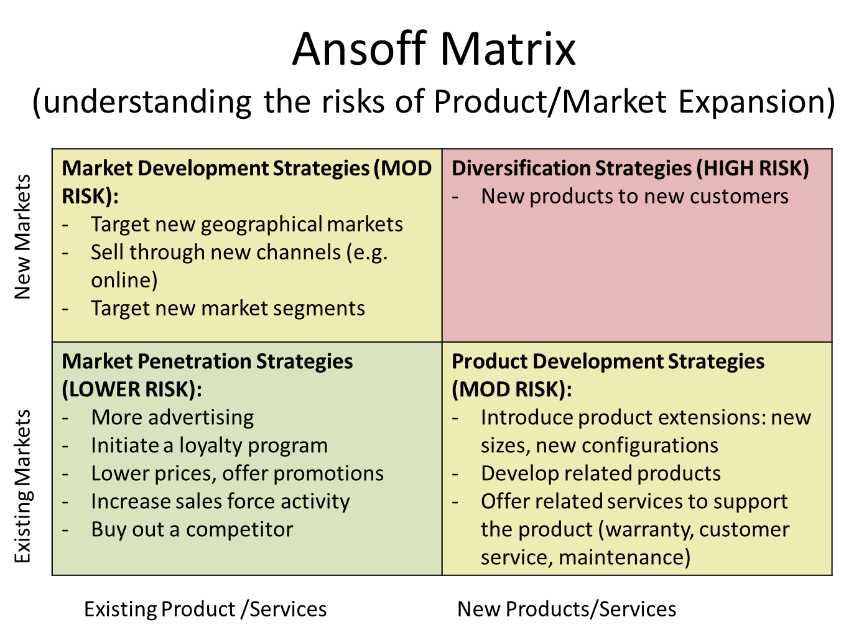

Existing Markets New Markets
Market Development Strategies | Diversification Strategies
fill in with your proposed growth strategies | fill in with your proposed growth strategies

Market Penetration Stratgies | Product Development Strategies
fill in with your proposed growth strategies | fill in with your proposed growth strategies

8. BSC Matrix
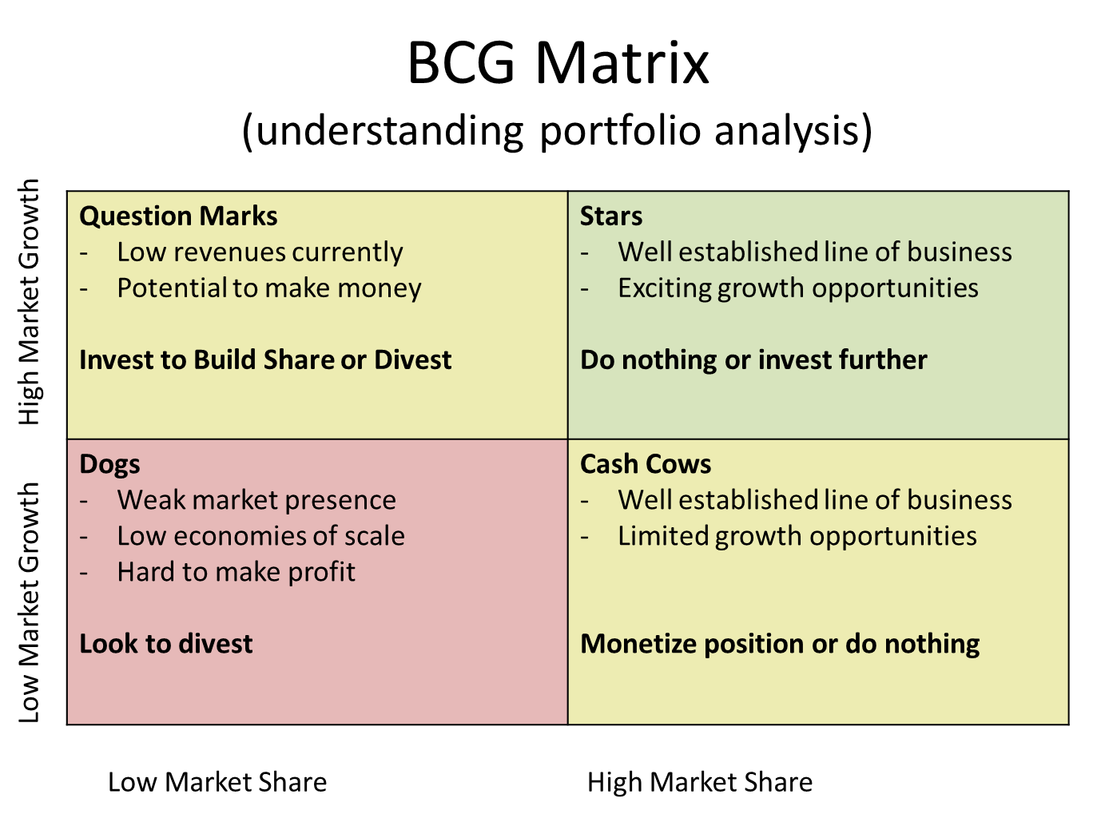

Low Market Growth High Market Growth
QUESTION MARKS | STARS
Identify business units or product lines | Identify business units or product lines

DOGS | CASH COWS
Identify business units or product lines | Identify business units or product lines

Low Market Share High Market Share

9. McKinsey Matrix
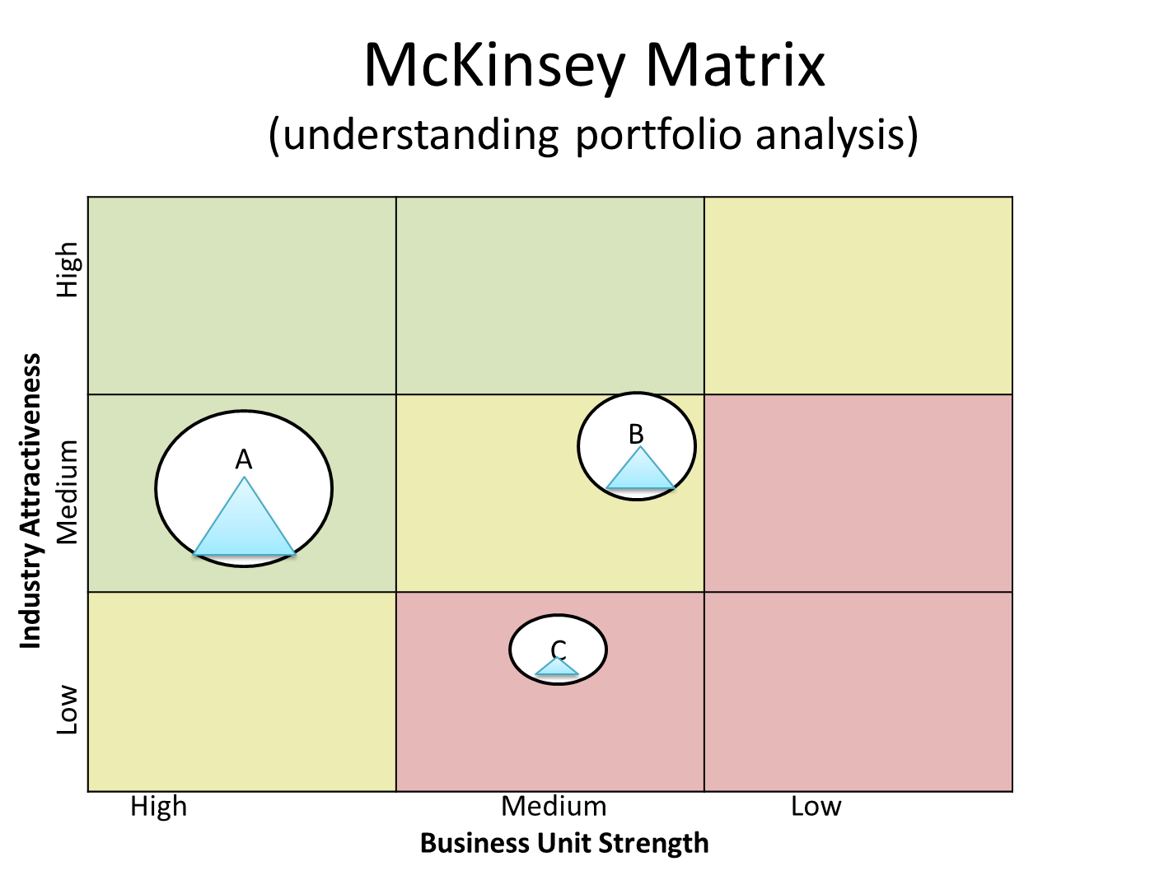
 | Example: |  |  | Analysis:

 |  |  |  | Step 1: Identify the most relevant industry attractiveness factors (use your PEST Analysis and 5 Forces Analysis) | Step 2: Weigh the factors by importance | Step 3: Rate each business unit or product line based on each of these factors.
 |  |  |  |  |  | Business Unit A |  | Business Unit B |  | Business Unit C |  | Business Unit D
 |  |  |  | Attactiveness Factors | Weight (must total 1) | Rating (1-9) | Weighted score | Rating | Weighted score | Rating | Weighted score | Rating | Weighted score
 |  |  |  | Factor A | 0.125 | 9 | 1.13 | 5 | 0.63 | 5 | 0.63 | 5 | 0.63
 |  |  |  | Factor B | 0.125 | 9 | 1.13 | 5 | 0.63 | 5 | 0.63 | 5 | 0.63
 |  |  |  | Factor C | 0.125 | 9 | 1.13 | 5 | 0.63 | 5 | 0.63 | 5 | 0.63
 |  |  |  | Factor D | 0.125 | 9 | 1.13 | 5 | 0.63 | 5 | 0.63 | 5 | 0.63
 |  |  |  | Factor E | 0.125 | 9 | 1.13 | 5 | 0.63 | 5 | 0.63 | 5 | 0.63
 |  |  |  | Factor F | 0.125 | 9 | 1.13 | 5 | 0.63 | 5 | 0.63 | 5 | 0.63
 |  |  |  | Factor G | 0.125 | 9 | 1.13 | 5 | 0.63 | 5 | 0.63 | 5 | 0.63
 |  |  |  | Factor H | 0.125 | 9 | 1.13 | 5 | 0.63 | 5 | 0.63 | 5 | 0.63
 |  |  |  | TOTAL | 1.000 | Y axis-> | 9.00 | Y axis-> | 5.00 | Y axis-> | 5.00 | Y axis-> | 5.00

 |  |  |  | Step 4: Identify the most relevant indicators of business unit strength (use your VRIO Analysis) | Step 5: Weigh the factors by importance | Step 6: Rate each business unit or product line based on each of these factors.
 |  |  |  |  |  | Business Unit A |  | Business Unit B |  | Business Unit C |  | Business Unit D
 |  |  |  | Business Unit Strength | Weight (must total 1) | Rating (1-9) | Weighted score | Rating | Weighted score | Rating | Weighted score | Rating | Weighted score
 |  |  |  | Factor A | 0.125 | 9 | 1.13 | 5 | 0.63 | 5 | 0.63 | 5 | 0.63
 |  |  |  | Factor B | 0.125 | 9 | 1.13 | 5 | 0.63 | 5 | 0.63 | 5 | 0.63
 |  |  |  | Factor C | 0.125 | 9 | 1.13 | 5 | 0.63 | 5 | 0.63 | 5 | 0.63
 |  |  |  | Factor D | 0.125 | 9 | 1.13 | 5 | 0.63 | 5 | 0.63 | 5 | 0.63
 |  |  |  | Factor E | 0.125 | 9 | 1.13 | 5 | 0.63 | 5 | 0.63 | 5 | 0.63
 |  |  |  | Factor F | 0.125 | 9 | 1.13 | 5 | 0.63 | 5 | 0.63 | 5 | 0.63
 |  |  |  | Factor G | 0.125 | 9 | 1.13 | 5 | 0.63 | 5 | 0.63 | 5 | 0.63
 |  |  |  | Factor H | 0.125 | 9 | 1.13 | 5 | 0.63 | 5 | 0.63 | 5 | 0.63
Step 7: Plot each business unit or product line on the grid to the left using a circle. The size of the circle should be relative to the size of the market and the pie slice inside it should represent the business unit's market share. |  |  |  | TOTAL | 1.000 | X axis-> | 9.00 | X axis-> | 5.00 | X axis-> | 5.00 | X axis-> | 5.00

Industry Attractiveness
Low Medium High
9
6
3
 | 9 | 6 | 3
High Medium Low
Business Unit Strength

10. Strategic Decisions
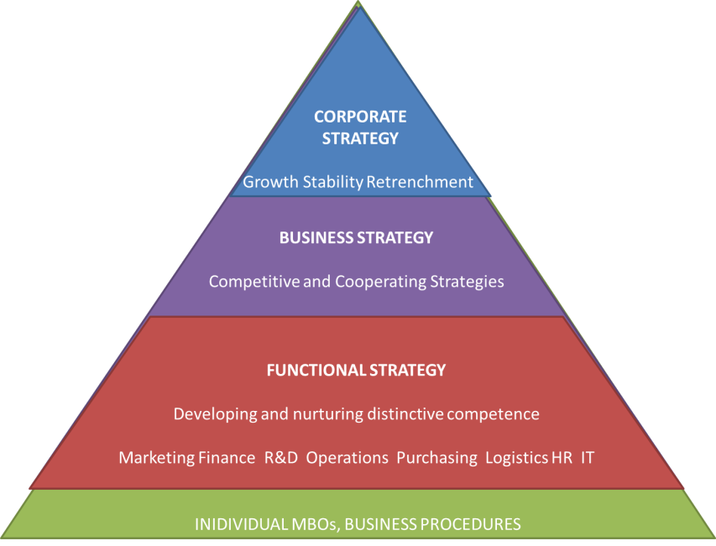
Defining the Strategic Issue
Hierarchy of Strategic Decisions | Step 1: Brainstorm with your strategic planning group a list of strategic issues: | Step 2: Evaluate each issue raised against each of these criteria to determine the level of strategic imporantance. |  |  |  |  |  |  | Step 3: Identify the type of strategic decision according to the hierarchy of strategic decisions. | Step 4 Rank the issues in terms of importance.
 | Issues raised: | Deals with the long-run future of the organization | Rare in that it doesn’t typically have a precedent to follow | Demands substantial commitment and resources of the enterprise | involves unusual risk (cost/benefit) and unusual benefit (ROI) | Sets purpose and direction for future decisions | Requires a long term commitment | Requires approval, go or no-go type decisions | Level in Strategy Pyramid (Corporate, Business, Functional, Individual) | (1-whatever)
 | Issue #1 | Yes/No | Yes/No | Yes/No | Yes/No | Yes/No | Yes/No | Yes/No |  |  | 1 | Corporate Strategy
 | Issue #2 | Yes/No | Yes/No | Yes/No | Yes/No | Yes/No | Yes/No | Yes/No |  |  | 1 | Business Strategy
 | Issue #3 | Yes/No | Yes/No | Yes/No | Yes/No | Yes/No | Yes/No | Yes/No |  |  | 1 | Functional Strategy
 | Issue #4 | Yes/No | Yes/No | Yes/No | Yes/No | Yes/No | Yes/No | Yes/No |  |  | 1 | Individual Strategy
 | Issue #5 | Yes/No | Yes/No | Yes/No | Yes/No | Yes/No | Yes/No | Yes/No |  |  | 1
 | Issue #6 | Yes/No | Yes/No | Yes/No | Yes/No | Yes/No | Yes/No | Yes/No |  |  | 1
 | Issue #7 | Yes/No | Yes/No | Yes/No | Yes/No | Yes/No | Yes/No | Yes/No |  |  | 1
 | Issue #8 | Yes/No | Yes/No | Yes/No | Yes/No | Yes/No | Yes/No | Yes/No |  |  | 1
 | Issue #9 | Yes/No | Yes/No | Yes/No | Yes/No | Yes/No | Yes/No | Yes/No |  |  | 1
 | Issue #10 | Yes/No | Yes/No | Yes/No | Yes/No | Yes/No | Yes/No | Yes/No |  |  | 1

 | Step 5: Define your strategic issue based on your analysis from Steps 1 to 4.

