Sheet1
 | Old text/functionality | New text/functionality
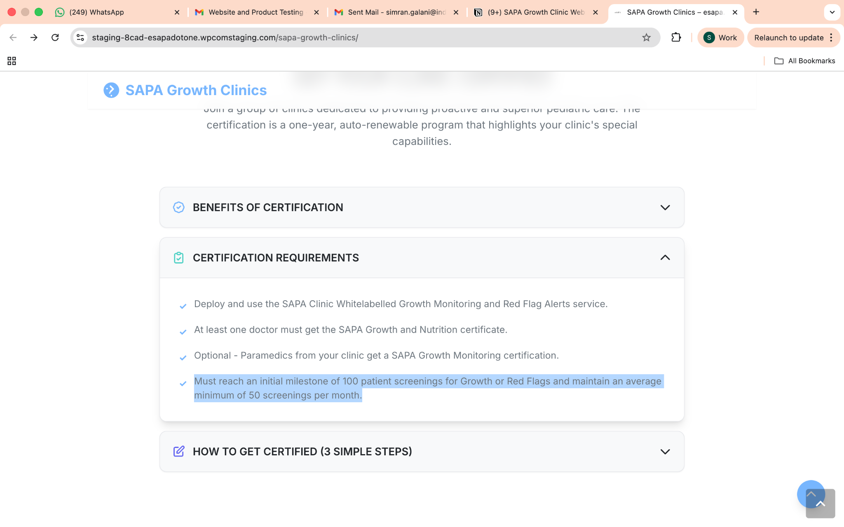 | Must reach an initial milestone of 100 patient screenings for Growth or Red Flags and maintain an average minimum of 50 screenings per month. | Must reach an initial milestone of 50 patient screenings for Growth or Red Flags and maintain an average minimum of 20 screenings per month.
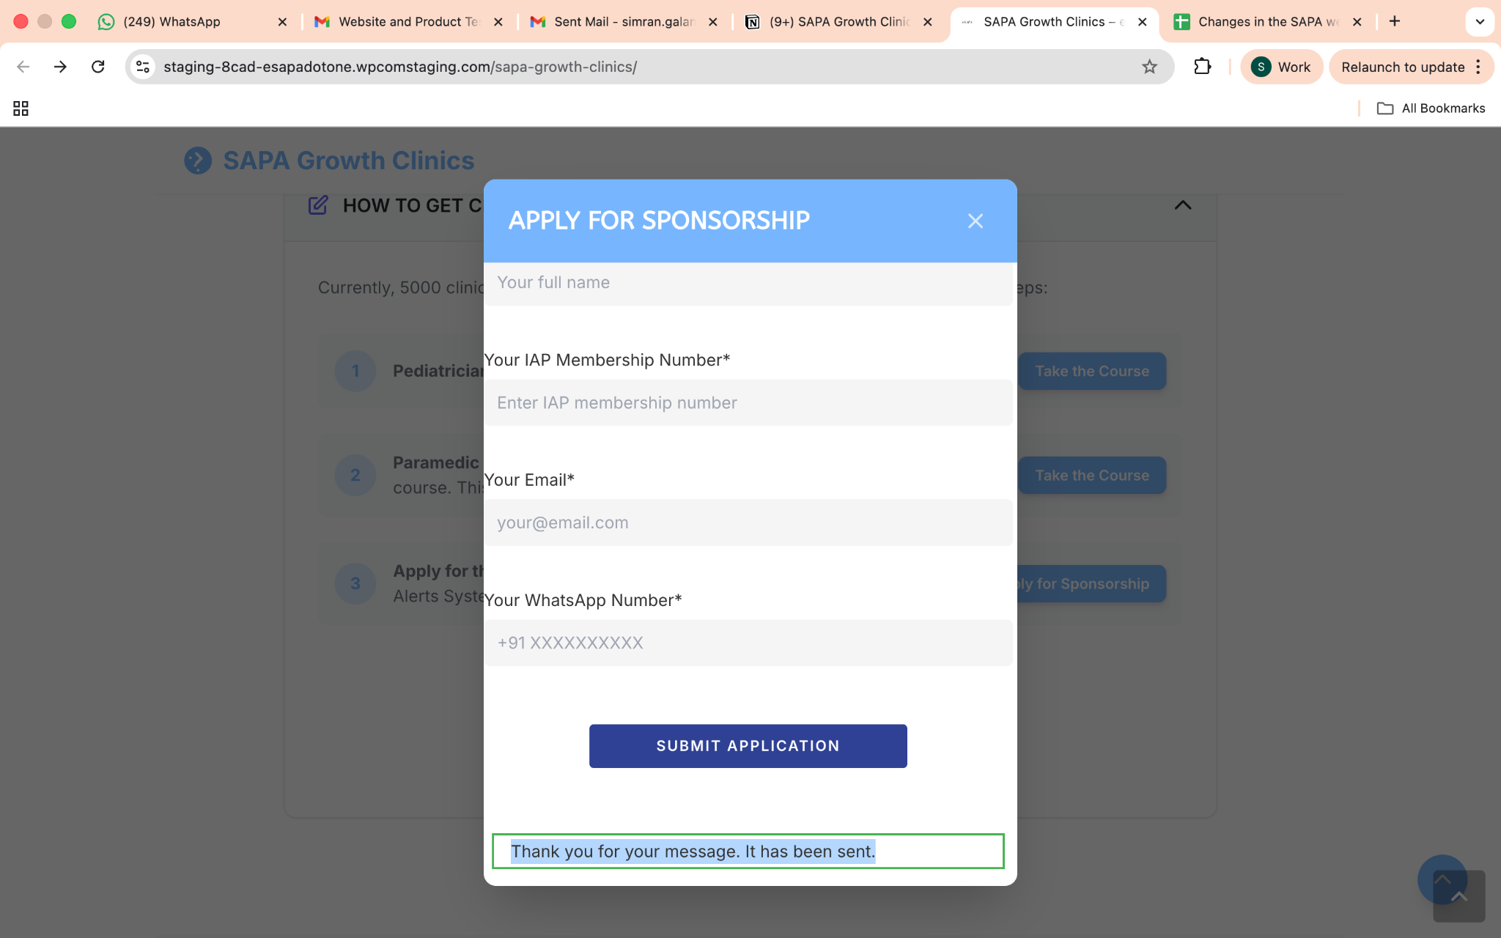 | Thank you for your message. It has been sent. | Thank you for your request, your application has been received and we will send it to interested sponsors. | done | SAPA Growth Clinic Display Board | https://esapa.one/wp-content/uploads/2026/02/SAPA-Growth-Clinic-Display-Board-.pdf
 | After the submit button ic clicked, it should send a mail to support@cpdinclinic.co.in with the following given Subject line and text: | Subject line: New Sponsorship Application Received – SAPA Growth Clinic Program Hey, A new sponsorship application has been submitted for the SAPA Growth Clinic Program. Please find the applicant details below: Clinic Name: <Clinic Name> Clinic Address: <Clinic Address> Doctor Name: <Doctor Name> Phone Number: <Phone Number> Email ID: <Email ID> IAP Registration Number: <IAP Registration Number> Thanks | done | Doctor’s Course Certificate | https://esapa.one/wp-content/uploads/2026/02/Doctors-Course-Certificate.pdf
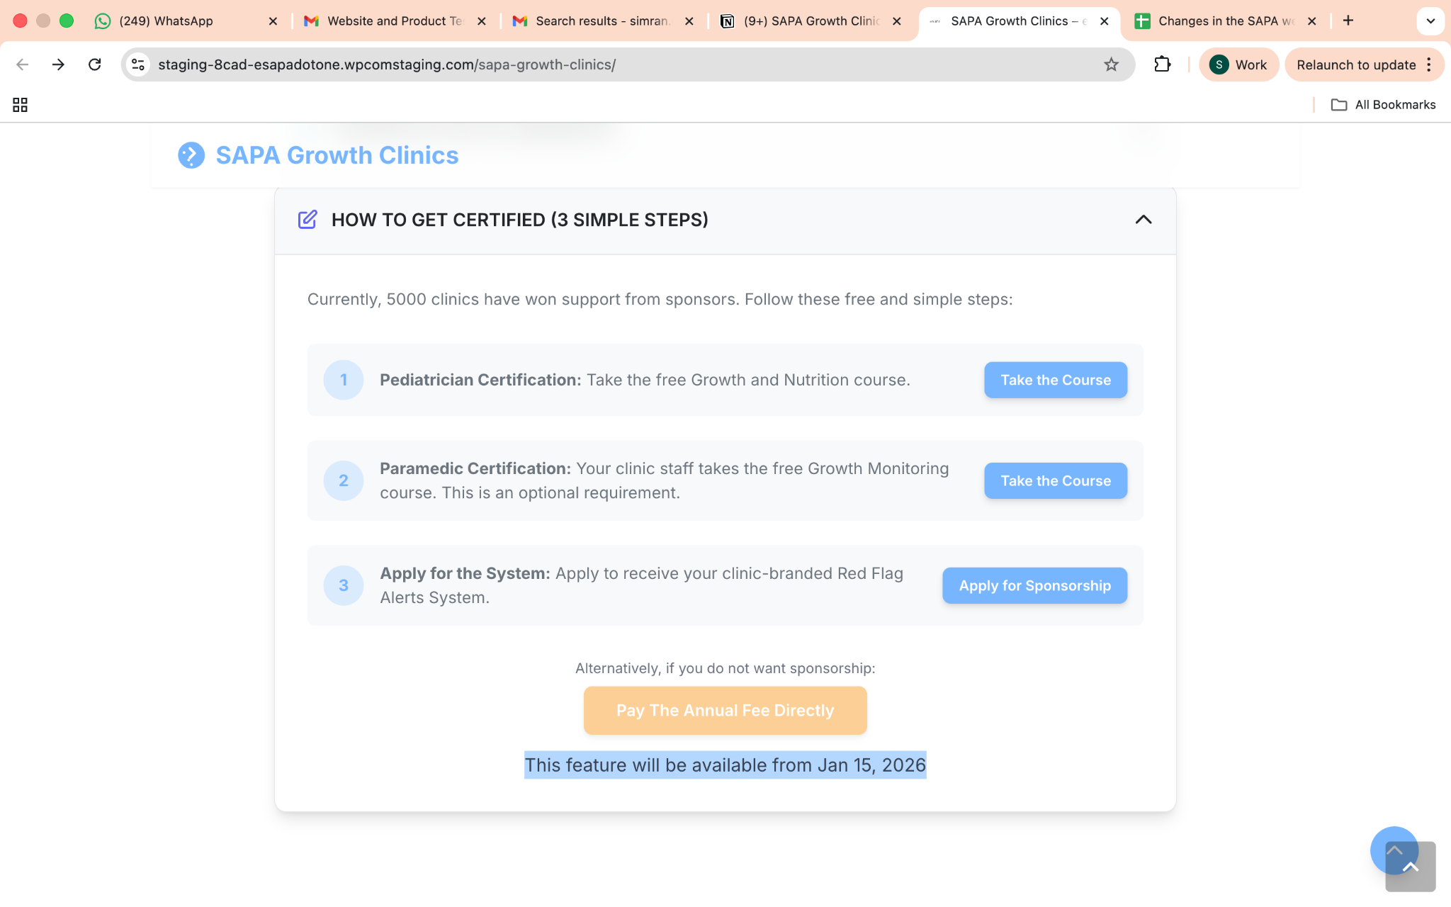 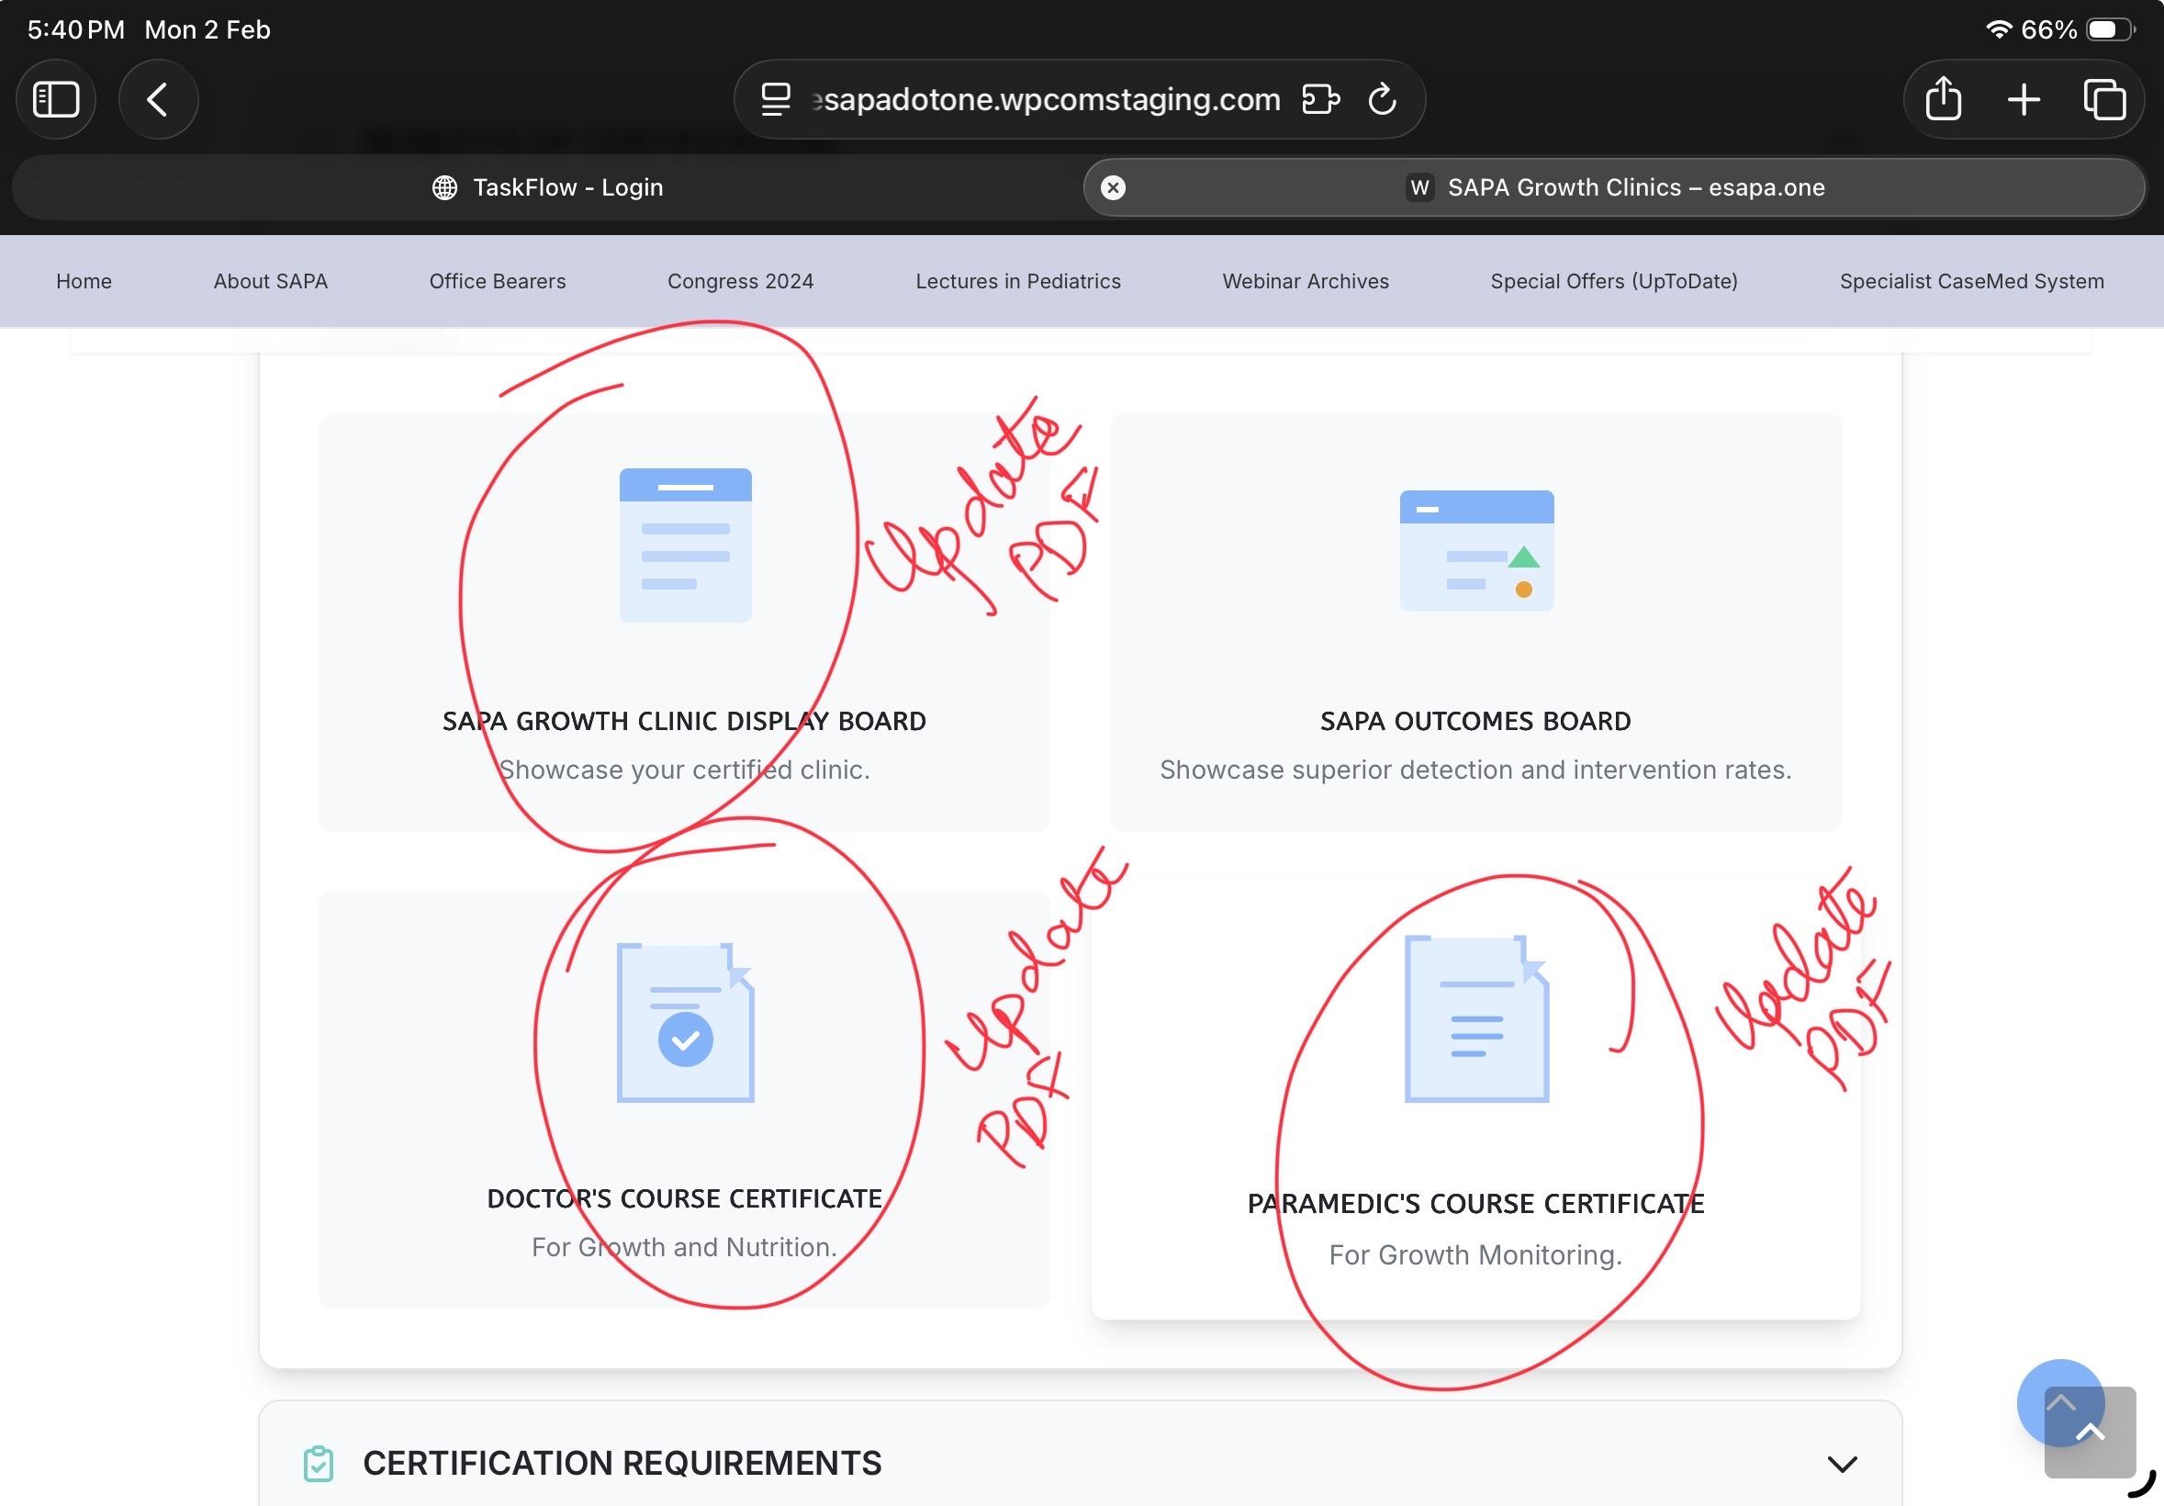 | Update the PDF's | https://drive.google.com/drive/folders/1ah2w2AFY2voOe_BKx0B8kqrl3vy2-vEu | done
The Contact Us to Support Clinic Button should send a email to support email id with the following text | "Subject line: New Client Request Received – SAPA Growth Clinic Program Hey, A new client request has been received for the SAPA Growth Clinic Program. Please find the client details below: Name: <Name> Company: <Company Name> Email ID: <Email ID> Message: <Text> Thanks" |  | done
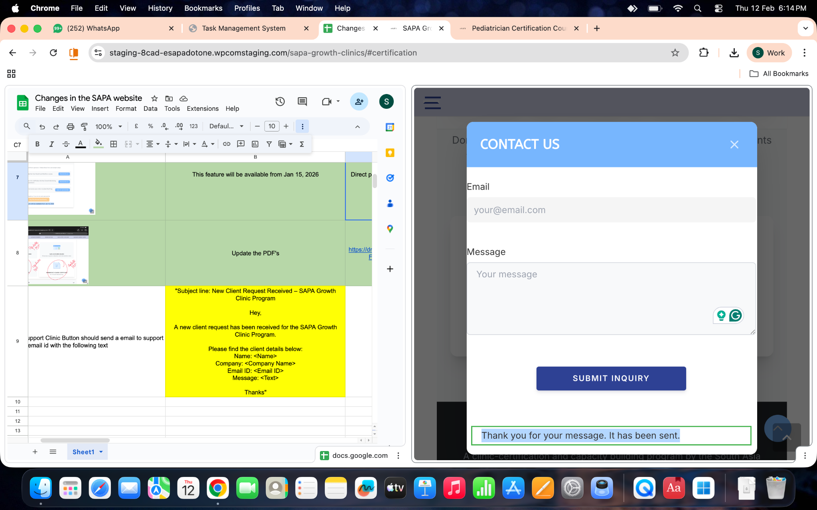 | Thank you for your message. It has been sent. | Thank you for your request, your application has been received and we will send it to interested sponsors.

