Sheet1
URL OF the page where the change is required | Image of the page | Text/ Functioanlity change | old text | New text | Other language
Separate the Emo Screeen System from the Red Flag Alerts System completely |  | Functionality change
Remove the support statement " Facing issues? Chat with us on WhatsApp for help" from authentication page link | 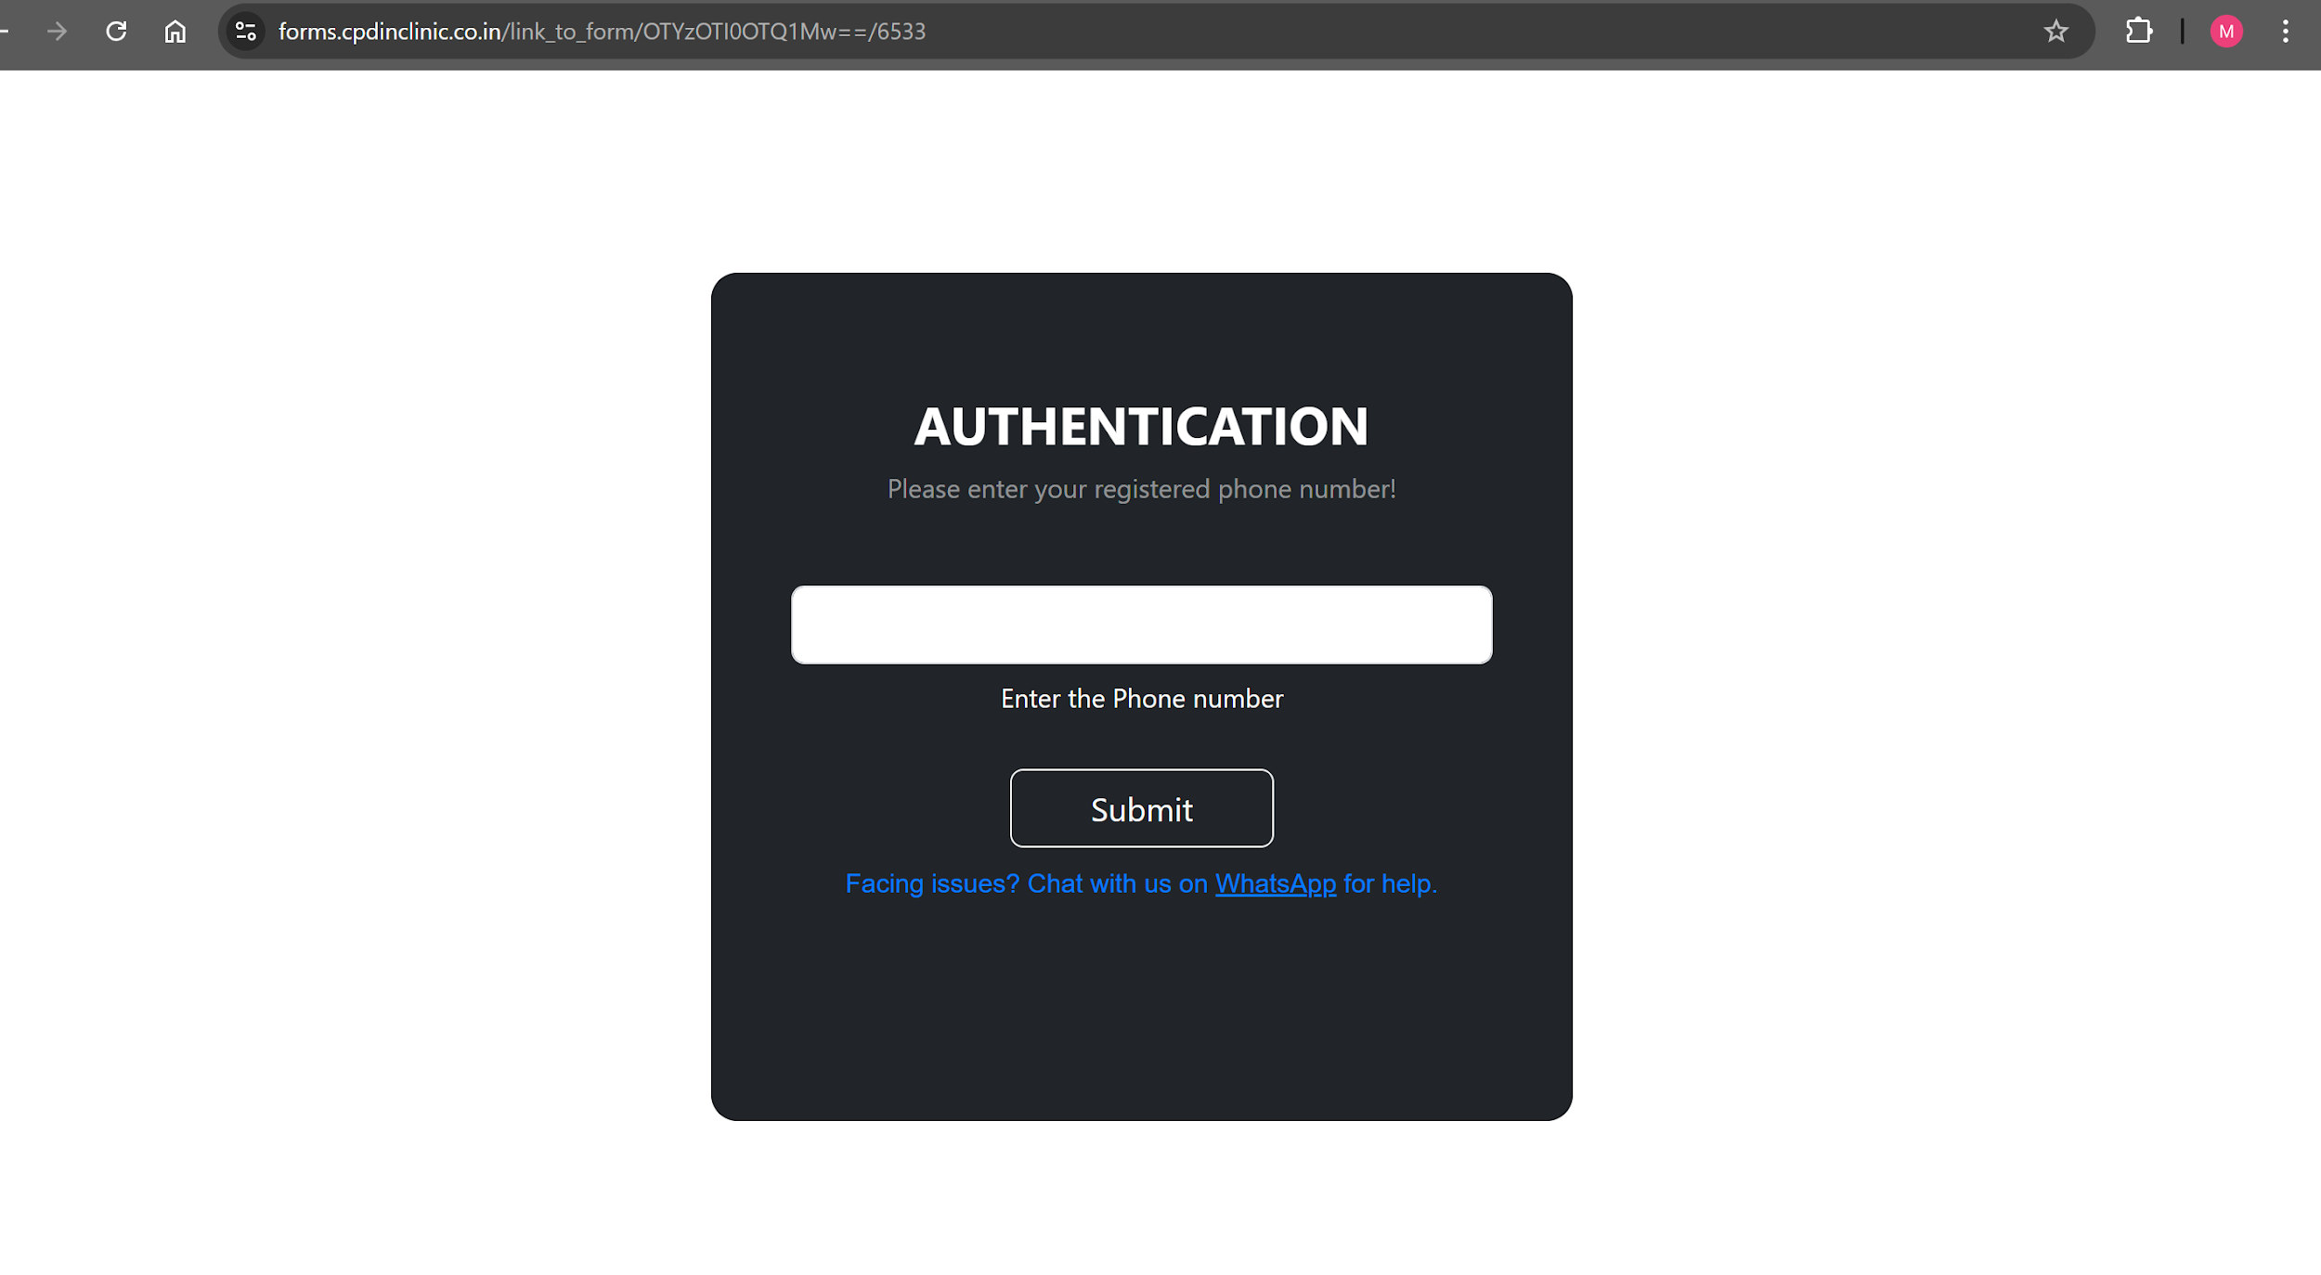 | Functionality change | NA | NA
Remove the support statement " Facing issues? Chat with us on WhatsApp for help" from this page link | 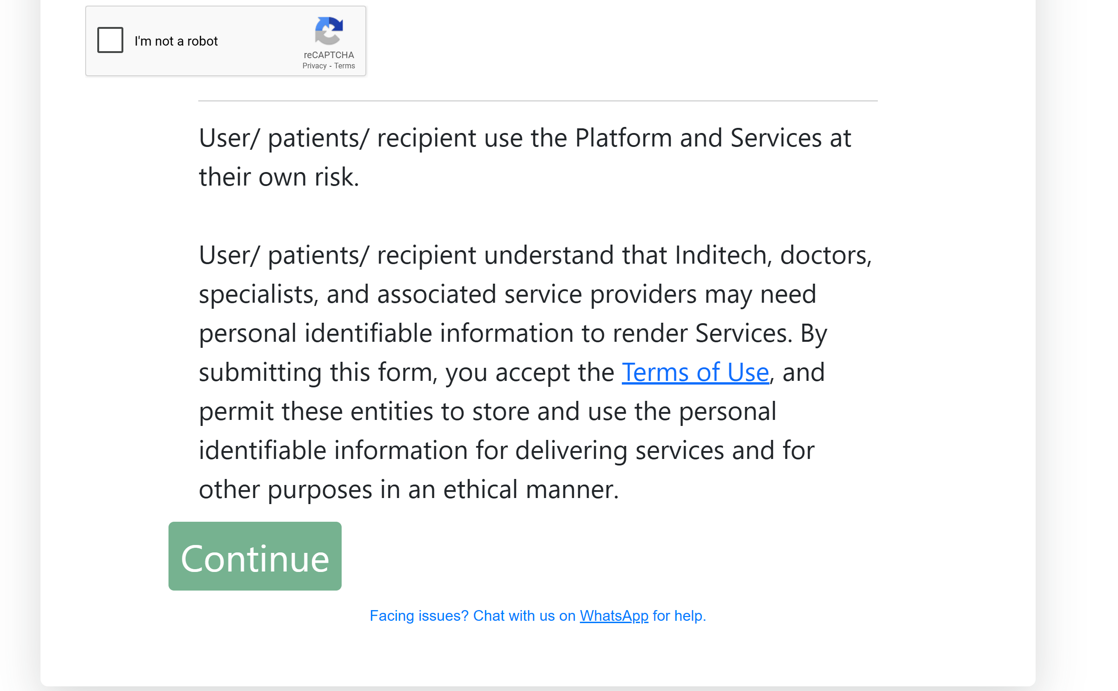 | Functionality change | NA | NA
Remove the support statement " Facing issues? Chat with us on WhatsApp for help" from this page link | 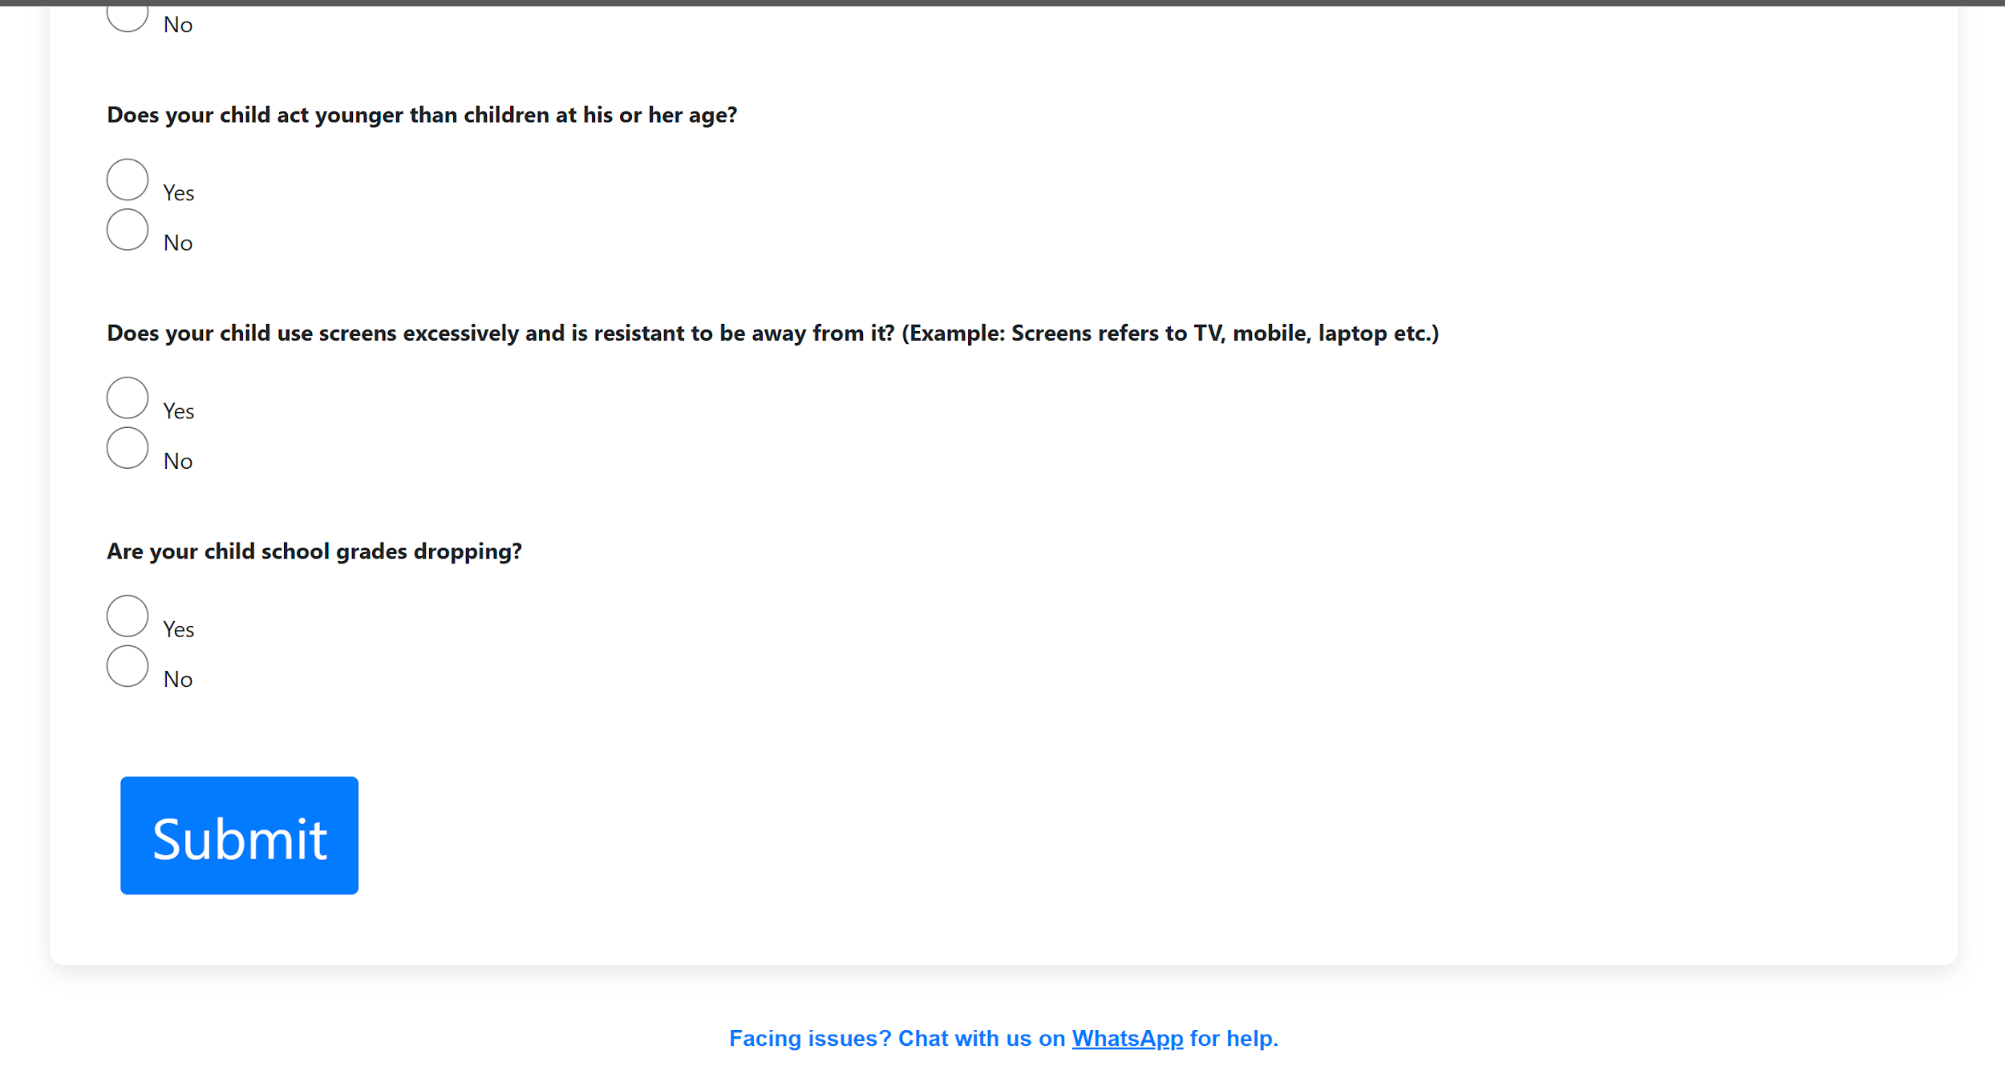 | Functionality change | NA | NA
Remove the support statement " Facing issues? Chat with us on WhatsApp for help" from the patient report screen after submitting the form. link | 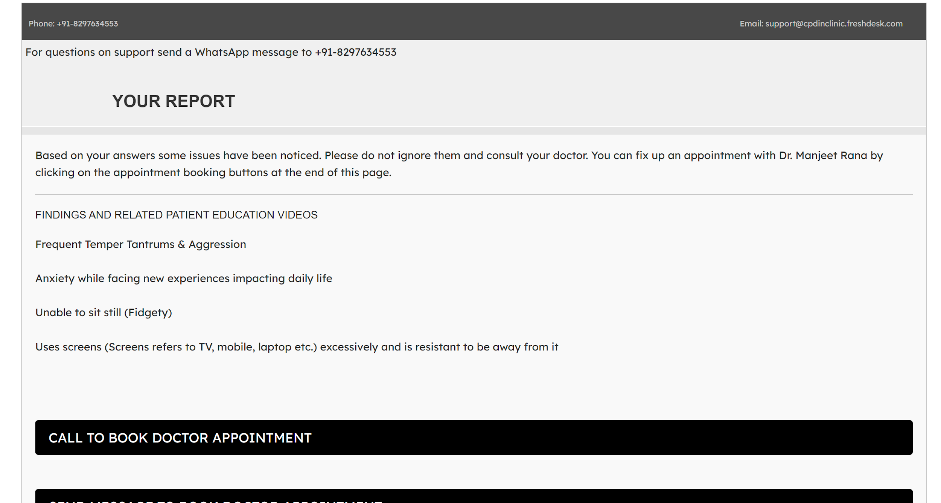 | Functionality change | NA | NA
Message with the form link which is shared by the doctor/receptionist to the patient |  | Text Change | Hello, In this message I’m sending you the evaluation form for Behavioral and Emotional Red Flags Please answer its questions carefully and if the response received indicates any areas of concern, please visit your pediatrician. Click Here: <Link> | Hello, Please click the link below, and fill up the form. Once you submit the form follow the instructions on the screen. Link: <Link> | Will provide the localisation in a separate ticket
On the Dr and receptionist dashboard "This system contains - 1. Trackers and Screening Tools for your patients. 2. Contextual reference and CME for you 3. Other useful services for your clinic" This text needs to be removed | 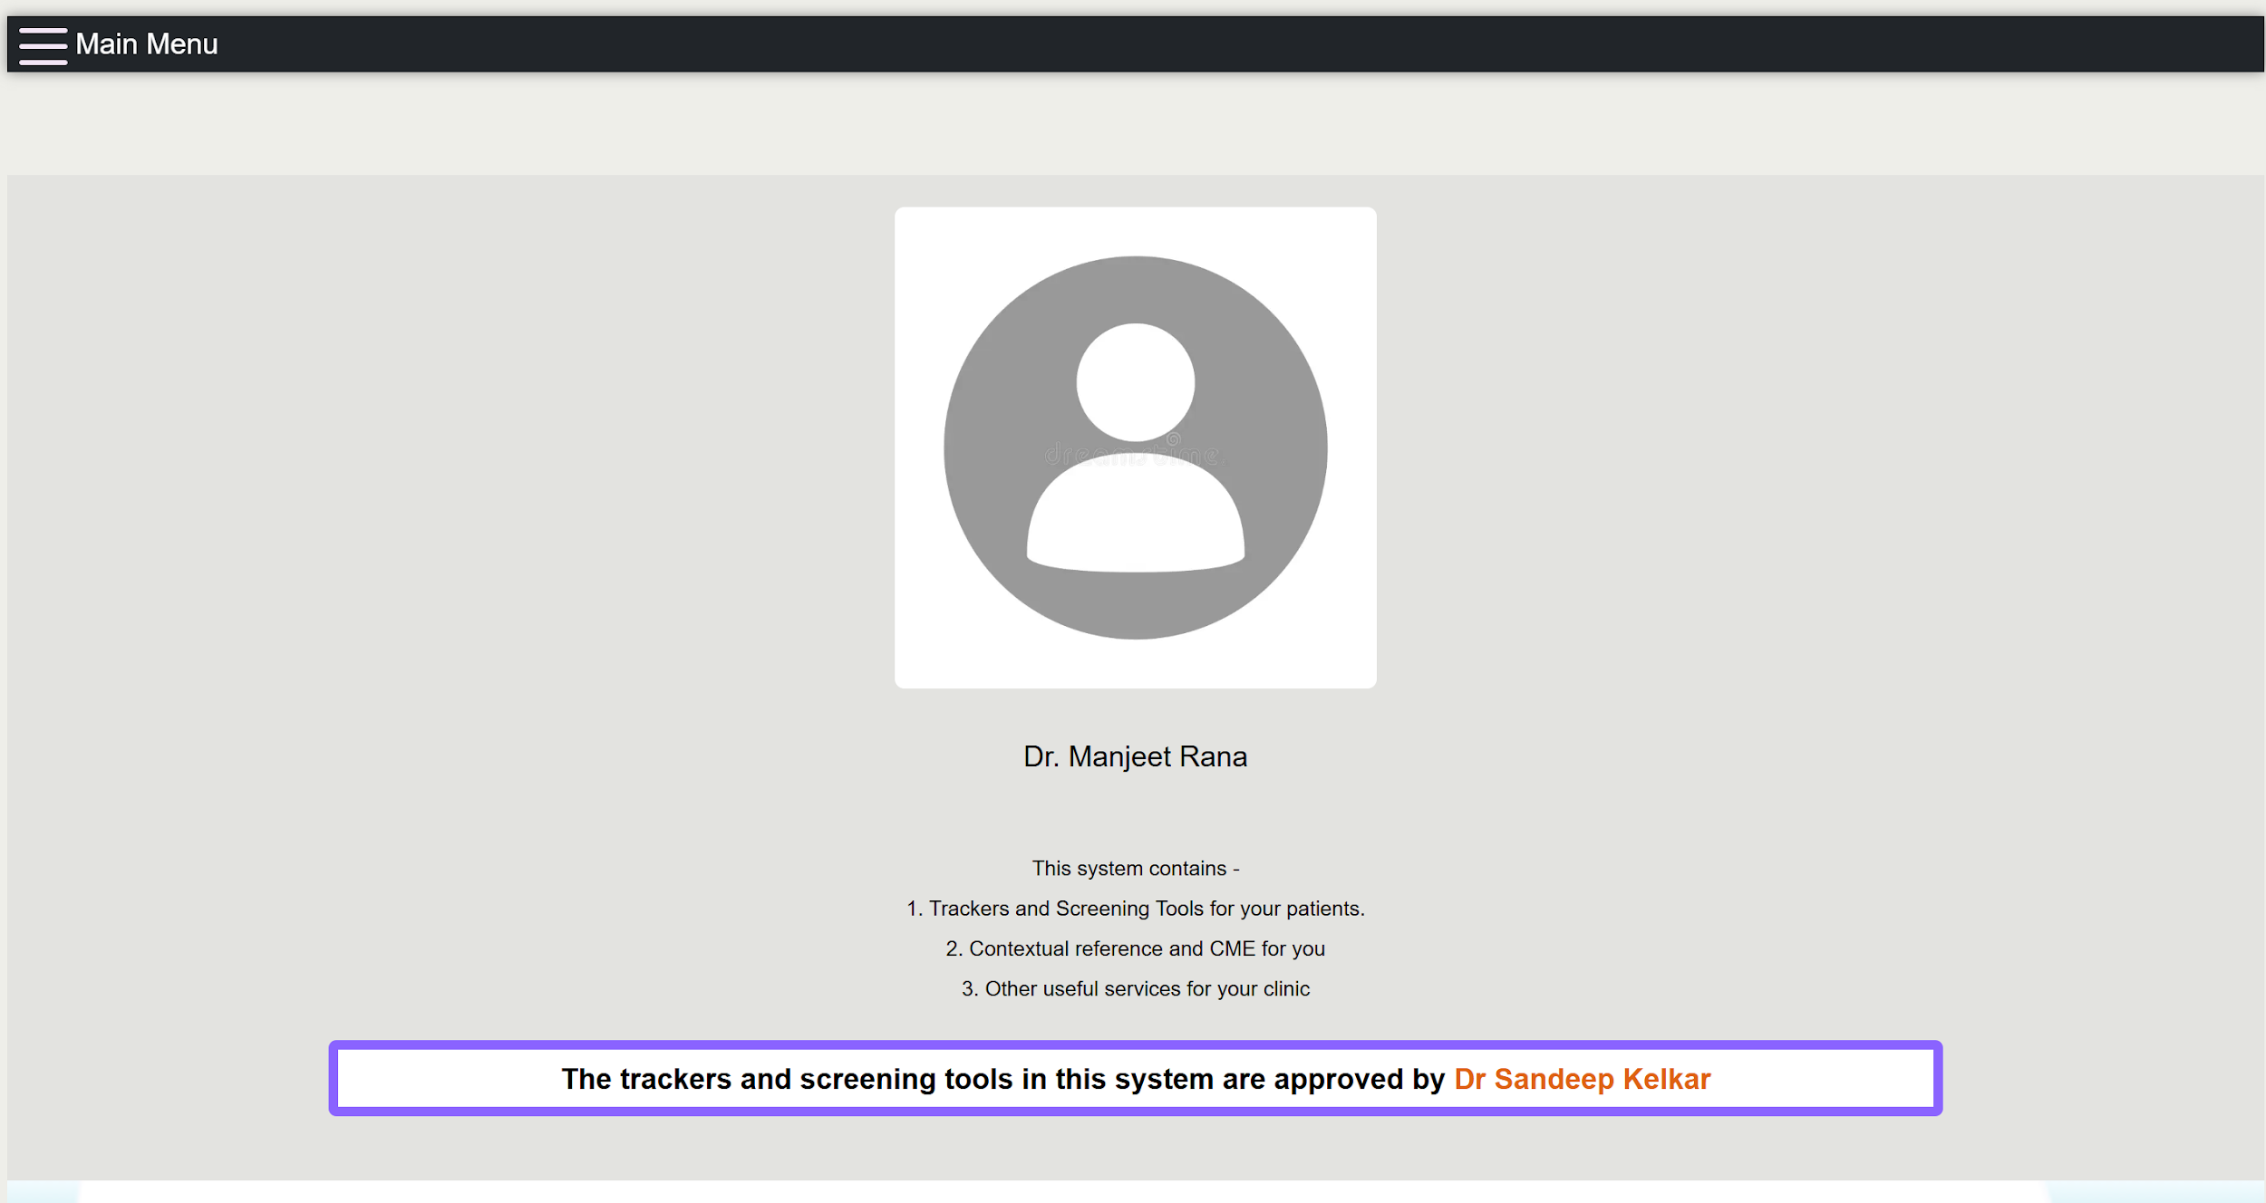 | Text Change | NA | NA
While Dr/Receptionist filling the details of the patient and choosing the form, if there are multiple options of forms available then only the radio button needs to be there else in single form remove the radio button. It should be dynamic. | 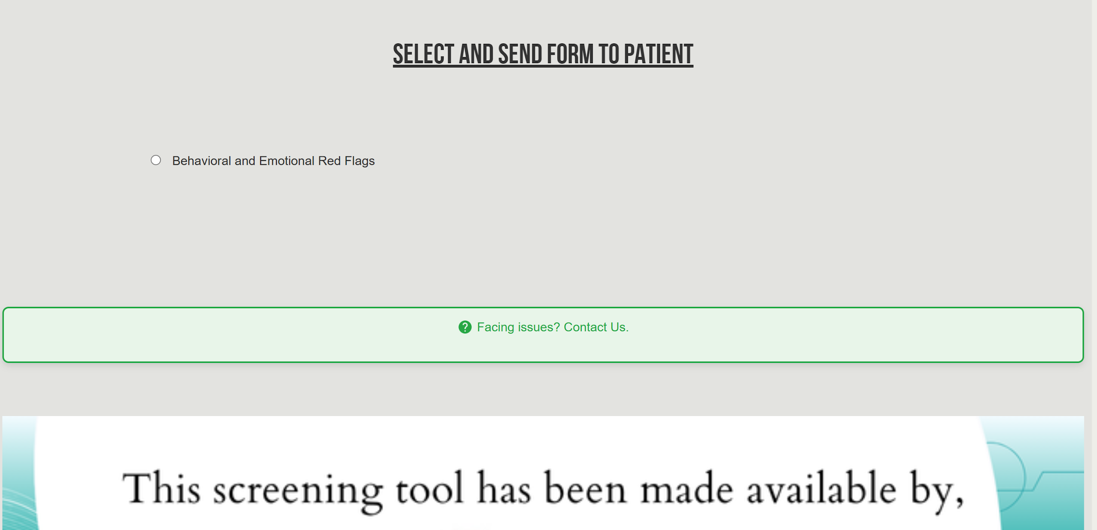 | Text change | NA | NA

