Sheet1
In the Field Rep registration, the Security Question section does not display any questions. Please add the relevant security questions. | https://inclinic.inditech.co.in/share/fieldrep-create-password/?email=mk5103415%40gmail.com&campaign=3df8f676-ec6b-4a79-8e84-f60a18e3138b | 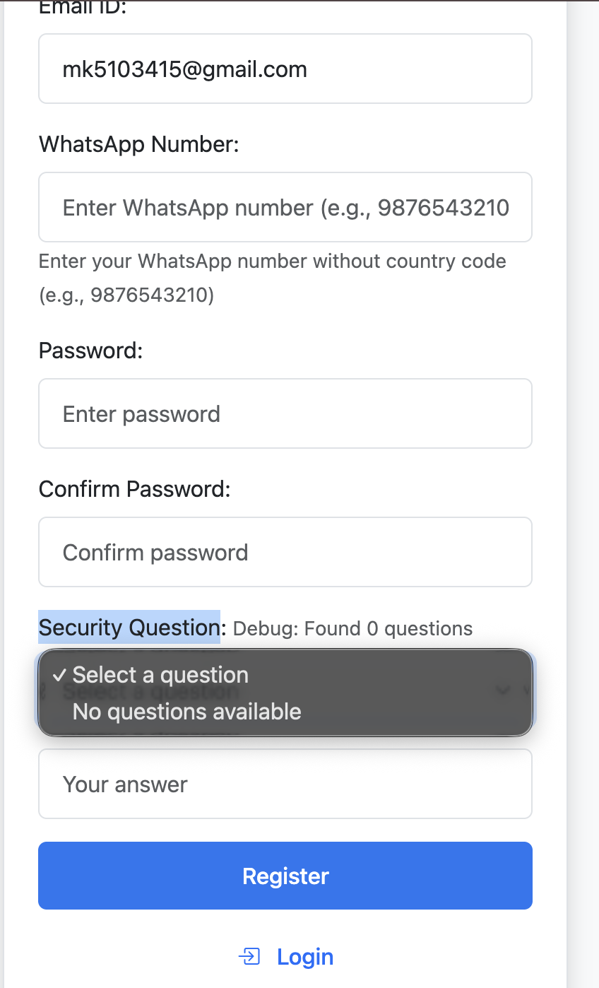
The PDF is not properly aligned in the doctor interface when viewed on a mobile phone. Please fix the alignment issue. | https://inclinic.inditech.co.in/view/collateral/verify/?short_link_id=3 use number- 8130937620 note: please open in phone only | 