Bugs
S.NO | Issue
1 | While sending form to patient in other language except hindi its thowing 502 Bad Gateway error | 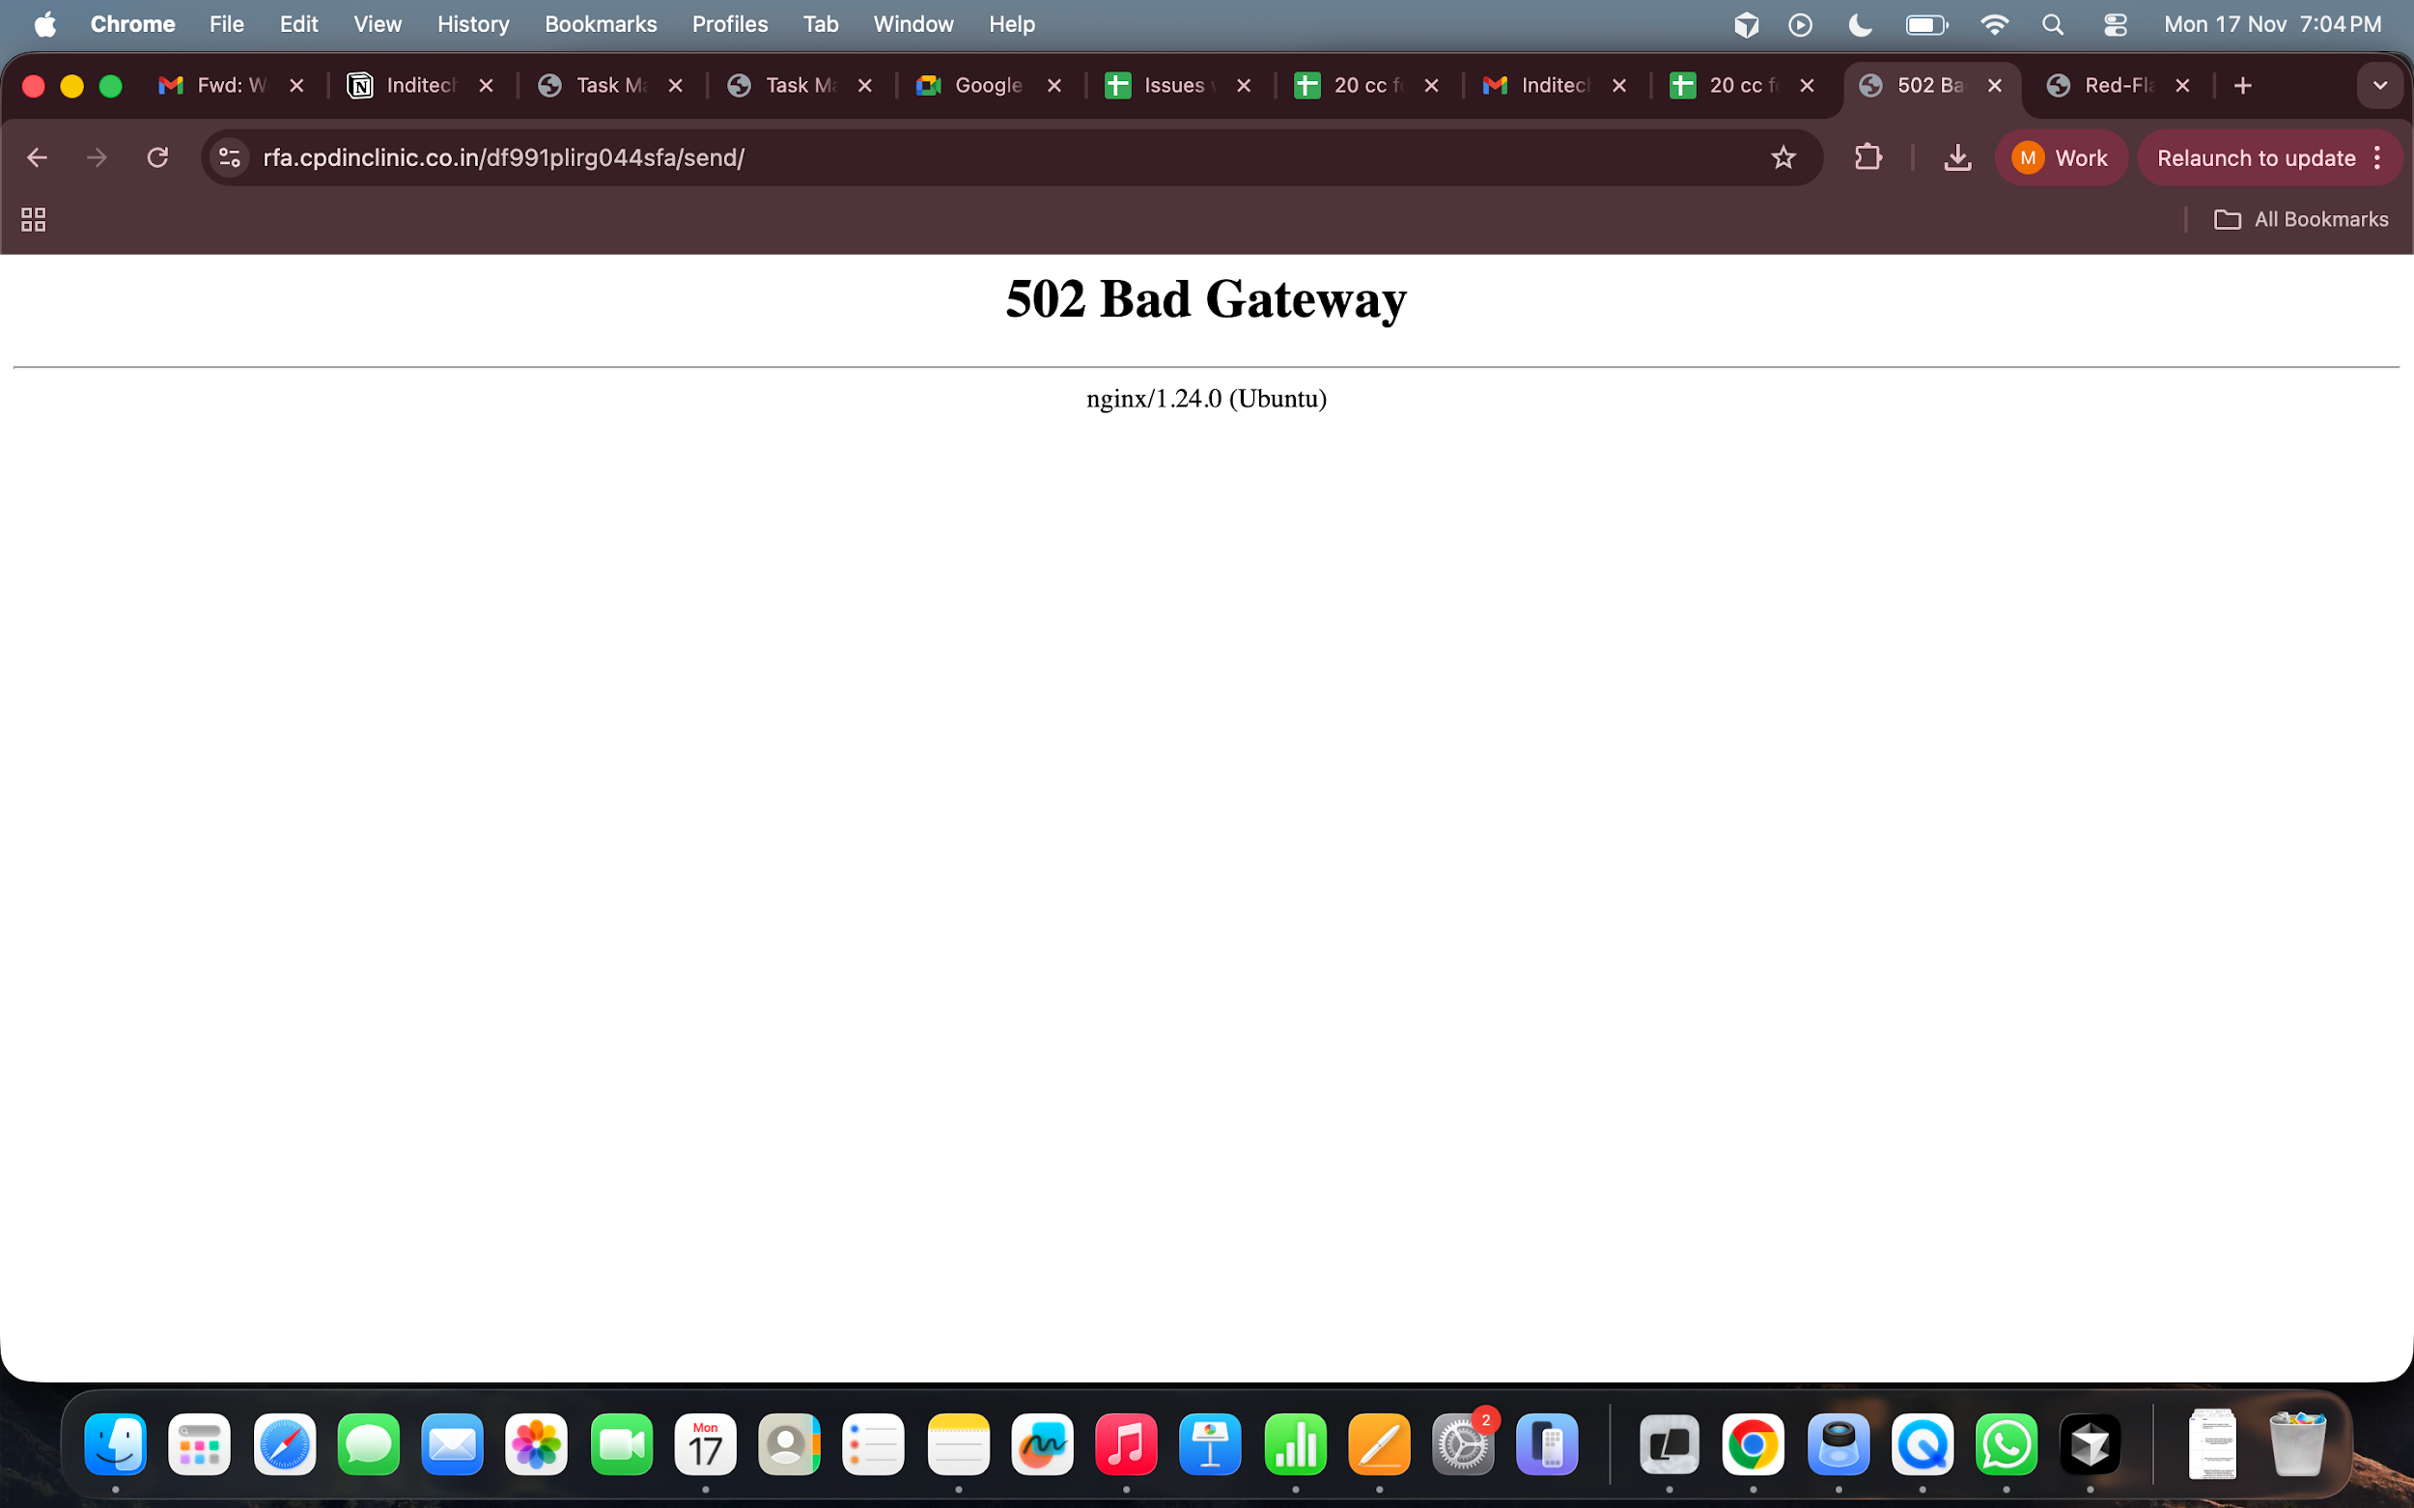
2 | The doctor reports as well as on screen patient report not received after filling the common condition forms however it is received in the GnD form | 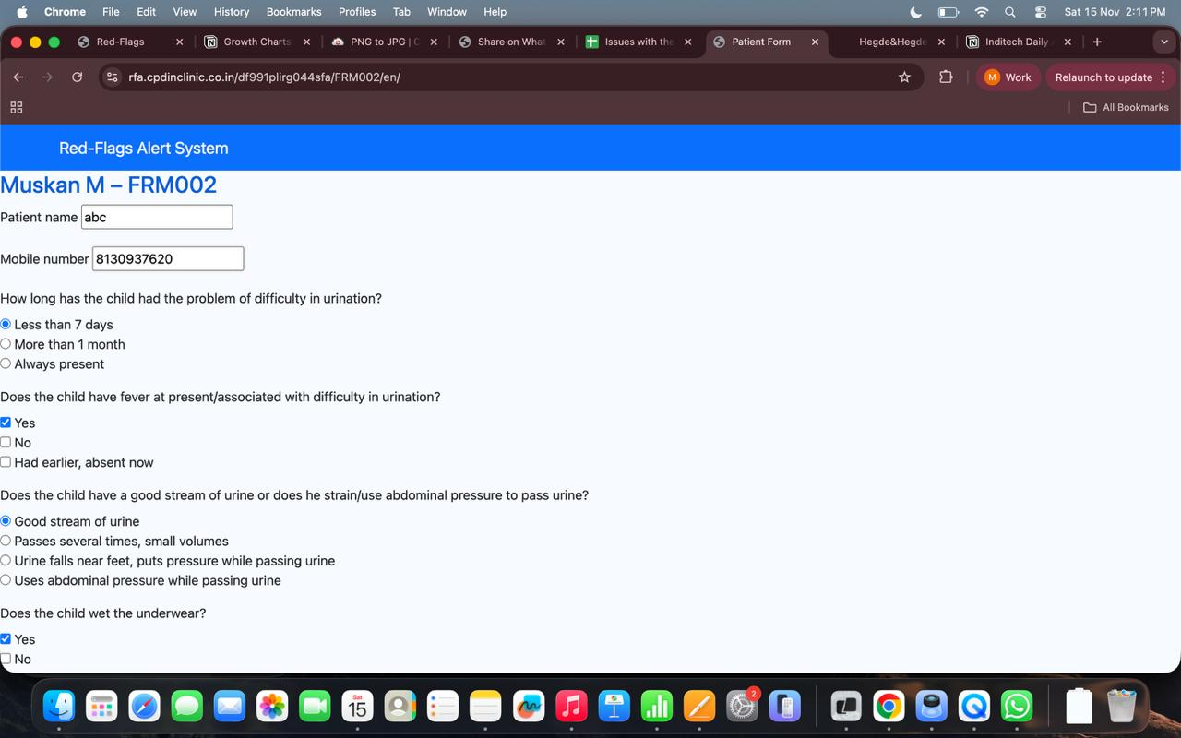
3 | While filling up the form instead of the form title it shows Muskan M - FRM002
4 | Change the text Based on your answers, the following warning signs were noticed TO - "Based on your answers, the following warning signs are noticed in the child. Please capture this screen and show it to Dr. <Doctor Name>. Your report has also been emailed to Dr. <Doctor Name>. Please visit Dr. <Doctor Name> immediately if have not already visited him recently for this condition." | 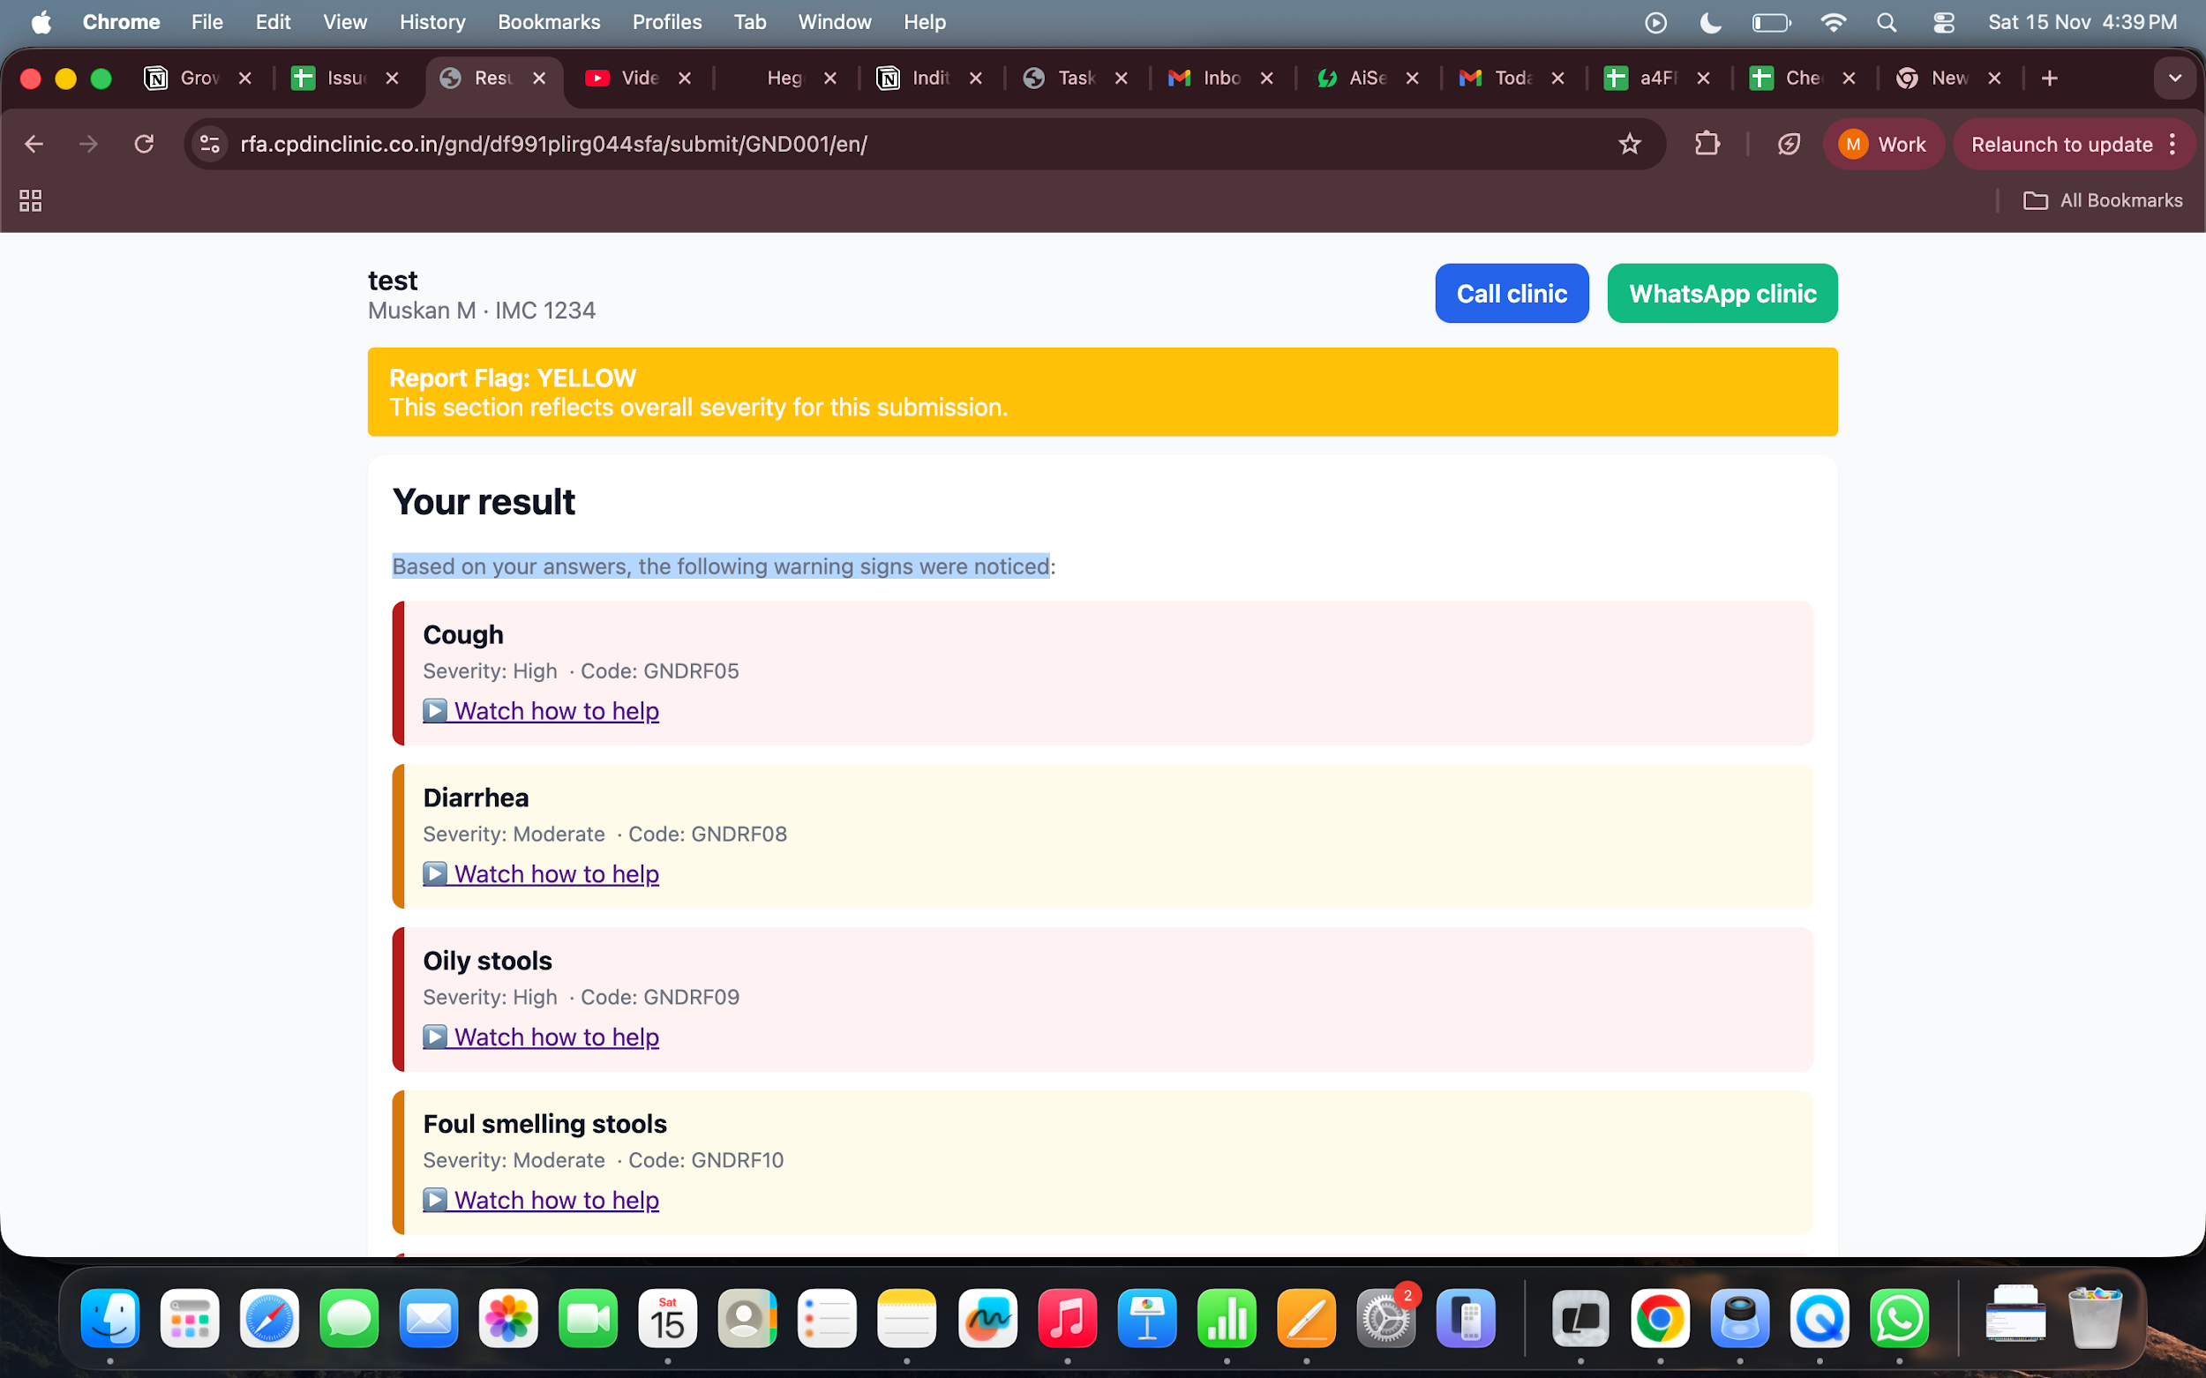
5 | Refer to 20 cc Form name sheet and get the names according to this for patient interface

