Sheet1
Page name | issue | SS | refrence Link

Field Rep Management Section (prefilled-fieldrep-gmail-login) | Not able to login via using registered email number, as the page is showing Invalid email or password. Please try again. | 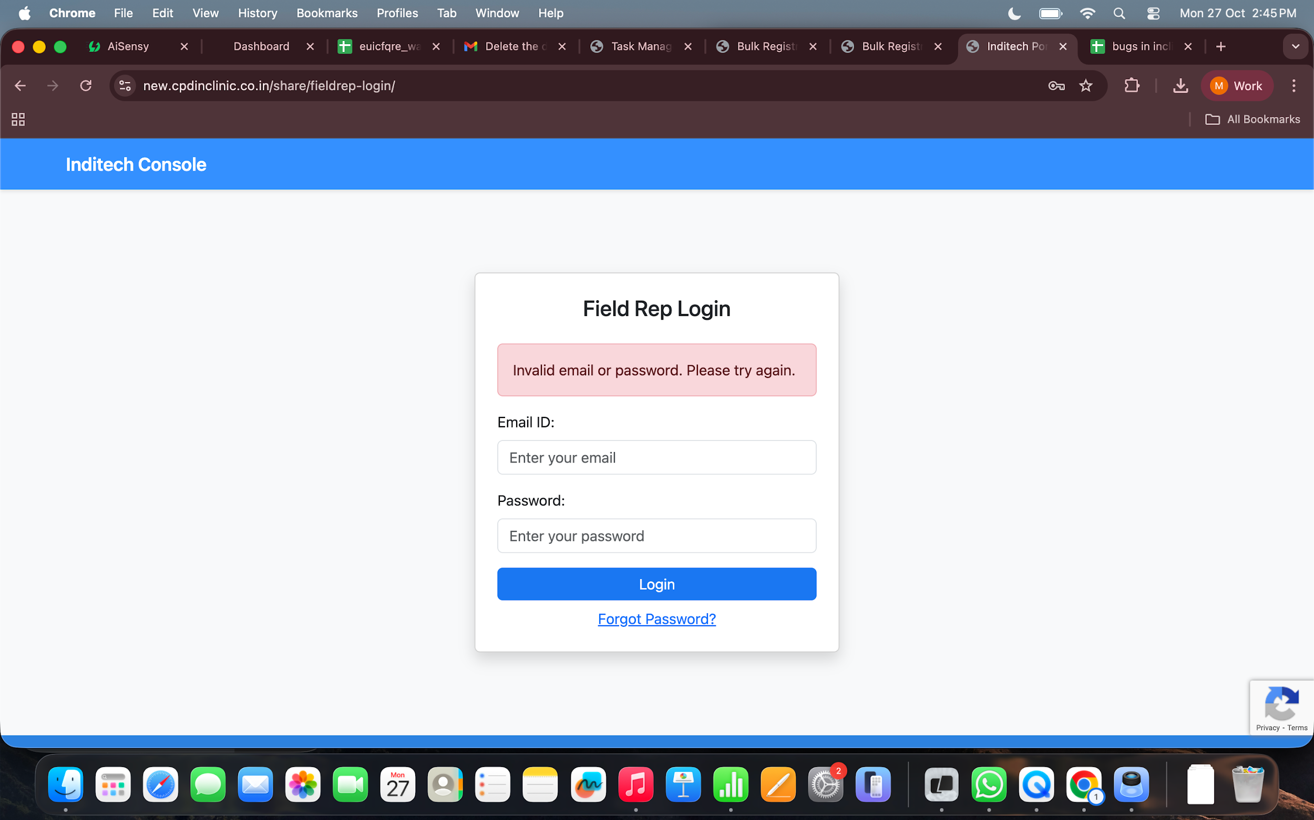 | https://new.cpdinclinic.co.in/share/fieldrep-login/

Field Rep Management Section (share/fieldrep-gmail-login) | Not able to login via using registered email number, as the page is showing Invalid Field ID or Gmail ID. Please check and try again.. | 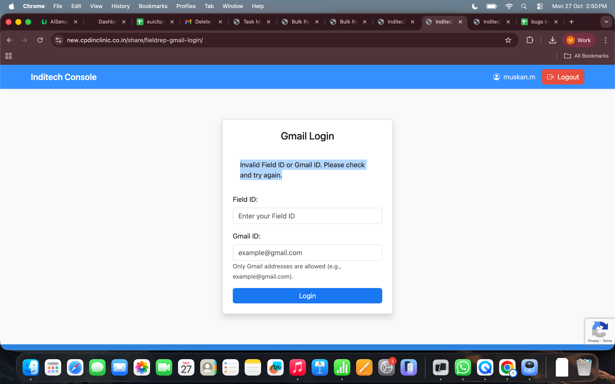 | https://new.cpdinclinic.co.in/share/fieldrep-gmail-login/

