Sheet2
User is not able to select the collatral to send the doctor | https://new.cpdinclinic.co.in/share/fieldrep-share-collateral/ | 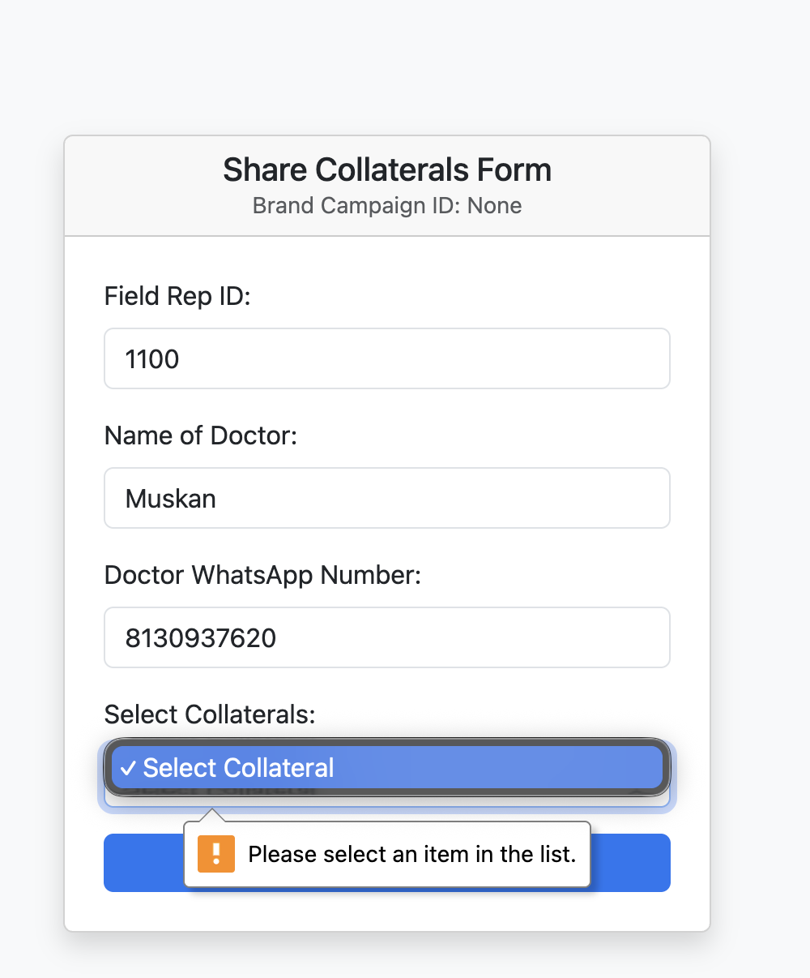
Bulk registration is not working | https://new.cpdinclinic.co.in/share/bulk-manual-share/ |  | https://docs.google.com/spreadsheets/d/1mkXNsqRfr8GB9stPgY-mF9X7xkVWIHbmsB8_2zU9wXQ/edit?gid=971747649#gid=971747649 this is the file i used in CSV format for the bulk upload

