Today Text Changes
Change ID | Text Change | Photo of Page | Comments
TC-01 | Replace “Red-Flag Alert System” with system name. | 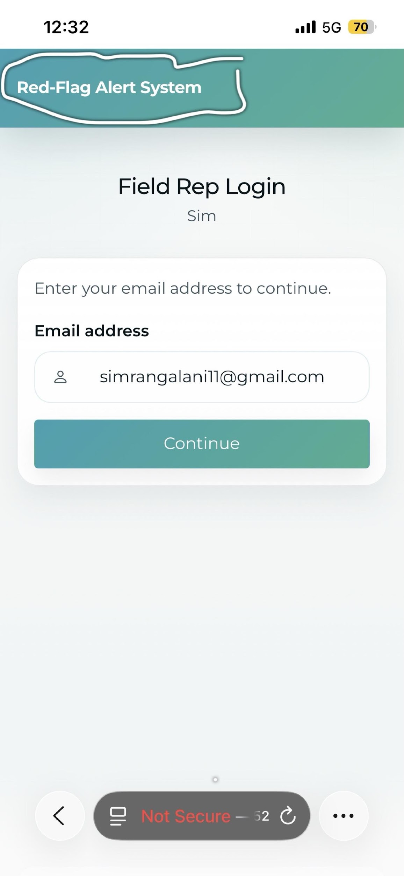 | Done. Both the navbar and footer system name will now be updated dynamically based on the name provided by the publisher while creating a campaign
TC-02 | Replace Hello Doctor, Please find below the links for the "SAPA Growth Clinic System.” with system name. | 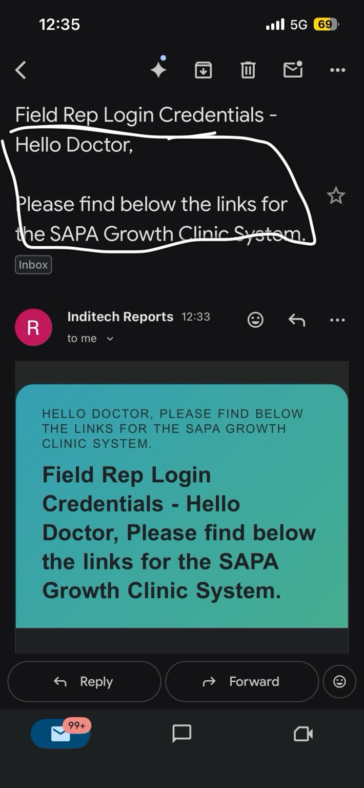 | All email subjects and bodies where "Red-Flag Alert System" was previously used are now replaced with the name provided by the publisher during campaign creation.
TC-03 | Remove Hello Doctor, Please find below the links for the "SAPA Growth Clinic System.” | 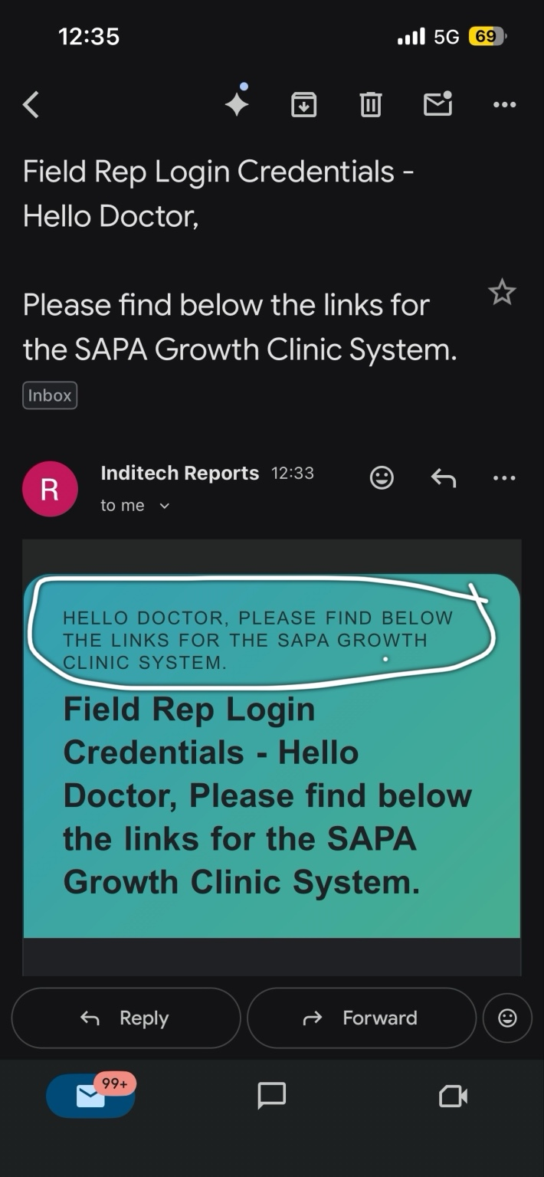 | All email subjects and bodies where "Red-Flag Alert System" was previously used are now replaced with the name provided by the publisher during campaign creation.
TC-04 | Replace “Hello Doctor, Please find below the links for the SAPA Growth Clinic System.” with system name. |  | All email subjects and bodies where "Red-Flag Alert System" was previously used are now replaced with the name provided by the publisher during campaign creation.
TC-05 | Replace “Hello Doctor, Please find below the links for the SAPA Growth Clinic System.” with system name. | 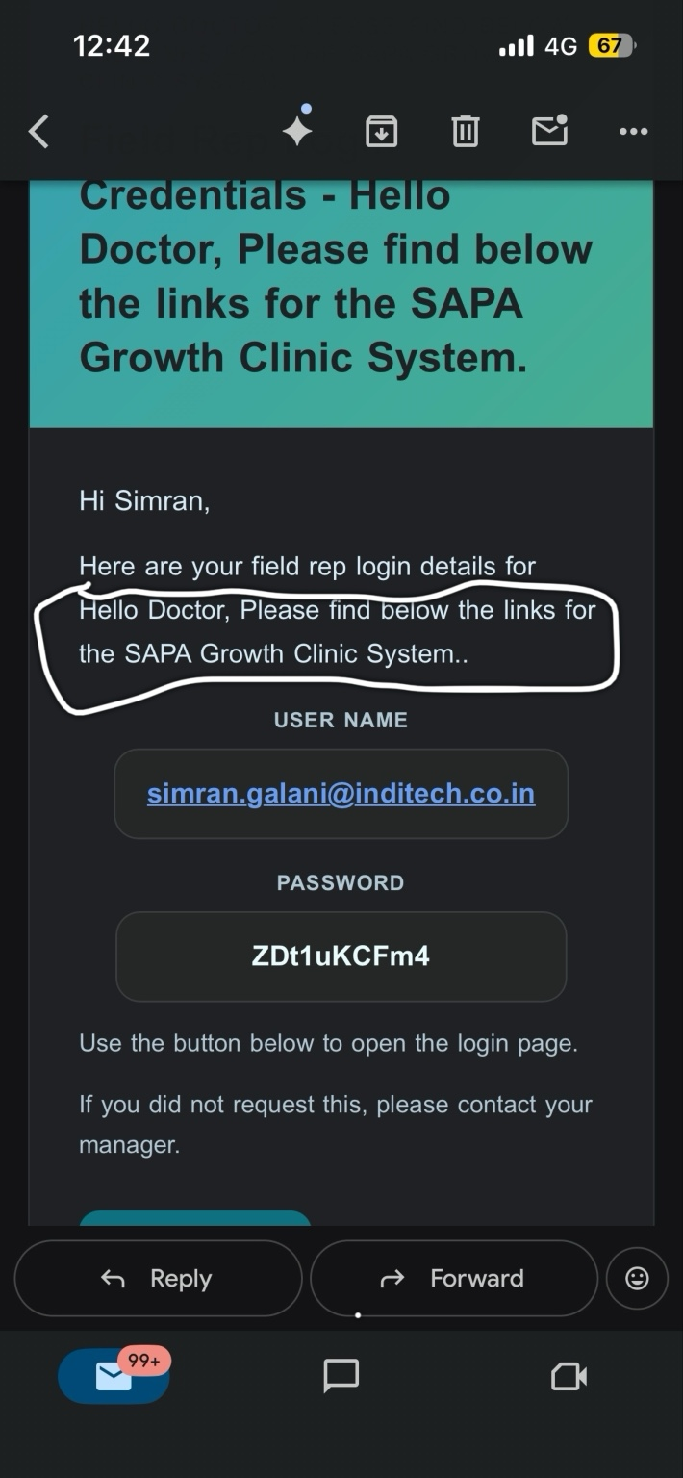 | All email subjects and bodies where "Red-Flag Alert System" was previously used are now replaced with the name provided by the publisher during campaign creation.
TC-06 | Replace “Hello Doctor, Please find below the links for the SAPA Growth Clinic System.” with system name. | 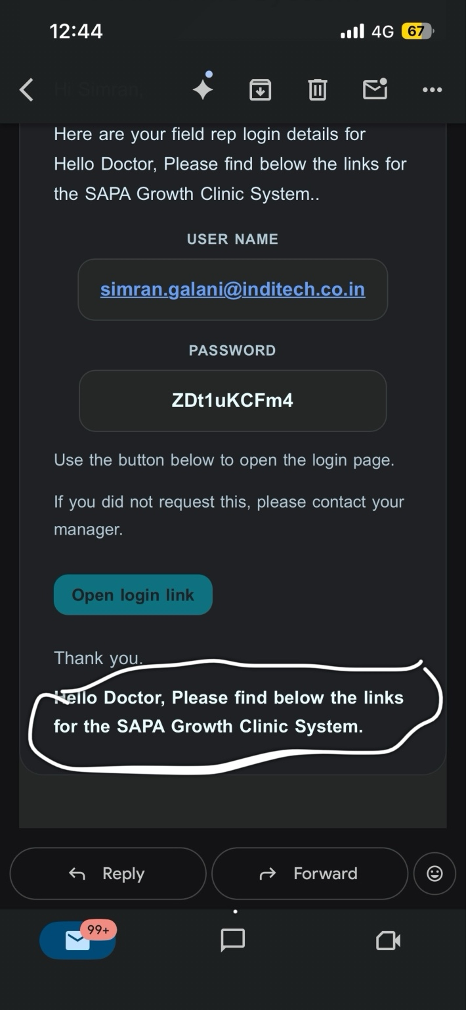 | All email subjects and bodies where "Red-Flag Alert System" was previously used are now replaced with the name provided by the publisher during campaign creation.
TC-07 | Replace “Red-Flag Alert System” with system name in the pop-up that appears when the doctor recruitment form is filled. | Not provided today | All email subjects and bodies where "Red-Flag Alert System" was previously used are now replaced with the name provided by the publisher during campaign creation.
TC-08 | Replace the text with “Welcome Kit - System Name”. | 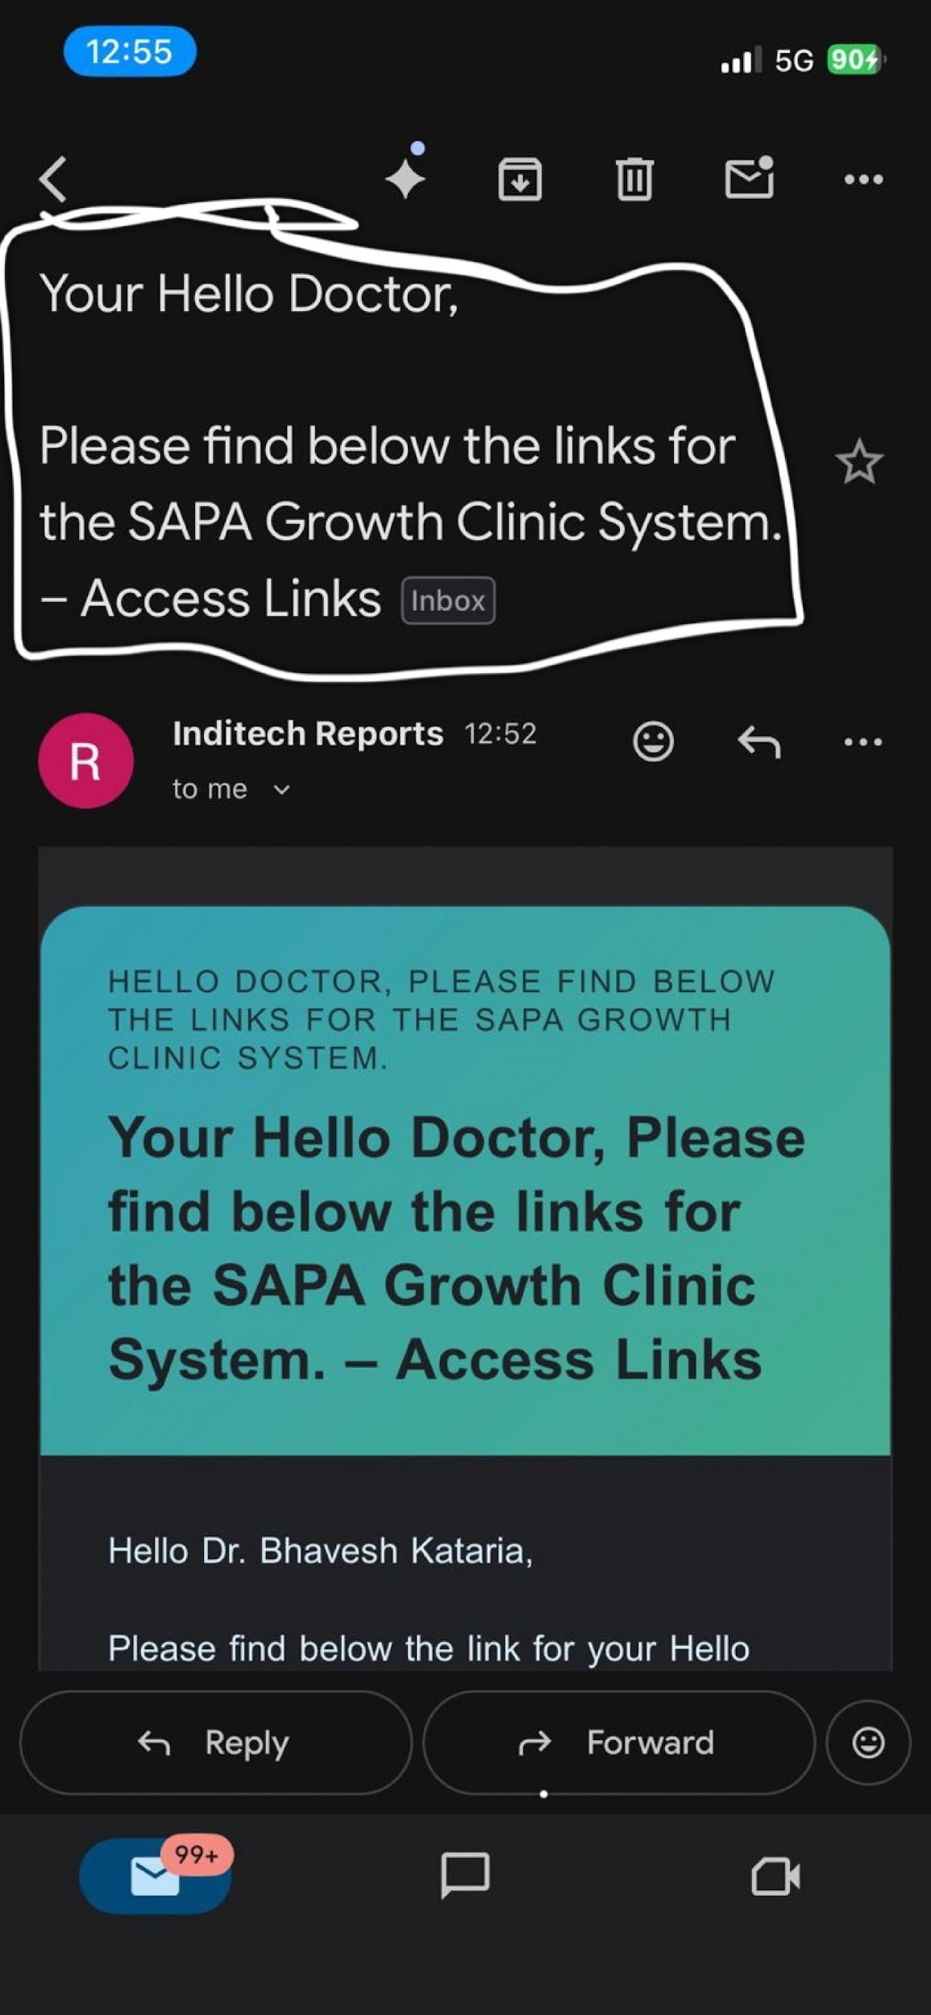 | All email subjects and bodies where "Red-Flag Alert System" was previously used are now replaced with the name provided by the publisher during campaign creation.
TC-09 | Remove the text “HELLO DOCTOR, PLEASE FIND BELOW THE LINKS FOR THE SAPA GROWTH CLINIC SYSTEM.” from the email banner section. | 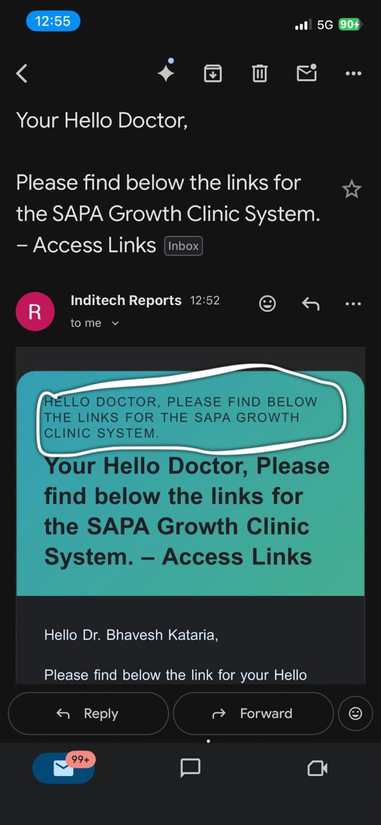 | All email subjects and bodies where "Red-Flag Alert System" was previously used are now replaced with the name provided by the publisher during campaign creation.
TC-10 | Replace the text “Your Hello Doctor, Please find below the links for the SAPA Growth Clinic System. – Access Links” with “Welcome Kit - System Name”. | 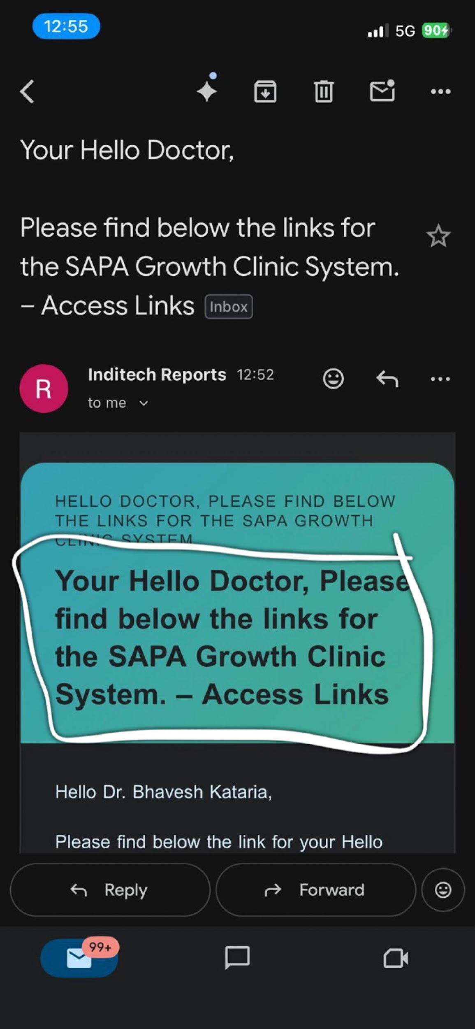 | All email subjects and bodies where "Red-Flag Alert System" was previously used are now replaced with the name provided by the publisher during campaign creation.
TC-11 | Replace the text “Password for your Growth Clinic - Red Flag Alert system” with “Login Credentials - System Name”. | 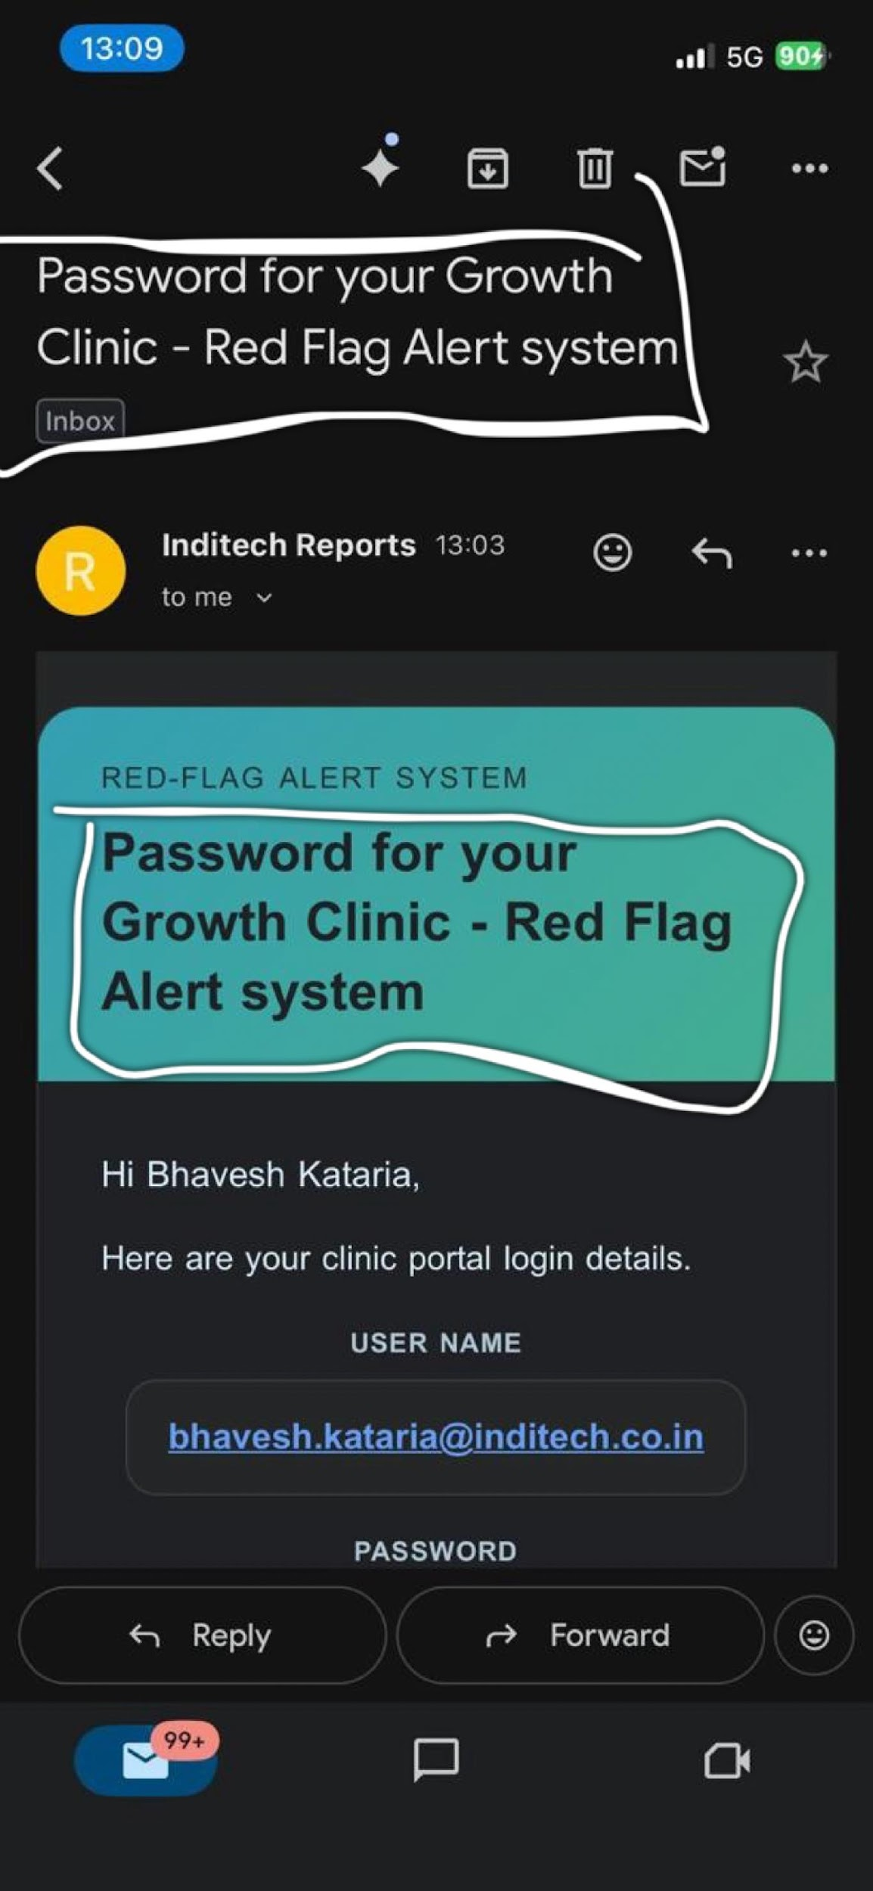 | All email subjects and bodies where "Red-Flag Alert System" was previously used are now replaced with the name provided by the publisher during campaign creation.
TC-12 | Remove the text “RED-FLAG ALERT SYSTEM” from the email banner header. | 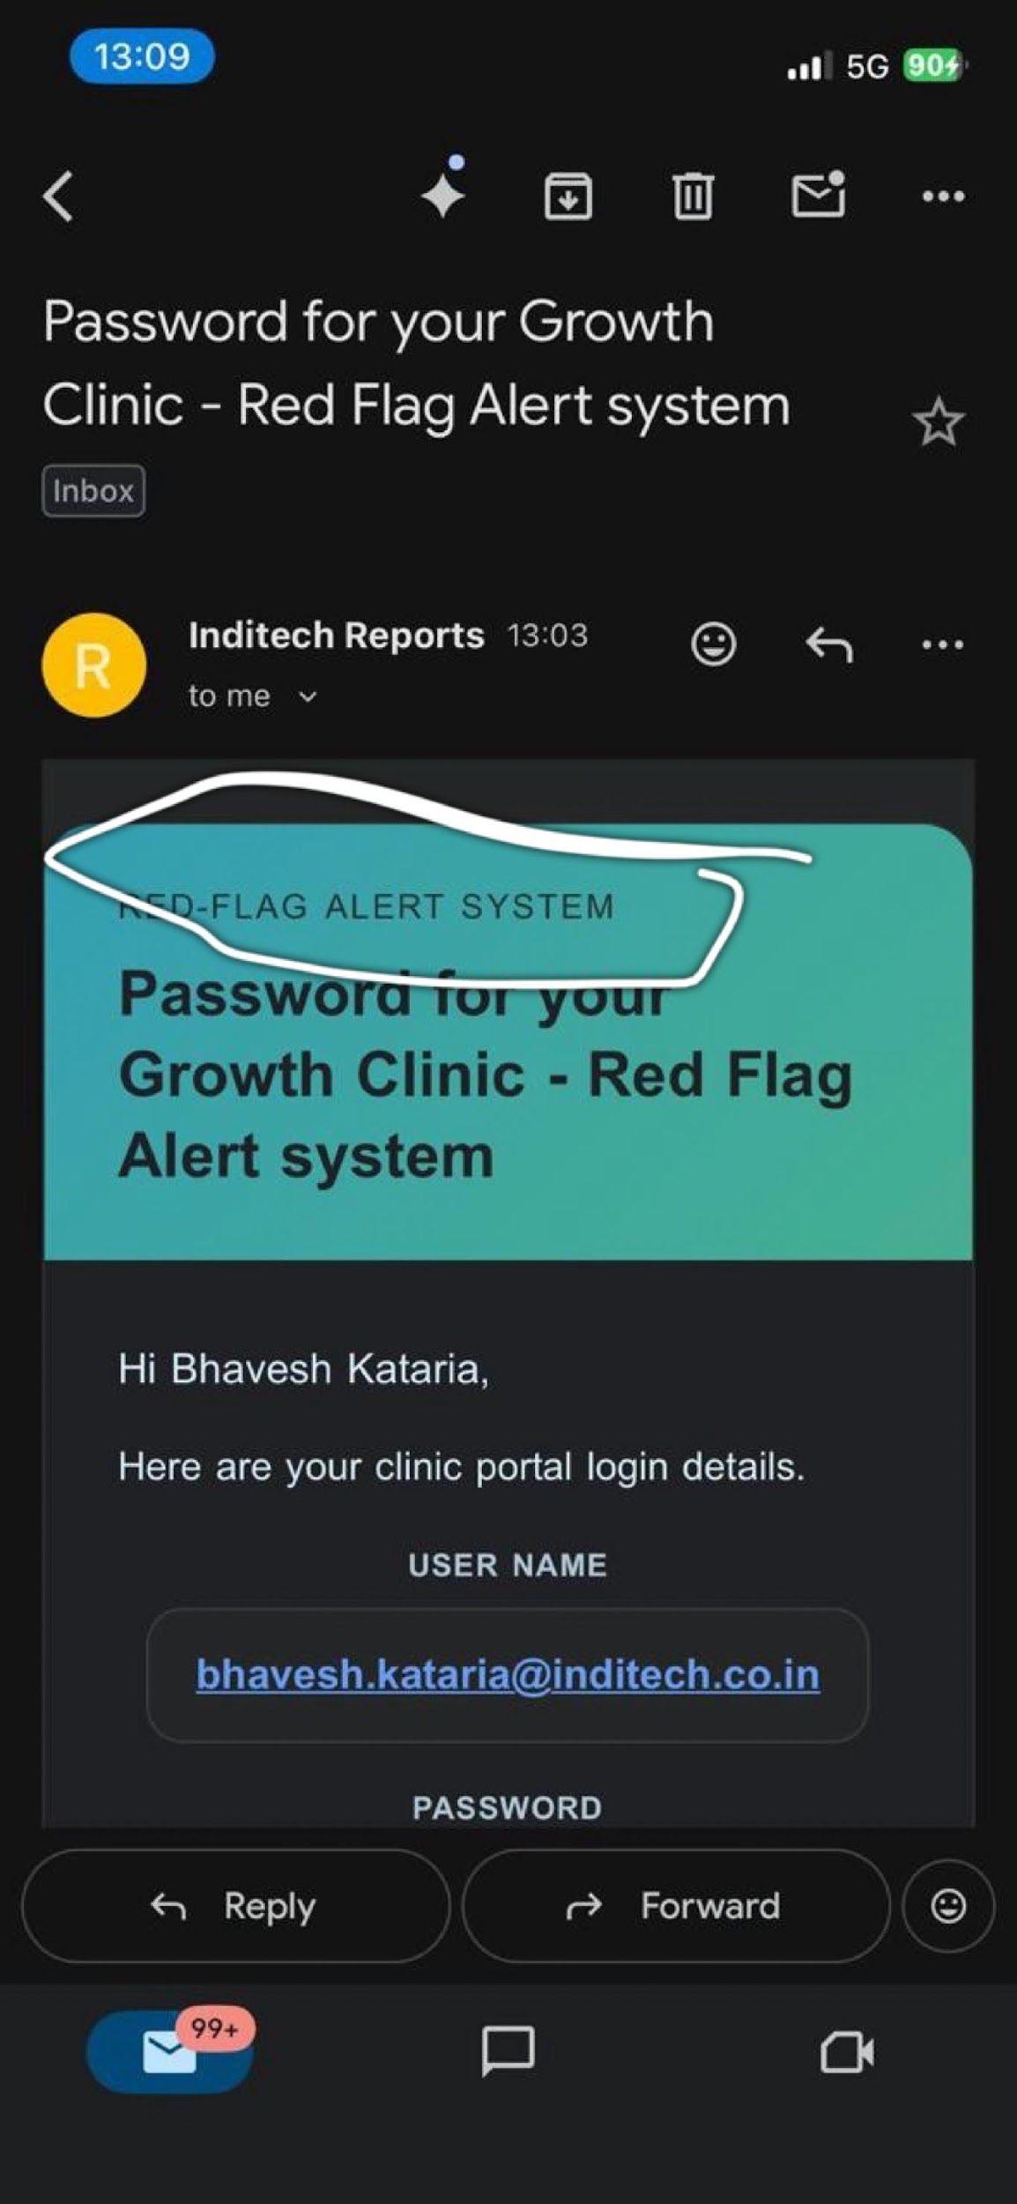 | All email subjects and bodies where "Red-Flag Alert System" was previously used are now replaced with the name provided by the publisher during campaign creation.

