General
SoC Enterprise |  | This sheet capture the general data about the IP/SoC

Component Name
 | Leon2Platform
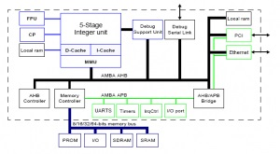
Vendor
 | spiritconsortium.org

Library
 | Leon2RTL

Version
 | 1

Introduction
 | Example to show the demo of different-different flavours of SoC Enterprise by AGNISYS.

Features
 | Support Multi formated input file
 | Support GUI to create a Hierarichy
 | Support many output formats like verilog, VHDL, DataSheet

Applications
 | Multiplatform Enterprise Tool
 | DRC at the Begining for debugging your design
 | Support TCL for accessing the DataBase.
 | Standard IPXACT format as a Core .

Block Type

Recommended Operating Condition
 | symbol | min | typical | max | unit | description

Absolute Maximum Ratings
 | symbol | min | typical | max | unit | description

Designers
 | name | email
 | Gopal | Gopal@agnisys.com
 | Rohit | Rohit@agnisys.com
 | Avdhesh | Avdhesh@agnisys.com
 | Saurabh | Saurabh@agnisys.com
 | Sumeet | Sumeet@agnisys.com

