Better than Djikstra
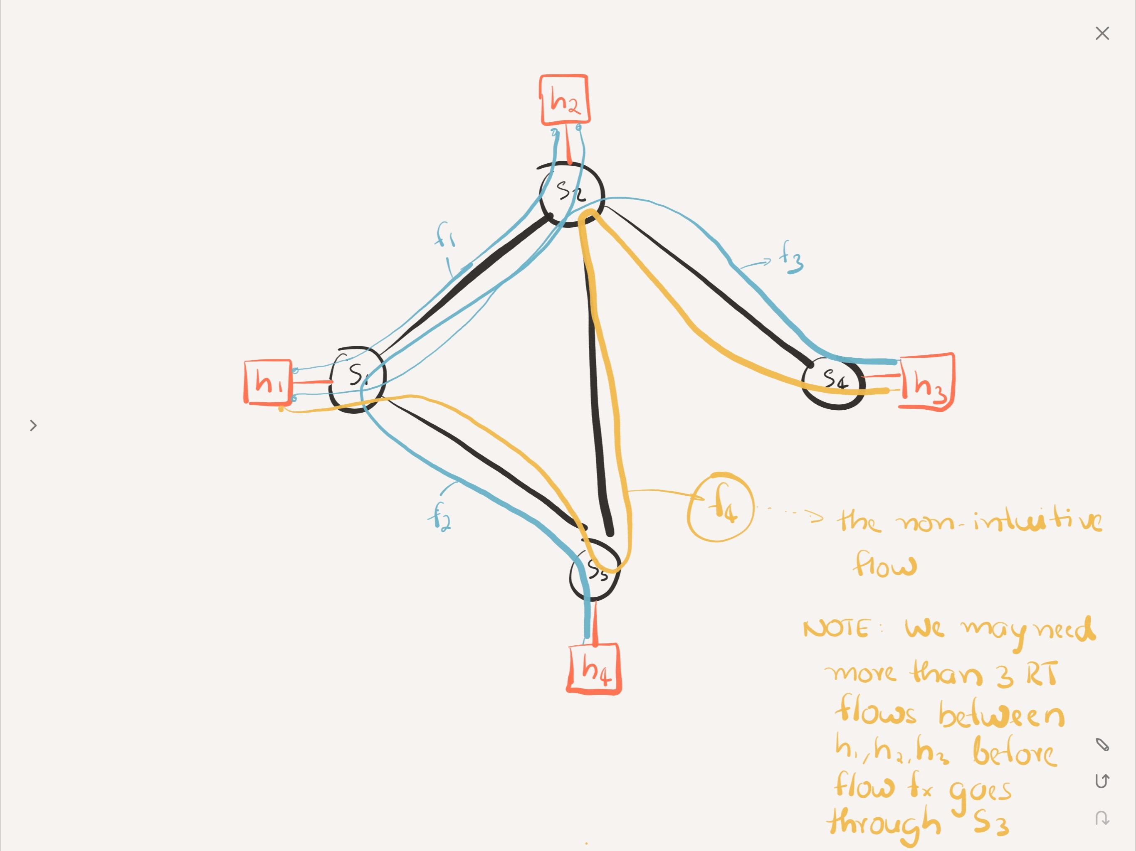

Experiment: Saturate the link between s1 and s2 such that the next realtime flow takes the longer hop path (but still has lesser e2e delay)

